Results
Image | Object | Description | Date
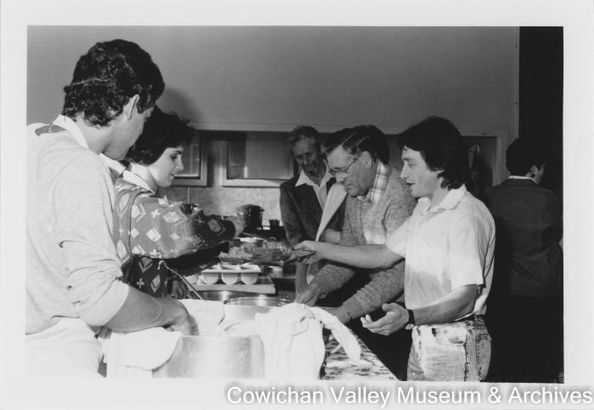 | [A workshop on Sikh culture in dining hall of Sikh Temple Paldi] (2020_06_11_044) | Image of a workshop in Sikh culture in dining hall of Sikh Temple Paldi. Davinder and Shorita Mayo serving.

