Results
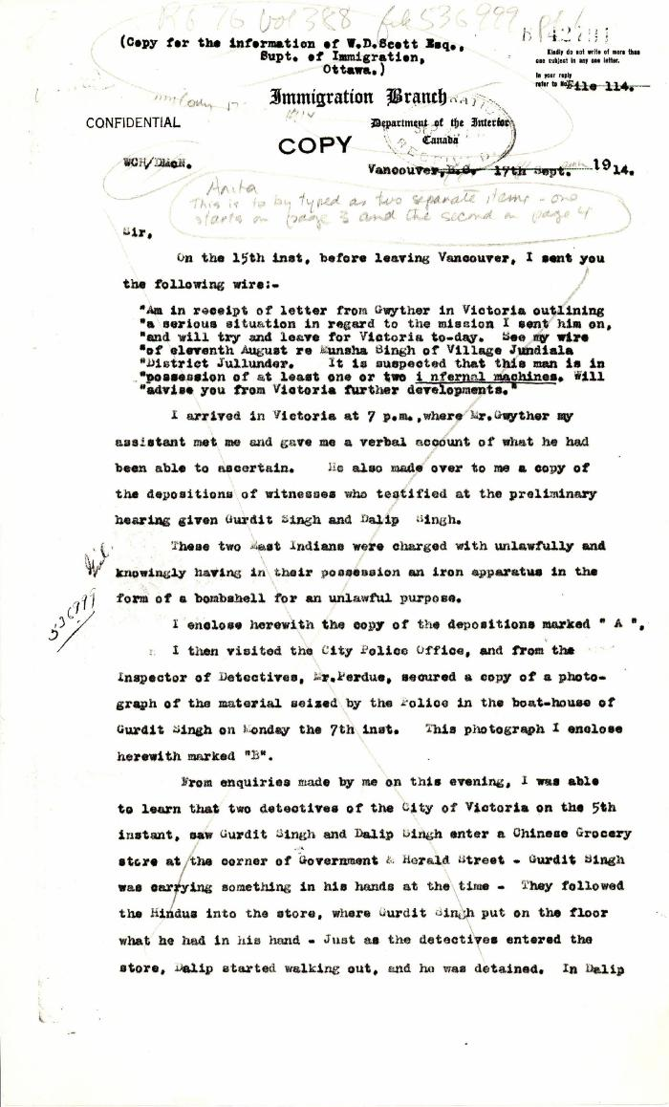
Image | Object | Description | Date
 | [William C. Hopkinson, Immigration Inspector, to William W. Cory, Deputy Minister of the Interior. Cited in Hopkinson to Cory, 17 Sep. 1914. Copy] (2021_07_4779) | Library and Archives Canada. RG76, File 536999, pt. 1

