Results
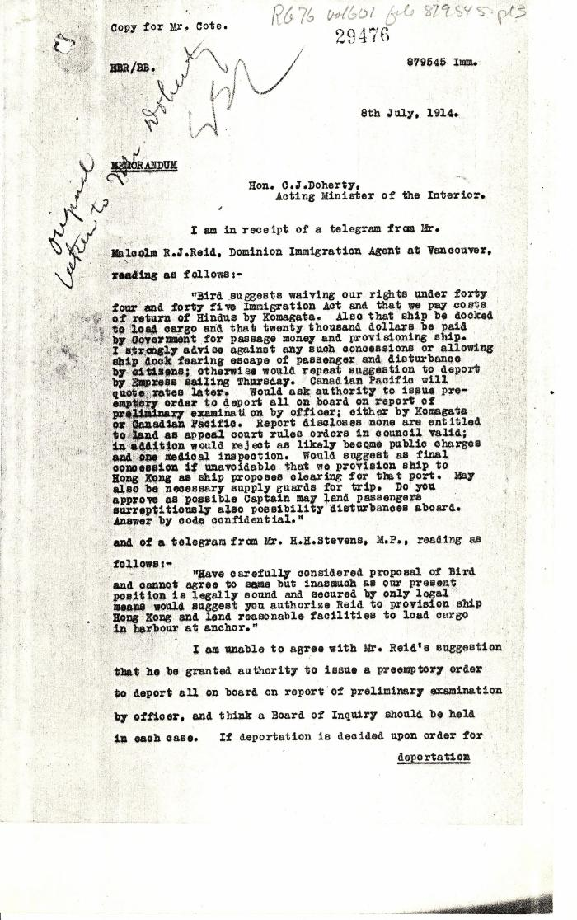
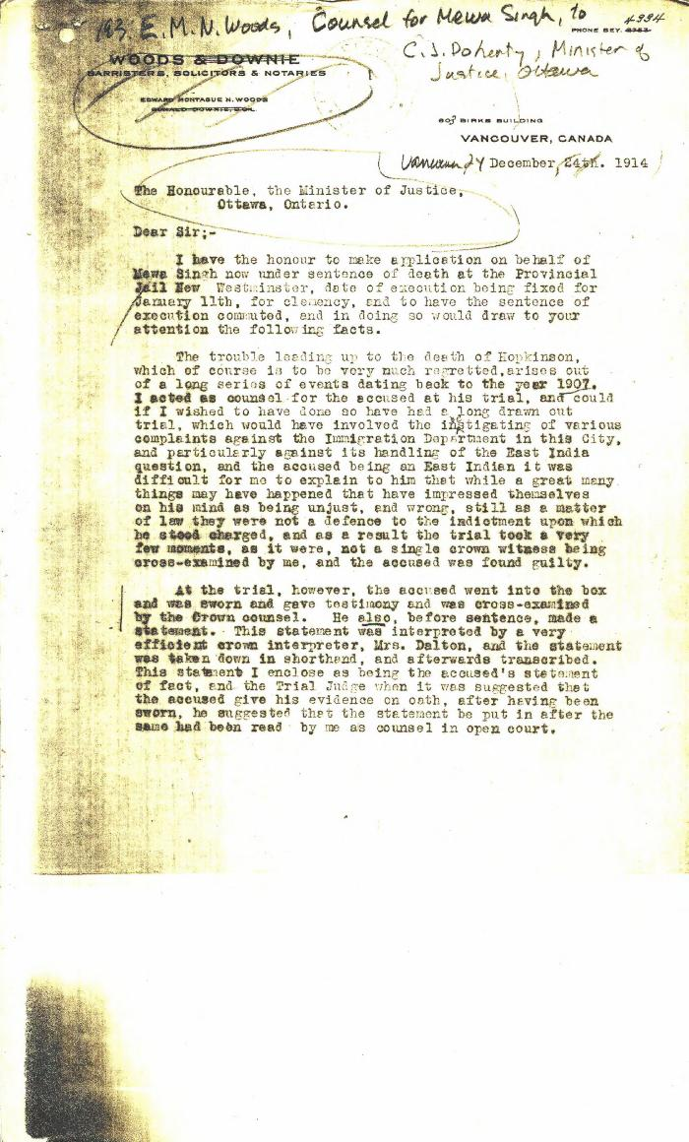
Image | Object | Description | Date
 | [William D. Scott, Superintendent of Immigration, Memorandum to Charles J. Doherty, Minister of Justice] (2021_07_4674) | Library and Archives Canada. RG76, Vol. 261, File 875456, pt. 3
 | [E. M. N. Woods, lawyer, Woods & Downie, counsel for Mewa Singh, to Charles J. Doherty, Minister of Justice] (2021_07_4807) | Library and Archives Canada. RG13, Vol. 1467
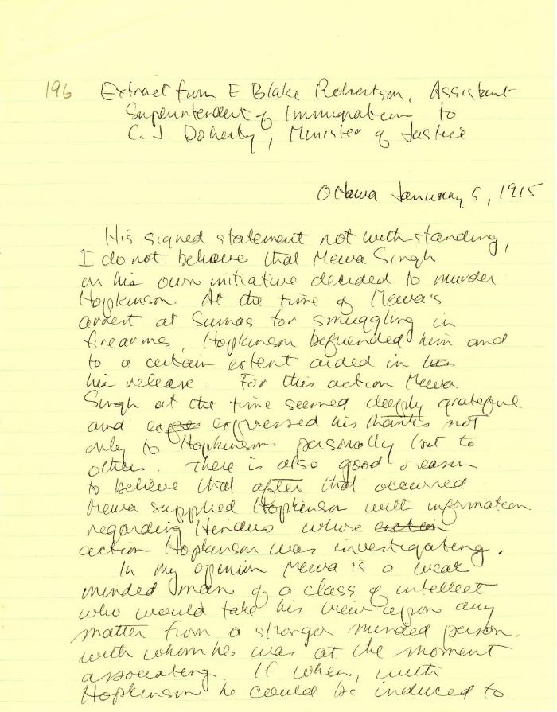
 | [Extract from E. Blake Robertson, Assitant Superintendent of Immigration, to Charles J. Doherty, Minister of Justice, Ottawa] (2021_07_4815) | Library and Archives Canada. RG13, Capital Case File: Murder of Hopkinson. Handwritten transcript
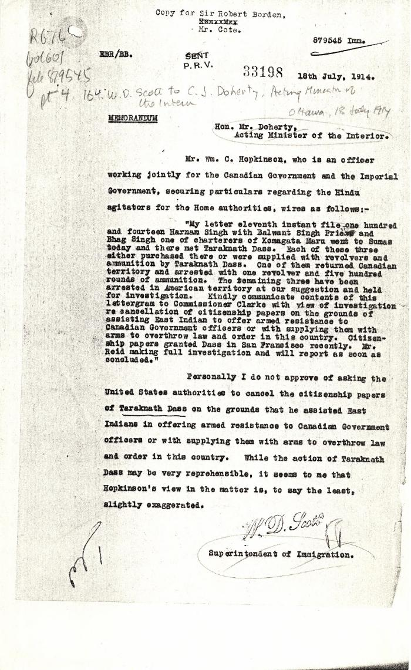
 | [William D. Scott, Superintendent of Immigration, to Charles J. Doherty, Minister of Justice, re Hopkinson's report on Balwant Singh and Bhag Singh. Copy] (2021_07_10338) | Library and Archives Canada. RG76, Vol. 601, File 879545, pt. 4
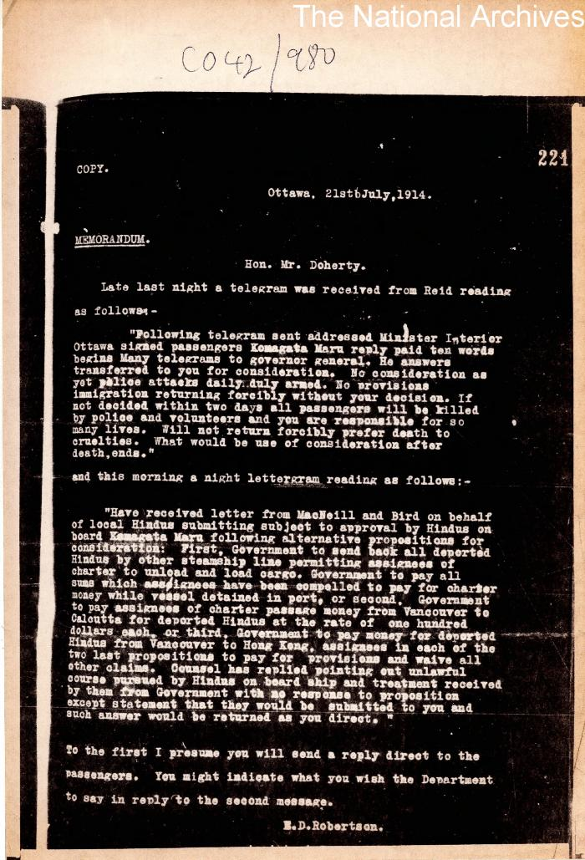
 | [E. Blake Robertson, Assistant Superintendent of Immigration, to Charles J. Doherty, Minister of Justice. Copy] (2021_07_10340) | The National Archives. CO 42/980
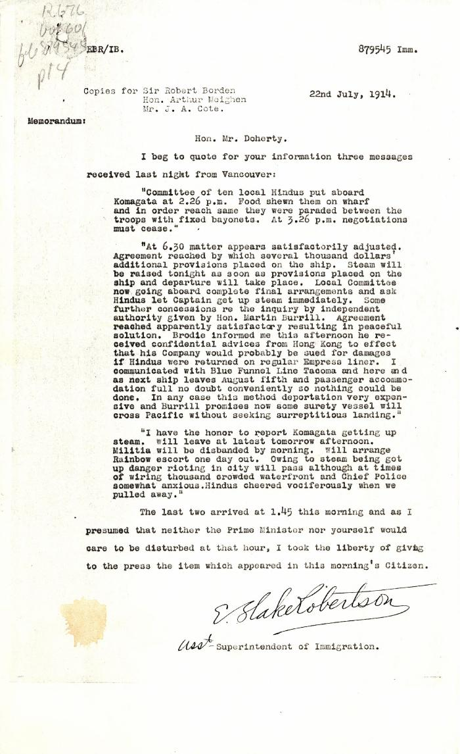
 | [E. Blake Robertson, Assistant Superintendent of Immigration, to Charles J. Doherty, Minister of Justice, re negotiations with Komagata Maru passengers] (2021_07_10341) | Library and Archives Canada. RG76, Vol. 601, File 879545, pt. 4
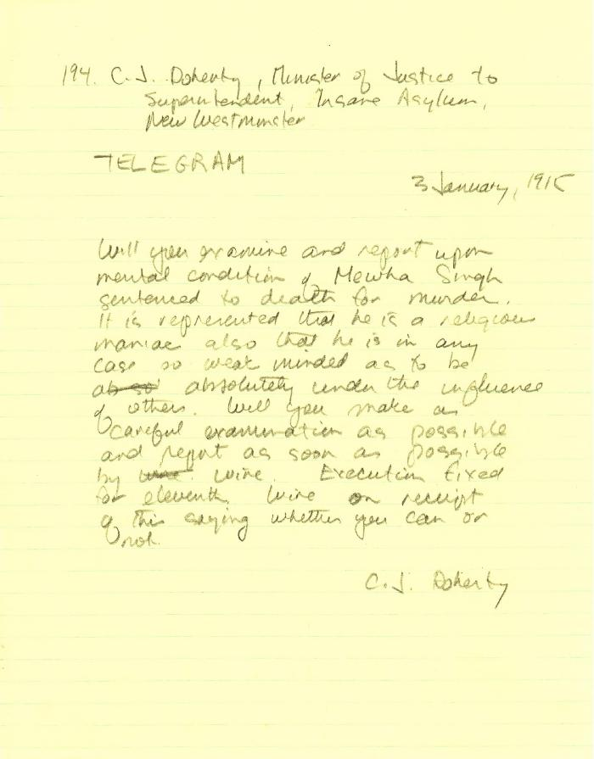
 | [Charles J. Doherty, Minister of Justice, to Superintendent, Insane Asylum, New Westminster, re mental condition of Mewa Singh] (2021_07_10353) | Library and Archives Canada. RG13, Vol. 1467
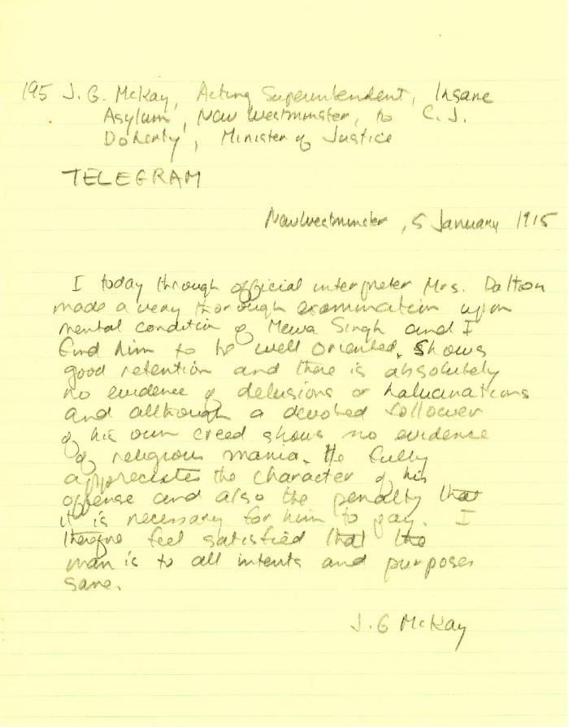
 | [J. G. Mackay, Acting Superintendent, Insane Asylum, New Westminster, to Charles J. Doherty, Minister of Justice, re mental condition of Mewa Singh] (2021_07_10354) | Library and Archives Canada. RG13, Vol. 1467

