Results
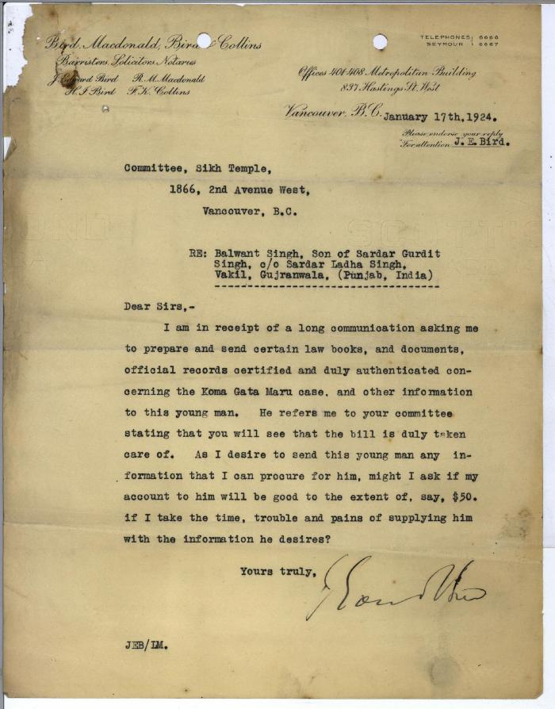
Image | Object | Description | Date
 | [Letters from J. Edward Bird of Bird, Macdonald, Bird & Collins to Committee, Sikh Temple and Khalsa Diwan Society, 1866 2nd Avenue West, Vancouver, B.C. re: request from Balwant Singh, son of Sardar Gurdit Singh, and monies owed from the Society] (2021_07_5966)

