Results
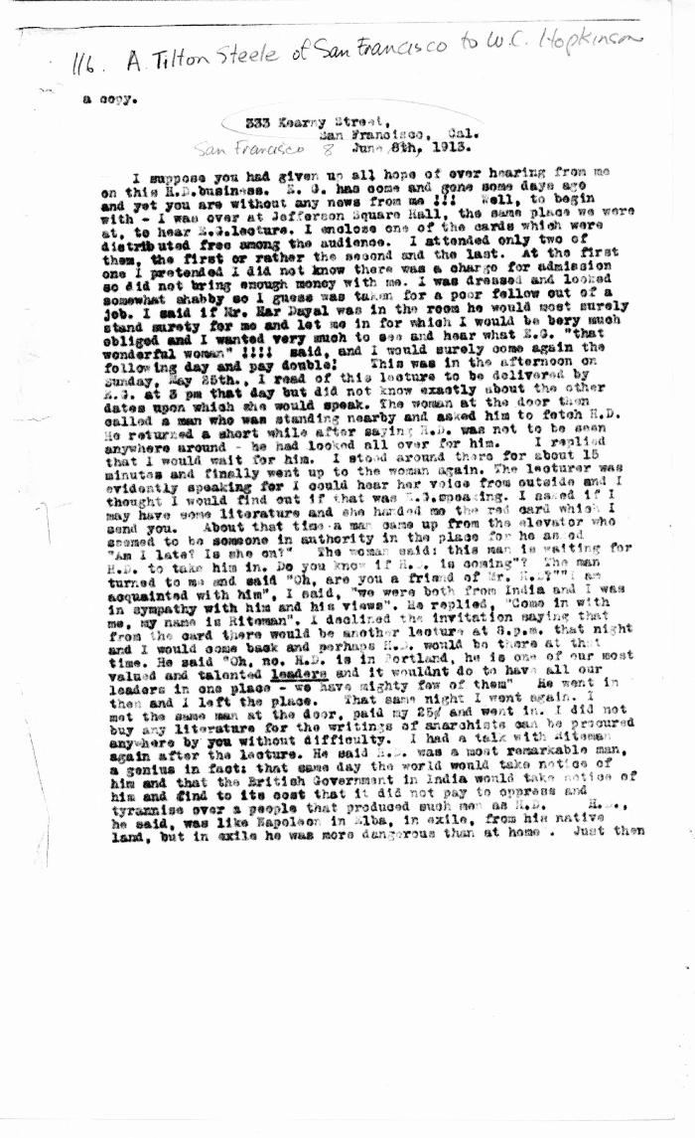
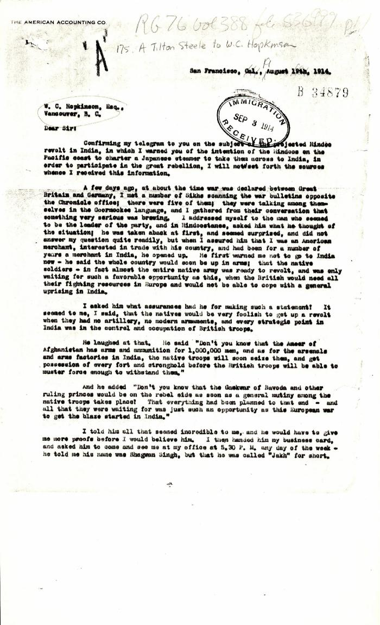
Image | Object | Description | Date
 | [Arthur Tilton Steele, San Francisco, to William C. Hopkinson, Immigration Inspector. Copy] (2021_07_4508) | Library and Archives Canada. RG7-G-21, Vol. 202, File 332, vol. 7 (a)
 | [Arthur Tilton Steele, San Francisco, to William C. Hopkinson, Immigration Inspector] (2021_07_4762) | Library and Archives Canada. RG76, Vol. 388, File 536999, pt. 1
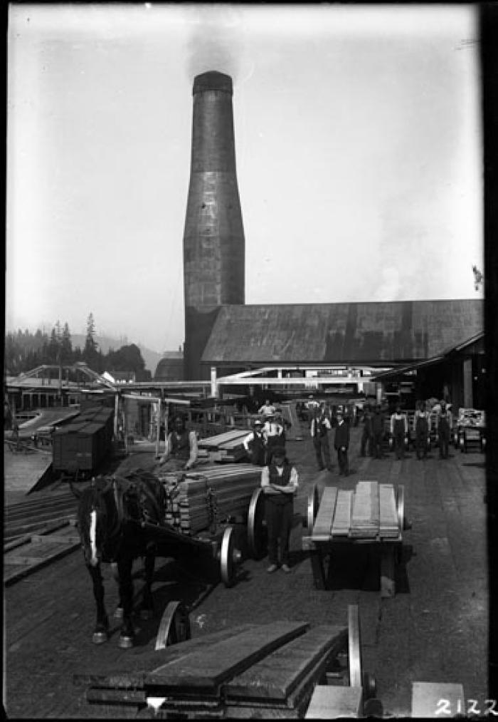
 | Barnet workers (2021_07_10573) | North Pacific Lumber sawmill buildings, smokestack, and boxcars are in the background with a wagon carrying some lumber in the foreground. A group of white, Chinese, and Sikh employees look to the camera. This was before some of the portions of the mill at Barnet were destroyed by fire and replaced. Vancouver Public Library. Accession number 7642
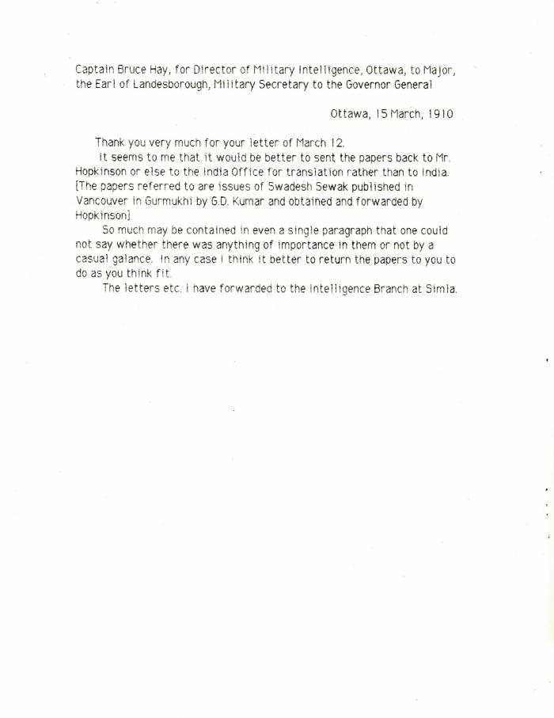
 | [Captain Bruce Hay, for Director of Military Intelligence, Ottawa, to Major, the Earl of Landesborough, Military Secretary to the Governor General] (2021_07_10431)
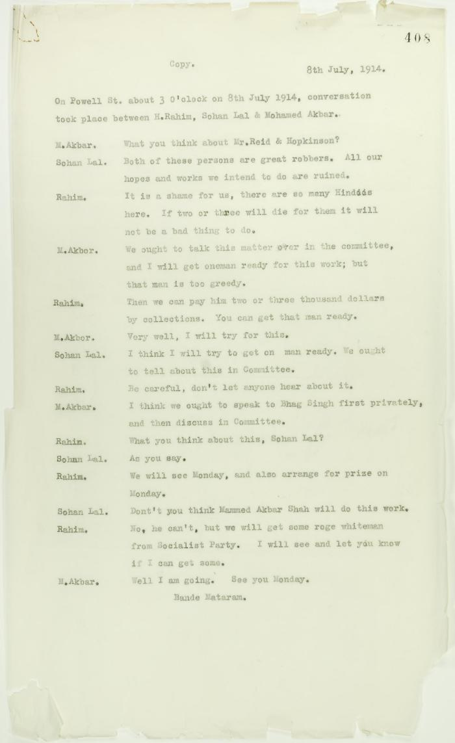
 | Copy of conversation between Hindus re Reid and Hopkinson (2021_07_10717) | Page 408
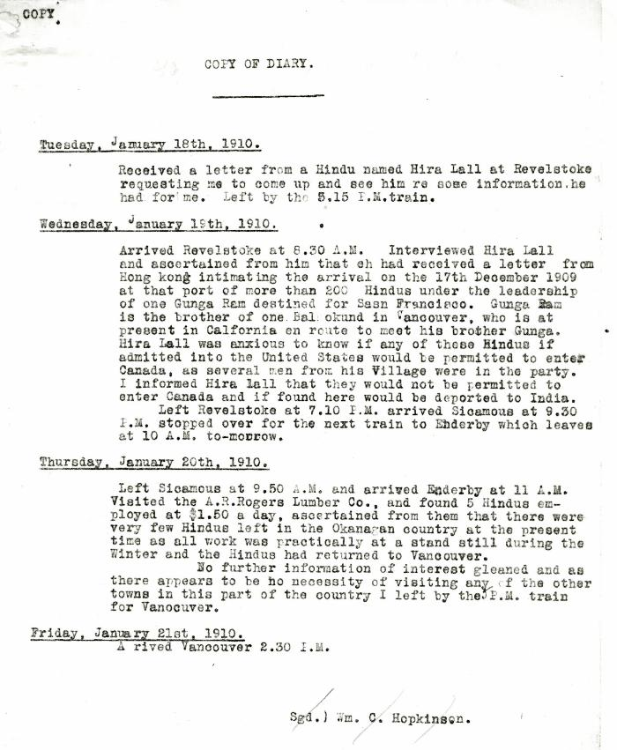
 | Copy of Diary [of William C. Hopkinson, Immigration Inspector, re trip to Revelstoke and Enderby to assess situation of Hindus in those areas] (2021_07_10301) | Library and Archives Canada. RG7-G-21, Vol. 200, File 332, vol. 3 (b)
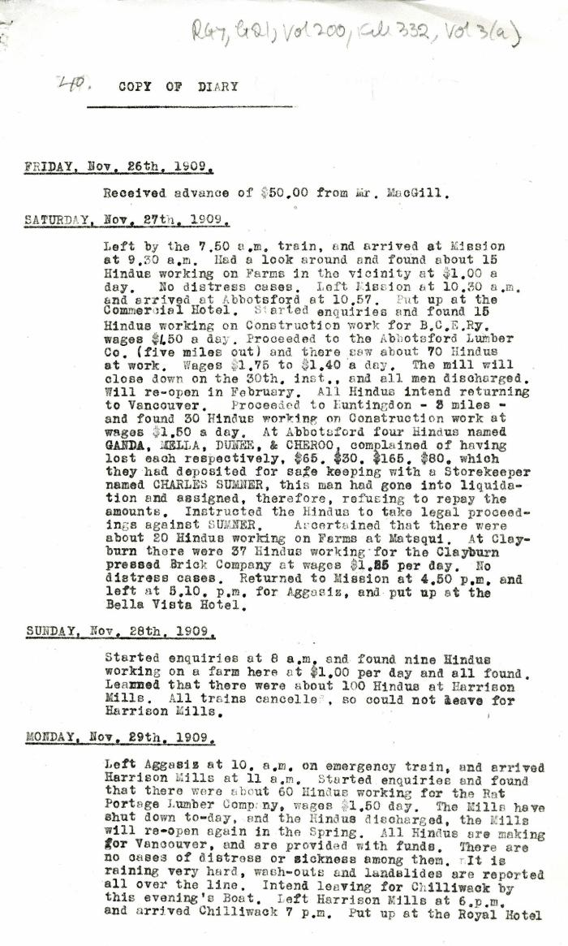
 | Copy of Diary [William C. Hopkinson, Immigration Inspector] (2021_07_4294) | Library and Archives Canada. RG7-G-21, Vol. 200, File 332, vol. 3 (b)
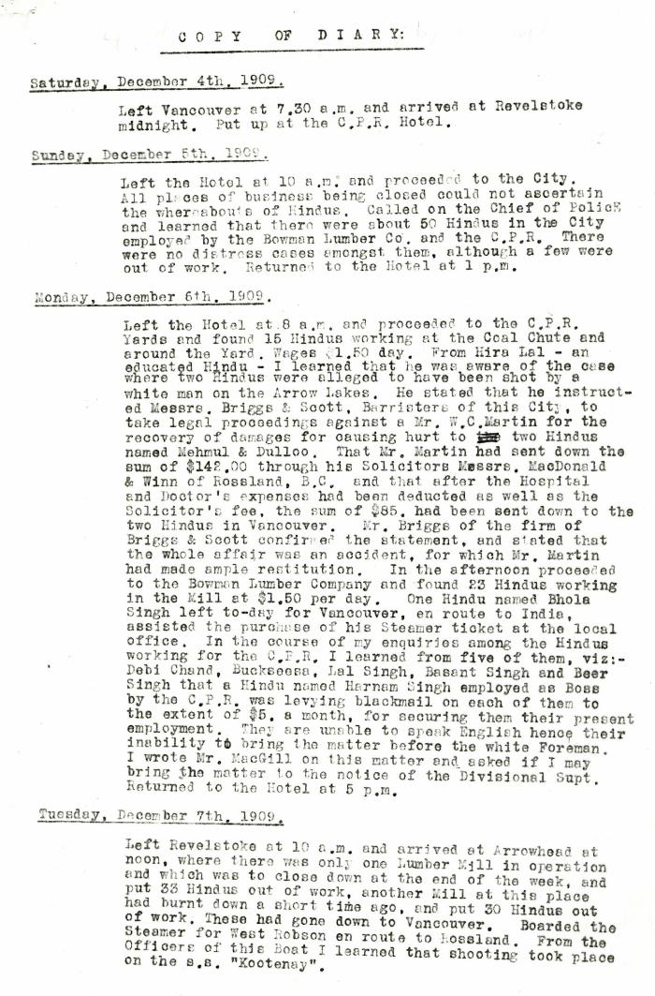
 | Copy of Diary [William C. Hopkinson, Immigration Inspector] (2021_07_4299) | Library and Archives Canada. RG7-G-21, Vol. 200, File 332, vol. 3 (b)
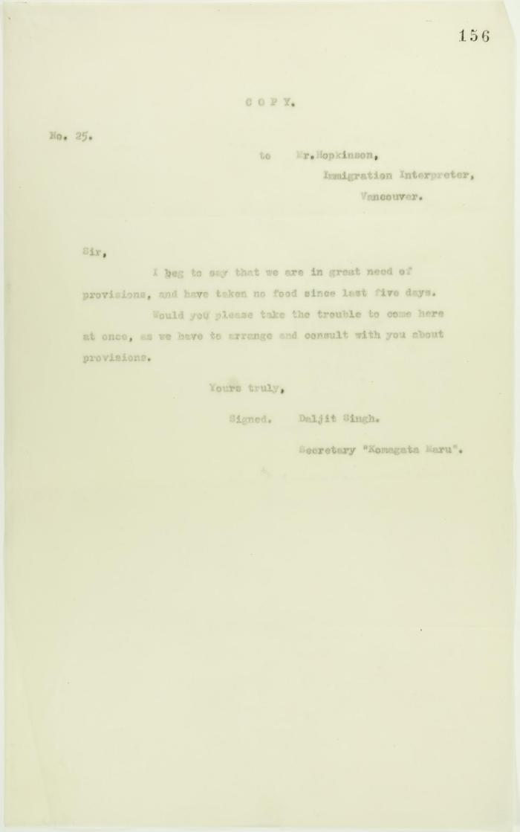
 | Copy of letter from Daljit Singh to Mr. Hopkinson, Immigration Interpreter, re shortage of food (2021_07_10683) | Page 156
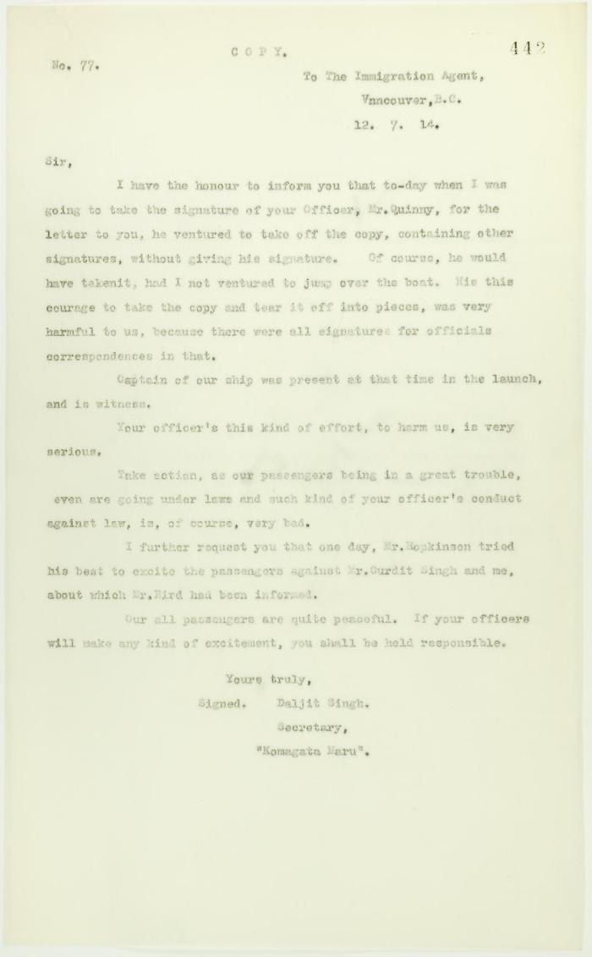
 | Copy of letter from Daljit Singh to the Immigration Agent, complaining about actions of Department Officer (2021_07_10731) | Page 442

 | Copy of letter from Mr. Hopkinson to Reid re his visit on board the Maru. Page 1-3 (2021_07_1571) | Page 588-590
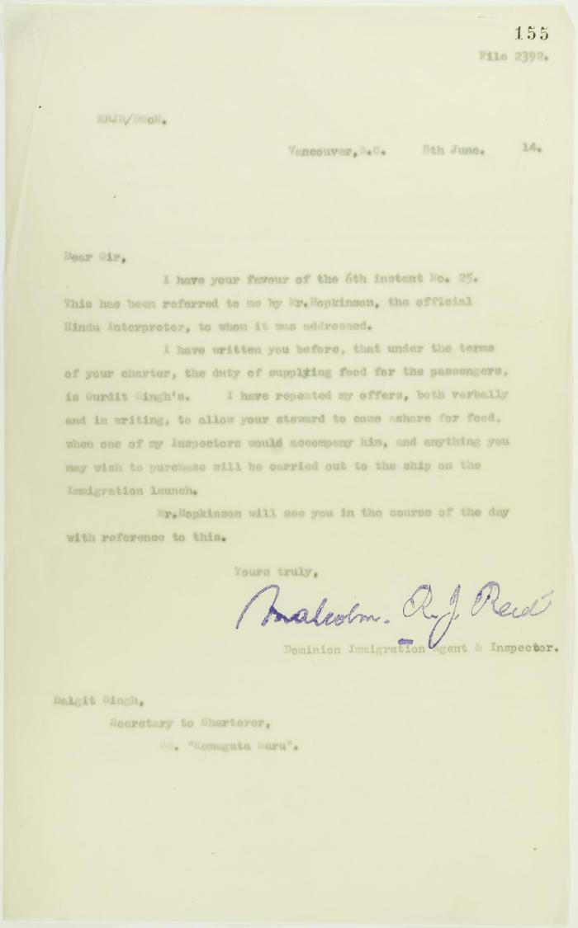
 | Copy of letter from Reid to Daljit Singh re responsibility for supplying food (2021_07_10682) | Page 155
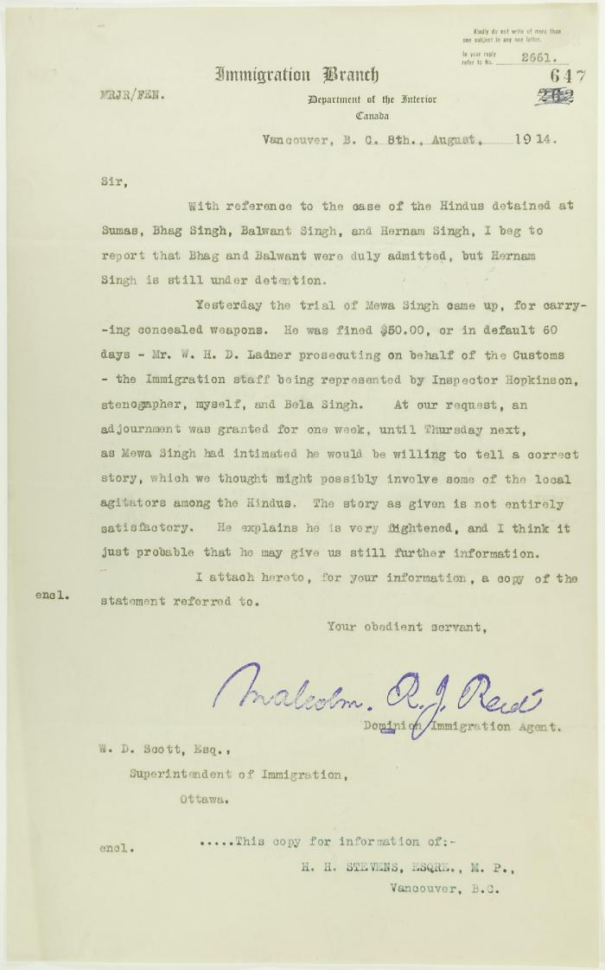
 | Copy of letter from Reid to W. D. Scott re Hindus detained at Sumas, and enclosing a statement by Mewa Singh (2021_07_10771) | Page 647

 | Copy of letter from Reid to W. D. Scott re wires received and sent regarding final arrangements. Page 1-8 (2021_07_1540) | Page 573-580
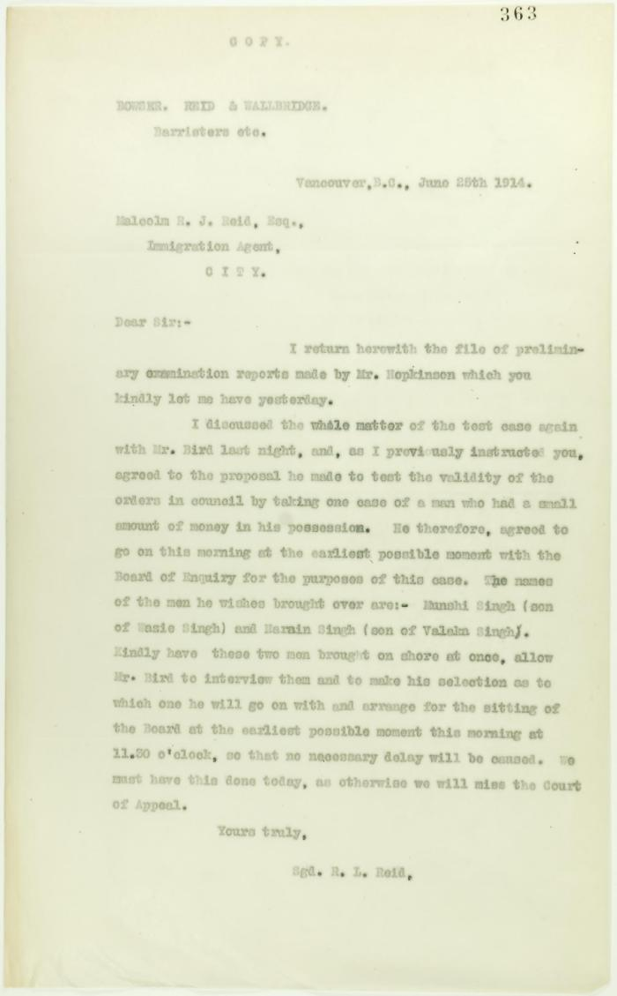
 | Copy of letter from R. L. Reid (Bowser, Reid and Wallbridge) to Malcolm Reid requesting that certain passengers be brought before the Board of Enquiry (2021_07_10706) | Page 363

 | [Correspondence re recent incidents (see pp. 381-385)] Page 1-3 (2021_07_320) | Page 386-406
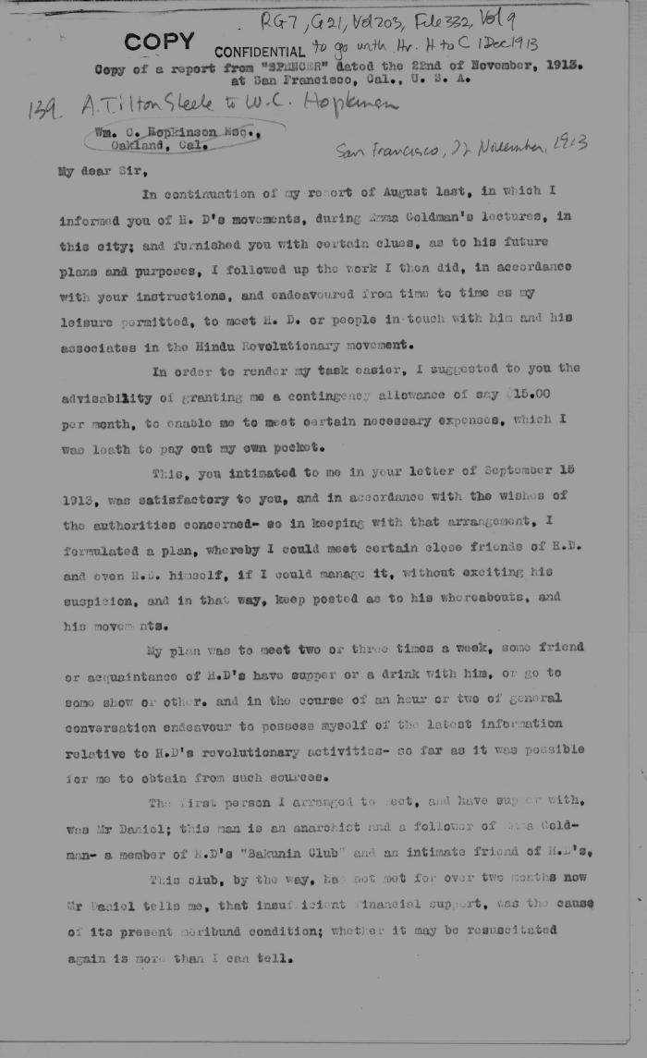
 | [Extract from Arthur Tilton Steele, San Francisco, to William C. Hopkinson. Copy] (2021_07_4536) | Library and Archives Canada. RG7-G-21, Vol. 203, File 332, vol. 9
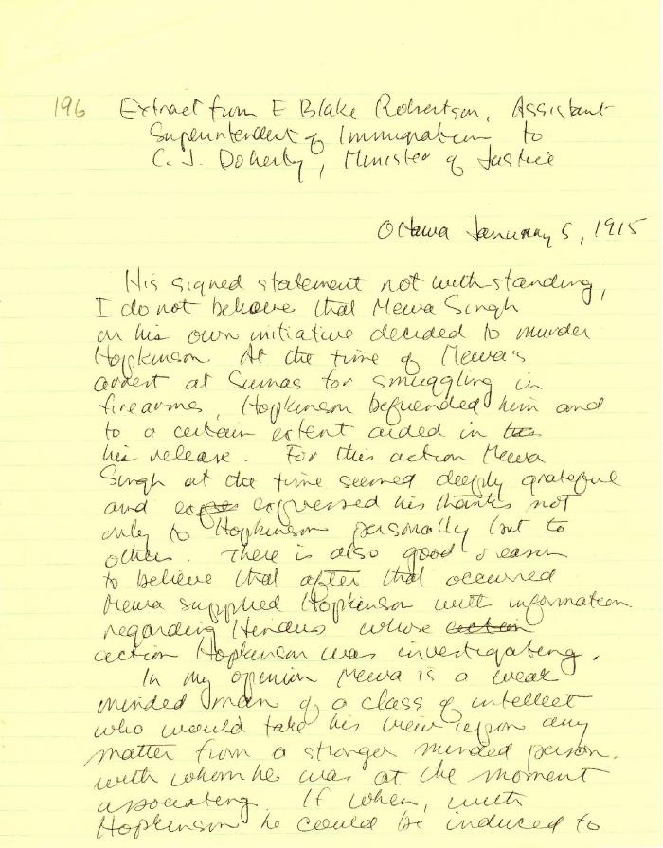
 | [Extract from E. Blake Robertson, Assitant Superintendent of Immigration, to Charles J. Doherty, Minister of Justice, Ottawa] (2021_07_4815) | Library and Archives Canada. RG13, Capital Case File: Murder of Hopkinson. Handwritten transcript
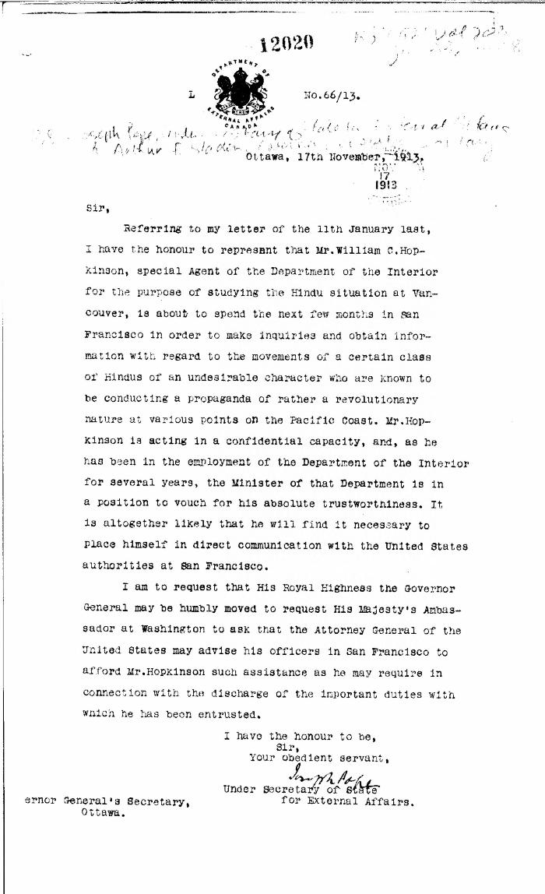
 | [Extract from Joseph Pope, Under-Secretary of State for External Affairs, to Arthur F. Sladen, Private Secretary to the Governor General, re Hopkinson's work in California] (2021_07_10321) | Library and Archives Canada. RG7-G-21, Vol. 203, File 332, vol. 8
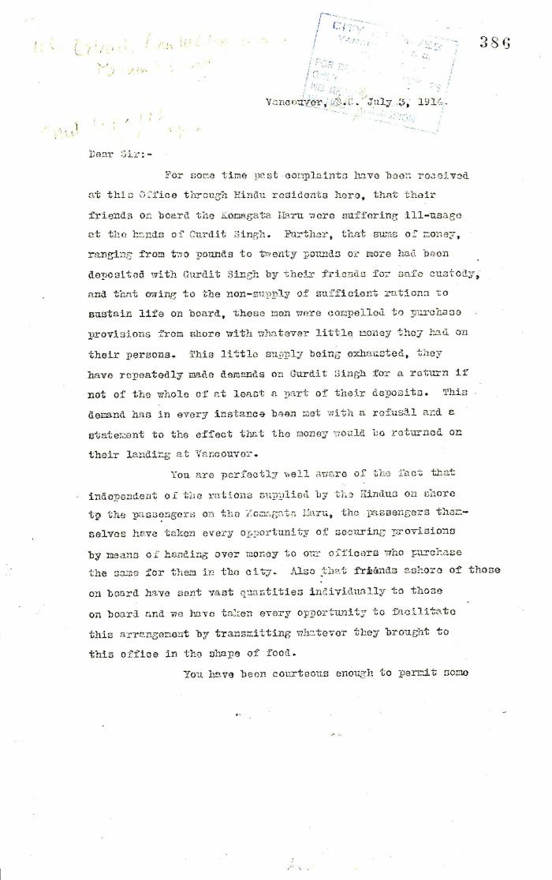
 | Extract from W. C. Hopkinson to Malcolm R. J. Reid (2021_07_5199) | Page 386-388
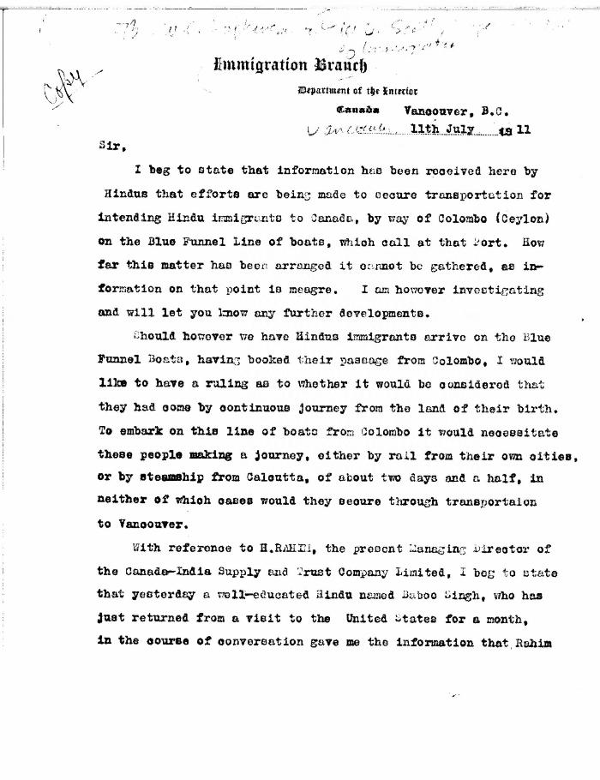
 | [Extract from William C. Hopkinson, Immigration Inspector, to William D. Scott, Superintendent of Immigration. Copy] (2021_07_5286) | Library and Archives Canada. RG7-G-21, Vol. 201, File 332, vol. 4
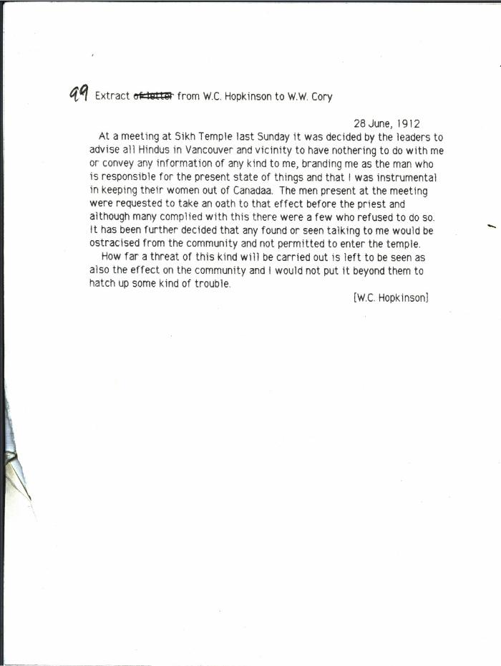
 | [Extract from William C. Hopkinson, Immigration Inspector, to William W. Cory, Deputy Minister of the Interior, re Hindu community threat to Hopkinson] (2021_07_10310) | Library and Archives Canada. RG7-G-21, Vol. 201, File 332, vol. 5
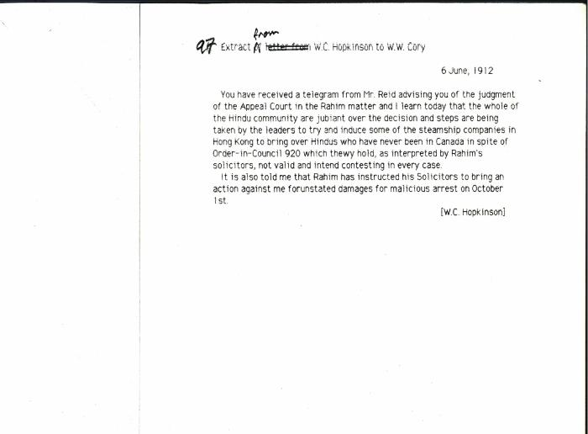 | [Extract from William C. Hopkinson, Immigration Inspector, to William W. Cory, Deputy Minister of the Interior, re Rahim court decision. Copy] (2021_07_10309) | Library and Archives Canada. RG7-G-21, Vol. 202, File 332, vol. 6 (b)

 | [Extract from William C. Hopkinson, Immigration Inspector, to William W. Cory, Deputy Minister of the Interior. Copy] (2021_07_4346) | Library and Archives Canada. RG7-G-21, Vol. 201, File 332, vol. 4
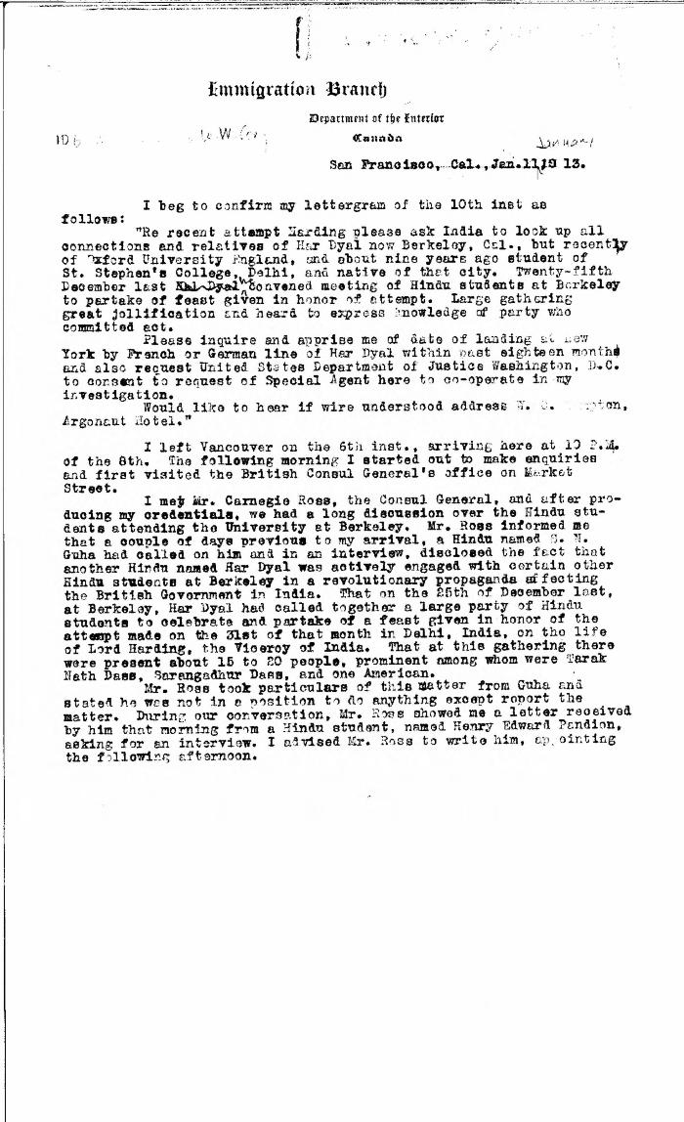
 | [Extract from William C. Hopkinson, Immigration Inspector, to William W. Cory, Deputy Minister of the Interior. Copy] (2021_07_4491) | Library and Archives Canada. RG7-G-21, Vol. 203, File 332, vol. 7 (b)
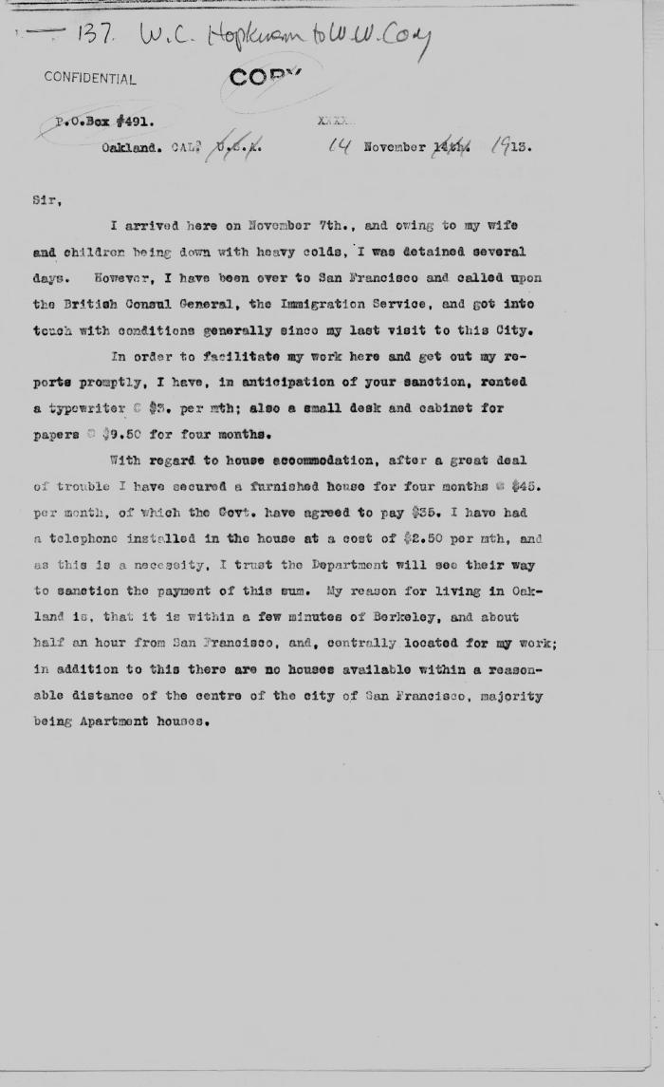
 | [Extract from William C. Hopkinson, Immigration Inspector, to William W. Cory, Deputy Minister of the Interior. Copy] (2021_07_4529) | Library and Archives Canada. RG7-G-21, Vol. 203, File 332, vol. 9
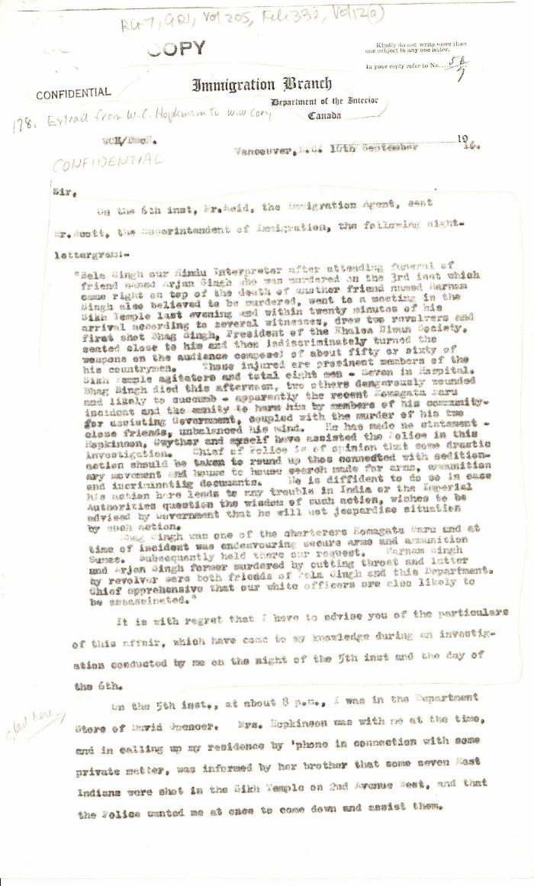
 | [Extract from William C. Hopkinson, Immigration Inspector, to William W. Cory, Deputy Minister of the Interior. Copy] (2021_07_4785) | Library and Archives Canada. RG7-G-21, Vol. 205, File 332, vol. 12 (a)

 | [Extract from William C. Hopkinson, Immigration Inspector, to William W. Cory, Deputy Minister of the Interior. Copy] (2021_07_4648) | Library and Archives Canada. RG7-G-21, Vol. 211, File 332 B
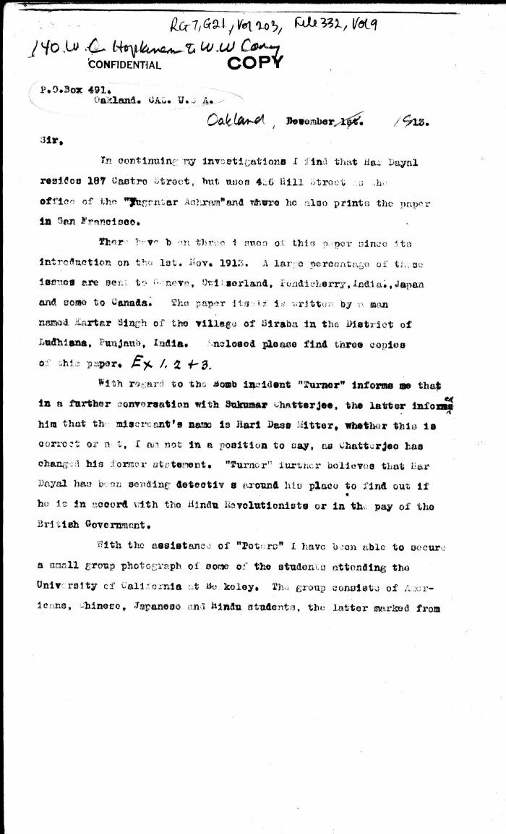
 | [Extract from William C. Hopkinson, Immigration Inspector, to William W. Cory, Deputy Minister of the Interior. Copy] (2021_07_4542) | Library and Archives Canada. RG7-G-21, Vol. 203, File 332, vol. 9
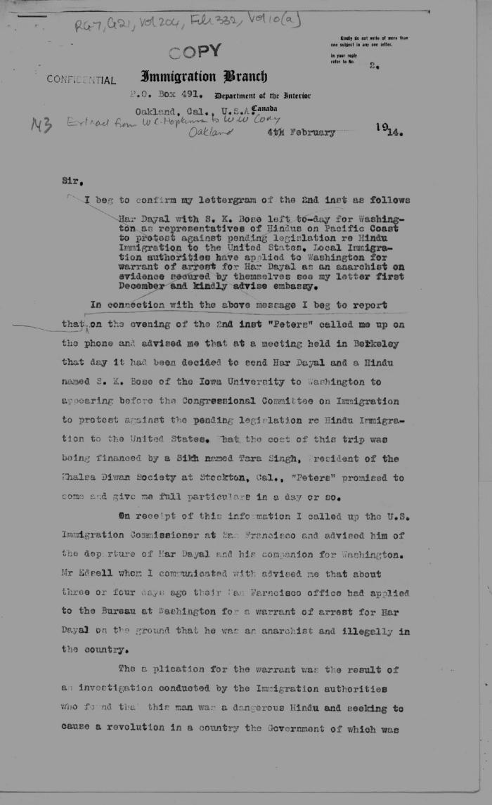
 | [Extract from William C. Hopkinson, Immigration Inspector, to William W. Cory, Deputy Minister of the Interior. Copy] (2021_07_4560) | Library and Archives Canada. RG7-G-21, Vol. 204, File 332, vol. 10 (a)
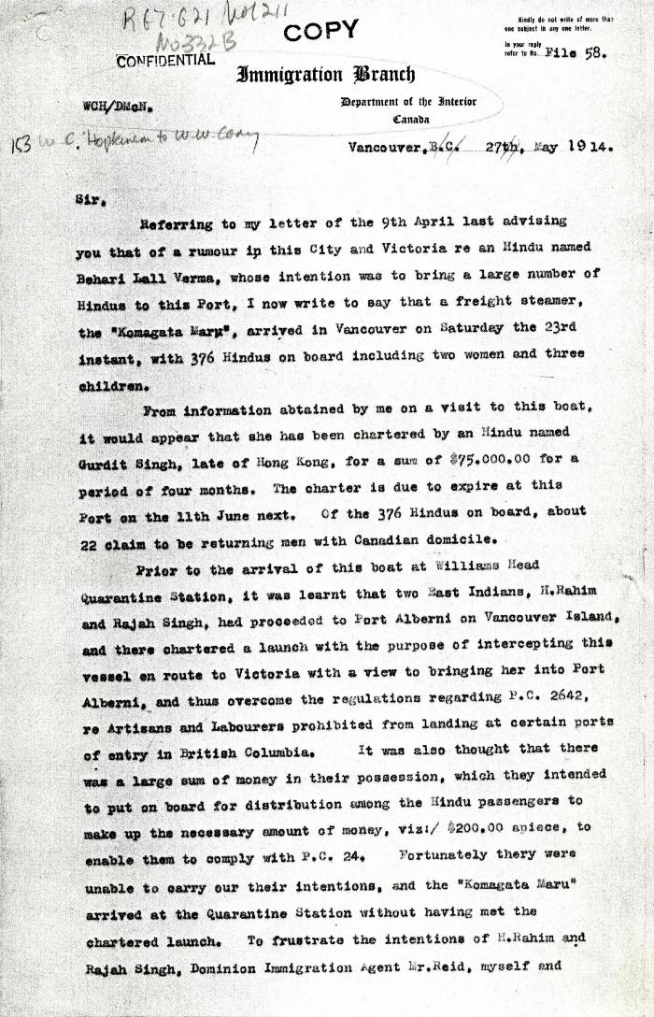
 | [Extract from William C. Hopkinson, Immigration Inspector, to William W. Cory, Deputy Minister of the Interior. Copy] (2021_07_4611) | Library and Archives Canada. RG7-G021, Vol. 211, File 332 B
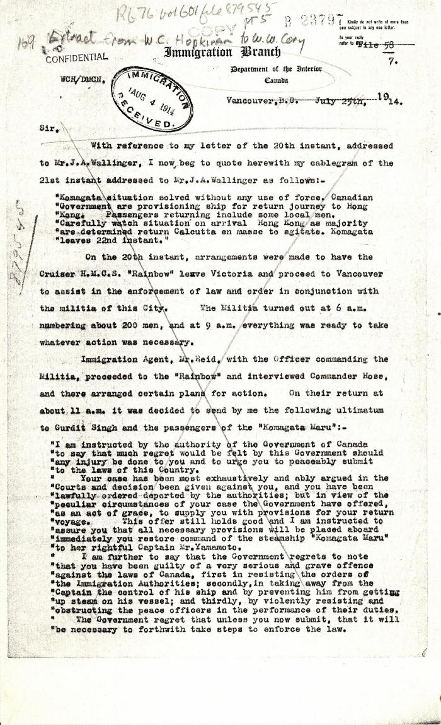
 | [Extract from William C. Hopkinson, Immigration Inspector, to William W. Cory, Deputy Minister of the Interior. Copy] (2021_07_4755) | Library and Archives Canada. RG76, File 879545, pt. 5
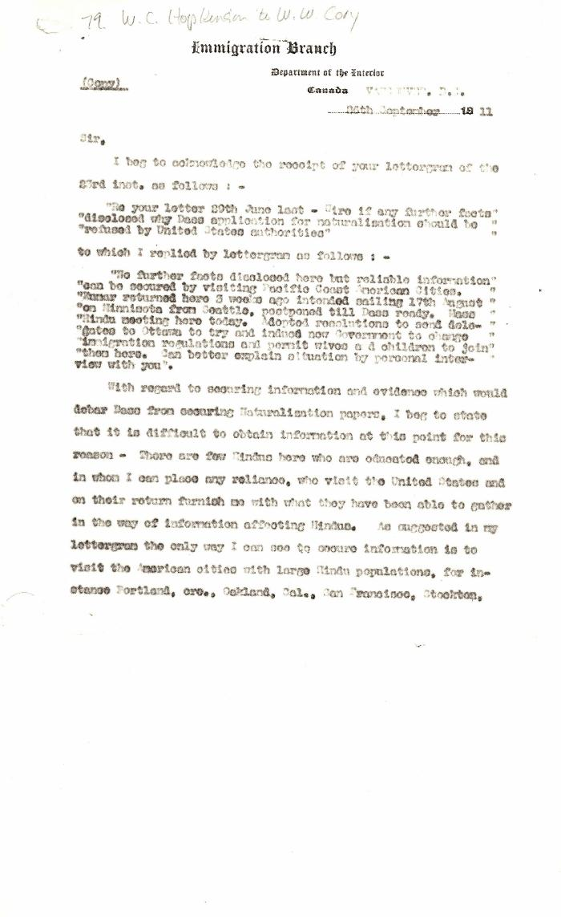
 | [Extract from William C. Hopkinson, Immigration Inspector, to William W. Cory, Deputy Minister of the Interior. Copy] (2021_07_4404) | Library and Archives Canada. RG7-G-21, Vol. 201, File 332, vol. 5 (a)
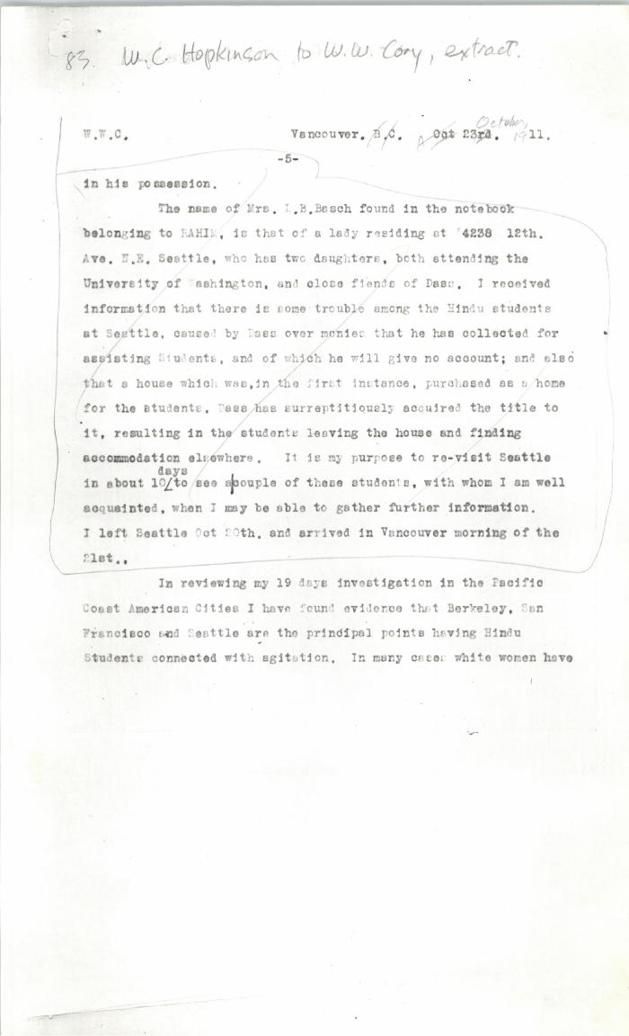
 | [Extract from William C. Hopkinson, Immigration Inspector, to William W. Cory, Deputy Minister of the Interior. Copy] (2021_07_4437) | Library and Archives Canada. RG7-G-21, Vol. 201, File 332, vol. 5 (a)
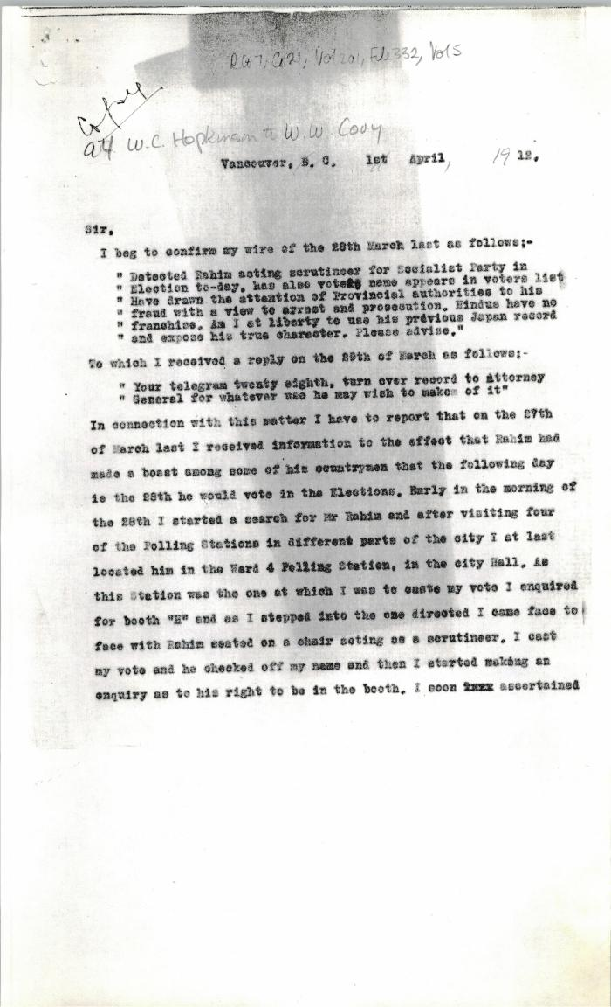
 | [Extract from William C. Hopkinson, Immigration Inspector, to William W. Cory, Deputy Minister of the Interior. Copy] (2021_07_4457) | Library and Archives Canada. RG7-G-21, Vol. 201, File 332, vol. 5
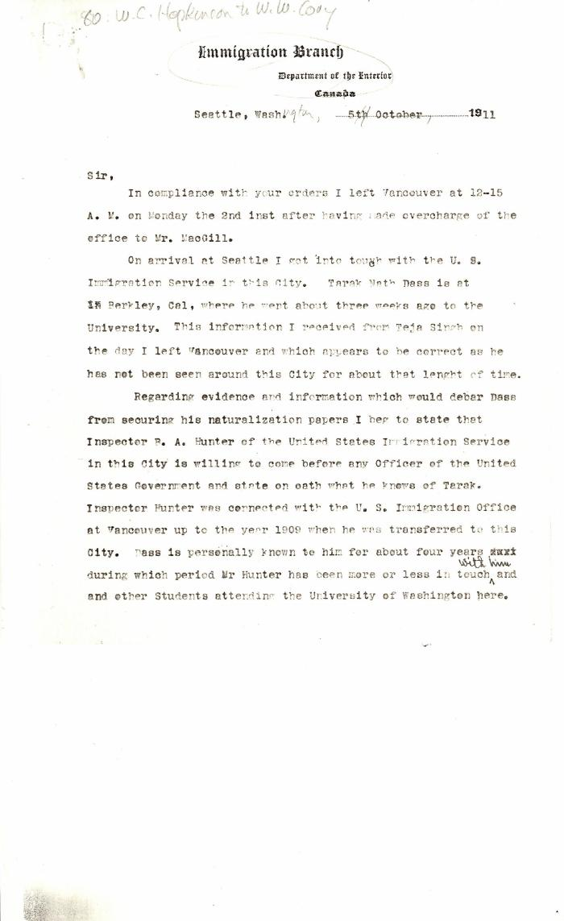
 | [Extract from William C. Hopkinson, Immigration Inspector, to William W. Cory, Deputy Minister of the Interior] (2021_07_4409) | Library and Archives Canada. RG7-G-21, Vol. 201, File 332, vol. 5 (a)
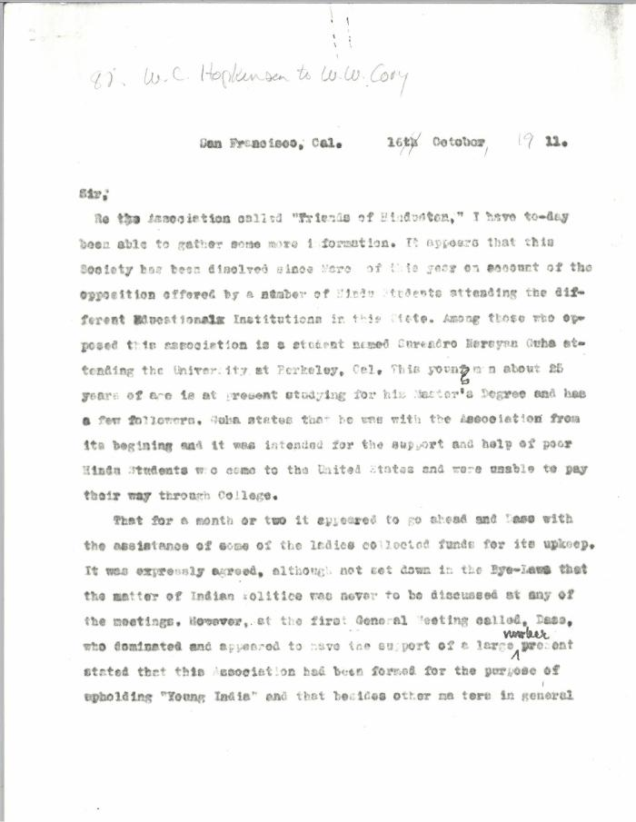
 | [Extract from William C. Hopkinson, Immigration Inspector, to William W. Cory, Deputy Minister of the Interior] (2021_07_4428) | Library and Archives Canada. RG7-G-21, Vol. 201, File 332, vol. 5 (a)
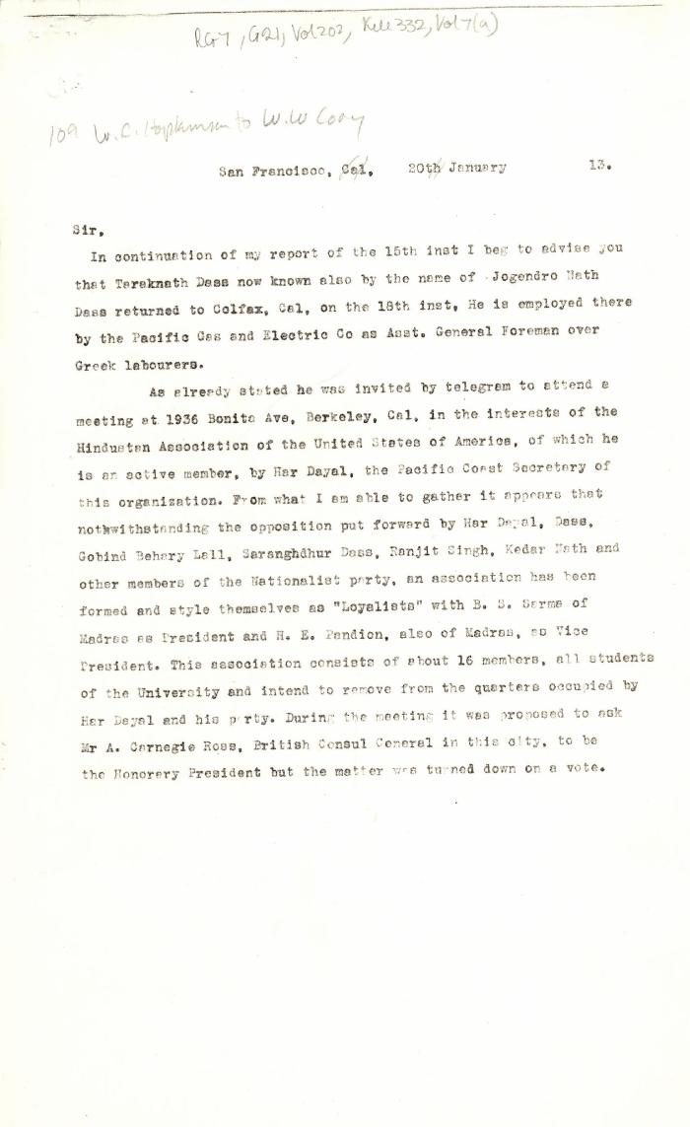
 | [Extract from William C. Hopkinson, Immigration Inspector, to William W. Cory, Deputy Minister of the Interior] (2021_07_4505) | Library and Archives Canada. RG7-G-21, Vol. 202, File 332, vol. 7 (a)
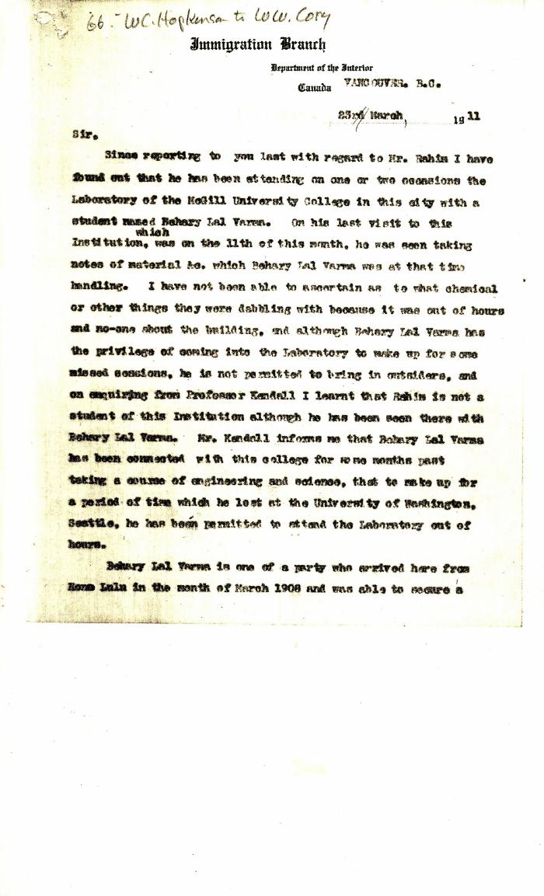
 | [Extract from William C. Hopkinson to William W. Cory. Copy] (2021_07_4372) | Library and Archives Canada. RG7-G-21, Vol. 201, File 332, vol. 4
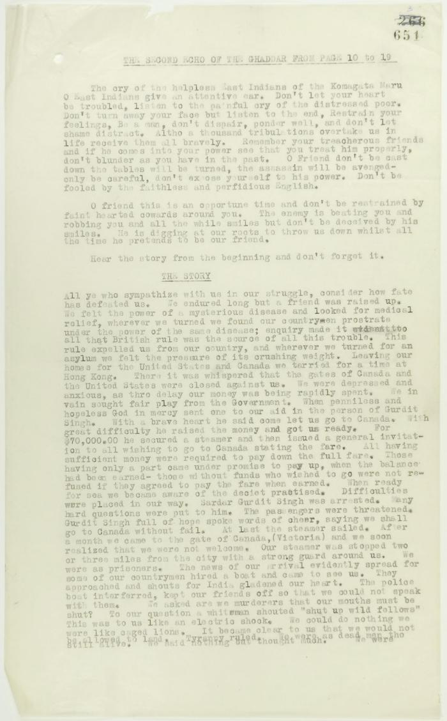
 | From the Second Echo of the Ghaddar (see p. 650). Page 1-3. Includes the message of the passengers of the Komagata Maru to their countrymen (2021_07_2300) | Page 651-655
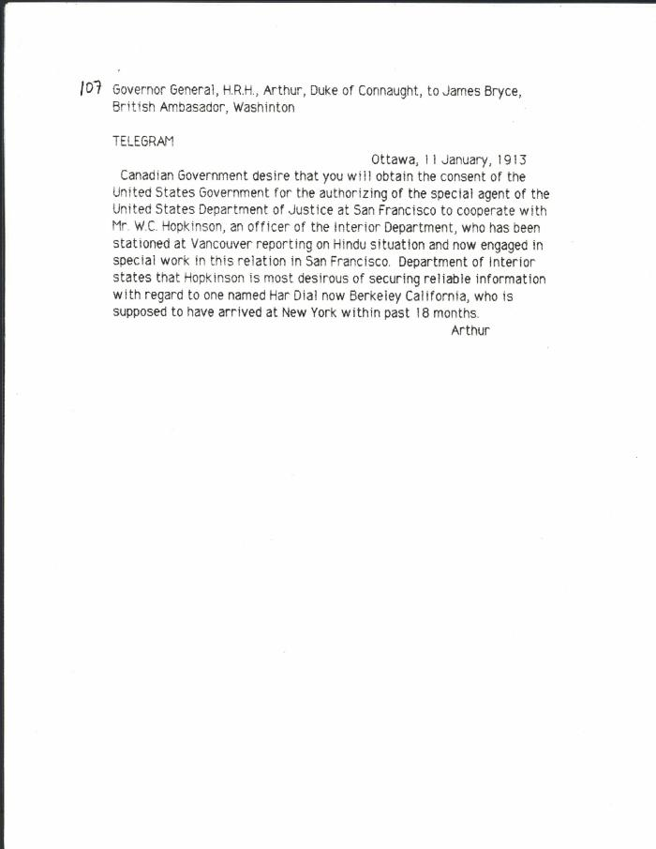
 | [Governor General, H. R. H. Prince Arthur, Duke of Connaught, to James Bryce, British Ambassador, Washington, re Hopkinson's work in California] (2021_07_10313) | Library and Archives Canada. RG7-G-21, Vol. 203, File 332, vol. 7 (b)
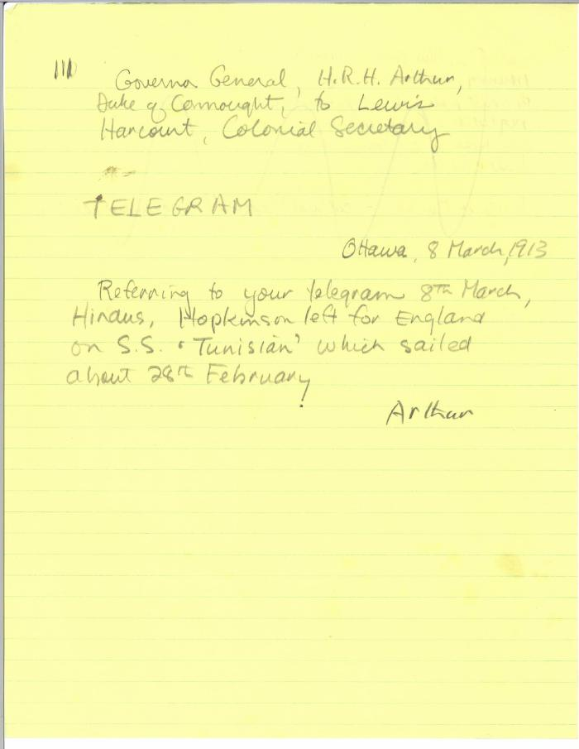
 | [Governor General, H. R. H. Prince Arthur, Duke of Connaught, to Lewis Harcourt, Secretary of State for the Colonies, re Hopkinson's travel plans. Copy] (2021_07_10315) | Library and Archives Canada. RG7-G-21, Vol. 203, File 332, vol. 7 (b)
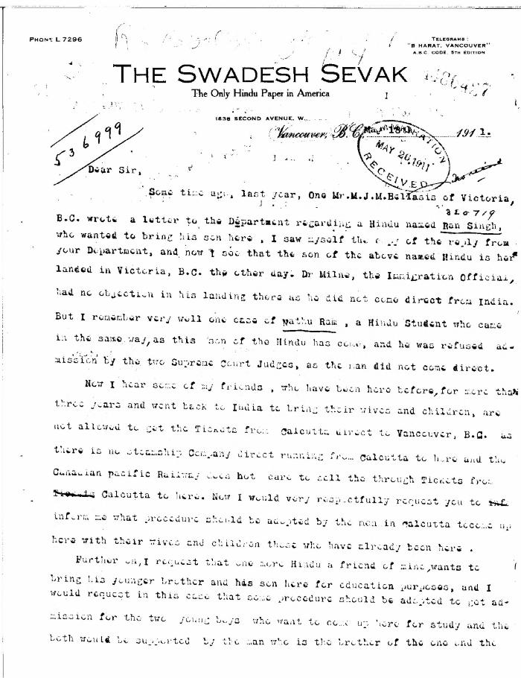
 | [Guran Ditt Kumar, Editor, The Swadesh Sevak, to William D. Scott, Superintendent of Immigration. Original] (2021_07_4387) | Library and Archives Canada. RG76, Vol. 384, File 536999, pt. 4
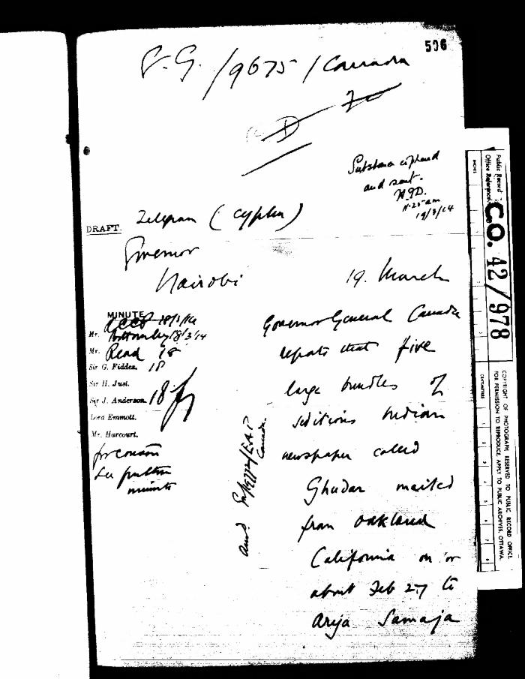
 | [Harcourt to Governor General, Canada, with related material] (2021_07_5279) | The National Archives. CO 42/978
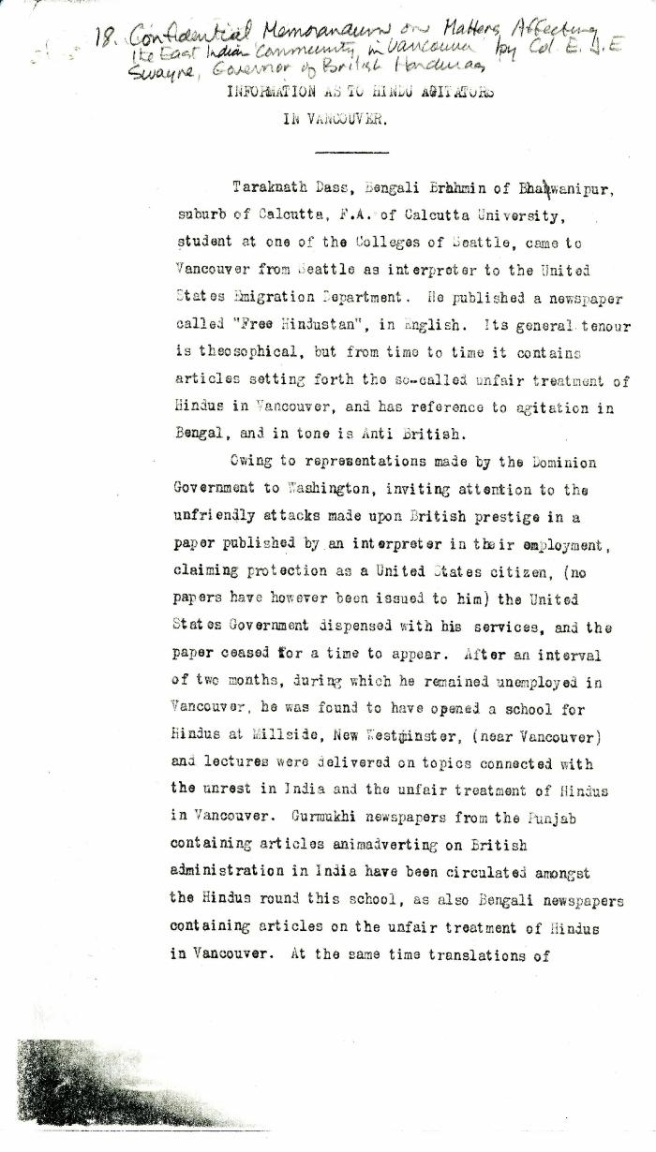
 | Information as to Hindu Agitators in Vancouver [Confidential Memorandum on Matters Affecting the East Indian Community in Vancouver by Colonel Eric J. E. Swayne, Governor of British Honduras. Original] (2021_07_4244) | Library and Archives Canada. RG7-G-21, Vol. 200, File 332, vol. 3 (b)
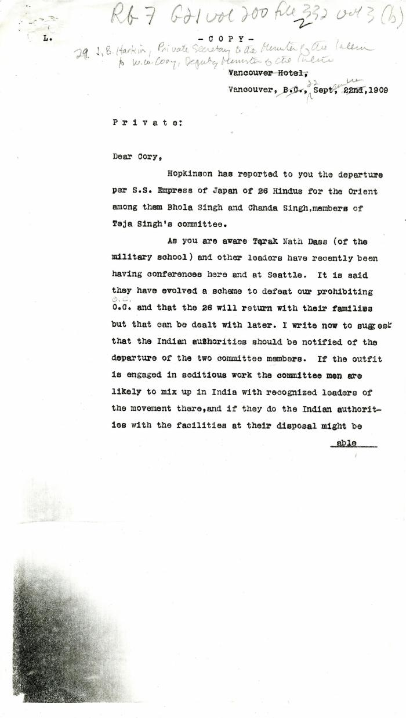
 | [James B. Harkin, Private Secretary to the Minister of the Interior, to William W. Cory, Deputy Minister of the Interior] (2021_07_4268) | Library and Archives Canada. RG7-G-21, Vol. 200, File 332, vol. 2 (3b)
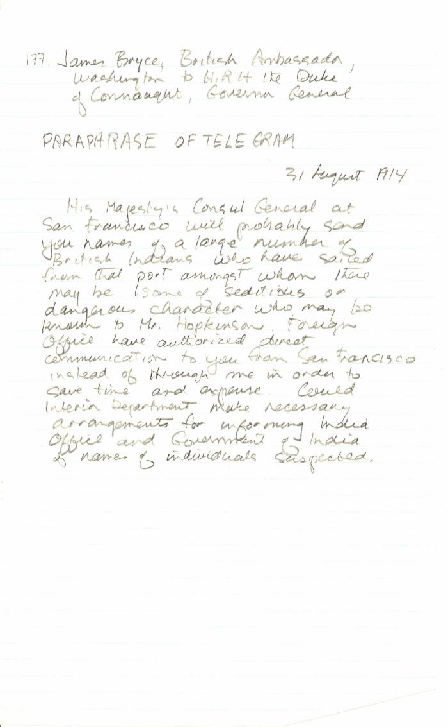
 | [James Bryce, British Ambassador, Washington, to Governor General, H. R. H. Prince Arthur, Duke of Connaught, Governor General, re may be seditious Indians leaving San Francisco. Paraphrase of original] (2021_07_10343)
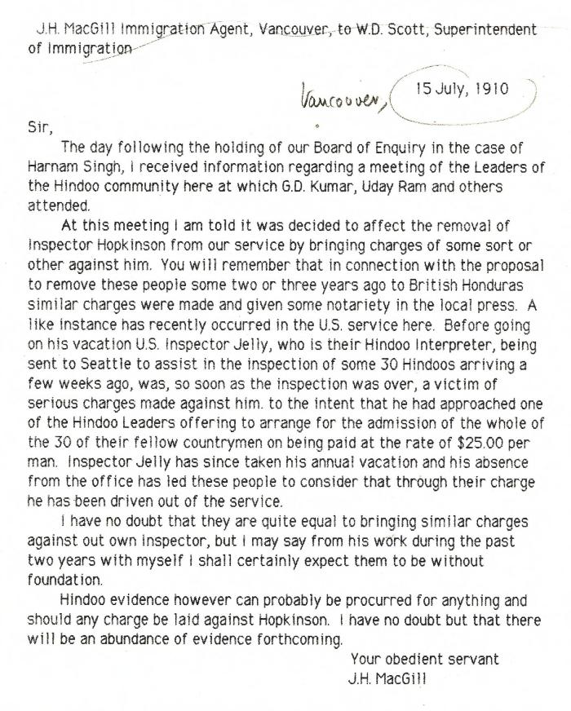
 | [J. H. MacGill, Immigration Agent, to William D. Scott, Superintendent of Immigration, re meeting of leaders of the Vancouver Hindu community, threatening Inspector Hopkinson] (2021_07_10303) | Library and Archives Canada. RG76, Vol. 561, File 808722, pt. 1
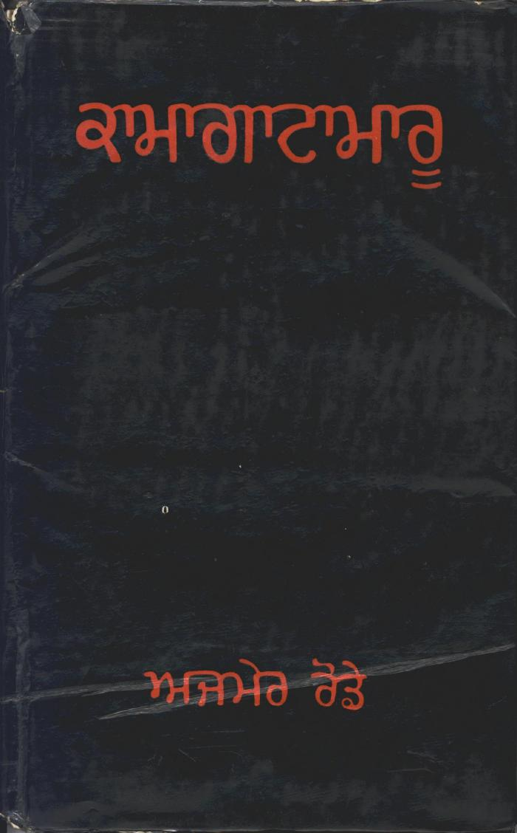
 | Kamagata Maru (full play) (2021_07_1495)
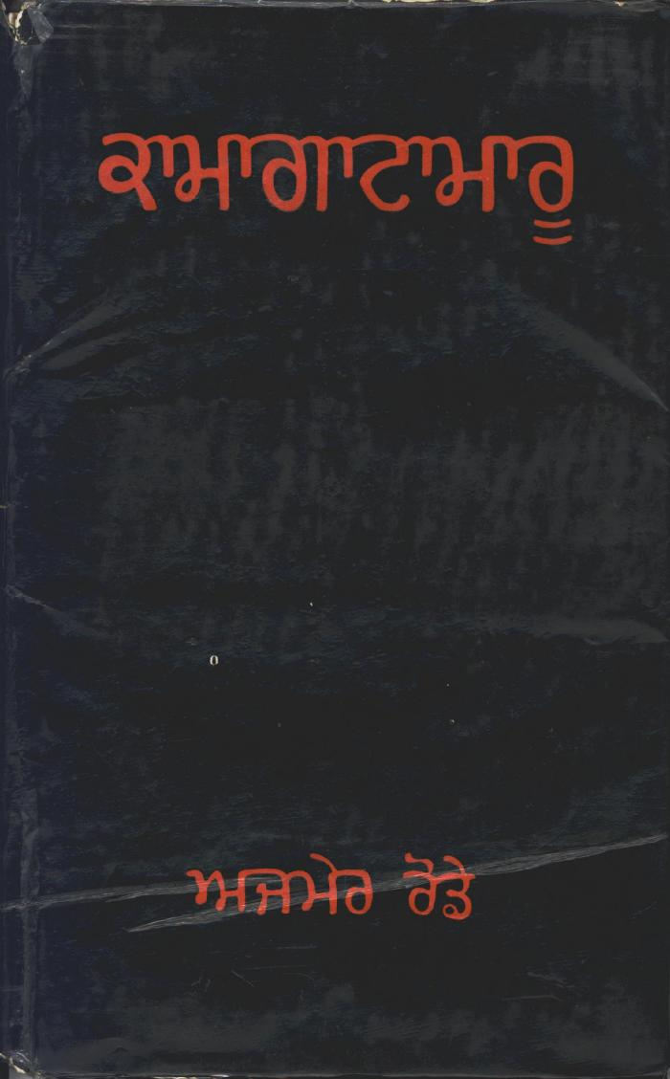
 | Kamagata Maru (full play) (2021_07_1878)

 | Letter from Reid to Stevens re censorship of Kumar's correspondence in the Province and the News Advertiser (2021_07_10783) | Page 704
 | [Malcolm R. J. Reid, Dominion Immigration Agent, to William D. Scott, Superintendent of Immigration, re salary increase for Inspector Hopkinson. Original] (2021_07_10311) | Library and Archives Canada. RG76, Vol. 561, File 808722, pt. 1
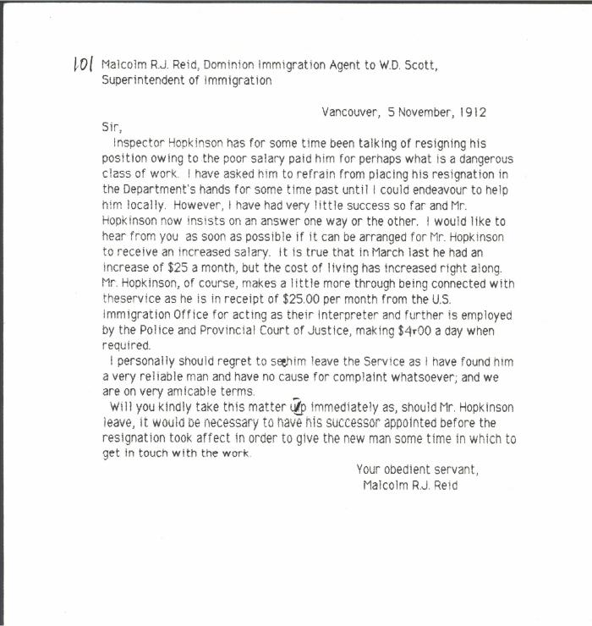 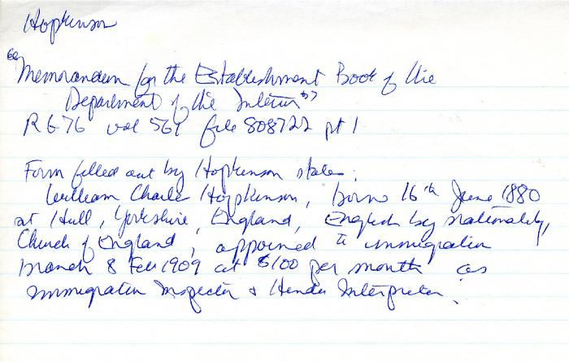 | Memorandum for the Establishment Book of the Department of the Interior [by William C. Hopkinson, Immigration Inspector] (2021_07_10375) | Library and Archives Canada. RG76, Vol. 561, File 808722, pt. 1

 | Newsclipping - Rahim suggested the murders say witnesses (2021_07_10806)
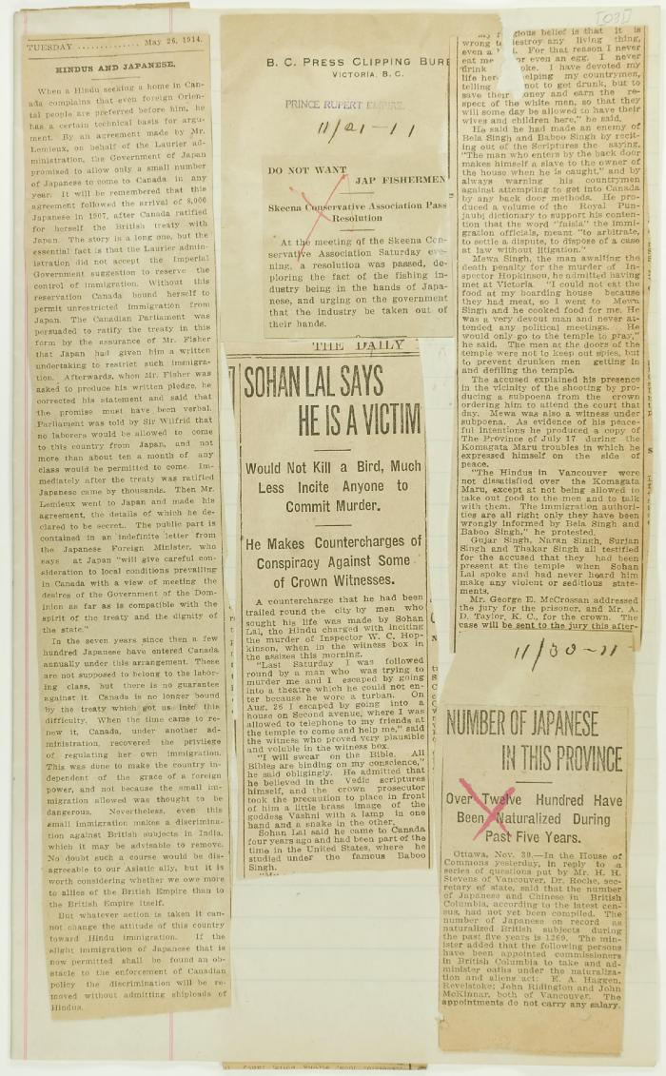
 | Newsclippings - Hindus and Japanese; Do not want Jap fishermen; Sohan Lal says he is a victim; Number of Japanese in this province (2021_07_10781)
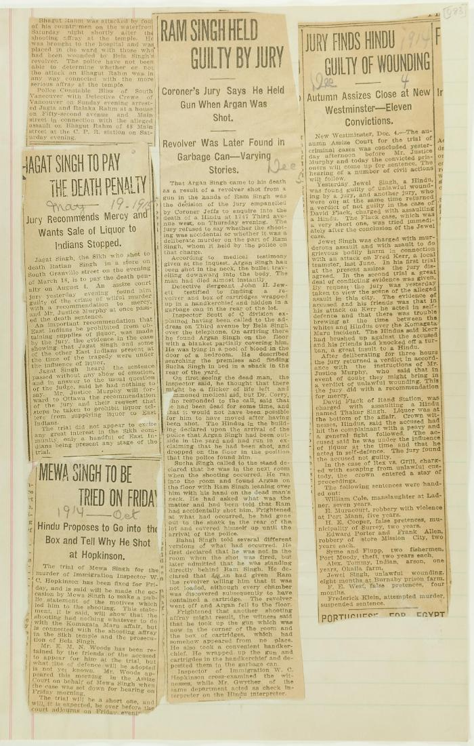
 | Newsclippings - Jagat Singh to pay the death penalty; Mewa Singh to be tried on Friday; Ram Singh held guilty by jury; Jury finds Hindu guilty of wounding (2021_07_10809)

 | Newsclippings - Lawyer warned he is to be killed; Jury charges Hopkinson's death to Mewa (2021_07_10797)

 | Newsclippings - Serious charge against Hindus; Charge of murder laid against Hindu; Hindu sues bank, queer story told; Three more Hindus (2021_07_10803)
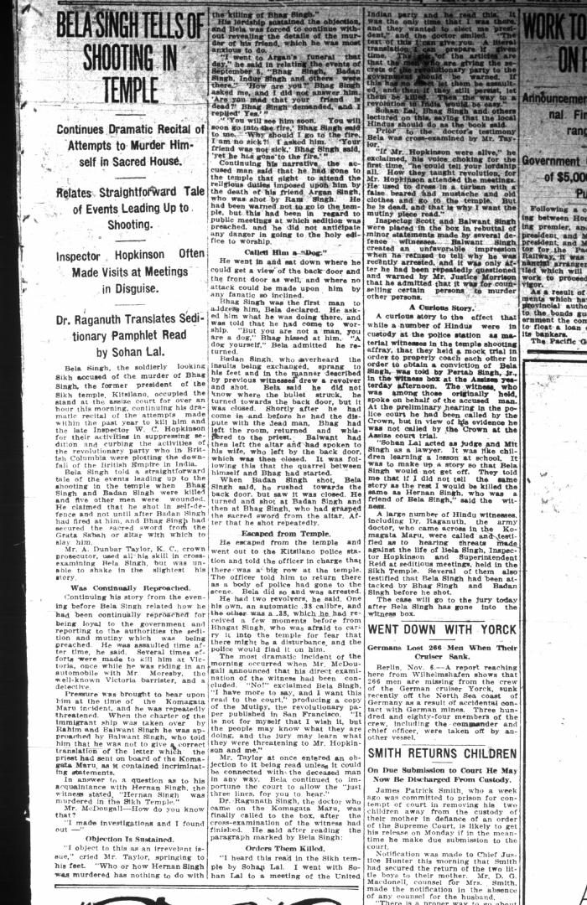
 | Newsclipping - Vancouver Daily Province: Bela Singh tells of shooting in temple. Page 7 (2021_07_10507) | Library and Archives Canada. RG7-G-21, Vol. 206, File 332, vol. 13 (b)
 | Newsclipping - Vancouver Daily Province: Bribes were offered to Hindus to go to Honduras (2021_07_5393)

 | Newsclipping - Vancouver Daily Province: Inspector Hopkinson (2021_07_10452)

 | Newsclipping - Vancouver Daily Province: W. C. Hopkinson was killed by Hindu this morning (2021_07_5107)

 | Newsclipping - Vancouver News-Advertiser: Officer is shot down by assassin (2021_07_5113)

 | Newsclipping - Vancouver Sun: Fifth local victim of Komagata: Insp. Hopkinson added to list (2021_07_5110)

 | Newsclipping - Vancouver Sun: Mewa Singh says crime justifiable (2021_07_5122)

 | Newsclipping - Vancouver World: Inspector Hopkinson shot dead in court house corridor by Hindoo (2021_07_5383)

 | Newsclipping - Vancouver World: Jury charges Hopkinson's death to Mewa (2021_07_10453)

 | Newsclipping - Vancouver World: Thousands of citizens salute remains of the late Inspector Hopkinson on way to cemetery (2021_07_10455)

 | Newsclipping - W. C. Hopkinson was killed by Hindu this morning (2021_07_3309) | Page 029-031
 | [Rajwant Singh Toor holding photograph of Komagata Maru passengers, including his grandfather, Puran Singh Johal] (2021_07_10258)

 | Report re Hindus [William C. Hopkinson, Immigration Inspector] (2021_07_4305) | Library and Archives Canada. RG7-G-21, Vol. 200, File 332, vol. 3 (a)

 | [Swami Trigunatita, San Francisco, to William C. Hopkinson, Immigration Inspector. Copy] (2021_07_5290) | Library and Archives Canada. RG7-G-21, Vol. 201, File 332, vol. 5 (a)
  | The East Indians in British Columbia: A report regarding the proposal to provide work in British Honduras for the indigent unemployed among them (2021_07_5256) | Library and Archives Canada. RG25 A2, Vol. 200, File 121-6 to 124-21

 | The Voyage of the Komagata Maru: The Sikh Challenge to Canada's Colour Bar (2021_07_10930) | Hugh Johnston provided the first thoroughly researched study of the Komagata Maru event, basing his analysis on official accounts from both Canadian and Indian sources, as well as on the reminiscences of the only passenger still alive at the time the book was written. This book is still the landmark text on the Komagata Maru and diligently outlines the life for Indians at the turn of the 20th century, the reasons for chartering the Komagata Maru, revolutionary movements in North America, the riot at Budge Budge and the lives of many of the key players after the events of the Komagata Maru.

 | [T. W. Holderness, Under-Secretary of State for India, to Under-Secretary of State for the Colonies] (2021_07_4520) | Library and Archives Canada. RG7-G-21, Vol. 203, File 332, vol. 8
 | Visit of state, Pandit Nehru at City Hall (2021_07_10523) | Vancouver Public Library. Accession number 81081

 | W. C. Hopkinson's evidence before Immigration Board of Inquiry in the matter of Immigration Act and Natha Singh alias Bhagwan Singh (2021_07_5195) | City of Vancouver Archives. Add. Mss. No. 69, Vol. 1

 | [William C. Hopkinson, Immigration Inspector, to James B. Harkin, Private Secretary to Minister of the Interior, re Indian agitators keeping leaders in India in contact with emigrants] (2021_07_10297)

 | [William C. Hopkinson, Immigration Inspector, to James B. Harkin, Private Secretary to Minister of the Interior] (2021_07_4313) | Library and Archives Canada. RG7-G-21, Vol. 200, File 332, vol. 3 (a)

 | [William C. Hopkinson, Immigration Inspector, to John A. Wallinger, Indian Political Intelligence Office. Copy] (2021_07_4524) | Library and Archives Canada. RG7-G-21, Vol. 203, File 332, vol. 8

 | [William C. Hopkinson, Immigration Inspector, to Samuel W. Backus, Commissioner of U.S. Immigration, San Francisco, re Indian activities in Canada and United States. Copy] (2021_07_10327) | Library and Archives Canada. RG7-G-21, Vol. 205, File 332, vol. 11 (b)

 | [William C. Hopkinson, Immigration Inspector, to Sir Charles Cleveland, Director General, Criminal Intelligence, Delhi, India. Copy] (2021_07_4788) | Library and Archives Canada. RG7-G-21, Vol. 206, File 332, vol. 13 (b)

 | [William C. Hopkinson, Immigration Inspector, to William W. Cory, Deputy Minister of the Interior, re activities of known agitators] (2021_07_10298) | Library and Archives Canada. RG7-G-21, Vol. 200, File 332, vol. 2
 | [William C. Hopkinson, Immigration Inspector, to William W. Cory, Deputy Minister of the Interior, re departure and plans of Balwant Singh] (2021_07_10300) | Library and Archives Canada. RG7-G-21, Vol. 200, File 332, vol. 2

 | [William C. Hopkinson, Immigration Inspector, to William W. Cory, Deputy Minister of the Interior, re G. D. Kumar] (2021_07_10305) | Library and Archives Canada. RG7-G-21, Vol. 201, File 332, vol. 4
 | [William C. Hopkinson, Immigration Inspector, to William W. Cory, Deputy Minister of the Interior, re Hindu community in Vancouver] (2021_07_10299) | Library and Archives Canada. RG7-G-21, Vol. 200, File 332, vol. 2

 | [William C. Hopkinson, Immigration Inspector, to William W. Cory, Deputy Minister of the Interior, re Hindu community meeting to agitate for admission of wives and families] (2021_07_10312) | Library and Archives Canada. RG7-G-21, Vol. 202, File 332, vol. 6 (a)

 | [William C. Hopkinson, Immigration Inspector, to William W. Cory, Deputy Minister of the Interior. Cited in Hopkinson to Cory, 17 Sep. 1914. Copy] (2021_07_4779) | Library and Archives Canada. RG76, File 536999, pt. 1

 | [William C. Hopkinson, Immigration Inspector, to William W. Cory, Deputy Minister of the Interior. Copy] (2021_07_4641) | Library and Archives Canada. RG76, Vol. 601, File 879545, pt. 2

 | [William C. Hopkinson, Immigration Inspector, to William W. Cory, Deputy Minister of the Interior. Copy] (2021_07_4759) | Library and Archives Canada. RG76, Vol. 388, File 536999, pt. 1

 | [William C. Hopkinson, Immigration Inspector, to William W. Cory, Deputy Minister of the Interior. Copy] (2021_07_5282) | Library and Archives Canada. RG7-G-21, Vol. 200, File 332, vol. 2 (3b)

 | [William C. Hopkinson, Immigration Inspector, to William W. Cory, Deputy Minister of the Interior. Copy] (2021_07_4320) | Library and Archives Canada. RG7-G-21, Vol. 200, File 332, vol. 3 (a)

 | [William C. Hopkinson, Immigration Inspector, to William W. Cory, Deputy Minister of the Interior. Copy] (2021_07_4256) | Library and Archives Canada. RG7-G-21, Vol. 200, File 332, vol. 2 (3b)

 | [William C. Hopkinson, Immigration Inspector, to William W. Cory, Deputy Minister of the Interior. Copy] (2021_07_4335) | Library and Archives Canada. RG7-G-21, Vol. 201, File 332, vol. 4

 | [William C. Hopkinson, Immigration Inspector, to William W. Cory, Deputy Minister of the Interior. Copy] (2021_07_4323) | Library and Archives Canada. RG7-G-21, Vol. 200, File 332, vol. 3 (a)

 | [William C. Hopkinson, Immigration Inspector, to William W. Cory, Deputy Minister of the Interior. Copy] (2021_07_4464) | Library and Archives Canada. RG7-G-21, Vol. 201, File 332, vol. 5

 | [William C. Hopkinson, Immigration Inspector, to William W. Cory, Deputy Minister of the Interior. Copy] (2021_07_4365) | Library and Archives Canada. RG76, Vol. 384, File 536999, pt. 3

 | [William C. Hopkinson, Immigration Inspector, to William W. Cory, Deputy Minister of the Interior. Copy] (2021_07_4358) | Library and Archives Canada. RG7-G-21, Vol. 201, File 332, vol. 4

 | [William C. Hopkinson, Immigration Inspector, to William W. Cory, Deputy Minister of the Interior. Copy] (2021_07_4338) | Library and Archives Canada. RG7-G-21, Vol. 201, File 332, vol. 4

 | [William C. Hopkinson, Immigration Inspector, to William W. Cory, Deputy Minister of the Interior. Copy] (2021_07_4768) | Library and Archives Canada. RG7-G-21, Vol. 205, File 332, vol. 12 (a)

 | [William C. Hopkinson, Immigration Inspector, to William W. Cory, Deputy Minister of the Interior. Copy] (2021_07_4275) | Library and Archives Canada. RG7-G-21, Vol. 200, File 332, vol. 3 (3b)

 | [William C. Hopkinson, Immigration Inspector, to William W. Cory, Deputy Minister of the Interior. Copy] (2021_07_4326) | Library and Archives Canada. RG7-G-21, Vol. 201, File 332, vol. 4

 | [William C. Hopkinson, Immigration Inspector, to William W. Cory, Deputy Minister of the Interior. Copy] (2021_07_4930) | Library and Archives Canada. RG76, Vol. 385, File 536999, pt. 6

 | [William C. Hopkinson, Immigration Inspector, to William W. Cory, Deputy Minister of the Interior. Copy] (2021_07_4332) | Library and Archives Canada. RG7-G-21, Vol. 201, File 332, vol. 4

 | [William C. Hopkinson, Immigration Inspector, to William W. Cory, Deputy Minister of the Interior. Copy] (2021_07_4368) | Library and Archives Canada. RG7-G-21, Vol. 201

 | [William C. Hopkinson, Immigration Inspector, to William W. Cory, Deputy Minister of the Interior. Copy] (2021_07_4515) | Library and Archives Canada. RG7-G-21, Vol. 202, File 332, vol. 7 (a)

 | [William C. Hopkinson, Immigration Inspector, to William W. Cory, Deputy Minister of the Interior. Copy] (2021_07_4588) | Library and Archives Canada. RG7-G-21, Vol. 204, File 332, vol. 11 (a)

 | [William C. Hopkinson, Immigration Inspector, to William W. Cory, Deputy Minister of the Interior. Copy] (2021_07_4451) | Library and Archives Canada. RG7-G-21, Vol. 201, File 332, vol. 5

 | [William C. Hopkinson, Immigration Inspector, to William W. Cory, Deputy Minister of the Interior. Copy] (2021_07_4282) | Library and Archives Canada. RG7-G-21, Vol. 200, File 332, vol. 2 (3b)

 | [William C. Hopkinson, Immigration Inspector, to William W. Cory, Deputy Minister of the Interior. Copy] (2021_07_4678) | Library and Archives Canada. RG76, Vol. 601, File 879545, pt. 3
 | [William C. Hopkinson, Immigration Inspector, to William W. Cory, Deputy Minister of the Interior. Copy] (2021_07_4278) | Library and Archives Canada. RG7-G-21, Vol. 200, File 332, vol. 2 (3b)

 | [William C. Hopkinson, Immigration Inspector, to William W. Cory, Deputy Minister of the Interior. Copy] (2021_07_4384) | Library and Archives Canada. RG7-G-21, Vol. 201, File 332, vol. 4

 | [William C. Hopkinson, Immigration Inspector, to William W. Cory, Deputy Minister of the Interior. Copy] (2021_07_4381) | Library and Archives Canada. RG7-G-21, Vol. 201, File 332, vol. 4

 | [William C. Hopkinson, Immigration Inspector, to William W. Cory, Deputy Minister of the Interior. Copy] (2021_07_4548) | Library and Archives Canada. RG7-G-21, Vol. 203, File 332, vol. 9

 | [William C. Hopkinson, Immigration Inspector, to William W. Cory, Deputy Minister of the Interior. Copy] (2021_07_4288) | Library and Archives Canada. RG7-G-21, Vol. 200, File 332, vol. 3 (b)

 | [William C. Hopkinson, Immigration Inspector, to William W. Cory, Deputy Minister of the Interior. Copy] (2021_07_4353) | Library and Archives Canada. RG7-G-21, Vol. 201, File 332, vol. 4

 | [William C. Hopkinson, Immigration Inspector, to William W. Cory, Deputy Minister of the Interior. Copy] (2021_07_4291) | Library and Archives Canada. RG7-G-21, Vol. 200, File 332, vol. 3 (b)

 | [William C. Hopkinson, Immigration Inspector, to William W. Cory, Deputy Minister of the Interior. Copy] (2021_07_4499) | Library and Archives Canada. RG7-G-21, Vol. 203, File 332, vol. 7 (b)

 | [William C. Hopkinson, Immigration Inspector, to William W. Cory, Deputy Minister of the Interior. Copy] (2021_07_4316) | Library and Archives Canada. RG7-G-21, Vol. 200, File 332, vol. 3 (a)

 | [William C. Hopkinson, Immigration Inspector, to William W. Cory, Deputy Minister of the Interior. Copy] (2021_07_4391) | Library and Archives Canada. RG7-G-21, Vol. 201, File 332, vol. 4

 | [William C. Hopkinson, Immigration Inspector, to William W. Cory, Deputy Minister of the Interior] (2021_07_4253) | Library and Archives Canada. RG7-G-21, Vol. 200, File 332, vol. 2 (3b)

 | [William C. Hopkinson, Immigration Inspector, to William W. Cory, Deputy Minister of the Interior] (2021_07_4285) | Library and Archives Canada. RG7-G-21, Vol. 200, File 332, vol. 3 (b)

 | [William C. Hopkinson, Immigration Inspector, to William W. Cory, Deputy Minister of the Interior] (2021_07_4422) | Library and Archives Canada. RG7-G-21, Vol. 201, File 332, vol. 5 (a)

 | [William C. Hopkinson, Immigration Inspector, to William W. Cory, Deputy Minister of the Interior] (2021_07_4441) | Library and Archives Canada. RG7-G-21, Vol. 201

 | [William C. Hopkinson, Immigration Inspector, to William W. Cory, Deputy Minister of the Interior] (2021_07_4376) | Library and Archives Canada. RG7-G-21, Vol. 201, File 332, vol. 4

 | [William C. Hopkinson, Immigration Inspector, to William W. Cory, Deputy Minister of the Interior] (2021_07_4695) | The National Archives. CO 42/980. Handwritten transcript.

 | [William C. Hopkinson, Immigration Inspector, to William W. Cory, Deputy Minister of the Interior] (2021_07_4272) | Library and Archives Canada. RG7-G-21, Vol. 200, File 332, vol. 2 (3b)

 | [William C. Hopkinson, Immigration Inspector, to William W. Cory, Deputy Minister of the Interior] (2021_07_4265) | Library and Archives Canada. RG7-G-21, Vol. 200, File 332, vol. 2 (3b)

 | [William C. Hopkinson, Immigration Inspector, to William W. Cory, Deputy Minister of the Interior] (2021_07_4512) | Library and Archives Canada. RG7-G-21, Vol. 203, File 332, vol. 8

 | [William C. Hopkinson, Immigration Inspector, to William W. Cory, Deputy Minister of the Interior] (2021_07_4250) | Library and Archives Canada. RG7-G-21, Vol. 200, File 332, vol. 2 (3b)

 | [William C. Hopkinson, Immigration Inspector, to William W. Cory, Deputy Minister of the Interior] (2021_07_4262) | Library and Archives Canada. RG7-G-21, Vol. 200, File 332, vol. 2 (3b)

 | [William D. Scott, Superintendent of Immigration, Memorandum to William W. Cory, Deputy Minister of the Interior, re W. C. Hopkinson and compensation for his family] (2021_07_10372) | Library and Archives Canada. RG76, Vol. 561, File 808722, pt. 2

 | [William D. Scott, Superintendent of Immigration, to Charles J. Doherty, Minister of Justice, re Hopkinson's report on Balwant Singh and Bhag Singh. Copy] (2021_07_10338) | Library and Archives Canada. RG76, Vol. 601, File 879545, pt. 4

 | [William D. Scott, Superintendent of Immigration, to William W. Cory, Deputy Minister of the Interior, re salary increase for Inspector Hopkinson] (2021_07_10308) | Library and Archives Canada. RG7-G-21, Vol. 201, File 332 B

 | [William W. Cory, Deputy Minister of the Interior, to Arthur F. Sladen, Private Secretary to the Governor General, re Hopkinson's salary] (2021_07_10318) | Library and Archives Canada. RG7-G-21, Vol. 203, File 332, vol. 8
 | [Women and children inside the Khalsa Diwan Society] Sikh Temple (2021_07_10632) | City of Vancouver Archives. Item number CVA 586-3630

