Results
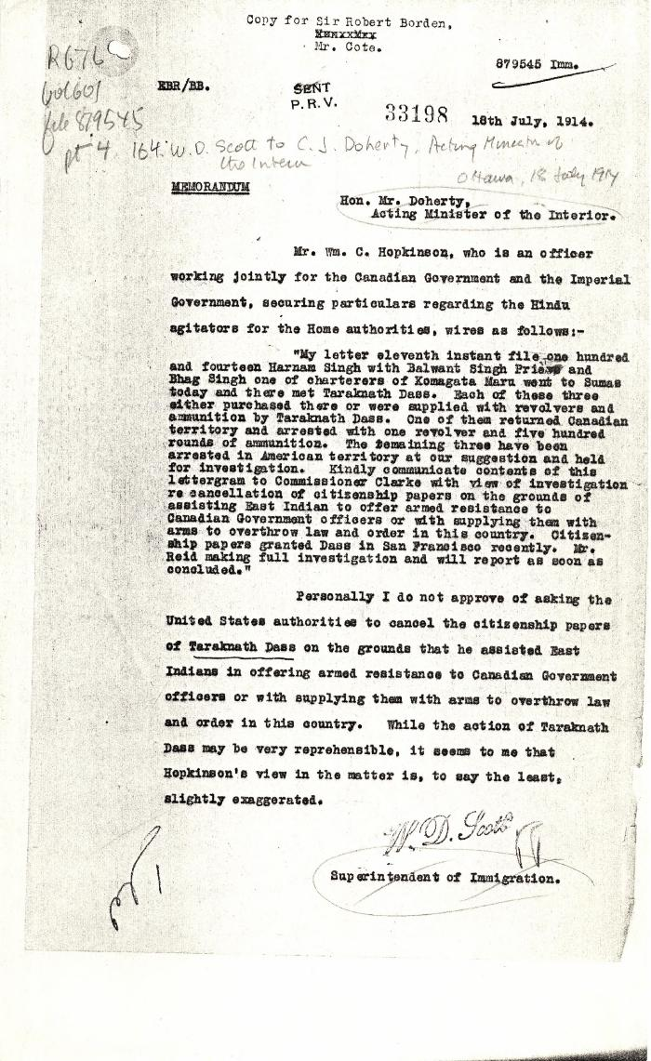

Image | Object | Description | Date
 | [William D. Scott, Superintendent of Immigration, to Charles J. Doherty, Minister of Justice, re Hopkinson's report on Balwant Singh and Bhag Singh. Copy] (2021_07_10338) | Library and Archives Canada. RG76, Vol. 601, File 879545, pt. 4
 | [William C. Hopkinson, Immigration Inspector, to William W. Cory, Deputy Minister of the Interior. Copy] (2021_07_4323) | Library and Archives Canada. RG7-G-21, Vol. 200, File 332, vol. 3 (a)
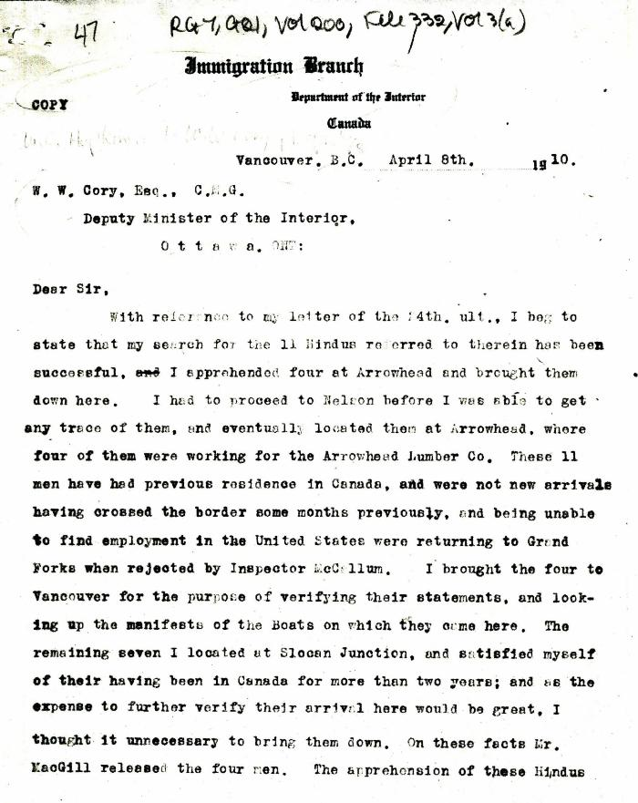
 | [William C. Hopkinson, Immigration Inspector, to William W. Cory, Deputy Minister of the Interior. Copy] (2021_07_4316) | Library and Archives Canada. RG7-G-21, Vol. 200, File 332, vol. 3 (a)
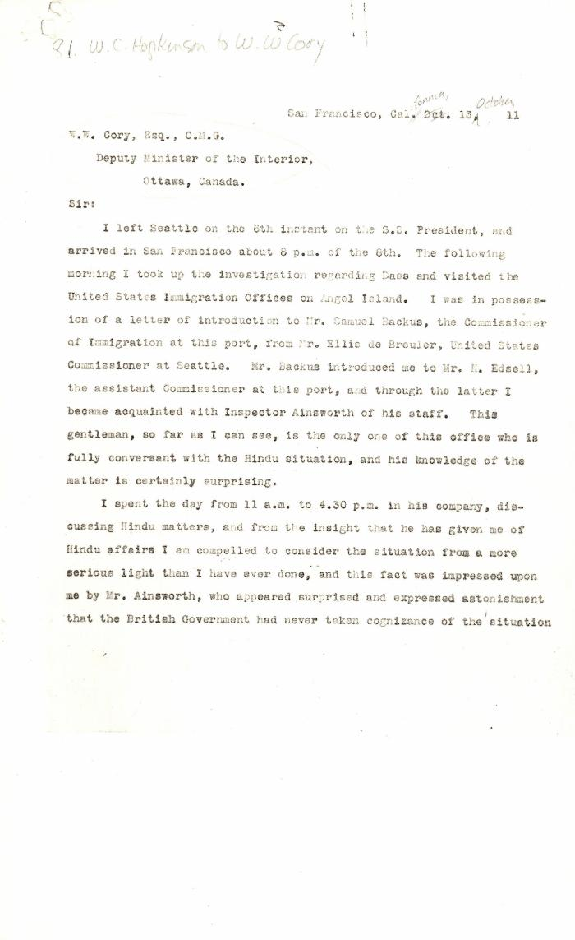
 | [William C. Hopkinson, Immigration Inspector, to William W. Cory, Deputy Minister of the Interior] (2021_07_4422) | Library and Archives Canada. RG7-G-21, Vol. 201, File 332, vol. 5 (a)

 | [William C. Hopkinson, Immigration Inspector, to William W. Cory, Deputy Minister of the Interior] (2021_07_4512) | Library and Archives Canada. RG7-G-21, Vol. 203, File 332, vol. 8
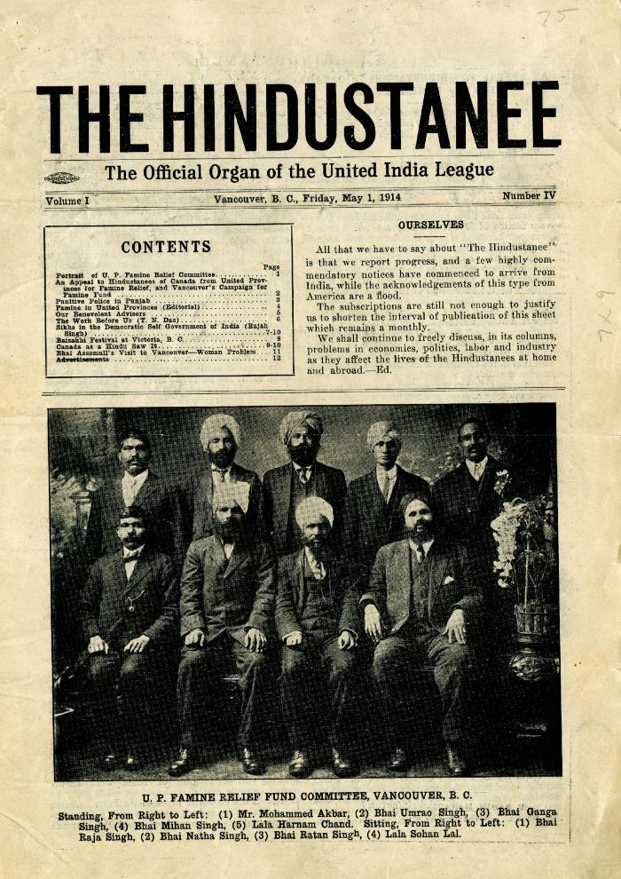
 | The Hindustanee: The Official Organ of the United India League. Volume 1, Number 3 (2021_07_10923) | Contains an article pertaining to the death of Haranam Koor, wife of Bhag Singh.
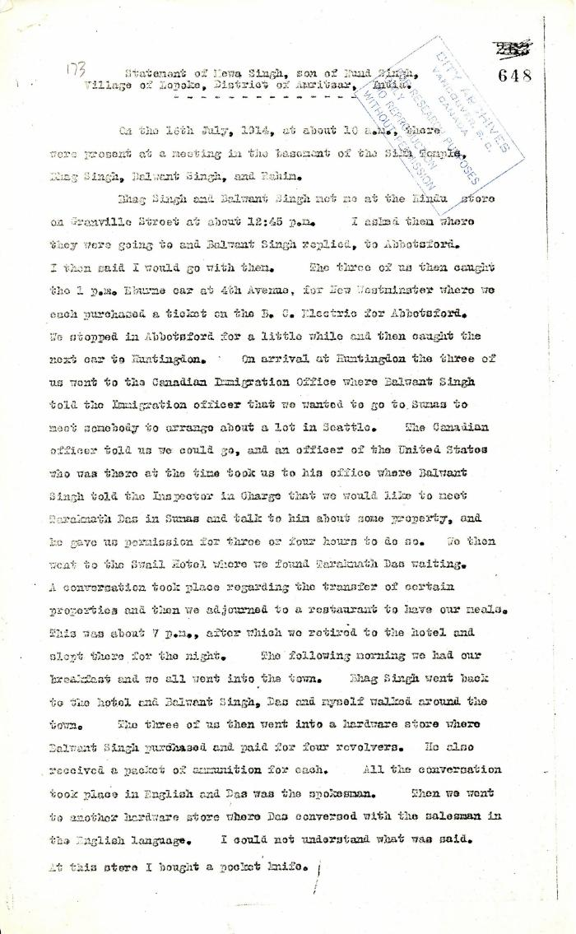
 | Statement of Mewa Singh, son of Nand Singh, Village of Lopoke, District of Amritsar, India (2021_07_5211) | Pages 648-649

 | Statement by Mewa Singh (see p. 647). Page 1-2 (2021_07_2294) | Page 648-649
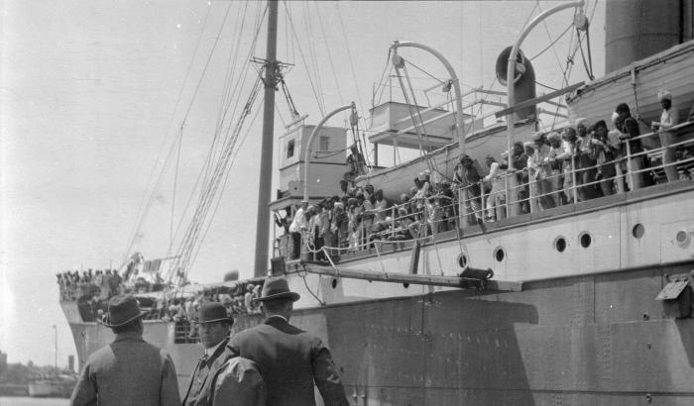 | S. S. 'Komagata Maru' [and Canadian officials] (2021_07_10614) | City of Vancouver Archives. Item number CVA 7-125

 | Note on the Hindu Revolutionary Movement in Canada (2021_07_5232) | Library and Archives Canada. RG76, Vol. 386, File 536999, pt. 11
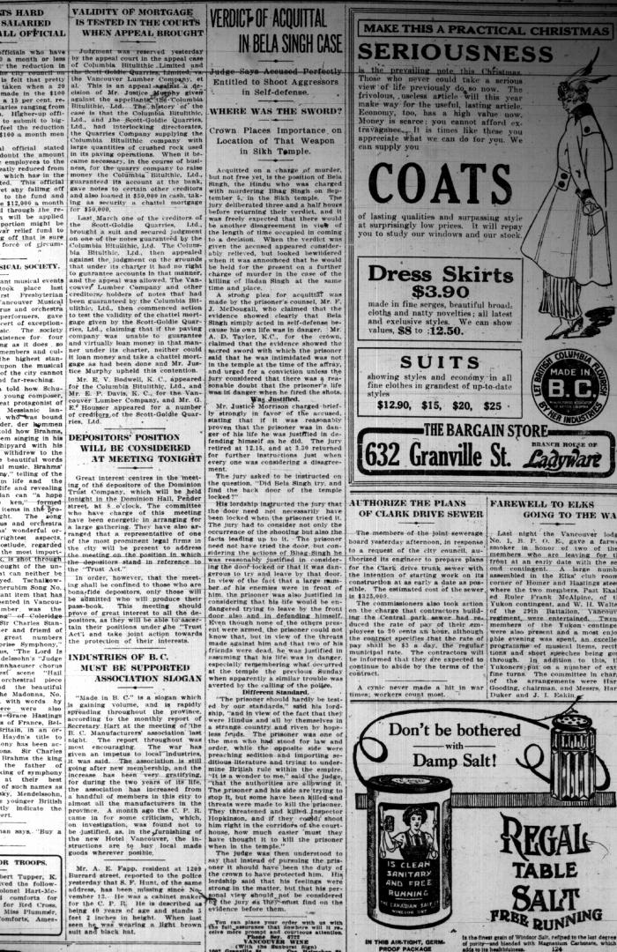
 | Newsclipping - Vancouver Sun: Verdict of acquittal in Bela Singh case. Page 2 (2021_07_10462)
 | Newsclipping - Vancouver Sun: Reaches for sword to slay Bela Singh (2021_07_10459)
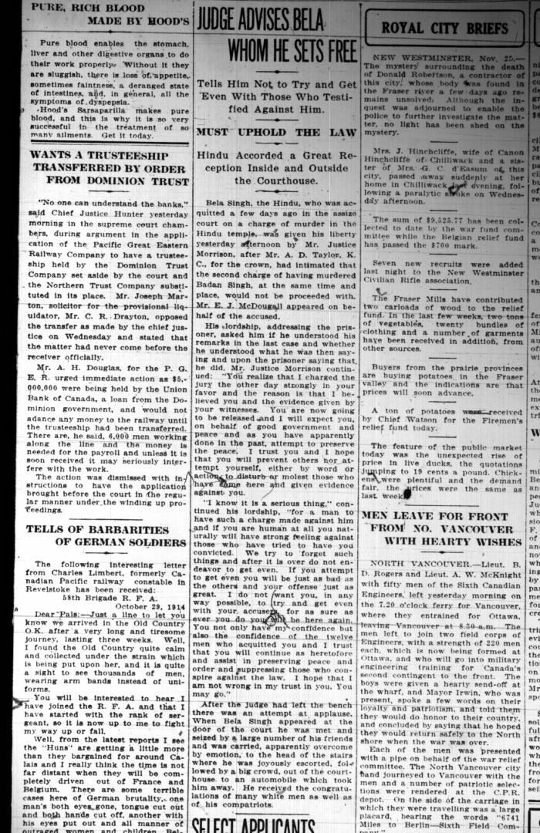
 | Newsclipping - Vancouver Sun: Judge advises Bela whom he sets free. Page 3 (2021_07_10463)
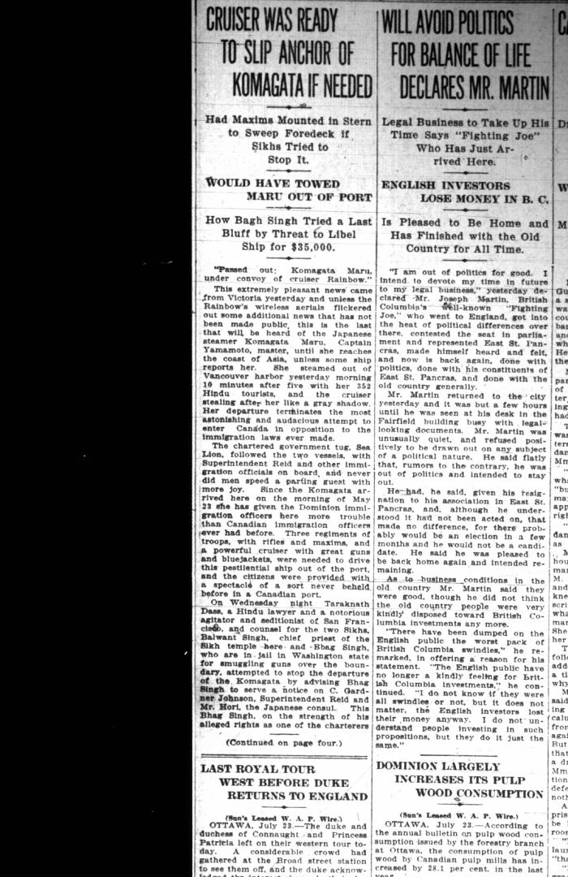
 | Newsclipping - Vancouver Sun: Cruiser was ready to slip anchor of Komagata if needed (2021_07_5402)
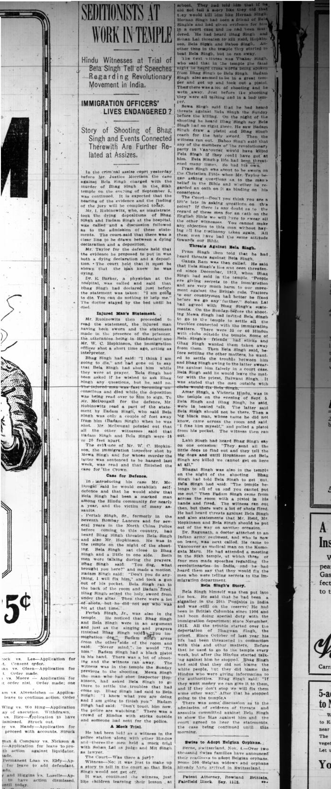
 | Newsclipping - Vancouver News-Advertiser: Seditionists at work in temple (2021_07_10458)
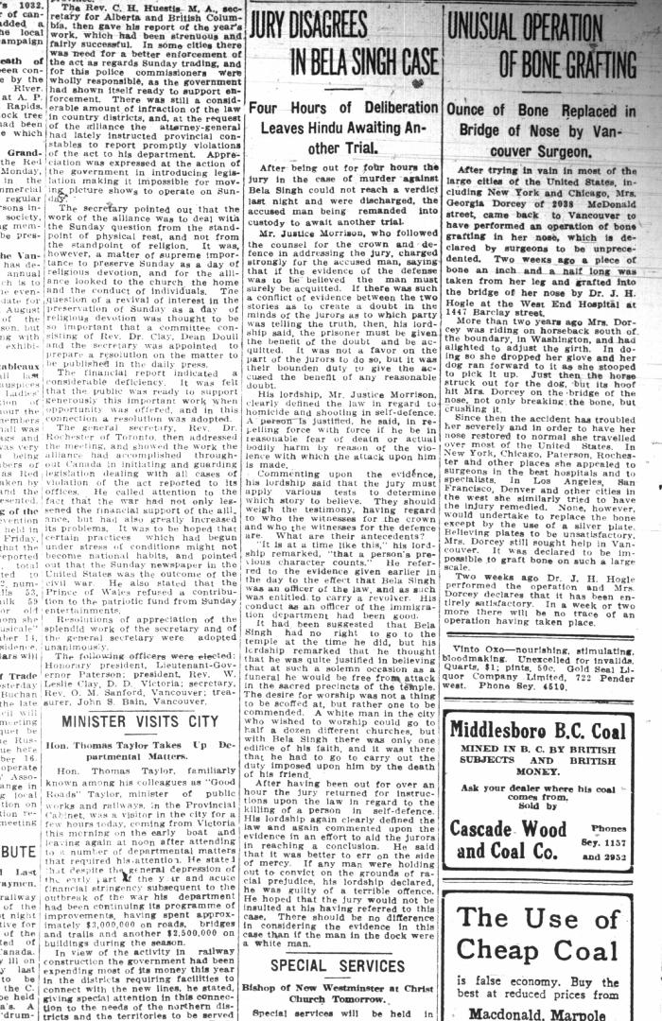
 | Newsclipping - Vancouver Daily Province: Jury disagrees in Bela Singh case. Page 24 (2021_07_10460)
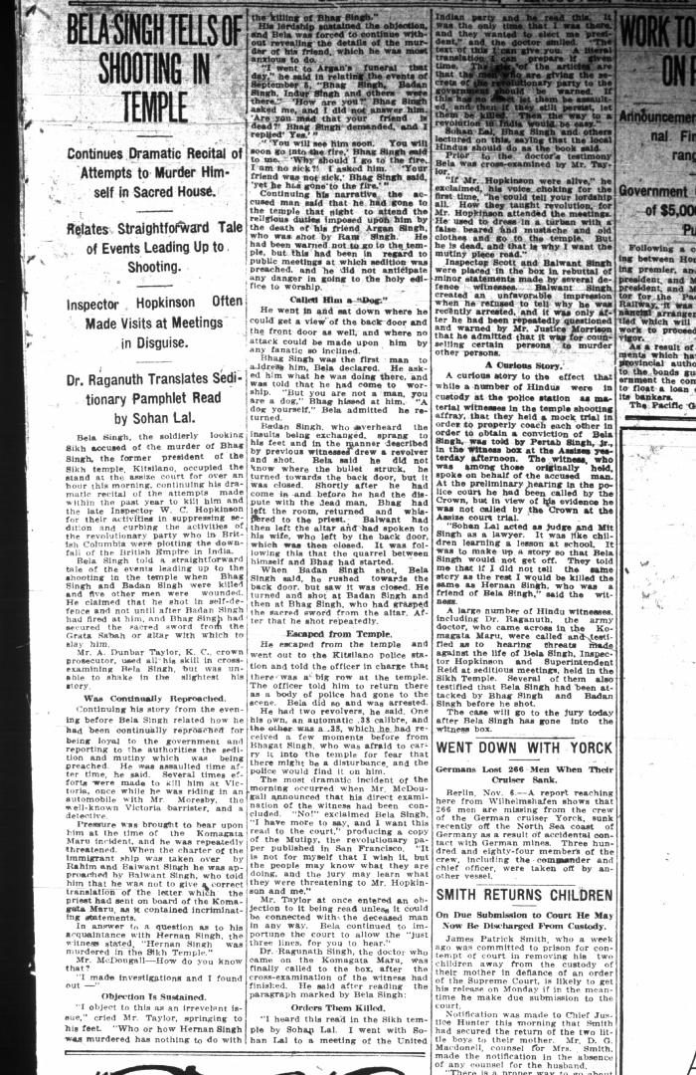
 | Newsclipping - Vancouver Daily Province: Bela Singh tells of shooting in temple. Page 7 (2021_07_10507) | Library and Archives Canada. RG7-G-21, Vol. 206, File 332, vol. 13 (b)
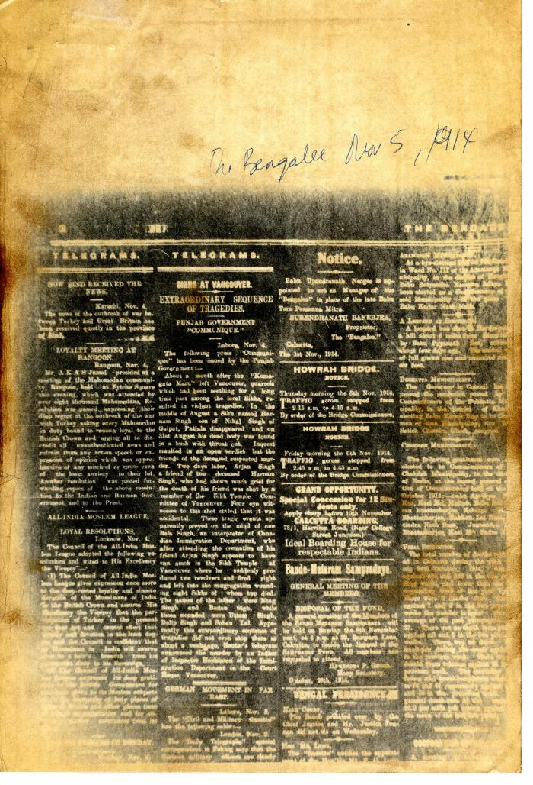
 | Newsclipping - The Bengalee: Sikhs at Vancouver: extraordinary sequence of tragedies (2021_07_10446)
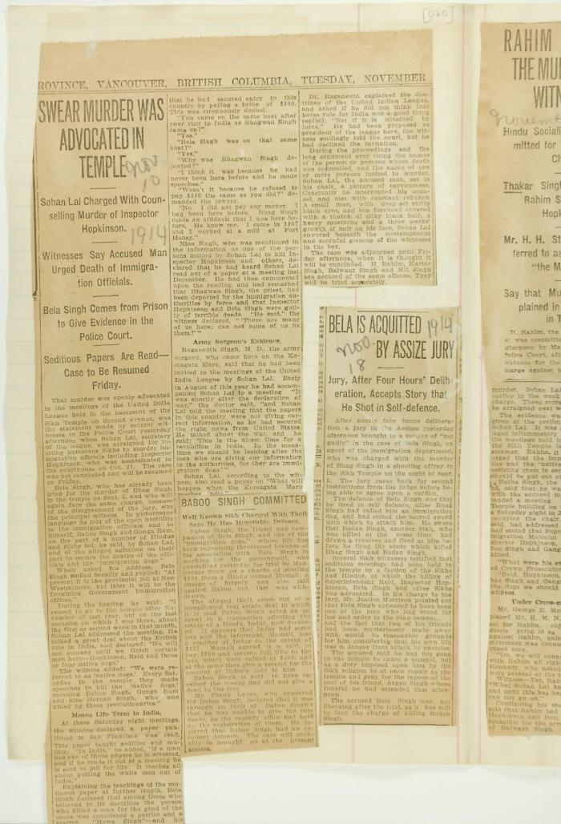
 | Newsclippings - Swear murder was advocated in temple; Baboo Singh committed; Bela is acquitted by assize jury (2021_07_4219) | Page 080
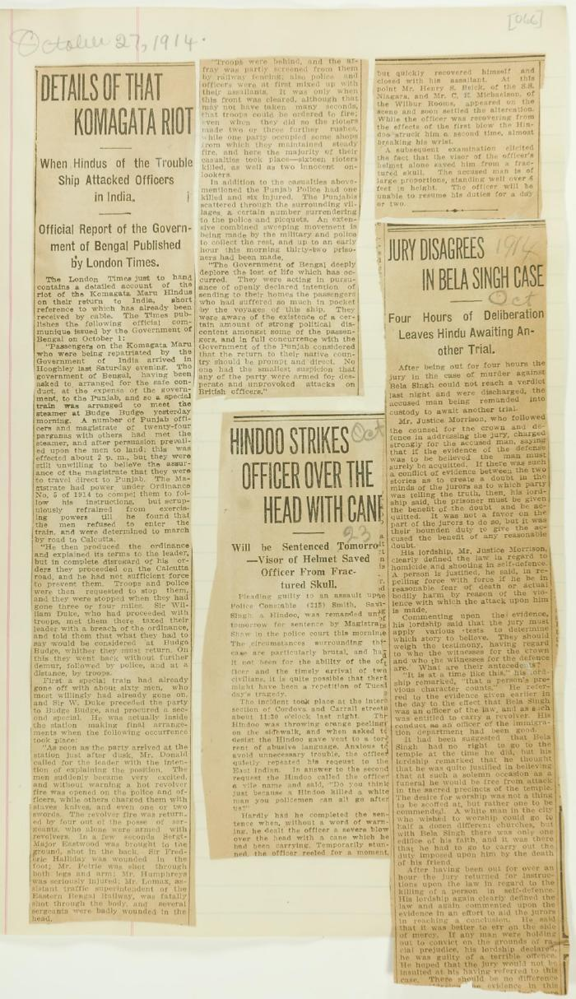
 | Newsclippings - Details of that Komagata riot; Hindoo strikes officer over the head with cane; Jury disagrees in Bela Singh case (2021_07_10798)
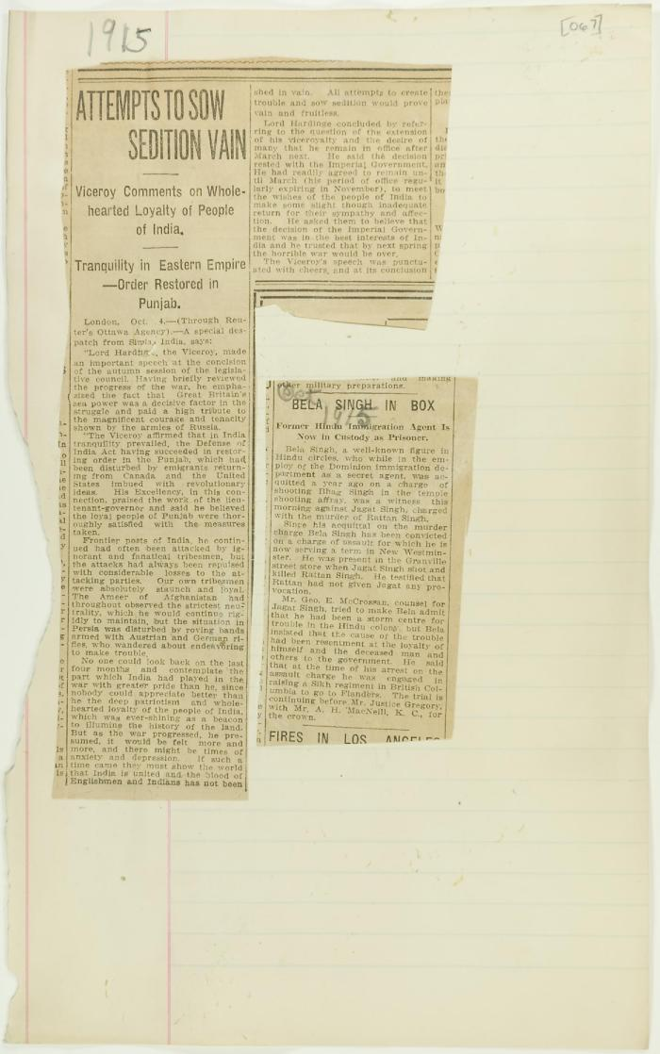
 | Newsclippings - Attempts to sow sedition vain; Bela Singh in box (2021_07_10799)
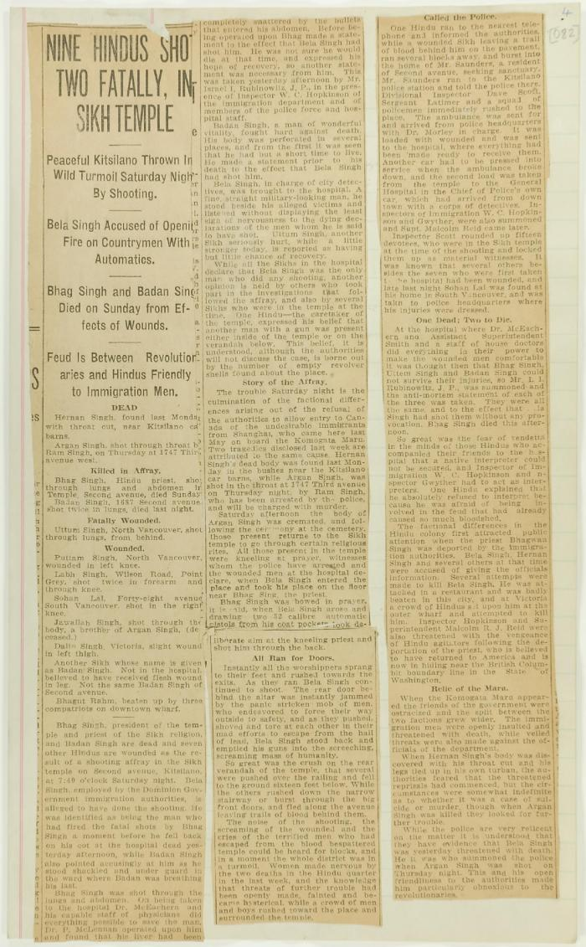
 | Newsclipping - Nine Hindus shot, two fatally, in Sikh temple (2021_07_10808)
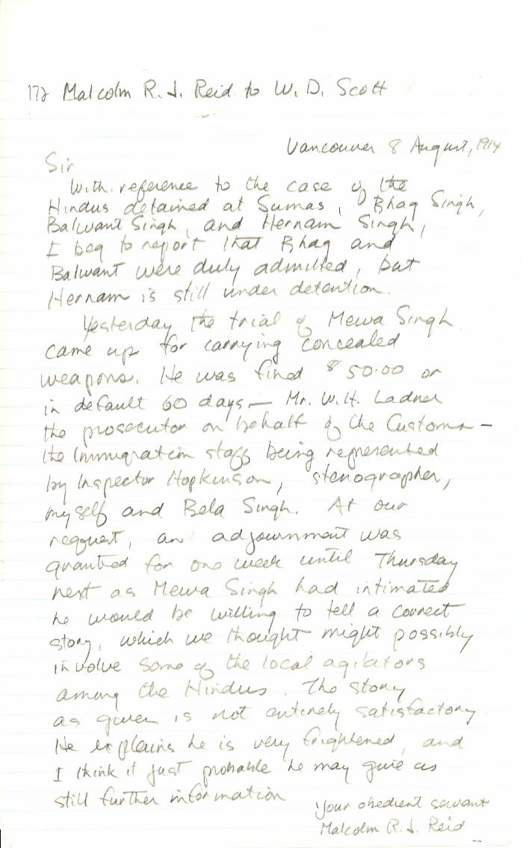
 | [Malcolm R. J. Reid, Dominion Immigration Agent, to William D. Scott, Superintendent of Immigration. Original] (2021_07_10342) | Library and Archives Canada. RG76, Vol. 387, File 536999, PEI RO
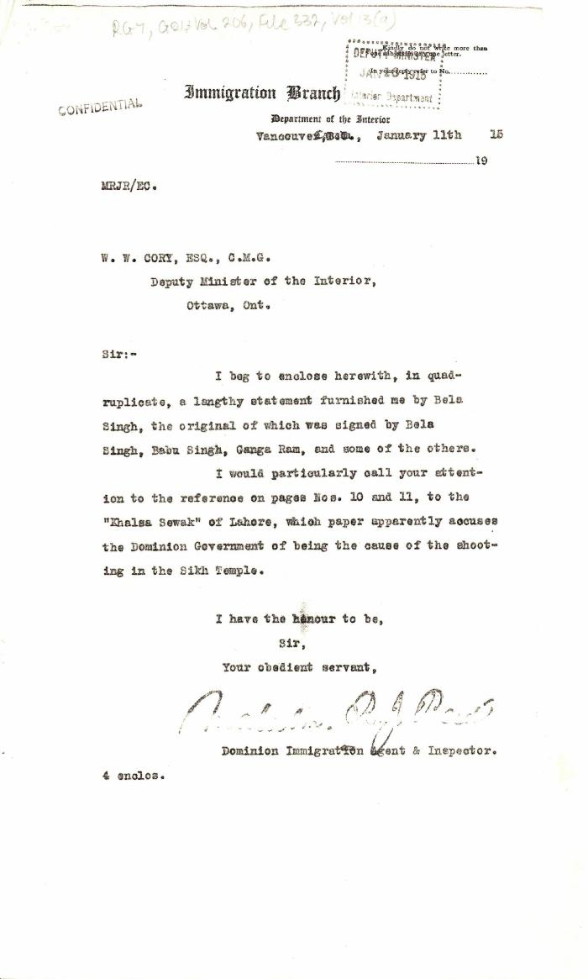
 | [Malcolm R. J. Reid, Dominion Immigration Agent, to William W. Cory, Deputy Minister of the Interior. With enclosures] (2021_07_4824) | Library and Archives Canada. RG7-G-21, Vol. 206, File 332, vol. 13 (a)

 | Khalsa Diwan Society [Diary], Vancouver, B.C. [: Volume 1 - English translation] (2021_07_10918) | The diary, volume one of two volumes, contains information on the activities of the Vancouver Khalsa Diwan Society between 1906 and 1924, as recorded by Secretary Arjan Singh Brar (Chand).
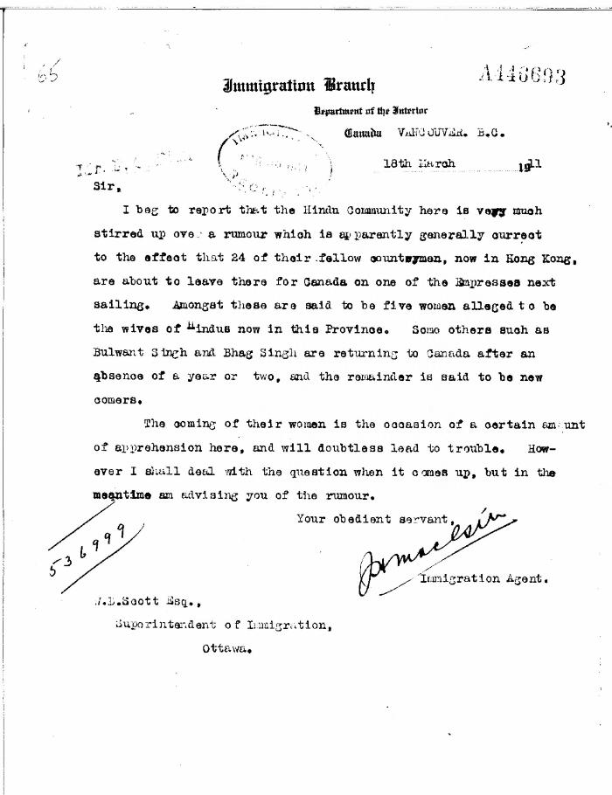
 | [J. H. MacGill, Immigration Agent, to William D. Scott, Superintendent of Immigration, re rumour in Hindu community of women emigrating soon. Original] (2021_07_10304) | Library and Archives Canada. RG76, Vol. 384, File 536999, pt. 3
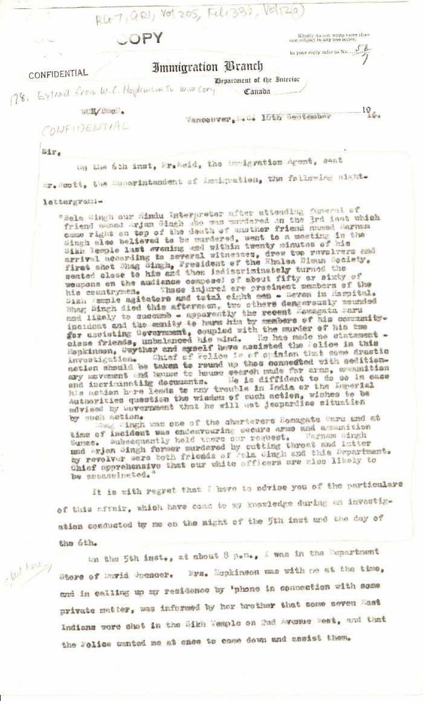
 | [Extract from William C. Hopkinson, Immigration Inspector, to William W. Cory, Deputy Minister of the Interior. Copy] (2021_07_4785) | Library and Archives Canada. RG7-G-21, Vol. 205, File 332, vol. 12 (a)

 | [Extract from statement given to Immigration Department by Bela Singh, Babu Singh, Ganga Ram and others. Copy] (2021_07_4812) | Library and Archives Canada. RG7-G-21, File 332, vol. 13 (a)
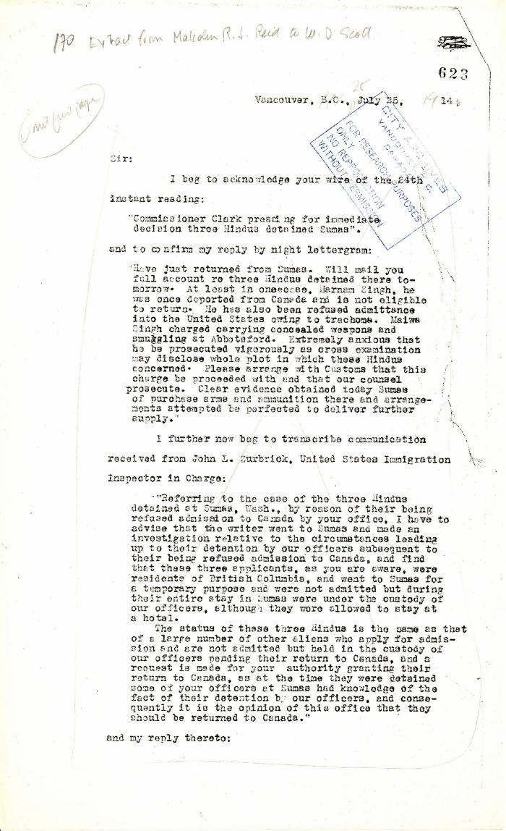
 | Extract from Malcolm R. J. Reid to W. D. Scott (2021_07_5208) | Pages 623-627

 | Copy of letter from Reid to W. D. Scott re transfer of charter from Gurdit Singh to two local Hindus (2021_07_10689) | Page 171
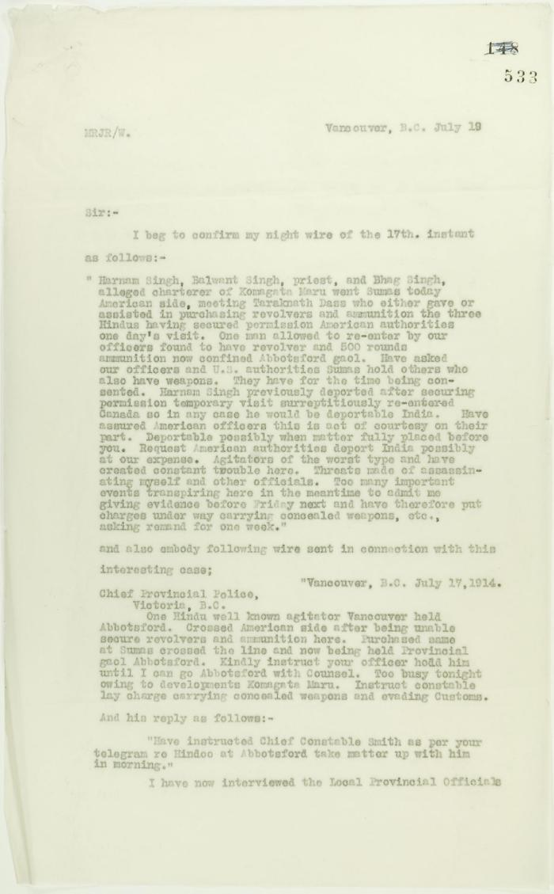
 | Copy of letter from Reid to W. D. Scott confirming telegrams re purchase of revolvers by Hindus. Page 1-2 (2021_07_1040) | Page 533-534
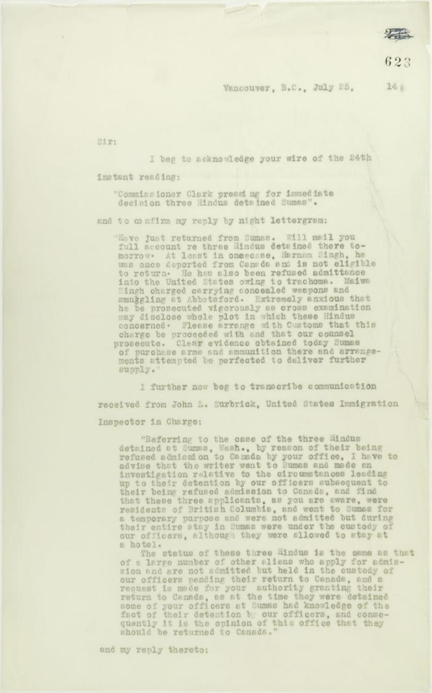
 | Copy of letter from Reid to W. D. Scott acknowledging wires sent and received, and re his visit to Sumas. Page 1-5 (2021_07_2053) | Page 623-627

 | Copy of letter from Mr. Hopkinson to Reid re his visit on board the Maru. Page 1-3 (2021_07_1571) | Page 588-590
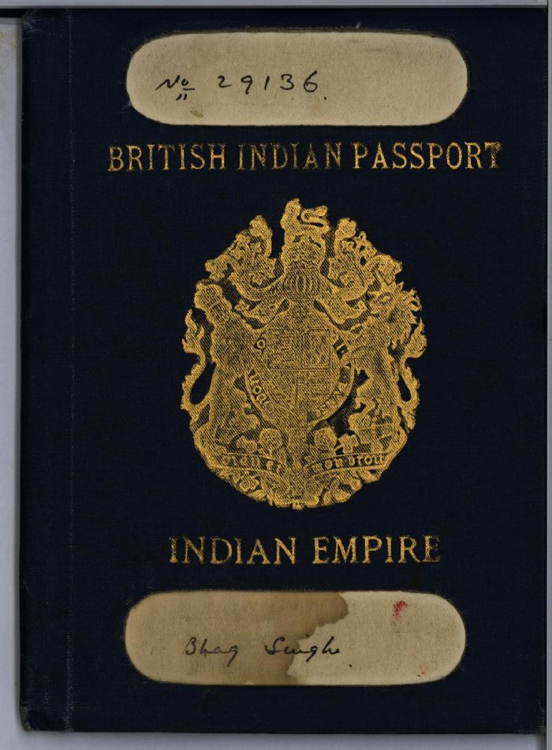
 | [Bhag Singh] British Indian passport (2021_07_5856)

