Results
Image | Object | Description | Date
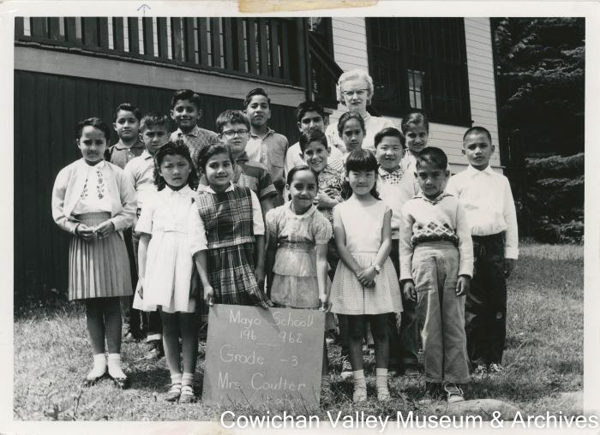 | Mrs. F Bea Coulter (2020_06_09_012) | Image of school children and their teacher Mrs. F. Bea Coulter posing for a class photo.
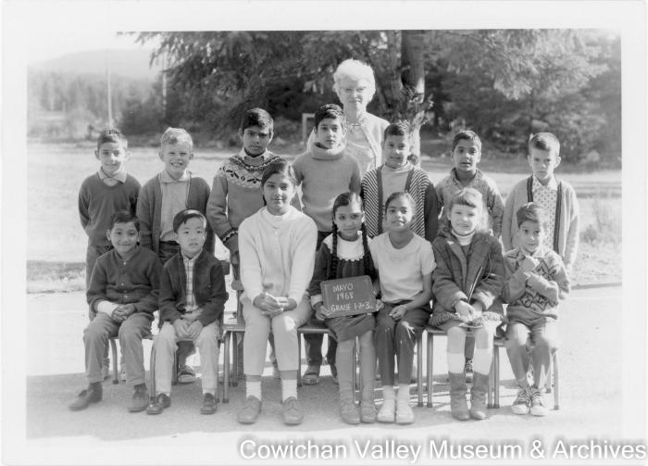 | [Class photo of Mrs. Coulter and her students] (2020_06_09_017) | Image of students and their teacher, Mrs. Coulter, posing for a class photo. Back row, left to right: Robin Mayo, Craig Tsjensvold, Hardev Manhas, Gary Manhas, Mark Saroya, Sukhi Manhas, Todd Martin. Seated: Hardeep Parmar, David Kitagawa, Inderjit Manhas, Kuljit Manhas, Ronnie Manhas, Kim Leary, Dale Mayo.
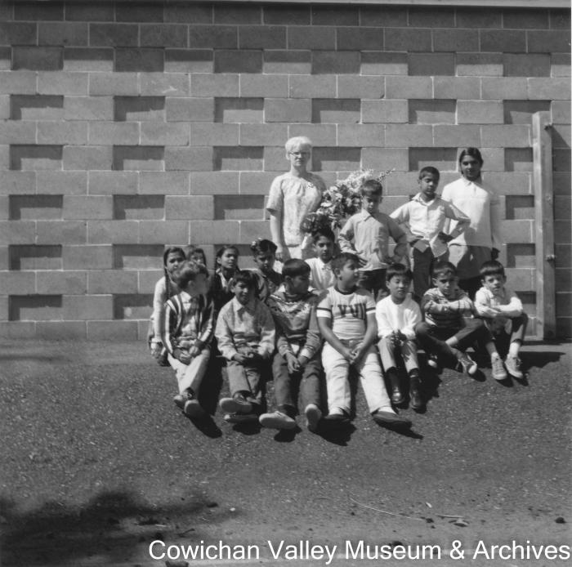
 | Last day of school 15 students (2020_06_09_018) | Image of students and their teacher posing for a class photo.
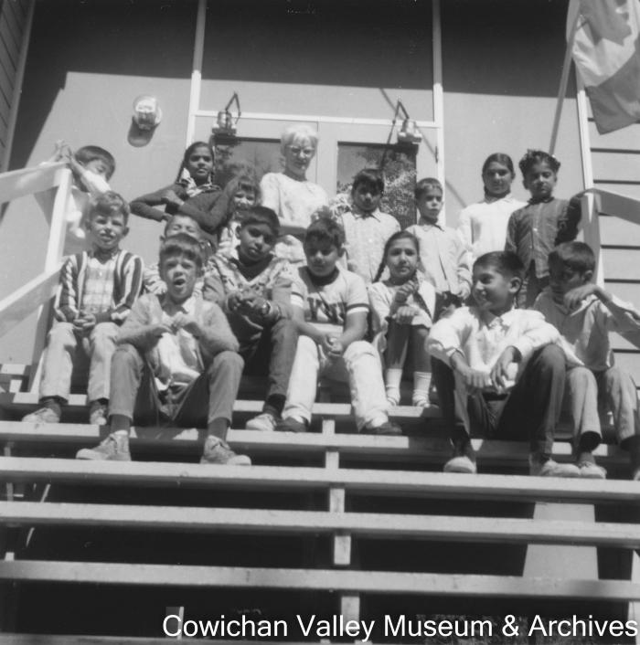
 | Last day of school 15 students (2020_06_09_019) | Image of students and their teacher posing for a class photo.
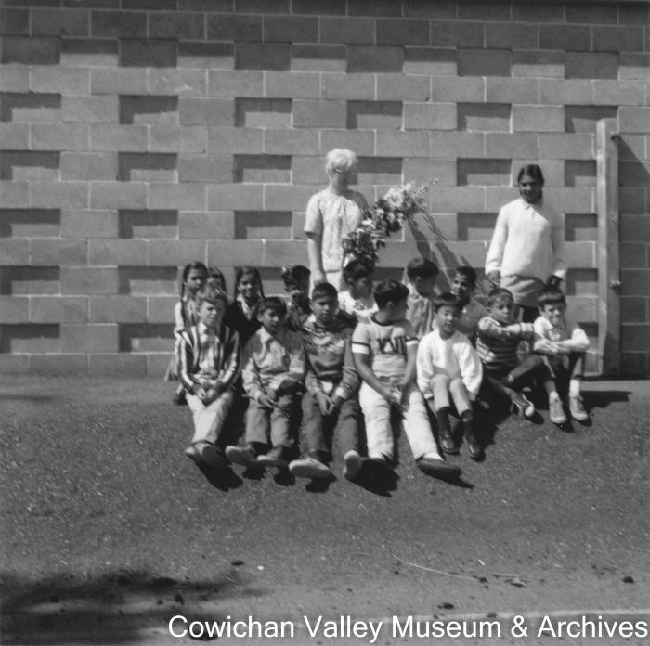
 | Last day of school 15 students (2020_06_09_020) | Image of students and their teacher posing for a class photo.
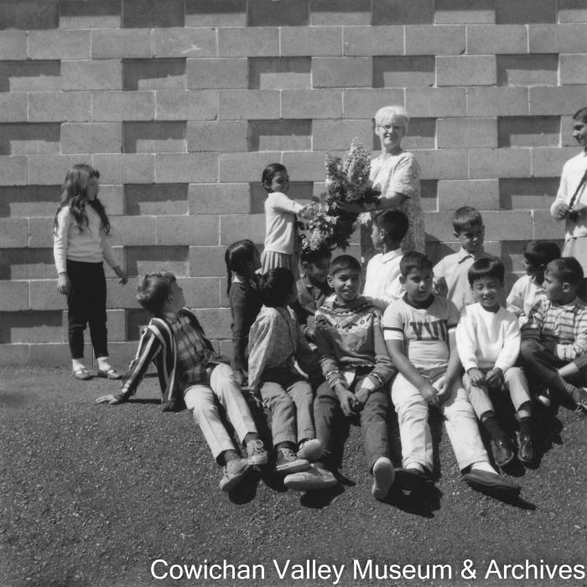
 | Last day of school 15 students (2020_06_09_021) | Image of students and their teacher posing for a class photo.

