Results
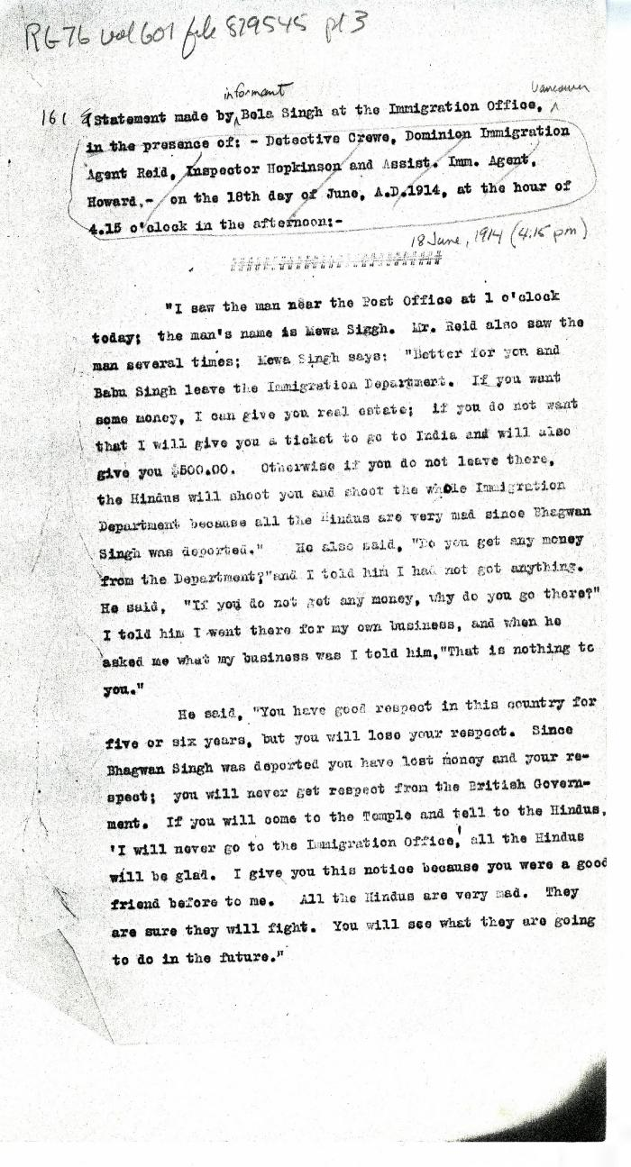

Image | Object | Description | Date
 | Statement[s] made by Bela Singh [and Babu Singh] at the Immigration Office, in the presence of: Detective Crewe, Dominion Immigration Agent Reid, Inspector Hopkinson and Asst. Imm. Agent Howard, on the 18th day of June, A.D. 1914, at the hour of 4.15 o'clock in the afternoon (2021_07_4964) | Library and Archives Canada. RG76, Vol. 601, File 879545, pt. 3
 | [Extract from statement given to Immigration Department by Bela Singh, Babu Singh, Ganga Ram and others. Copy] (2021_07_4812) | Library and Archives Canada. RG7-G-21, File 332, vol. 13 (a)

