Results
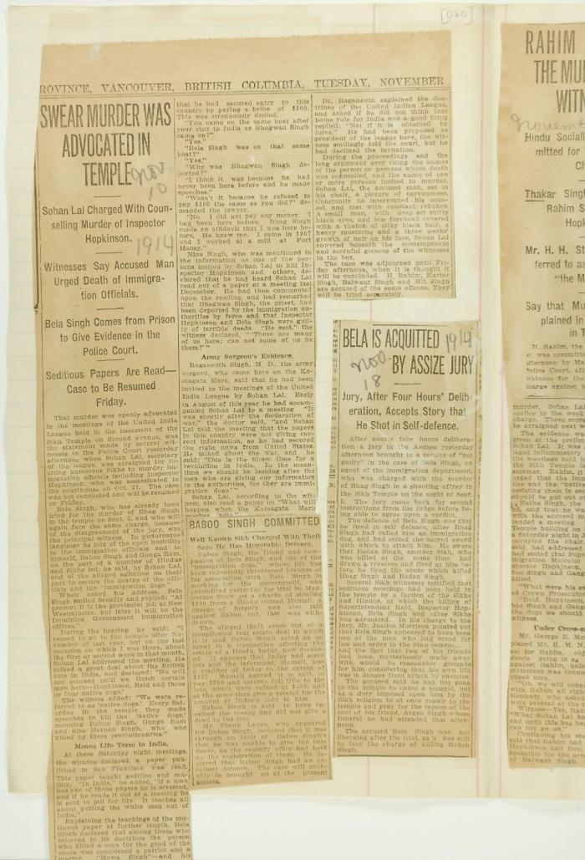

Image | Object | Description | Date
 | Newsclippings - Swear murder was advocated in temple; Baboo Singh committed; Bela is acquitted by assize jury (2021_07_4219) | Page 080
 | [Extract from statement given to Immigration Department by Bela Singh, Babu Singh, Ganga Ram and others. Copy] (2021_07_4812) | Library and Archives Canada. RG7-G-21, File 332, vol. 13 (a)
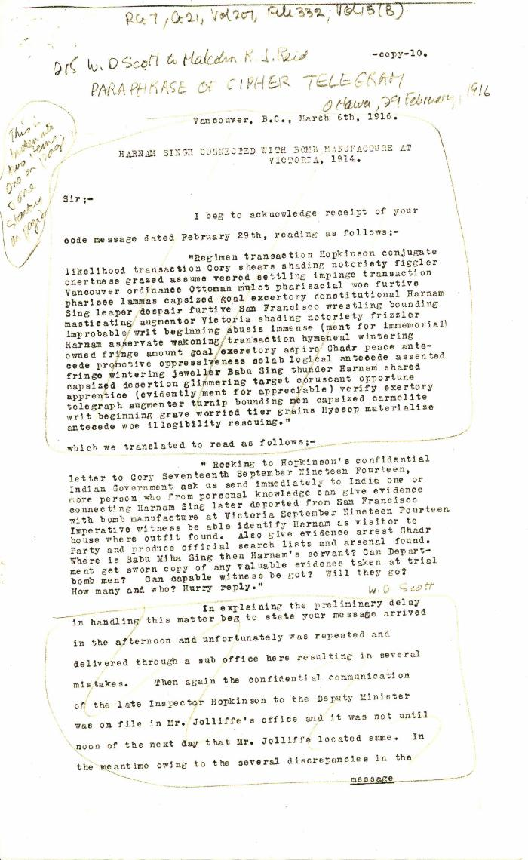
 | Harnam Singh connected with bomb manufacture at Victoria, 1914 [William D. Scott, Superintendent of Immigration, to Malcolm R. J. Reid, Dominion Immigration Agent, Ottawa] (2021_07_4848) | Library and Archives Canada. RG7-G-21, Vol. 207, File 332, vol. 15 (b)
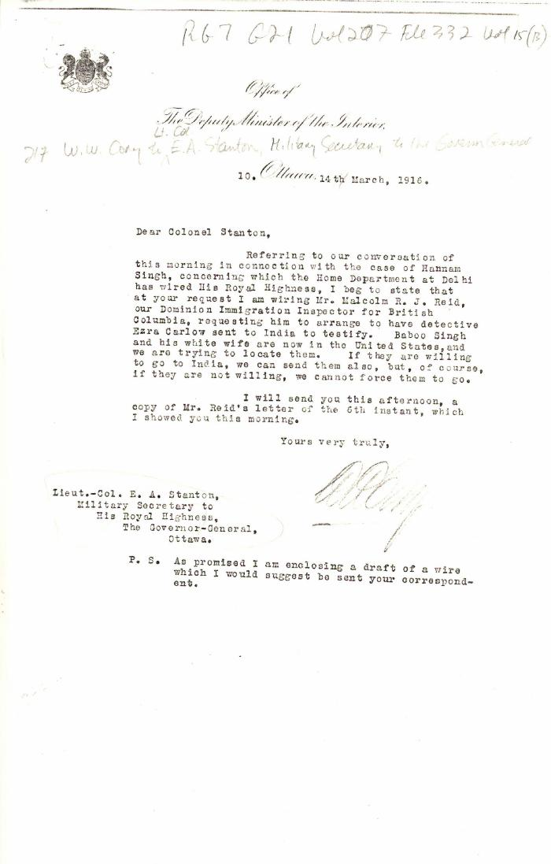
 | [William W. Cory, Deputy Minister of the Interior, to Lieut.-Col. E. A. Stanton, Military Secretary to the Governor General] (2021_07_4851) | Library and Archives Canada. RG7-G-21, Vol. 207, File 332, vol. 15 (b)
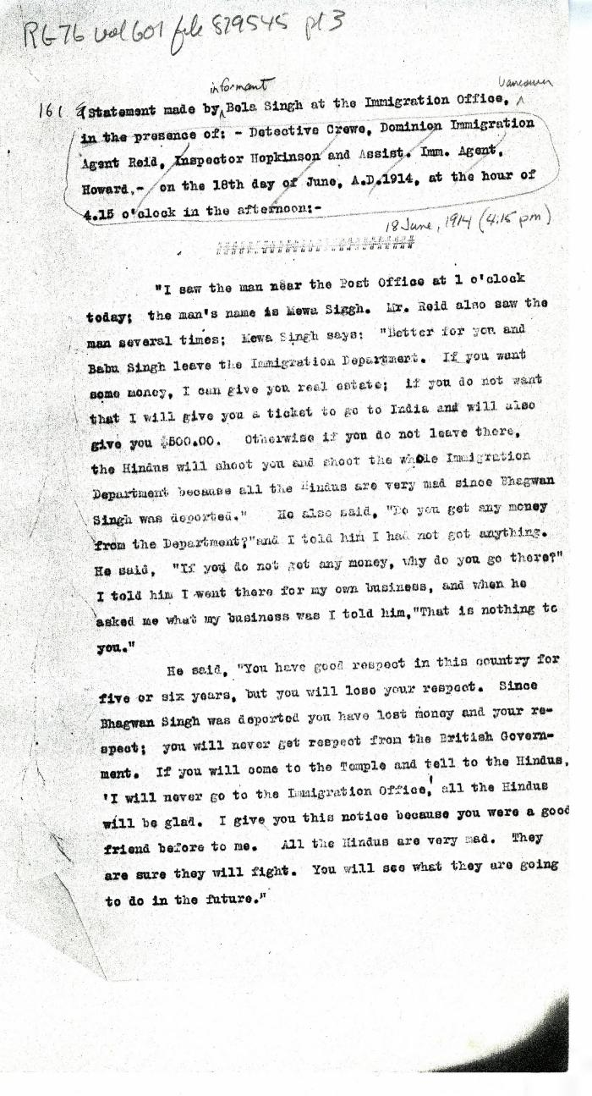
 | Statement[s] made by Bela Singh [and Babu Singh] at the Immigration Office, in the presence of: Detective Crewe, Dominion Immigration Agent Reid, Inspector Hopkinson and Asst. Imm. Agent Howard, on the 18th day of June, A.D. 1914, at the hour of 4.15 o'clock in the afternoon (2021_07_4964) | Library and Archives Canada. RG76, Vol. 601, File 879545, pt. 3
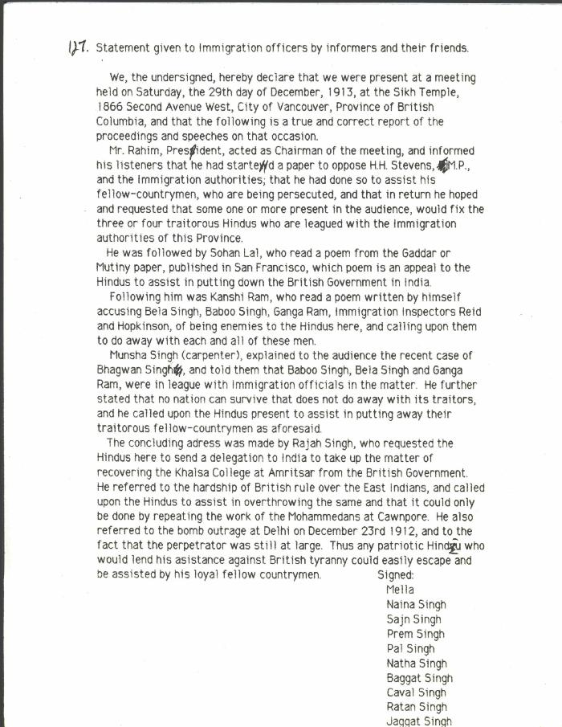
 | Statement given to Immigration officers by informers and their friends [re meeting by Husain Rahim and Sohan Lal] (2021_07_10323) | City of Vancouver Archives. Add. Mss. No. 69, Vol. 1
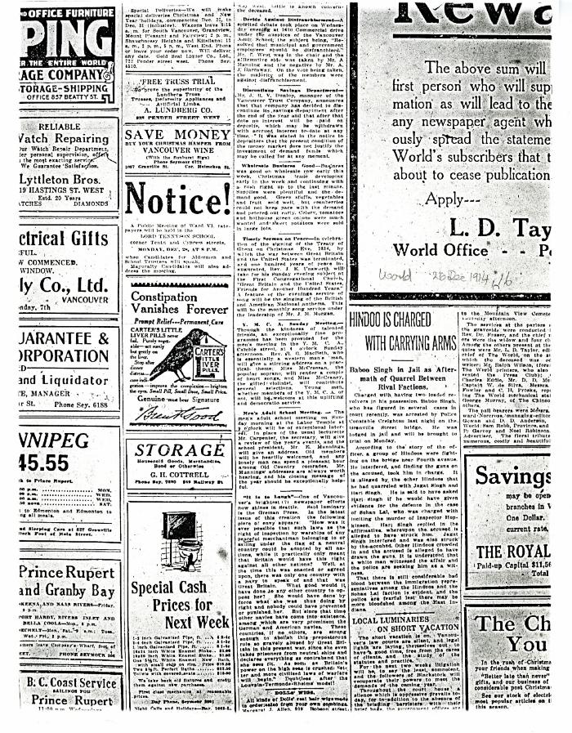
 | Newsclipping - Vancouver World: Hindoo is charged with carrying arms (2021_07_10429)

