Results


Image | Object | Description | Date
 | Letter from Passengers Committee to Reid re provisions (2021_07_10927) | Page 426
 | Letter from Daljit Singh to Reid re provisions (2021_07_10926) | Page 425

 | Letter from Passengers Committee to Reid re placement in Alberta (2021_07_10925) | Page 424

 | Letter from H. W. Gwyther, Interpreter, to Malcolm R. J. Reid re Gwyther's visit to the Komagata Maru (2021_07_10924) | Page 423
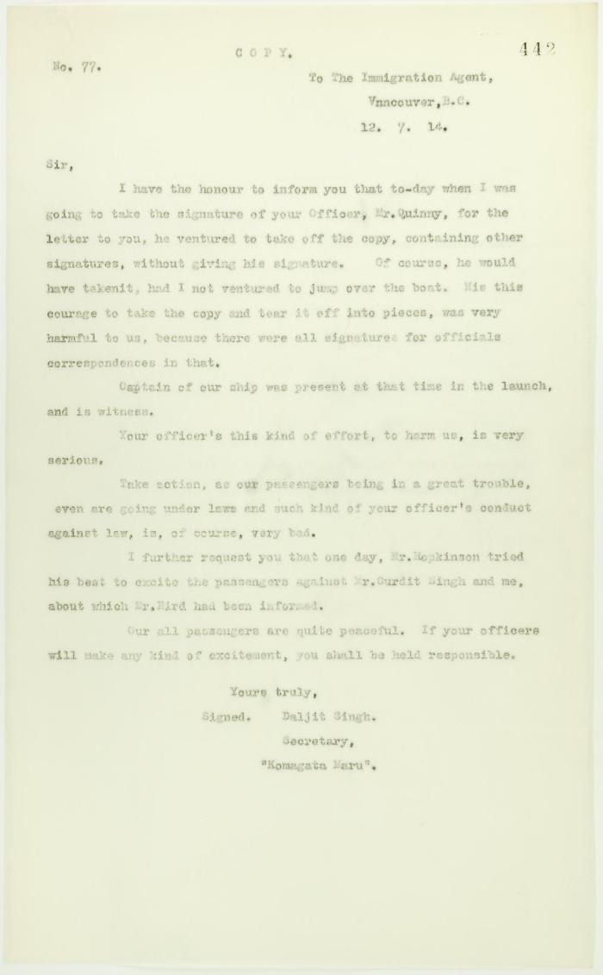
 | Copy of letter from Daljit Singh to the Immigration Agent, complaining about actions of Department Officer (2021_07_10731) | Page 442
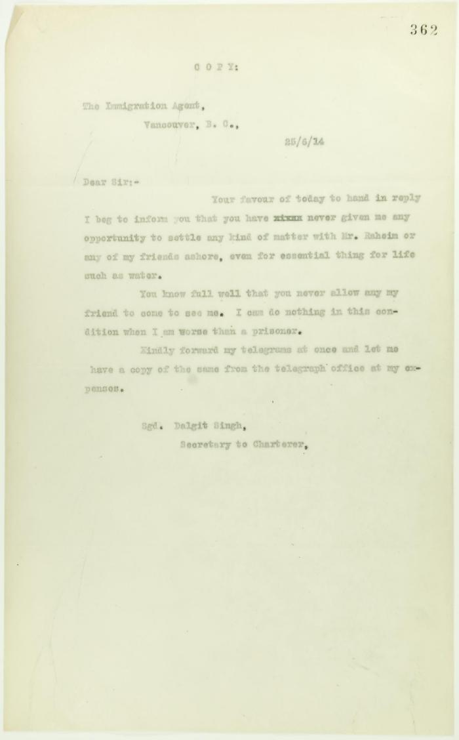
 | Copy of letter from Daljit Singh to the Immigration Agent (2021_07_10705) | Page 362

 | Copy of letter from Reid to Daljit Singh re supply of fresh water and re telegram (see p. 358) (2021_07_10704) | Page 359
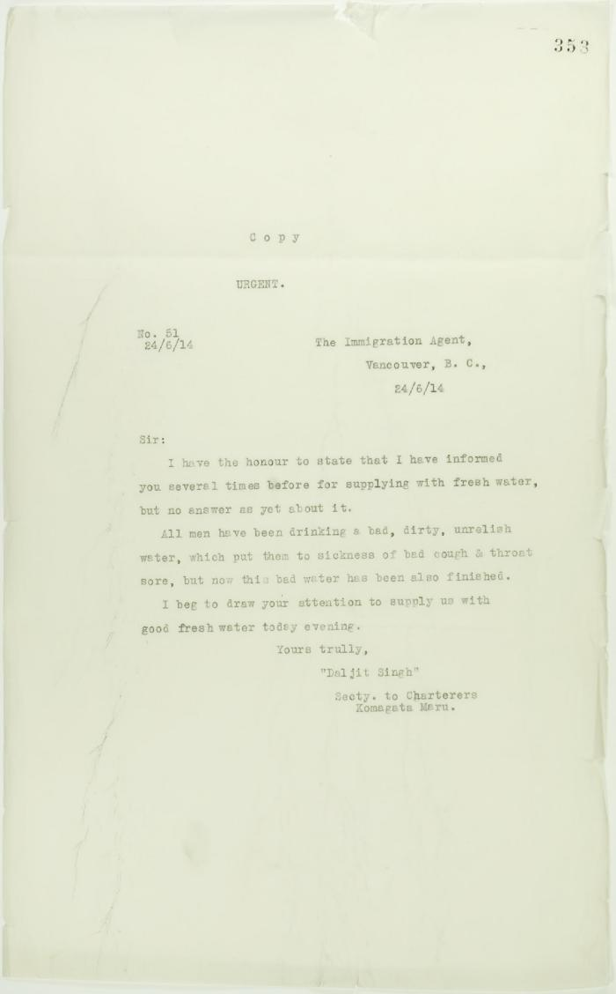
 | Copy of letter from Daljit Singh to the Immigration Agent re supply of fresh water (2021_07_10700) | Page 353
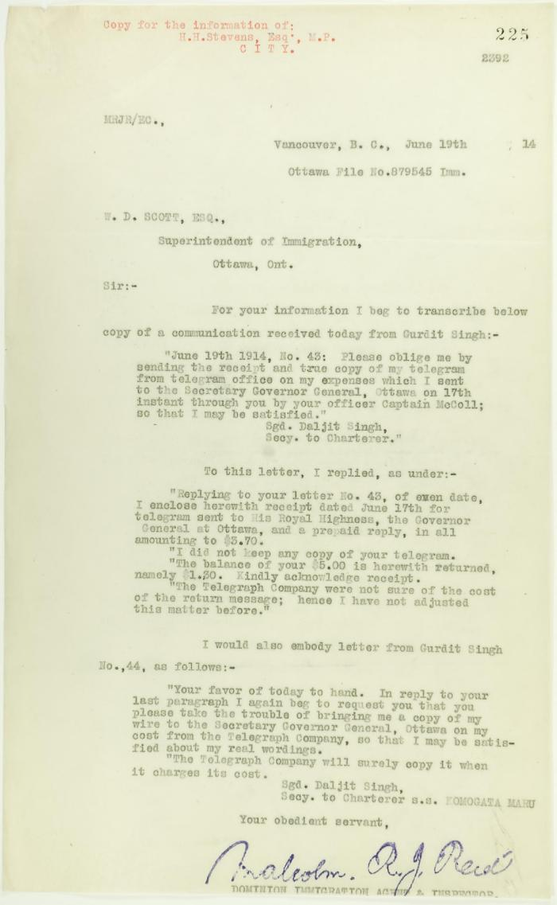
 | Copy of Communications received by Reid from Gurdit Singh, sent to W. D. Scott (2021_07_10696) | Page 225
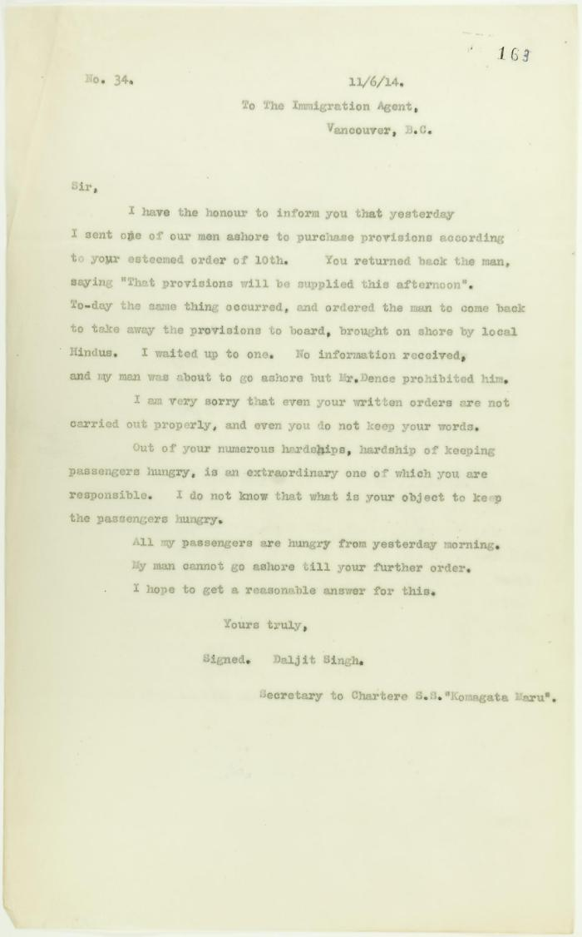
 | Copy of letter from Daljit Singh to the Immigration Agent complaining about difficulty in getting provisions on board (2021_07_10687) | Page 163
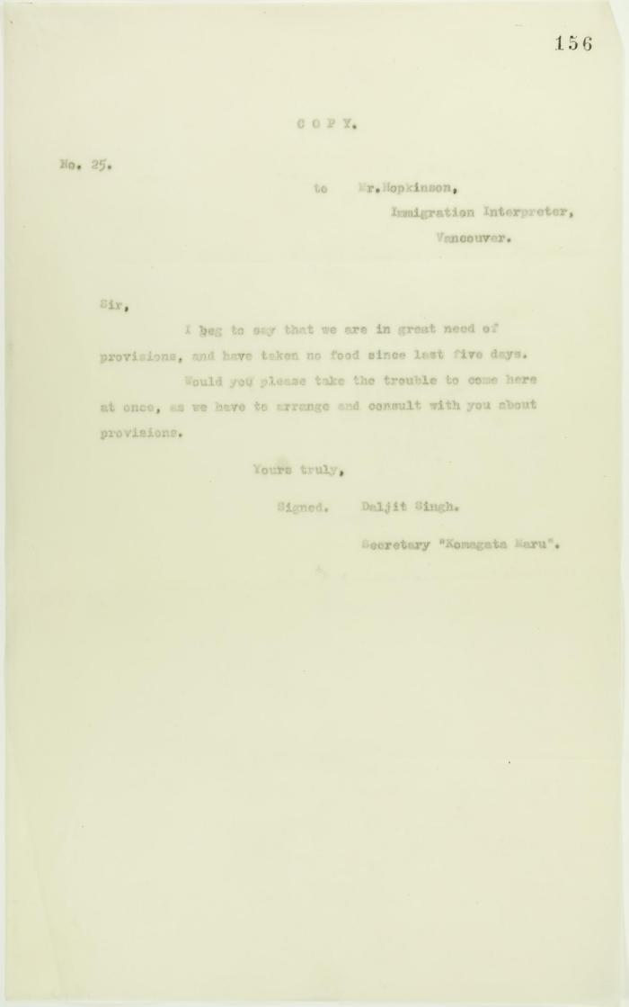
 | Copy of letter from Daljit Singh to Mr. Hopkinson, Immigration Interpreter, re shortage of food (2021_07_10683) | Page 156
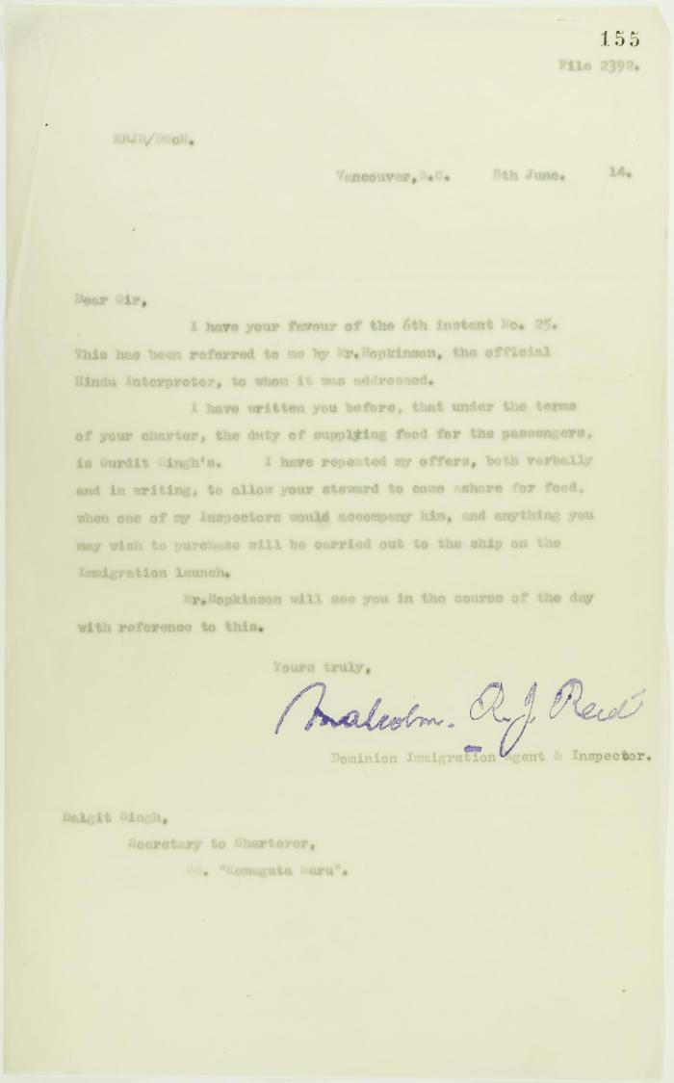
 | Copy of letter from Reid to Daljit Singh re responsibility for supplying food (2021_07_10682) | Page 155
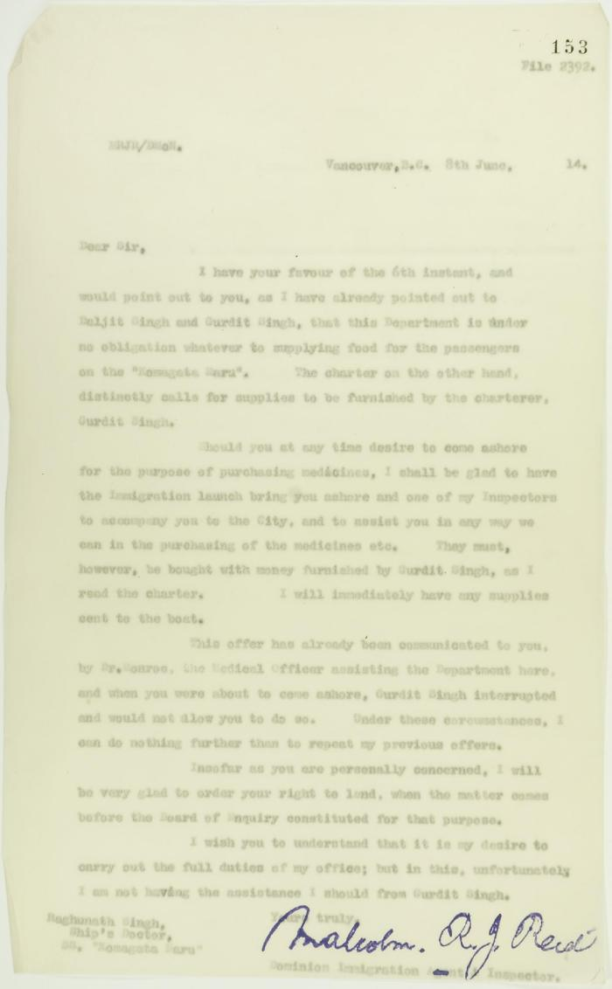
 | Copy of letter from Reid to Raghunath Singh, Ship's doctor, S. S. Komagatu Maru, re supplying of food and medicine (2021_07_10680) | Page 153
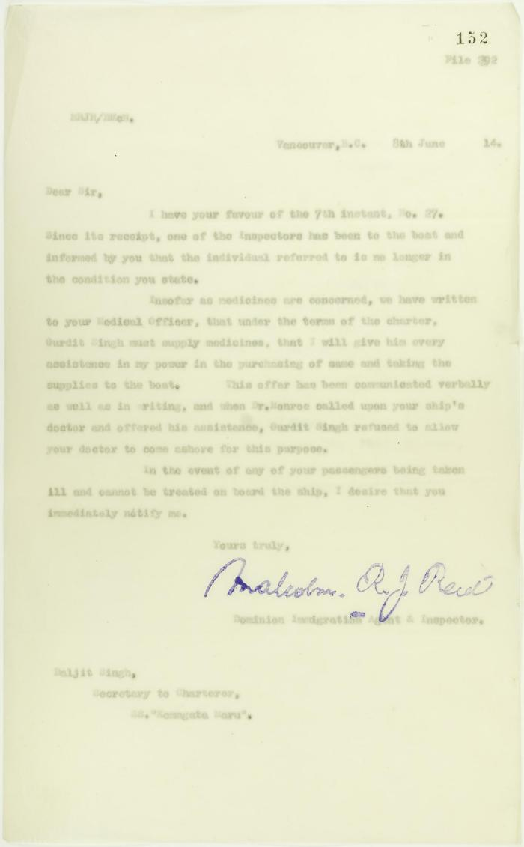
 | Copy of letter from Reid to Daljit Singh (see p. 146) (2021_07_10679) | Page 152
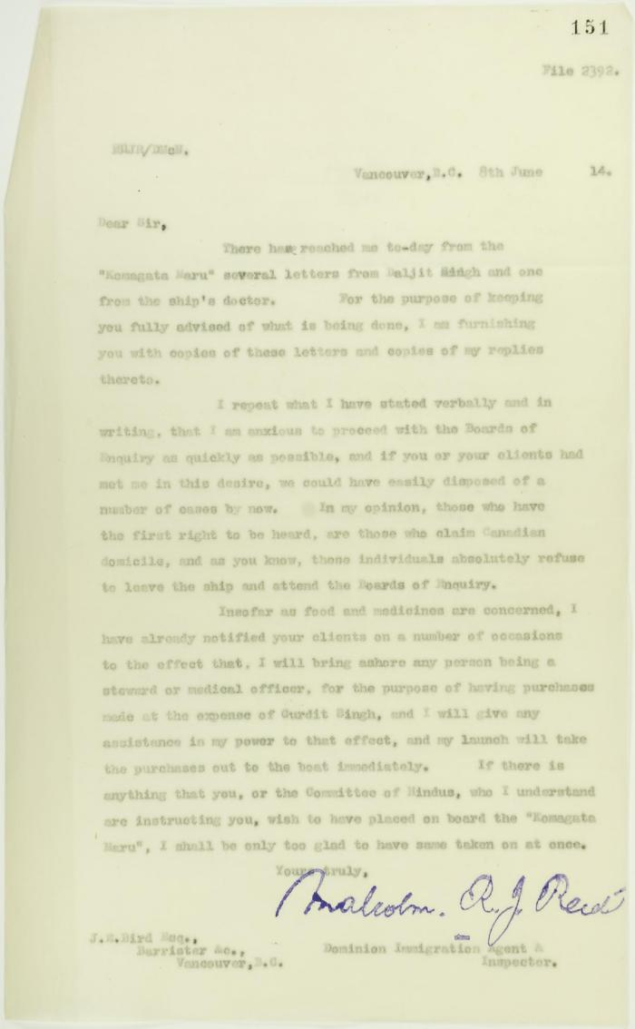
 | Copy of letter from Reid to J. E. Bird, council for the Hindus, re need for Board of Inquiry (2021_07_10678) | Page 151
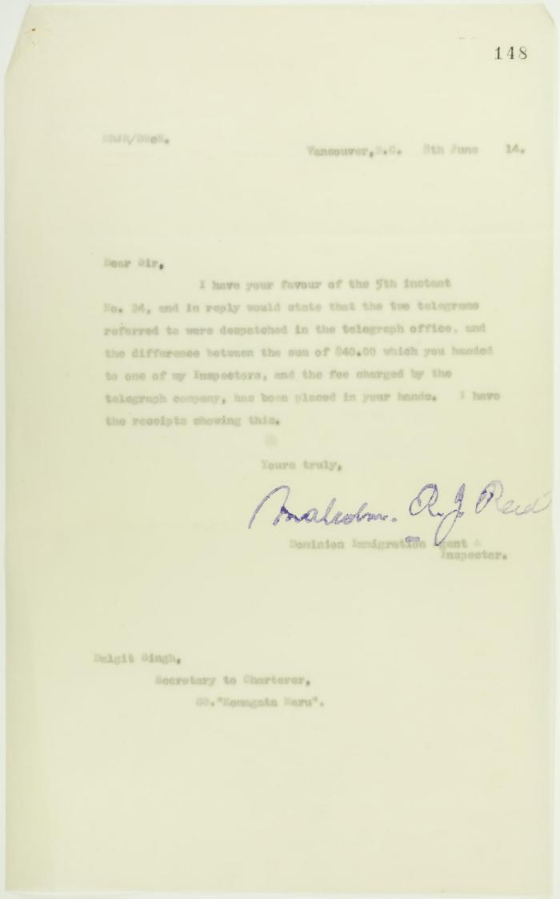
 | Copy of letter from Malcolm Reid to Daljit Singh (see p. 144) (2021_07_10675) | Page 148
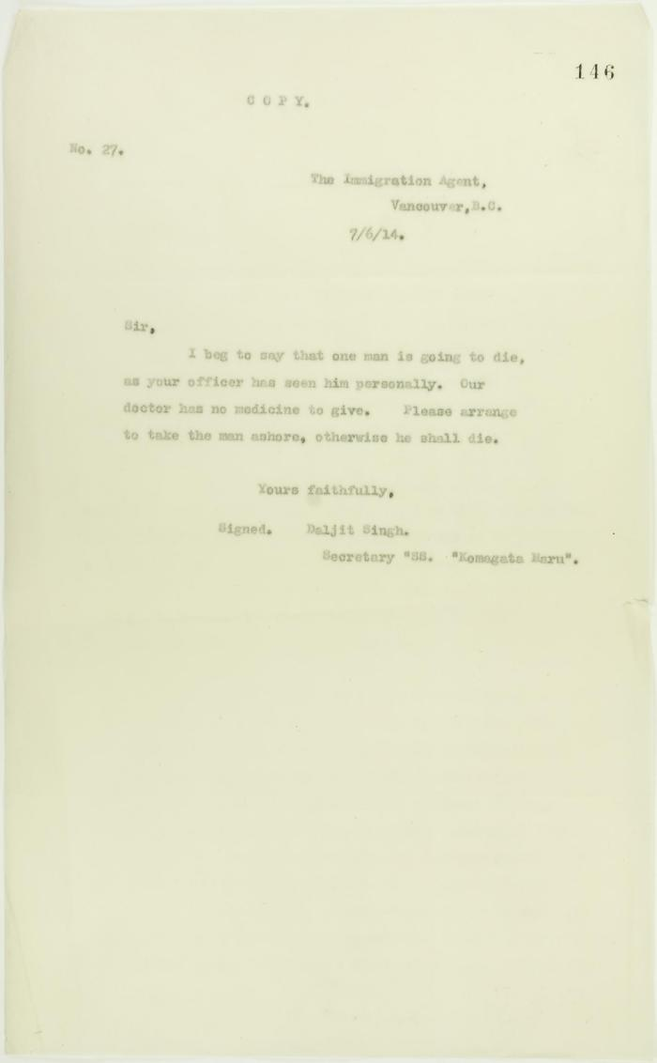
 | Copy of letter from Daljit Singh, signed Secretary S. S. Komagatu Maru, to the Immigration Agent requesting removal of a dying man from ship (2021_07_10672) | Page 146
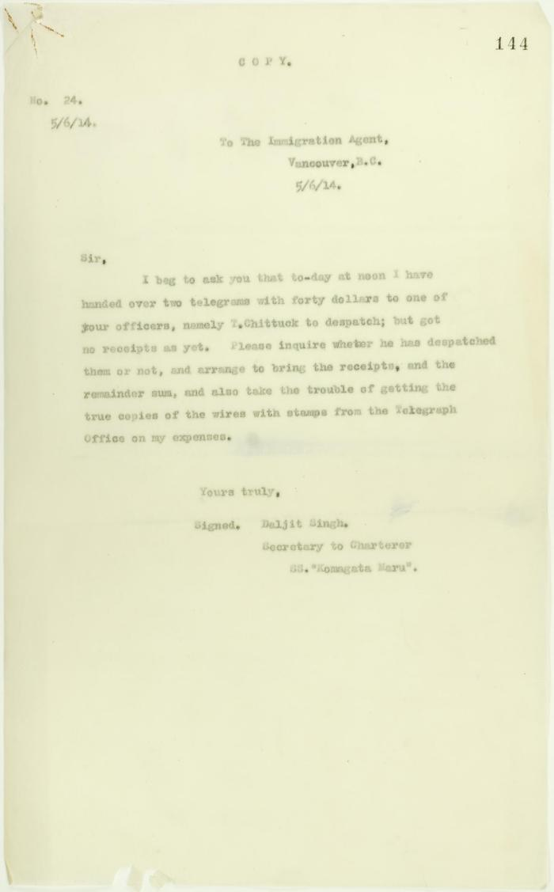
 | Copy of letter from Daljit Singh to the Immigration Agent re receipts for telegrams (2021_07_10670) | Page 144
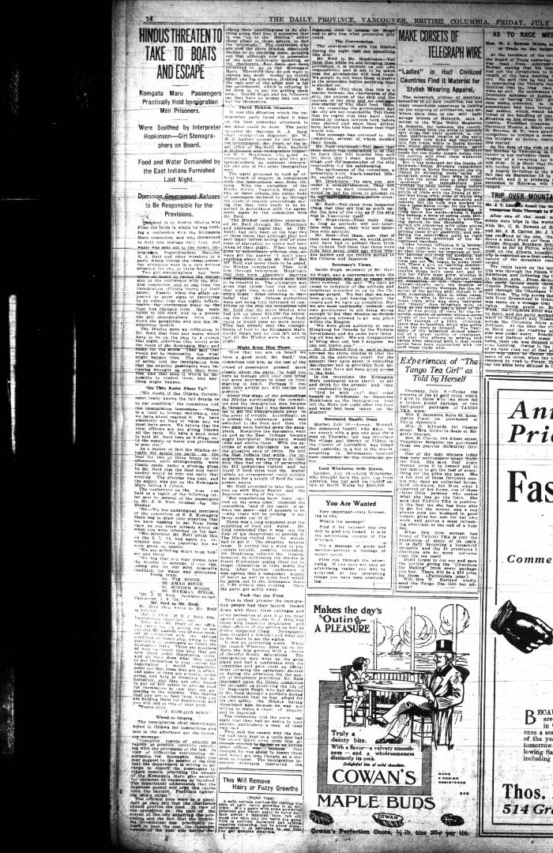
 | Newsclipping - Vancouver Daily Province: Hindus threaten to take to boats and escape (2021_07_10497)
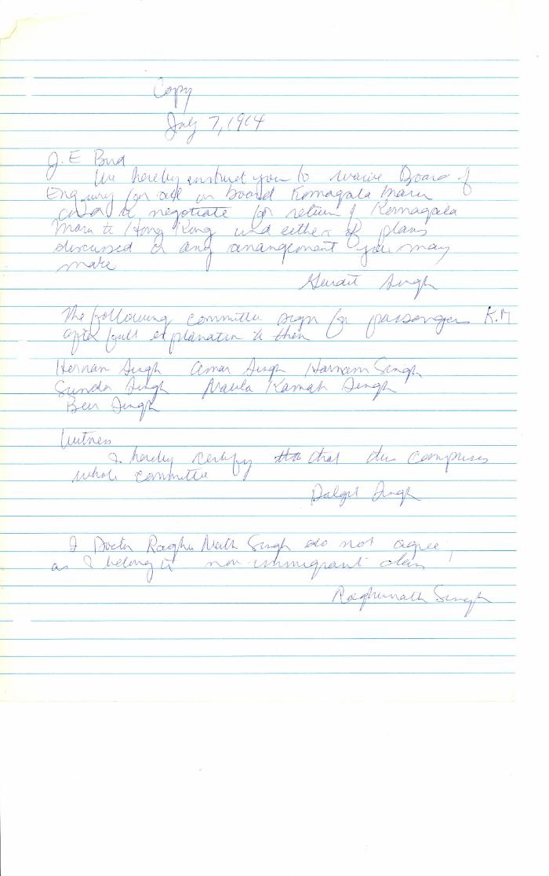
 | [Gurdit Singh, Charterer, Komagata Maru, to J. Edward Bird, lawyer, MacNeill, Bird, Macdonald & Darling, re refusal of passengers to participate in Boards of Enquiry] (2021_07_10335) | Library and Archives Canada. RG76, Vol. 261, File 875456, pt. 3
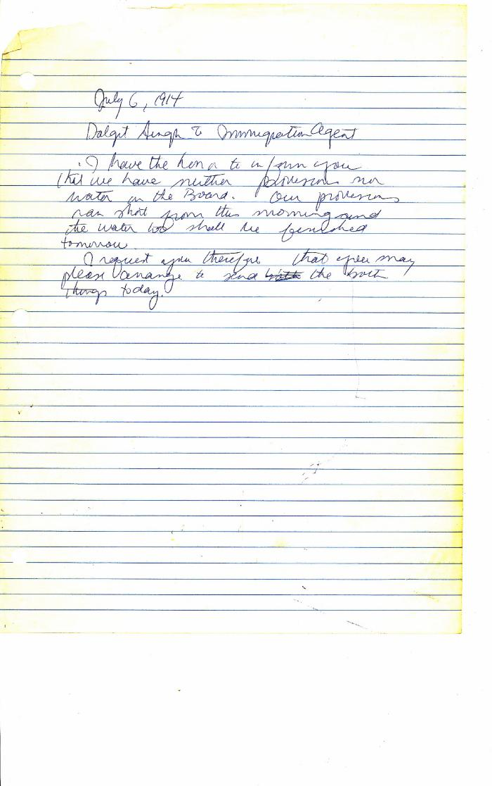
 | [Daljit Singh, Secretary to Charterers, Komagata Maru, to Malcolm R. J. Reid, Dominion Immigration Agent, re lack of provisions] (2021_07_10334) | Library and Archives Canada. RG76, Vol. 261, File 875456, pt. 3
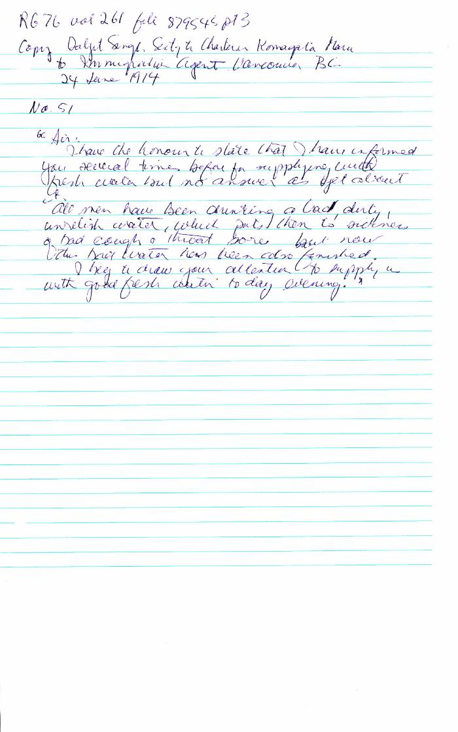
 | Daljit Singh, Secretary to Charter Komagata Maru, to Immigration Agent, Vancouver (2021_07_10330) | Library and Archives Canada. RG76, Vol. 261, File 875456, pt. 3
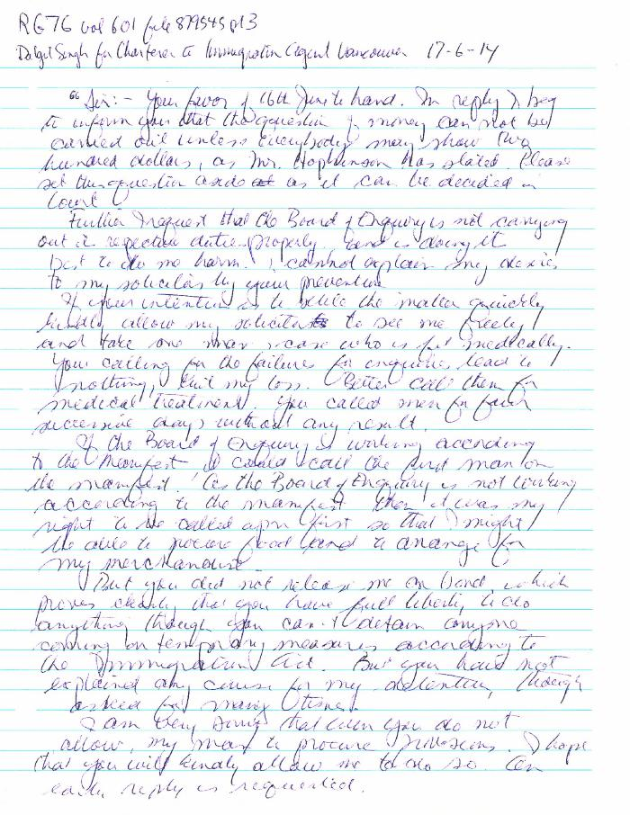
 | Daljit Singh for Charter to Immigration Agent, Vancouver, re (2021_07_10329) | Library and Archives Canada. RG76, Vol. 601, File 879545, pt. 3
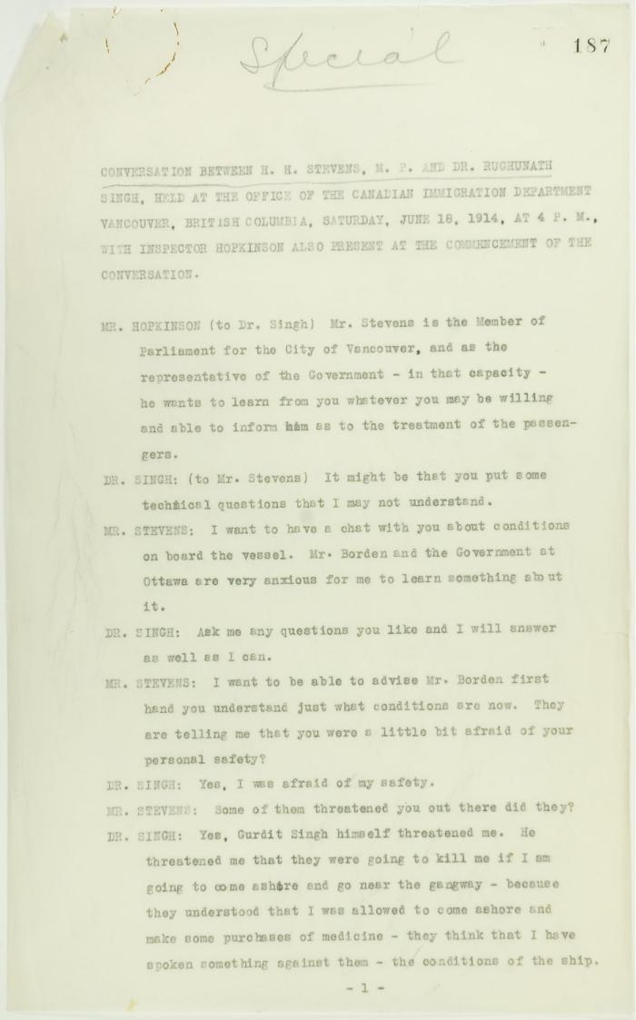
 | Conversation between H. H. Stevens, M.P., and Dr. Rughunath Singh, held at the Office of the Canadian Immigration Department, Vancouver, with Inspector Hopkinson also present at the commencement of the conversation. Page 1-11 (2021_07_9462) | Page 187-219
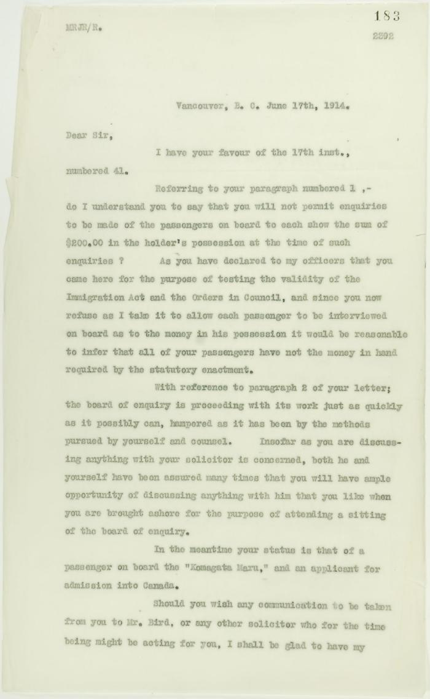
 | Copy of letter from Reid to Daljit Singh (see pp. 180-181). Page 1-3 (2021_07_9413) | Page 183-185
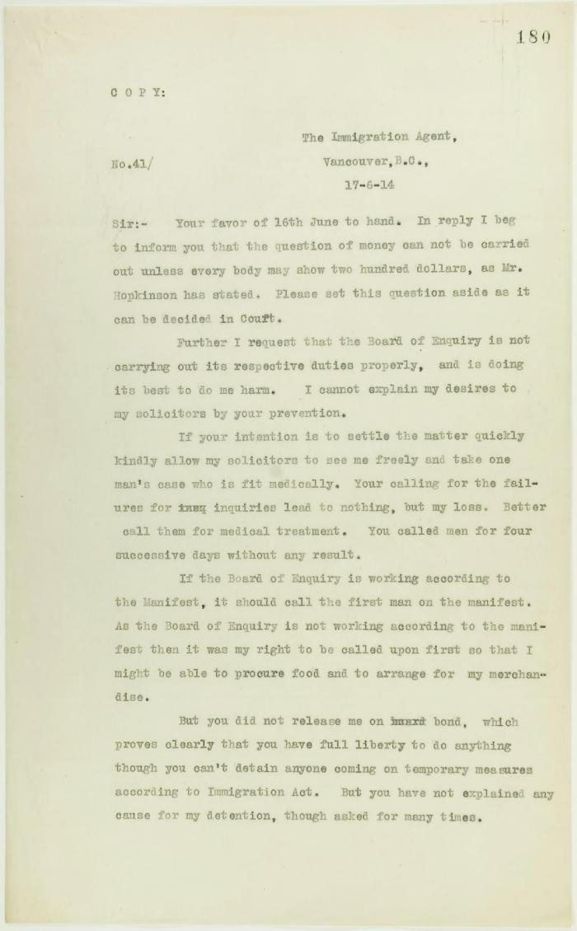
 | Copy of letter from Daljit Singh to the Immigration Agent, complaining about provisioning and the Board of Enquiry's methods. Page 1-2 (2021_07_9409) | Page 180-181
 | Newsclipping - Vancouver Daily Province: Bring Rainbow to suppress unruly Hindus (2021_07_5159)

 | [Malcolm R. J. Reid, Dominion Immigration Agent, to William D. Scott, Superintendent of Immigration. Original] (2021_07_4714) | Library and Archives Canada. RG76, Vol. 601, File 879545, pt. 4
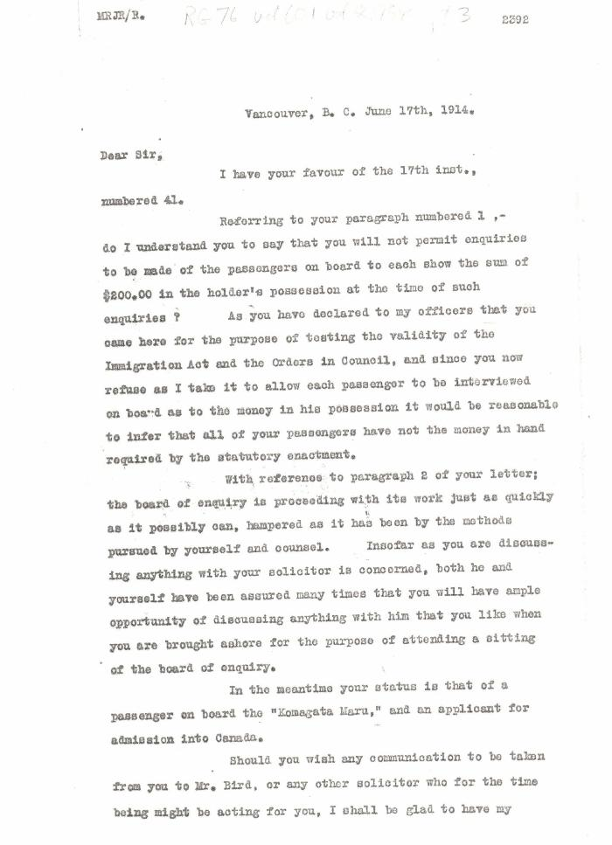
 | [Malcolm R. J. Reid, Dominion Immigration Agent, to Daljit Singh, Secretary to Charterers, Komagata Maru] (2021_07_4656) | Library and Archives Canada. RG76, Vol. 601, File 879545, pt. 3
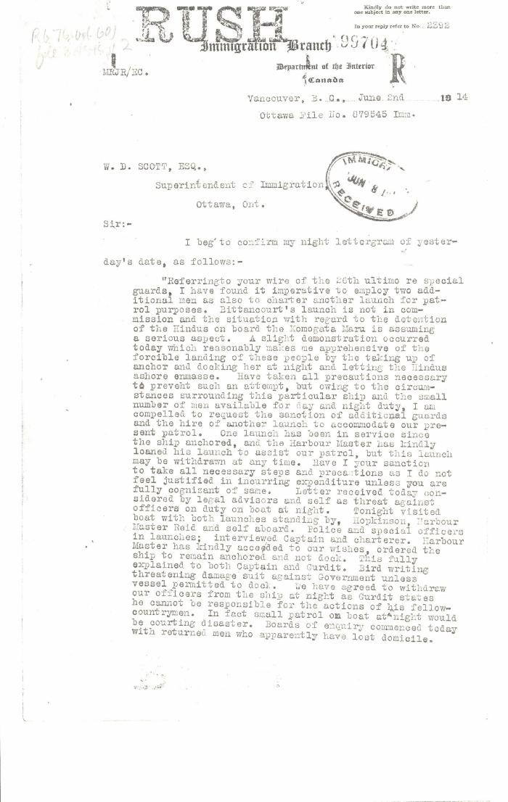
 | [Malcolm R. J. Reid, Dominion Immigration Agent, to William D. Scott, Superintendent of Immigration. Original] (2021_07_4620) | Library and Archives Canada. RG76, Vol. 601, File 879545, pt. 2

 | Copy of letter from Mr. Hopkinson to Reid re his visit on board the Maru. Page 1-3 (2021_07_1571) | Page 588-590

 | Copy of address to the Secretary of the Sikh Temple, Vancouver, unsigned. Page 1-6 (2021_07_1216) | Page 550-555

