Results
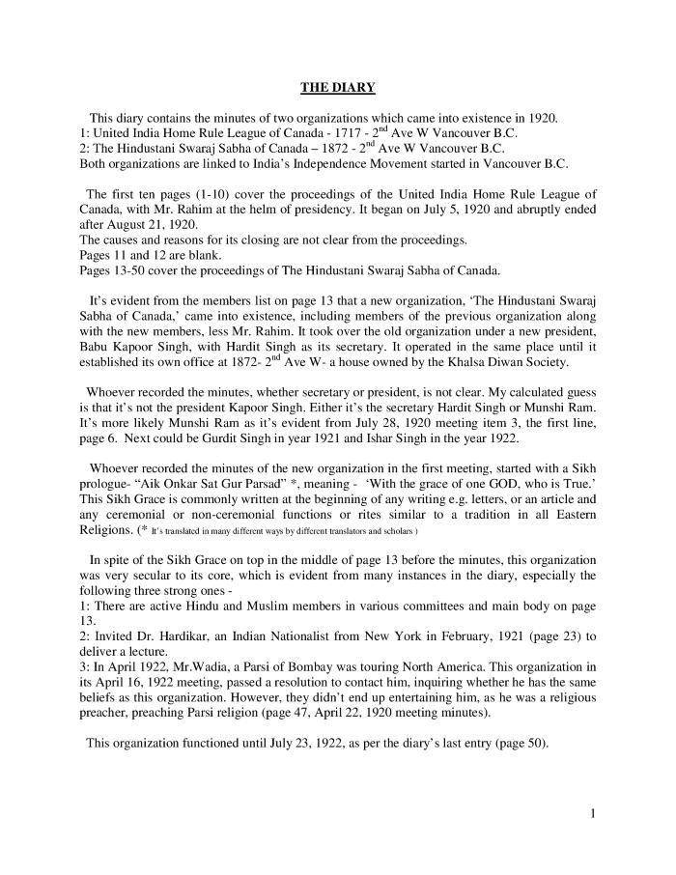
Image | Object | Description | Date
 | [Diary : United India Home Rule League of Canada and the Hindustani Swaraj Sabha - English translation] (2021_07_10919) | English translation of [Diary : United India Home Rule League of Canada and the Hindustani Swaraj Sabha], containing the minutes of two organizations which came into existence in 1920 in Vancouver: the United India Home Rule League of Canada and the Hindustani Swaraj Sabha of Canada. Both organizations are linked to India's Independence movement started in Vancouver, B.C.
 | [Group portrait of Kapoor SIngh and an unidentifed man] (2020_03_F00326_020) | Image of Kapoor Singh and an unidentified man posing for a group portrait. Both men are wearing suits.
 | [Group portrait of Kapoor Singh and an unidentified bride] (2020_03_F00326_019) | Image of Kapoor Singh and an unidentified bride posing for a group portrait. The couple is wearing garlands around their necks.
 | [Group portrait of Kapoor Singh and an unidentified bride] (2020_03_F00326_021) | Image of Kapoor Singh and an unidentified bride posing for a group portrait. The couple is wearing garlands around their necks.
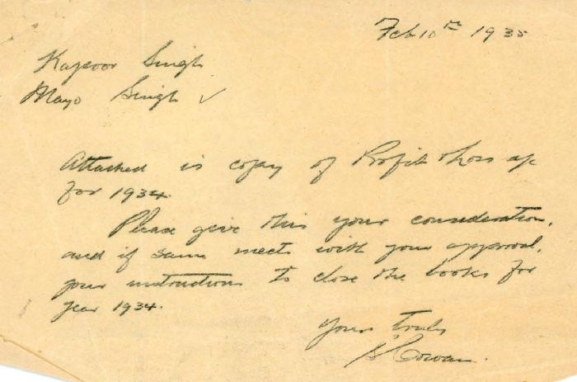 | [Handwritten note to Mayo Singh and Kapoor Singh from S. Cowan] (2020_05_01_11_012) | Handwritten note from S. Cowan to Mayo Singh and Kapoor Singh seeking approval to close the books for 1934. Also includes manufacturing, profit, and loss accounts compiled for Mayo Singh and Kapoor Singh.
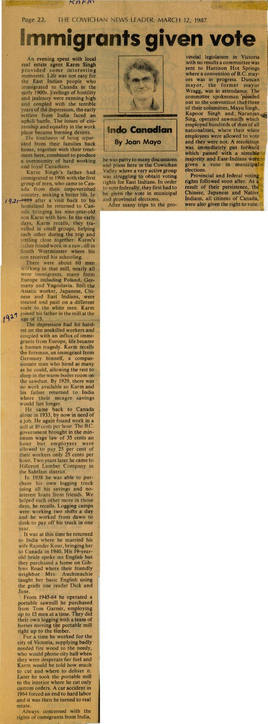
 | [Immigrants given vote] (2020_06_07_01_036) | Newspaper clipping titled "Immigrants given vote" from page 22 of The Cowichan News Leader, March 12, 1987, written by Joan Mayo. In this article, Joan shares her conversation with a local real estate agent Karm Singh about how East Indians were given the right to vote.
 | [Photo of Kapoor Singh and weddings guests] (2020_03_F00326_016) | Image of Kapoor Singh and wedding guests in the Gurdwara. Singh is leading a line of unidentified men into the Gurdwara, and he is about to kneel at the front of the Gurdwara.
 | [Photo of Kapoor Singh, an unidentified bride and wedding guests on the steps of the Gurdwara] (2020_03_F00326_001) | Image of Kapoor Singh, an unidentified bride and wedding guests gathering for a group photo on the Gurdwara steps.
 | [Photo of Kapoor Singh, an unidentified bride and wedding guests on the steps of the Gurdwara] (2020_03_F00326_002) | Image of Kapoor Singh, an unidentified bride and wedding guests gathering for a group photo on the Gurdwara steps.
 | [Photo of Kapoor Singh, an unidentified bride and wedding guests on the steps of the Gurdwara] (2020_03_F00326_003) | Image of Kapoor Singh, an unidentified bride and wedding guests gathering for a group photo on the Gurdwara steps.
 | [Photo of Kapoor Singh, an unidentified bride and wedding guests on the steps of the Gurdwara] (2020_03_F00326_005) | Image of Kapoor Singh, an unidentified bride and wedding guests gathering for a group photo on the Gurdwara steps.
 | [Photo of Kapoor Singh, an unidentified bride and weddings guests] (2020_03_F00326_006) | Image of Kapoor Singh, an unidentified bride and wedding guests sitting in the Gurdwara. An unidentified man is holding a book for Singh to sign.
 | [Photo of Kapoor Singh, an unidentified bride and weddings guests] (2020_03_F00326_007) | Image of Kapoor Singh, an unidentified bride and wedding guests sitting in the Gurdwara. An unidentified woman sits behind the unidentified bride as Singh places a ring on her finger.
 | [Photo of Kapoor Singh, an unidentified bride and weddings guests] (2020_03_F00326_008) | Image of Kapoor SIngh, an unidentified bride and wedding guests sitting in the Gurdwara. An unidentified woman sits behind the unidentified bride as Singh places a ring on her finger.
 | [Photo of Kapoor Singh, an unidentified bride and weddings guests] (2020_03_F00326_009) | Image of Kapoor Singh, an unidentified bride and wedding guests sitting in the Gurdwara. An unidentified man is placing a piece of fabric in the unidentified bride's lap.
 | [Photo of Kapoor Singh, an unidentified bride and weddings guests] (2020_03_F00326_010) | Image of Kapoor Singh, an unidentified bride and wedding guests sitting in the Gurdwara. An unidentified man is placing a garland around the neck of the bride.
 | [Photo of Kapoor Singh, an unidentified bride and weddings guests] (2020_03_F00326_011) | Image of Kapoor Singh, an unidentified bride and wedding guests sitting in the Gurdwara. An unidentified man is placing a garland around the neck of the bride.
 | [Photo of Kapoor Singh, an unidentified bride and weddings guests] (2020_03_F00326_012) | Image of Kapoor Singh, an unidentified bride and wedding guests in the Gurdwara. The unidentified bride is standing at the front of a group of wedding guests.
 | [Photo of Kapoor Singh, an unidentified bride and weddings guests] (2020_03_F00326_013) | Image of Kapoor Singh, an unidentified bride and wedding guests sitting in the Gurdwara. An unidentified man is holding a book for the bride to sign.
 | [Photo of Kapoor Singh, an unidentified bride and weddings guests] (2020_03_F00326_014) | Image of Kapoor Singh, an unidentified bride and wedding guests sitting in the Gurdwara. An unidentified man is placing a garland around Singh's neck.
 | [Photo of Kapoor Singh, an unidentified bride and weddings guests] (2020_03_F00326_015) | Image of Kapoor Singh, an unidentified bride and wedding guests sitting in the Gurdwara. An unidentified man is placing a garland around Singh's neck.
 | [Photo of Kapoor Singh, an unidentified bride and weddings guests] (2020_03_F00326_017) | Image of Kapoor Singh and wedding guests in the Gurdwara.
 | [Photo of Kapoor Singh, an unidentified bride and weddings guests] (2020_03_F00326_018) | Image of Kapoor Singh and wedding guests in the Gurdwara. An unidentified man is standing in front of the couple and is addressing the wedding attendees
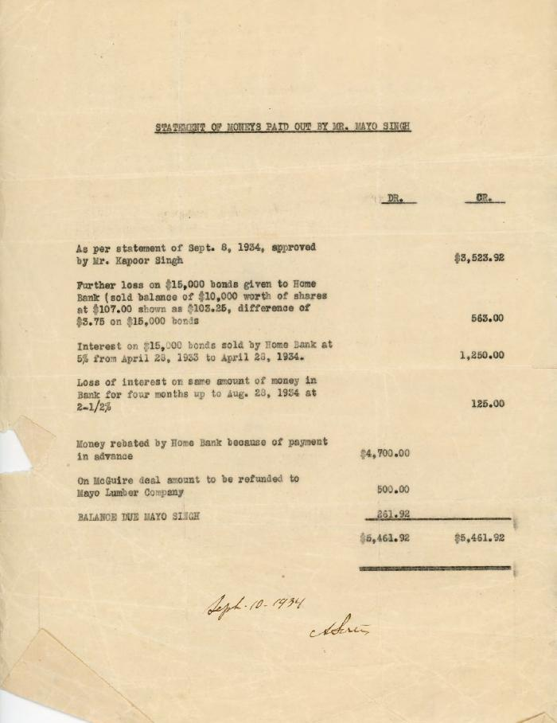
 | [Statement of monies paid out by Mayo Singh] (2020_05_01_11_011) | Statement of monies paid out by Mayo Singh. Details of losses, interest, and rebates on bonds, and refunds to Mayo Lumber Company included.

