Results
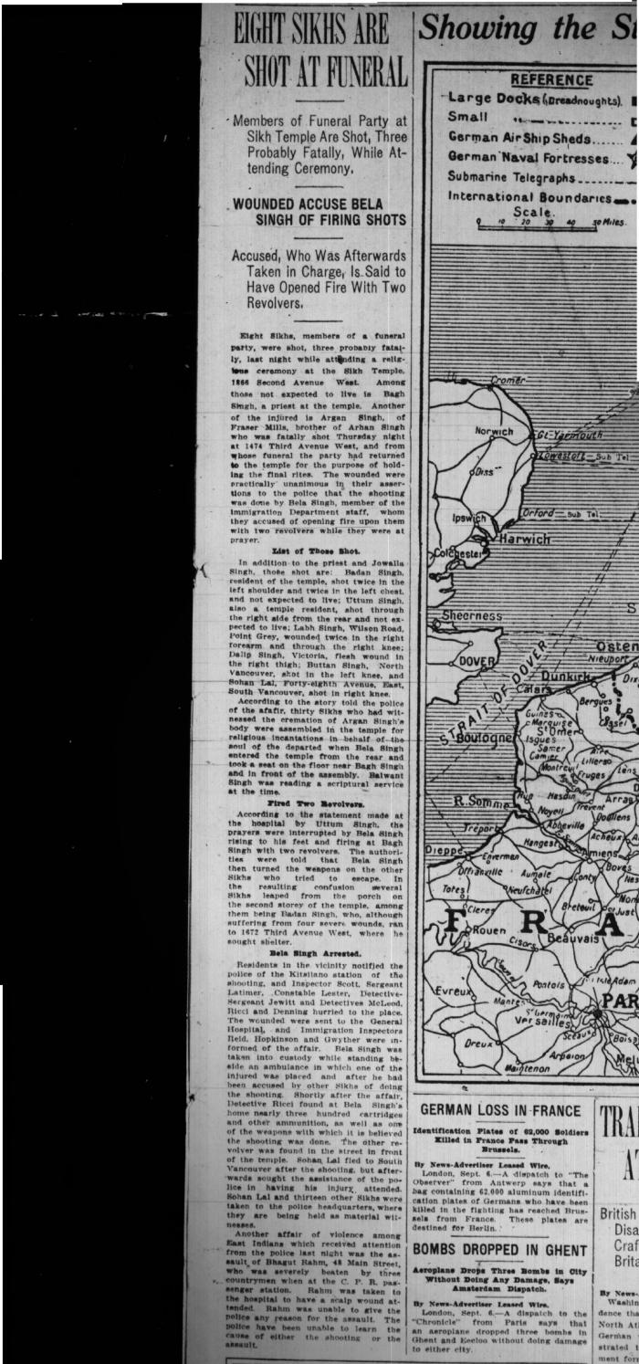
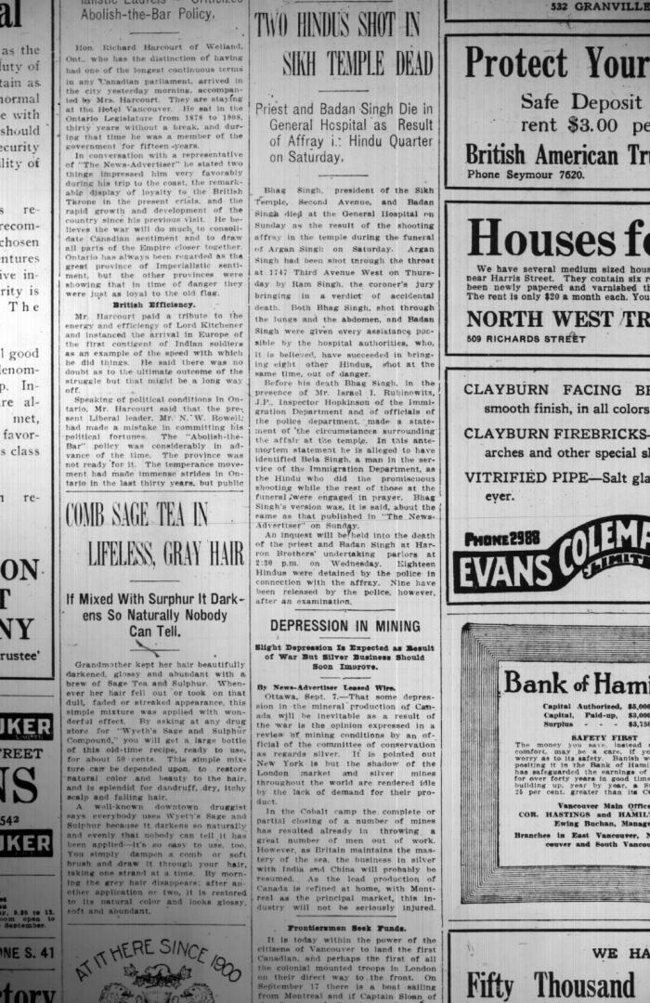
Image | Object | Description | Date
 | Newsclipping - Vancouver News-Advertiser: Eight Sikhs are shot at funeral. Page 1 (2021_07_10449)
 | Newsclipping - Vancouver News-Advertiser: Two Hindus shot in Sikh temple dead. Page 6 (2021_07_10450)
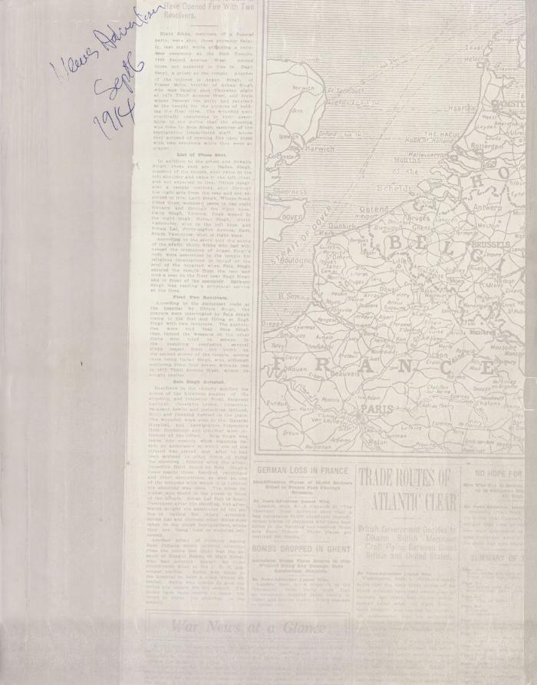
 | Newsclipping - Vancouver News-Advertiser: Eight Sikhs are shot at funeral. Page 1 (2021_07_10534)
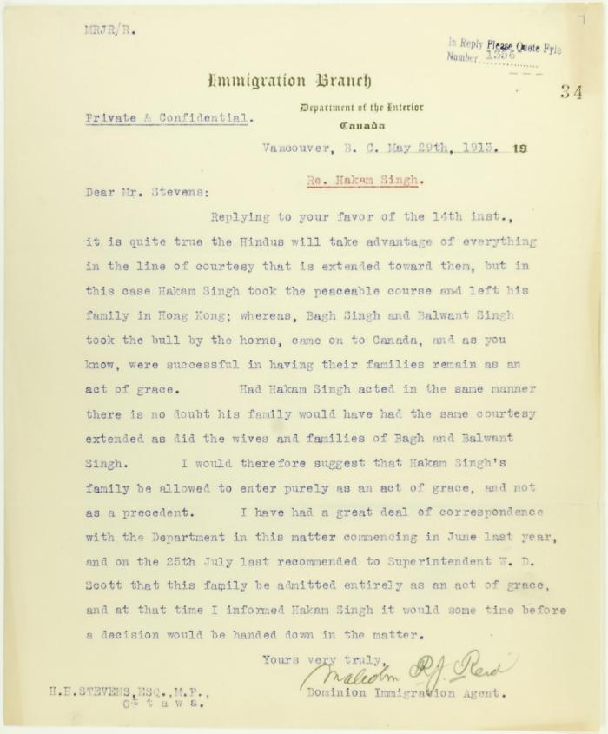
 | Letter from Malcolm Reid to Stevens re entry of family of Hakam Singh, as an act of grace (2021_07_10665) | Page 34
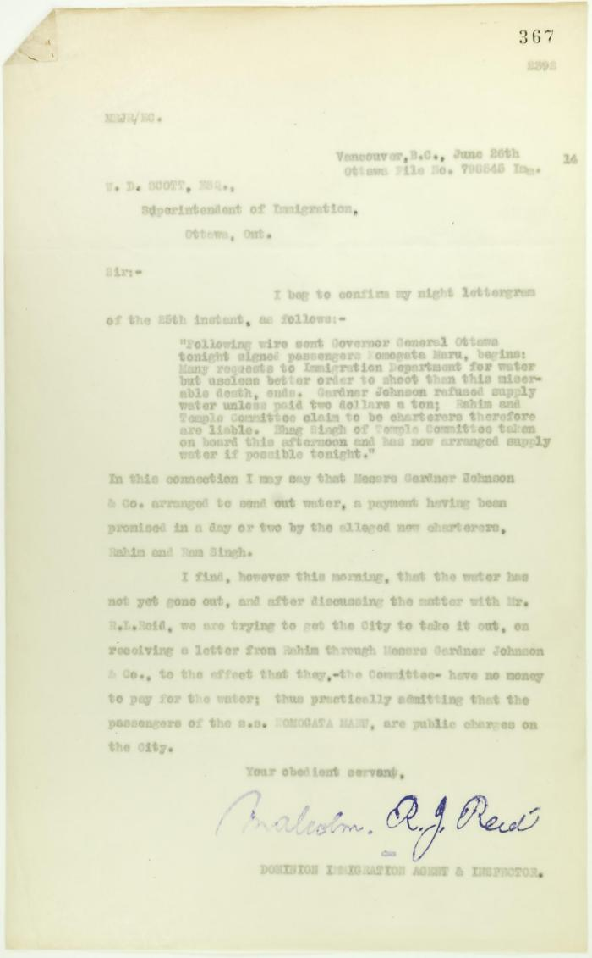
 | Copy of letter from Reid to W. D. Scott re provision of water (2021_07_10709) | Page 367
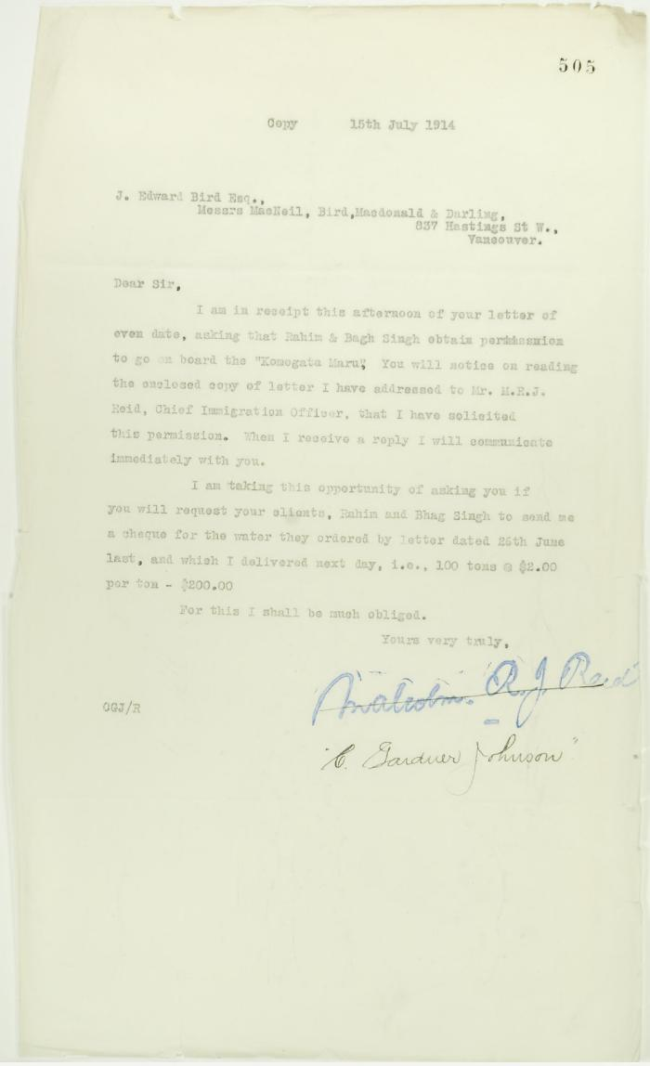
 | Copy of letter from C. Gardner Johnson to J. E. Bird re provisioning (2021_07_10739) | Page 505
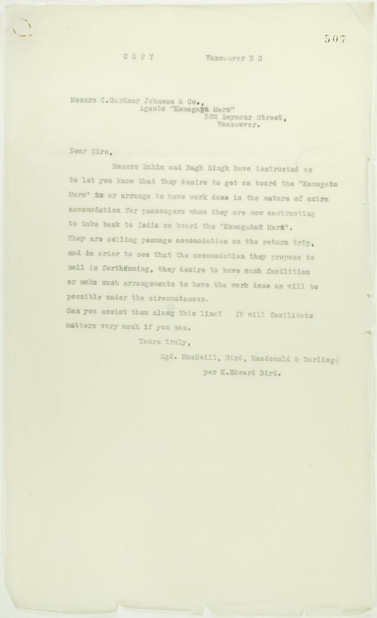
 | Copy of letter from J. E. Bird to C. Gardner Johnson re preparation for departure of ship (2021_07_10741) | Page 507
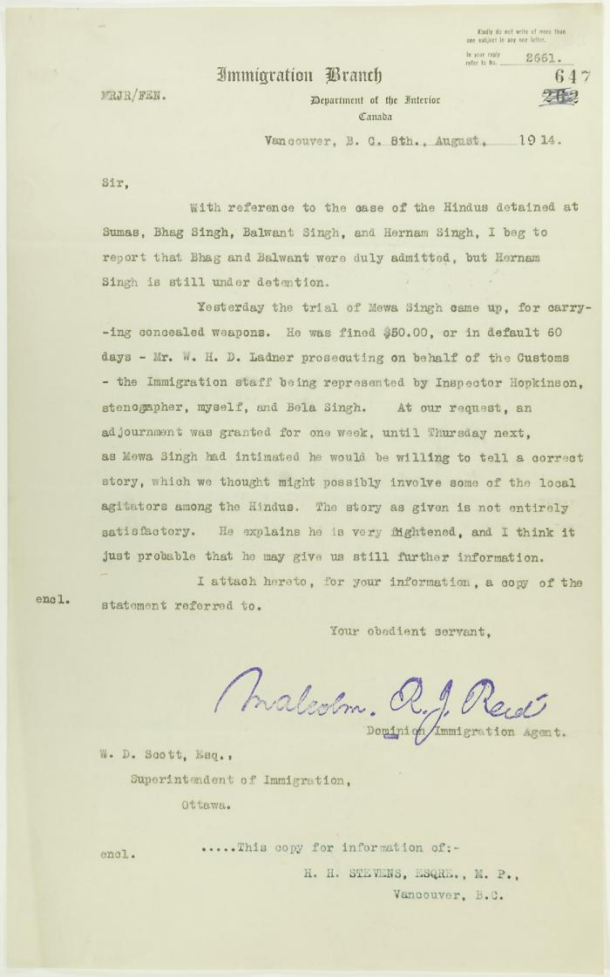
 | Copy of letter from Reid to W. D. Scott re Hindus detained at Sumas, and enclosing a statement by Mewa Singh (2021_07_10771) | Page 647

