Results
Image | Object | Description | Date
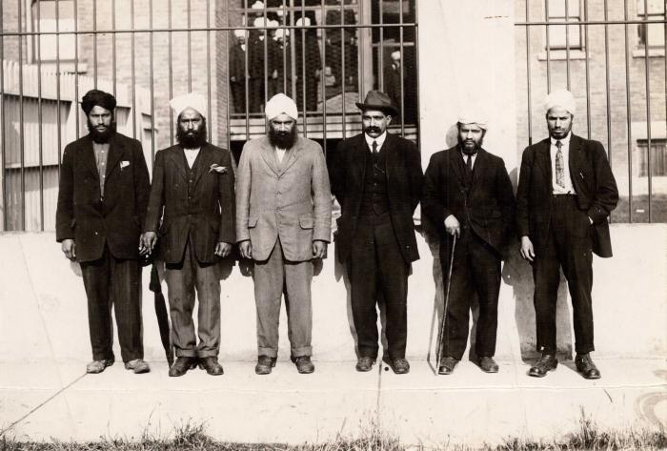 | [Group photo of Husain Rahim and five unidentified individuals in front of the Immigrational Hall in Victoria, BC] (2021_08_01_040) | Group photo of Husain Rahim and five unidentified individuals in front of the Immigrational Hall in Victoria, BC.
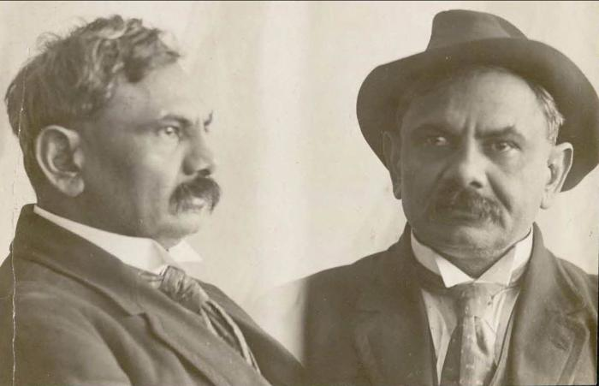 | [Mugshot of Husain Rahim] (2021_08_01_041) | Mugshot of Husain Rahim.

