Results
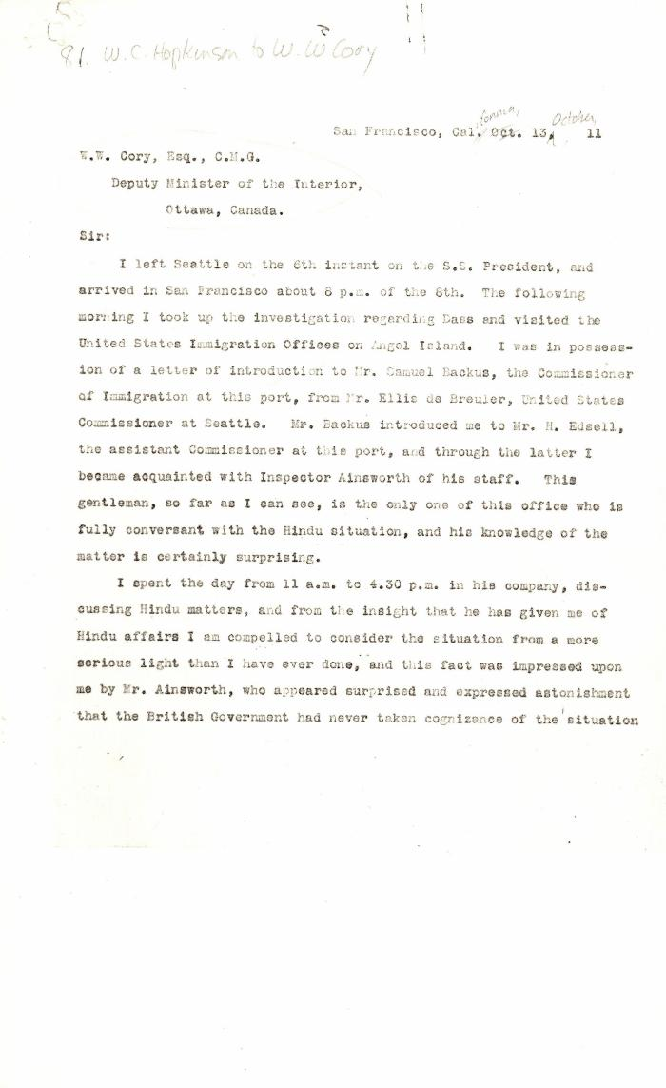
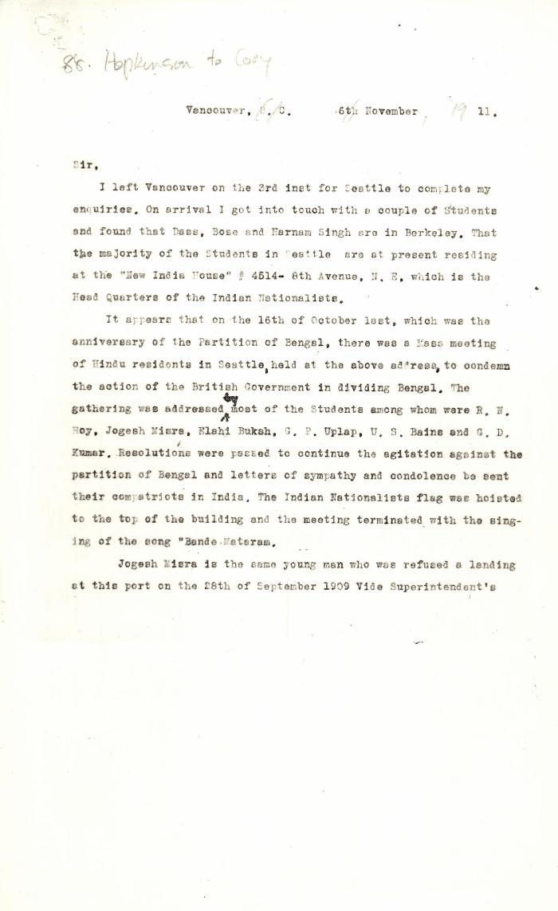
Image | Object | Description | Date
 | [William C. Hopkinson, Immigration Inspector, to William W. Cory, Deputy Minister of the Interior] (2021_07_4422) | Library and Archives Canada. RG7-G-21, Vol. 201, File 332, vol. 5 (a)
 | [William C. Hopkinson, Immigration Inspector, to William W. Cory, Deputy Minister of the Interior] (2021_07_4441) | Library and Archives Canada. RG7-G-21, Vol. 201

