Results
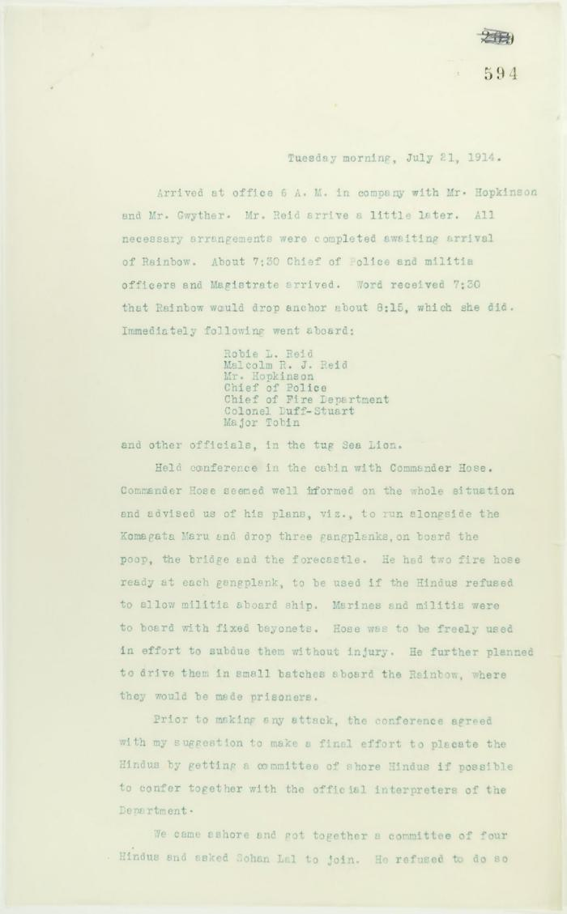
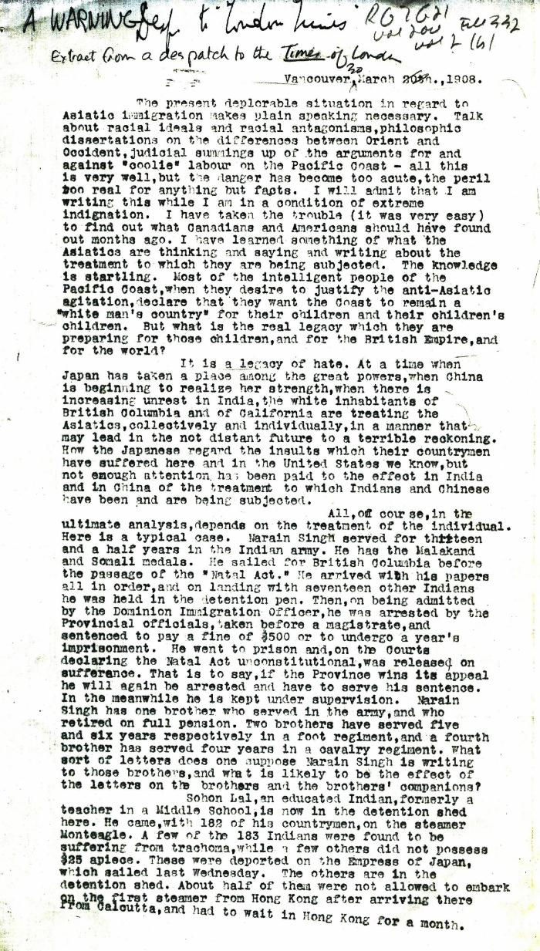
Image | Object | Description | Date
 | Unsigned, account of conference on board the Rainbow. Page 1-2 (2021_07_1752) | Page 594-601
 | [Thomas R. E. McInnes, copy of L. W. Crippen dispatch to Times of London] (2021_07_4216) | Library and Archives Canada. RG7-G-21, Vol. 200, File 332, vol. 2 (h)
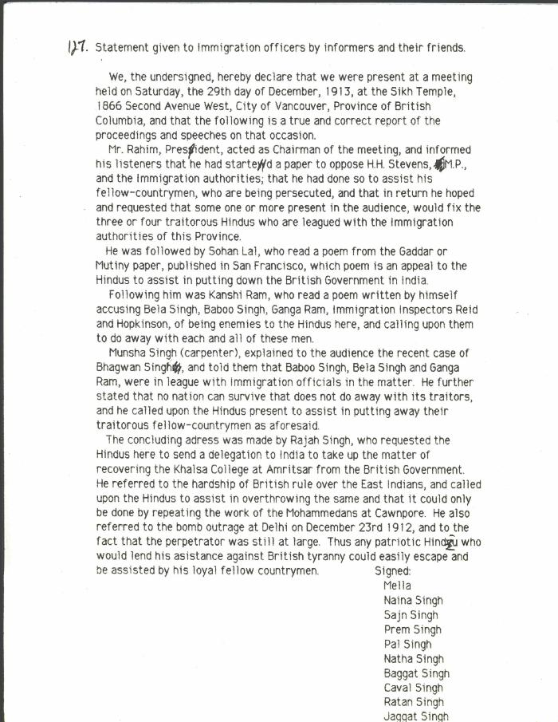
 | Statement given to Immigration officers by informers and their friends [re meeting by Husain Rahim and Sohan Lal] (2021_07_10323) | City of Vancouver Archives. Add. Mss. No. 69, Vol. 1
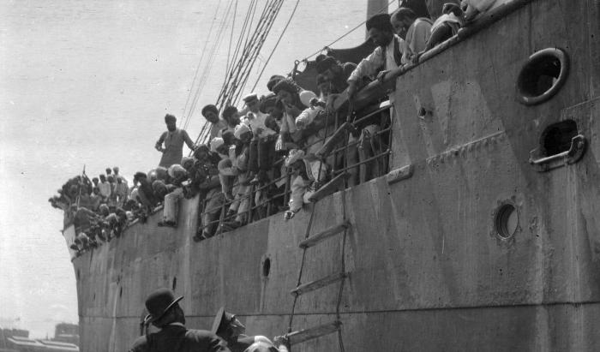 | S. S. 'Komagata Maru' (2021_07_10612) | City of Vancouver Archives. Item number CVA 7-123
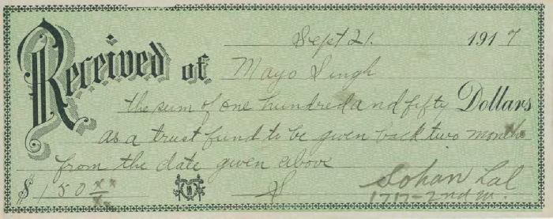 | [Receipt to Mayo Singh in the sum of $150] (2020_05_01_06_055) | Receipt from Mayo Singh of $150 as a trust fund to be given back two months from the date given next- September 21, 1917. The amount is received by Sohan Lal.
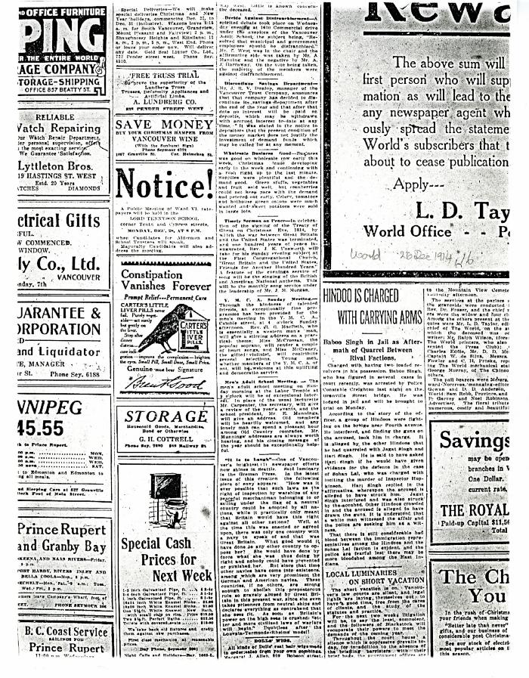
 | Newsclipping - Vancouver World: Hindoo is charged with carrying arms (2021_07_10429)
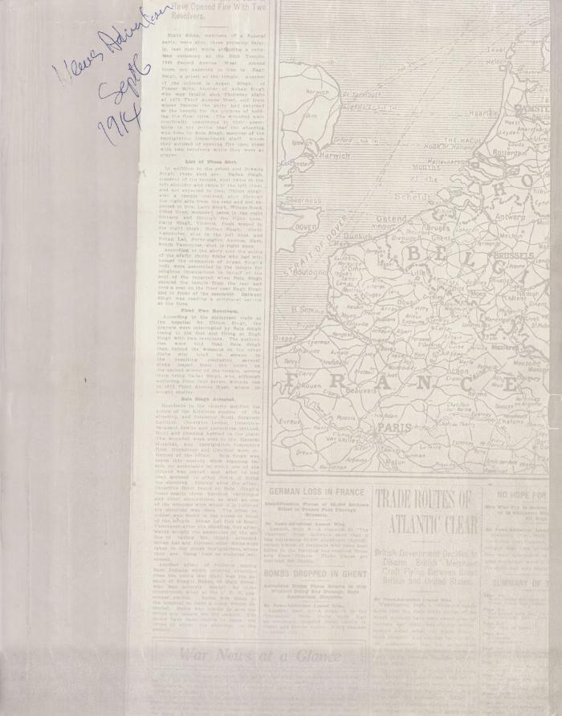
 | Newsclipping - Vancouver News-Advertiser: Eight Sikhs are shot at funeral. Page 1 (2021_07_10534)
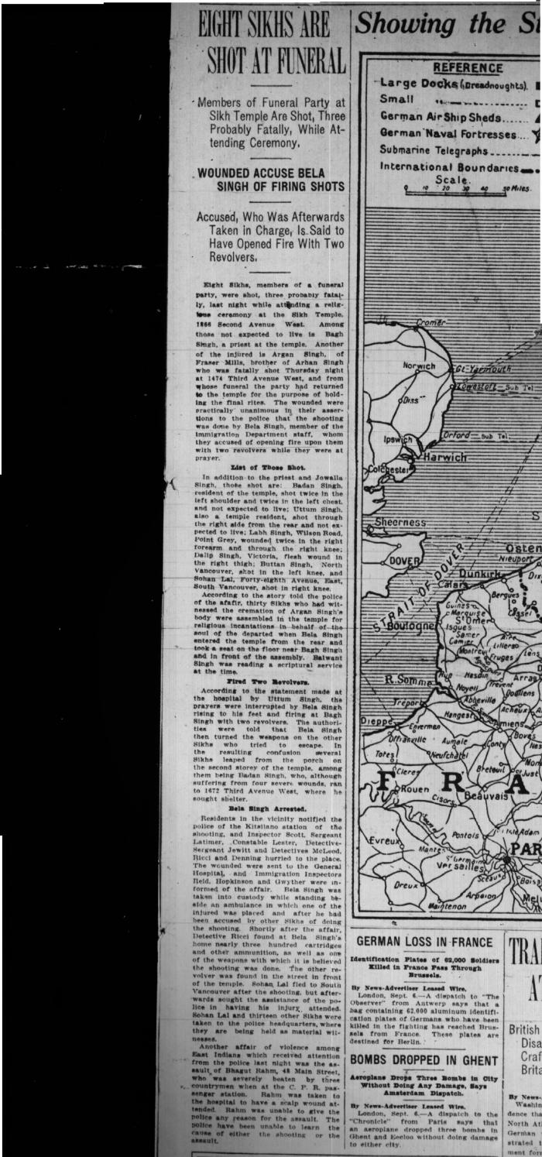
 | Newsclipping - Vancouver News-Advertiser: Eight Sikhs are shot at funeral. Page 1 (2021_07_10449)
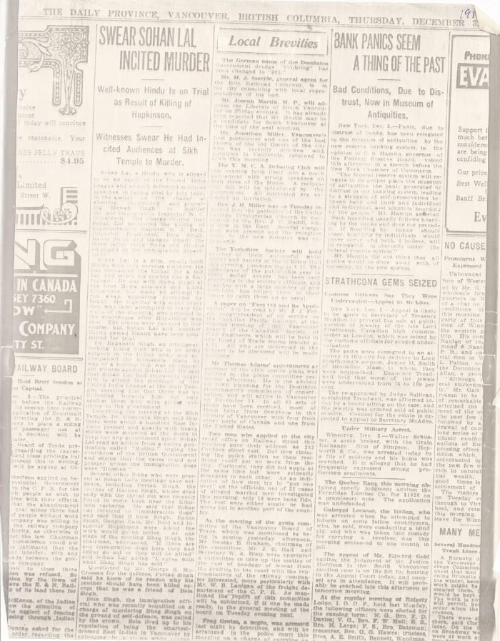
 | Newsclipping - Vancouver Daily Province: Swear Sohan Lal incited murder (2021_07_5503)
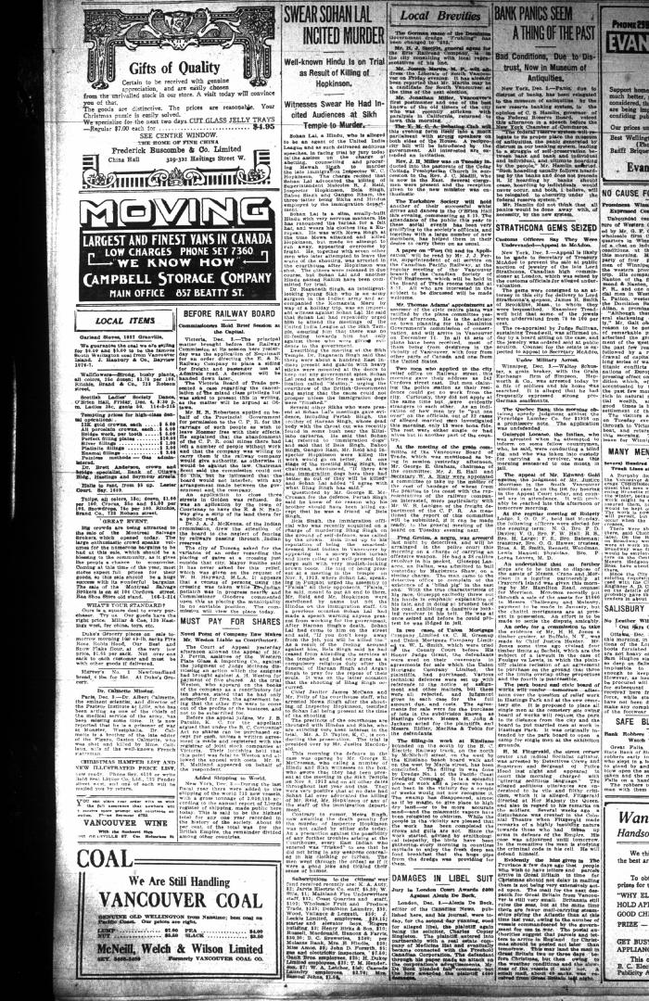
 | Newsclipping - Vancouver Daily Province: Swear Sohan Lal incited murder (2021_07_10464)
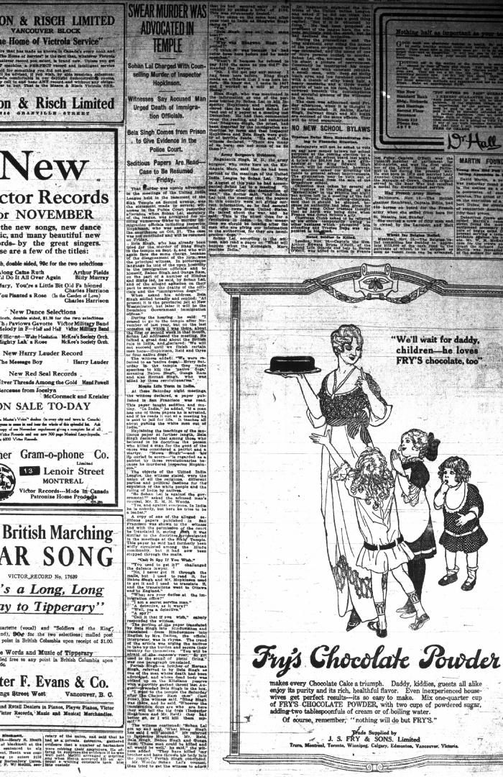
 | Newsclipping - Vancouver Daily Province: Swear murder was advocated in temple (2021_07_10461)
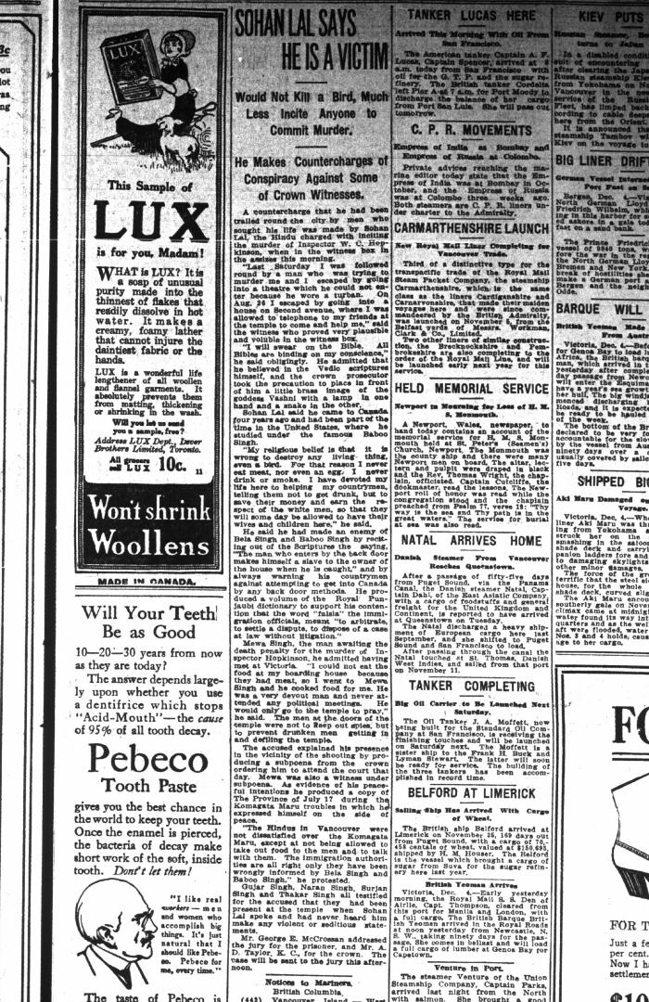
 | Newsclipping - Vancouver Daily Province: Sohan Lal says he is a victim. Page 17 (2021_07_10465)
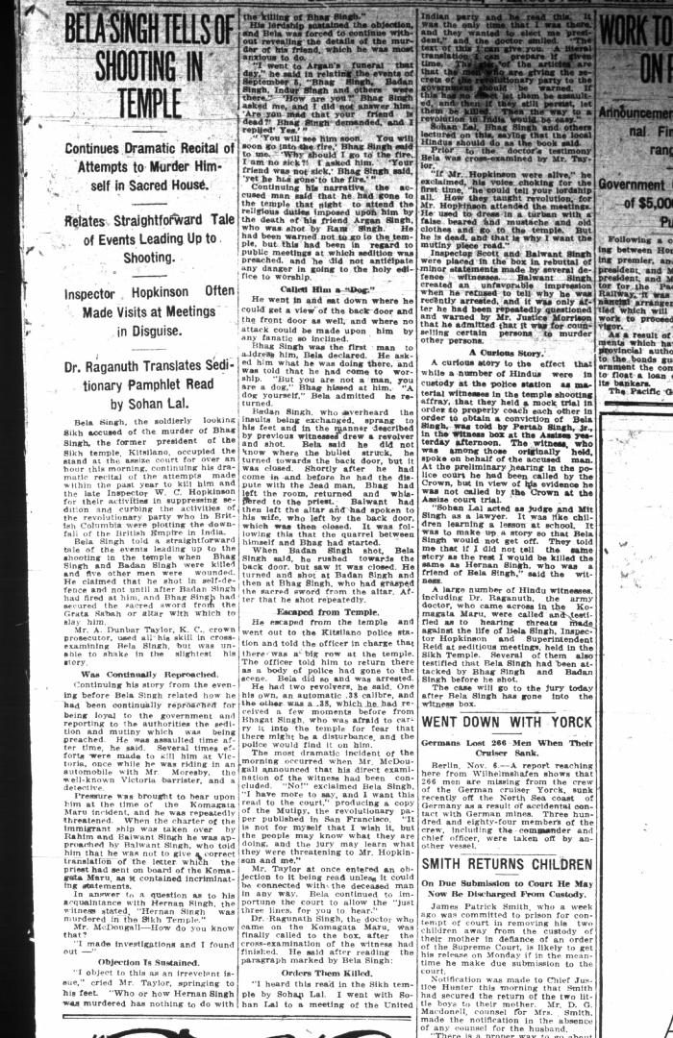
 | Newsclipping - Vancouver Daily Province: Bela Singh tells of shooting in temple. Page 7 (2021_07_10507) | Library and Archives Canada. RG7-G-21, Vol. 206, File 332, vol. 13 (b)
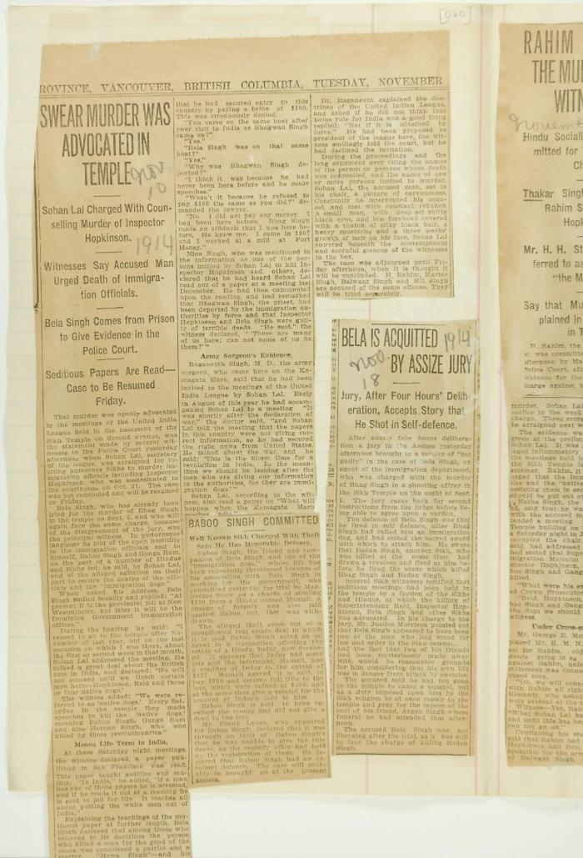
 | Newsclippings - Swear murder was advocated in temple; Baboo Singh committed; Bela is acquitted by assize jury (2021_07_4219) | Page 080
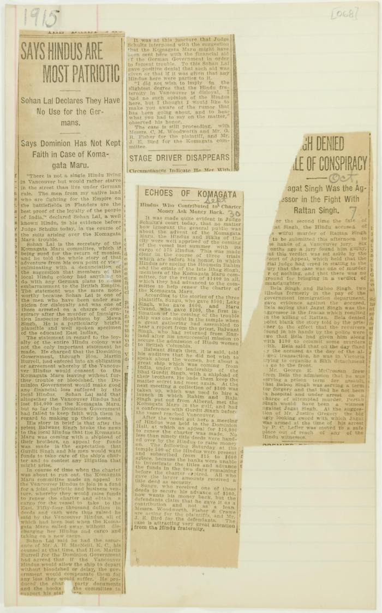
 | Newsclippings - Says Hindus are most patriotic; Echoes of Komagata; Singh denied [tale] of conspiracy (2021_07_10800)
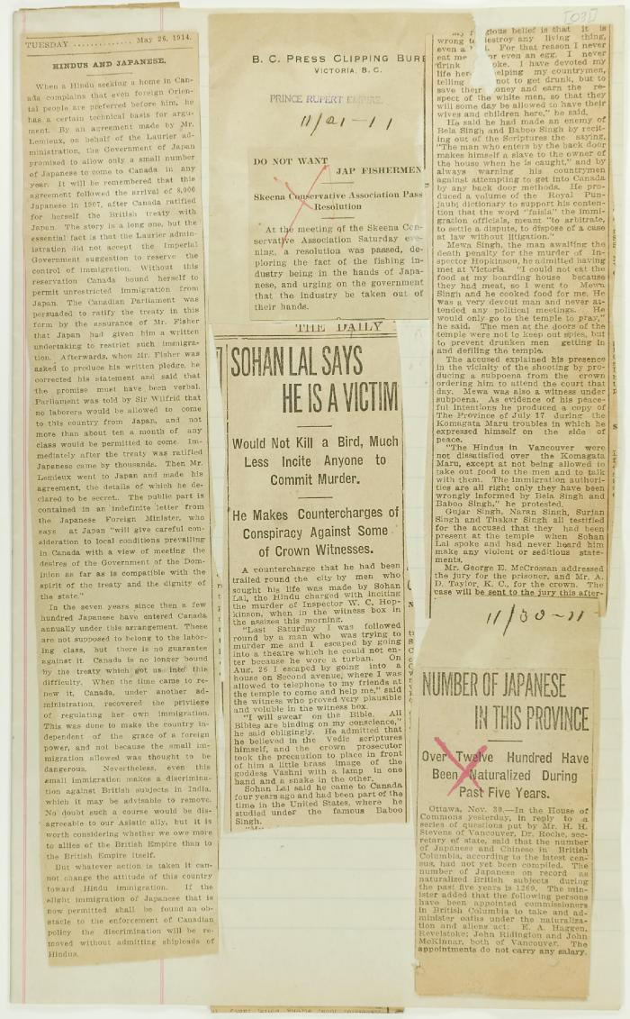
 | Newsclippings - Hindus and Japanese; Do not want Jap fishermen; Sohan Lal says he is a victim; Number of Japanese in this province (2021_07_10781)
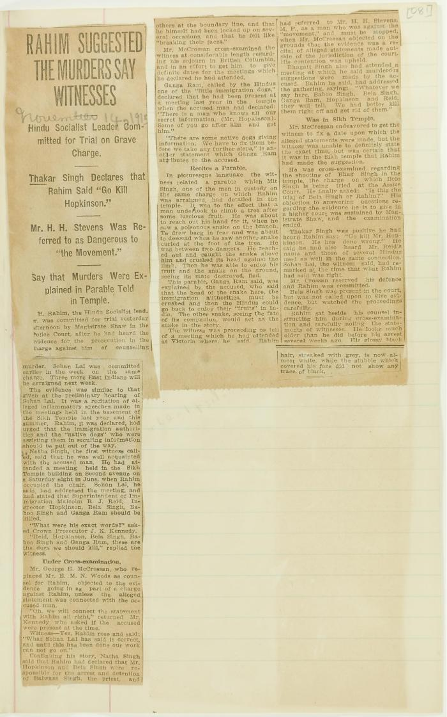
 | Newsclipping - Rahim suggested the murders say witnesses (2021_07_10806)
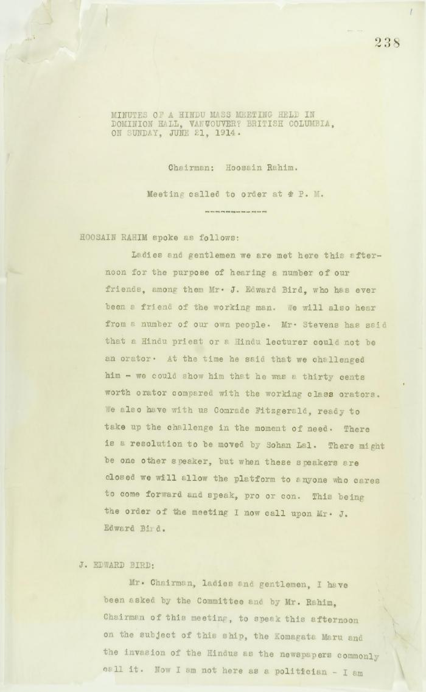
 | Minutes of a Hindu mass meeting held in Dominion Hall. Page 1-21 (2021_07_9506) | Page 238-259
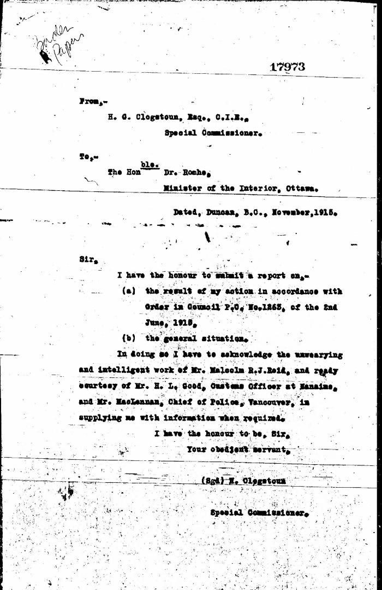
 | [Herbert C. Clogstoun, Special Commissioner. Report to Dr. William J. Roche, Minister of the Interior, on Mission to Vancouver re PC 1265 of 2 June, 1915, with respect to Komagata Maru] (2021_07_5377) | Library and Archives Canada. Borden Papers, 17838-17869, 17973-17978
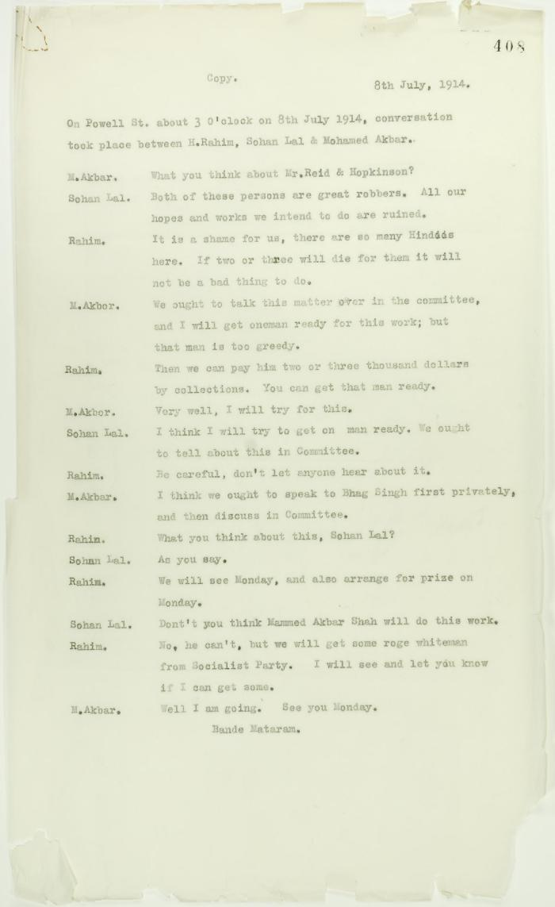
 | Copy of conversation between Hindus re Reid and Hopkinson (2021_07_10717) | Page 408

