Results
Image | Object | Description | Date
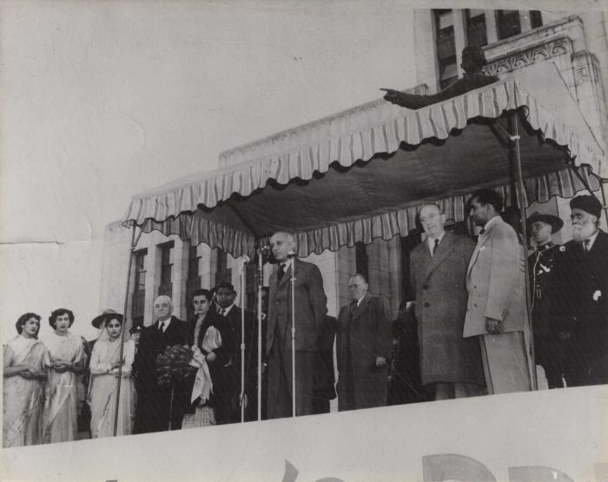 | [Jawaharlal Nehru speaking on stage in Canada] (2021_07_10262)
 | Pandit Nehru India's Premier visit to Vancouver, B.C. Nov. 2, 1949 (2021_07_10278)

