Results
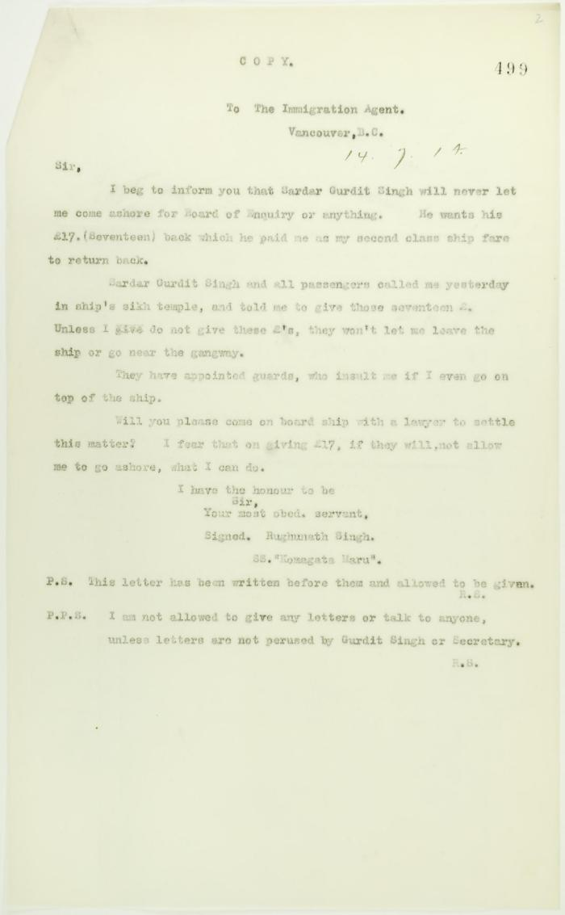

Image | Object | Description | Date
 | Copy of letter from Dr. Rughunath Singh to the Immigration Agent (2021_07_10758) | Page 499
 | Copy of letter from Dr. Singh to Reid (see p. 437) (2021_07_10727) | Page 438
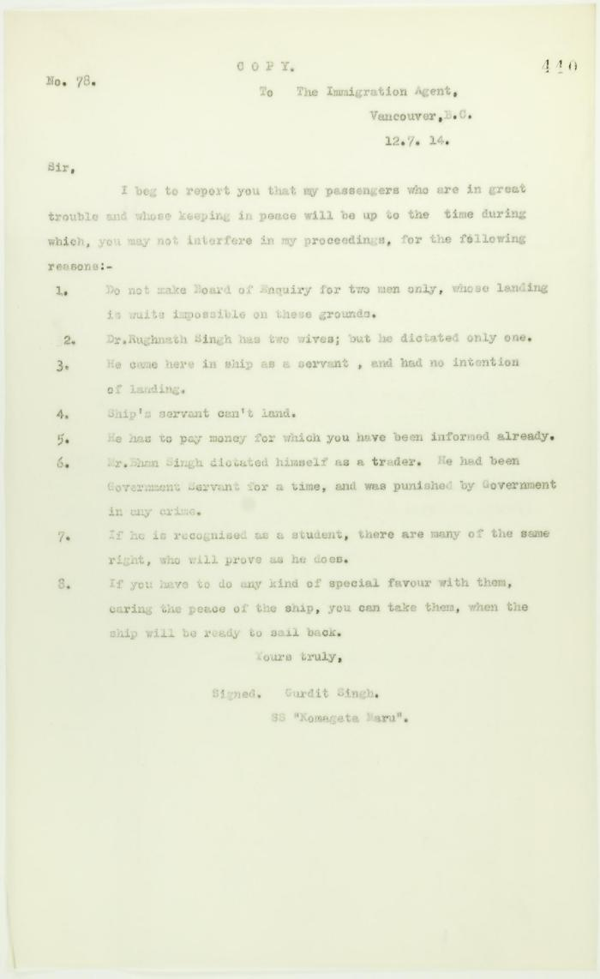
 | Copy of letter from Gurdit Singh to the Immigration Agent re special favours allegedly granted certain passengers (2021_07_10729) | Page 440
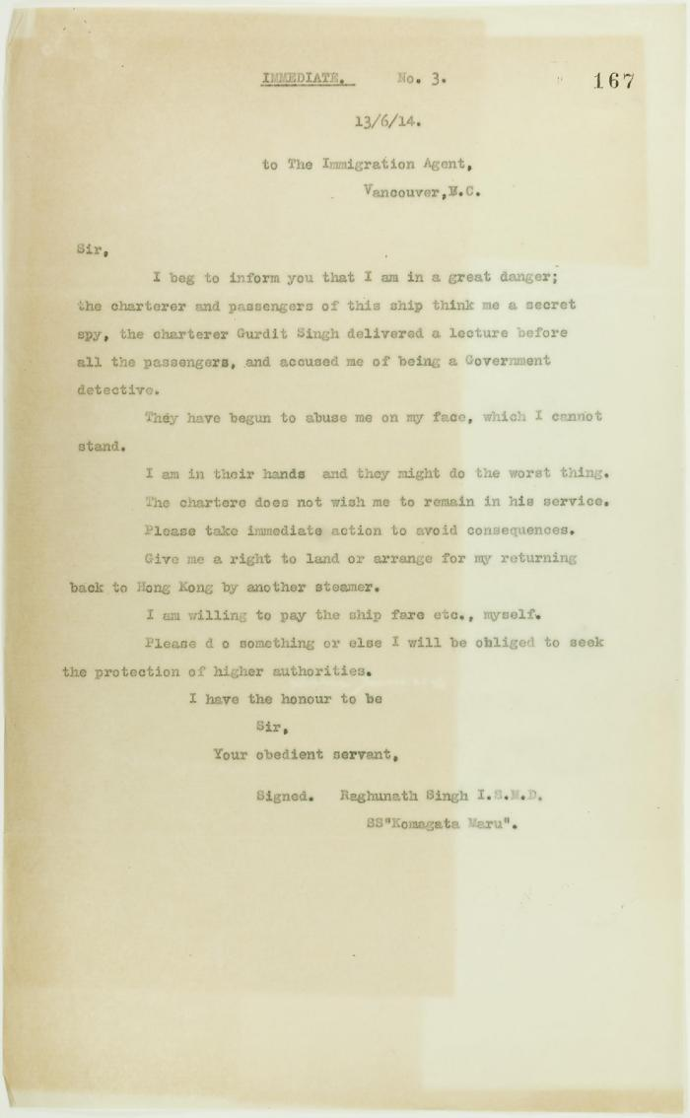
 | Copy of letter from Raghunath Singh requesting to be taken off the Komagatu Maru (2021_07_10707) | Page 167
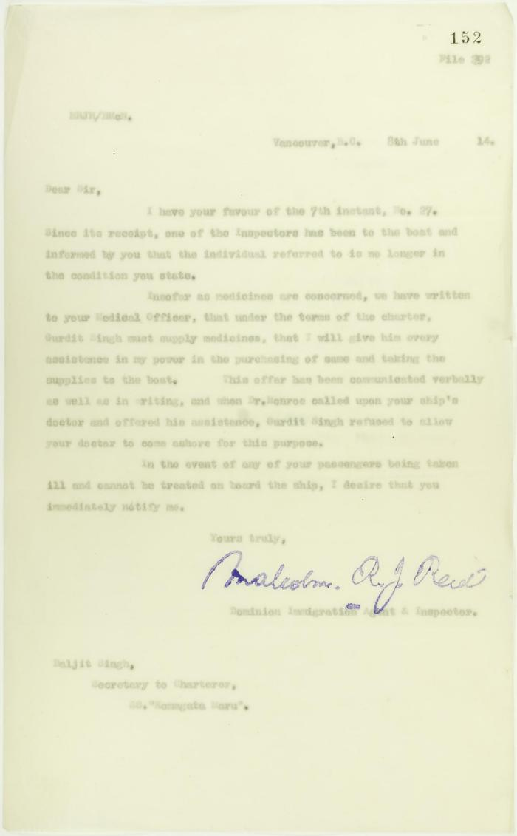
 | Copy of letter from Reid to Daljit Singh (see p. 146) (2021_07_10679) | Page 152
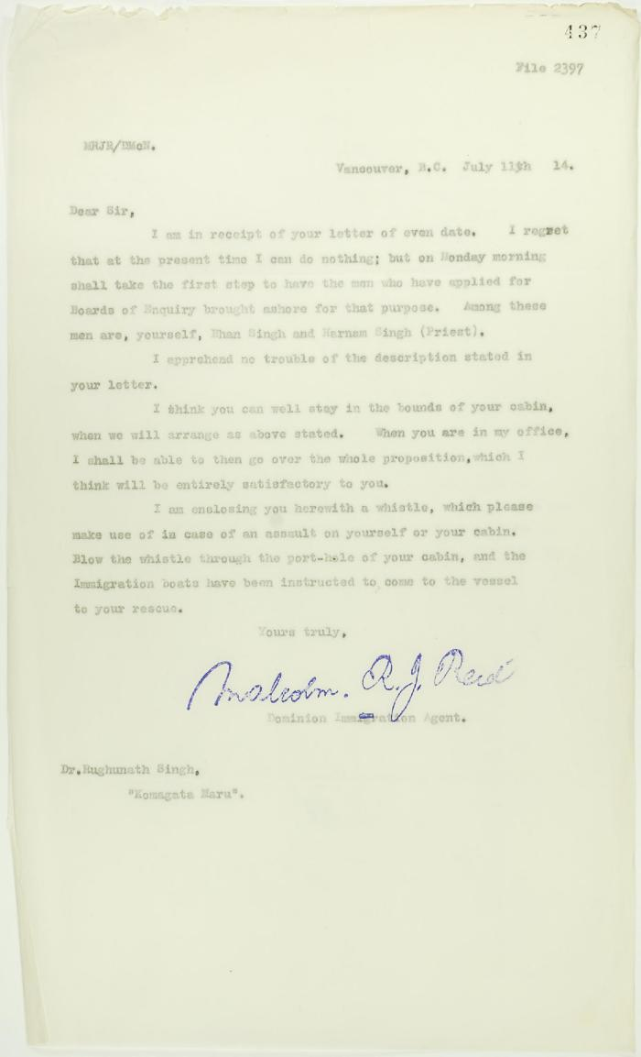
 | Copy of letter from Reid to Dr. Rughunath Singh re appearing before Board of Enquiry (2021_07_10725) | Page 437
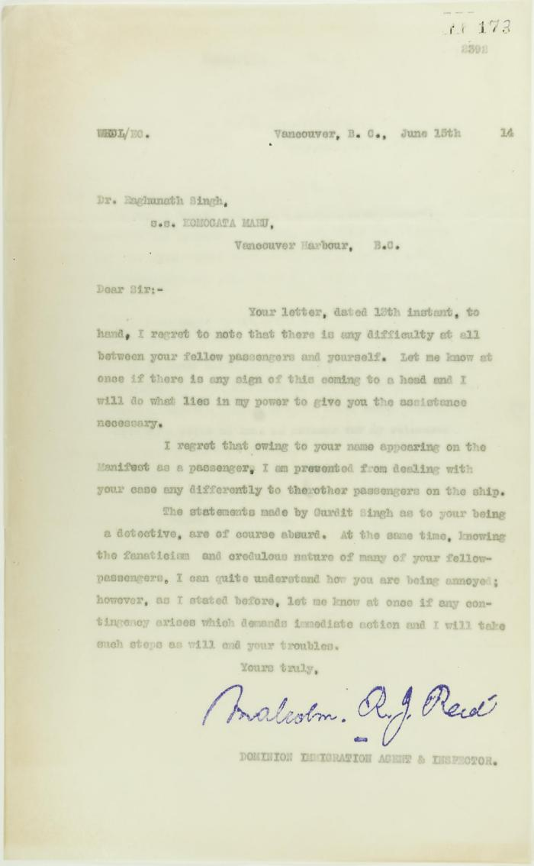
 | Copy of letter from Reid to Raghunath Singh (see p. 167) (2021_07_10691) | Page 173
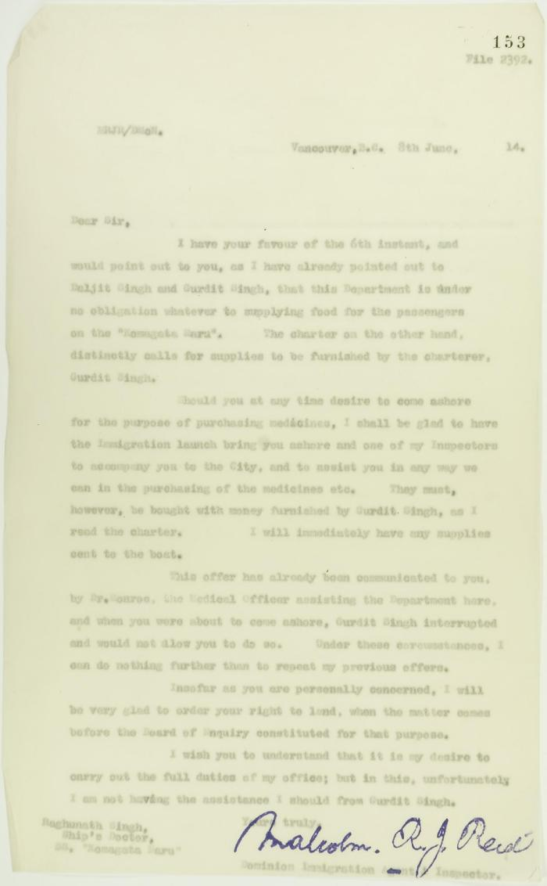
 | Copy of letter from Reid to Raghunath Singh, Ship's doctor, S. S. Komagatu Maru, re supplying of food and medicine (2021_07_10680) | Page 153

 | Copy of letter from Reid to W. D. Scott re activities of J. E. Bird. Page 1-3 (2021_07_324) | Page 409-411

 | Copy of letter from Reid to W. D. Scott re last details preceding departure. Page 1-5 (2021_07_1949) | Page 615-619

 | Copy of letter from Reid to W. D. Scott re transfer of charter from Gurdit Singh to two local Hindus (2021_07_10689) | Page 171
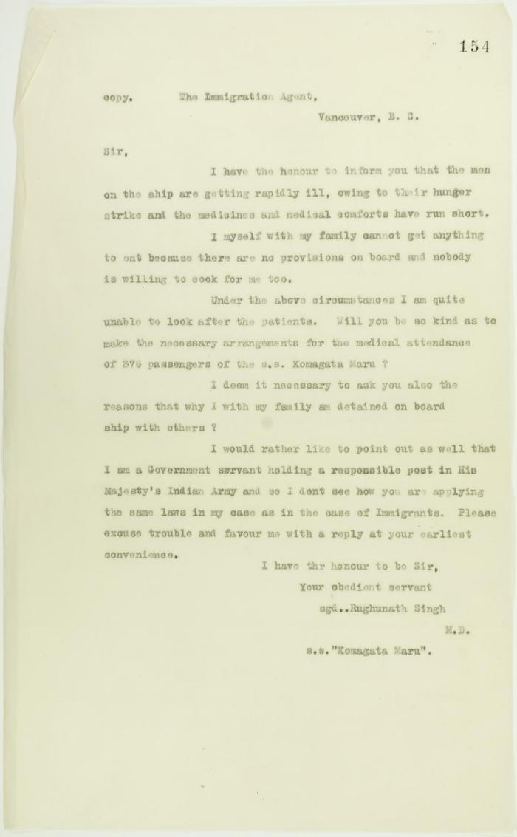
 | Copy of letter from Rughunath Singh to Reid re sickness on board, and re his own family's landing (2021_07_10681) | Page 154
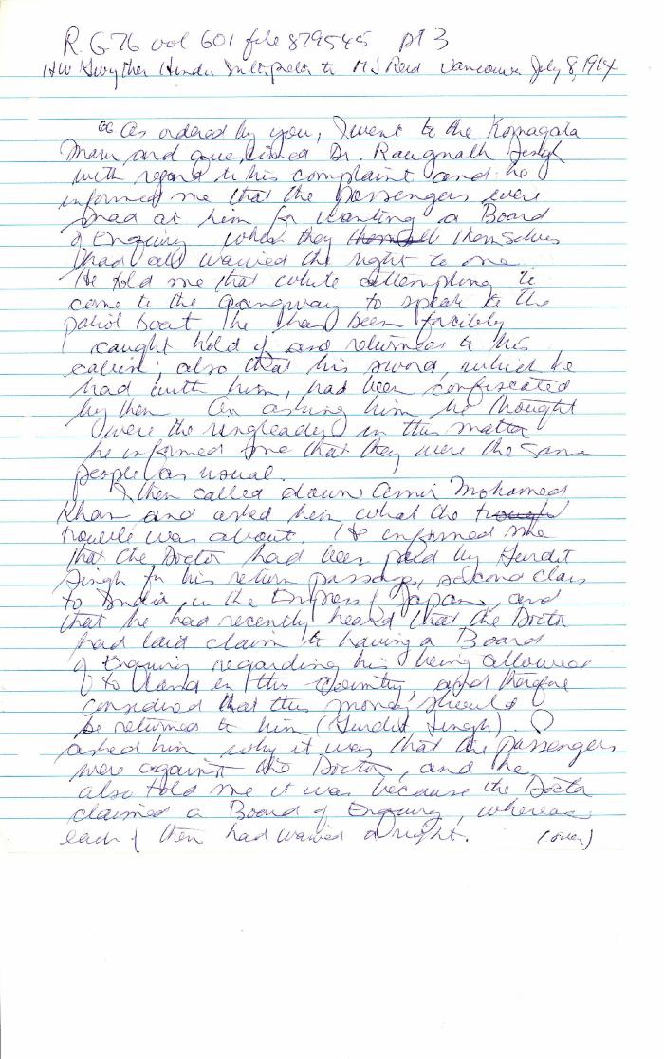
 | [Henry W. Gwyther, Hindu Interpreter, to Malcolm R. J. Reid, Dominion Immigration Agent] (2021_07_4671) | Library and Archives Canada. RG76, Vol. 261, File 875456, pt. 3

 | Letter from Daljit Singh to Reid re provisions (2021_07_10926) | Page 425

 | Letter from H. W. Gwyther, Interpreter, to Malcolm R. J. Reid re Gwyther's visit to the Komagata Maru (2021_07_10924) | Page 423

 | Letter from Passengers Committee to Reid re placement in Alberta (2021_07_10925) | Page 424

 | Letter from Passengers Committee to Reid re provisions (2021_07_10927) | Page 426
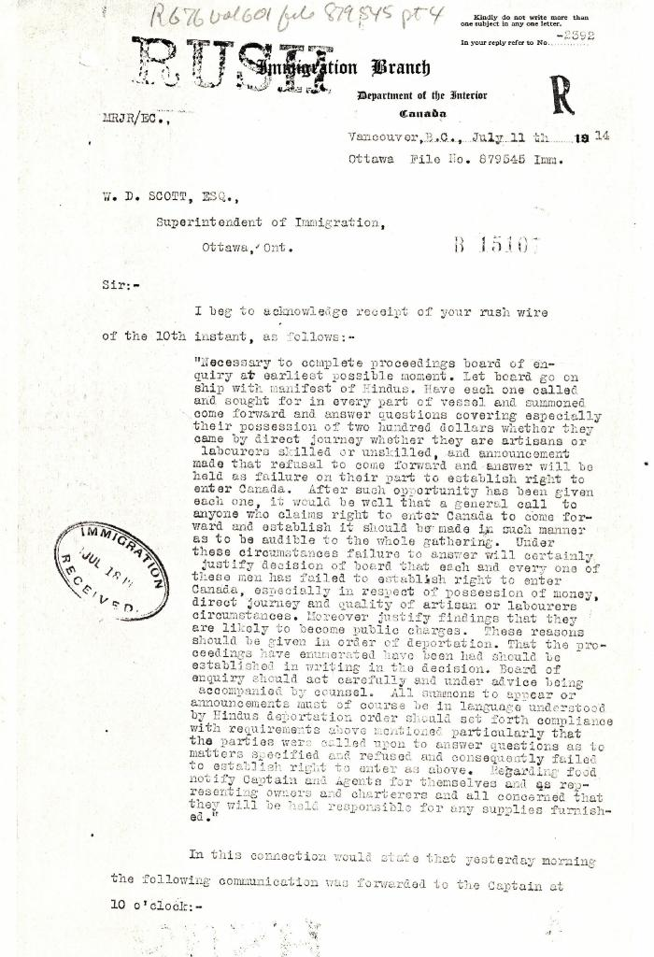
 | [Malcolm R. J. Reid, Dominion Immigration Agent, to William D. Scott, Superintendent of Immigration. Original] (2021_07_4689) | Library and Archives Canada. RG76, Vol. 601, File 879545, pt. 4
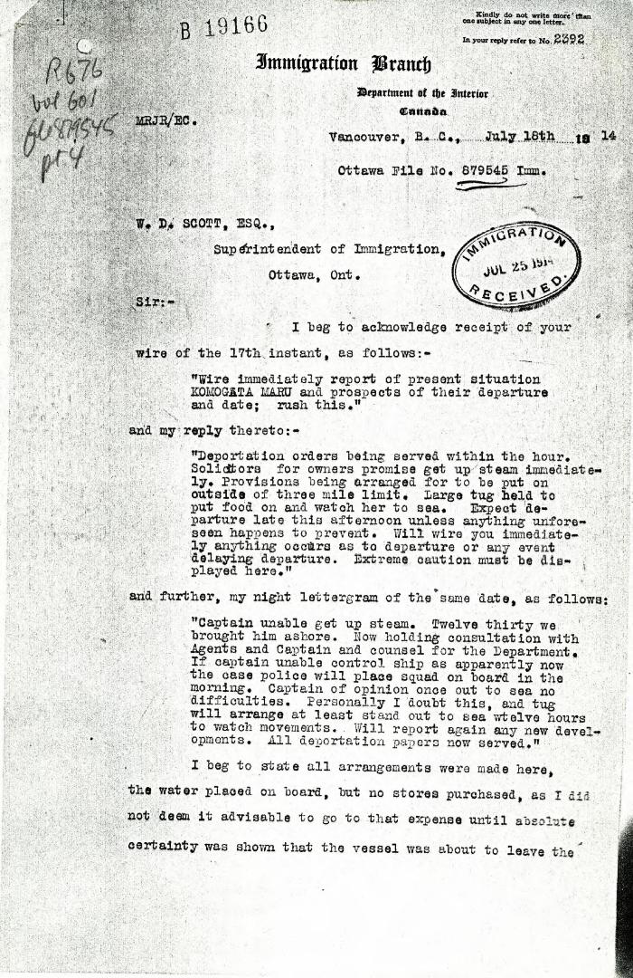
 | [Malcolm R. J. Reid, Dominion Immigration Agent, to William D. Scott, Superintendent of Immigration] (2021_07_4969) | Library and Archives Canada. RG76, Vol. 601, File 879545, pt. 4

 | [William C. Hopkinson, Immigration Inspector, to William W. Cory, Deputy Minister of the Interior. Copy] (2021_07_4641) | Library and Archives Canada. RG76, Vol. 601, File 879545, pt. 2

