Results
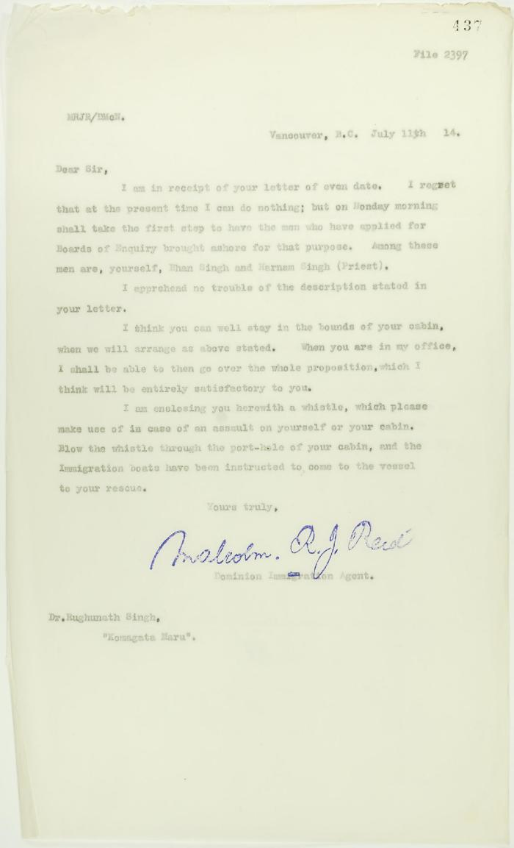
Image | Object | Description | Date
 | Copy of letter from Reid to Dr. Rughunath Singh re appearing before Board of Enquiry (2021_07_10725) | Page 437

