Results
Image | Object | Description | Date
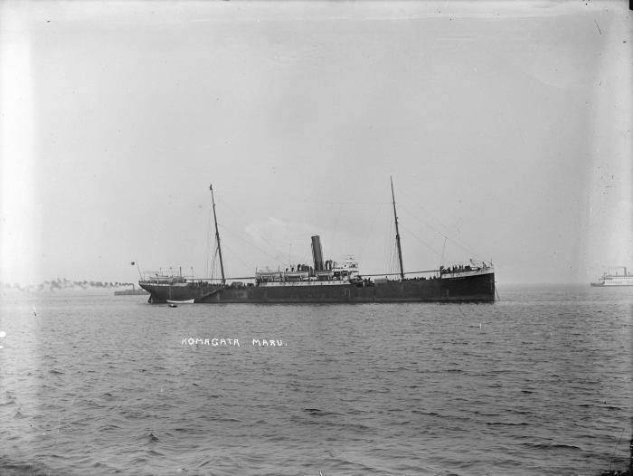 | ['Komagata Maru' in Vancouver harbour] (2021_07_10624) | City of Vancouver Archives. Item number LGN 1034

