Results
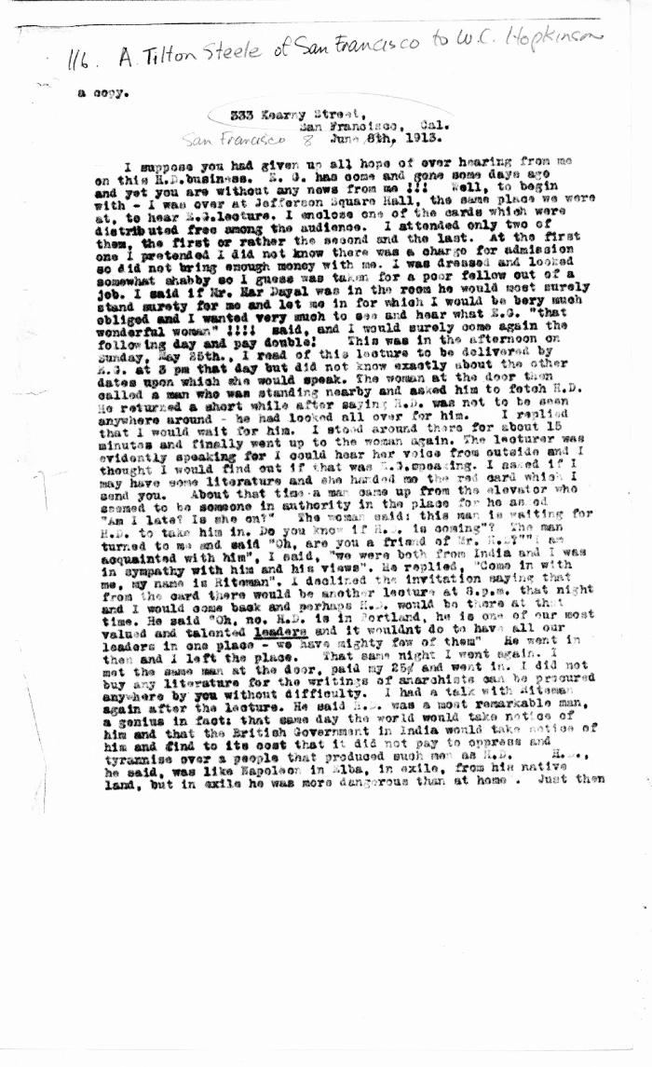
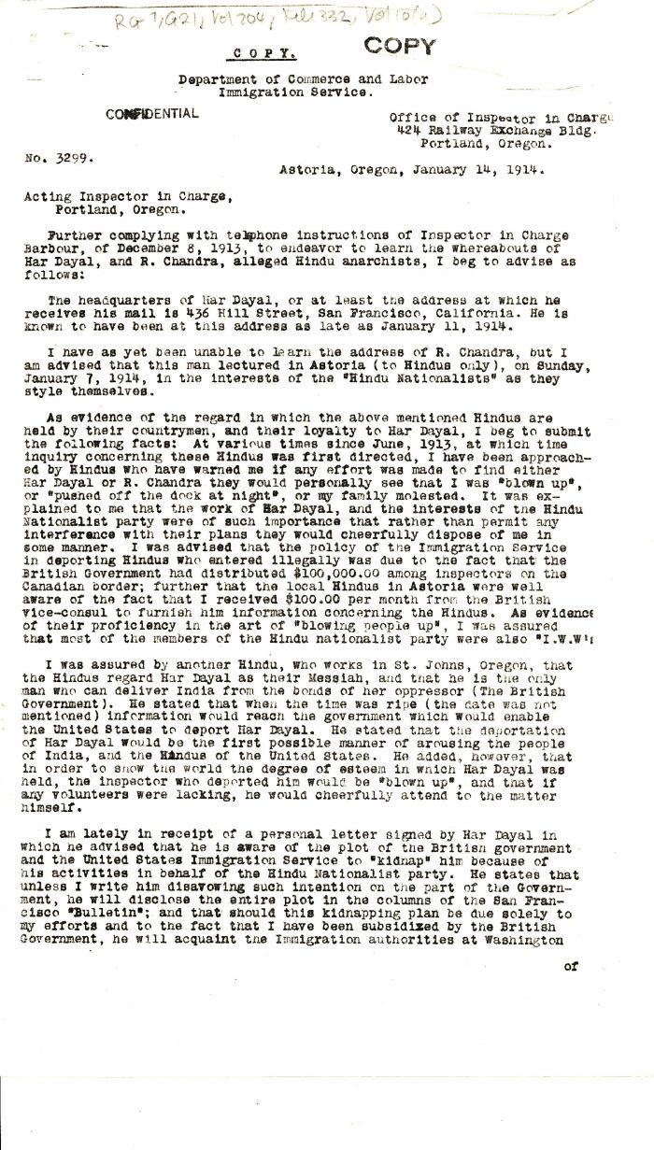
Image | Object | Description | Date
 | [Arthur Tilton Steele, San Francisco, to William C. Hopkinson, Immigration Inspector. Copy] (2021_07_4508) | Library and Archives Canada. RG7-G-21, Vol. 202, File 332, vol. 7 (a)
 | [Charles H. Reily, Immigration Inspector, to Acting Inspector in Charge, Portland, Oregon. Copy] (2021_07_4936) | Library and Archives Canada. RG7-G-21, Vol. 204, File 332, vol. 10 (a)
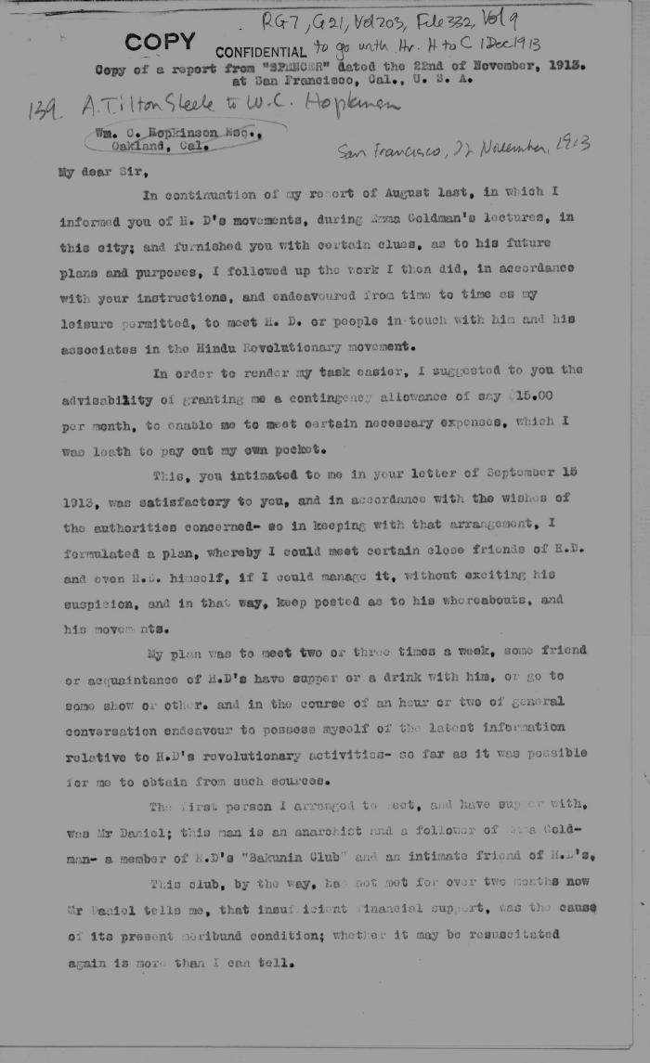
 | [Extract from Arthur Tilton Steele, San Francisco, to William C. Hopkinson. Copy] (2021_07_4536) | Library and Archives Canada. RG7-G-21, Vol. 203, File 332, vol. 9
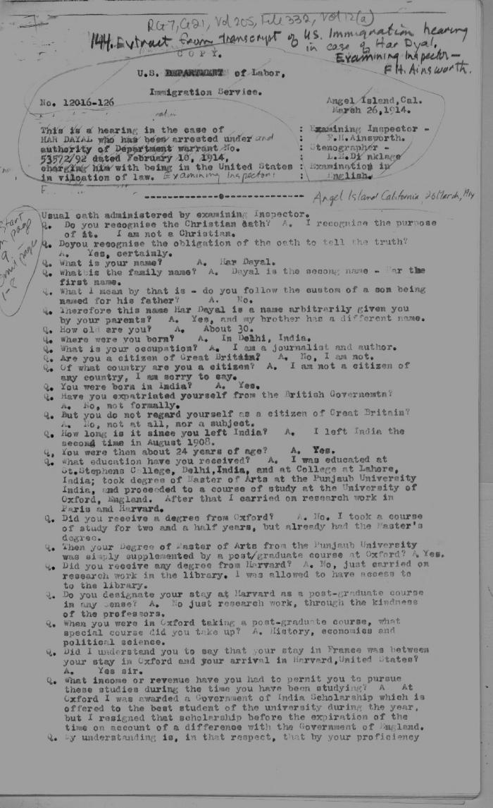
 | [Extract from transcript of U.S. Immigration hearing in the case of Har Dayal. Examining Inspector, F. H. Ainsworth. Copy] (2021_07_4581) | Library and Archives Canada. RG7-G-21, Vol. 205, File 332, vol. 12 (a)
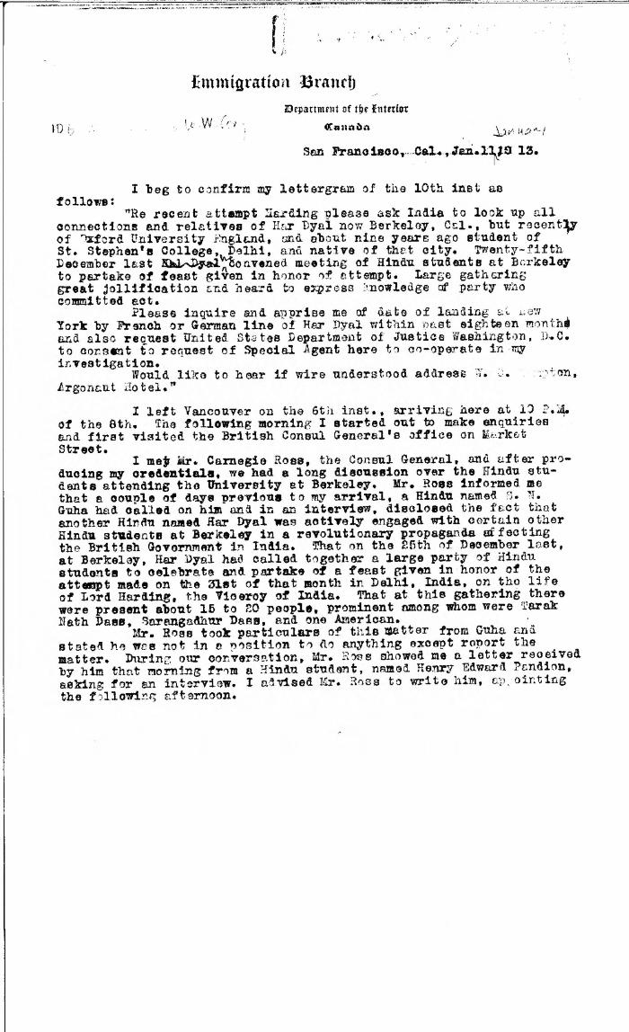
 | [Extract from William C. Hopkinson, Immigration Inspector, to William W. Cory, Deputy Minister of the Interior. Copy] (2021_07_4491) | Library and Archives Canada. RG7-G-21, Vol. 203, File 332, vol. 7 (b)
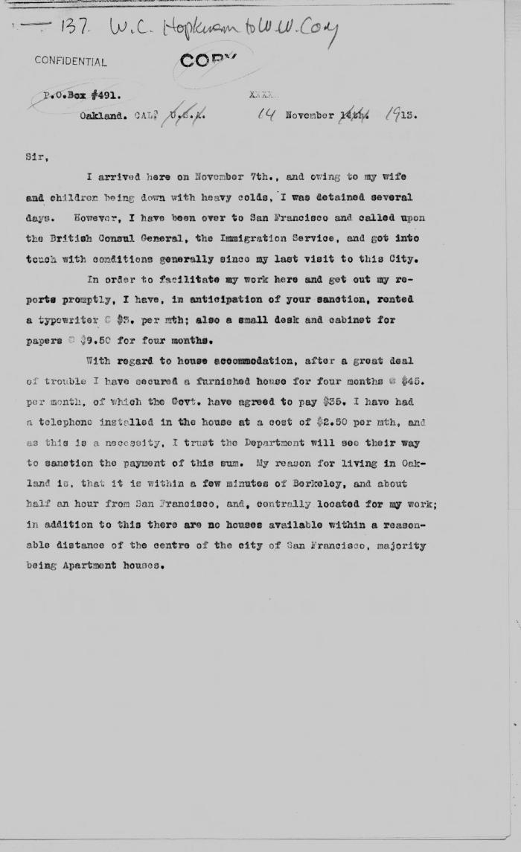
 | [Extract from William C. Hopkinson, Immigration Inspector, to William W. Cory, Deputy Minister of the Interior. Copy] (2021_07_4529) | Library and Archives Canada. RG7-G-21, Vol. 203, File 332, vol. 9
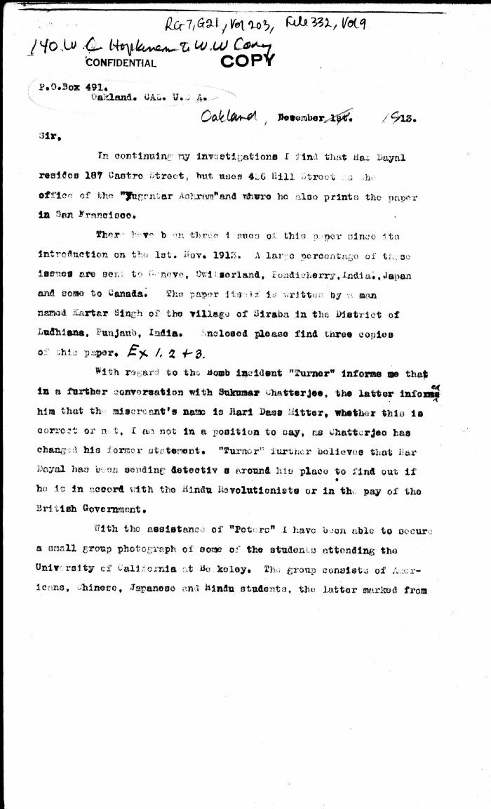
 | [Extract from William C. Hopkinson, Immigration Inspector, to William W. Cory, Deputy Minister of the Interior. Copy] (2021_07_4542) | Library and Archives Canada. RG7-G-21, Vol. 203, File 332, vol. 9
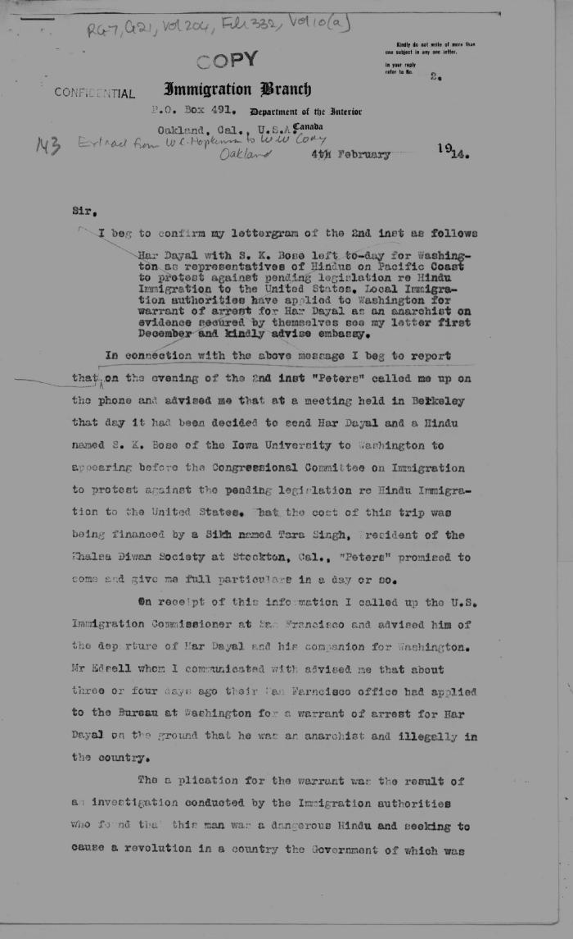
 | [Extract from William C. Hopkinson, Immigration Inspector, to William W. Cory, Deputy Minister of the Interior. Copy] (2021_07_4560) | Library and Archives Canada. RG7-G-21, Vol. 204, File 332, vol. 10 (a)
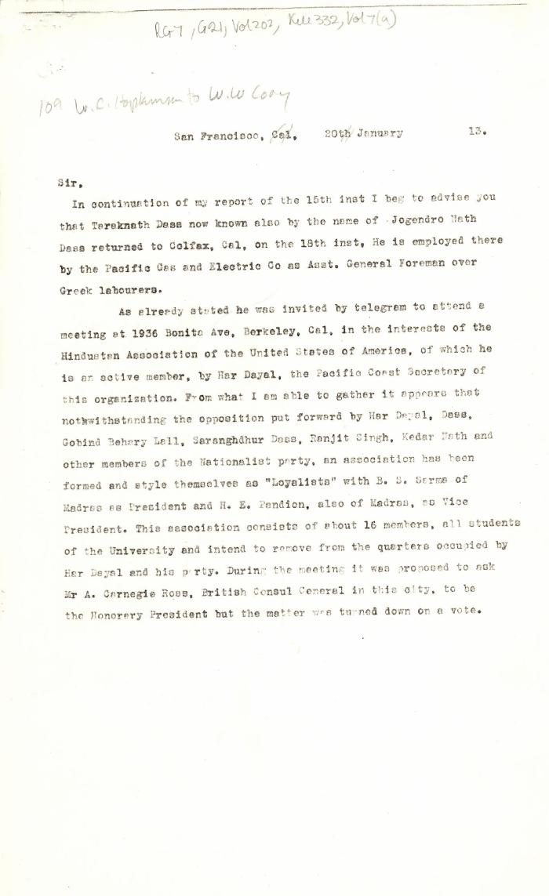
 | [Extract from William C. Hopkinson, Immigration Inspector, to William W. Cory, Deputy Minister of the Interior] (2021_07_4505) | Library and Archives Canada. RG7-G-21, Vol. 202, File 332, vol. 7 (a)
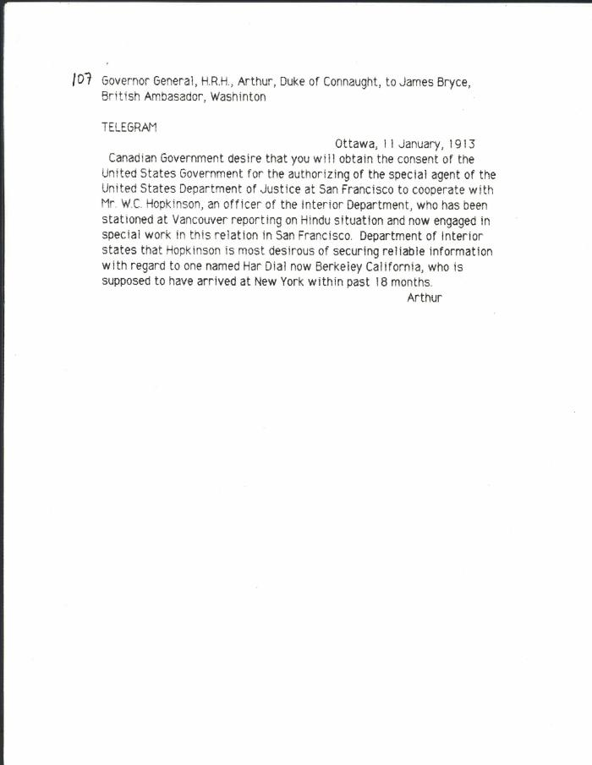
 | [Governor General, H. R. H. Prince Arthur, Duke of Connaught, to James Bryce, British Ambassador, Washington, re Hopkinson's work in California] (2021_07_10313) | Library and Archives Canada. RG7-G-21, Vol. 203, File 332, vol. 7 (b)
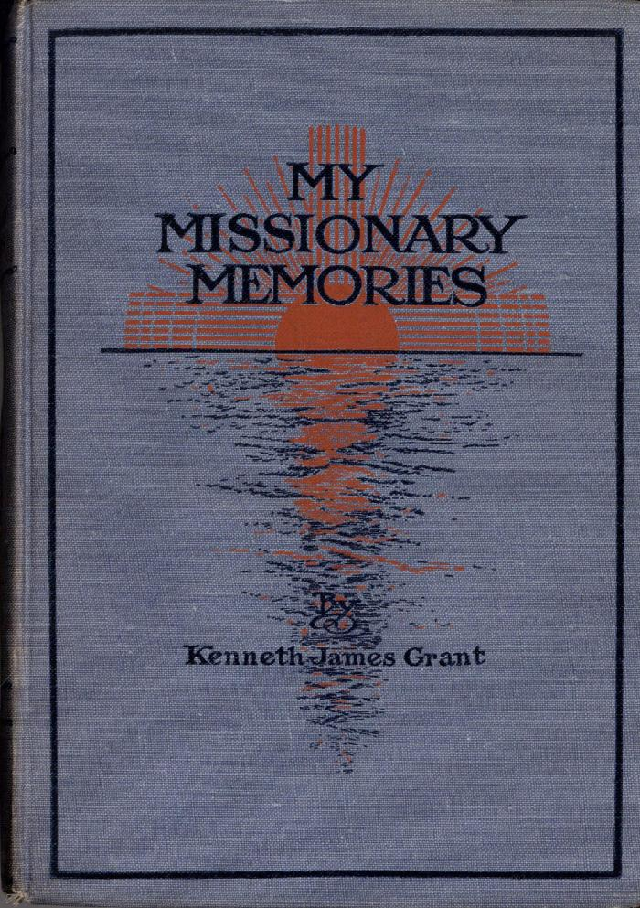
 | My Missionary Memories (Excerpts) (2021_07_6027)
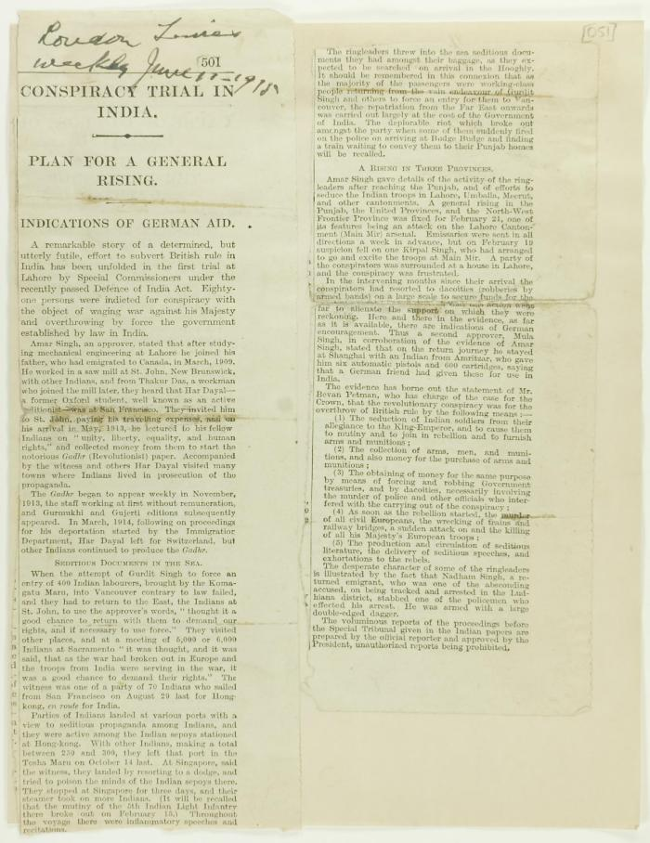
 | Newsclipping - Conspiracy trial in India (2021_07_10787)
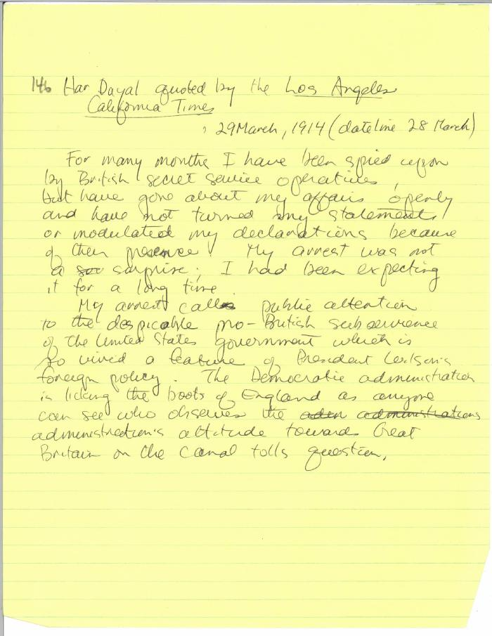
 | Newsclipping - Los Angeles California Times: A servant, says Dyal (2021_07_10325)
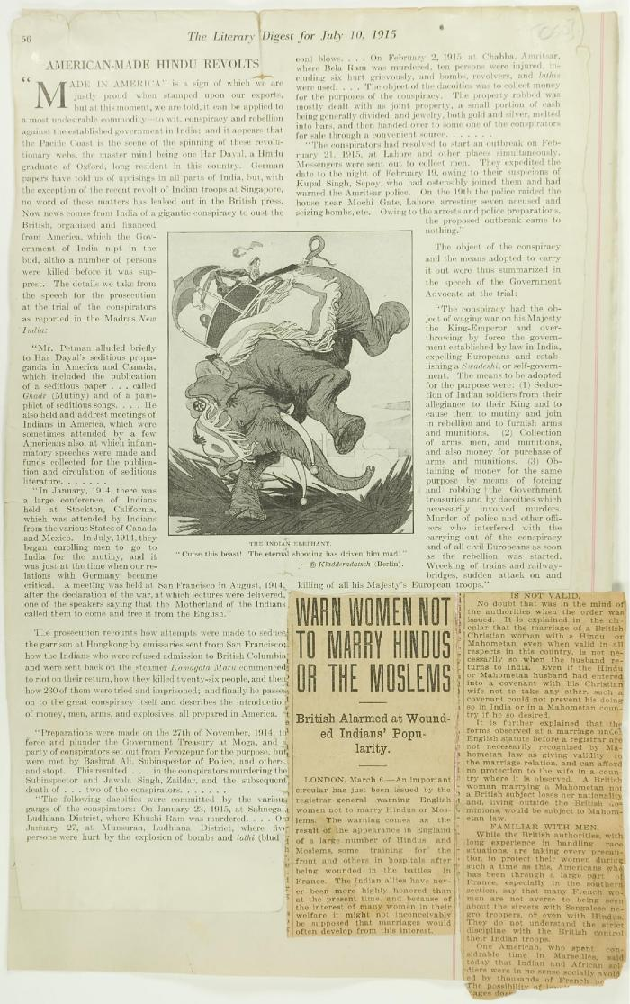
 | Newsclippings - American-made Hindu revolts; Warn women not to marry Hindus or the Moslems (2021_07_10786)
 | Newsclipping - San Francisco Chronicle: Hindoo suspect is taken by U.S. agents (2021_07_10424) | Library and Archives Canada. RG7-G-21, Vol. 205, File 332, vol. 11 (b)
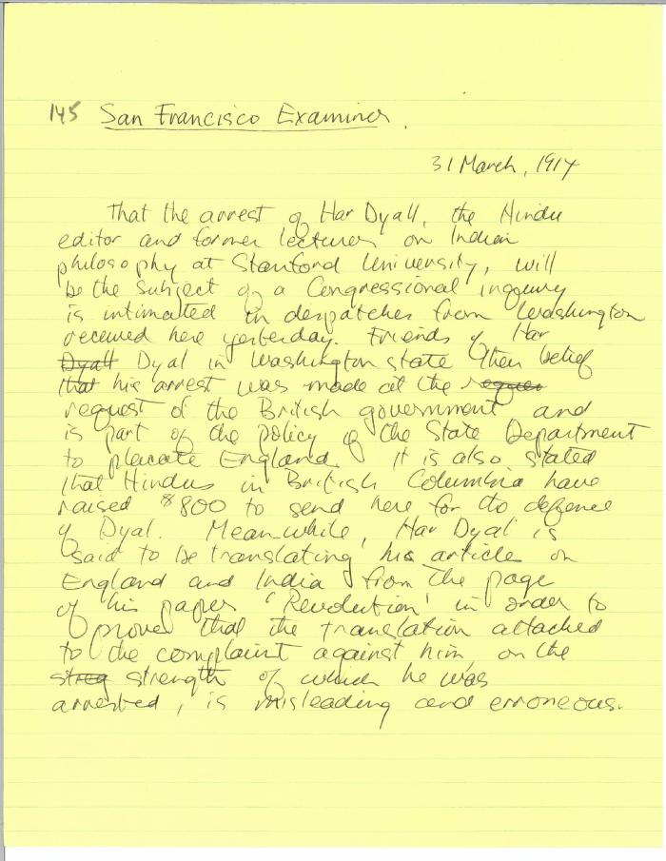
 | Newsclipping - San Francisco Examiner: [article on Har Dayal] (2021_07_10326)

 | Note on the Hindu Revolutionary Movement in Canada (2021_07_5232) | Library and Archives Canada. RG76, Vol. 386, File 536999, pt. 11
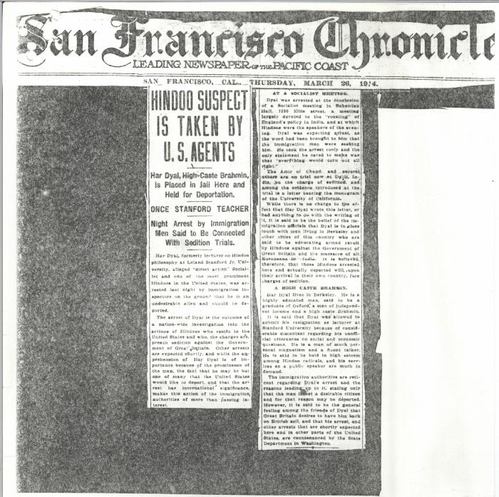 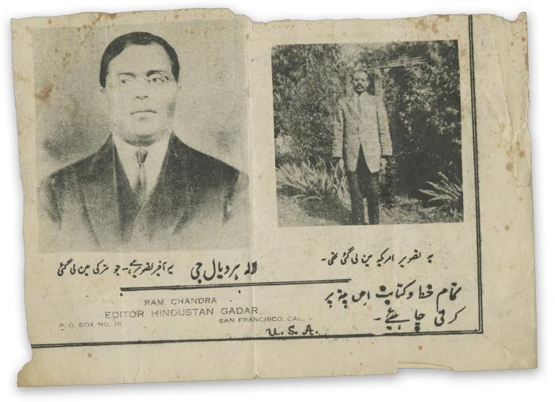 | Ram Chandra : editor Hindustan Gadar (2021_05_069) | A news clipping featuring two photographs of Har Dayal.
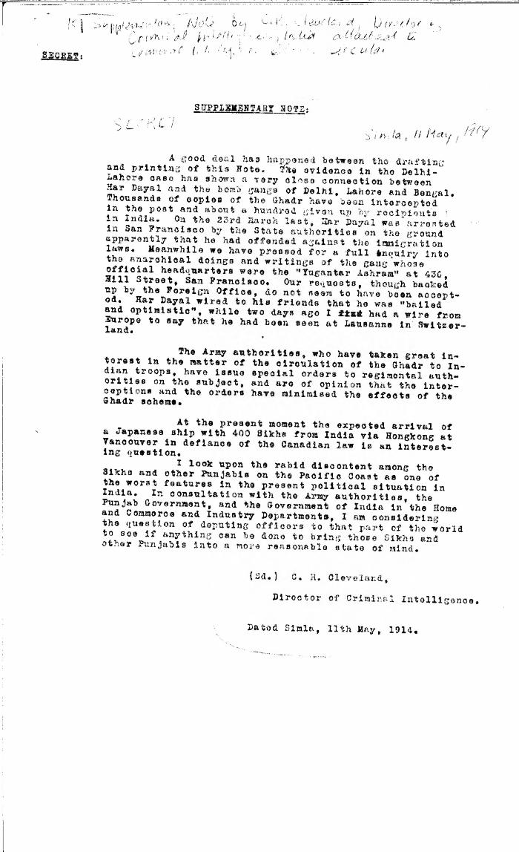
 | Supplementary note [by C. R. Cleveland, Director of Criminal Intelligence, India, re Har Dayal's involvement in bomb gangs in India] (2021_07_10328) | Library and Archives Canada. RG7-G-21, Vol. 205, File 332, vol. 12 (b)
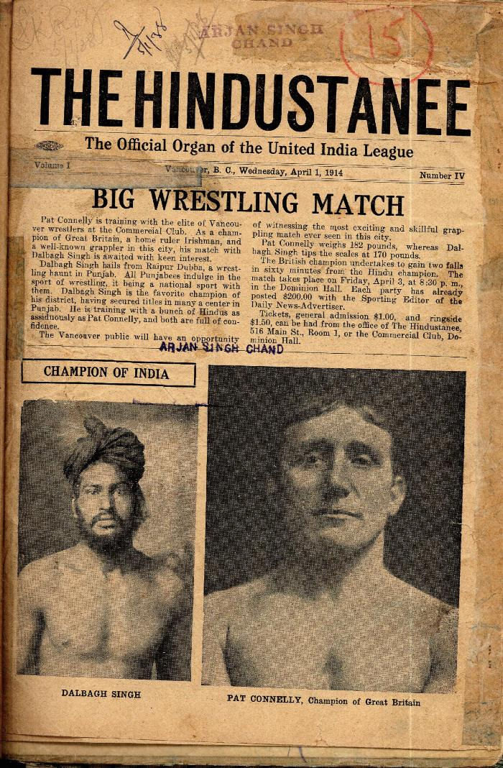
 | The Hindustanee. Vol. 1, no. IV (2021_07_2034) | Taken from a scrapbook created by Arjan Singh Chand.

 | The Voyage of the Komagata Maru: The Sikh Challenge to Canada's Colour Bar (2021_07_10930) | Hugh Johnston provided the first thoroughly researched study of the Komagata Maru event, basing his analysis on official accounts from both Canadian and Indian sources, as well as on the reminiscences of the only passenger still alive at the time the book was written. This book is still the landmark text on the Komagata Maru and diligently outlines the life for Indians at the turn of the 20th century, the reasons for chartering the Komagata Maru, revolutionary movements in North America, the riot at Budge Budge and the lives of many of the key players after the events of the Komagata Maru.
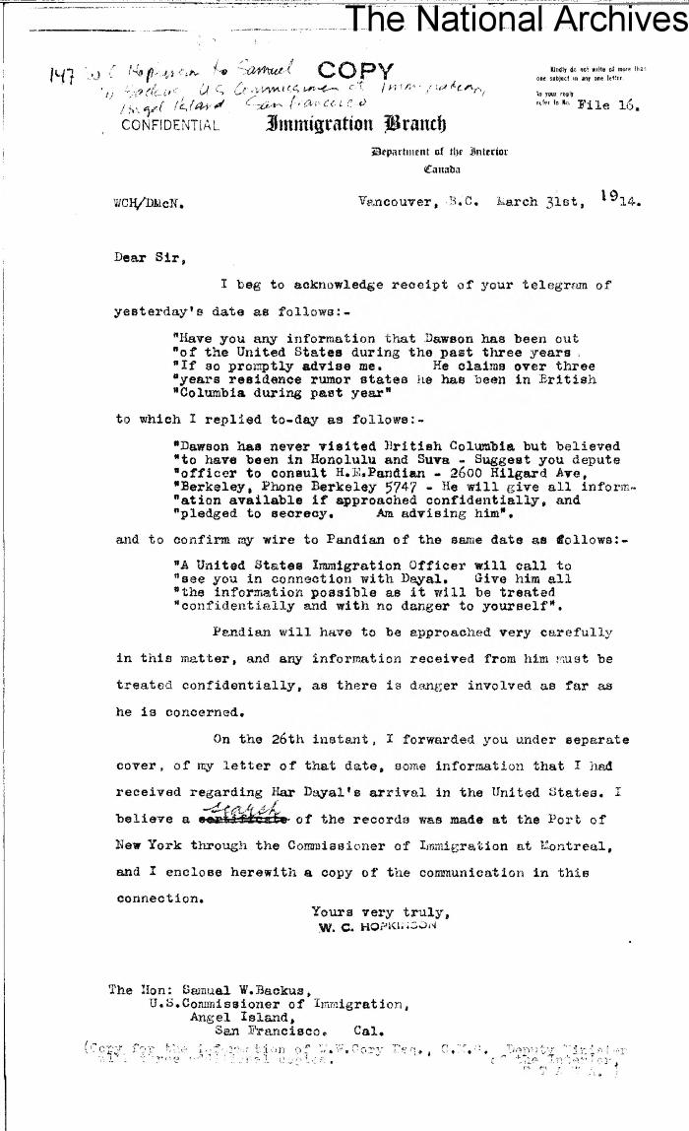
 | [William C. Hopkinson, Immigration Inspector, to Samuel W. Backus, Commissioner of U.S. Immigration, San Francisco, re Indian activities in Canada and United States. Copy] (2021_07_10327) | Library and Archives Canada. RG7-G-21, Vol. 205, File 332, vol. 11 (b)
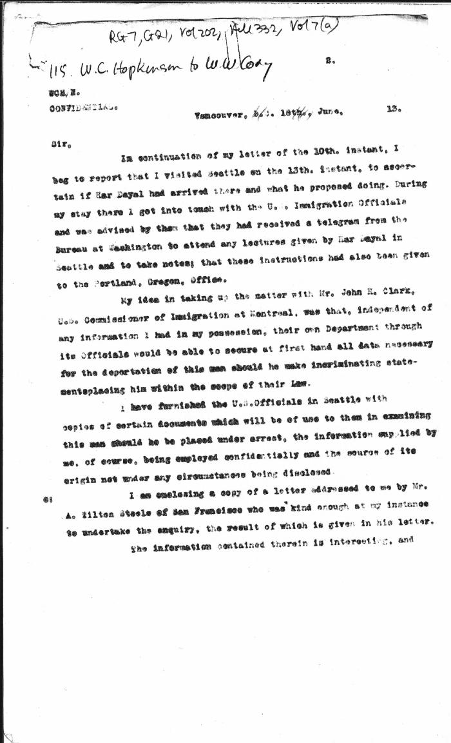
 | [William C. Hopkinson, Immigration Inspector, to William W. Cory, Deputy Minister of the Interior. Copy] (2021_07_4515) | Library and Archives Canada. RG7-G-21, Vol. 202, File 332, vol. 7 (a)
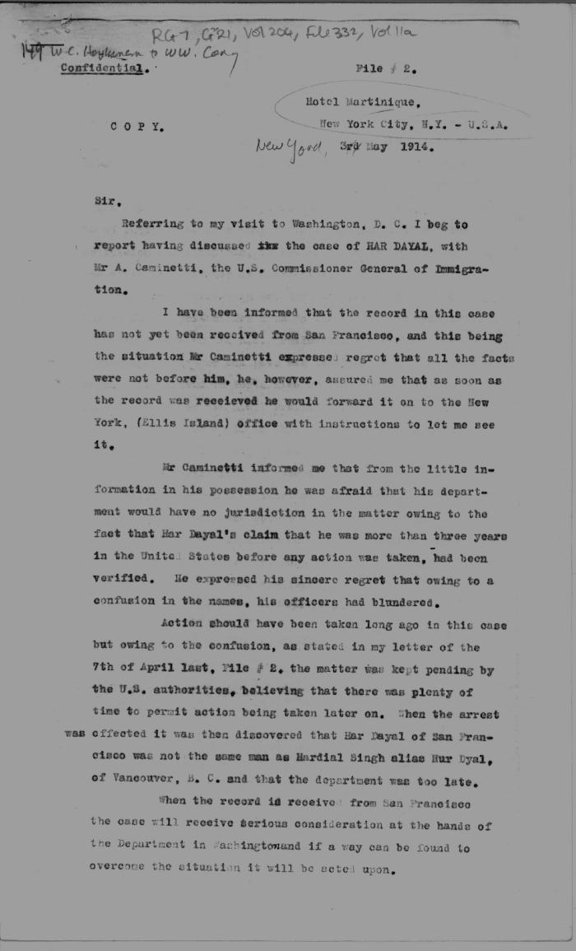
 | [William C. Hopkinson, Immigration Inspector, to William W. Cory, Deputy Minister of the Interior. Copy] (2021_07_4588) | Library and Archives Canada. RG7-G-21, Vol. 204, File 332, vol. 11 (a)
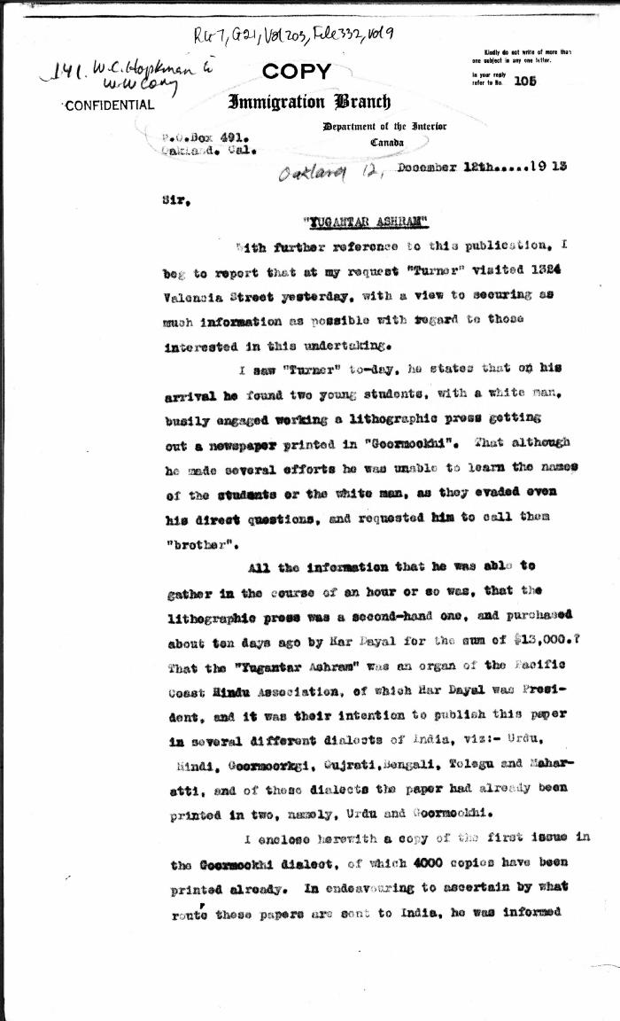
 | [William C. Hopkinson, Immigration Inspector, to William W. Cory, Deputy Minister of the Interior. Copy] (2021_07_4548) | Library and Archives Canada. RG7-G-21, Vol. 203, File 332, vol. 9
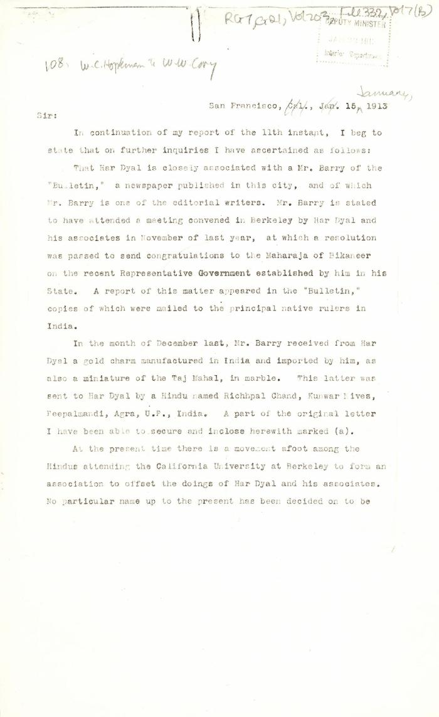
 | [William C. Hopkinson, Immigration Inspector, to William W. Cory, Deputy Minister of the Interior. Copy] (2021_07_4499) | Library and Archives Canada. RG7-G-21, Vol. 203, File 332, vol. 7 (b)

