Results
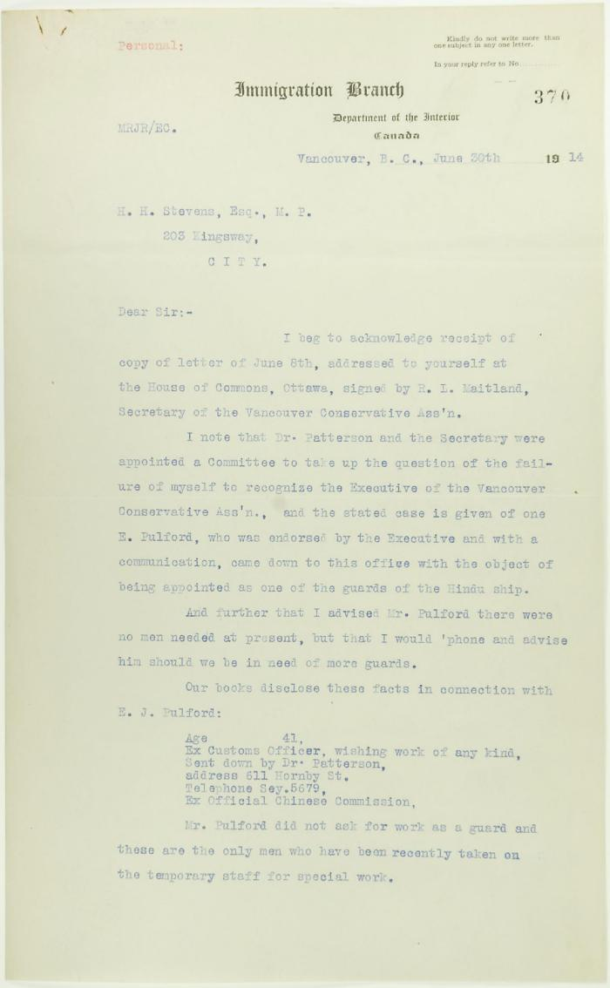
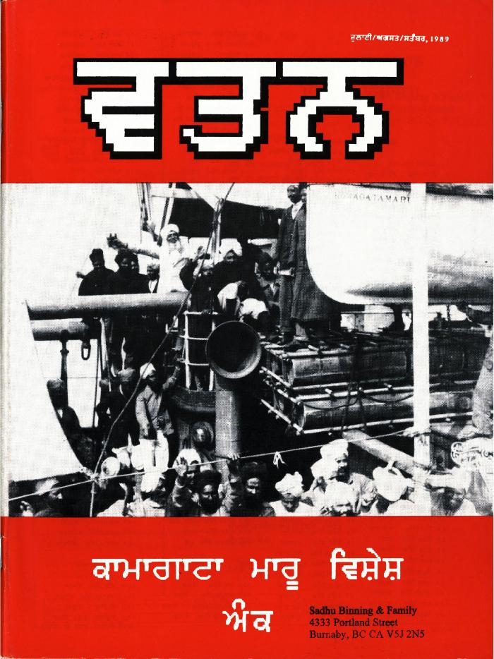
Image | Object | Description | Date
 | Letter from Reid to Stevens, answering complaints of the Vancouver Conservative Association. Page 1-5 (2021_07_15) | Page 370-374
 | Watan: A Quarterly of Punjabi Language, Literature, and Culture. Vol. 1, no. 1. (2021_07_678) | This first issue of Watan, a literary and cultural quarterly, discusses the Komagata Maru incident at its 75th anniversary. The journal includes articles, poetry, and historical material.,ਸਾਹਿਤੱਕ ਅਤੇ ਸਭਿਆਚਾਰਕ ਤ੍ਰੈਮਾਸਕ, ਵਤਨ ਦੇ ਇਸ ਪਹਿਲੇ ਅੰਕ ਵਿੱਚ, ਕਾਮਾਗਾਟਾ ਮਾਰੂ ਦੀ 75ਵੀਂ ਵਰ੍ਹੇਗੰਢ ਉਤੇ ਕਾਮਾਗਾਟਾ ਮਾਰੂ ਘਟਨਾ ਬਾਰੇ ਵਿਚਾਰ-ਵਟਾਂ।ਦਰਾ ਕੀਤਾ ਗਿਆ ਹੈ। ਤ੍ਰੈਮਾਸਕ ਪੱਤਰ ਵਿੱਚ ਪਰਚੇ, ਕਵਿਤਾਵਾਂ ਅਤੇ ਇਤਿਹਾਸਿਕ ਸਮੱਗਰੀ ਸ਼ਾਮਲ ਹੈ;ਸਾਹਿਤੱਕ ਅਤੇ ਸਭਿਆਚਾਰਕ ਤ੍ਰੈਮਾਸਕ, ਵਤਨ ਦੇ ਇਸ ਪਹਿਲੇ ਅੰਕ ਵਿੱਚ, ਕਾਮਾਗਾਟਾ ਮਾਰੂ ਦੀ 75ਵੀਂ ਵਰ੍ਹੇਗੰਢ ਉਤੇ ਕਾਮਾਗਾਟਾ ਮਾਰੂ ਘਟਨਾ ਬਾਰੇ ਵਿਚਾਰ-ਵਟਾਂ।ਦਰਾ ਕੀਤਾ ਗਿਆ ਹੈ। ਤ੍ਰੈਮਾਸਕ ਪੱਤਰ ਵਿੱਚ ਪਰਚੇ, ਕਵਿਤਾਵਾਂ ਅਤੇ ਇਤਿਹਾਸਿਕ ਸਮੱਗਰੀ ਸ਼ਾਮਲ ਹੈ
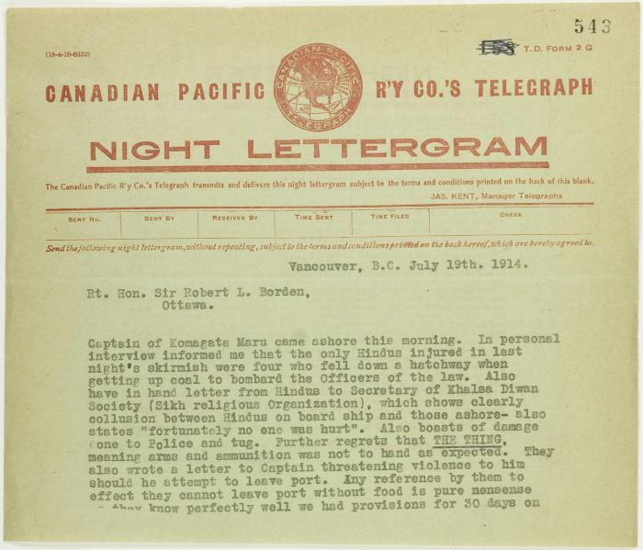
 | Copy of telegram from Stevens to R. L. Borden re skirmishes (2021_07_1043) | Page 543-544
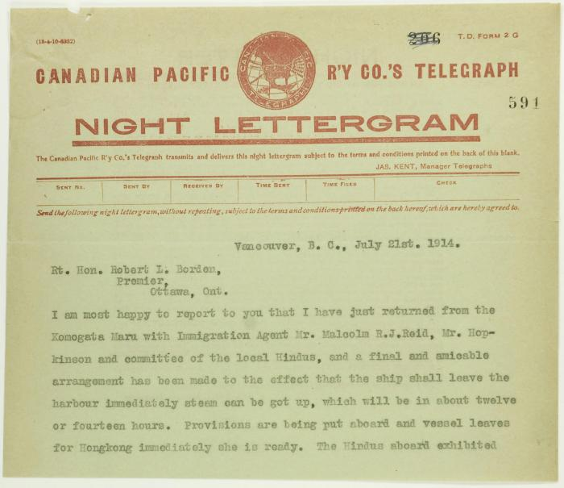
 | Copy of telegram from Stevens to R. L. Borden re final arrangements for Maru. Page 1-3 (2021_07_1682) | Page 591-593
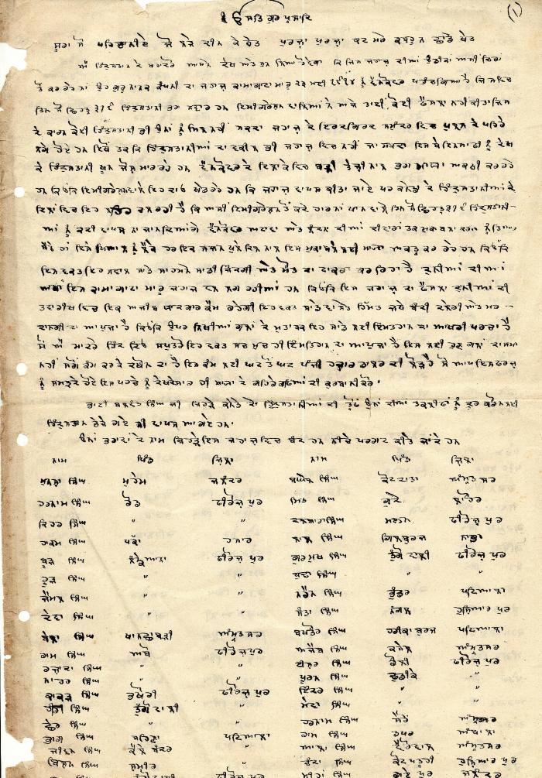
 | [Komagata Maru passenger list] (2021_07_1885) | This passenger list, including names, villages, and districts of Komagata Maru passengers, was compiled by Arjan Singh Chand.,ਮੁਸਾਫਰਾਂ ਦੀ ਇਹ ਸੂਚੀ, ਅਰਜਨ ਸਿੰਘ ਚੰਦ ਵਲੋਂ ਸੰਕਲਿਤ ਕੀਤੀ ਗਈ ਸੀ, ਇਸ ਵਿੱਚ ਕਾਮਾਗਾਟਾ ਮਾਰੂ ਦੇ ਮੁਸਾਫਰਾਂ ਦੇ ਨਾਮ, ਉਨਾਂ ਦੇ ਪਿੰਡ, ਅਤੇ ਜ਼ਿਲਿਆਂ ਦੇ ਨਾਂ ਦਸੇ ਗਏ ਹਨ।;ਮੁਸਾਫਰਾਂ ਦੀ ਇਹ ਸੂਚੀ, ਅਰਜਨ ਸਿੰਘ ਚੰਦ ਵਲੋਂ ਸੰਕਲਿਤ ਕੀਤੀ ਗਈ ਸੀ, ਇਸ ਵਿੱਚ ਕਾਮਾਗਾਟਾ ਮਾਰੂ ਦੇ ਮੁਸਾਫਰਾਂ ਦੇ ਨਾਮ, ਉਨਾਂ ਦੇ ਪਿੰਡ, ਅਤੇ ਜ਼ਿਲਿਆਂ ਦੇ ਨਾਂ ਦਸੇ ਗਏ ਹਨ।
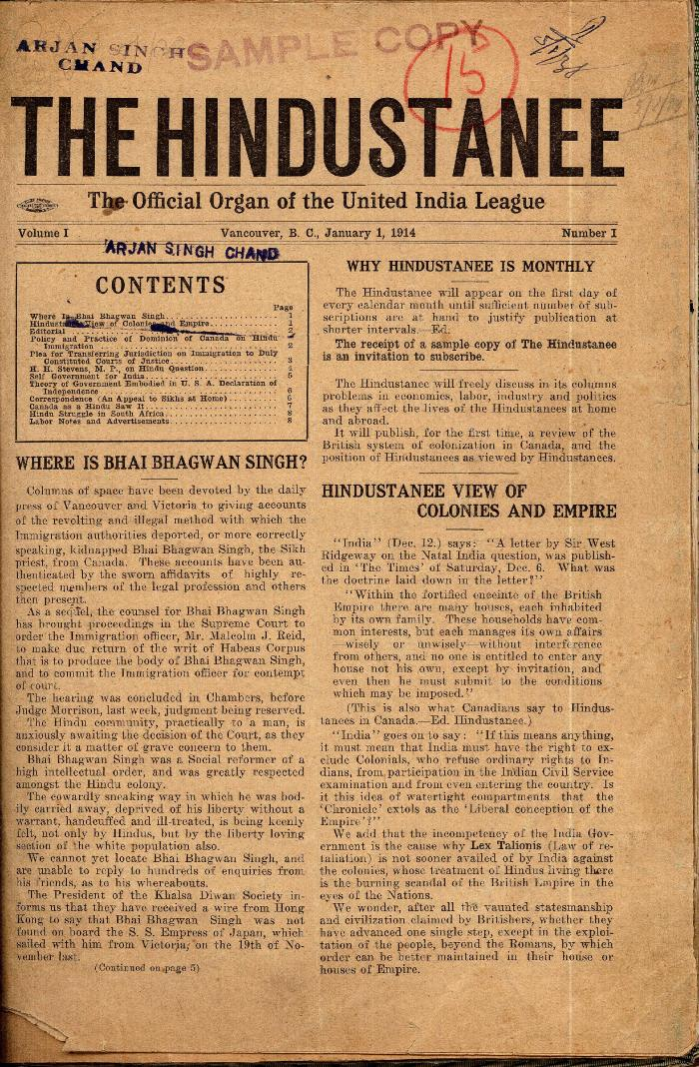
 | The Hindustanee. Vol. 1, no. I (2021_07_2014) | Taken from a scrapbook created by Arjan Singh Chand.
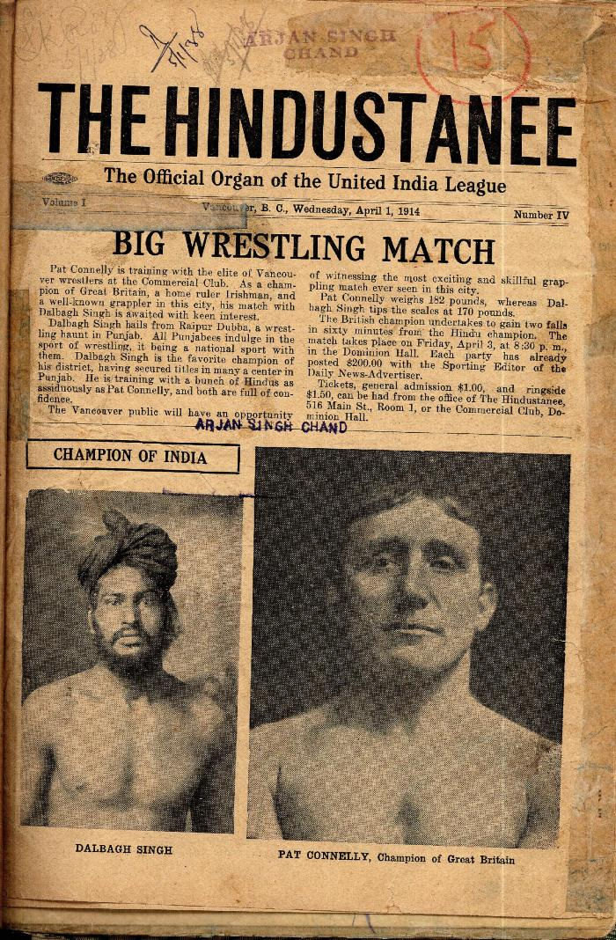
 | The Hindustanee. Vol. 1, no. IV (2021_07_2034) | Taken from a scrapbook created by Arjan Singh Chand.
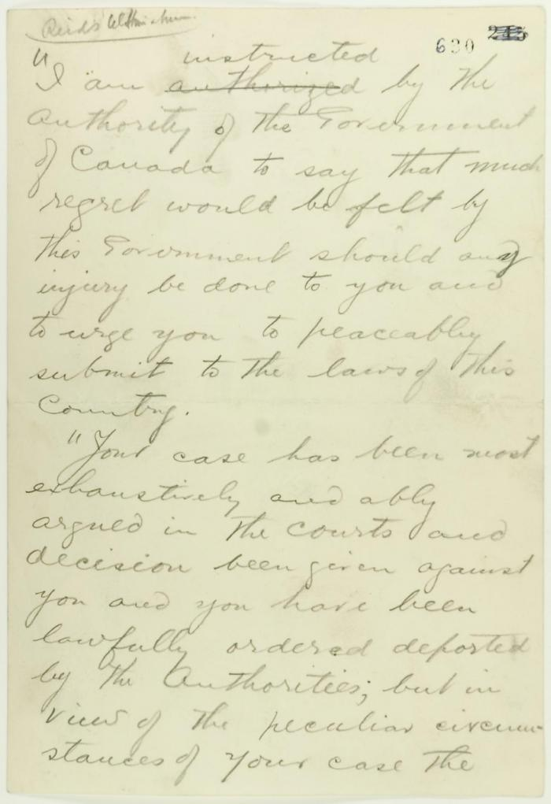
 | Pencil draft of statement by Reid to passengers of the Komagata Maru (see p. 602). Page 1-3 (2021_07_2073) | Page 630-632
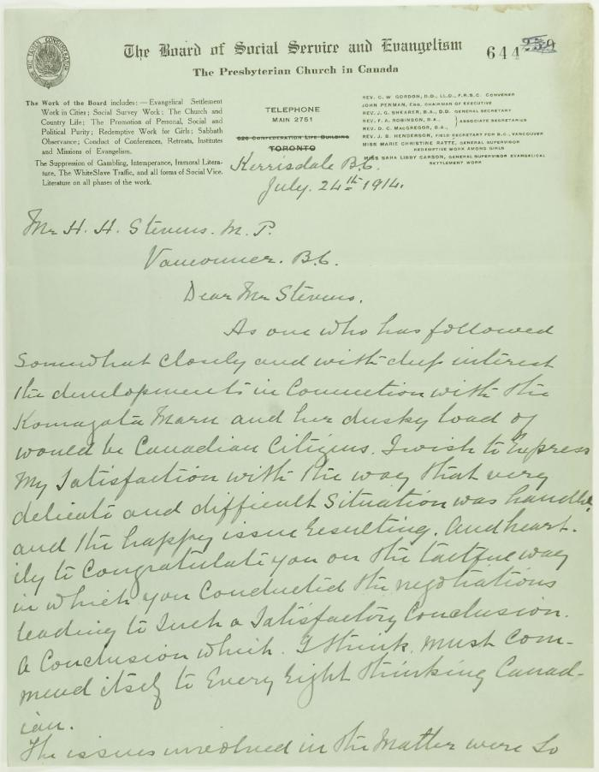
 | Letter of congratulation from the Rev. J. S. Henderson, Presbyterian Church, to Stevens. Page 1-2 (2021_07_2249) | Page 644-645
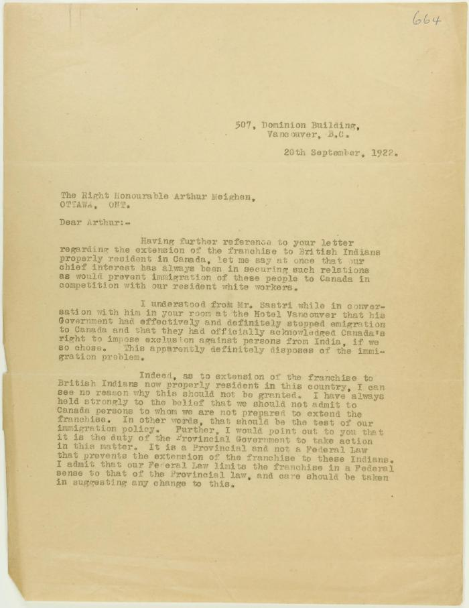
 | Copy of letter from Stevens to Meighen re immigration and enfranchisement, and Liberal responsibility in the matter. Page 1-2 (2021_07_2425) | Page 664-665
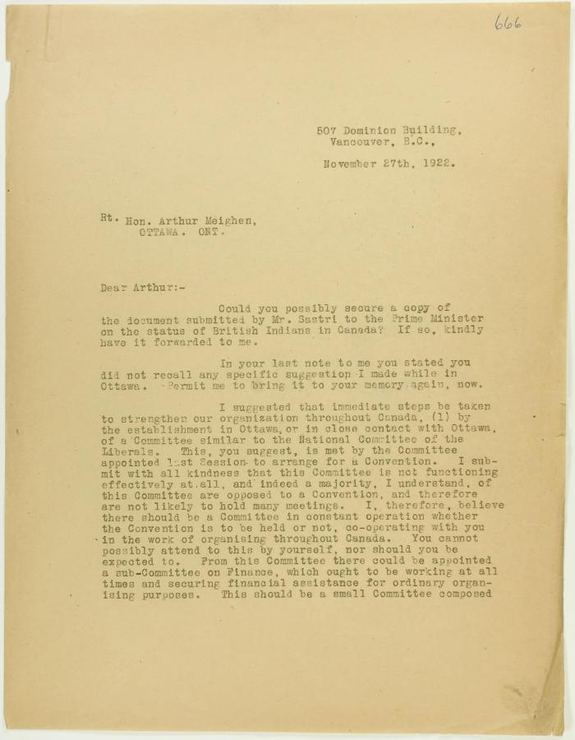
 | Copy of letter from Stevens to Meighen re Conservative organization, and Mr. Shastri's submission (2021_07_2428) | Page 666-667
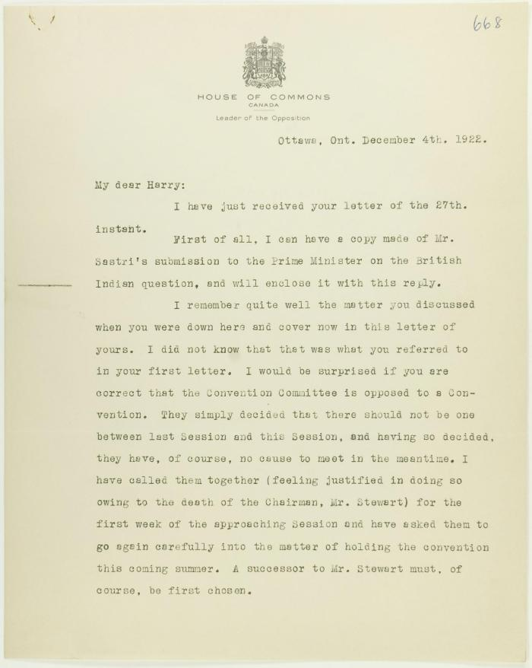
 | Letter from Meighen to Stevens re conventions to be held in the West, and enclosing Mr. Shastri's submission. Page 1-3 (2021_07_2432) | Page 668-670
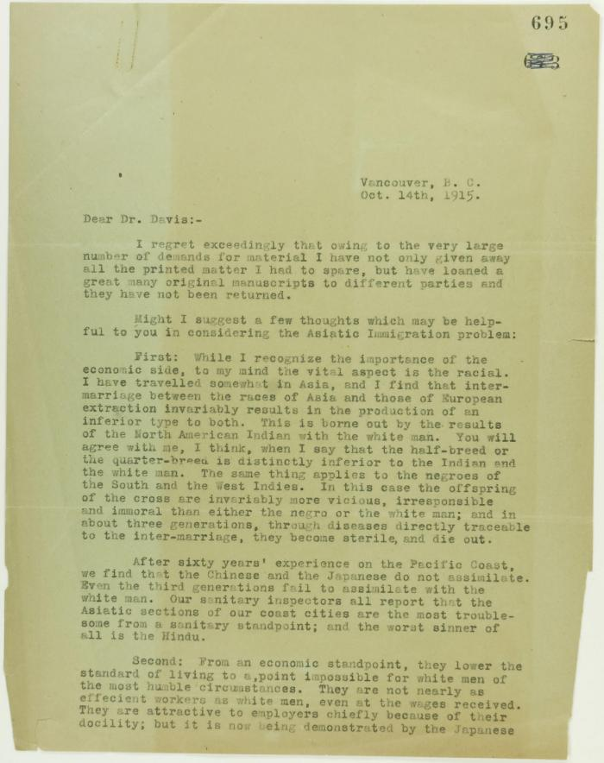
 | Copy of letter from Stevens to Dr. Davis re the Asiatic Immigration problem. Page 1-3 (2021_07_2815) | Page 695-697
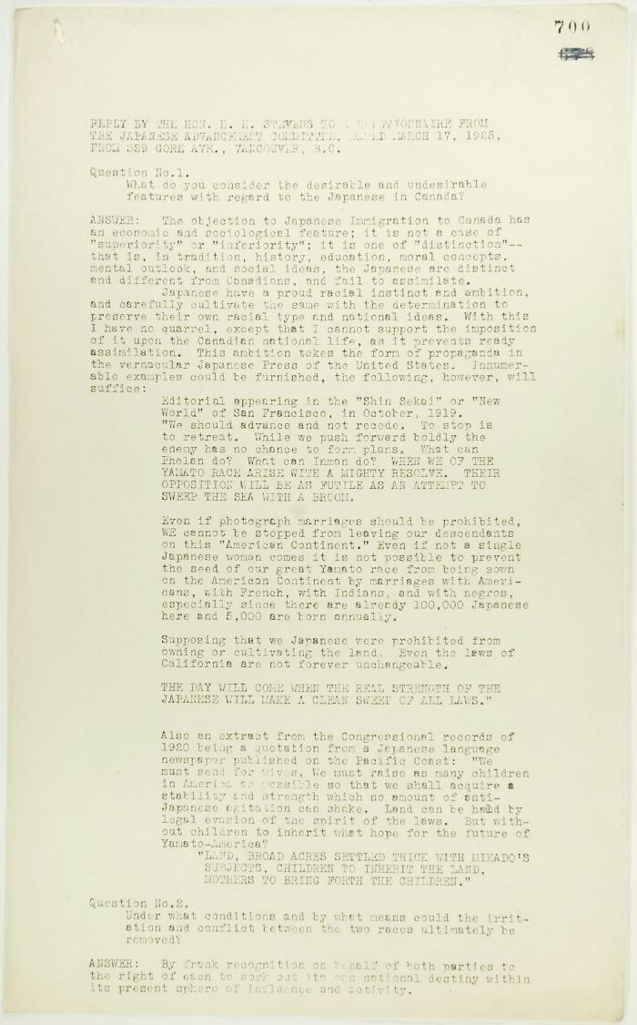
 | Reply by Stevens to a Questionnaire from the Japanese Advancement Committee. Page 1-2 (2021_07_2820) | Page 700-703
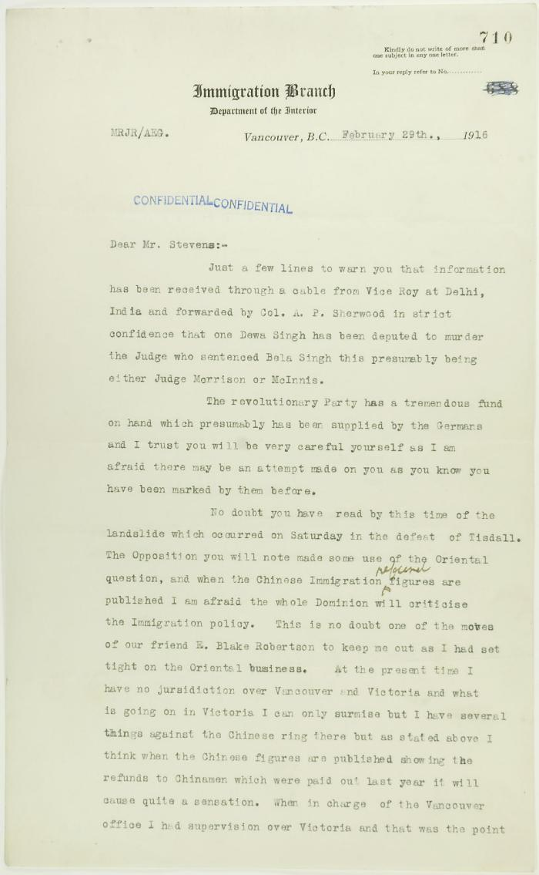
 | Letter from Reid to Stevens re information of assassination plots. Page 1-2 (2021_07_2942) | Page 710-711
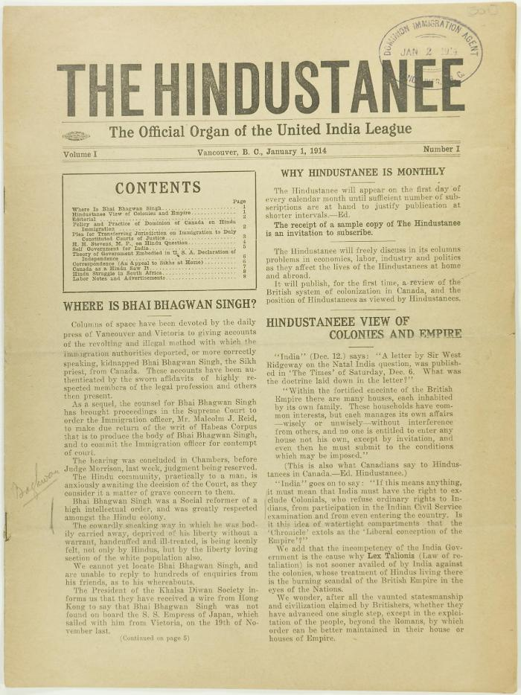
 | The Hindustanee Volume 1 No. 1 Page 1-8 (2021_07_3122) | Page 001-008
 | Newsclipping - Vancouver Sun: Sorry bungling (2021_07_3520) | Page 038
 | Newsclipping - Vancouver News-Advertiser: Order deporting Hindus is issued (2021_07_3991) | Page 059
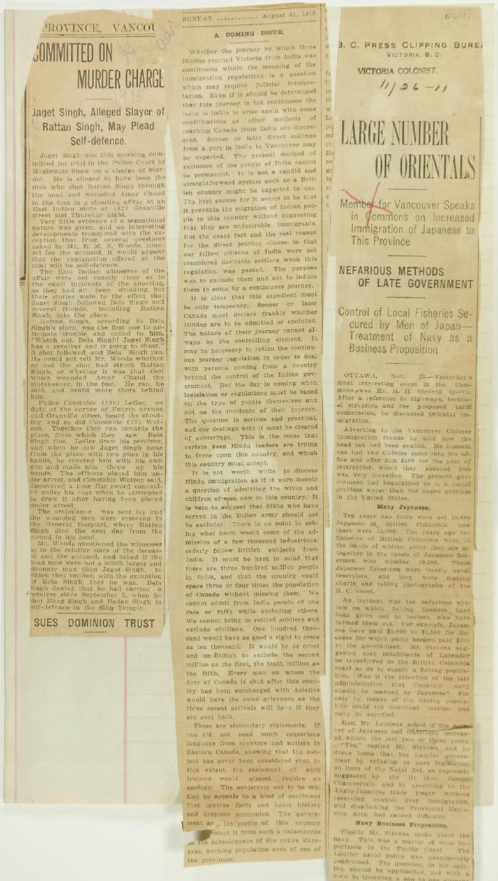
 | Newsclippings - Vancouver Daily Province: Committed on murder charge; A coming issue; Victoria Daily Colonist: Large number of Orientals (2021_07_4090) | Page 069
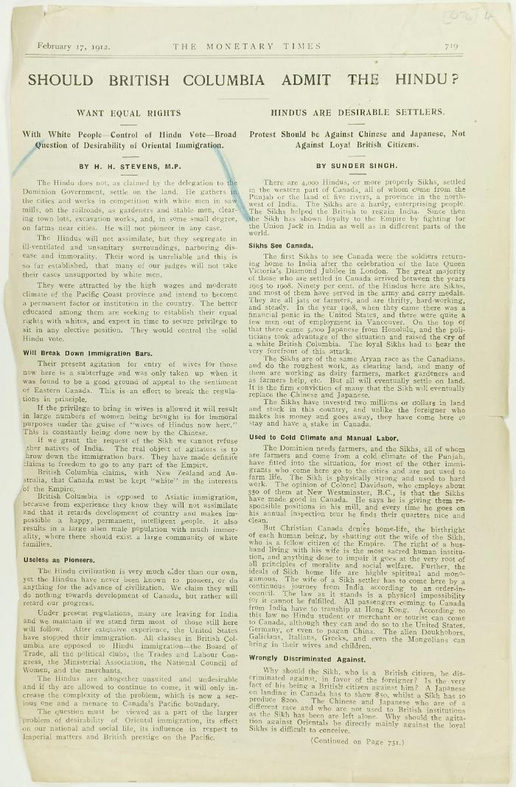
 | Newsclipping - Should British Columbia admit the Hindu? (2021_07_4131) | Page 076-078
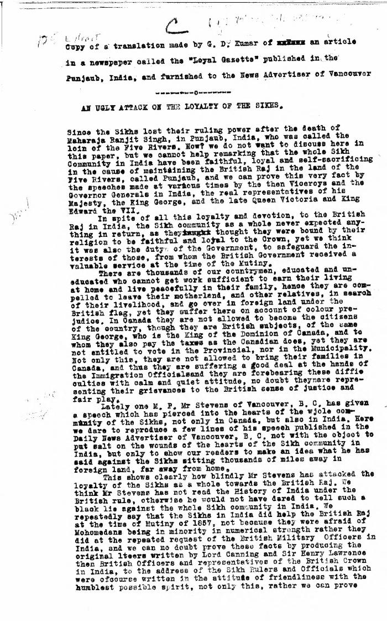
 | An ugly attack on the loyalty of the Sikhs. Extract of a translation made by G. D. Kumar of an article in a newspaper called the 'Loyal Gazette' published in the Punjab, India, and furnished to the News Advertiser of Vancouver (2021_07_4468) | Library and Archives Canada. RG7-G-21, Vol. 201, File 332, vol. 5
 | Newsclipping - Vancouver Daily Province: To keep Asiatics out of the Dominion (2021_07_5138)
 | Newsclipping - Vancouver News-Advertiser: Public meeting to urge action (2021_07_5144)
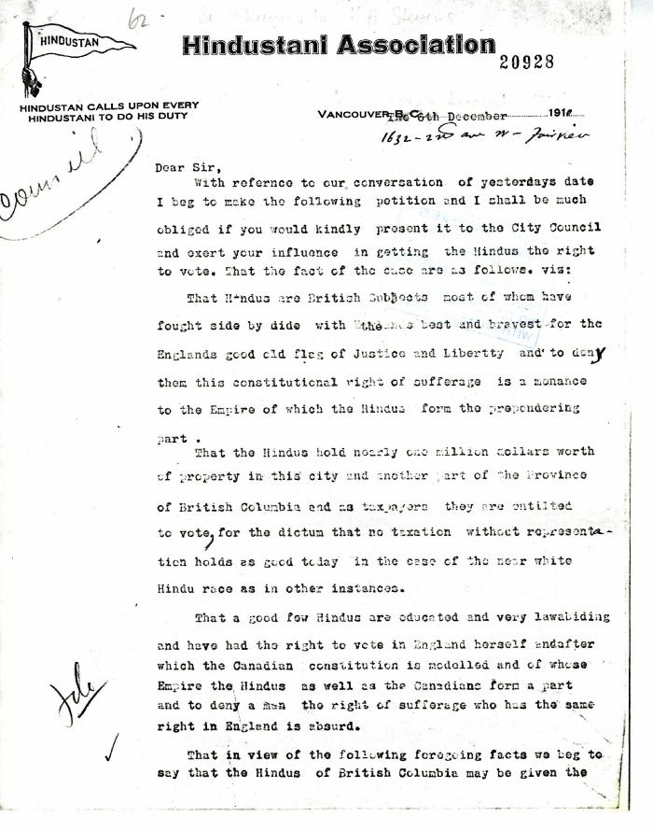
 | G. D. Kumar, Secretary of the Hindustanee, to H. H. Stevens, alderman, Vancouver (2021_07_5189) | Add. Mss. RG 2, A 1, Vol. 26
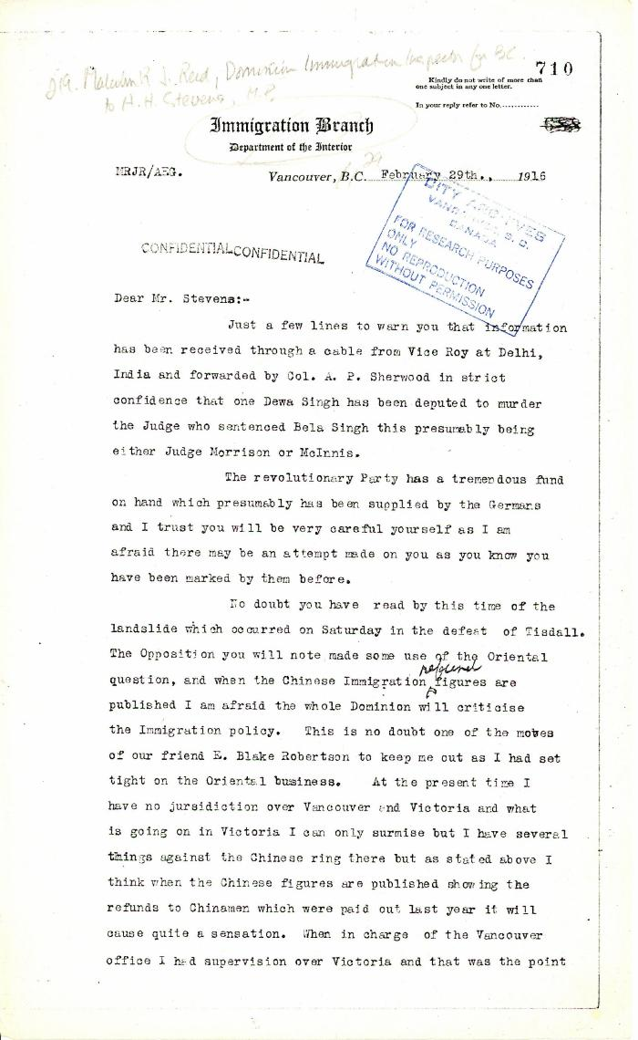
 | Malcolm R. J. Reid, Dominion Immigration Inspector for B.C. to H. H. Stevens, M.P. (2021_07_5214) | Pages 710-711
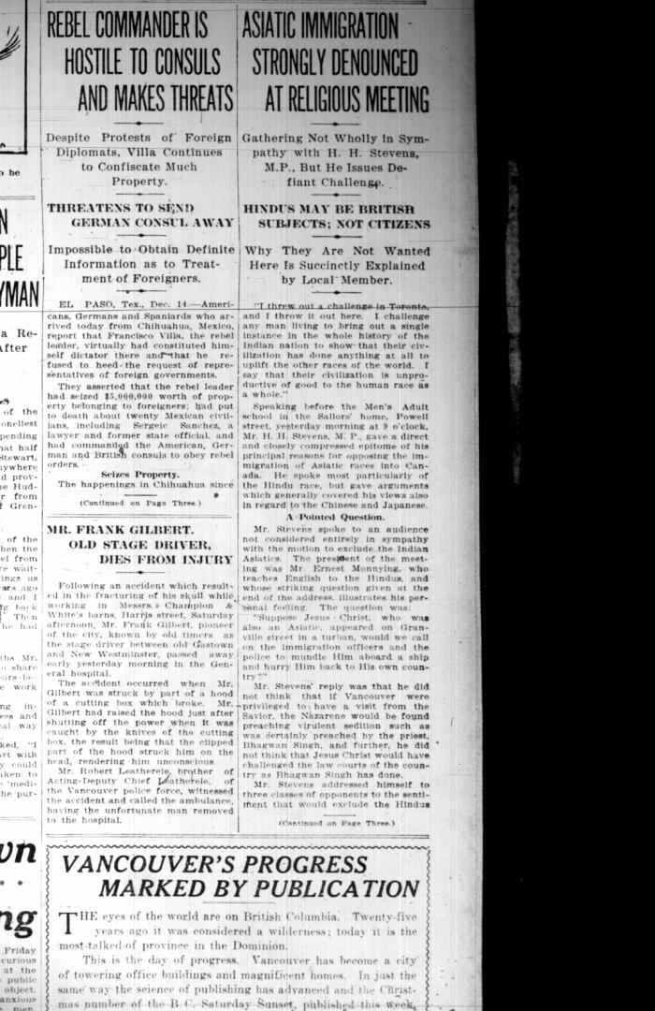
 | Newsclipping - Vancouver Sun: Asiatic immigration strongly denounced at religious meeting (2021_07_5390)

 | Canadian Sikhs (Part One) and Komagata Maru Massacre (2021_07_6295)
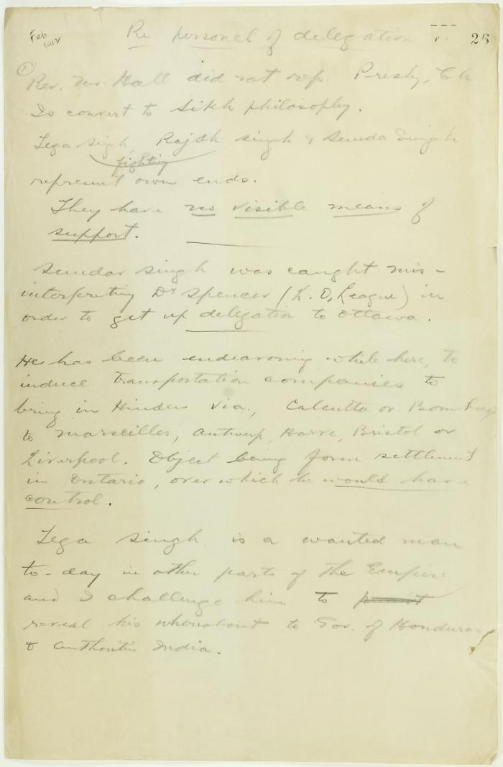
 | Draft of report re delegation personnel (2021_07_9292) | Page 26-27
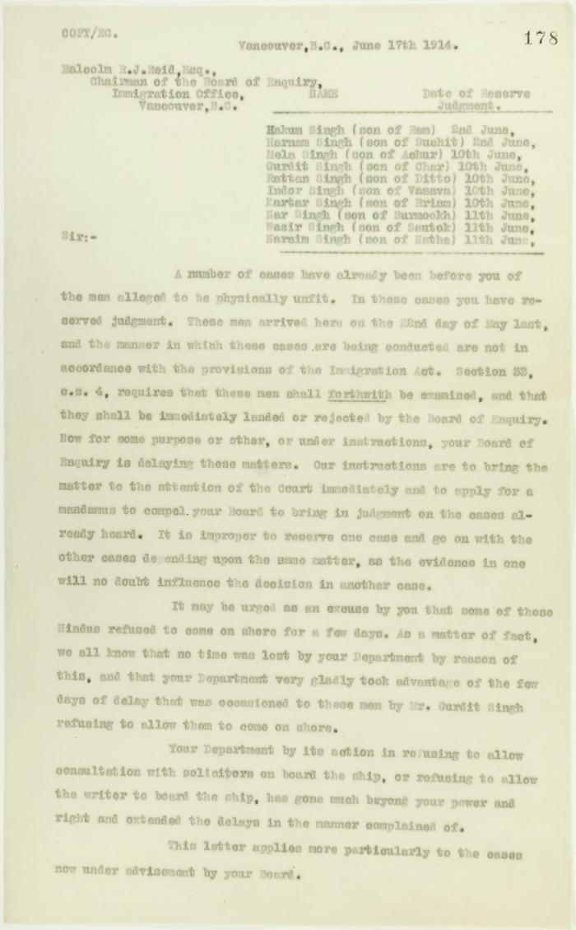
 | Copy of letter from J. Edward Bird to Reid, criticising his handling of the matter and the delay tactics of the Board of Enquiry. Page 1-2 (2021_07_9406) | Page 178-179
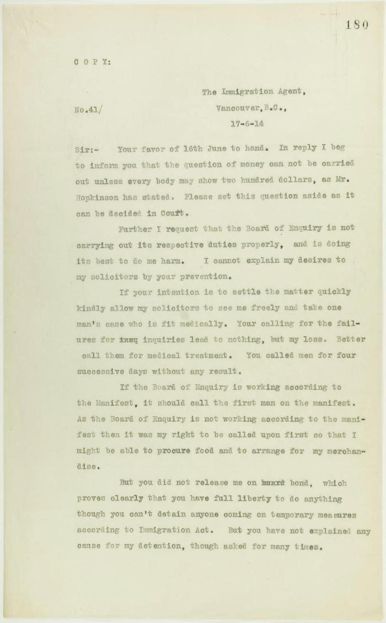
 | Copy of letter from Daljit Singh to the Immigration Agent, complaining about provisioning and the Board of Enquiry's methods. Page 1-2 (2021_07_9409) | Page 180-181
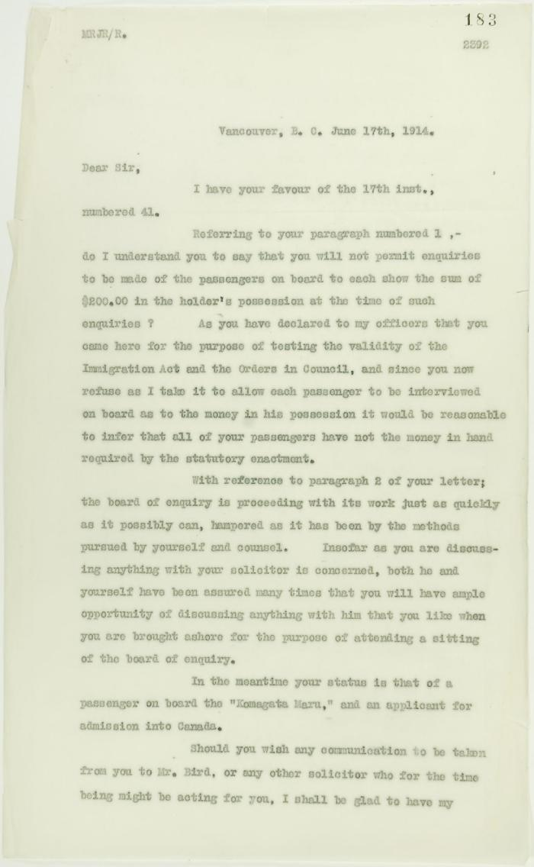
 | Copy of letter from Reid to Daljit Singh (see pp. 180-181). Page 1-3 (2021_07_9413) | Page 183-185
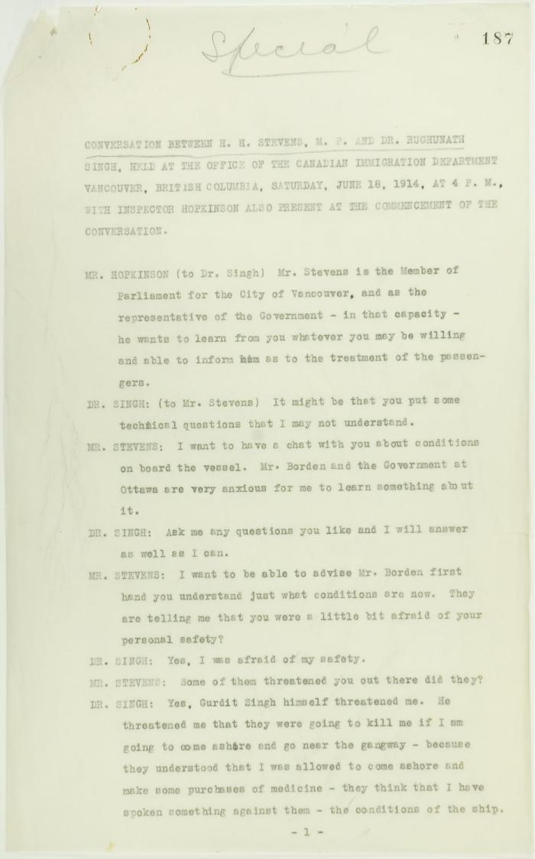
 | Conversation between H. H. Stevens, M.P., and Dr. Rughunath Singh, held at the Office of the Canadian Immigration Department, Vancouver, with Inspector Hopkinson also present at the commencement of the conversation. Page 1-11 (2021_07_9462) | Page 187-219
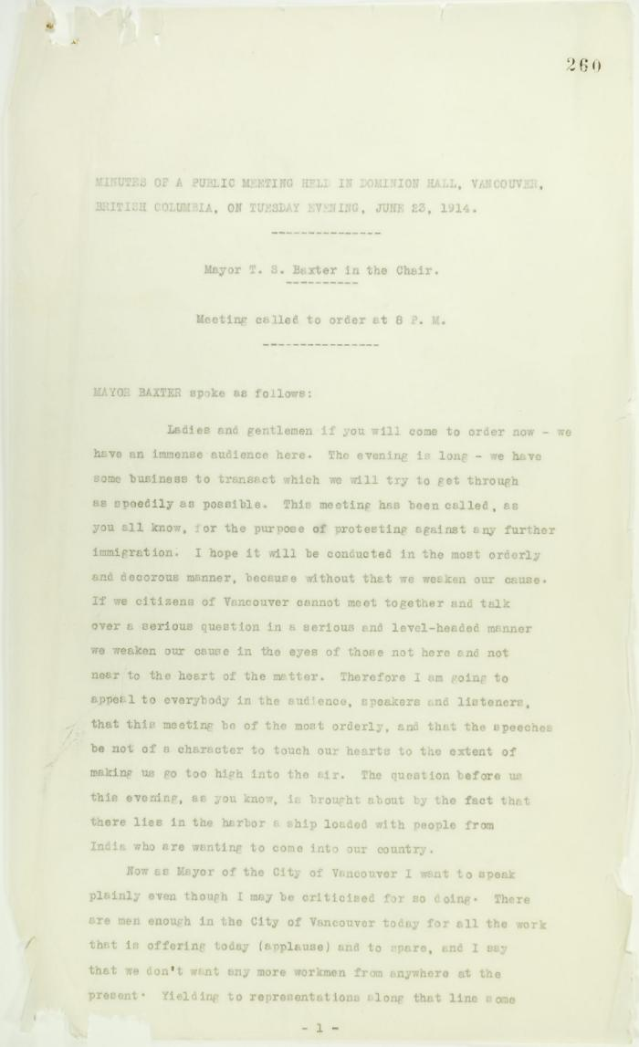
 | Minutes of a public meeting held in Dominion Hall. Page 1-23 (2021_07_10251) | Page 260-348
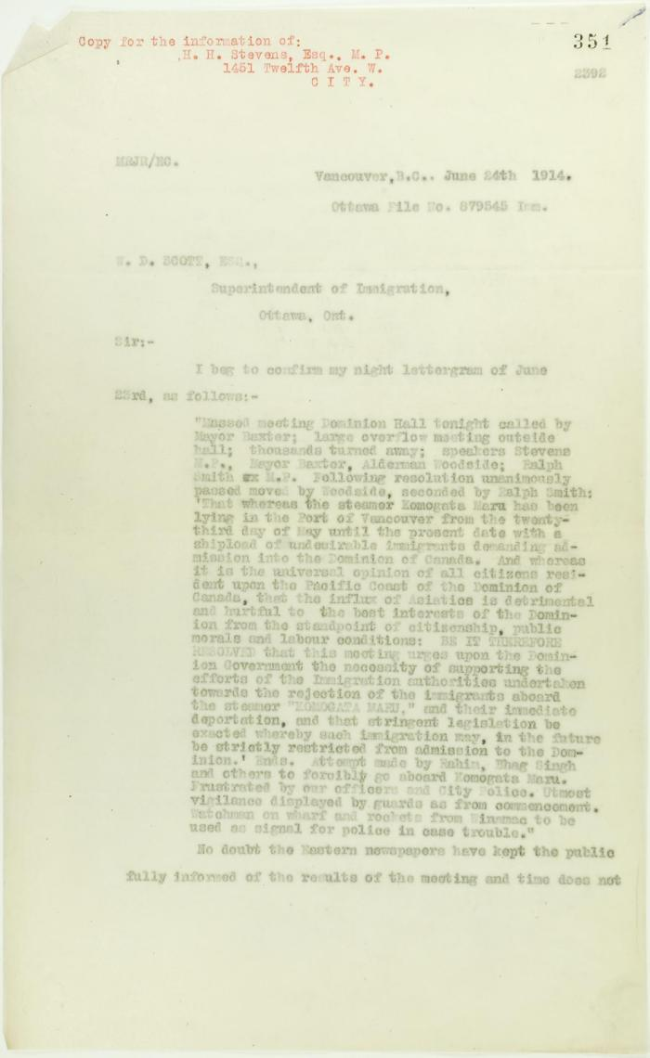
 | Copy of letter from Reid to W. D. Scott, a report of Dominion Hall resolution (see p. 350). Page 1-2 (2021_07_10254) | Page 351-352
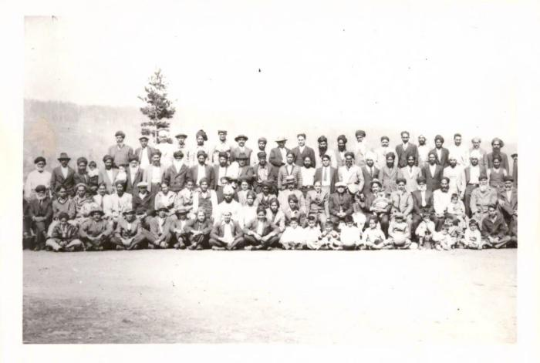 | [Mayo Lumber workers] (2021_07_10261)
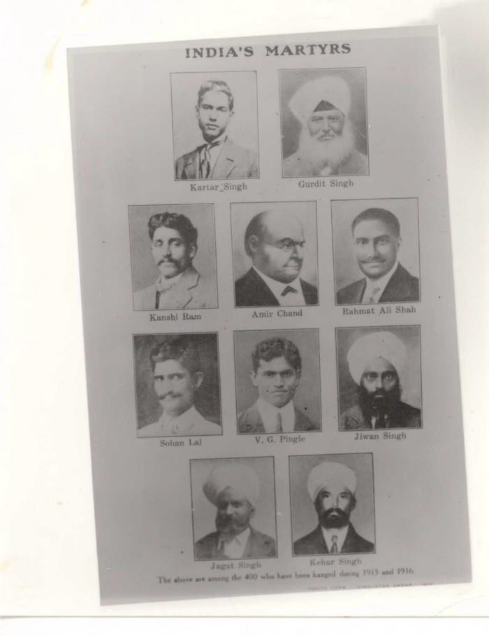
 | India's Martyrs (2021_07_10267)
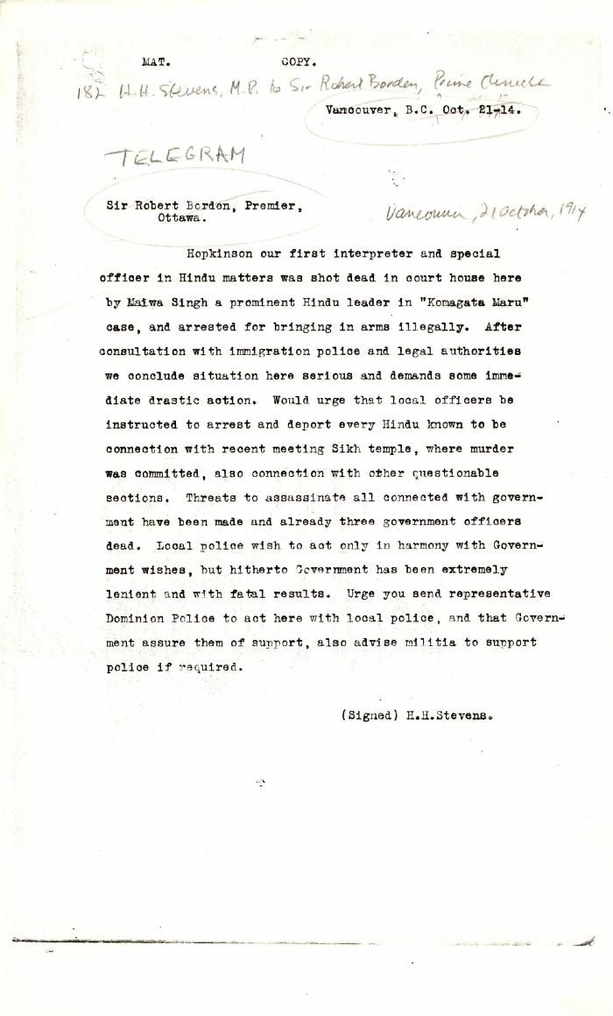
 | [H. H. Stevens, MP, Vancouver, to Robert Borden, Prime Minister, re murder of W. C. Hopkinson. Copy] (2021_07_10344) | Library and Archives Canada. RG76, Vol. 388, File 536999, pt. 1
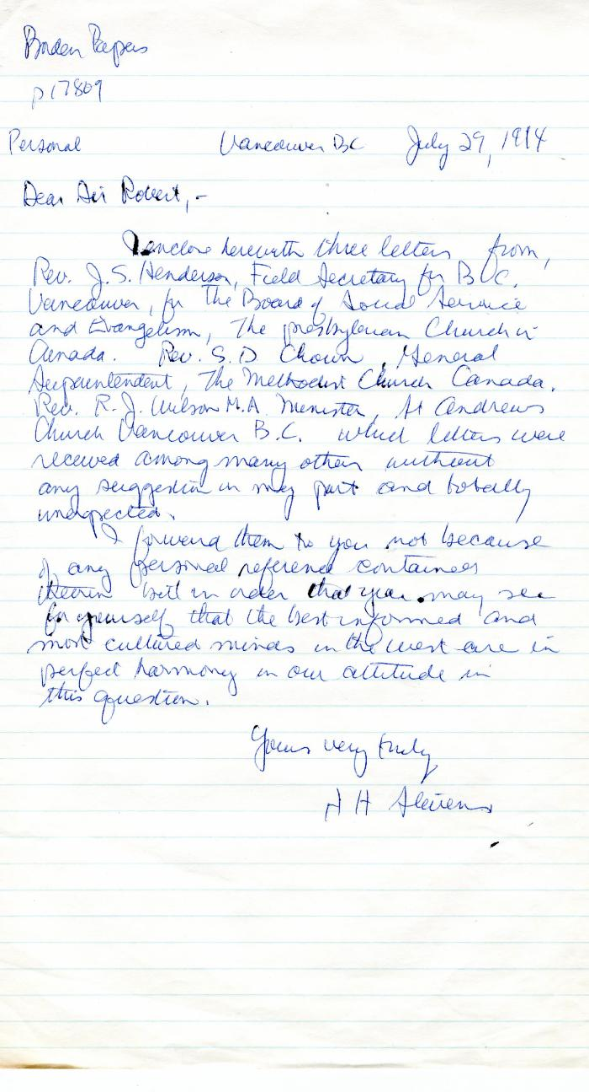
 | [H. H. Stevens, MP, Vancouver, to Robert Borden, Prime Minister] (2021_07_10383) | Library and Archives Canada. Borden Papers, 17809
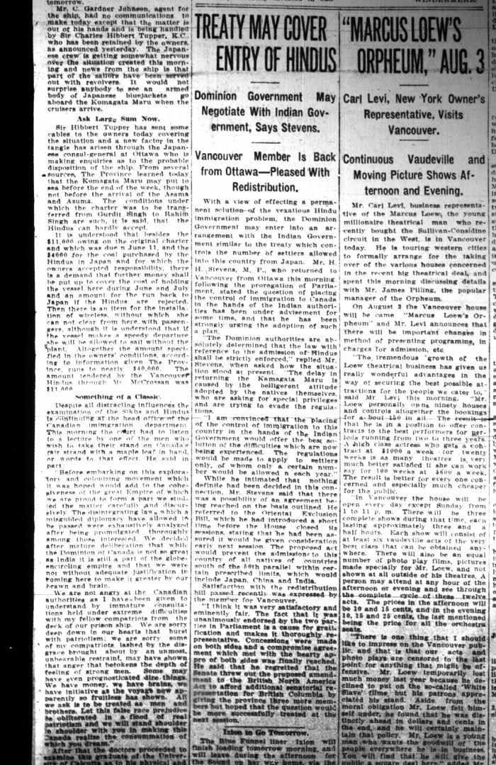
 | Newsclipping - Vancouver Daily Province: Treaty may cover entry of Hindus. Page 1 (2021_07_10485)
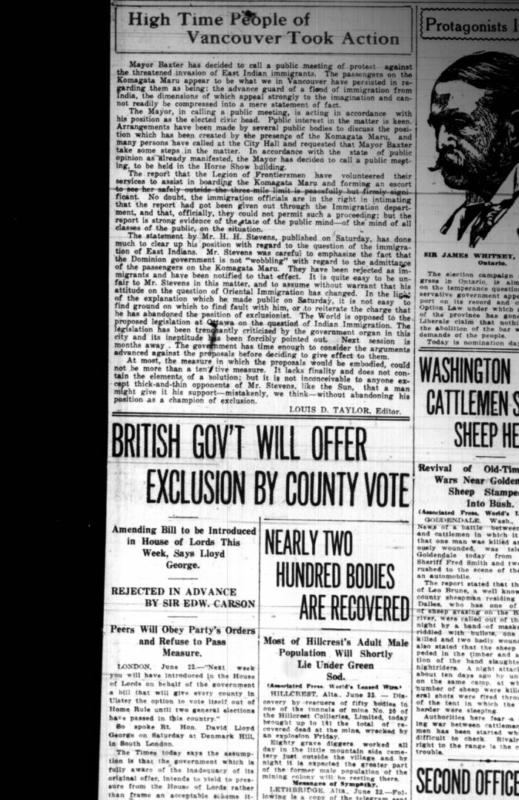
 | Newsclipping - Vancouver World: High time people of Vancouver took action. Page 1 (2021_07_10488)
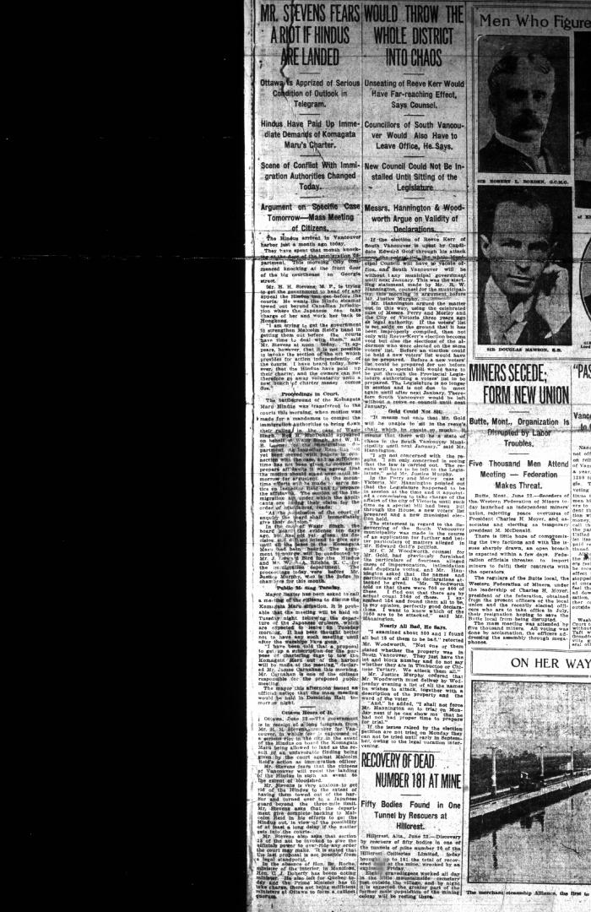
 | Newsclipping - Vancouver Daily Province: Mr. Stevens fears a riot if Hindus are landed (2021_07_10489)
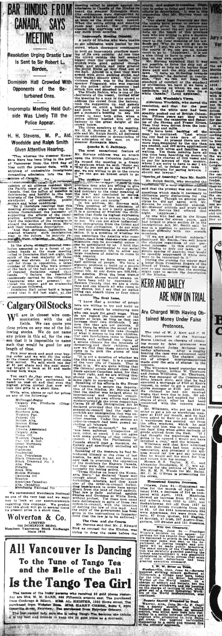
 | Newsclipping - Vancouver Daily Province: Bar Hindus from Canada, says meeting (2021_07_10492)
 | Newsclipping - Vancouver Daily Province: Planned to shanghai Hindus aboard Empress. Page 1 (2021_07_10493)
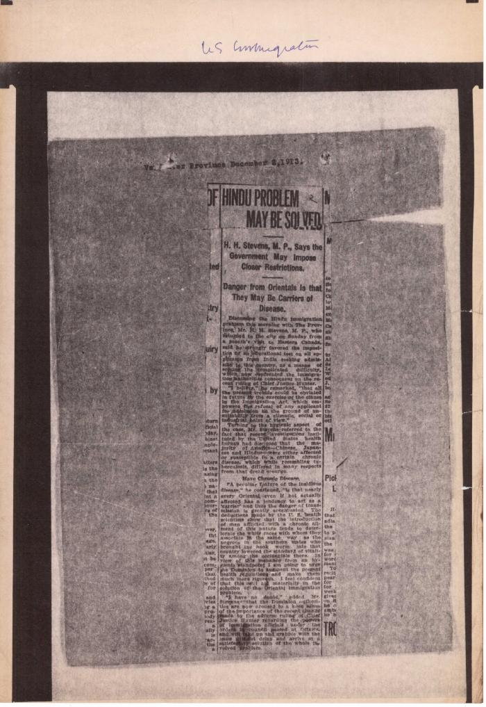
 | Newsclipping - Vancouver Daily Province: Hindu problem may be solved (2021_07_10528)
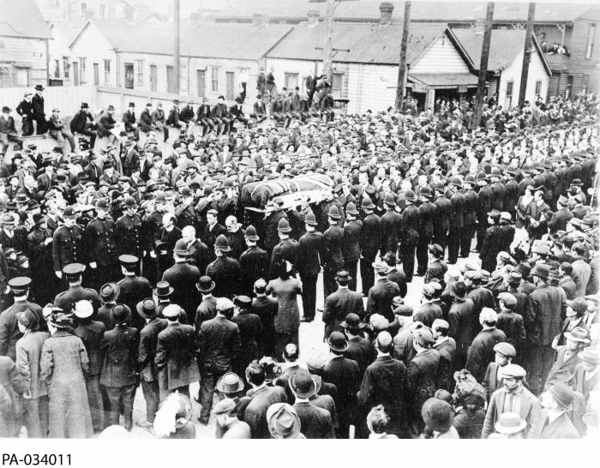 | Funeral of William Hopkinson, Immigration Officer, Vancouver, BC (2021_07_10584) | Library and Archives Canada. PA-034011
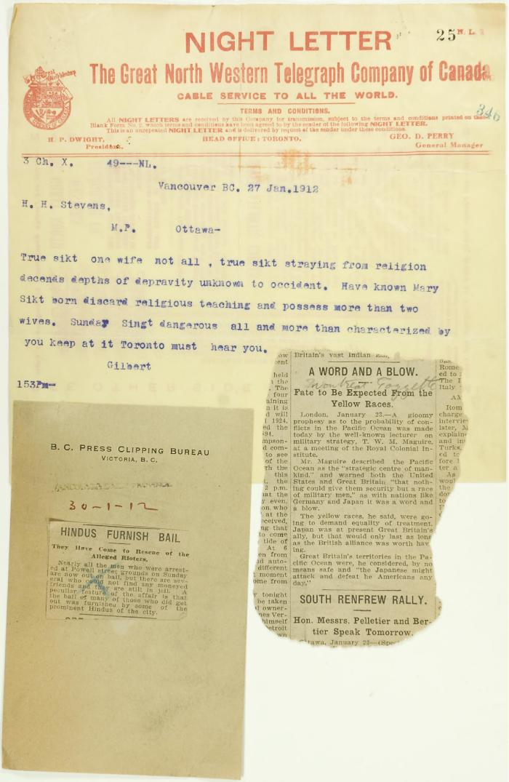
 | Telegram from Gilbert to H. H. Stevens re Sikh threat, plus two newspaper cuttings (2021_07_10642) | Page 25
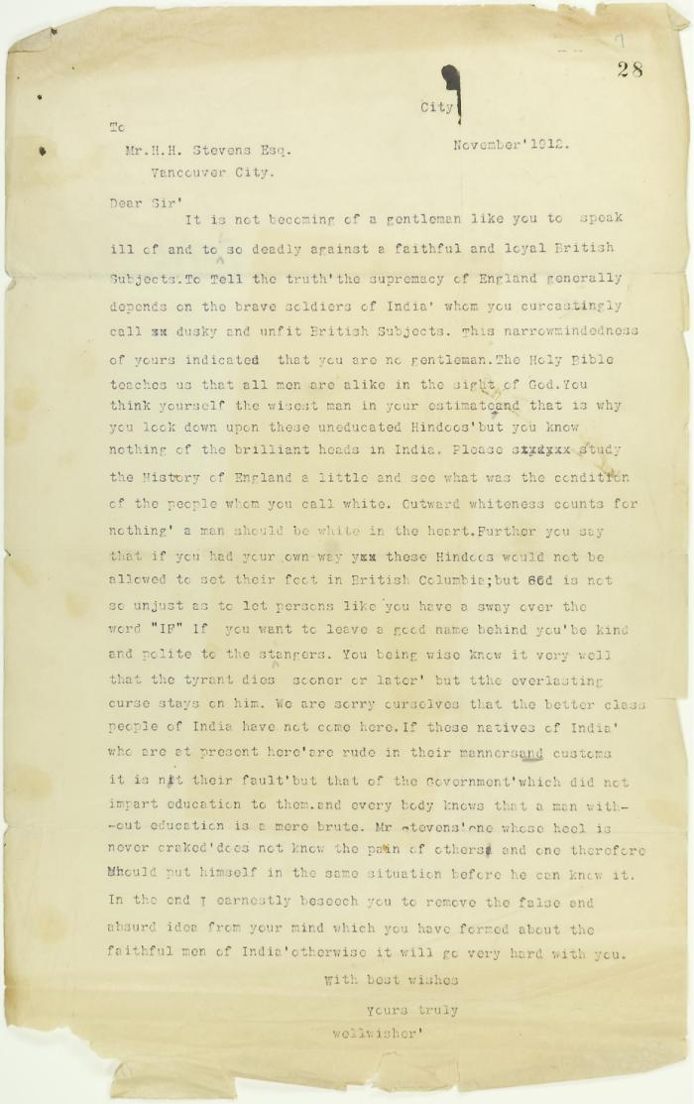
 | Letter, unsigned, to H. H. Stevens criticising his attitude towards Hindu Immigration (2021_07_10643) | Page 28
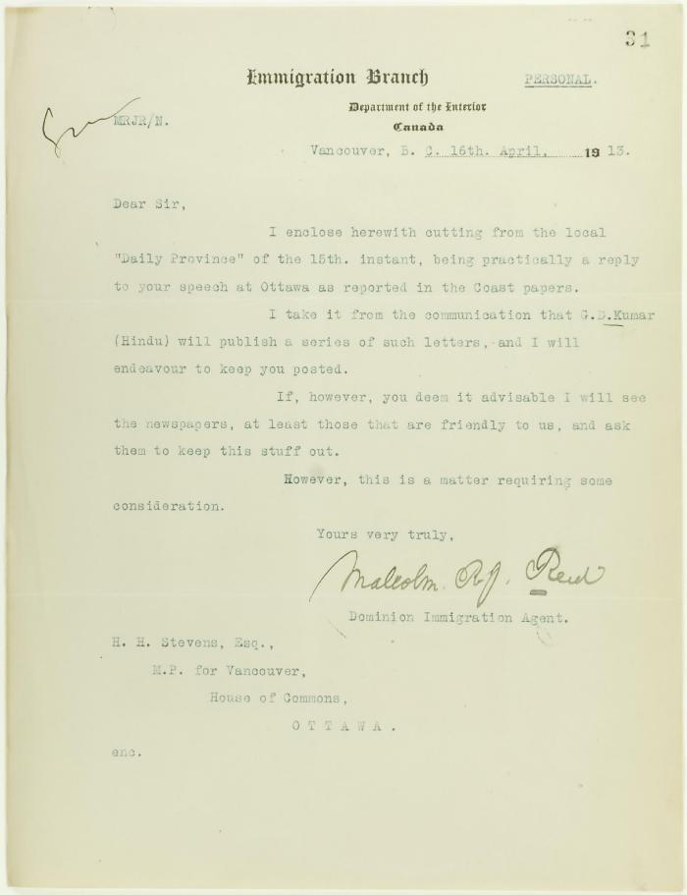
 | Letter from Malcolm Reid, Dominion Immigration Agent, to H. H. Stevens re newspaper publicity (2021_07_10644) | Page 31
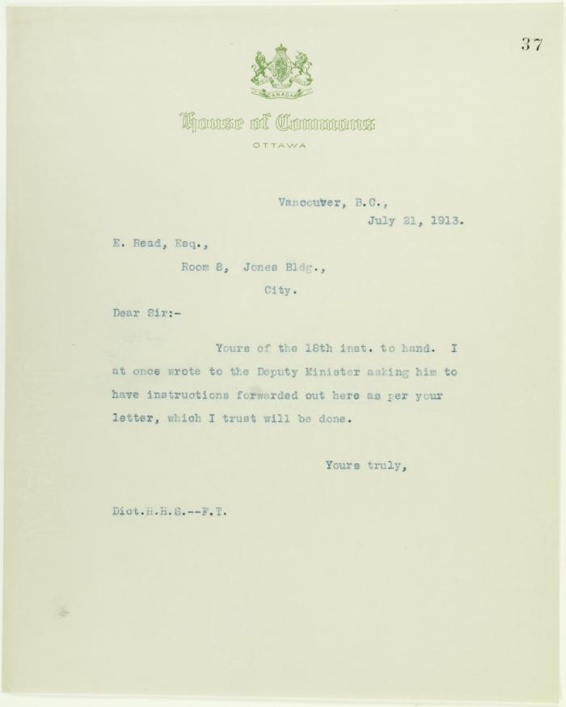
 | Copy of letter from Stevens to E. Read (2021_07_10645) | Page 37
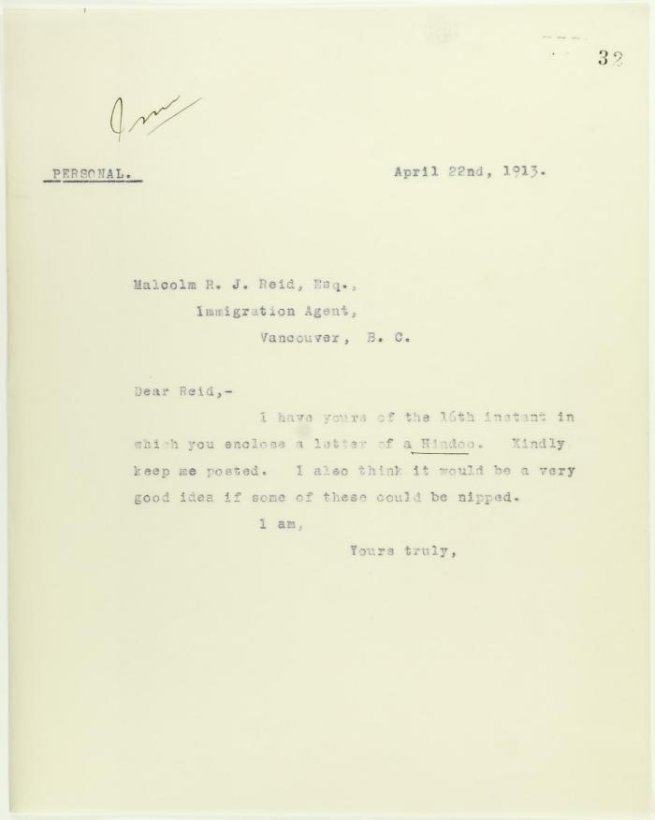
 | [Letter from H. H. Stevens to Malcolm Reid] (2021_07_10646) | Page 32
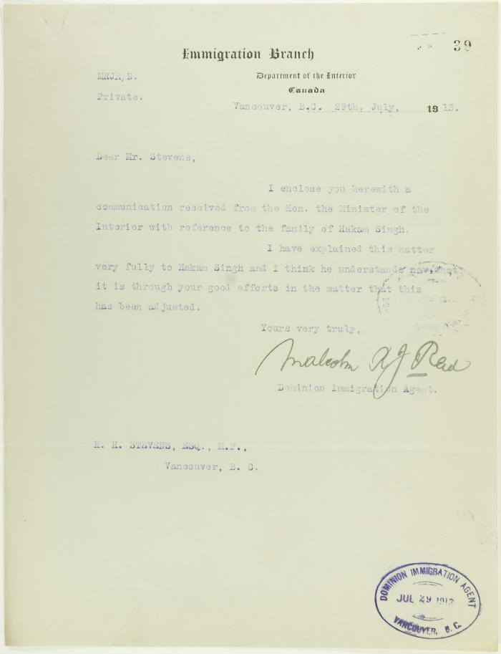
 | Letter from Malcolm Reid to Stevens, enclosing communication from the Minister of the Interior re family of Hakam Singh (2021_07_10647) | Page 39
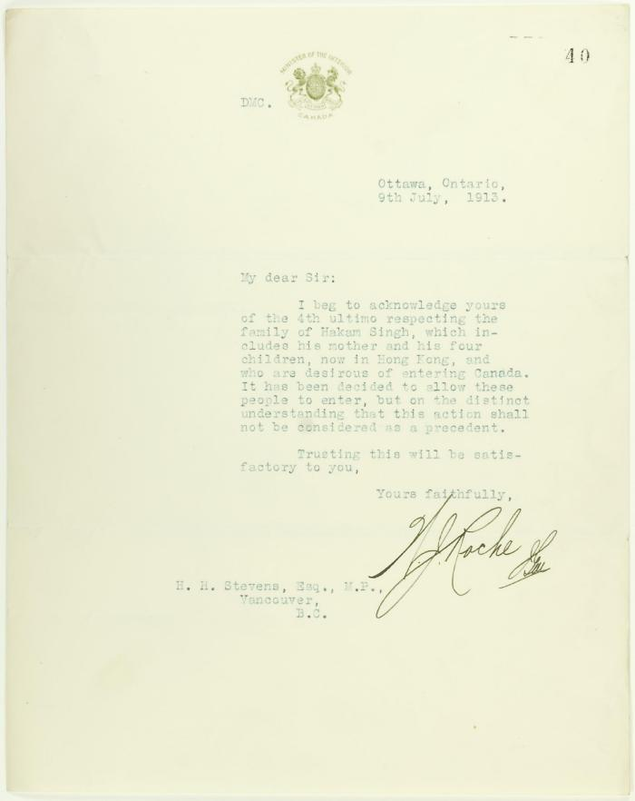
 | Letter from Minister of the Interior (see p. 39) (2021_07_10648) | Page 40
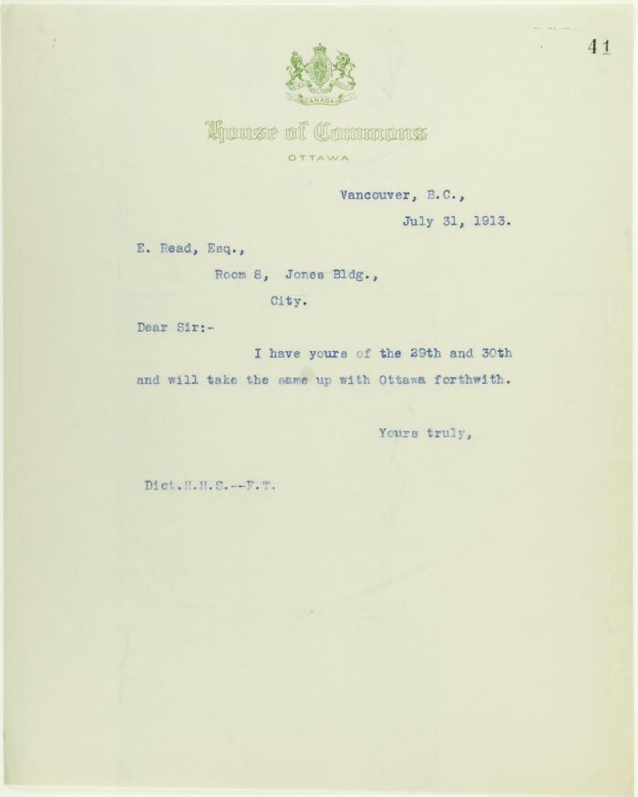
 | Copy of letter from H. H. Stevens to E. Read (2021_07_10649) | Page 41
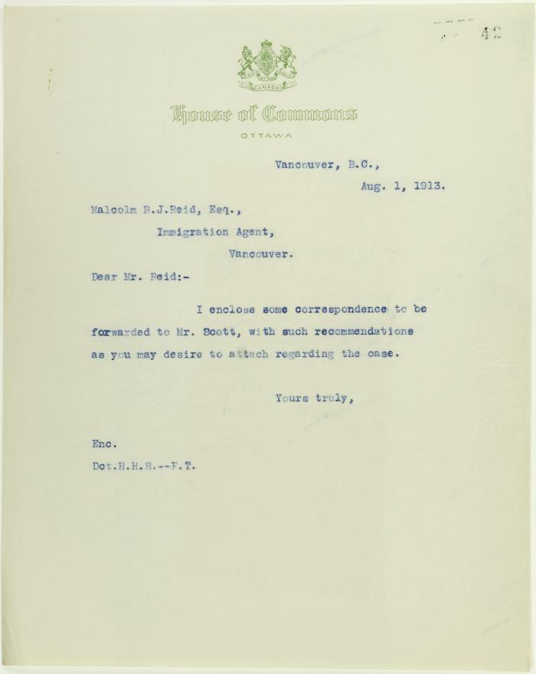
 | Copy of letter from Stevens to Malcolm Reid, enclosing correspondence to be forwarded to W. D. Scott (2021_07_10650) | Page 42
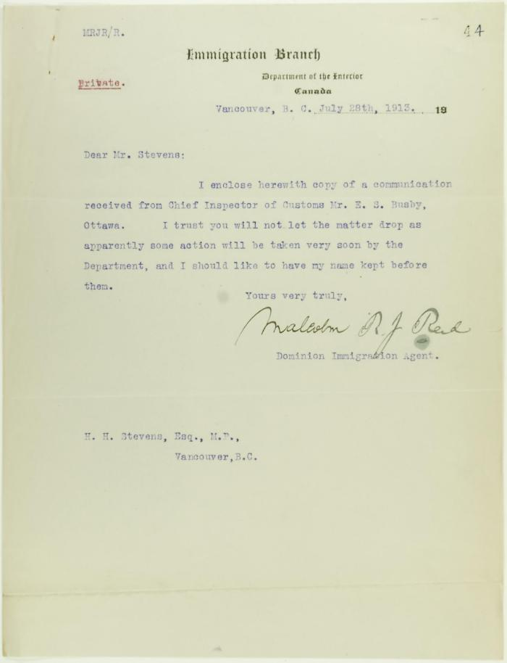
 | Letter from Malcolm Reid to Stevens re his advancement in immigration work (2021_07_10652) | Page 44
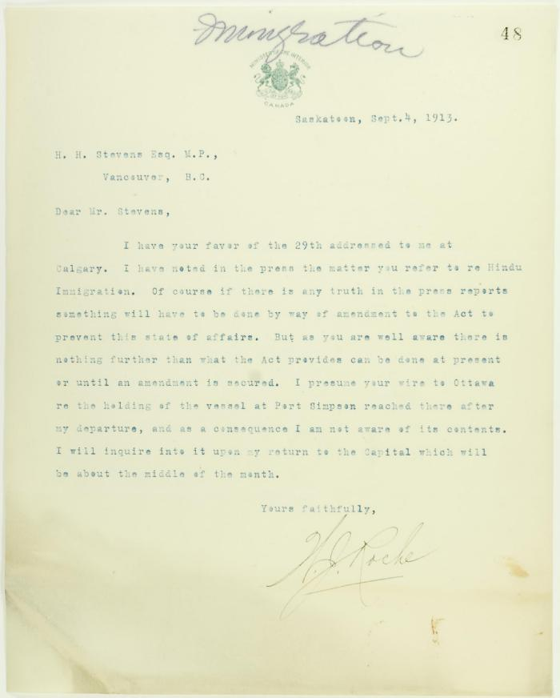
 | Letter from Dr. Roche to Stevens re amendments to Immigration Act (2021_07_10654) | Page 48

 | Letter from Malcolm Reid to Stevens enclosing translations of the Hindu paper 'Mutiny' (2021_07_10655) | Page 62

 | Letter from Malcolm Reid to Stevens re letter received (see p. 96) (2021_07_10658) | Page 97

 | Copy of letter from The B.C. Federationist per R. P. Pettipiece re control of immigration (2021_07_10659) | Page 33

 | Letter from Malcolm Reid to Stevens, enclosing telegrams (2021_07_10660) | Page 98

 | Letter from H. H. Davies, Western Club, to Stevens endorsing discrimination against the Hindu (2021_07_10664) | Page 102

 | Letter from Malcolm Reid to Stevens re entry of family of Hakam Singh, as an act of grace (2021_07_10665) | Page 34

 | Telegram from Minister of Agriculture to Stevens re avoidance of renewed Hindu agitation (2021_07_10667) | Page 135

 | Letter from [Wm Ide] (2021_07_10668) | Page 136

 | Letter from Malcolm Reid to Stevens enclosing newspaper clippings re Bhagwan Singh (2021_07_10685) | Page 120

 | Letter from Malcolm Reid to Stevens enclosing declarations of Sikhs re tyranny, and including immigration statistics (2021_07_10688) | Page 121

 | Letter from City Clerk, North Vancouver, to Stevens, enclosing p. 368 (2021_07_10713) | Page 369

 | Letter from South Vancouver Board of Trade to Stevens re endorsement of stand towards Komagatu Maru (2021_07_10714) | Page 379

 | Letter from Reid to Stevens re news leakage (2021_07_10715) | Page 380

 | Letter from Executive of the South Vancouver Conservative Association to Stevens commending the stand taken (2021_07_10716) | Page 407

 | Copy of letter from Reid to Y. Hori, acknowledging words of appreciation (2021_07_10726) | Page 375

 | Letter from the Office of the Minister of the Interior to Stevens acknowledging Resolution re Asiatic exclusion passed by Vancouver Conservative Association (2021_07_10734) | Page 377

 | Letter from R. L. Borden to Stevens, acknowledging communication (2021_07_10735) | Page 496

 | Copy of telegram from Stevens to R. L. Borden re departure of ship and antagonism of the Japanese consul (2021_07_10742) | Page 508

 | Copy of letter from Lt. Col. R. G. E. Leckie to Reid re loan of Ross Rifles (2021_07_10747) | Page 524

 | Copy of letter from Reid to Col. R. G. E. Leckie re rifles (2021_07_10749) | Page 526

 | Copy of letter, unsigned, to Mr. Griffin, House of Commons, requesting references to deportation of rioters from South Africa (2021_07_10754) | Page 538

 | Copy of telegram from Martin Burrell to Stevens (2021_07_10760) | Page 541

 | [Telegram from Borden to Stevens] See p. 572 (2021_07_10761) | Page 586

 | Statement prepared by Stevens for passengers of the Maru re necessity to submit to the law (2021_07_10763) | Page 602

 | Telegram from R. L. Borden to Stevens re successful conclusion of Maru affair (2021_07_10764) | Page 614

 | Telegram from Stevens to W. D. Scott re payment of special guards (2021_07_10765) | Page 620

 | Telegram from E. Russell Purvis, Vancouver, to R. L. Borden commending action re Maru (2021_07_10766) | Page 628

 | Letter from Jas. C. Watson to Stevens, congratulating him on a peaceful settlement (2021_07_10767) | Page 629

 | Letter of congratulations from the Rev. S. D. Chown, Methodist Church, to Stevens (2021_07_10768) | Page 643

 | Letter of congratulation from the Rev. R. J. Wilson, St. Andrew's Church, to Stevens (2021_07_10769) | Page 646

 | Copy of telegram from Stevens to Burrell re all necessary arrangements being made (2021_07_10770) | Page 542

 | Letter from Reid to Stevens re an account of the Komagatu Maru (2021_07_10772) | Page 650

 | Letter from R. L. Borden to Stevens, in appreciation of his assistance in connection with the Hindu question (2021_07_10773) | Page 656

 | Copy of letter from Stevens to Mr. J. Crowder, President, Retail Merchants' Association, re Oriental Immigration and Oriental landholding (2021_07_10775) | Page 680

 | Copy of letter from Herbert G. Johnston to J. Bruce Walker, Commissioner of Immigration, Winnipeg, recommending the New Israel Colony from Russia (2021_07_10777) | Page 682

 | Letter from Reid to Stevens, to enclose annual report (2021_07_10778) | Page 685

 | Letter from Reid to Stevens re censorship of Kumar's correspondence in the Province and the News Advertiser (2021_07_10783) | Page 704

 | Newsclippings - Vancouver Daily Province: Full instructions coming tomorrow; Against alien labor; Sang the doxology when license refused (2021_07_10784)

 | Newsclipping - Vancouver Daily Province: Treatment of Hindus (2021_07_10788)

 | Newsclipping - Vancouver Daily Province: Re Hindoo immigration (2021_07_10790)

 | Newsclippings - Happily ended; Stevens speaks in defence of Dominion Gov't; Hindus' lawyer had suggestion of settlement (2021_07_10792)

 | Newsclipping - Desire removal of embargo on Hindus (2021_07_10804)

 | Letter from Malcolm Reid to Stevens, enclosing a copy of the Sansar: Vol 2 No. 7 Page 1-8, 5 Jan. 1914 (2021_07_10922)

 | Letter from Reid to Stevens enclosing copy of judgment handed down by the Court of Appeal of British Columbia in the case of Munshi Singh (2021_07_10928) | Page 444-495

 | The Voyage of the Komagata Maru: The Sikh Challenge to Canada's Colour Bar (2021_07_10930) | Hugh Johnston provided the first thoroughly researched study of the Komagata Maru event, basing his analysis on official accounts from both Canadian and Indian sources, as well as on the reminiscences of the only passenger still alive at the time the book was written. This book is still the landmark text on the Komagata Maru and diligently outlines the life for Indians at the turn of the 20th century, the reasons for chartering the Komagata Maru, revolutionary movements in North America, the riot at Budge Budge and the lives of many of the key players after the events of the Komagata Maru.

