Results
Image | Object | Description | Date
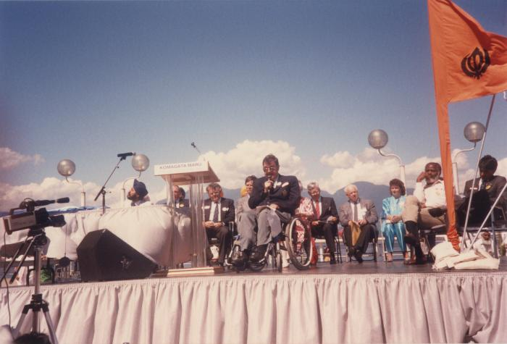 | Mr. Doug Mowat M.L.A (2020_04_004_075) | A colour image taken at the historical gathering commemorating the 75th anniversary of the Komagata Maru tragedy. A group of people are seen seated on top of a stage. On the left there is a table. Kanwal Singh Neel, John Fraser, Noël Kinsella, Margaret Mitchell, Gordon Wilson, Emery Barnes, Moe Sihota, Rosaline Stoddard, and Jim Young are seen on stage. There is a podium that reads "Komagata Maru 75th Anniversary 1914-1989." Doug Mowat, a Member of the Legislative Assembly of British Columbia, is seen giving a speech into a microphone.
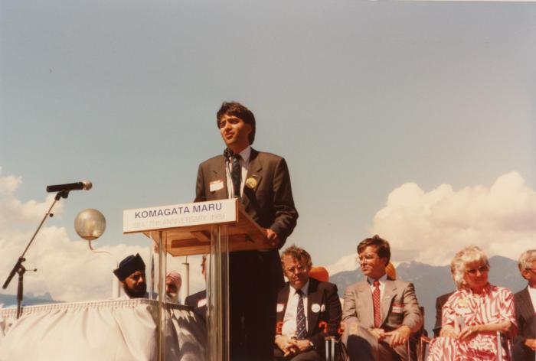 | Mr. Moe Sihota M.L.A (2020_04_004_080) | A colour image taken at the historical gathering commemorating the 75th anniversary of the Komagata Maru tragedy. A group of people are seen seated on top of a stage. On the left there is a table. There is a podium that reads, "Komagata Maru 75th Anniversary 1914-1989." Moe Sihota is seen giving a speech into the microphone. Kanwal Singh Neel, Noël Kinsella, Margaret Mitchell, and Gordon Wilson are seen seated on stage.
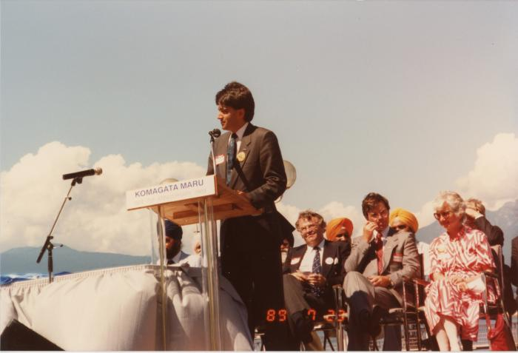 | Mr. Moe Sihota M.L.A (2020_04_004_081) | A colour image taken at the historical gathering commemorating the 75th anniversary of the Komagata Maru tragedy. A group of people are seen seated on top of a stage. On the left there is a table. There is a podium that reads, "Komagata Maru 75th Anniversary 1914-1989." Moe Sihota is seen giving a speech into the microphone. Kanwal Singh Neel, Noël Kinsella, Margaret Mitchell, and Gordon Wilson are seen seated on stage behind Moe Sihota.
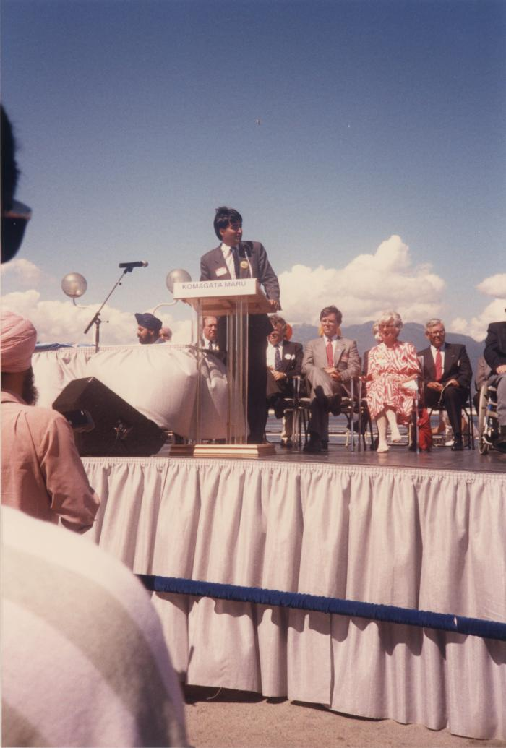
 | Mr. Moe Sihota M.L.A (2020_04_004_090) | A colour image taken at the historical gathering commemorating the 75th anniversary of the Komagata Maru tragedy. A group of people are seen seated on top of a stage. On the left there is a table. There is a podium that reads, "Komagata Maru 75th Anniversary 1914-1989." Moe Sihota is seen giving a speech into the microphone. Kanwal Singh Neel, Noël Kinsella, Margaret Mitchell, and Gordon Wilson are seen seated on stage behind Moe Sihota.

