Results
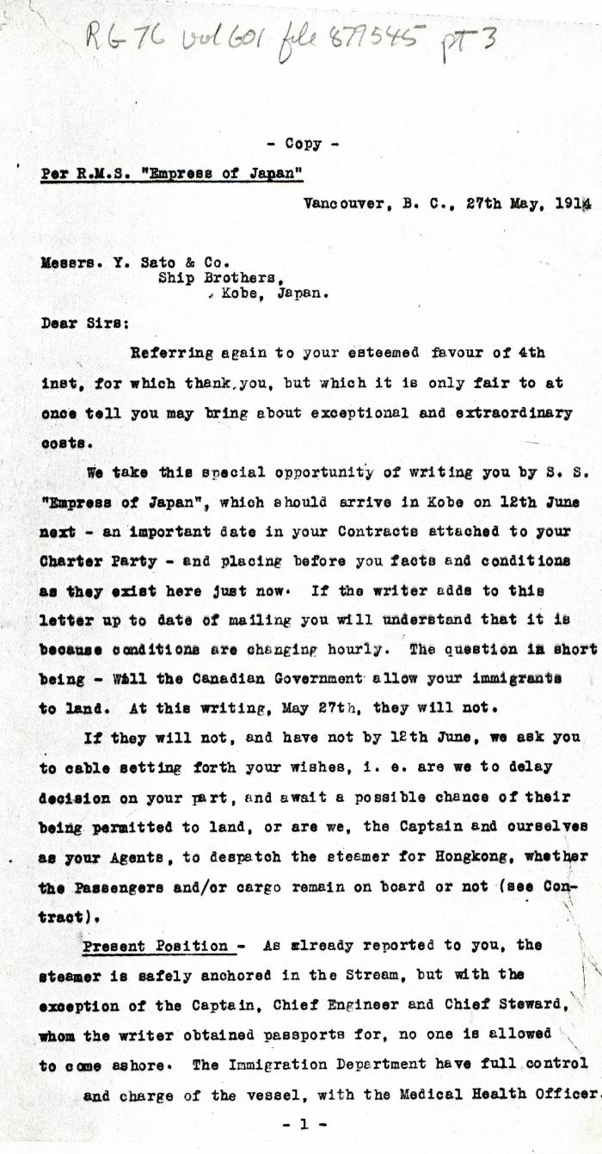
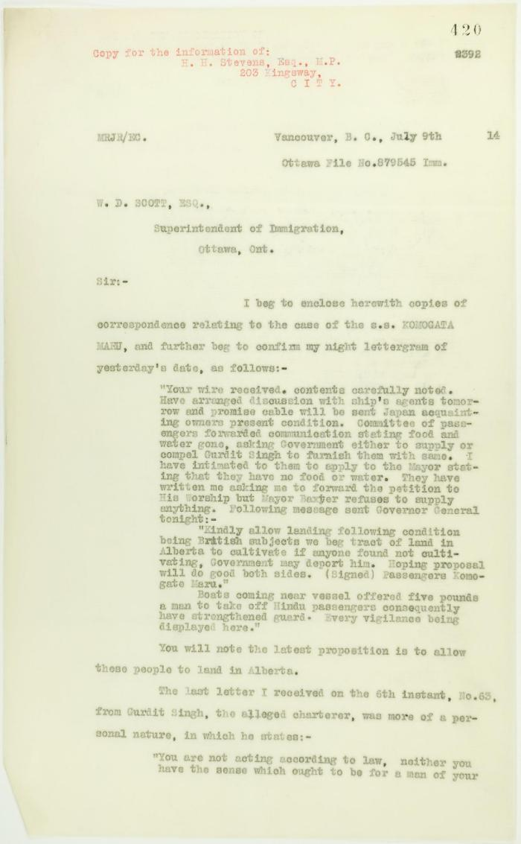
Image | Object | Description | Date
 | [Charles Gardner Johnson, Shipping Agent, Vancouver, to Y. Sato & Co., Kobe, Japan. Copy] (2021_07_4607) | Library and Archives Canada. RG76, Vol. 601, File 877545, pt. 3
 | Copy of letter from Reid to W. D. Scott enclosing recent correspondence. Page 1-2 (2021_07_681) | Page 420-421

 | Copy of letter from Reid to W. D. Scott re Japanese insistence that they had no connection with the enterprise, and enclosing correspondence re recent incidents. Page 1-5 (2021_07_298) | Page 381-385
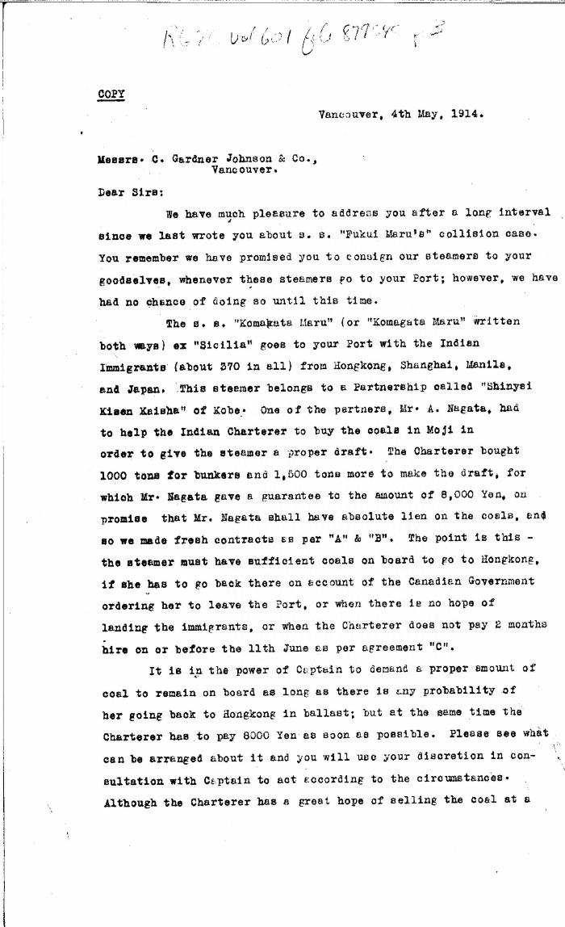
 | [Y. Sato & Co. to Charles Gardner Johnson & Co., Shipping Agent, Vancouver. Copy] (2021_07_4591) | Library and Archives Canada. RG76, Vol. 601, File 879545, pt. 3

