Results
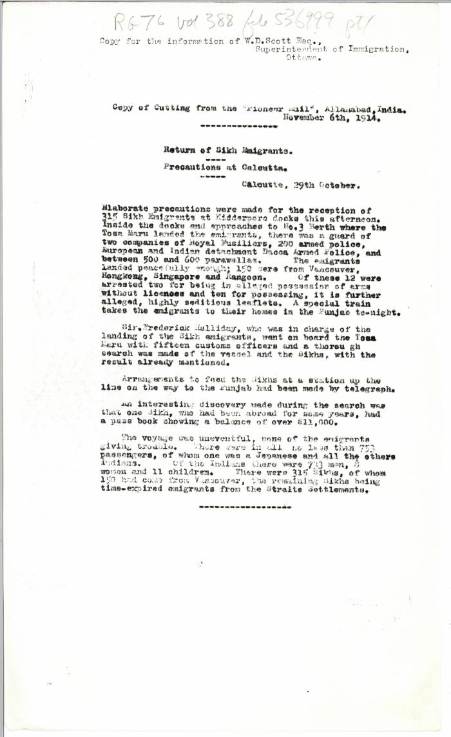
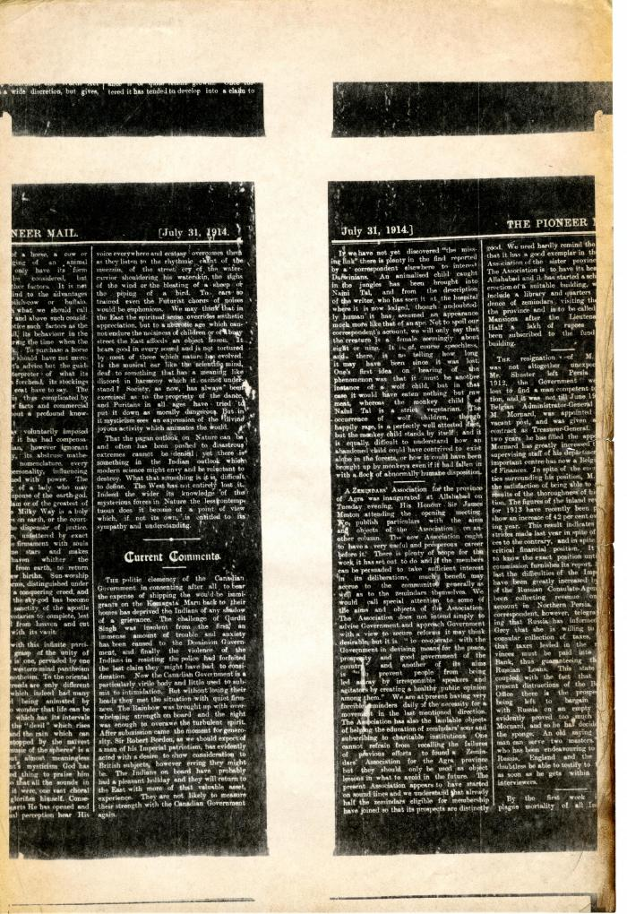
Image | Object | Description | Date
 | Copy of cutting from the Pioneer Mail, Allahabad, India: Return of Sikh emigrants: precautions at Calcutta (2021_07_10428) | Library and Archives Canada. RG76, Vol. 388, File 536999, pt. 1
 | Newsclipping - Pioneer Mail: Current comments (2021_07_10441)
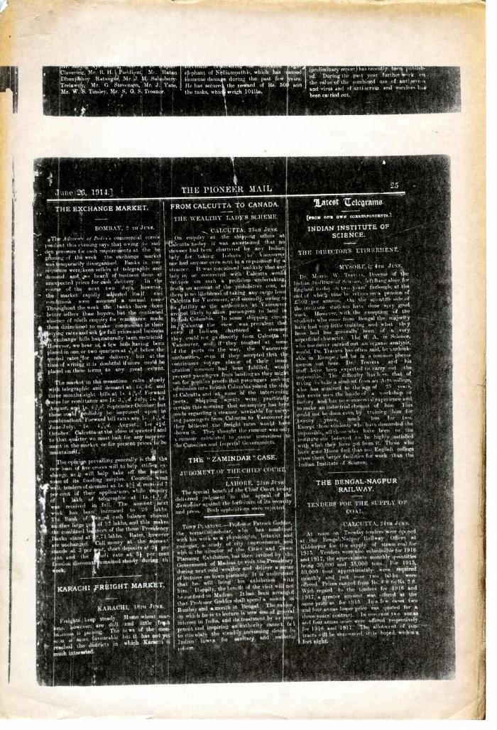
 | Newsclipping - Pioneer Mail: From Calcutta to Canada - the wealthy lady's scheme (2021_07_10438)
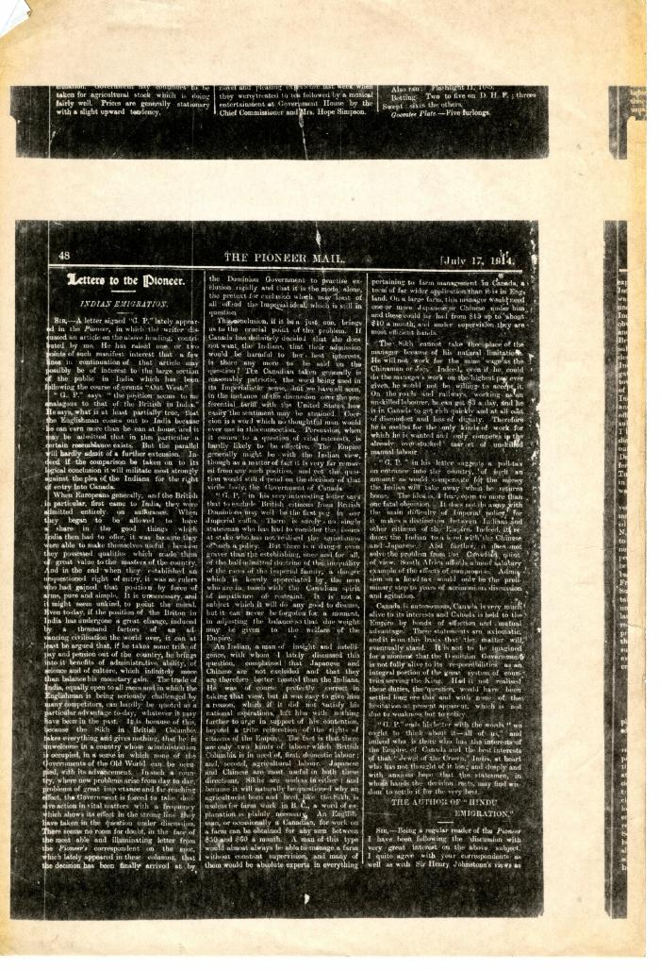
 | Newsclipping - Pioneer Mail: Letters to the Pioneer: Indian emigration (2021_07_10432)
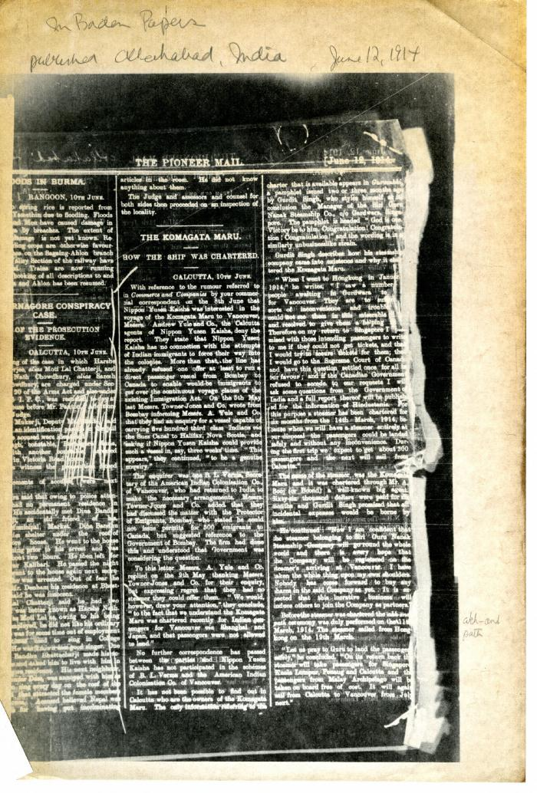
 | Newsclipping - Pioneer Mail: The Komagata Maru: how the ship was chartered (2021_07_10437) | Library and Archives Canada. Borden Papers

