Results
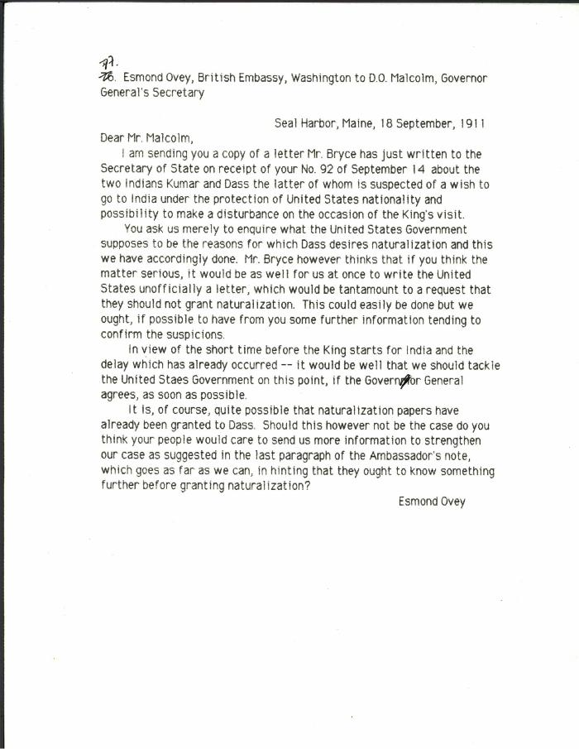
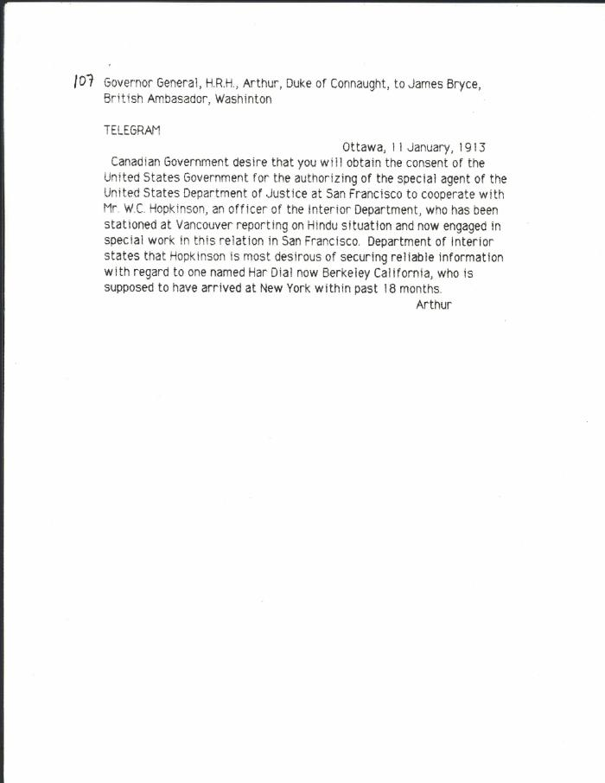
Image | Object | Description | Date
 | [Esmond Ovey, British Embassy, Washington, to D. O. Malcolm, Governor General's Secretary, re Kumar and Das. Original] (2021_07_10306) | Library and Archives Canada. RG7-G-21, Vol. 201, File 332, vol. 5 (a)
 | [Governor General, H. R. H. Prince Arthur, Duke of Connaught, to James Bryce, British Ambassador, Washington, re Hopkinson's work in California] (2021_07_10313) | Library and Archives Canada. RG7-G-21, Vol. 203, File 332, vol. 7 (b)
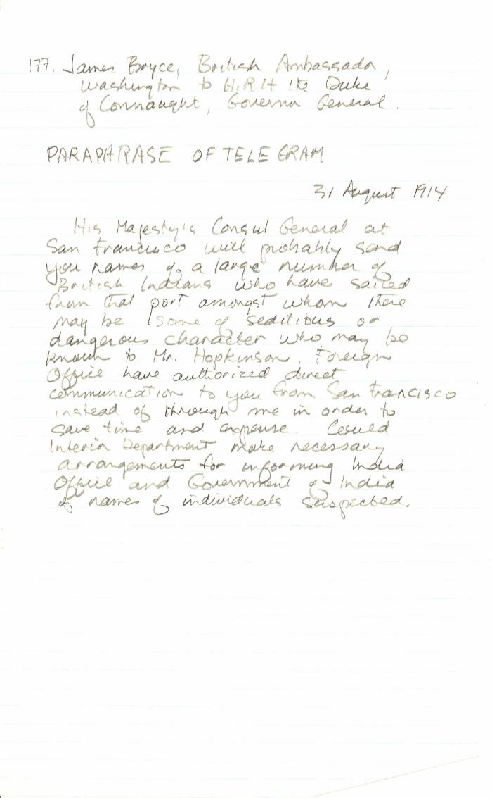
 | [James Bryce, British Ambassador, Washington, to Governor General, H. R. H. Prince Arthur, Duke of Connaught, Governor General, re may be seditious Indians leaving San Francisco. Paraphrase of original] (2021_07_10343)

