Results
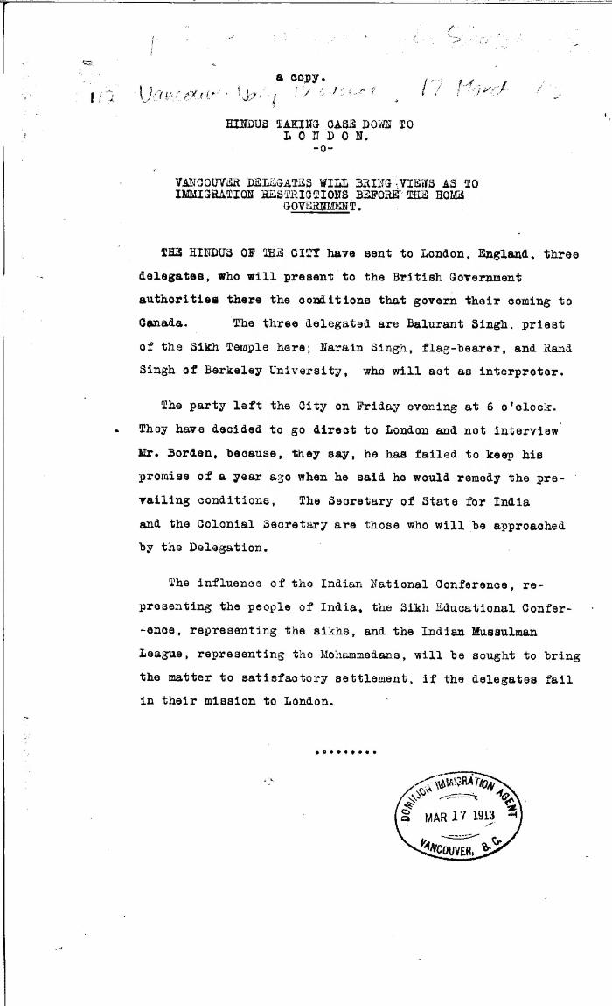
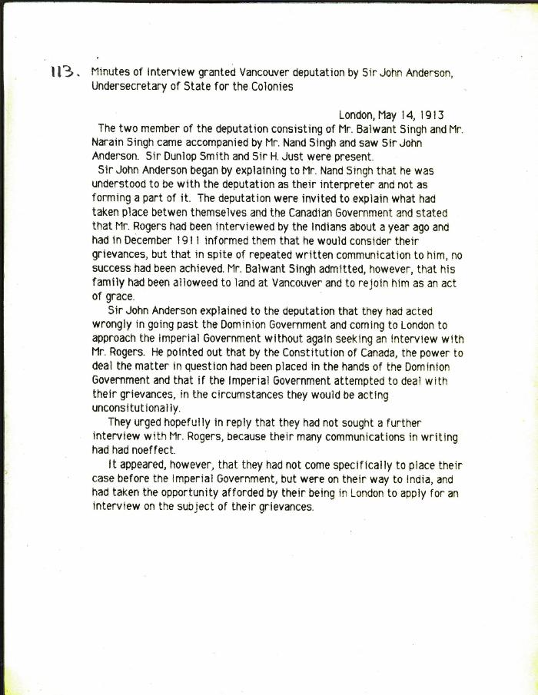
Image | Object | Description | Date
 | Newsclipping - Vancouver Daily Province: Hindus taking the case down to London: Vancouver delegates will bring views as to immigration restrictions before the home government (2021_07_10316) | Library and Archives Canada. RG7-G-21, Vol. 385, File 536999, pt. 5
 | [Minutes of interview granted Vancouver deputation by Sir John Anderson, Under-Secretary of State for the Colonies, re Indians' complaints about Canada's immigration regulations] (2021_07_10317)

