Results
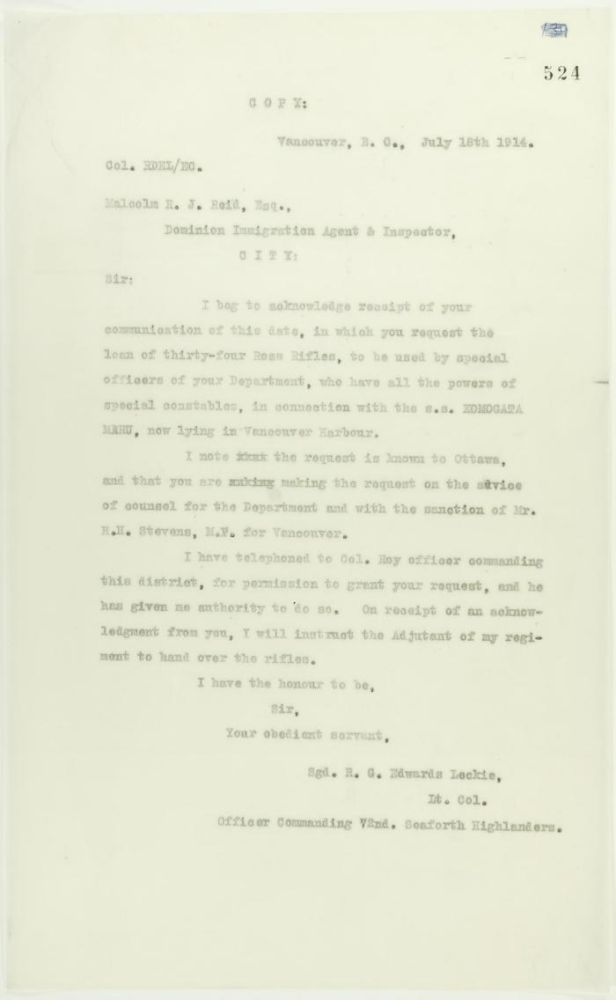
Image | Object | Description | Date
 | Copy of letter from Lt. Col. R. G. E. Leckie to Reid re loan of Ross Rifles (2021_07_10747) | Page 524
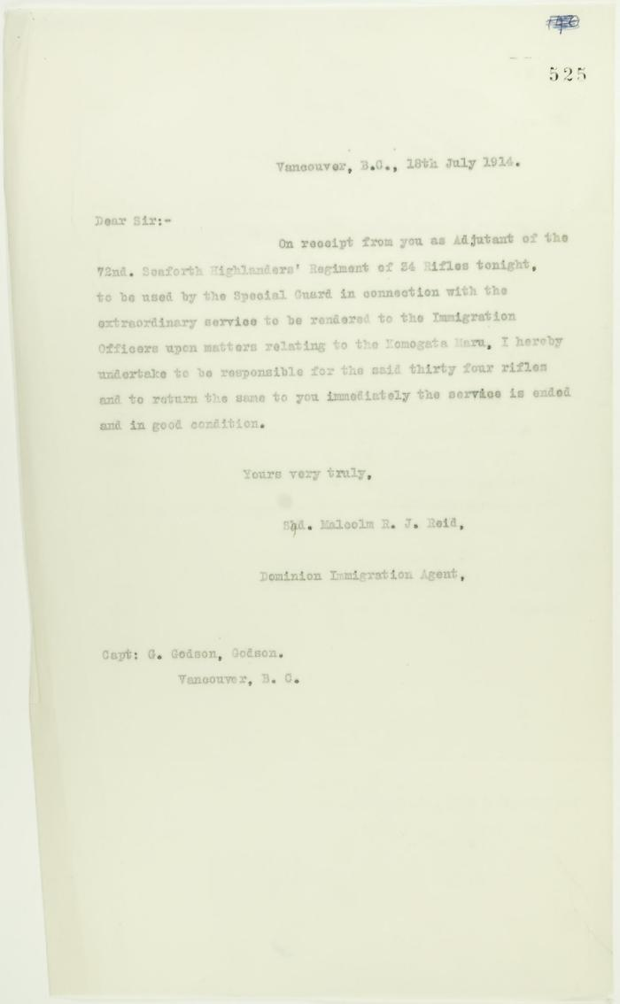
 | Copy of letter from Reid to Capt. G. Godson acknowledging receipt of rifles (2021_07_10748) | Page 525
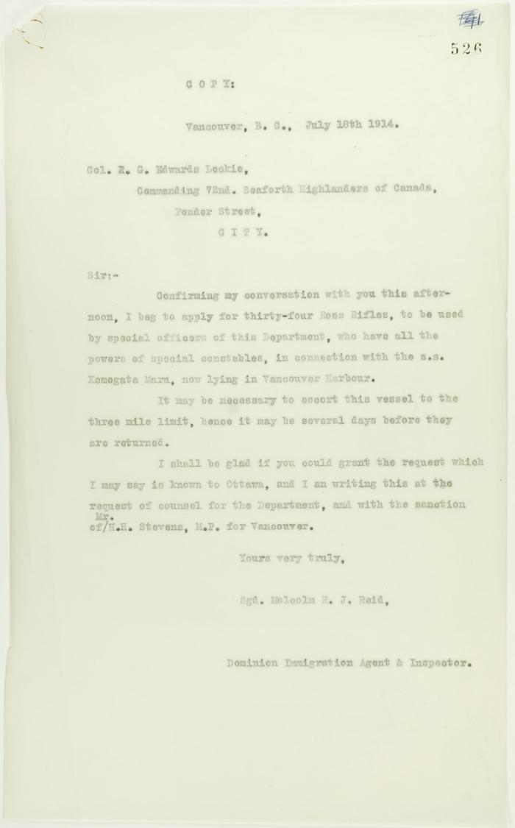
 | Copy of letter from Reid to Col. R. G. E. Leckie re rifles (2021_07_10749) | Page 526
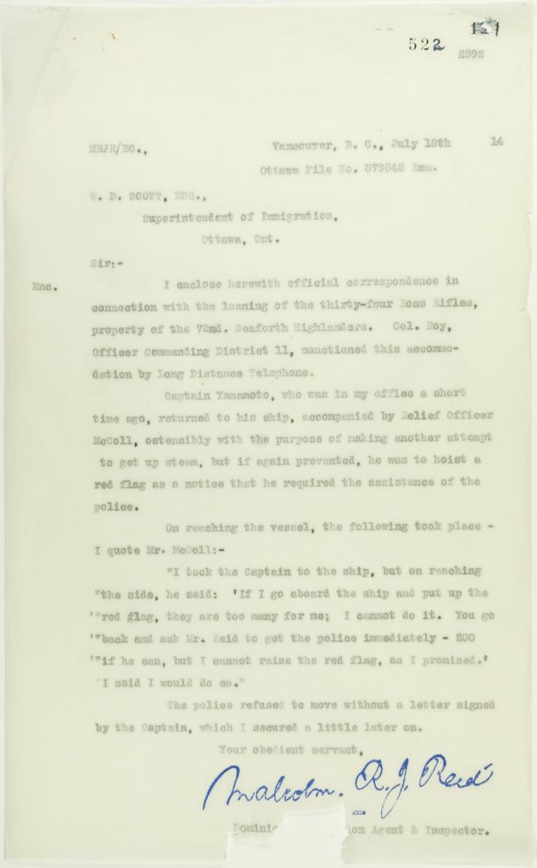
 | Copy of letter from Reid to W. D. Scott re police intervention to get ship under steam (2021_07_10744) | Page 522

 | Newsclipping - Smoke is rising from the Maru, to leave at 5 a.m. tomorrow (2021_07_3951) | Page 058
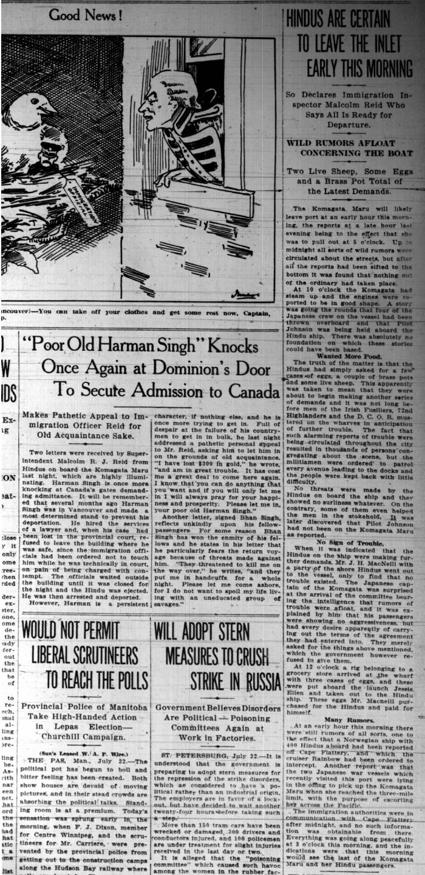
 | Newsclippings - Vancouver Sun: Hindus are certain to leave the inlet early this morning; 'Poor old Harnam Singh' knocks once again at Dominion's door to secure admission to Canada; Never too late to mend (2021_07_5380)
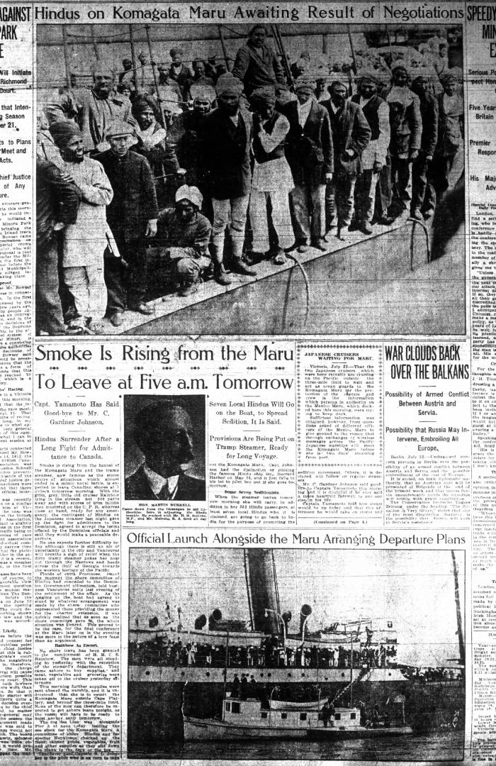
 | Newsclipping - Vancouver Daily Province: Smoke is rising from the Maru to leave at five a.m. tomorrow (2021_07_5165)
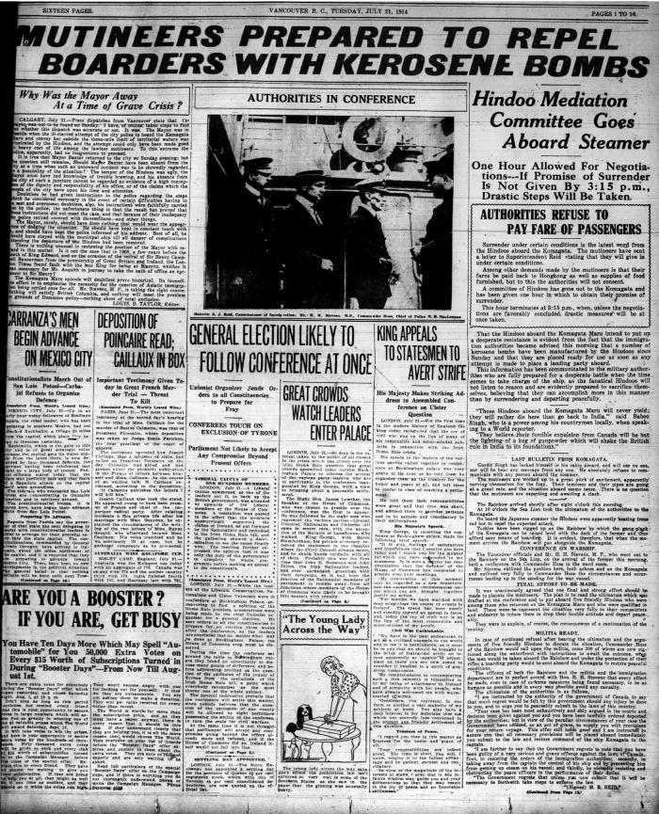
 | Newsclipping - Vancouver World: Mutineers prepared to repel boarders with kerosene bombs (2021_07_5183)

