Results
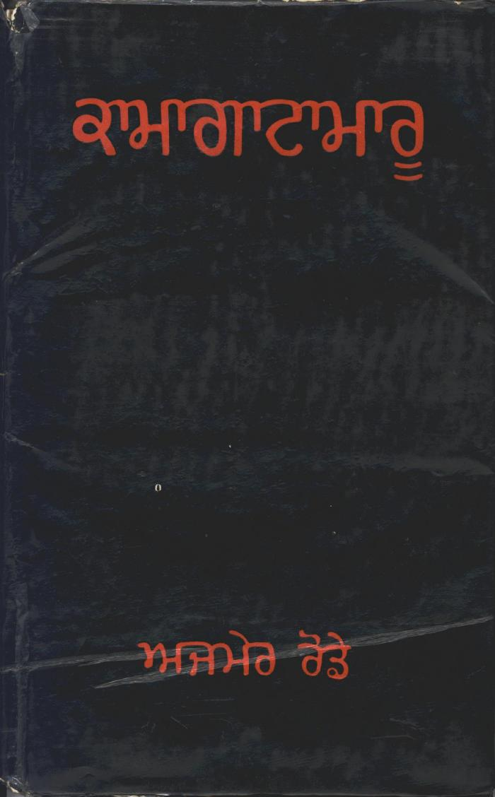
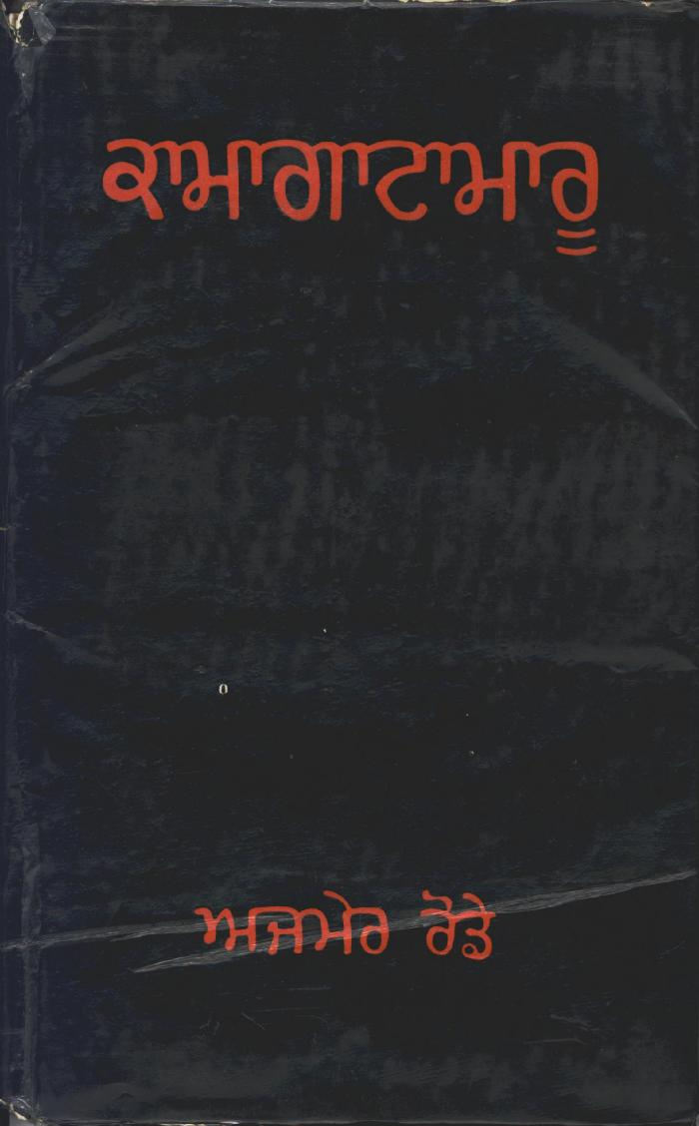
Image | Object | Description | Date
 | Kamagata Maru (full play) (2021_07_1495)
 | Kamagata Maru (full play) (2021_07_1878)
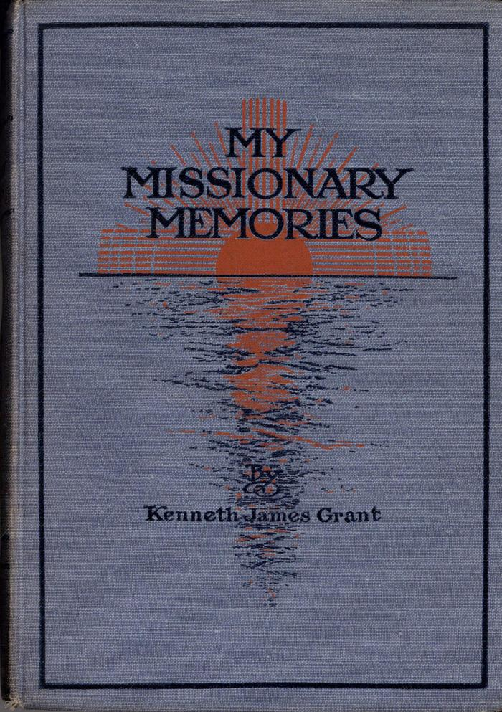
 | My Missionary Memories (Excerpts) (2021_07_6027)
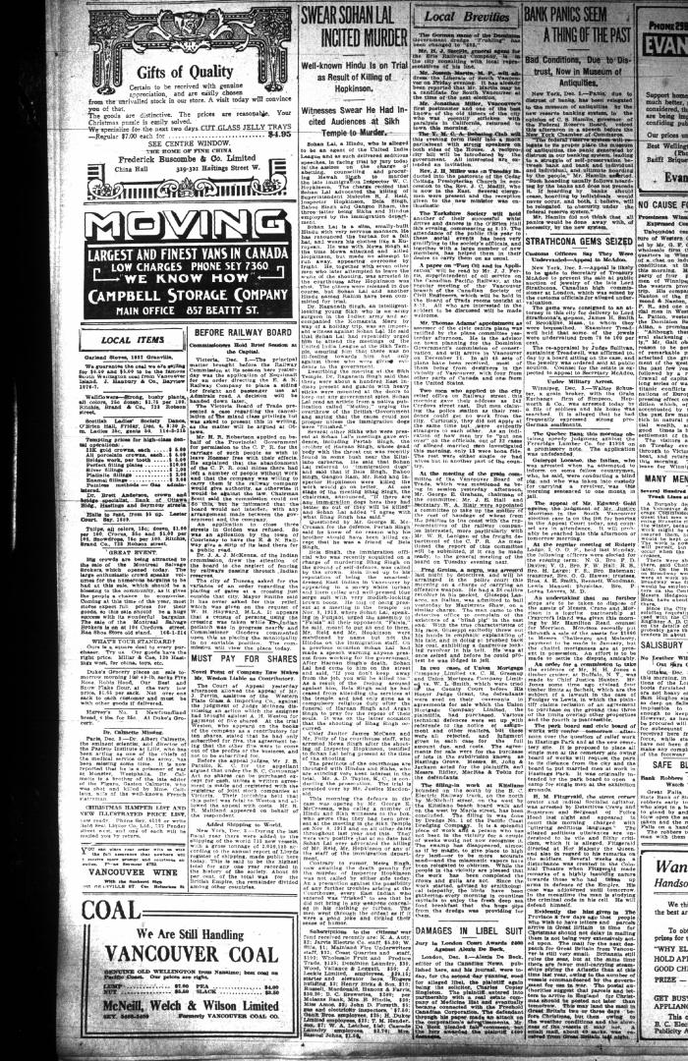
 | Newsclipping - Vancouver Daily Province: Swear Sohan Lal incited murder (2021_07_10464)
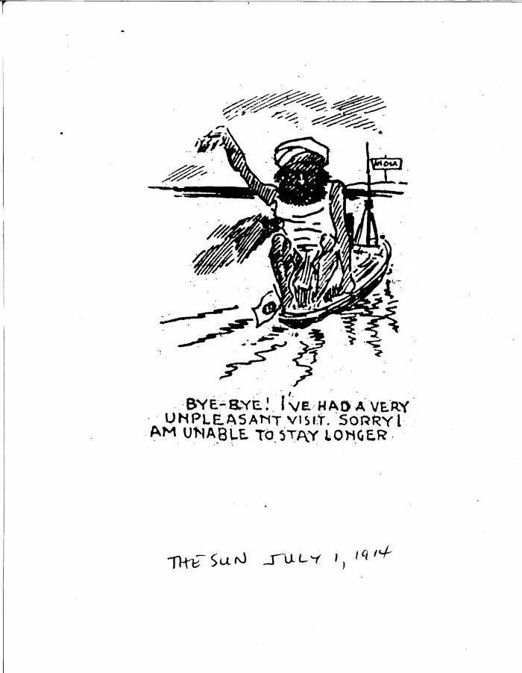
 | Bye-bye! I've had a very unpleasant visit. Sorry I am unable to stay longer. (2021_07_10822)

