Results
Image | Object | Description | Date
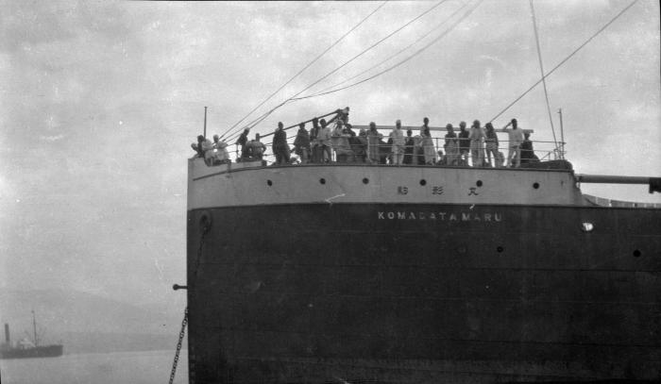 | S. S. 'Komagata Maru' (2021_07_10611) | City of Vancouver Archives. Item number CVA 7-122
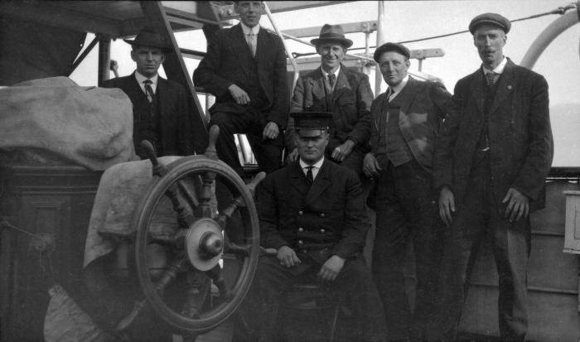 | [Officials aboard 'Komagata Maru'] (2021_07_10621) | City of Vancouver Archives. Item number CVA 7-133
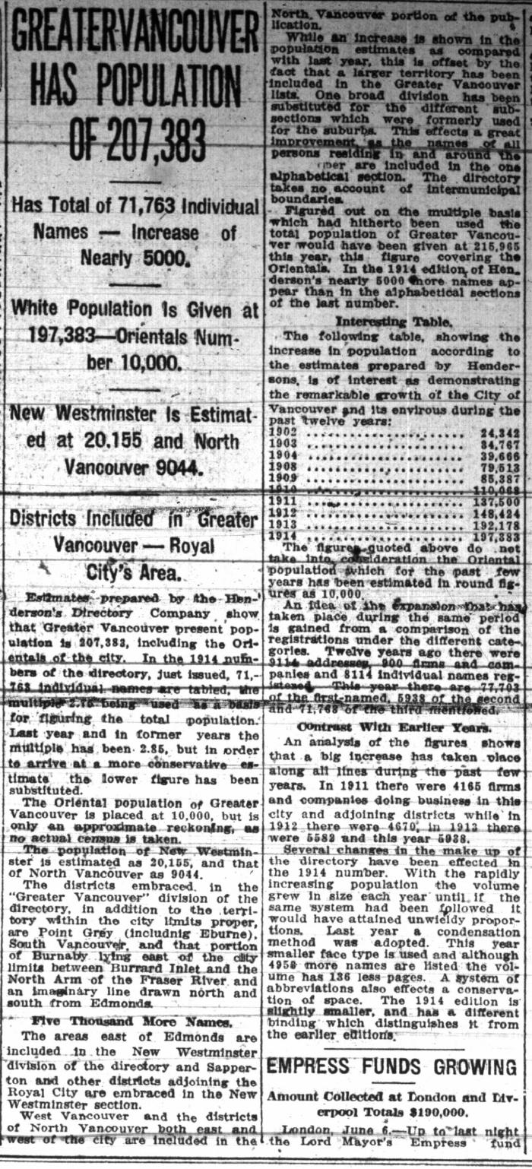
 | Newsclipping - Vancouver Daily Province: Greater Vancouver has population of 207,383 (2021_07_10482)
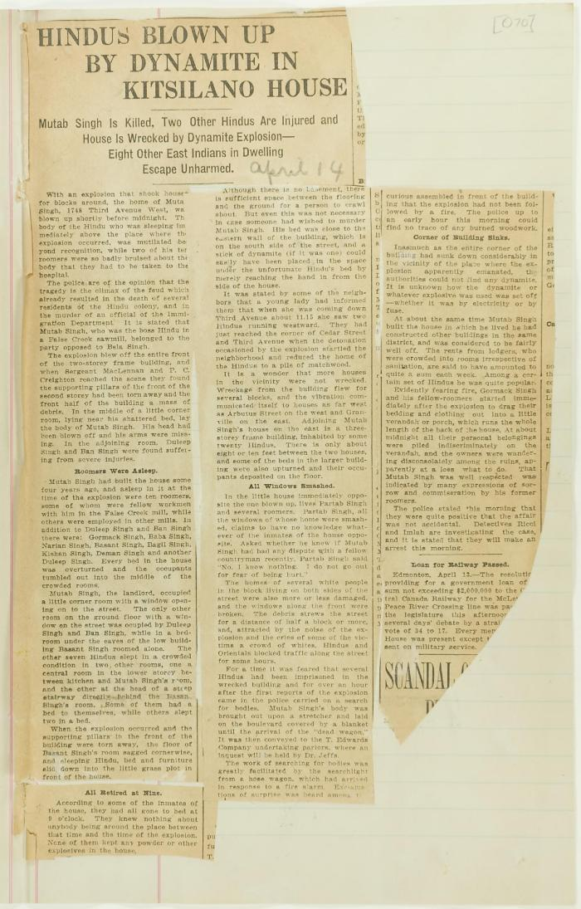
 | Newsclipping - Hindus blown up by dynamite in Kitsilano house (2021_07_10807)
 | Newsclipping - Dynamited Hindus' home (2021_07_10811)
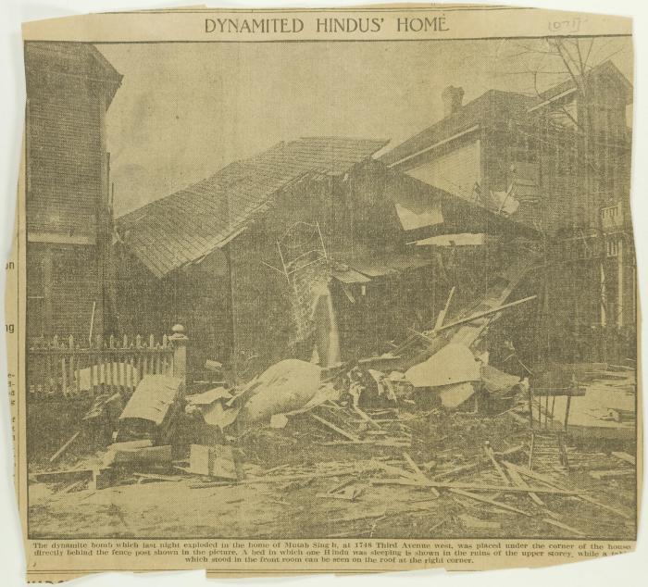 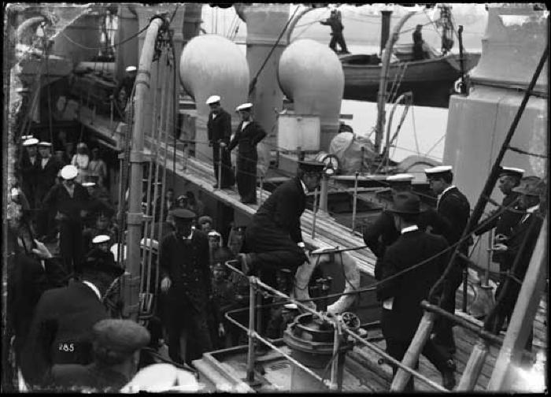 | Military on pier and H.M.C.S. Rainbow (2021_07_10560) | Vancouver Public Library. Accession number 6223
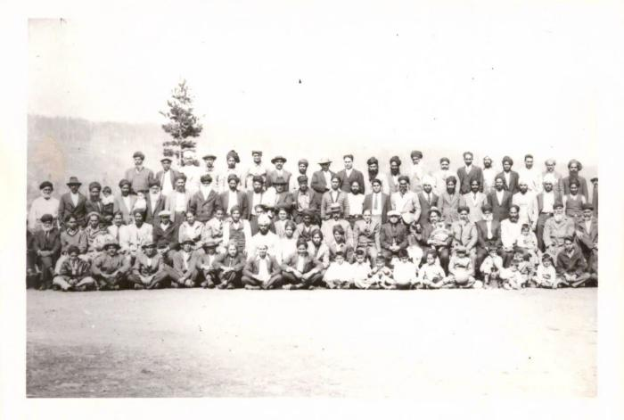 | [Mayo Lumber workers] (2021_07_10261)
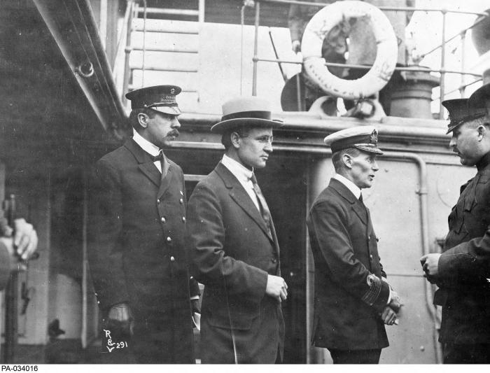 | (L-R:) Inspector Reid, H.H. Stevens and Capt. Walter J. Hose on board the "Komagata Maru" in English Bay, Vancouver, British Columbia (2021_07_10582) | Library and Archives Canada. PA-034016
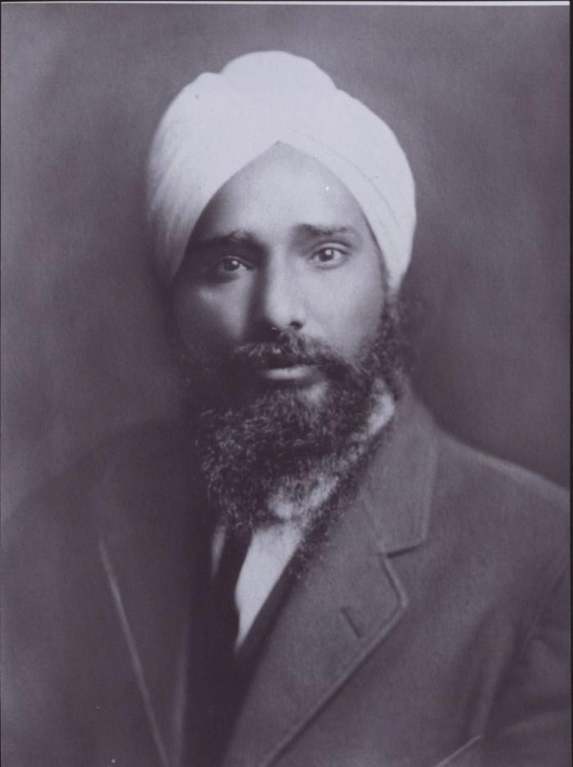
 | [Balwant Singh] (2021_07_10832) | Provided by Kalwant Singh Nadeem Parmar.

