Results
Image | Object | Description | Date
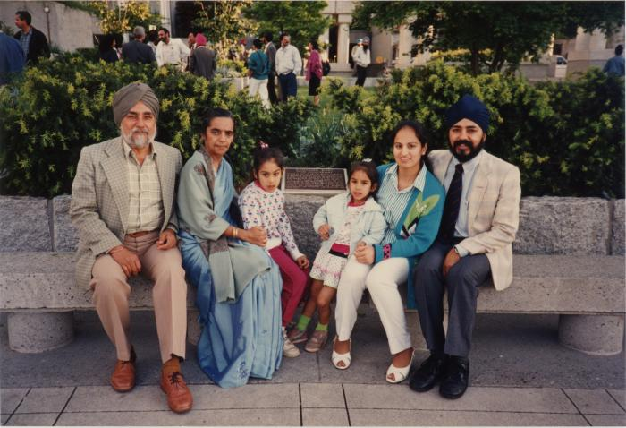 | Neels at the plaque (2020_04_004_115) | A colour image taken at the plaque unveiling event at Portal Park, Vancouver, commemorating the Komagata Maru 75th anniversary. Kanwal Singh Neel is seen seated on a stone bench in front of the plaque with his family, including his wife Nancy and their two daughters. On the left of the photo are Gurdial Singh and Swarnjit Kaur Neel. In the background there is greenery and some people standing.

