Results


Image | Object | Description | Date
 | [William C. Hopkinson, Immigration Inspector, to William W. Cory, Deputy Minister of the Interior. Copy] (2021_07_4338) | Library and Archives Canada. RG7-G-21, Vol. 201, File 332, vol. 4
 | [William C. Hopkinson, Immigration Inspector, to William W. Cory, Deputy Minister of the Interior] (2021_07_4512) | Library and Archives Canada. RG7-G-21, Vol. 203, File 332, vol. 8
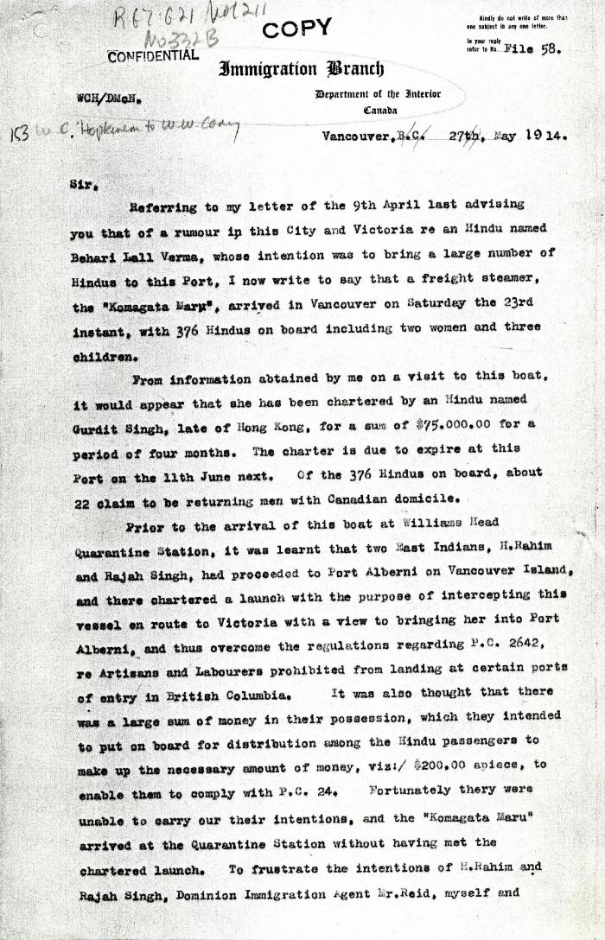
 | [Extract from William C. Hopkinson, Immigration Inspector, to William W. Cory, Deputy Minister of the Interior. Copy] (2021_07_4611) | Library and Archives Canada. RG7-G021, Vol. 211, File 332 B
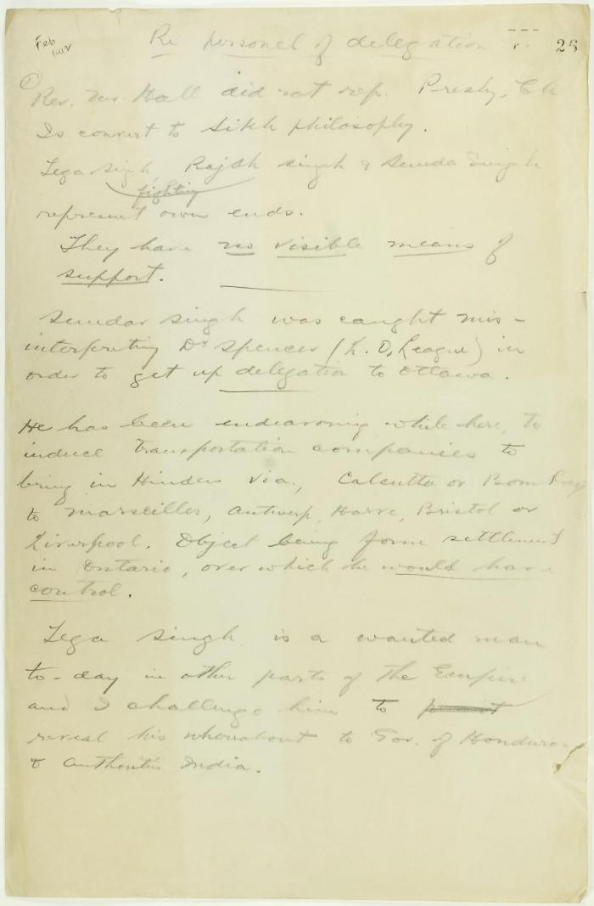
 | Draft of report re delegation personnel (2021_07_9292) | Page 26-27

