Results
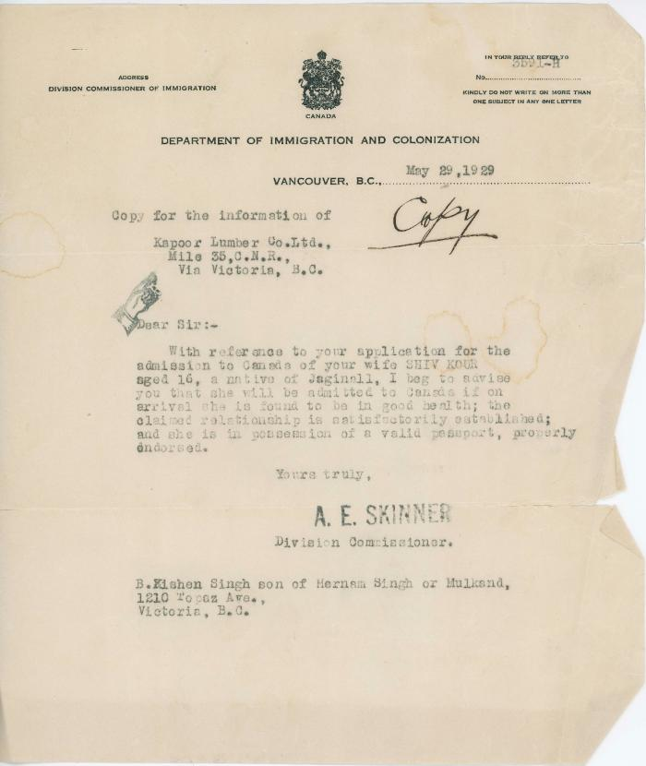
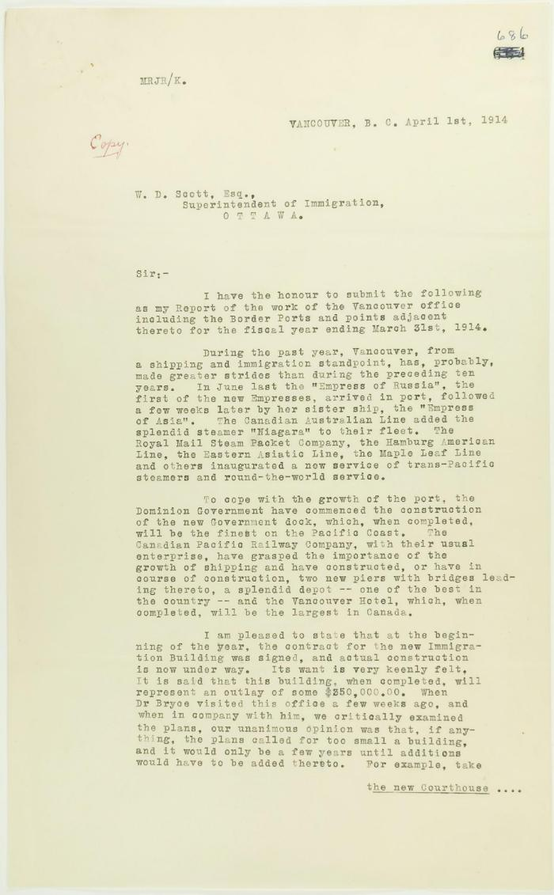
Image | Object | Description | Date
 | [Letter from A. E. Skinner to Kishen Singh] (2020_05_01_07_032) | Letter from A. E. Skinner to Kishen Singh regarding his wife, Shiv Kour's admission to Canada.
 | Copy of report of Malcolm Reid (see p. 685). Page 1-5 (2021_07_2448) | Page 686-690
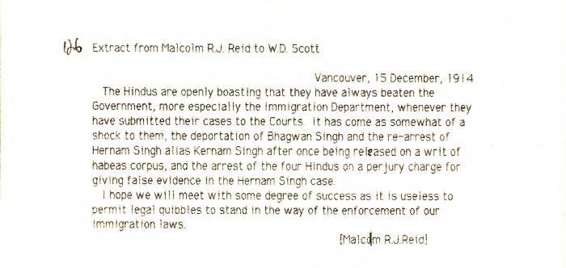 | [Extract from Malcolm R. J. Reid, Dominion Immigration Agent, to William D. Scott, Superintendent of Immigration, re need to enforce immigration laws] (2021_07_10351) | Library and Archives Canada. RG76, Vol. 387, File 536999, PEI RO
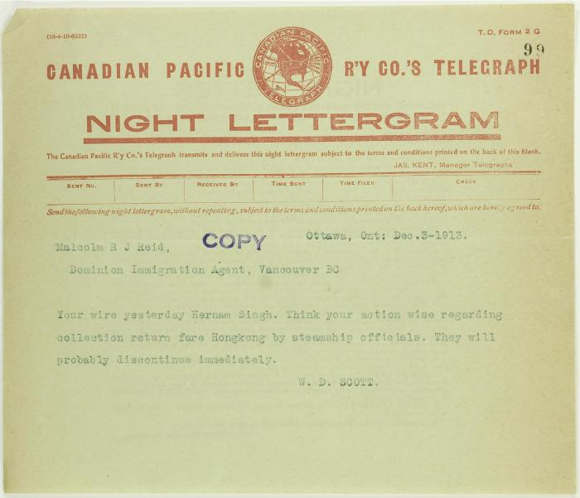
 | Telegram from W. D. Scott to Malcolm Reid (see p. 98) (2021_07_10661) | Page 99
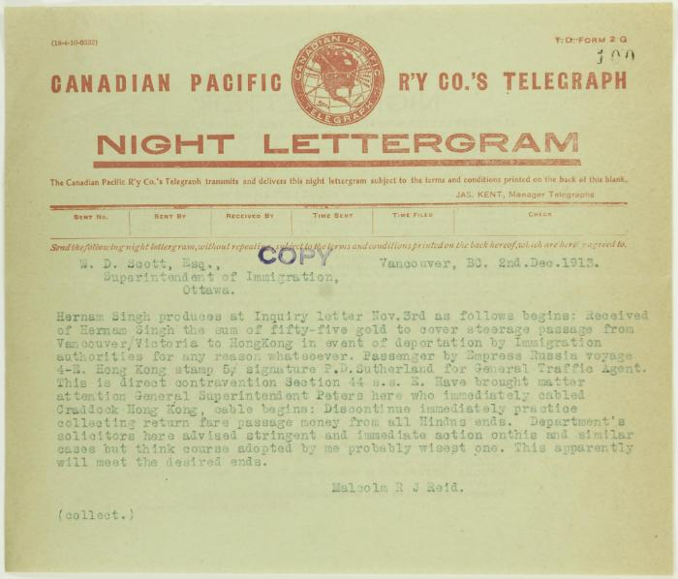
 | Telegram from Malcolm Reid to W. D. Scott (see p. 98) (2021_07_10662) | Page 100
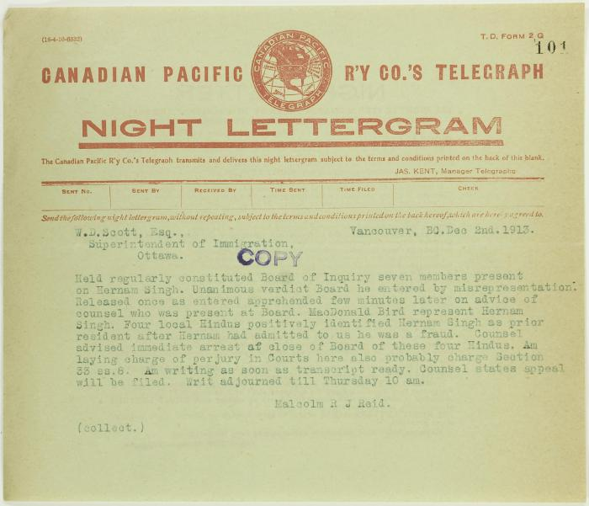
 | Telegram from Malcolm Reid to W. D. Scott (see p. 98) (2021_07_10663) | Page 101
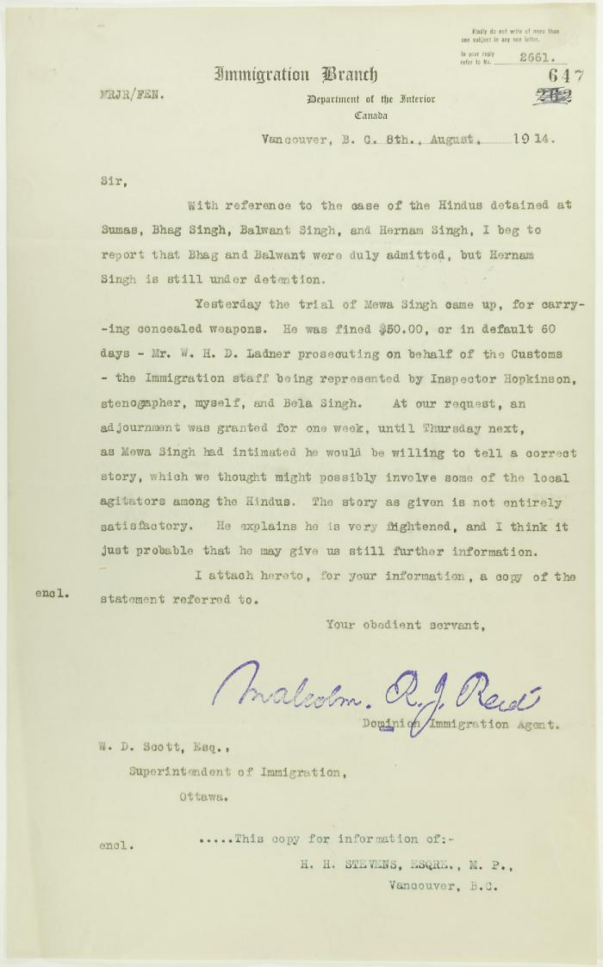
 | Copy of letter from Reid to W. D. Scott re Hindus detained at Sumas, and enclosing a statement by Mewa Singh (2021_07_10771) | Page 647

