Results
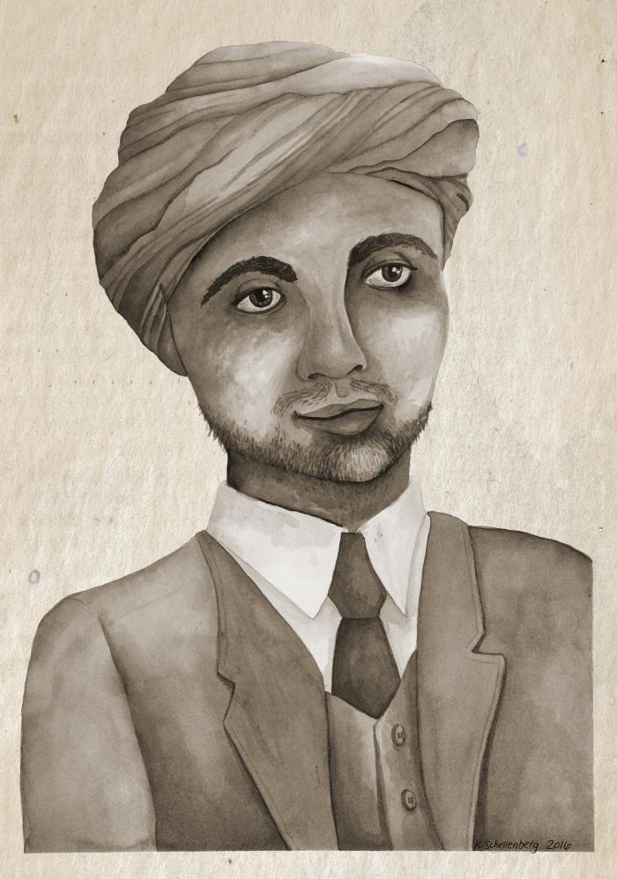
Image | Object | Description | Date
 | Bishan Singh (2021_05_001) | Watercolour painting of Bishan Singh, a fictionalized character created for the (DIS)Enfranchisement - 1907-1947: The Forty Year Struggle for The Vote exhibit based on the real experiences of South Asian Canadians.
 | New Canadian makes voting history 1947, placing the vote in the ballot box (2021_05_002) | News clipping image of Mahinder S. Beadall placing his ballot in a ballot box while another man looks on. Beadall was the first South Asian Canadian in Victoria to cast a ballot in a federal election.
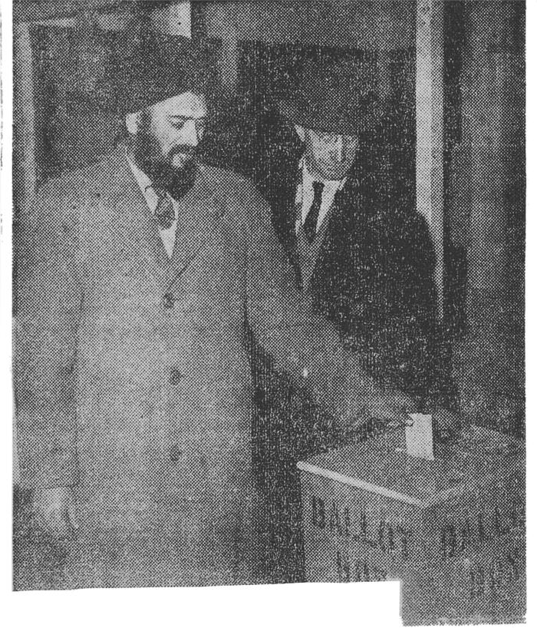 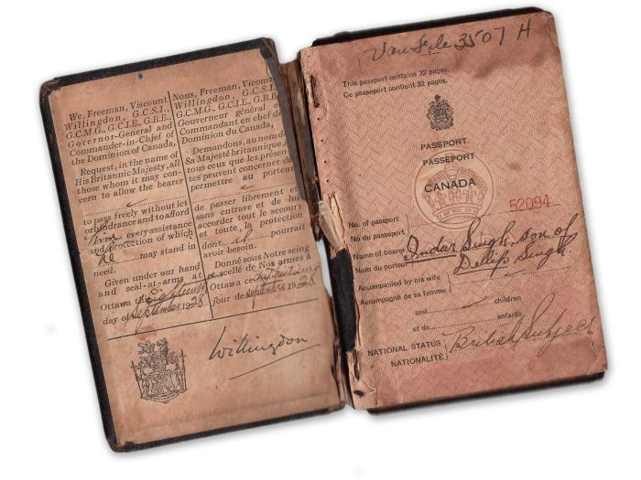 | [Indar Singh's passport] (2021_05_003) | Front page of Indar Singh's Canadian passport.
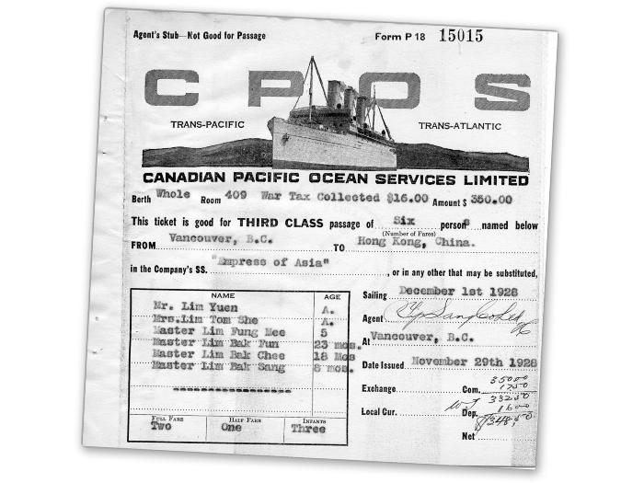 | [Lim family ticket for the Empress of Asia] (2021_05_004) | Agent's stub for a third class ocean liner ticket issued to Mr. Lim Yuen, Mrs. Lim Tom She, Master Lim Fung Mee, Master Lim Bak Fun, Master Lim Bak, Chee, and Master Lim Bak Sang to sail from Vancouver to Hong Kong on the Empress of Asia on December 1st, 1928.
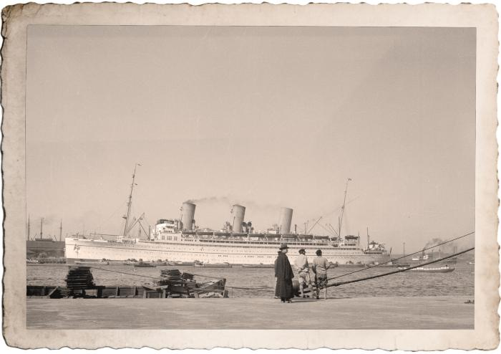 | Empress of Japan (2021_05_005) | Image of three people standing on the shore in front of the ship the Empress of Japan.
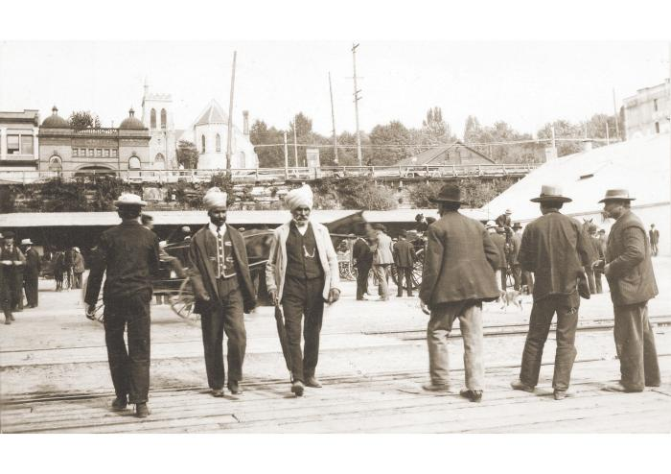 | Market life, Friday (2021_05_006) | Image of two South Asian Canadian men walking across a rail line in front of a busy market.
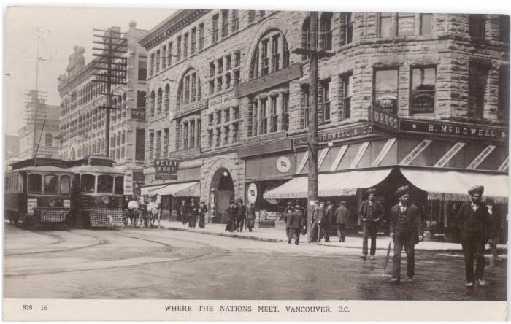 | Where the nations meet (2021_05_007) | A postcard sent to Miss Myrtle Wait by Gilbert about their trip to Vancouver. The front of the postcard has an image of three sikh men crossing the street in Vancouver in front of H. McDowell & Co.
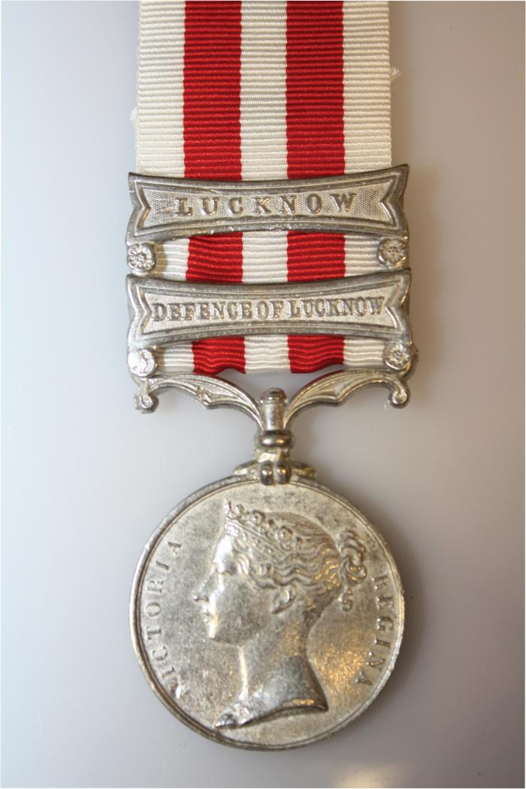
 | Defence of Lucknow medal (2021_05_009) | A medal given to officers in the British and Indian units of the army that suppressed the First War of Independence in India, also known as the Indian Mutiny. This medal was given specifically to officers and those at La Martinière College who fought during the initial Siege of Lucknow.
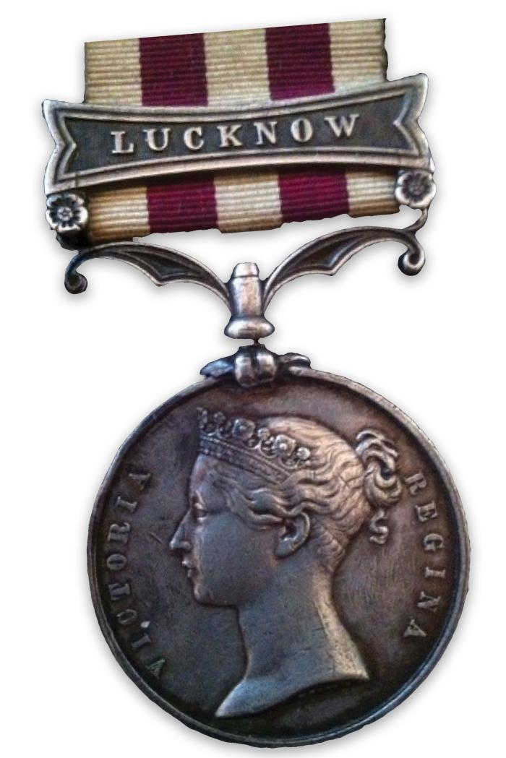
 | Lucknow medal (2021_05_010) | A medal given to officers in the British and Indian units of the army that suppressed the First War of Independence in India, also known as the Indian Mutiny. This medal was given specifically to officers who fought under Sir Colin Campbell during the final operations against those seeking independence, upto the surrendor of Lucknow.
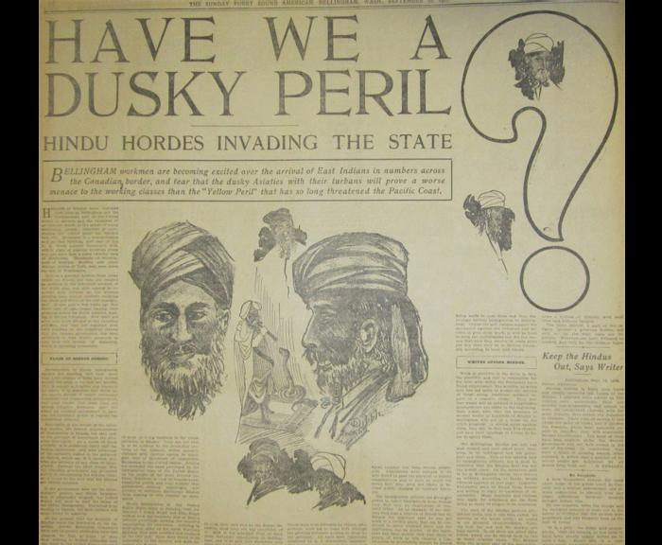 | Have we a dusky peril? : [South Asian immigrants] invading the state (2021_05_011) | An article from the September 16, 1906 issue of the Puget Sound American describing recent South Asian immigration to Bellingham, Washington.
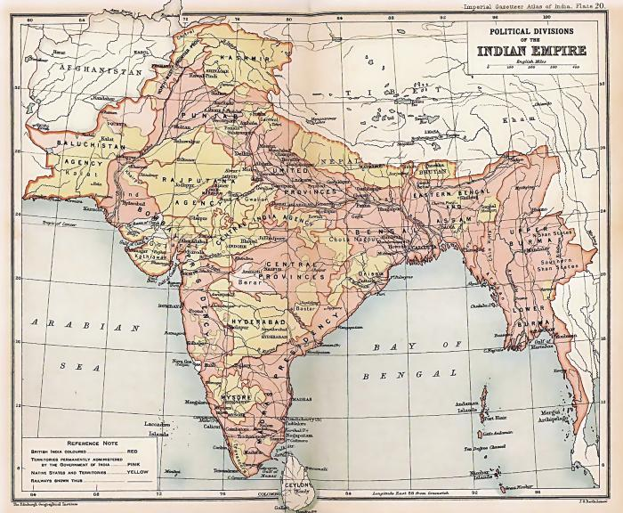 | Political divisions of the Indian empire (2021_05_012) | A map of the Indian subcontintent denoting political divisions while under British occupation. This map was produced for inclusion in the Imperial Gazetteer Atlas of India.
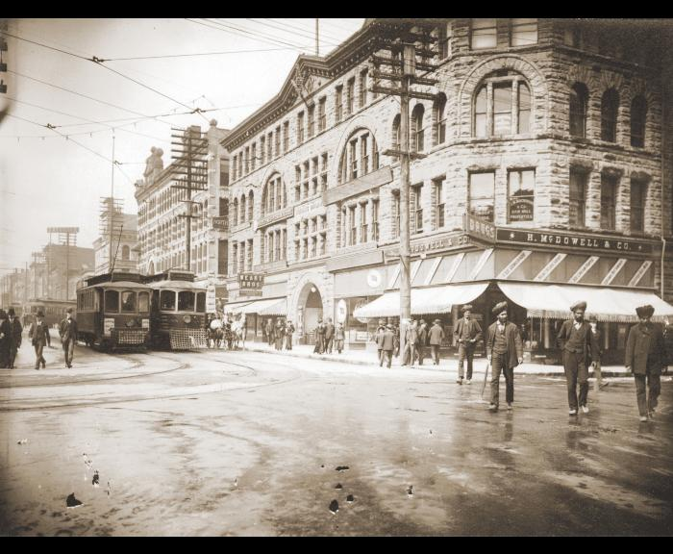 | [Street corner] (2021_05_013) | An image of three sikh men crossing the street in Vancouver in front of H. McDowell & Co
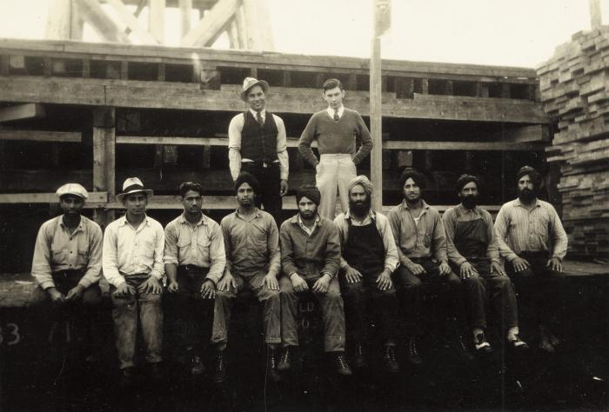 | [Lumber mill workers] (2021_05_014) | Image of a group of primarily South Asian workers on a lumber site.
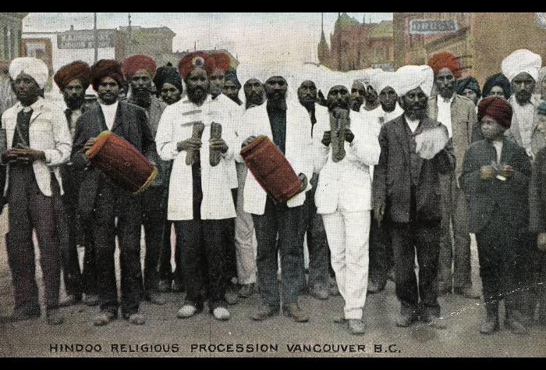 | Sikh religious procession Vancouver BC (2021_05_015) | Handpainted postcard image of a sikh religious procession in Vancouver. The William A. Urqhart liquor store at 54 West Cordova is visible in the background.
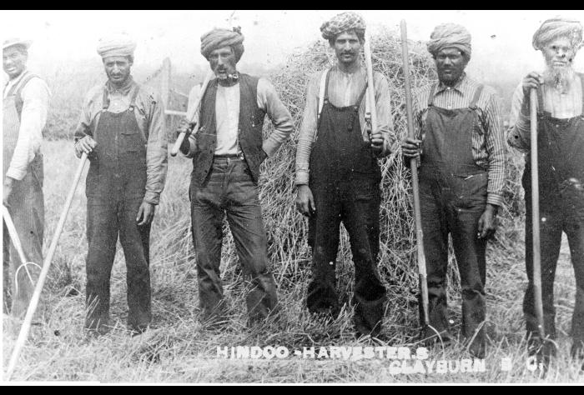 | [Sikh] harvesters (2021_05_016) | Six sikh men haying off Bateman Road. Caption reads "Hindoo Harvesters Clayburn, B.C."
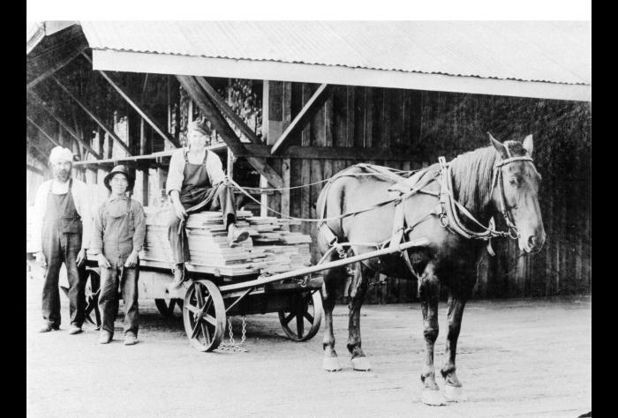 | Horse and cart (2021_05_017) | Image of a man sitting on a pile of lumber on a horse-driven cart. Two men in coveralls stand to his left.
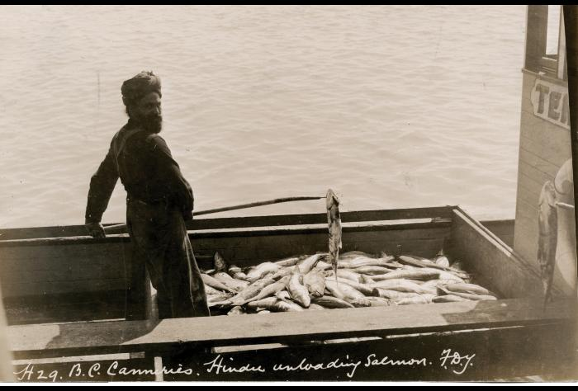 | Imperial Cannery - unloading fish (2021_05_018) | Image of a sikh man unloading salmon at the Imperial Cannery.
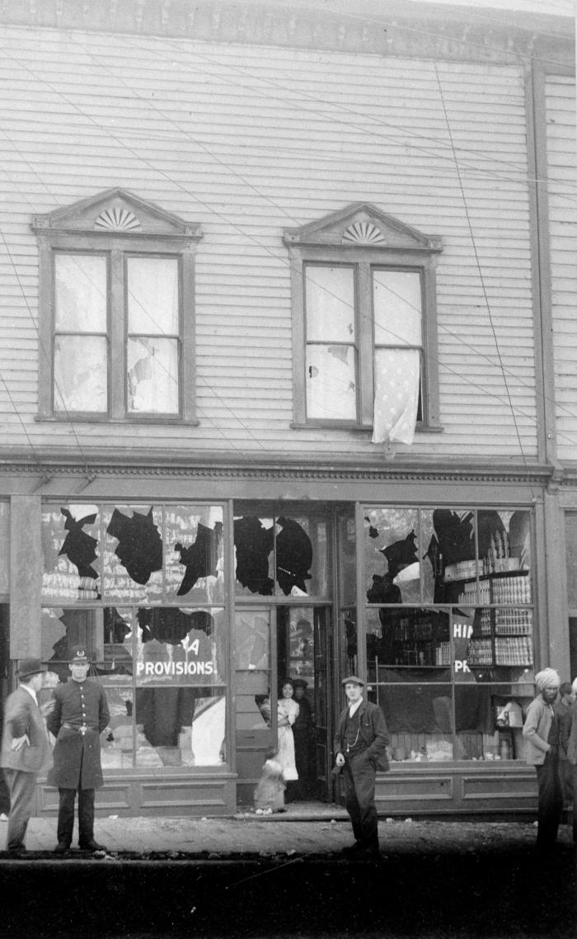
 | Chinatown riots (2021_05_019) | Image of damage done to a grocery store on Powell Street after the Vancouver anti-Asian riot of September 7, 1907.
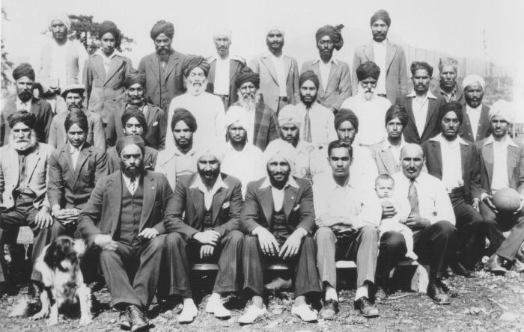 | Bunkhouses (2021_05_020) | Image of a group of Hillcrest Lumber Company workers posing for a group portrait. One of the men is holding a baby and a dog is sitting in front.
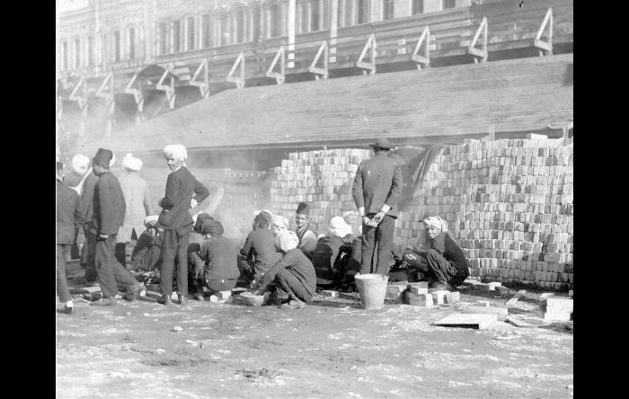 | [Photo of new immigrants of South Asian origin near the Canadian Pacific Railway wharf in Victoria, BC] (2021_05_021) | Photo of new immigrants of South Asian origin near the Canadian Pacific Railway (CPR) wharf in Victoria, British Columbia making bricks.
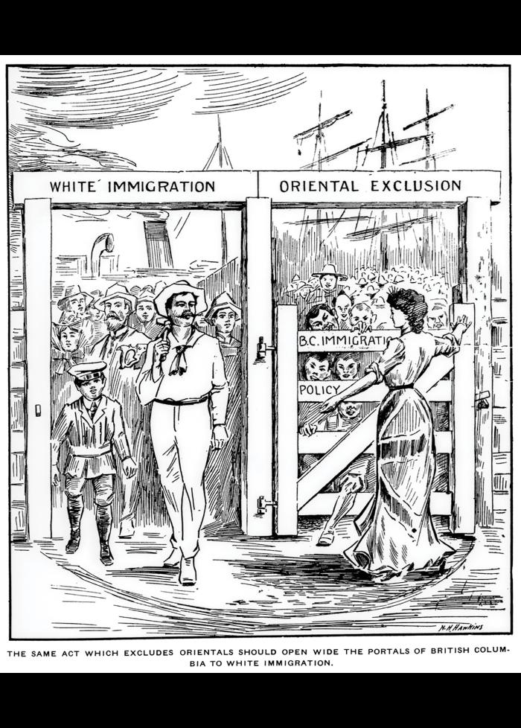
 | The same act which excludes [Asian immigrants] should open wide the portals of British Columbia to white immigration (2021_05_022) | An racist political cartoon that was featured in the August 24, 1907 issue of The British Columbia Saturday Sunset newspaper. The caption reads "the same act which excludes orientals should open wide the portals of British Columbia to white immigration." The cartoon features a white woman in a dress with the Union Jack printed on it holding closed a gate titled "oriental exclusion" while a group of white men walk through a gate titled "white immigration".
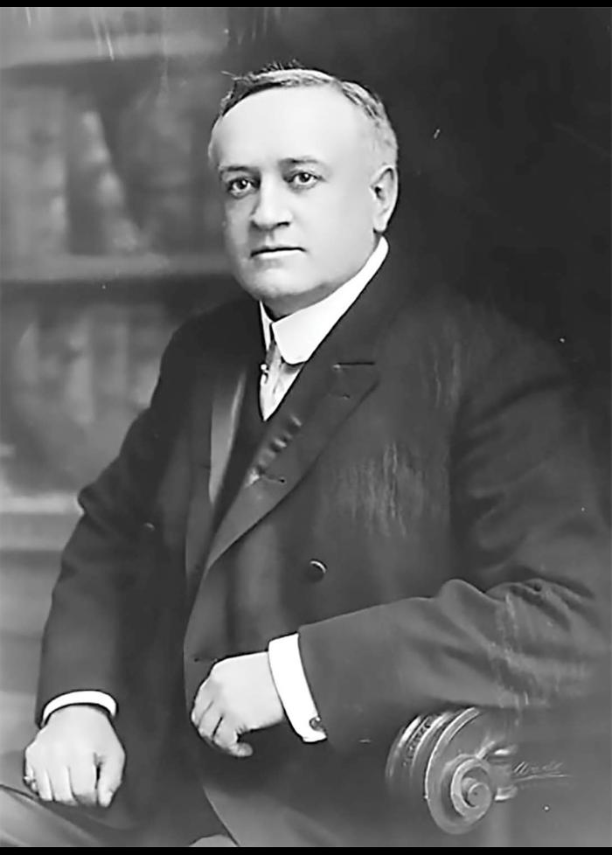
 | William John Bowser (2021_05_023) | Image of William John Bowser, the premier of British Columbia from 1915-1916 and a MLA for the City of Vancouver from 1903-1924. As premier, Bowser added an amendment to the Provincial Elections Act barring South Asian Canadians from voting. Previous to this, Chapter 17 of the Elections Act already barred Japanese Canadians, Chinese Canadians, and indigenous people from voting.
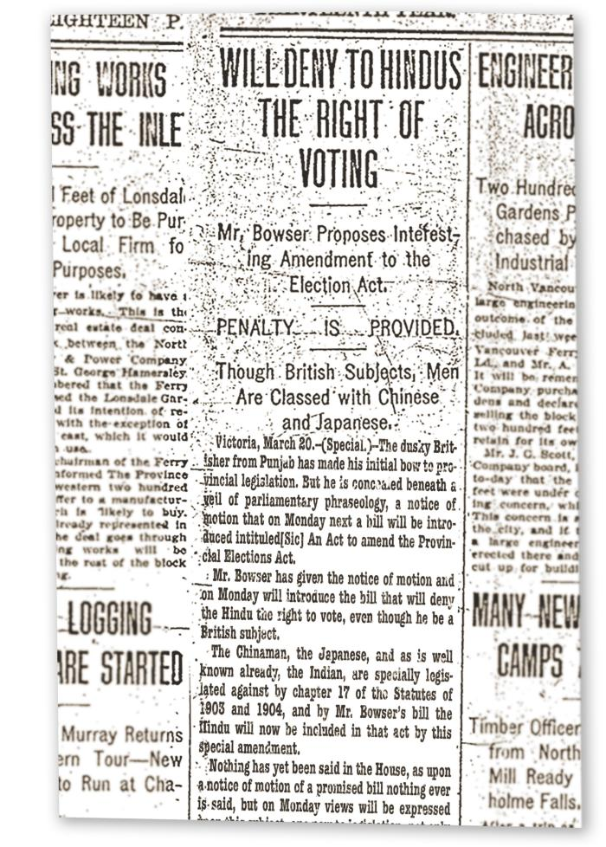
 | Will deny [South Asian Canadians] the right of voting (2021_05_024) | A news clipping discussing a bill to propose an amendment to the Provincial Elections Act that would disallow any South Asian immigrants from voting, in spite of being British citizens.
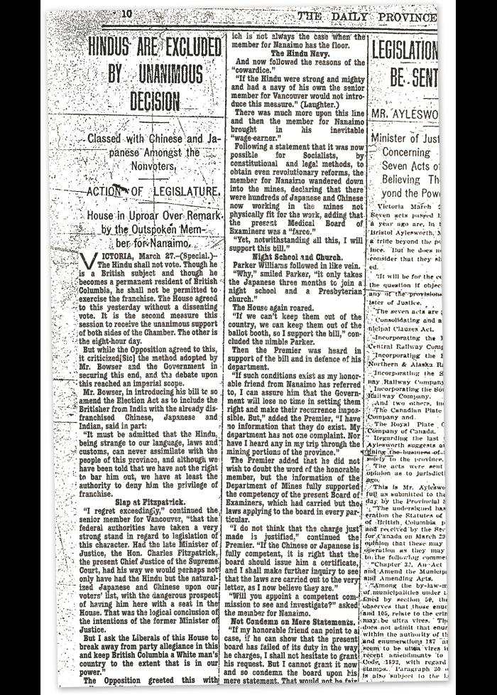
 | [South Asian Canadians] are excluded by unanimous decision (2021_05_025) | A news clipping describing, in detail, the unanimous decision by the British Columbia legislature to exclude South Asian immigrants from the right to vote. It includes several quotes from various members on the bill, reasons why they would vote for it, and on other related topics pertaining to immigrants in British Columbia including the Medical Board of Examiners and the potential reaction from the Canadian federal government and the British imperial government to the decision.
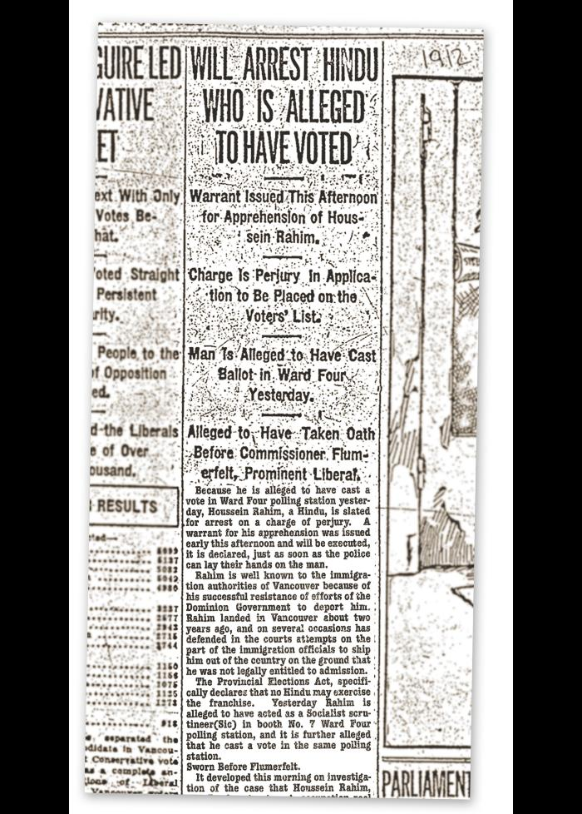
 | Will arrest [South Asian Canadian] who is alleged to have voted (2021_05_026) | Front page article on the pending arrest of Houssein Rahim for voting in direct violation of the Provincial Elections Act.
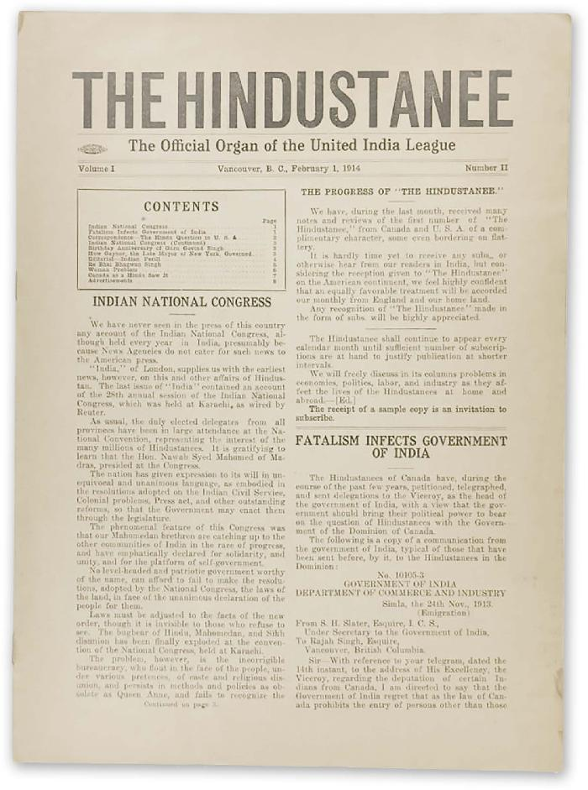
 | The Hindustanee : the official organ of the United India League (2021_05_027) | The February 1, 1914 issue of The Hindustanee. Article headlines include "Indian National Congress", "The Prograss of 'The Hindustanee'", "Fatalism Infects Government of India", "The Hindu Question in U.S.A.", "Indian National Congress", and "How Gaynor, the Late Mayor of New York, Governed".
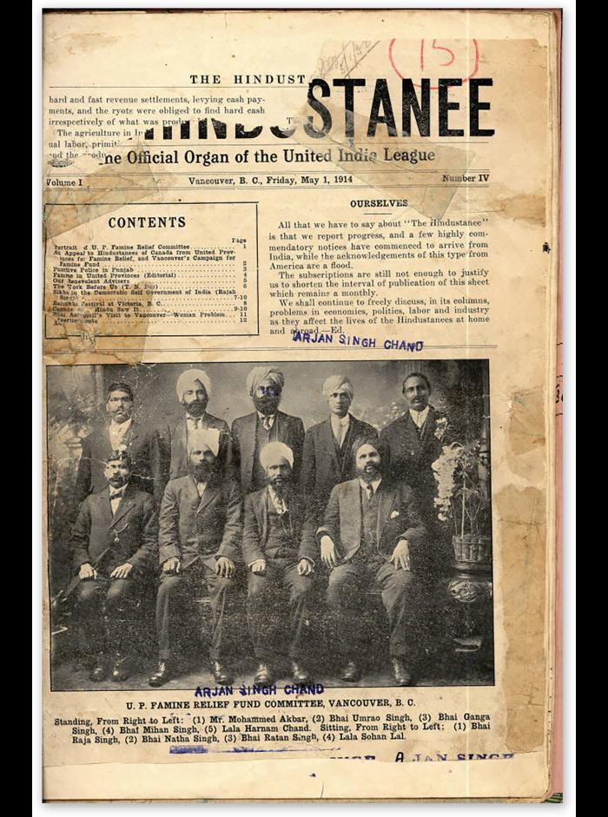
 | The Hindustanee : the official organ of the United India League (2021_05_029) | The front page of the May 1, 1914 issue of The Hindustanee newspaper. The headline reads "Ourselves". There is a picture of the Vancouver U. P. Famine Relief Fund Committee. The caption underneath reads: "Standing, From Right to Left: (1) Mr. Mohammed Akbar, (2) Bhai Umrao Singh, (3) Bhai Ganga Singh, (4) Bhai Mihan Singh, (5) Lala Harnam Chand. Sitting, From Right to Left: (1) Bhai Raja Singh, (2) Bhai Natha Singh, (3) Bhai Ratan Singh, (4) Lala Sohan Lal."
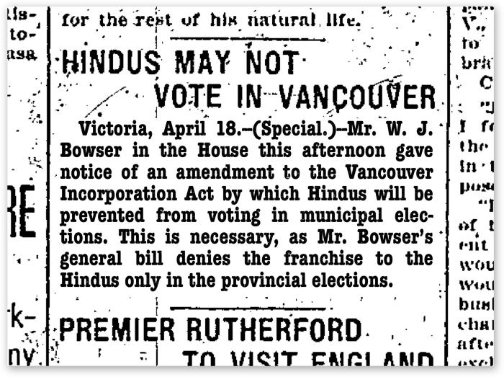 | [South Asian Canadians] may not vote in Vancouver (2021_05_031) | Article from The Vancouver Daily Province discussing the notice of amendment to the Vancouver Incorporation Act to exclude South Asian Canadians from voting in municipal elections.
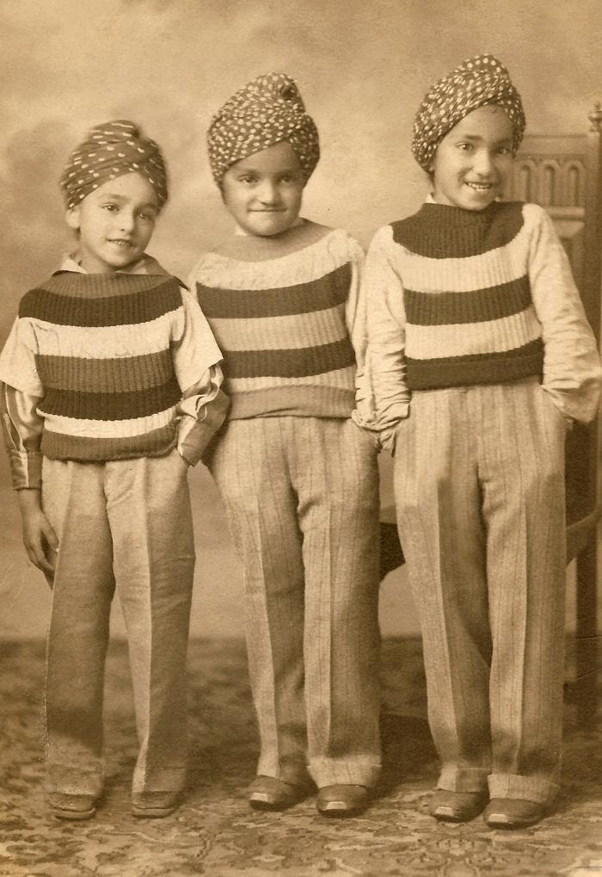
 | Banga boys (2021_05_032) | Image of Thakur Singh Banga's three young sons.
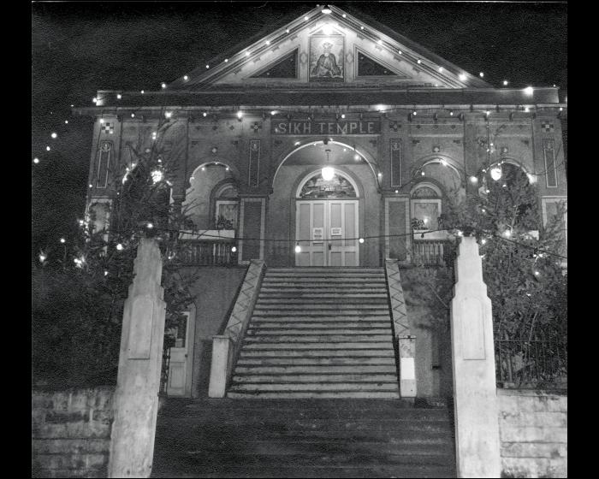 | [Exterior of Sikh Temple at night - 1866 West 2nd Avenue] (2021_05_033) | Image of the exterior of the original Vancouver gurdwara located at 1866 West 2nd Ave. This was replaced by the current gurdwara at 8000 Ross Street in 1969.
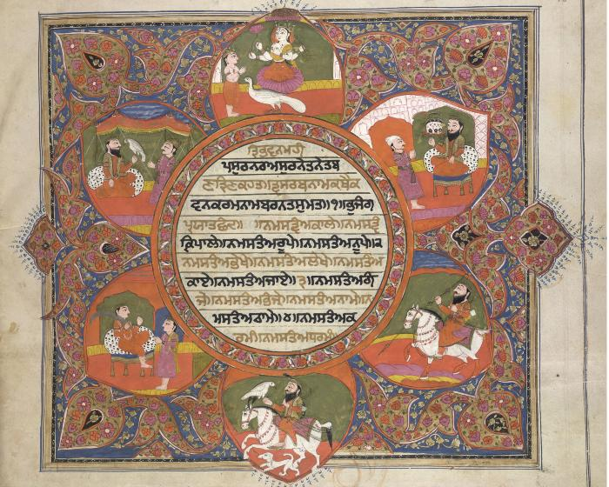 | Dasam Granth (2021_05_034) | The frontpiece of a Dasam Granth manuscript from between 1825 and 1850. The center has Gurmukhi text. Surrounding it clockwise: the top image is of the Hindu goddess Saraswati holding vina and other items with a peacock and a reverential boy standing. The second is a young adult seated on throne. The third is a warrior on a horse with some weapon in his right hand, his forehead marked with red band, carrying bow and arrows on his left shoulder. The fourth is similar to the third, but with a hunter's falcon on his right hand. The fifth shows him seated with a sword. The sixth shows him seated with a falcon on his left hand.
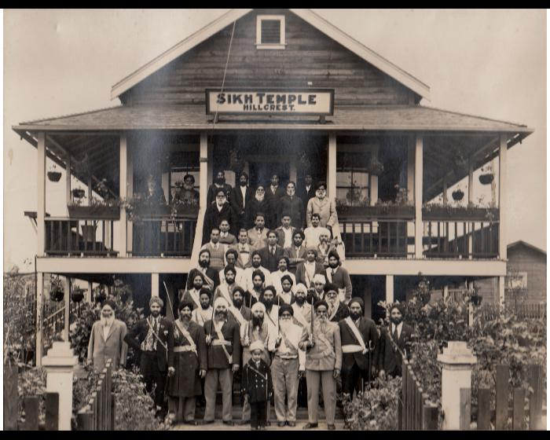 | Hillcrest Gurdwara (2021_05_035) | Image of a group of sikh men standing outside of the Hillcrest gurdwara.
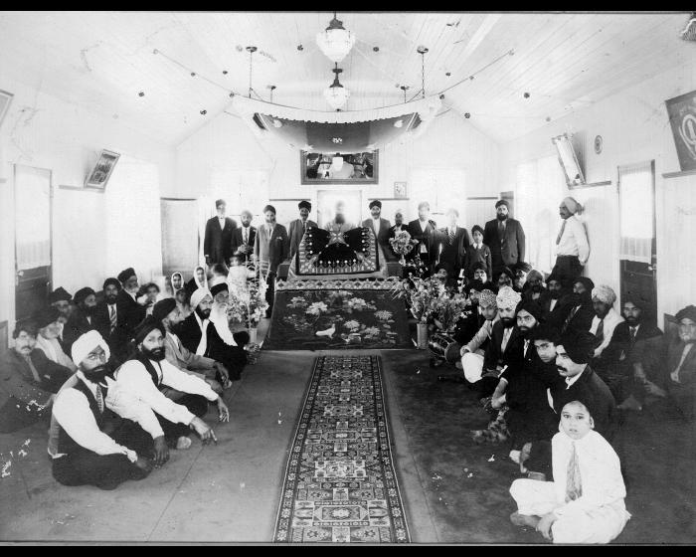 | Sikh heritage gurdwara Abbotsford (2021_05_036) | Image of the interior of the Gur Sikh Temple in Abbotsford with a group of people gathered inside.
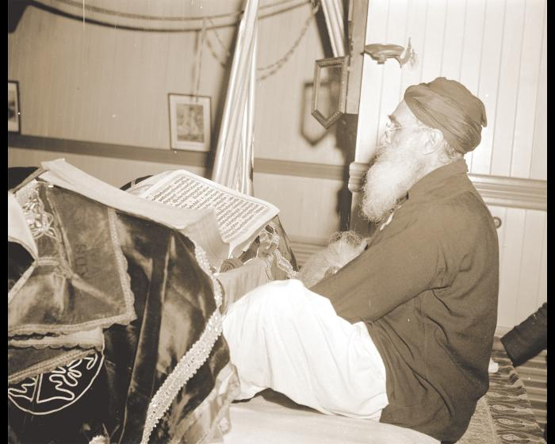 | Worshipping inside the Khalsa Diwan Society sikh temple (2021_05_037) | Image of Pathi Singh worshipping at the Khalsa Diwan Society gurdwara.
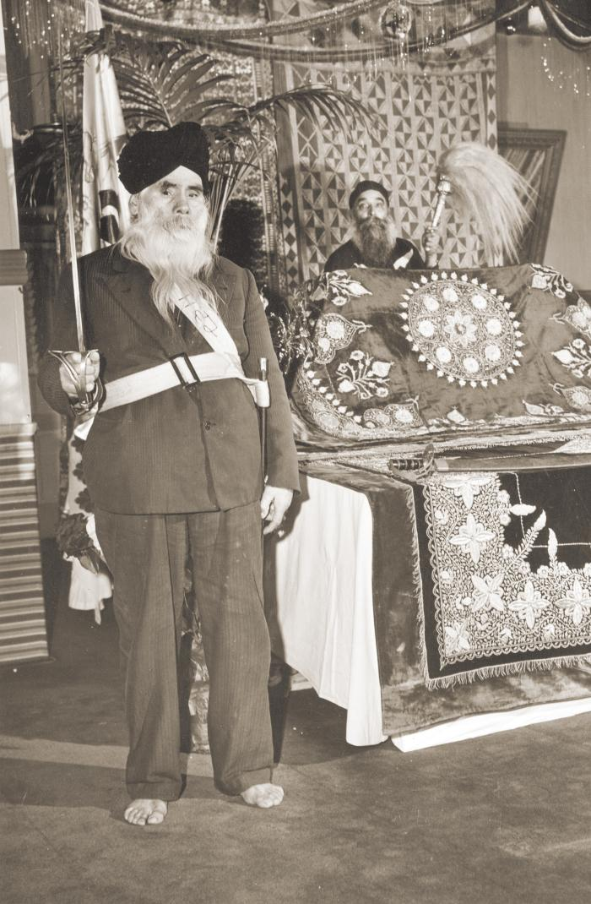
 | [The shrine in the Sikh Temple at 1866 West 2nd Avenue] (2021_05_038) | Image of Hari Singh, Lab Singh and Pakhar Singh standing inside the gurdwara.
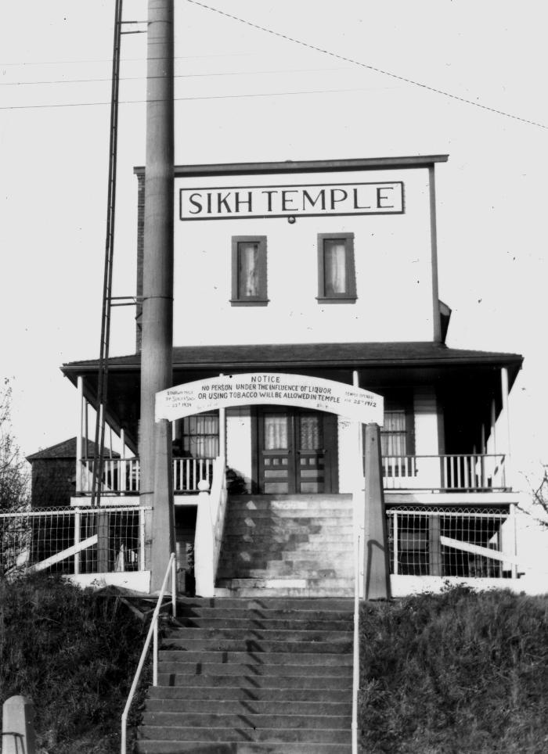
 | Heritage sikh temple, Abbotsford (2021_05_039) | Image of the exterior facade of the Gur Sikh Temple in Abbotsford.
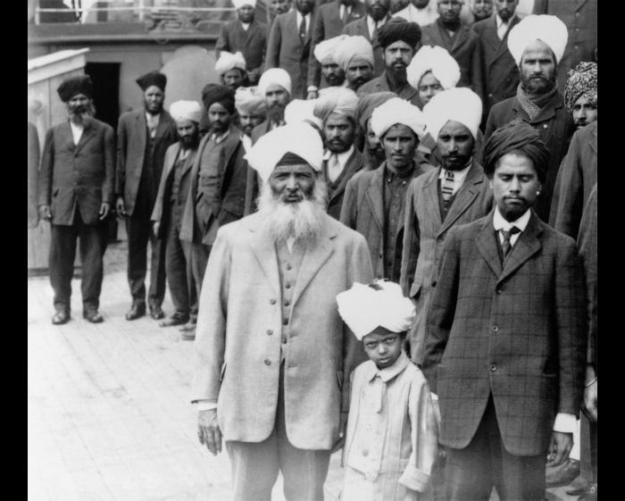 | Sikh men and boy onboard the Komagata Maru (2021_05_040) | Image of Gurdit Singh (front) and his son Balwant, and other unidentified men aboard the Komagata Maru. To their left are Daljit Singh Kauni, Puran Singh Janetpur, and Baba Garmukh Singh Lalton.
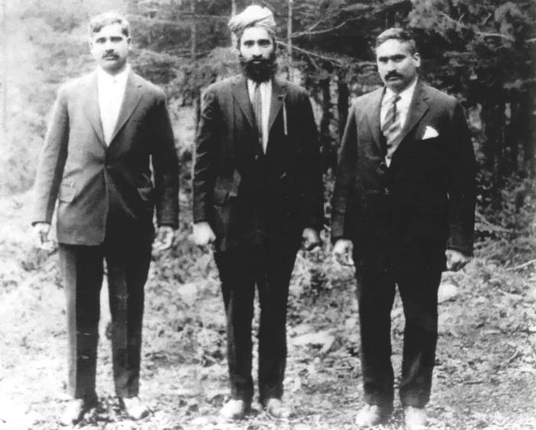 | Mayo Singh & Kapoor Singh Siddoo [sic] (2021_05_041) | Image of Mayo Singh (right), Doman Singh (center) and Kapoor Singh Sidhu (left) standing in a forest.
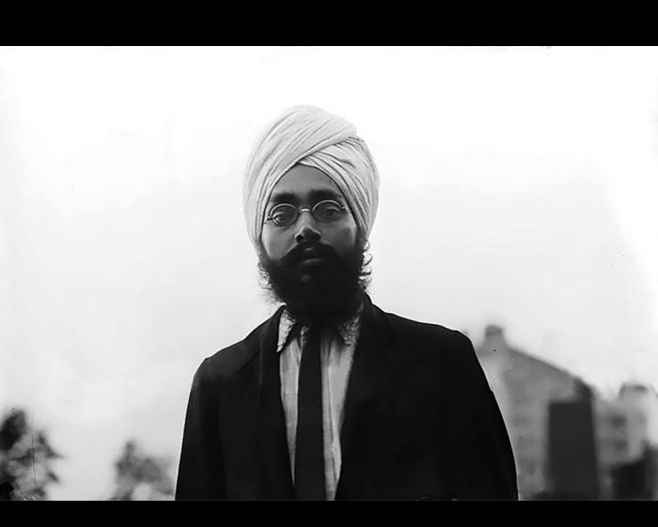 | Teja Singh (2021_05_042) | Image of Teja Singh.
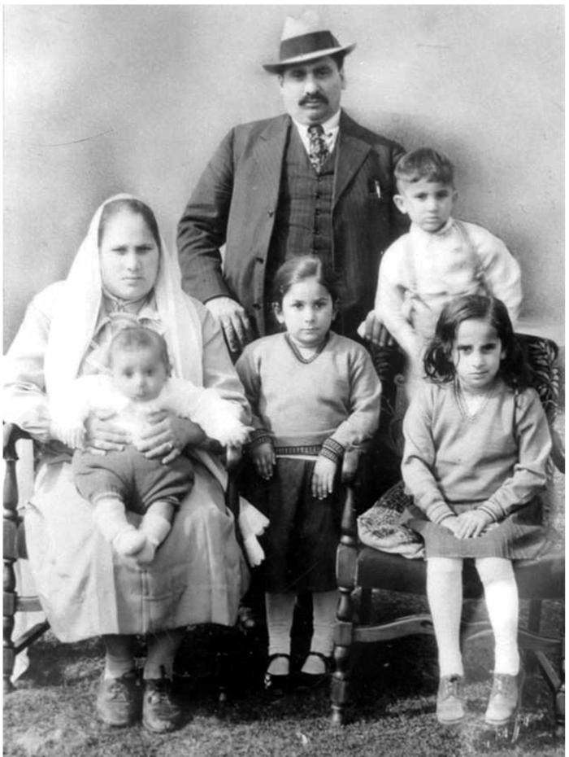
 | Mayo Singh Manhas & family (2021_05_043) | Image of Mayo Singh Manhas (back), his wife Bishan Kour (left), and their children.
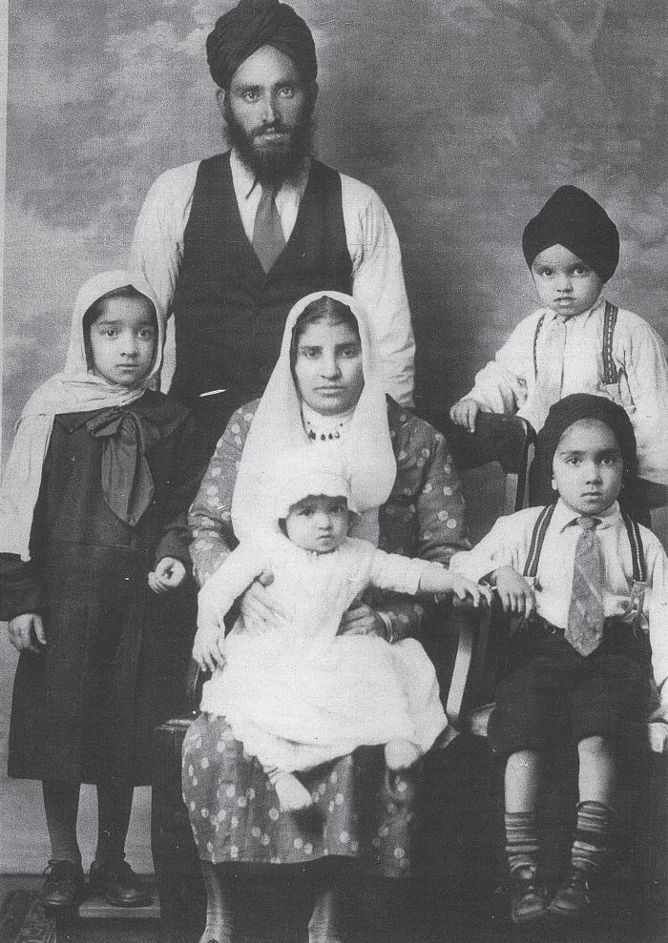
 | Thakur Singh Banga and family (2021_05_044) | Image of Thakur Singh Banga, his wife, and children.
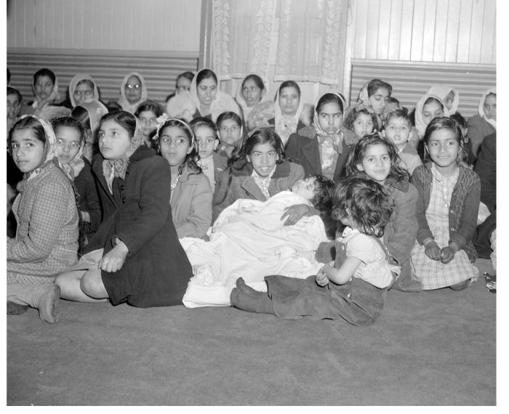 | [Women and children inside the Khalsa Diwan Society] Sikh Temple (2021_05_045) | Image of women and children sitting on the floor of the Khalsa Diwan Society gurdwara
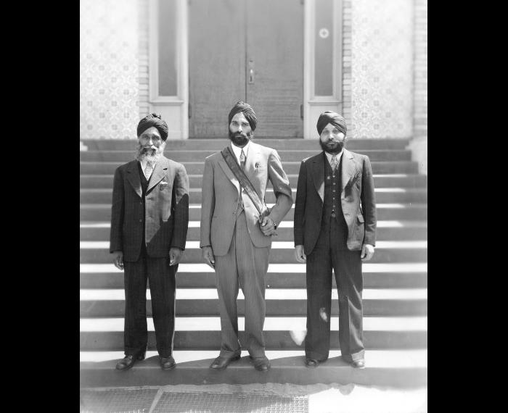 | [Arjan Singh, Nagindar Singh Gill and Dedar Singh, officers of the Khalsa Diwan Society] (2021_05_046) | Arjan Singh, Naginder Singh Gill and Dedar Singh, officers of the Khalsa Diwan Society
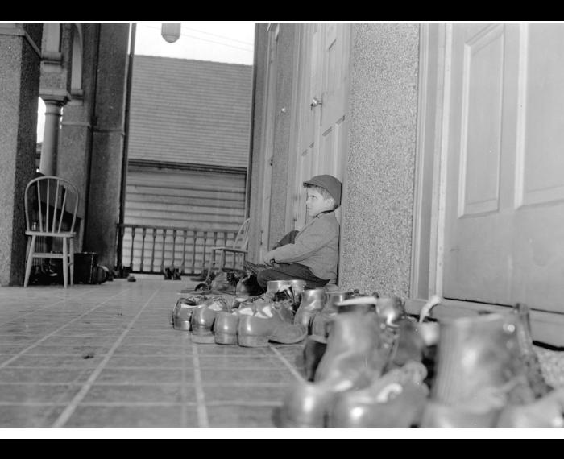 | [Boy taking off shoes outside the Khalsa Diwan Society] Sikh Temple (2021_05_047) | Image of a boy taking off his shoes outside the Khalsa Diwan Society gurdwara
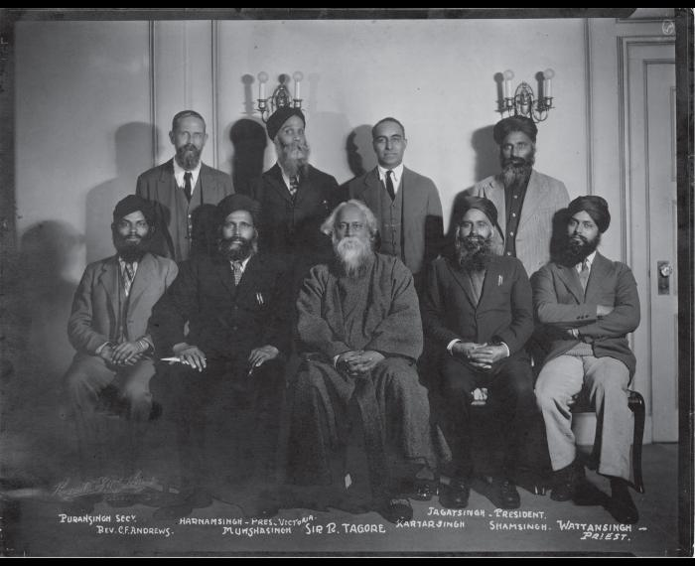 | [Khalsa Diwan organizers] (2021_05_048) | Photograph includes Puran Singh, Rev. C. F. Andrews, Harnam Singh, Munsha Singh, Sir R. Tagore, Kartar Singh, Jagat Singh, Sham Singh, and Wattan Singh.
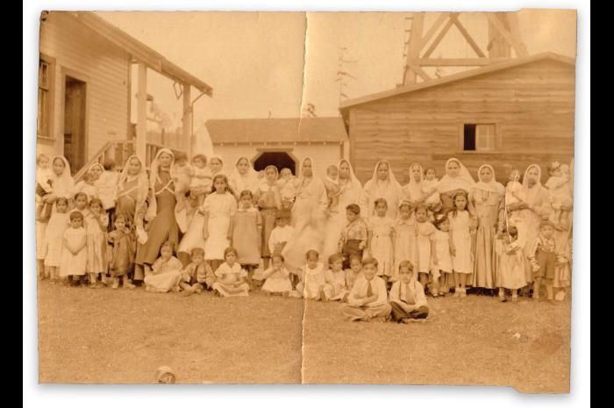 | [Paldi women] (2021_05_049) | Image of a group of women and children standing outside of a group of buildings.
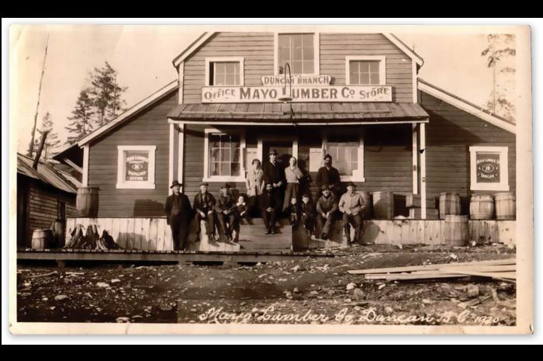 | [Mayo Lumber Co. store] (2021_05_050) | Image of a group of people standing and sitting on the front porch of the Mayo Lumber Co.'s Duncan Branch office and store.
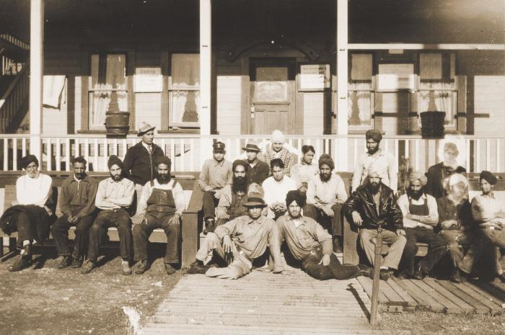 | Paldi lumber yard (2021_05_051) | Image of lumberyard workers sitting outside of a Khalsa Diwan Society building.
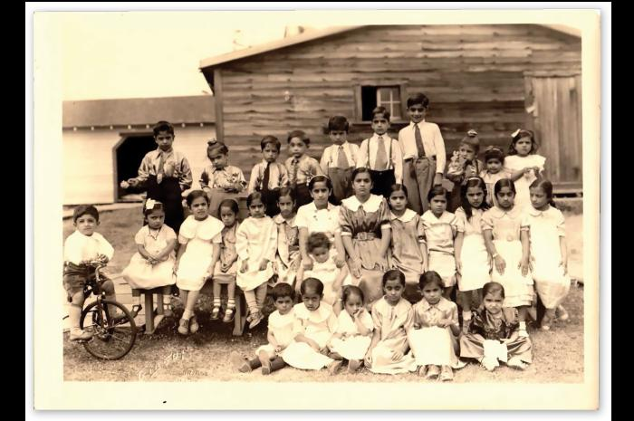 | [School children] (2021_05_052) | Image of a group of elementary-aged children posing for a photograph outside of a wooden building. The child furthest to the left is on a bicycle.
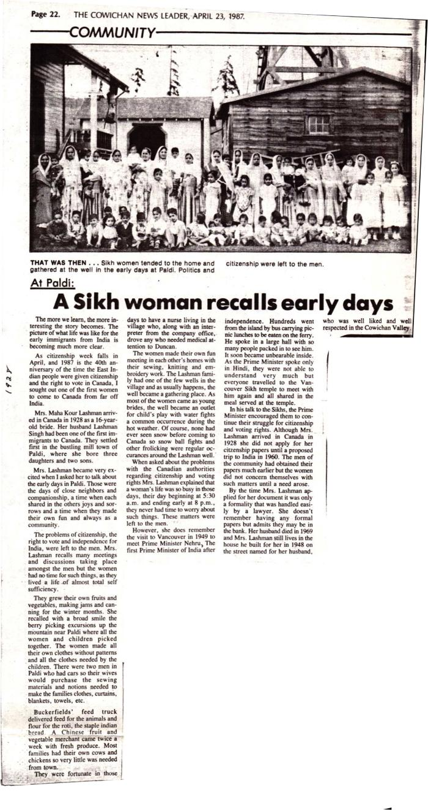
 | At Paldi : a sikh woman recalls early days (2021_05_053) | A news clipping from the Cowichan News Leader on the recollections of Maha Kour Lashman, a resident of Paldi, on her life in Paldi and Prime Minister Nehru's visit to the region in 1949.
 | WW1 sikh soldiers (2021_05_054) | Image of six sikh soliders hauling machine guns and related equipment through a field during the first world war.
 | Sikhs with gas masks WW2 (2021_05_055) | Image of a line of eight sikh soldiers wearing gas masks in front of a sikh officer without a gas mask.
 | Sikhs in Paris (2021_05_056) | Image of a group of sikh soldiers walking down the street in Place de l'Opéra in front of a crowd of people.
 | Sikh cavalry (2021_05_057) | Image of sikh cavalry officers on horseback.

 | The War Pictures Weekly and the London Illustrated Weekly cover (2021_05_058) | Magazine cover for The War Pictures Weekly and the London Illustrated Weekly no. 43 vol. II

 | The War Budget Illustrated cover (2021_05_059) | Magazine cover for the September 18, 1915 issue of The War Budget Illustrated. The cover illustration features a sikh soldier carrying a machine gun.

 | Imperial propaganda (2021_05_060) | Postcard image of a sikh soldier and British soldier walking side by side with the flags for the United Kingdom and the Star of India flag used when the Indian subcontinent was under British occupation. The postcard caption reads: "Comrades; 'India, with no less alacrity, has claimed her share in the common task. Every class and creed, British and Native, Princes and People, Hindoos and Mahometans, vie with one another in a noble and emulous rivalry. Two divisions of her magnificent Army are already on their way.' -From the Guildhall Speech of The Rt. Hon. H. H. Asquith, Prime Minister of Great Britain."

 | Imperial propaganda (2021_05_061) | Postcard illustration of four soldiers representing Canada, India, Australia, and Great Britain. A stanza from McDermott's warsong is included, reading "We don't want to fight, but by jingo, if we do, we've got men, and coin and chips, and guns, to see it through, and through & through"

 | Sikhs in WWI trenches (2021_05_062) | Image of a group of sikh soldiers standing in trenches, while another group sets up barbed wire fencing along the edge.
 | Komagata Maru ship side (2021_05_063) | Image of a large crowd of passengers hanging off the side of the S.S. Komagata Maru.
 | The S.S. Komagata Maru with passengers on decks (2021_05_064) | Image of a crowd of passengers standing on the deck of the S.S. Komagata Maru.
 | Komagata Maru incident (2021_05_065) | Image of the S.S. Komagata Maru in the water near Vancouver.
 | Komagata leaving Vancouver (2021_05_066) | Image of the S.S. Komagata Maru leaving the harbour in Vancouver after the passengers were denied entry to Canada.
 | [Onlookers on wharf watching the "Komagata Maru"] (2021_05_067) | Onlookers on wharf watching the Komagata Maru
 | Ghadar headquarters (2021_05_068) | Image of a large crowd of people outside of the Ghadar headquarters. An unidentified person is holding a flag on the roof of the building.
 | Ram Chandra : editor Hindustan Gadar (2021_05_069) | A news clipping featuring two photographs of Har Dayal.
 | Sikh Temple Stockton (U.S.A.) 1912 : one of the centres of Gadar activities (2021_05_070) | Image of a crowd of men gathered outside and on the steps and balcony of the Stockton Gurdwara.

 | Har Dyal, [South Asian] savant, faces accusers (2021_05_071) | News clipping from the San Francisco Chronicle on Ghadar Party member Har Dayal.

 | W. G. McQuarrie, M.P. (2021_05_072) | Image of Member of Parliament W.G. McQuarrie. McQuarrie was an advocate for anti-Asian discriminatory policies in the federal government.

 | MP S.W. Jacobs (2021_05_073) | Image of Member of Parliament S.W. Jacobs. Jacobs was a proponent of open immigration in Canada.

 | Richard McBride (2021_05_074) | Image of politician Richard McBride, who served as Premier of British Columbia from 1903-1915, as well as a MLA for Westminster-Dewdney, Dewdney, Yale, and Victoria City. McBride was an advocate for anti-Asian discriminatory polices at the provicinal and local level, particulary in regards to immigration.

 | Official report of the debates of the House of Commons of the Dominion of Canada : second session thirteenth parliament ; volume cxxxiv (2021_05_075) | Front cover of a transcript of the House of Commons debate during the second session of the thirteenth parliament.

 | [Kartar Kaur correspondence] (2021_05_076) | Correspondence from Kartar Kaur sent to her husband Indar Singh while the two were separated due to Canada's restrictive immigration laws.

 | [Kartar Kaur correspondence] (2021_05_077) | Correspondence from Kartar Kaur sent to her husband Indar Singh while the two were separated due to Canada's restrictive immigration laws.

 | [Kartar Kaur correspondence] (2021_05_078) | Correspondence from Kartar Kaur sent to her husband Indar Singh while the two were separated due to Canada's restrictive immigration laws.
 | Alberta assembly (2021_05_079)
 | [Indo Canadian Intercultural History at the Royal BC Museum] (2021_05_080)
 | [Children's choir] (2021_05_081)
 | Colourful (2021_05_082)
 | Couple business (2021_05_083)
 | Cutie pie (2021_05_084)
 | Ghuna Bdiwi (2021_05_085)
 | Gur Sikh Temple tour (2021_05_086)
 | Harjit Singh (2021_05_087)
 | Holy colour (2021_05_088)
 | LGBTQ celebrations (2021_05_089)
 | Minister Bardish Chagger (2021_05_090)
 | Motorcycle club (2021_05_091)

 | Shauna ZFM (2021_05_092) | Image of Shauna Singh Baldwin being interviewed by an unidentified Zee TV reporter.
 | Sikh on the move (2021_05_093)
 | Two women (2021_05_094)
  | UFV dancing (2021_05_095)
 | UFV holy sitting (2021_05_096)
 | UFV more dancing (2021_05_097)
 | UFV Shauna launch (2021_05_098)
 | Vaisakhi flag (2021_05_099)
 | Van temple blue (2021_05_100)
 | Wedding party (2021_05_101)

 | Woman walking (2021_05_102)

