Results
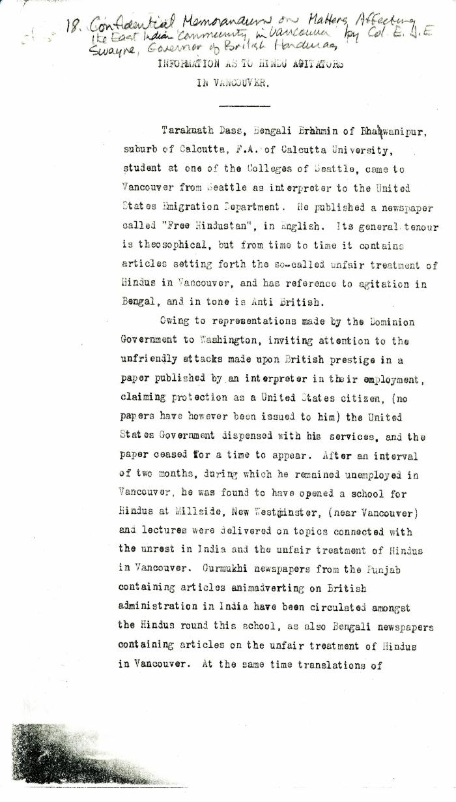

Image | Object | Description | Date
 | Information as to Hindu Agitators in Vancouver [Confidential Memorandum on Matters Affecting the East Indian Community in Vancouver by Colonel Eric J. E. Swayne, Governor of British Honduras. Original] (2021_07_4244) | Library and Archives Canada. RG7-G-21, Vol. 200, File 332, vol. 3 (b)
 | [William C. Hopkinson, Immigration Inspector, to William W. Cory, Deputy Minister of the Interior. Copy] (2021_07_4256) | Library and Archives Canada. RG7-G-21, Vol. 200, File 332, vol. 2 (3b)
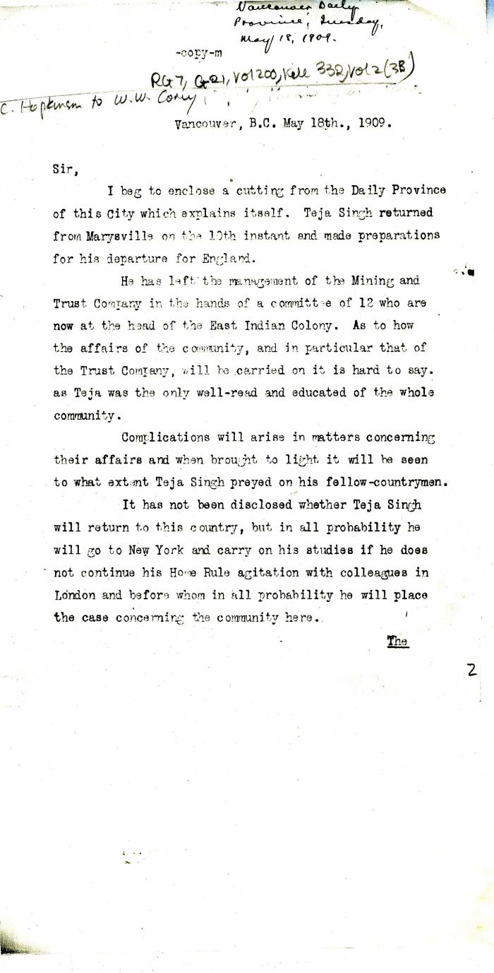
 | [William C. Hopkinson, Immigration Inspector, to William W. Cory, Deputy Minister of the Interior] (2021_07_4253) | Library and Archives Canada. RG7-G-21, Vol. 200, File 332, vol. 2 (3b)
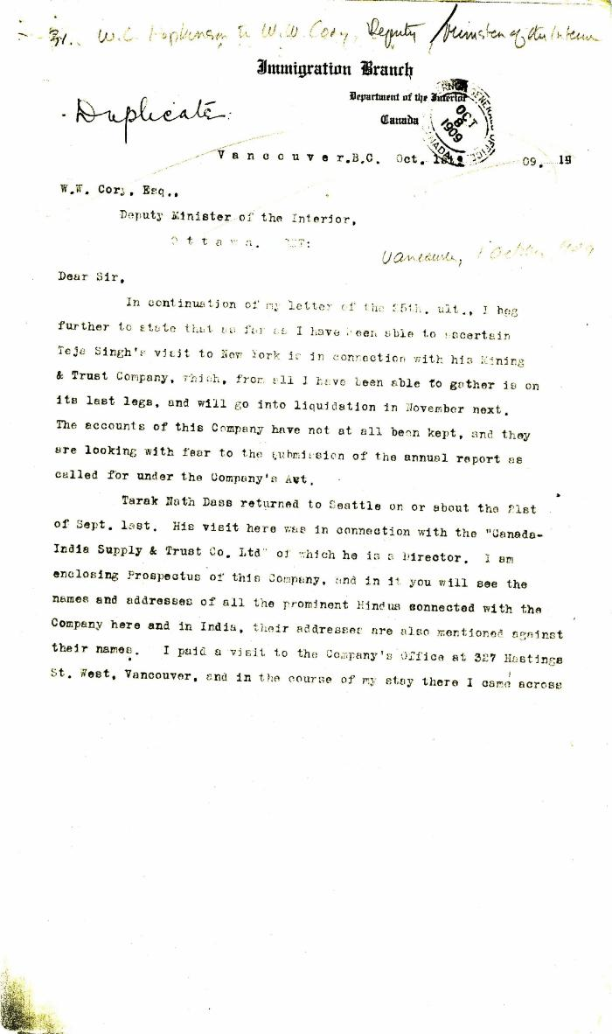
 | [William C. Hopkinson, Immigration Inspector, to William W. Cory, Deputy Minister of the Interior] (2021_07_4272) | Library and Archives Canada. RG7-G-21, Vol. 200, File 332, vol. 2 (3b)

 | [William C. Hopkinson, Immigration Inspector, to William W. Cory, Deputy Minister of the Interior] (2021_07_4265) | Library and Archives Canada. RG7-G-21, Vol. 200, File 332, vol. 2 (3b)
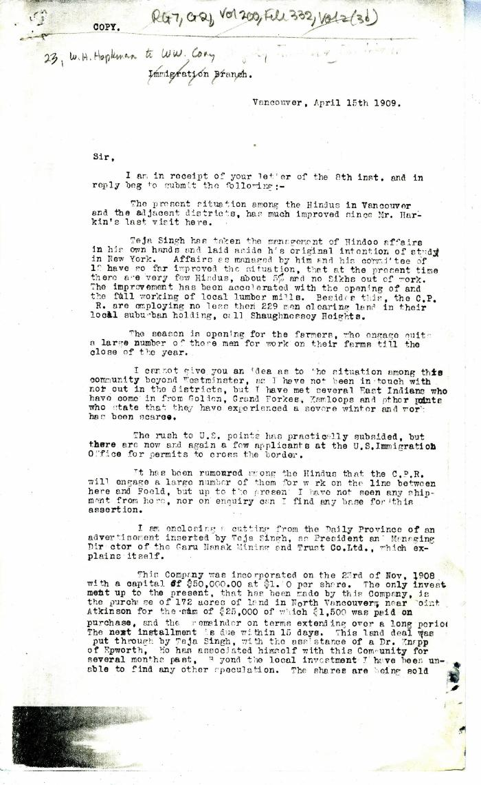
 | [William C. Hopkinson, Immigration Inspector, to William W. Cory, Deputy Minister of the Interior] (2021_07_4250) | Library and Archives Canada. RG7-G-21, Vol. 200, File 332, vol. 2 (3b)

 | [William C. Hopkinson, Immigration Inspector, to William W. Cory, Deputy Minister of the Interior] (2021_07_4262) | Library and Archives Canada. RG7-G-21, Vol. 200, File 332, vol. 2 (3b)

