Results
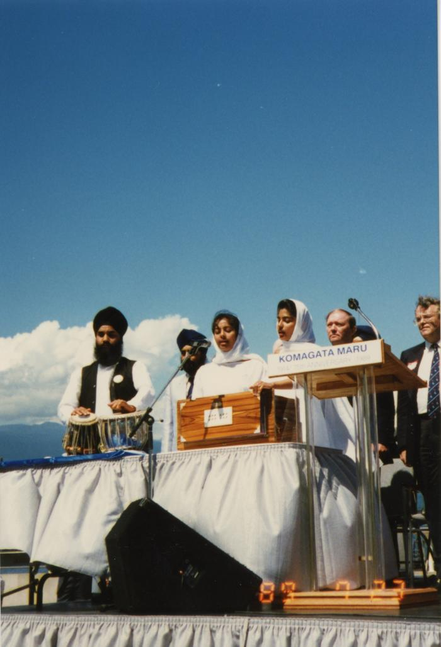
Image | Object | Description | Date
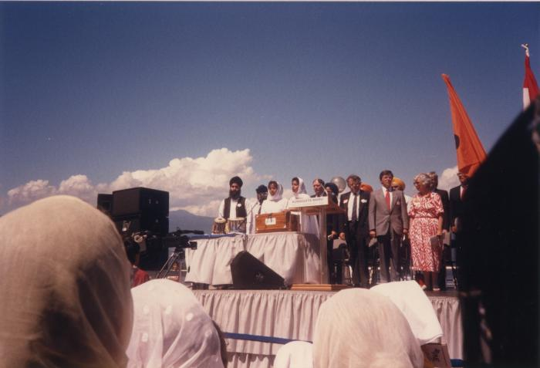 | O Canada and Dev Shive by Nitu and Vijay Singh (2020_04_004_053) | A colour image taken at the historical gathering commemorating the 75th anniversary of the Komagata Maru tragedy. There is an outdoor stage with various people standing. On the left of the image, there are speakers visible. There is a table on the stage with instruments placed on top. Nitu and Vijay Singh are standing behind the table, playing the harmonium and singing. There is a podium that reads, "Komagata Maru." In the foreground there is a film crew seen and people visible as well.
 | O Canada and Dev Shive by Nitu and Vijay Singh (2020_04_004_054) | A colour image taken at the historical gathering commemorating the 75th anniversary of the Komagata Maru tragedy. There is an outdoor stage with various people standing. There is a table on the stage with instruments placed on top. Nitu and Vijay Singh are standing behind the table, playing the harmonium and singing. A man to their left plays the tabla. There is a podium that reads "Komagata Maru."
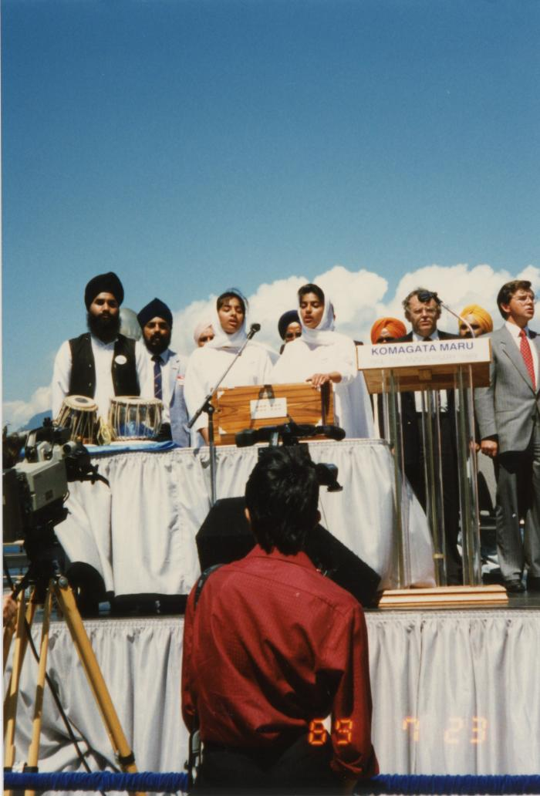
 | O Canada and Dev Shive by Nitu and Vijay Singh (2020_04_004_055) | A colour image taken at the historical gathering commemorating the 75th anniversary of the Komagata Maru tragedy. There is an outdoor stage with various people standing. There is a table on the stage with instruments placed on top. Nitu and Vijay Singh are standing behind the table, playing the harmonium and singing. There is a podium that reads, "Komagata Maru 75th Anniversary 1914 - 1989." In the foreground there is a film crew visible.

