Results
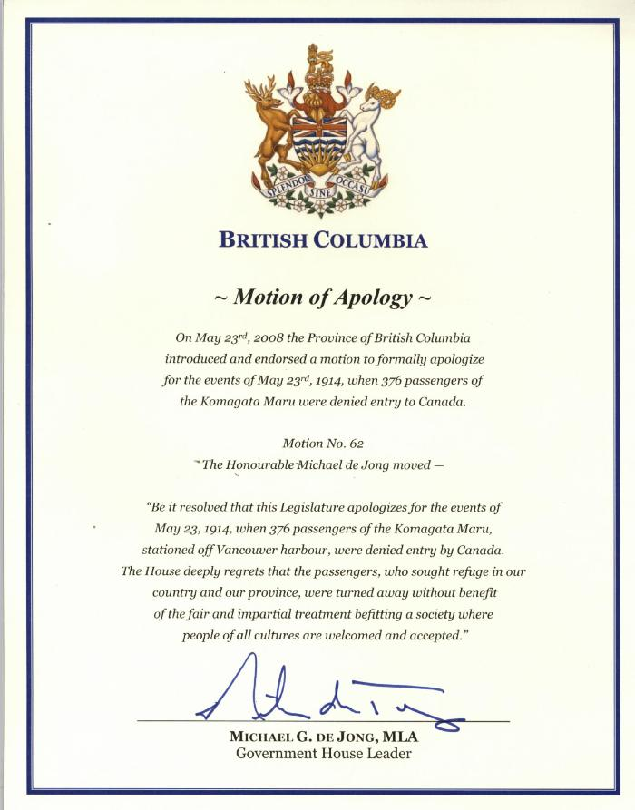
Image | Object | Description | Date
 | Motion of Apology (2021_07_10600) | Official statement of the Government of British Columbia apologizing for the events of May 23, 1914.

