Results


Image | Object | Description | Date
 | Copy of letter from Reid to W. D. Scott re final arrangements for ship's departure. Page 1-2 (2021_07_1016) | Page 530-531
 | Copy of letter from Reid to W. D. Scott re wires received and sent regarding final arrangements. Page 1-8 (2021_07_1540) | Page 573-580

 | Copy of letter from Mr. Hopkinson to Reid re his visit on board the Maru. Page 1-3 (2021_07_1571) | Page 588-590

 | Copy of letter from Reid to W. D. Scott confirming wires received and sent. Page 1-11 (2021_07_1900) | Page 603-613

 | Copy of letter from Reid to W. D. Scott re last details preceding departure. Page 1-5 (2021_07_1949) | Page 615-619
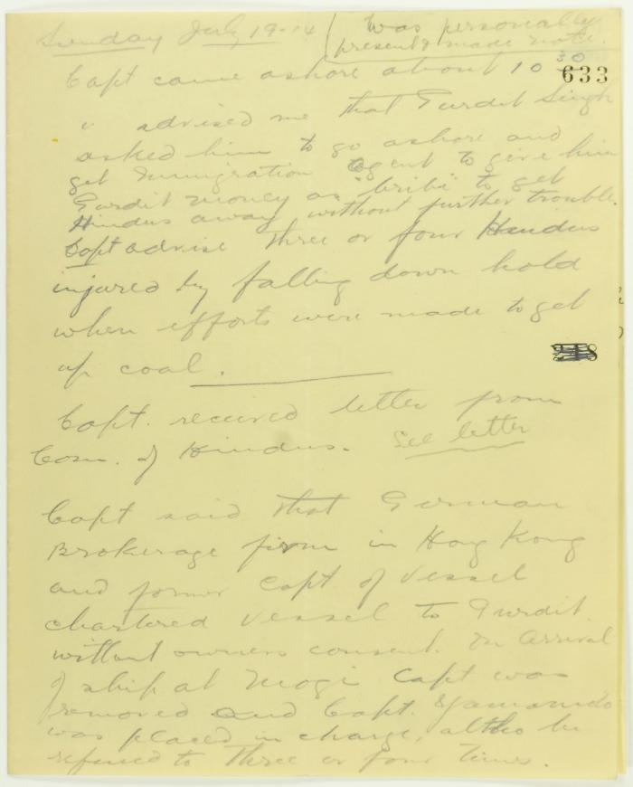
 | Rough notes of incidents re visit to the Maru, an incident at the Sikh Temple and damage to the Sea Lion. Page 1-4 (2021_07_2078) | Page 633-636

 | Statement by Mewa Singh (see p. 647). Page 1-2 (2021_07_2294) | Page 648-649

 | Newsclipping - Vancouver News-Advertiser: No revolt upon Komagata Maru (2021_07_3994) | Page 060

 | Copy of letter from Reid to W. D. Scott confirming wires and night-letters. Page 1-4 (2021_07_9483) | Page 234-237

 | Minutes of a Hindu mass meeting held in Dominion Hall. Page 1-21 (2021_07_9506) | Page 238-259

 | Copy of letter from Malcolm Reid to the deputy Minister of the Interior re publication of the 'Hindustani,' and its connection with the International Congress of India (2021_07_10673) | Page 119

 | Copy of letter from Reid to W. D. Scott re transfer of charter from Gurdit Singh to two local Hindus (2021_07_10689) | Page 171
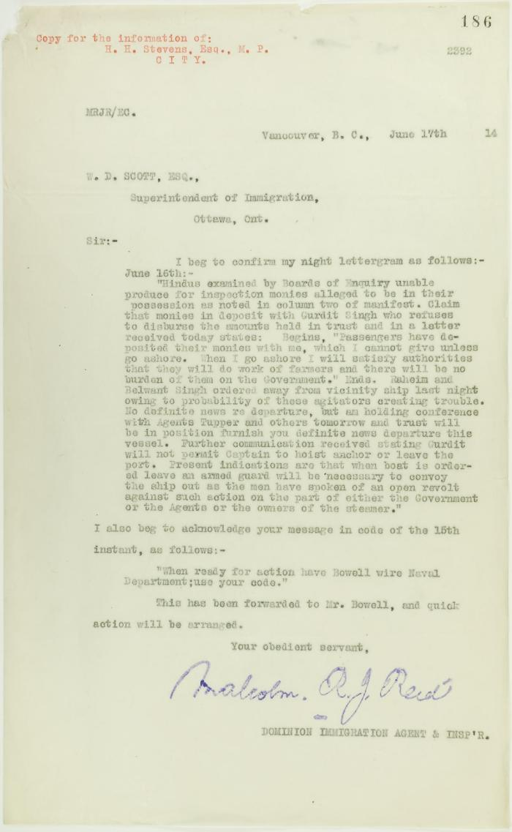
 | Copy of letter from Reid to W. D. Scott re money deposited with Gurdit Singh, and preparations to escort Komagatu Maru out of the port (2021_07_10693) | Page 186

 | Copy of letter from Reid to W. D. Scott re work of Boards of Enquiry and re responsibility to provision the ship (2021_07_10695) | Page 166

 | Copy of letter from Reid to Daljit Singh re supply of fresh water and re telegram (see p. 358) (2021_07_10704) | Page 359
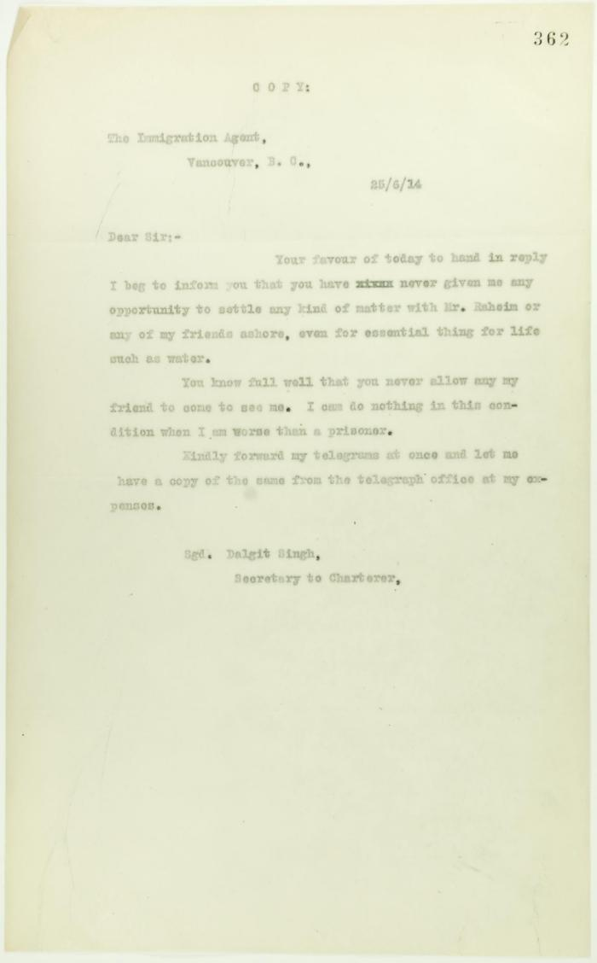
 | Copy of letter from Daljit Singh to the Immigration Agent (2021_07_10705) | Page 362
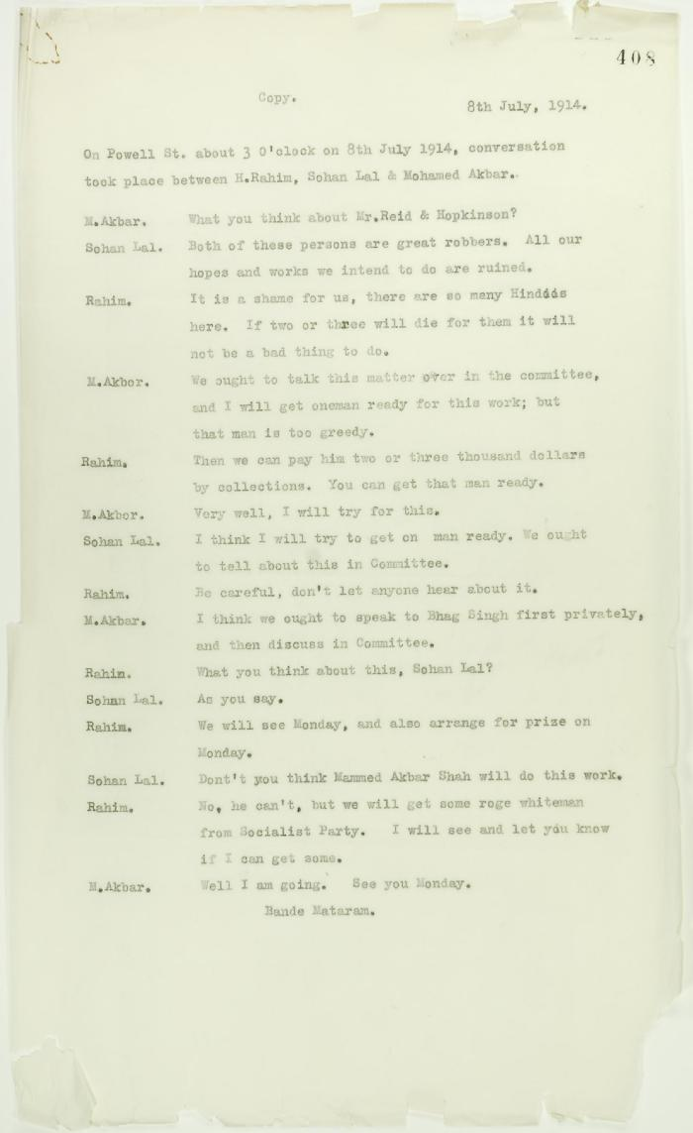
 | Copy of conversation between Hindus re Reid and Hopkinson (2021_07_10717) | Page 408
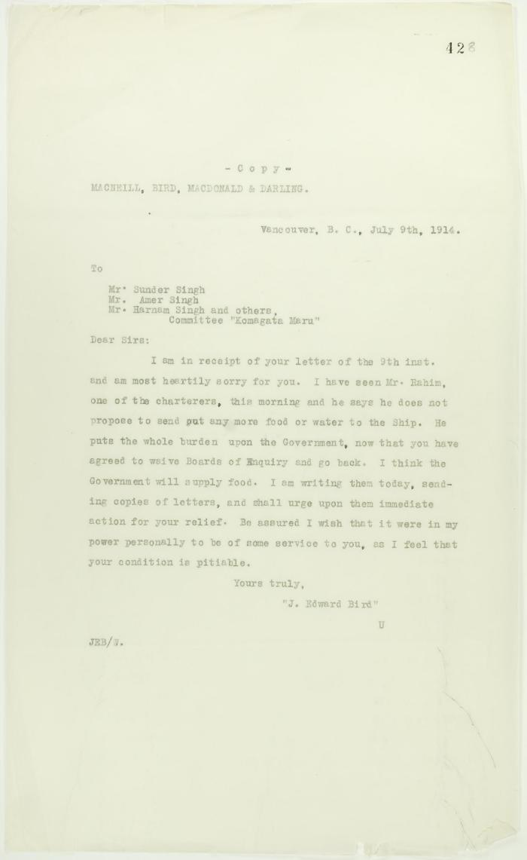
 | Copy of reply from J. E. Bird to passengers (see p. 427) (2021_07_10721) | Page 428

 | Copy of letter from J. E. Bird to C. Gardner Johnson re preparation for departure of ship (2021_07_10741) | Page 507
 | Newsclipping - Vancouver News-Advertiser: Mr. MacNeill's views (2021_07_10794)

 | Newsclippings - Lawyer warned he is to be killed; Jury charges Hopkinson's death to Mewa (2021_07_10797)

 | Newsclippings - Serious charge against Hindus; Charge of murder laid against Hindu; Hindu sues bank, queer story told; Three more Hindus (2021_07_10803)

 | Newsclipping - Rahim suggested the murders say witnesses (2021_07_10806)

