Results
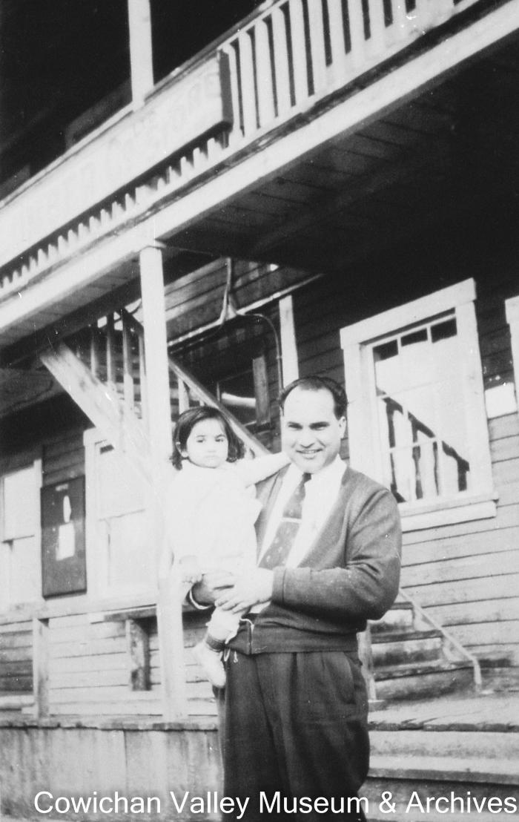
Image | Object | Description | Date
 | [Kishen Singh Parhar holding his niece] (2020_06_07_171) | Image of Kishen Singh Parhar holding a child, believed to be the second daughter of his sister Bishan Kour, taken in front of Mayo Lumber Co.

