Results
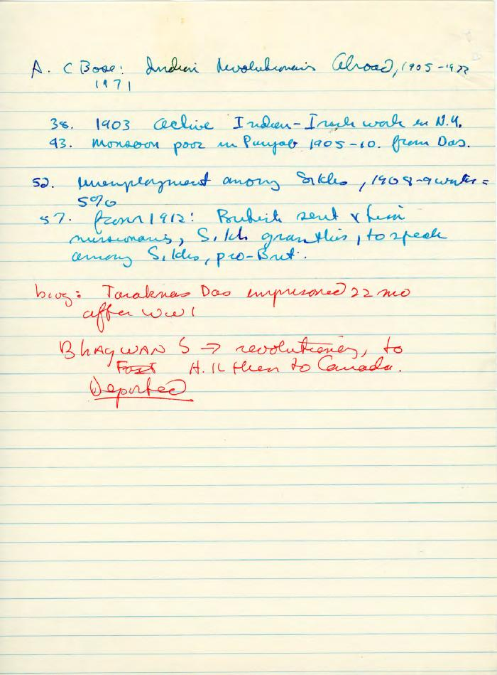

Image | Object | Description | Date
 | A. C. Bose: Indian Revolutionaries Abroad, 1905-1922 (2023_15_01_02_005) | Handwritten research notes by Dr. Buchignani[?] or Dr. Indra[?] relating to Arun Coomer Bose's book "Indian Revolutionaries Abroad, 1905-1922".
 | Appendix: Fijian Immigrants, with letter from R. Heath (special manpower and immigration run) (2023_15_01_02_006) | Letter to Dr. Buchignani from Roger A. Heath, director of Data Analysis and Forecasts Division, Recruitment and Selection Branch of the Canadian government, regarding Fijian immigration statistics to Canada.
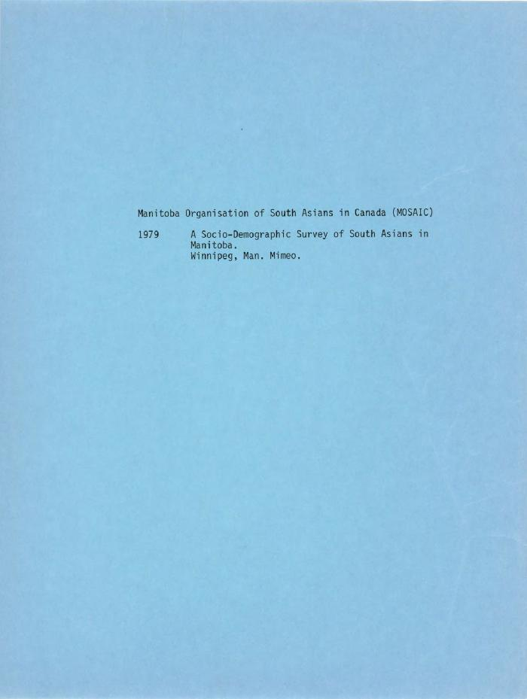
 | A Sociodemographic Survey of South Asians in Canada (2023_15_01_02_008) | A sociodemographic study on South Asians in Manitoba. Sections involve an introduction, acknowledgement, study design, and socieometric analysis. A blue printed title page is at the front.
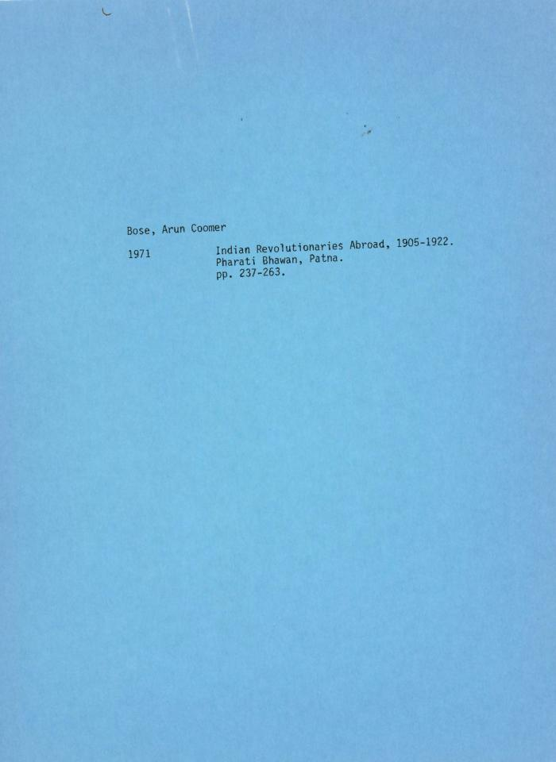
 | [Bibliography of "Indian Revolutionaries Abroad, 1905-1922" by Arun Coomer Bose] (2023_15_01_02_004) | Bibliography of Arun Coomer Bose's book "Indian Revolutionaries Abroad, 1905-1922," including a blue printed title page.
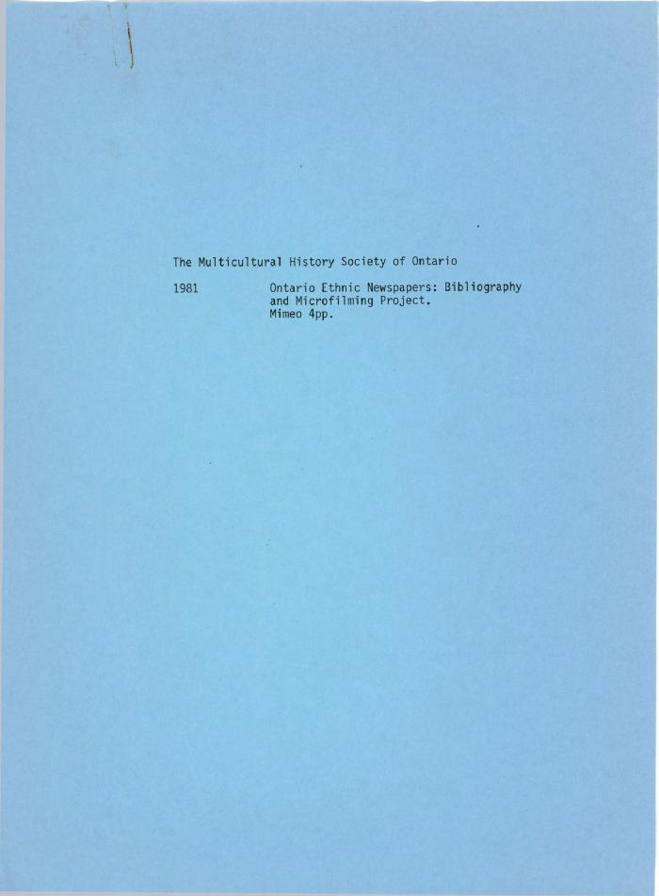
 | [Letter from Jung Kim to the Multicultural History Society of Ontario with information on the Ontario Ethnic Newspapers: Bibliography and Microfilming Project] (2023_15_01_02_009) | Letter from Jung Kim, project coordinator of the Ontario Ethnic Newspapers: Bibliography and Microfiliming Project, explaining the project and the work of the Multicultural History Society of Ontario.
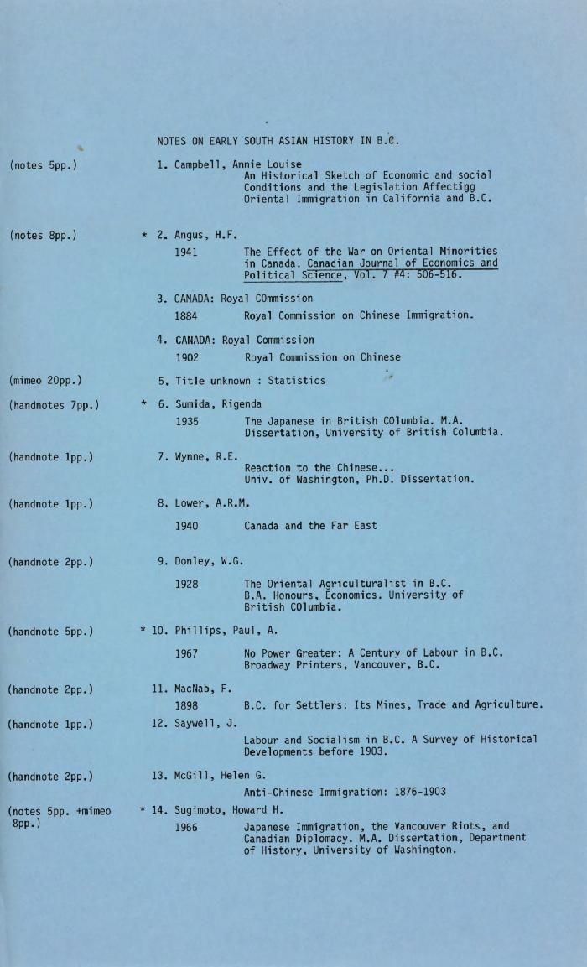
 | Notes on Early South Asian History in B.C. (2023_15_01_02_001) | List of readings and documents related to early South Asian history in British Columbia, along with description of type of notes taken for each reading and number of pages of notes.
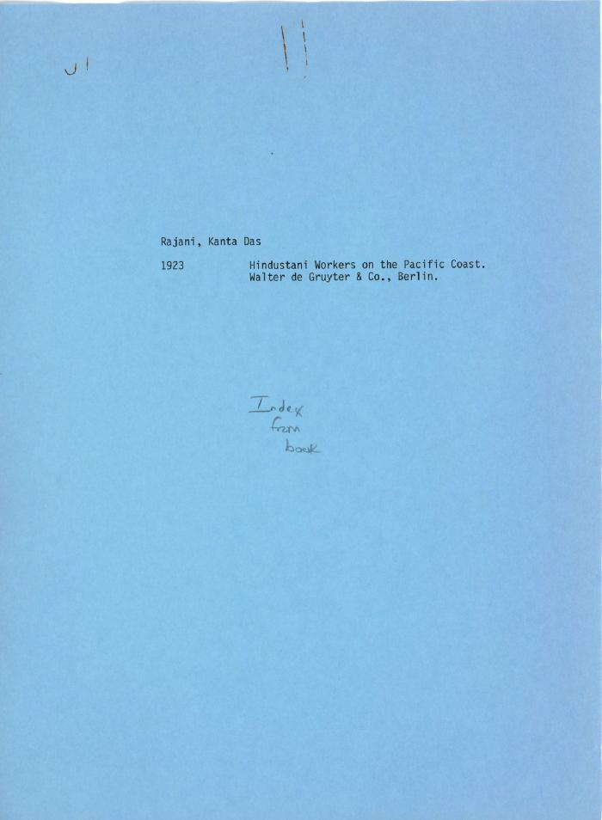
 | [Notes on the paper "Hindustani Workers on the Pacific Coast" by Rajani Kanta Das] (2023_15_01_02_002) | Research notes by Dr. Buchignani[?] or Dr. Indra[?] on the content of the book Hindustani Workers on the Pacific Coast by Rajani Kanta Das, with a blue printed title page at the beginning.
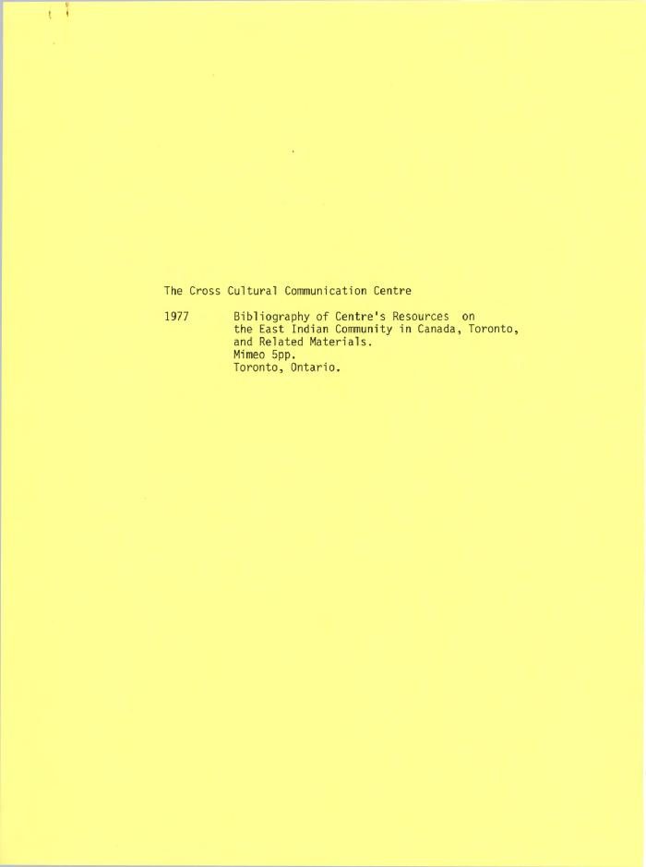
 | [The Cross Cultural Communication Centre's bibliography of centre's resources on the East Indian community in Canada, Toronto and related materials] (2023_15_01_02_007) | Bibliography of the Cross Cultural Communication Centre's resources on the East Indian community in Canada, Toronto and related materials. A yellow printed title page is at the front.

 | The Sikhs of Canada and California: A Bibliography (2023_15_01_02_003) | Annotated markup by Dr. Buchignani[?] or Dr. Indra[?] of print-out of "The Sikhs in Canada and California: A Bibliography" by Ganda Singh, along with an introduction to the bibliography. A blue printed title page is at the front.

