Results
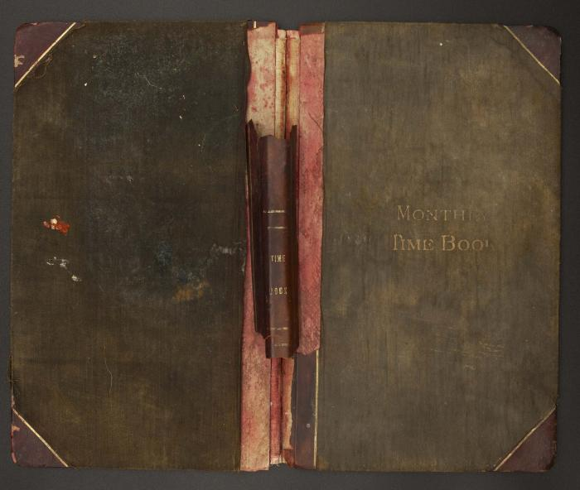
Image | Object | Description | Date
 | Vancouver Island logging and industrial railroads (2023_13_02_01_001) | Scrapbook titled, Vancouver Island logging and industrial railroads, compiled by John [?]. The selected pages include a photograph, flyer, and text describing the locomative, Mayo Lumber No 3. It's considered to be the first super-heated steam logging locomative in BC. It was built at Lima, Ohio, for Mayo Lumber Company and brought to the Paldi operation in May 1925 where it remained in service until 1950.
 | [Mayo Lumber Company monthly payroll book, 1915 - 1917] (2023_13_02_02_001) | Front and back covers of the Mayo Lumber Company monthly payroll book. Cover is dark brown with mould and water damage. Letters on the front cover is faded and reads," Monthy Time Book". Spine is dark red and damaged with missing parts.
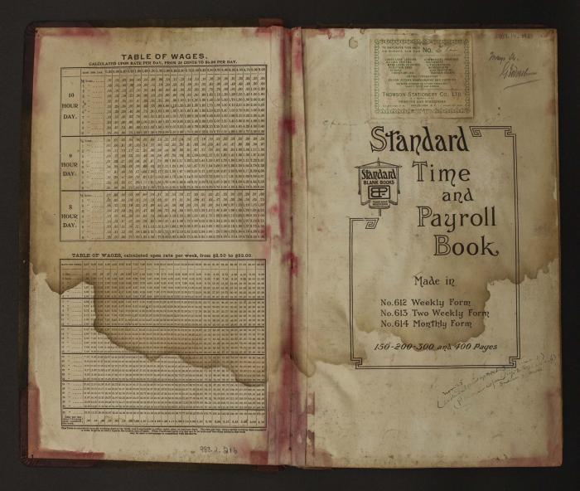
 | [Internal cover of Mayo Lumber Company monthly payroll book,1915 -1917] (2023_13_02_02_002) | Left page of the internal cover has two tables. One is the table of wages, calculated upon rate per day, from 25 cents to $6.0 per day. The bottom one is the table of wages, calculated upon rate per week, from $2.50 to $33.0. A strip of number are handwritted on the bottom right corner, reads "983.2.216".The logo and prints on right page indicate this is a standard time and payroll book. Top of the left page has a small sticky note from Thomson Stationery Company, which is located in Vancouver, B.C. Handwriting on the upper left, middle and bottom right but are illegible due to fade and water damage. Date and number are handwritted on the upright corner, reads "2009.14.0037".
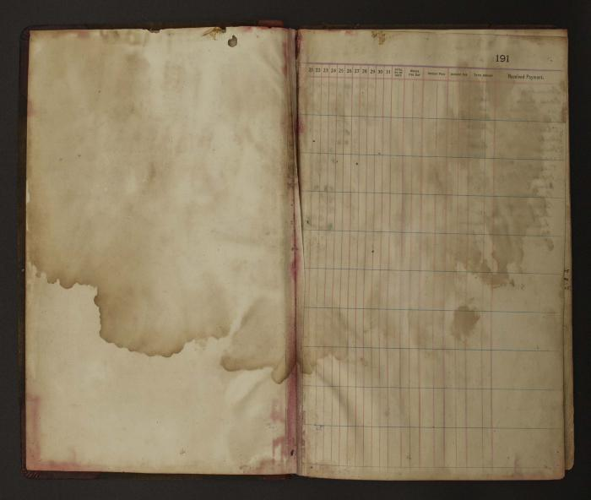
 | [Pages from Mayo Lumber Company monthly payroll book, 1915-1917] (2023_13_02_02_003) | Two blank pages with big areas of water stain. Left page has a blank form, including column of date, total No. of days, wages per day, amount paid, amount due, total amount and received payment. Print number "191" on upright corner.
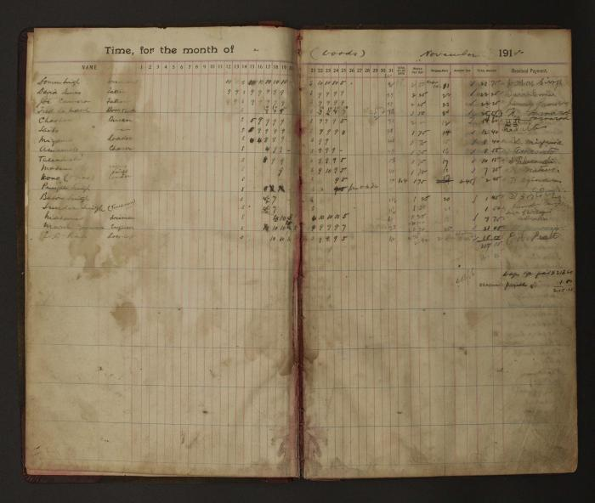
 | [Pages from Mayo Lumber Company monthly payroll book, 1915-1917] (2023_13_02_02_004) | Handwritten payroll records for the month of November 1915 for wood operations. The records outline name of the worker, date, total number of days worked, wages per day, amount paid, amount due, total amount and received payment with signatures of the workers in multiple languages.
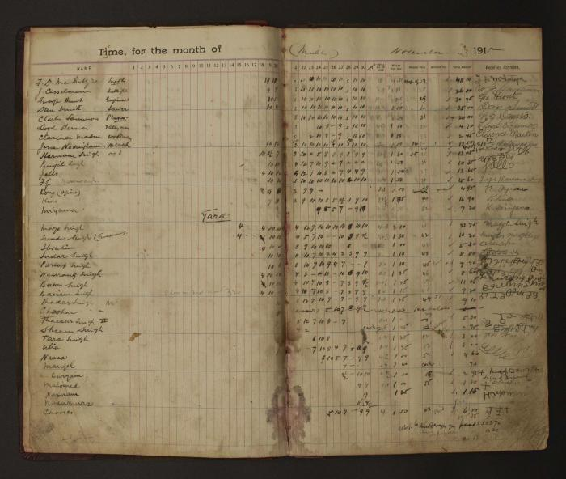
 | [Pages from Mayo Lumber Company monthly payroll book, 1915-1917] (2023_13_02_02_005) | Handwritten payroll records for the month of November 1915 for mill operations. The records outline name of the worker, date, total number of days worked, wages per day, amount paid, amount due, total amount and received payment with signatures of the workers in multiple languages.
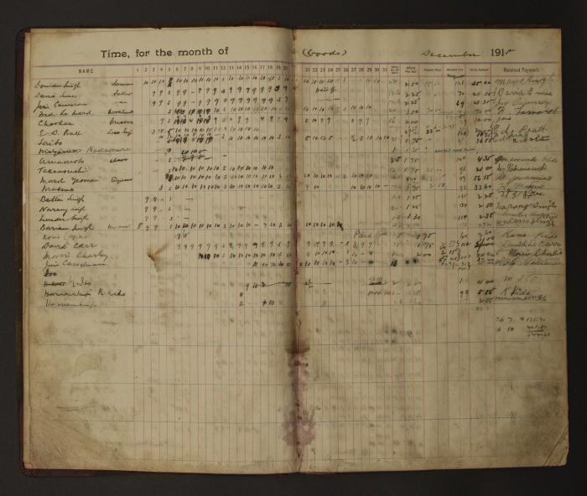
 | [Pages from Mayo Lumber Company monthly payroll book, 1915-1917] (2023_13_02_02_006) | Handwritten payroll records for the month of December 1915 for wood operations. The records outline name of the worker, date, total number of days worked, wages per day, amount paid, amount due, total amount and received payment with signatures of the workers in multiple languages.
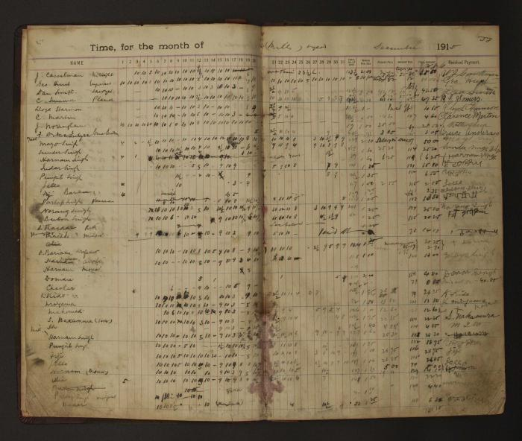
 | [Pages from Mayo Lumber Company monthly payroll book, 1915-1917] (2023_13_02_02_007) | Handwritten payroll records for the month of December 1915 for mill operations. The records outline name of the worker, date, total number of days worked, wages per day, amount paid, amount due, total amount and received payment with signatures of the workers in multiple languages.
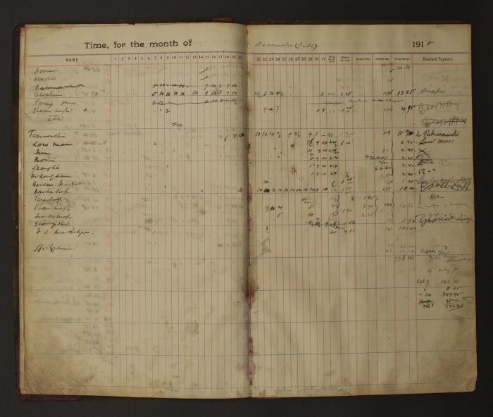
 | [Pages from Mayo Lumber Company monthly payroll book, 1915-1917] (2023_13_02_02_008) | Handwritten payroll records for the month of December 1915 for mill operations. The records outline name of the worker, date, total number of days worked, wages per day, amount paid, amount due, total amount and received payment with signatures of the workers in multiple languages.
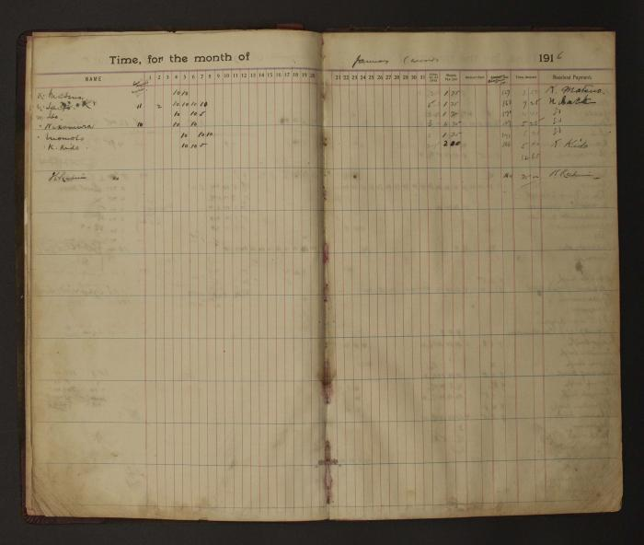
 | [Pages from Mayo Lumber Company monthly payroll book, 1915-1917] (2023_13_02_02_009) | Handwritten payroll records for the month of January 1916 for wood operations. The records outline name of the worker, date, total number of days worked, wages per day, amount paid, amount due, total amount and received payment with signatures of the workers in multiple languages.
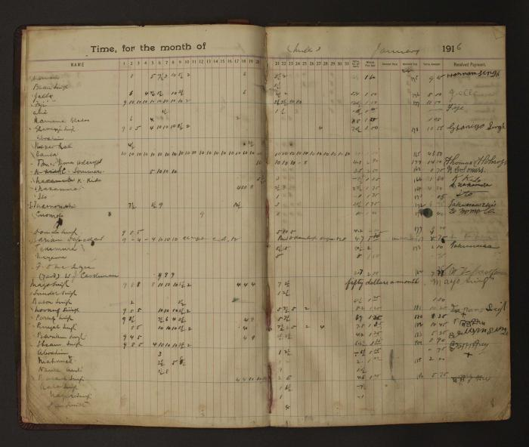
 | [Pages from Mayo Lumber Company monthly payroll book, 1915-1917] (2023_13_02_02_010) | Handwritten payroll records for the month of January 1916 for mill operations. The records outline name of the worker, date, total number of days worked, wages per day, amount paid, amount due, total amount and received payment with signatures of the workers in multiple languages.
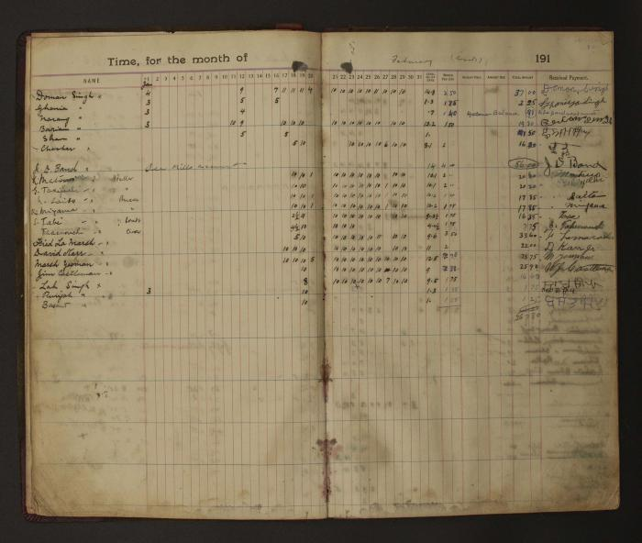
 | [Pages from Mayo Lumber Company monthly payroll book, 1915-1917] (2023_13_02_02_011) | Handwritten payroll records for the month of February 1916 for wood operations. The records outline name of the worker, date, total number of days worked, wages per day, amount paid, amount due, total amount and received payment with signatures of the workers in multiple languages.
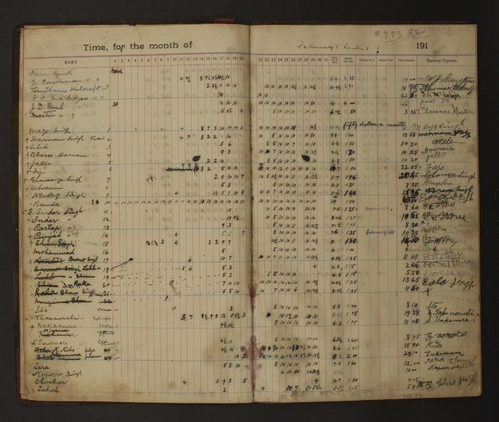
 | [Pages from Mayo Lumber Company monthly payroll book, 1915-1917] (2023_13_02_02_012) | Handwritten payroll records for the month of February 1916 for mill operations. The records outline name of the worker, date, total number of days worked, wages per day, amount paid, amount due, total amount and received payment with signatures of the workers in multiple languages.
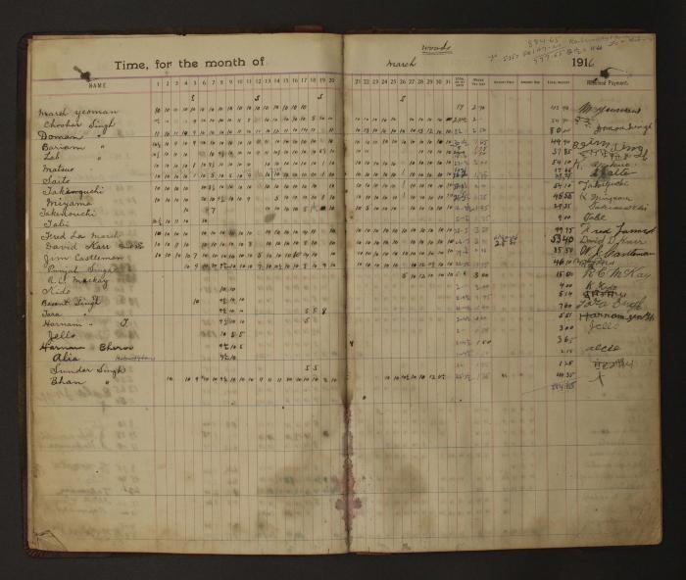
 | [Pages from Mayo Lumber Company monthly payroll book, 1915-1917] (2023_13_02_02_013) | Handwritten payroll records for the month of March 1916 for wood operations. The records outline name of the worker, date, total number of days worked, wages per day, amount paid, amount due, total amount and received payment with signatures of the workers in multiple languages.
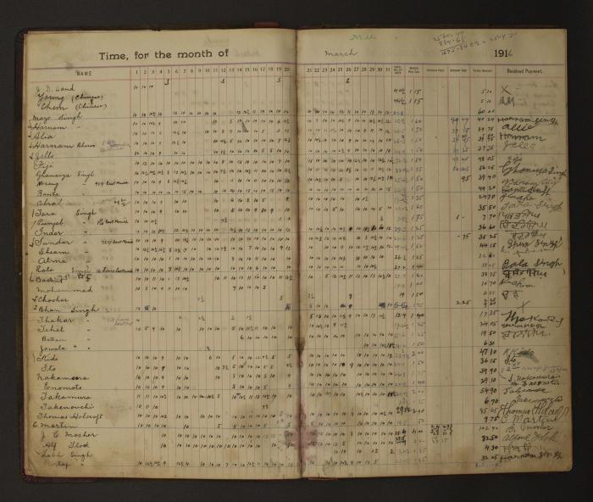
 | [Pages from Mayo Lumber Company monthly payroll book, 1915-1917] (2023_13_02_02_014) | Handwritten payroll records for the month of March 1916 for mill operations. The records outline name of the worker, date, total number of days worked, wages per day, amount paid, amount due, total amount and received payment with signatures of the workers in multiple languages.
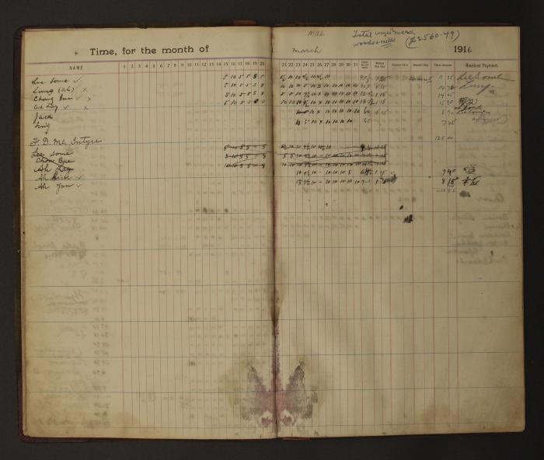
 | [Pages from Mayo Lumber Company monthly payroll book, 1915-1917] (2023_13_02_02_015) | Handwritten payroll records for the month of March 1916 for mill operations. The records outline name of the worker, date, total number of days worked, wages per day, amount paid, amount due, total amount and received payment with signatures of the workers in multiple languages.
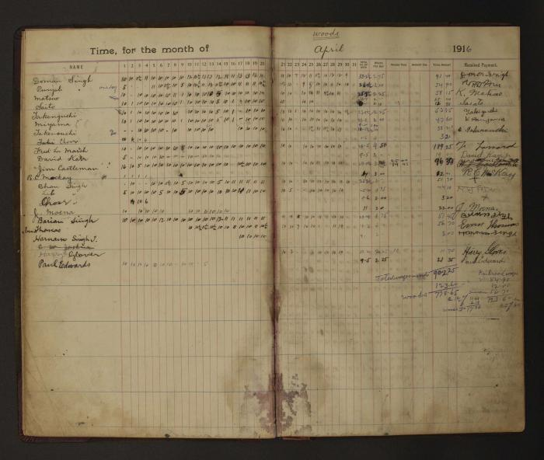
 | [Pages from Mayo Lumber Company monthly payroll book, 1915-1917] (2023_13_02_02_016) | Handwritten payroll records for the month of April 1916 for wood operations. The records outline name of the worker, date, total number of days worked, wages per day, amount paid, amount due, total amount and received payment with signatures of the workers in multiple languages.
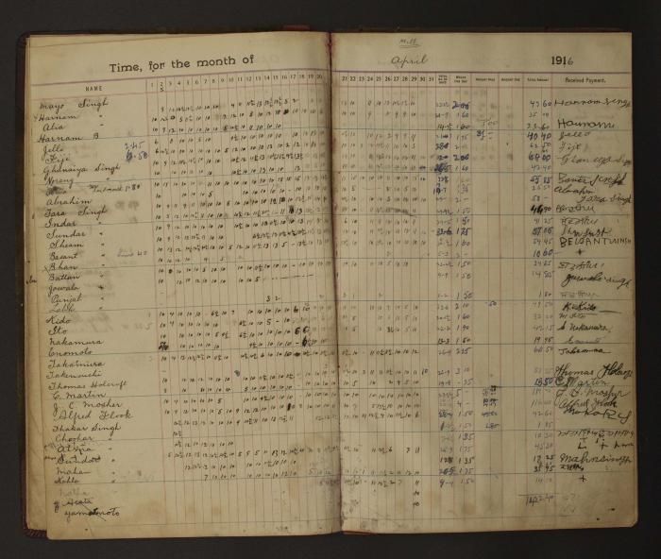
 | [Pages from Mayo Lumber Company monthly payroll book, 1915-1917] (2023_13_02_02_017) | Handwritten payroll records for the month of April 1916 for mill operations. The records outline name of the worker, date, total number of days worked, wages per day, amount paid, amount due, total amount and received payment with signatures of the workers in multiple languages.
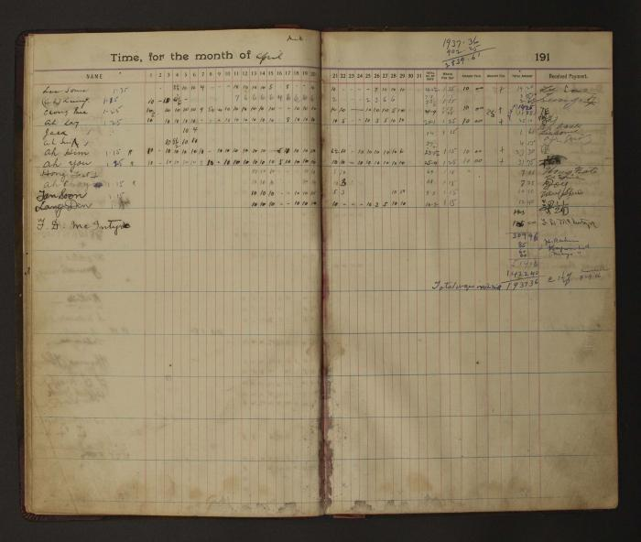
 | [Pages from Mayo Lumber Company monthly payroll book, 1915-1917] (2023_13_02_02_018) | Handwritten payroll records for the month of April 1916 for mill operations. The records outline name of the worker, date, total number of days worked, wages per day, amount paid, amount due, total amount and received payment with signatures of the workers in multiple languages.
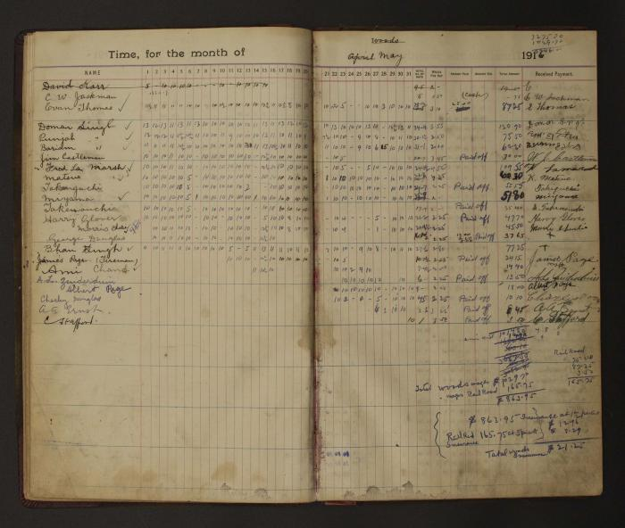
 | [Pages from Mayo Lumber Company monthly payroll book, 1915-1917] (2023_13_02_02_019) | Handwritten payroll records for the month of May 1916 for wood operations. The records outline name of the worker, date, total number of days worked, wages per day, amount paid, amount due, total amount and received payment with signatures of the workers in multiple languages.
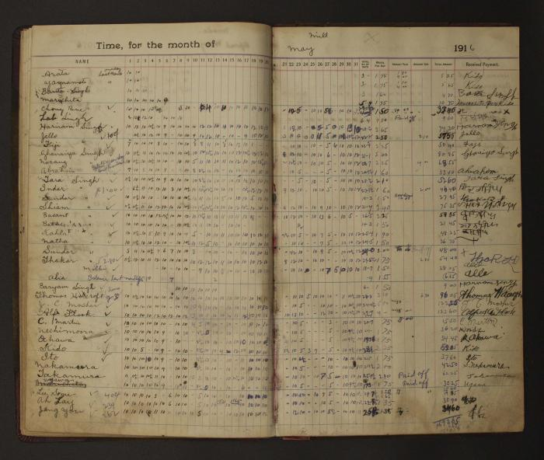
 | [Pages from Mayo Lumber Company monthly payroll book, 1915-1917] (2023_13_02_02_020) | Handwritten payroll records for the month of May 1916 for mill operations. The records outline name of the worker, date, total number of days worked, wages per day, amount paid, amount due, total amount and received payment with signatures of the workers in multiple languages.
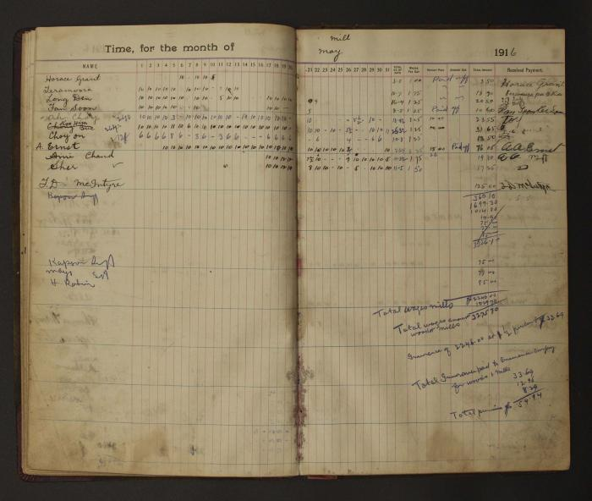
 | [Pages from Mayo Lumber Company monthly payroll book, 1915-1917] (2023_13_02_02_021) | Handwritten payroll records for the month of May 1916 for mill operations. The records outline name of the worker, date, total number of days worked, wages per day, amount paid, amount due, total amount and received payment with signatures of the workers in multiple languages.
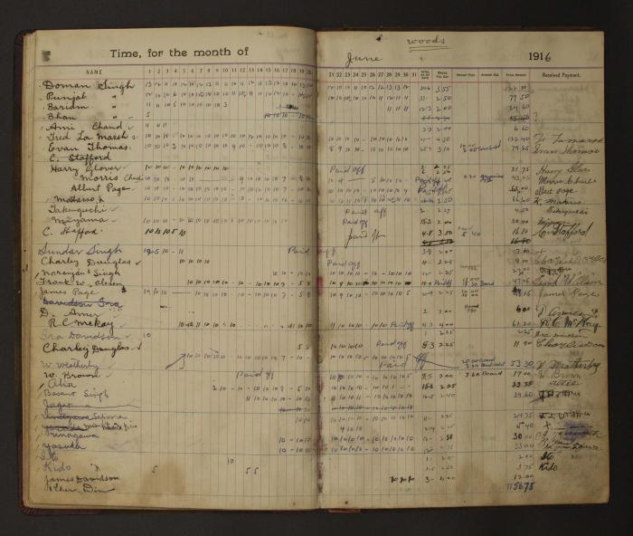
 | [Pages from Mayo Lumber Company monthly payroll book, 1915-1917] (2023_13_02_02_022) | Handwritten payroll records for the month of June 1916 for wood operations. The records outline name of the worker, date, total number of days worked, wages per day, amount paid, amount due, total amount and received payment with signatures of the workers in multiple languages.
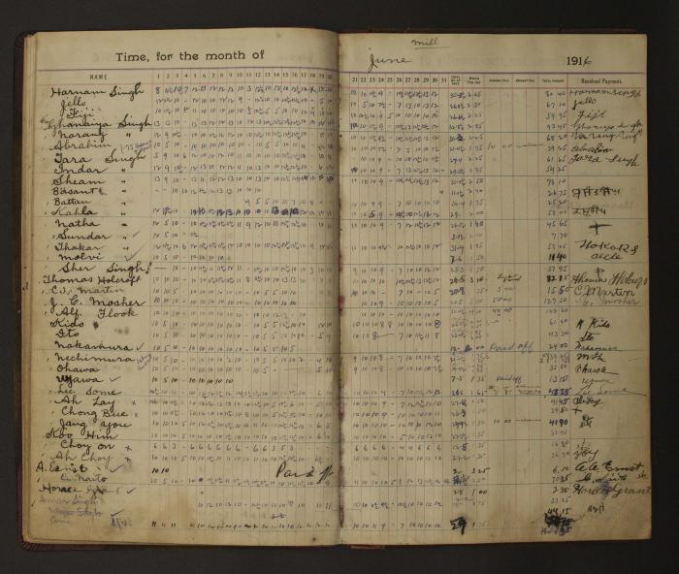
 | [Pages from Mayo Lumber Company monthly payroll book, 1915-1917] (2023_13_02_02_023) | Handwritten payroll records for the month of June1916 for mill operations. The records outline name of the worker, date, total number of days worked, wages per day, amount paid, amount due, total amount and received payment with signatures of the workers in multiple languages.
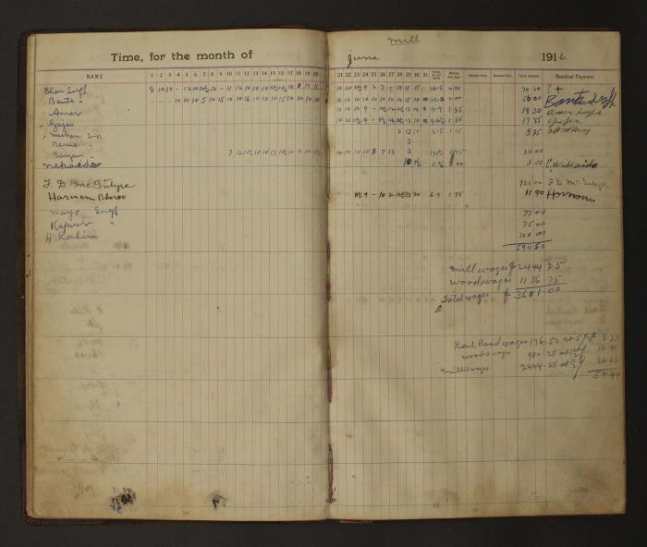
 | [Pages from Mayo Lumber Company monthly payroll book, 1915-1917] (2023_13_02_02_024) | Handwritten payroll records for the month of June1916 for mill operations. The records outline name of the worker, date, total number of days worked, wages per day, amount paid, amount due, total amount and received payment with signatures of the workers in multiple languages.
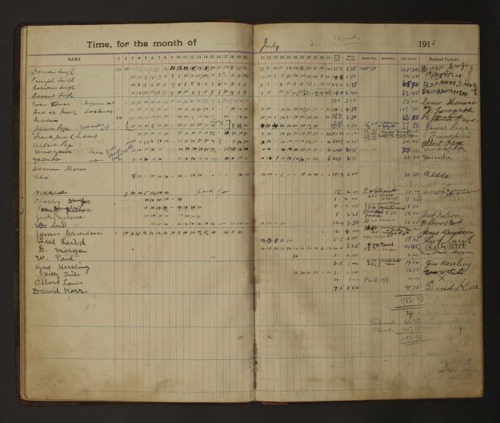
 | [Pages from Mayo Lumber Company monthly payroll book, 1915-1917] (2023_13_02_02_025) | Handwritten payroll records for the month of July1916 for wood operations. The records outline name of the worker, date, total number of days worked, wages per day, amount paid, amount due, total amount and received payment with signatures of the workers in multiple languages.
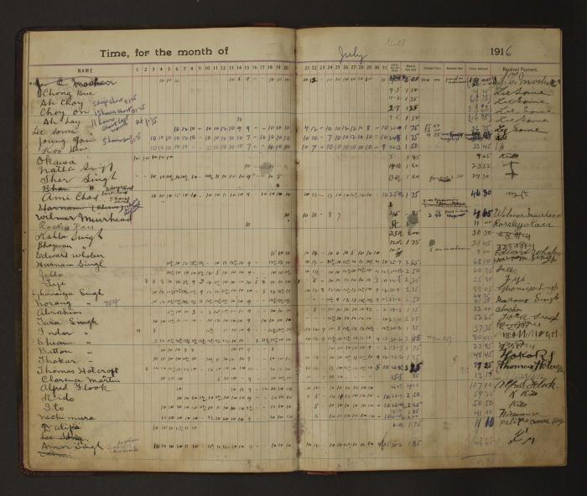
 | [Pages from Mayo Lumber Company monthly payroll book, 1915-1917] (2023_13_02_02_026) | Handwritten payroll records for the month of July1916 for mill operations. The records outline name of the worker, date, total number of days worked, wages per day, amount paid, amount due, total amount and received payment with signatures of the workers in multiple languages.
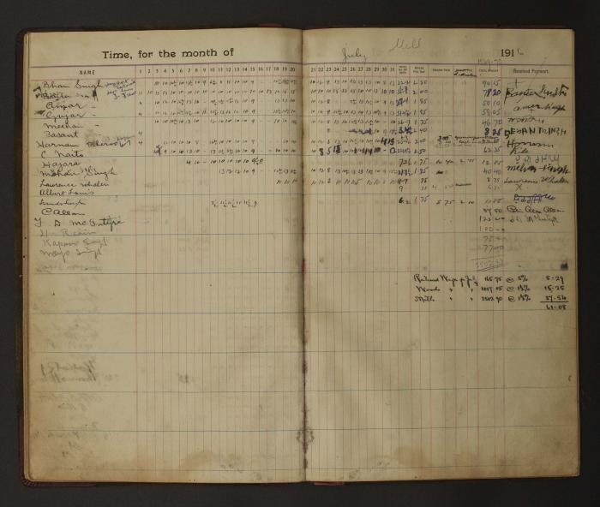
 | [Pages from Mayo Lumber Company monthly payroll book, 1915-1917] (2023_13_02_02_027) | Handwritten payroll records for the month of July1916 for mill operations. The records outline name of the worker, date, total number of days worked, wages per day, amount paid, amount due, total amount and received payment with signatures of the workers in multiple languages.
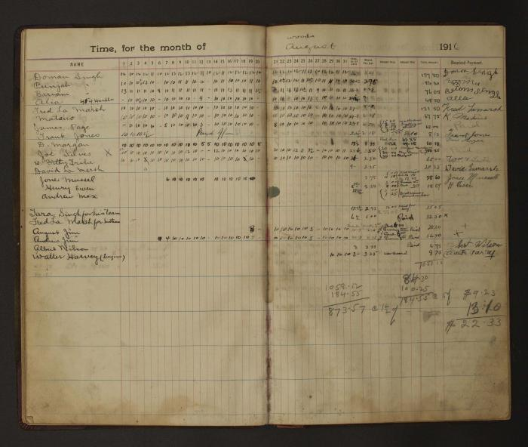
 | [Pages from Mayo Lumber Company monthly payroll book, 1915-1917] (2023_13_02_02_028) | Handwritten payroll records for the month of August 1916 for wood operations. The records outline name of the worker, date, total number of days worked, wages per day, amount paid, amount due, total amount and received payment with signatures of the workers in multiple languages.
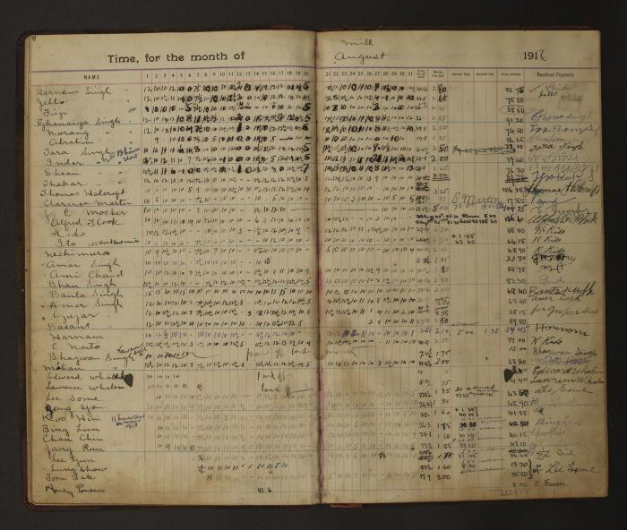
 | [Pages from Mayo Lumber Company monthly payroll book, 1915-1917] (2023_13_02_02_029) | Handwritten payroll records for the month of August 1916 for mill operations. The records outline name of the worker, date, total number of days worked, wages per day, amount paid, amount due, total amount and received payment with signatures of the workers in multiple languages.
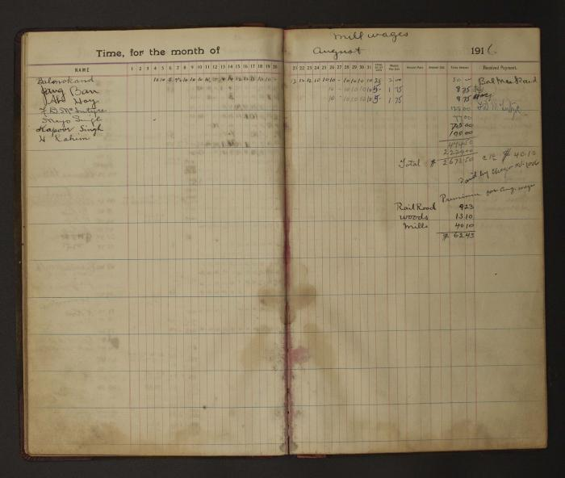
 | [Pages from Mayo Lumber Company monthly payroll book, 1915-1917] (2023_13_02_02_030) | Handwritten payroll records for the month of August 1916 for mill operations. The records outline name of the worker, date, total number of days worked, wages per day, amount paid, amount due, total amount and received payment with signatures of the workers in multiple languages.
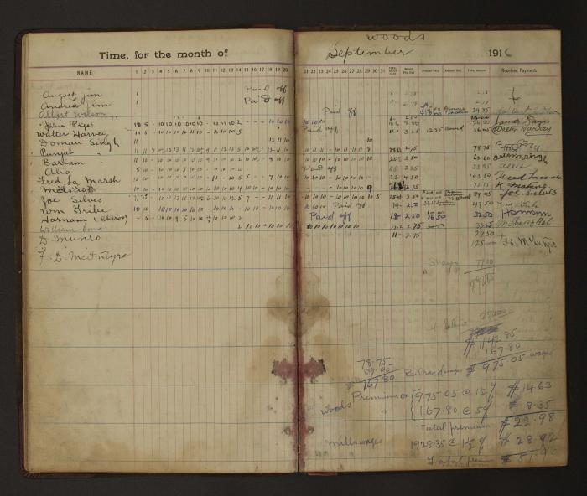
 | [Pages from Mayo Lumber Company monthly payroll book, 1915-1917] (2023_13_02_02_031) | Handwritten payroll records for the month of September 1916 for wood operations. The records outline name of the worker, date, total number of days worked, wages per day, amount paid, amount due, total amount and received payment with signatures of the workers in multiple languages.
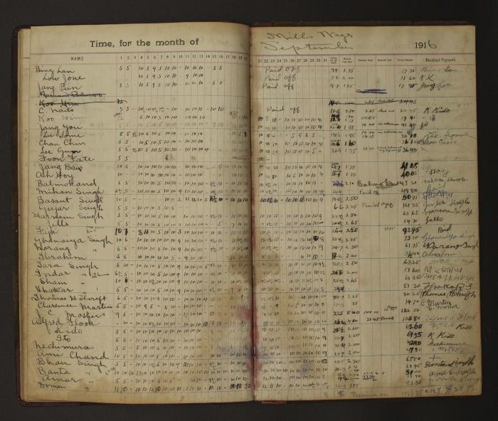
 | [Pages from Mayo Lumber Company monthly payroll book, 1915-1917] (2023_13_02_02_032) | Handwritten payroll records for the month of September 1916 for mill operations. The records outline name of the worker, date, total number of days worked, wages per day, amount paid, amount due, total amount and received payment with signatures of the workers in multiple languages.
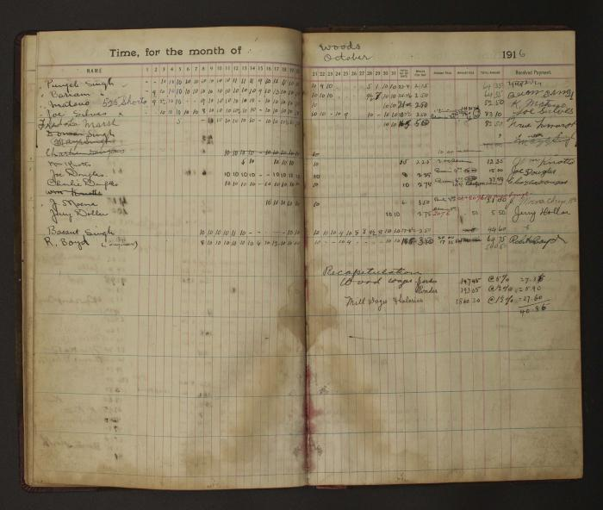
 | [Pages from Mayo Lumber Company monthly payroll book, 1915-1917] (2023_13_02_02_033) | Handwritten payroll records for the month of October 1916 for wood operations. The records outline name of the worker, date, total number of days worked, wages per day, amount paid, amount due, total amount and received payment with signatures of the workers in multiple languages.
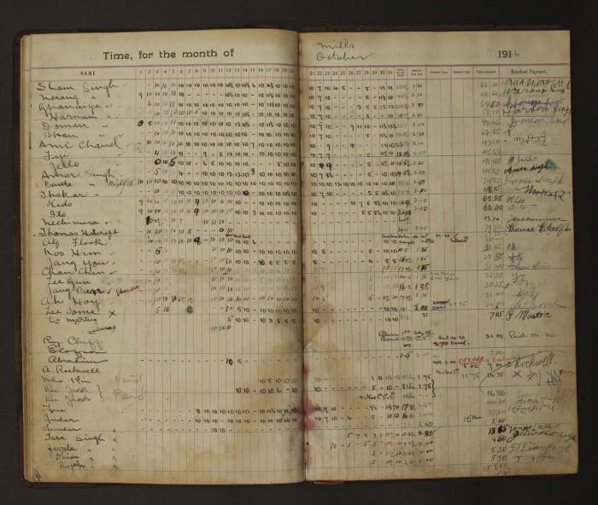
 | [Pages from Mayo Lumber Company monthly payroll book, 1915-1917] (2023_13_02_02_034) | Handwritten payroll records for the month of October 1916 for mill operations. The records outline name of the worker, date, total number of days worked, wages per day, amount paid, amount due, total amount and received payment with signatures of the workers in multiple languages.
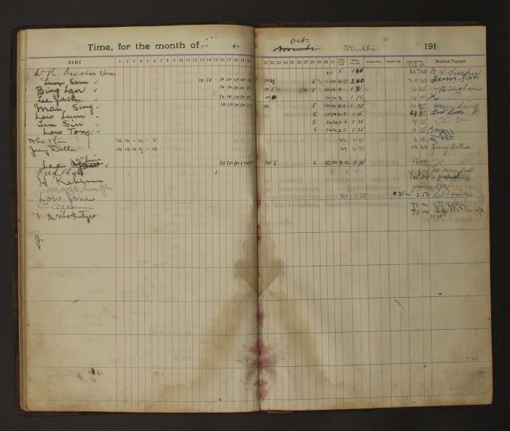
 | [Pages from Mayo Lumber Company monthly payroll book, 1915-1917] (2023_13_02_02_035) | Handwritten payroll records for the month of October 1916 for mill operations. The records outline name of the worker, date, total number of days worked, wages per day, amount paid, amount due, total amount and received payment with signatures of the workers in multiple languages.
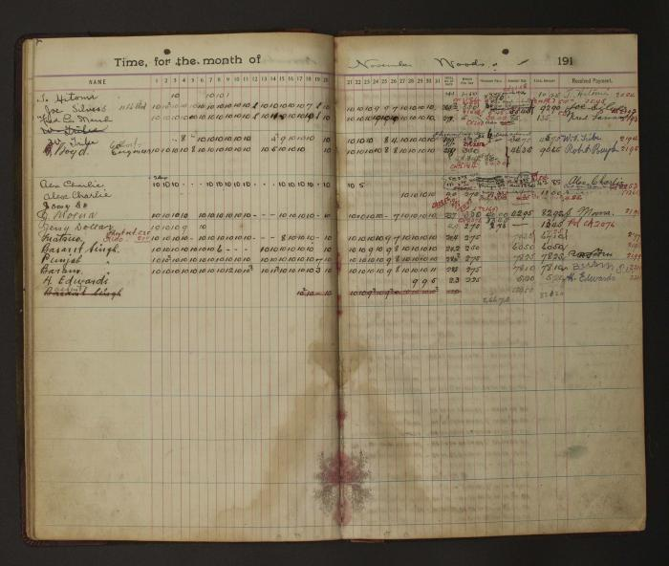
 | [Pages from Mayo Lumber Company monthly payroll book, 1915-1917] (2023_13_02_02_036) | Handwritten payroll records for the month of November1916 for wood operations. The records outline name of the worker, date, total number of days worked, wages per day, amount paid, amount due, total amount and received payment with signatures of the workers in multiple languages.
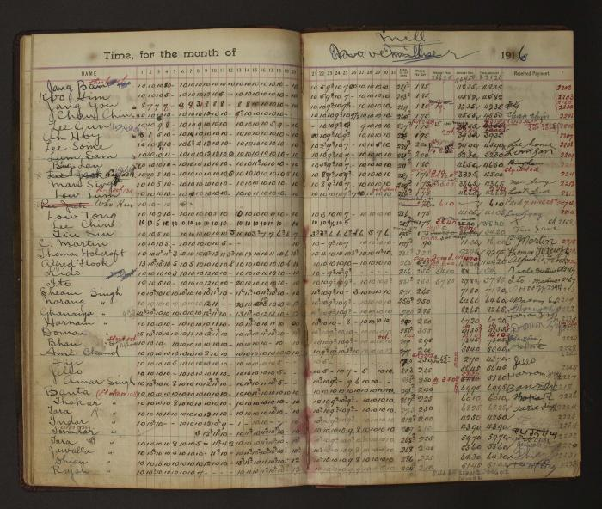
 | [Pages from Mayo Lumber Company monthly payroll book, 1915-1917] (2023_13_02_02_037) | Handwritten payroll records for the month of November1916 for mill operations. The records outline name of the worker, date, total number of days worked, wages per day, amount paid, amount due, total amount and received payment with signatures of the workers in multiple languages.
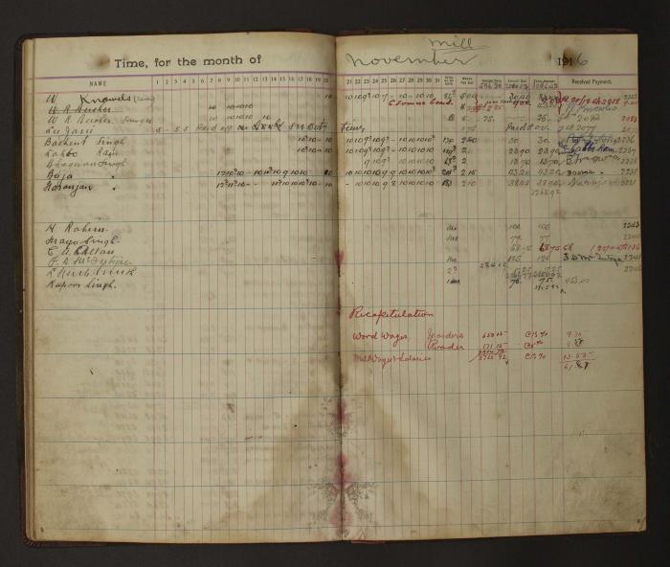
 | [Pages from Mayo Lumber Company monthly payroll book, 1915-1917] (2023_13_02_02_038) | Handwritten payroll records for the month of November1916 for mill operations. The records outline name of the worker, date, total number of days worked, wages per day, amount paid, amount due, total amount and received payment with signatures of the workers in multiple languages.
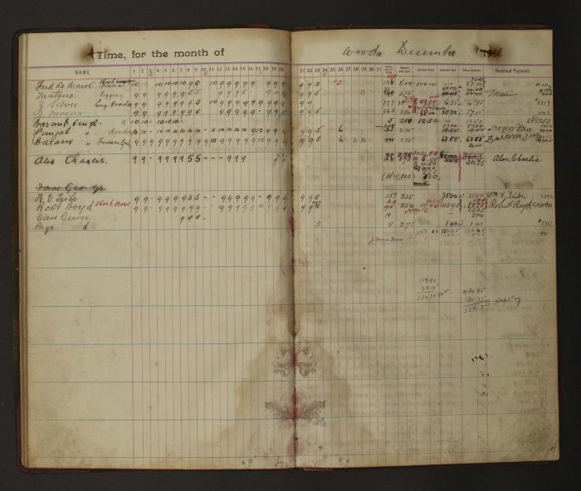
 | [Pages from Mayo Lumber Company monthly payroll book, 1915-1917] (2023_13_02_02_039) | Handwritten payroll records for the month of December 1916 for wood operations. The records outline name of the worker, date, total number of days worked, wages per day, amount paid, amount due, total amount and received payment with signatures of the workers in multiple languages.
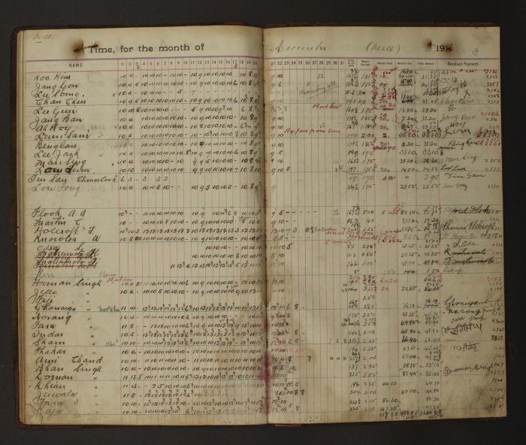
 | [Pages from Mayo Lumber Company monthly payroll book, 1915-1917] (2023_13_02_02_040) | Handwritten payroll records for the month of December 1916 for mill operations. The records outline name of the worker, date, total number of days worked, wages per day, amount paid, amount due, total amount and received payment with signatures of the workers in multiple languages.
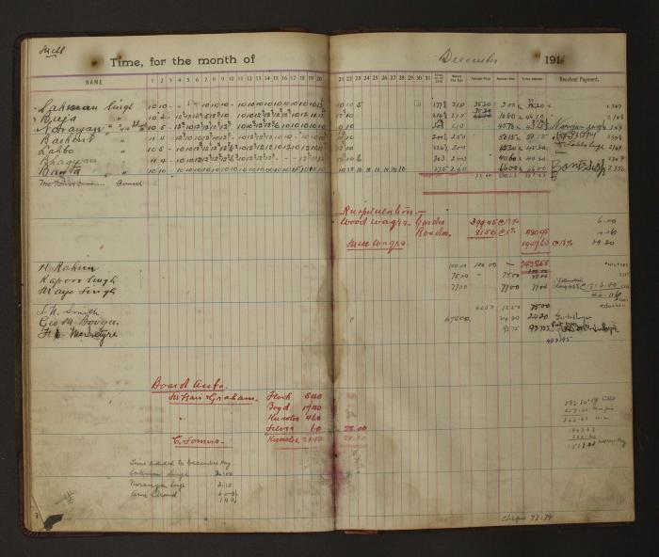
 | [Pages from Mayo Lumber Company monthly payroll book, 1915-1917] (2023_13_02_02_041) | Handwritten payroll records for the month of December 1916 for mill operations. The records outline name of the worker, date, total number of days worked, wages per day, amount paid, amount due, total amount and received payment with signatures of the workers in multiple languages.
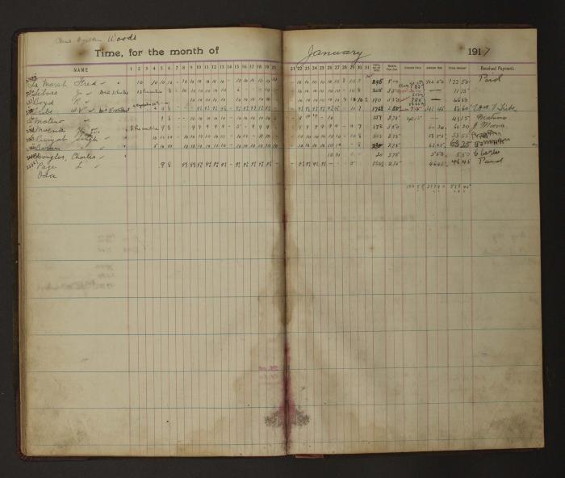
 | [Pages from Mayo Lumber Company monthly payroll book, 1915-1917] (2023_13_02_02_042) | Handwritten payroll records for the month of January 1917 for wood operations. The records outline name of the worker, date, total number of days worked, wages per day, amount paid, amount due, total amount and received payment with signatures of the workers in multiple languages.
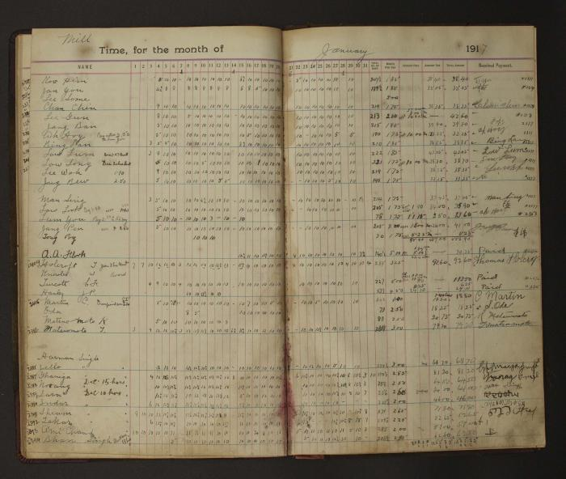
 | [Pages from Mayo Lumber Company monthly payroll book, 1915-1917] (2023_13_02_02_043) | Handwritten payroll records for the month of January 1917 for mill operations. The records outline name of the worker, date, total number of days worked, wages per day, amount paid, amount due, total amount and received payment with signatures of the workers in multiple languages.
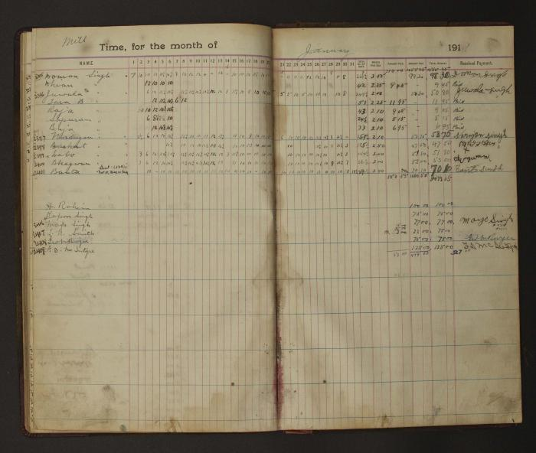
 | [Pages from Mayo Lumber Company monthly payroll book, 1915-1917] (2023_13_02_02_044) | Handwritten payroll records for the month of January 1917 for mill operations. The records outline name of the worker, date, total number of days worked, wages per day, amount paid, amount due, total amount and received payment with signatures of the workers in multiple languages.
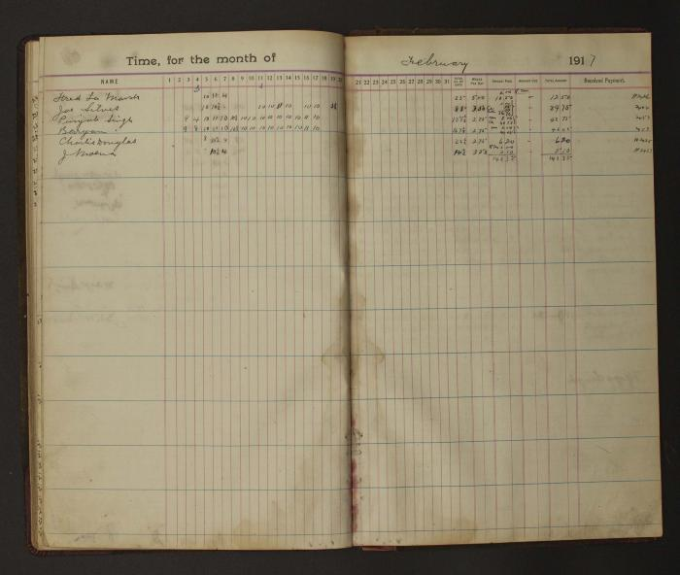
 | [Pages from Mayo Lumber Company monthly payroll book, 1915-1917] (2023_13_02_02_045) | Handwritten payroll records for the month of February 1917 . The records outline name of the worker, date, total number of days worked, wages per day, amount paid, amount due, total amount and received payment with signatures of the workers in multiple languages.
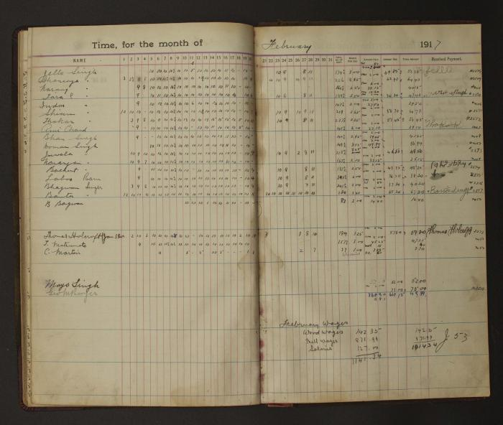
 | [Pages from Mayo Lumber Company monthly payroll book, 1915-1917] (2023_13_02_02_046) | Handwritten payroll records for the month of February 1917 . The records outline name of the worker, date, total number of days worked, wages per day, amount paid, amount due, total amount and received payment with signatures of the workers in multiple languages.
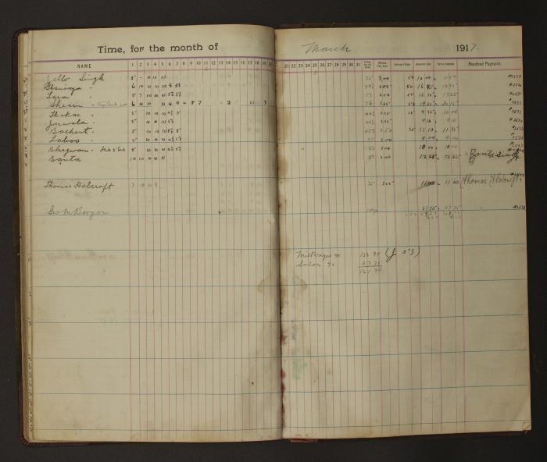
 | [Pages from Mayo Lumber Company monthly payroll book, 1915-1917] (2023_13_02_02_047) | Handwritten payroll records for the month of March 1917 . The records outline name of the worker, date, total number of days worked, wages per day, amount paid, amount due, total amount and received payment with signatures of the workers in multiple languages.
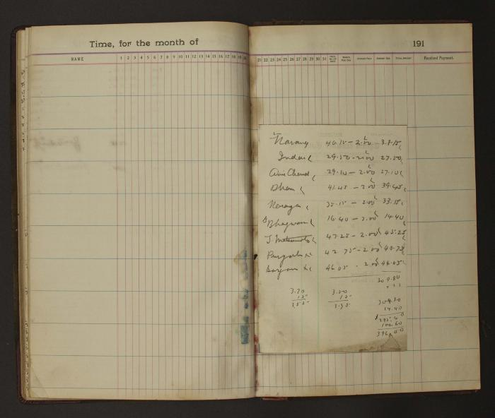
 | [Pages from Mayo Lumber Company monthly payroll book, 1915-1917] (2023_13_02_02_048) | Two Blank pages of the Mayo Lumber Company monthly payroll book with a small handwriting note paper attached on the left page.Names and calculation records on the note paper.
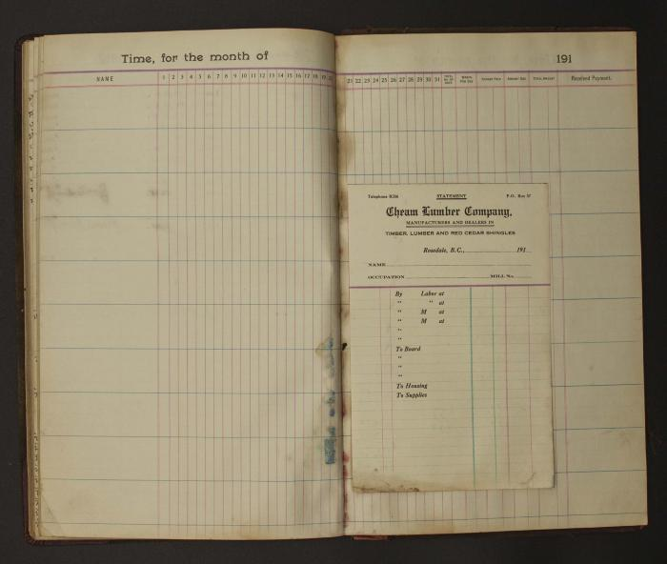
 | [Pages from Mayo Lumber Company monthly payroll book, 1915-1917] (2023_13_02_02_049) | Two Blank pages of the Mayo Lumber Company monthly payroll book. A small blank statement card of Chem Lumber Company from Rosedale, B.C. attached on left page.
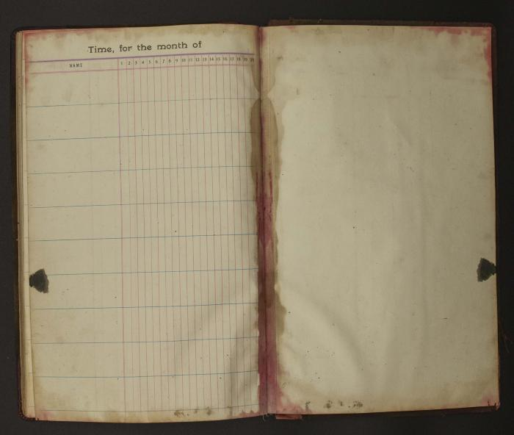
 | [Pages from Mayo Lumber Company monthly payroll book, 1915-1917] (2023_13_02_02_050) | Blank form of time and payment records of the Mayo Lumber Company monthly payroll book. Form colums include name and date.

 | [Internal back cover of Mayo Lumber Company monthly payroll book,1915 -1917] (2023_13_02_02_051) | Left page of the internal back cover has handwritting of name and numbers on the top half. Right page has handwritting of words and numbers on the top and top right corner. Big brown and red stains on right page.

