Results
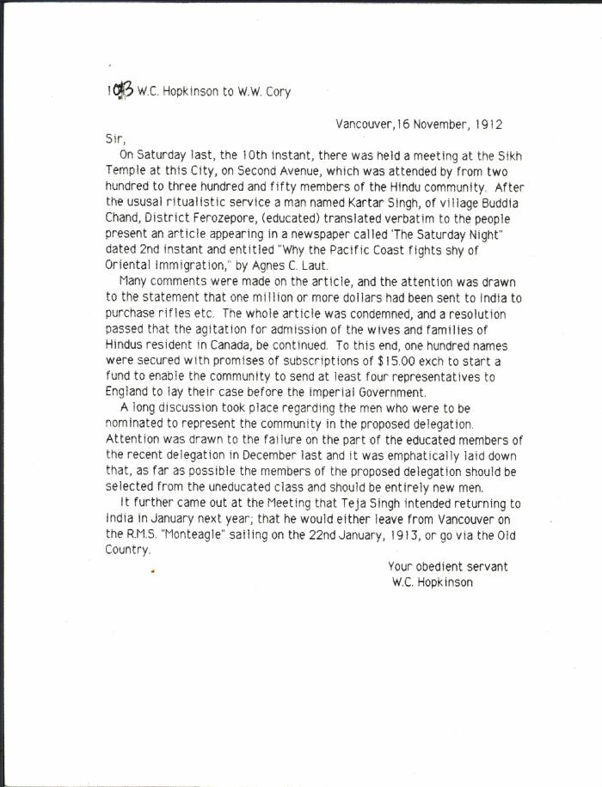
Image | Object | Description | Date
 | [William C. Hopkinson, Immigration Inspector, to William W. Cory, Deputy Minister of the Interior, re Hindu community meeting to agitate for admission of wives and families] (2021_07_10312) | Library and Archives Canada. RG7-G-21, Vol. 202, File 332, vol. 6 (a)
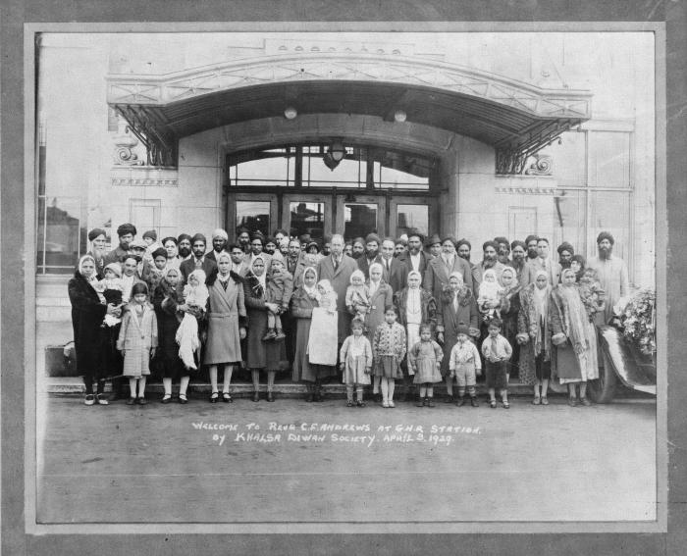 | Welcome to Revd. C. F. Andrews at G. N. R. Station by Khalsa Diwan Society, April 5, 1929 (2021_07_10282)
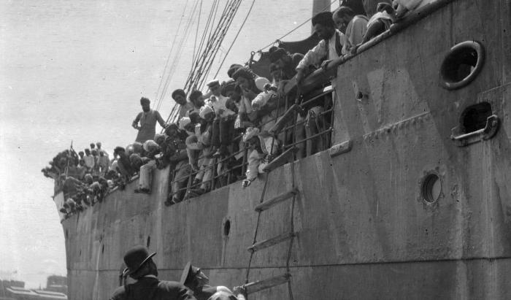 | S. S. 'Komagata Maru' (2021_07_10612) | City of Vancouver Archives. Item number CVA 7-123
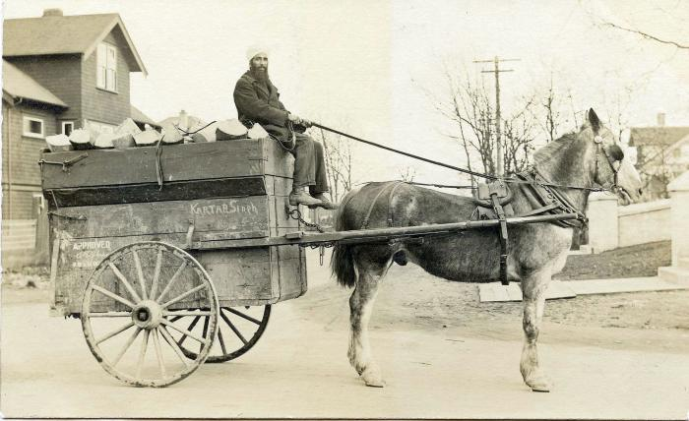 | [Photo of Kartar Singh riding a horse cart] (2021_08_01_028) | Photo of Kartar Singh riding a horse cart with wood.

 | Newsclippings - Serious charge against Hindus; Charge of murder laid against Hindu; Hindu sues bank, queer story told; Three more Hindus (2021_07_10803)
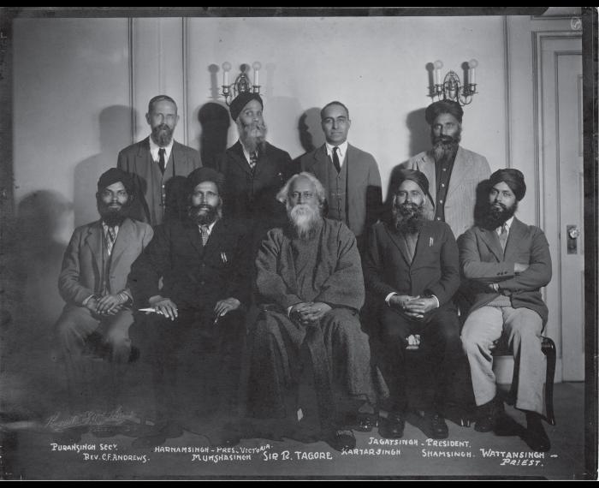 | [Khalsa Diwan organizers] (2021_05_048) | Photograph includes Puran Singh, Rev. C. F. Andrews, Harnam Singh, Munsha Singh, Sir R. Tagore, Kartar Singh, Jagat Singh, Sham Singh, and Wattan Singh.
 | [Jaswinder Singh Toor holding photograph of Komagata Maru passengers, including his grandfather, Puran Singh Johal] (2021_07_10259)
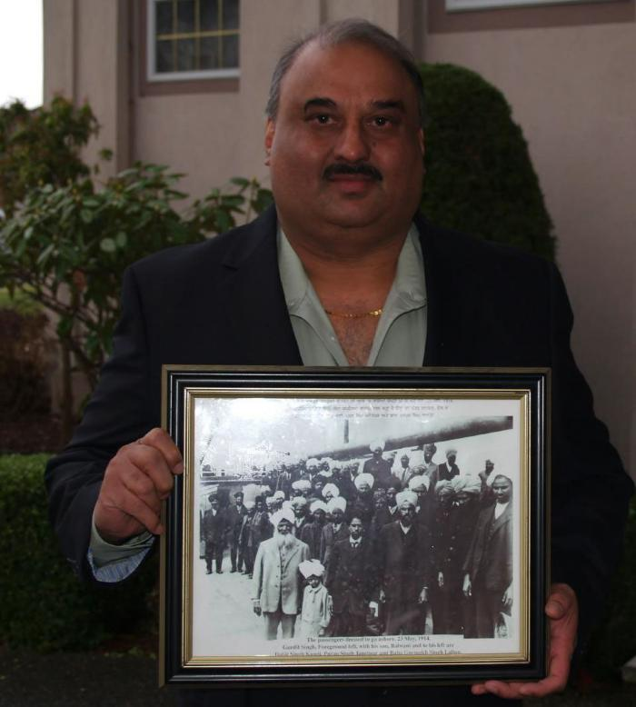 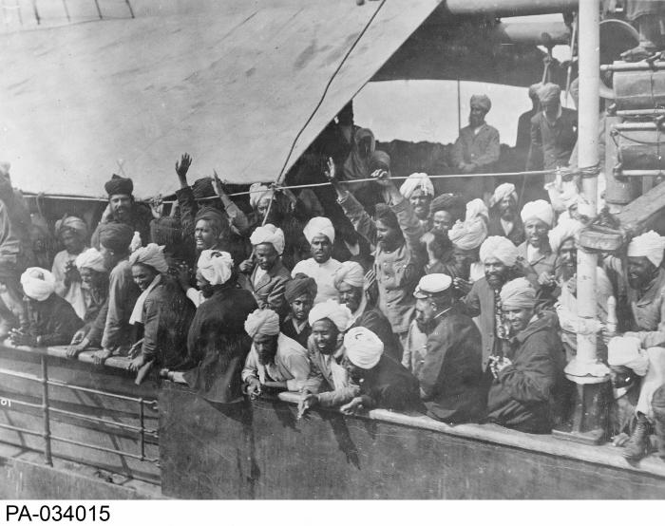 | Indian immigrants on board the KOMAGATA MARU in English Bay, Vancouver, British Columbia, 1914 (2021_07_10588) | Library and Archives Canada. PA-034015
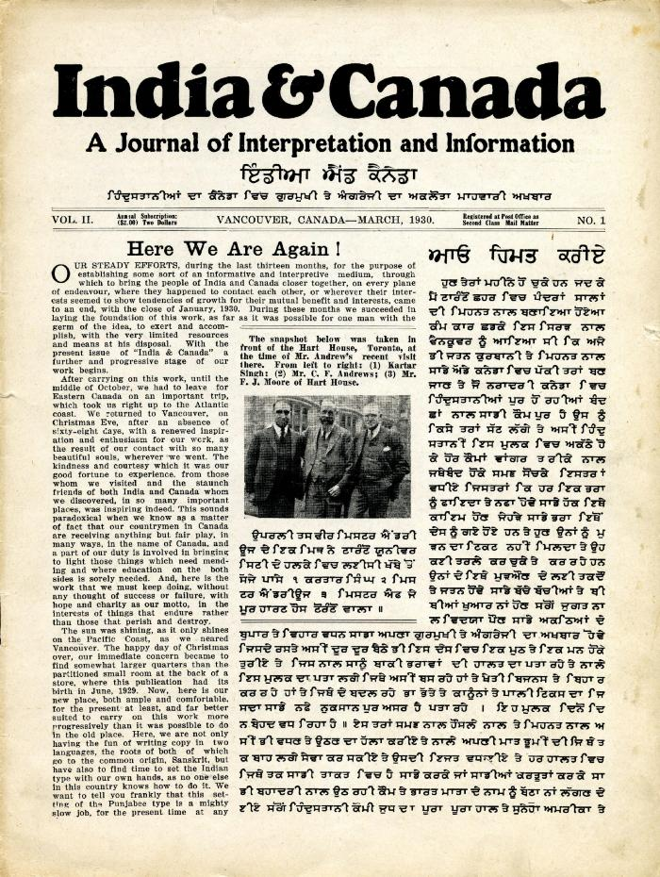
 | India & Canada: A Journal of Interpretation and Information. Vol. II, no. 1 (2021_07_1037)
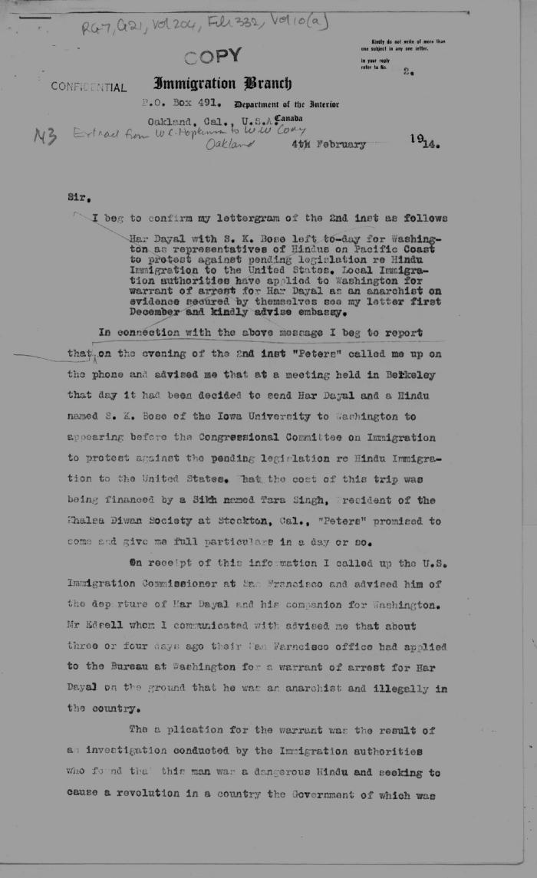
 | [Extract from William C. Hopkinson, Immigration Inspector, to William W. Cory, Deputy Minister of the Interior. Copy] (2021_07_4560) | Library and Archives Canada. RG7-G-21, Vol. 204, File 332, vol. 10 (a)

