Results
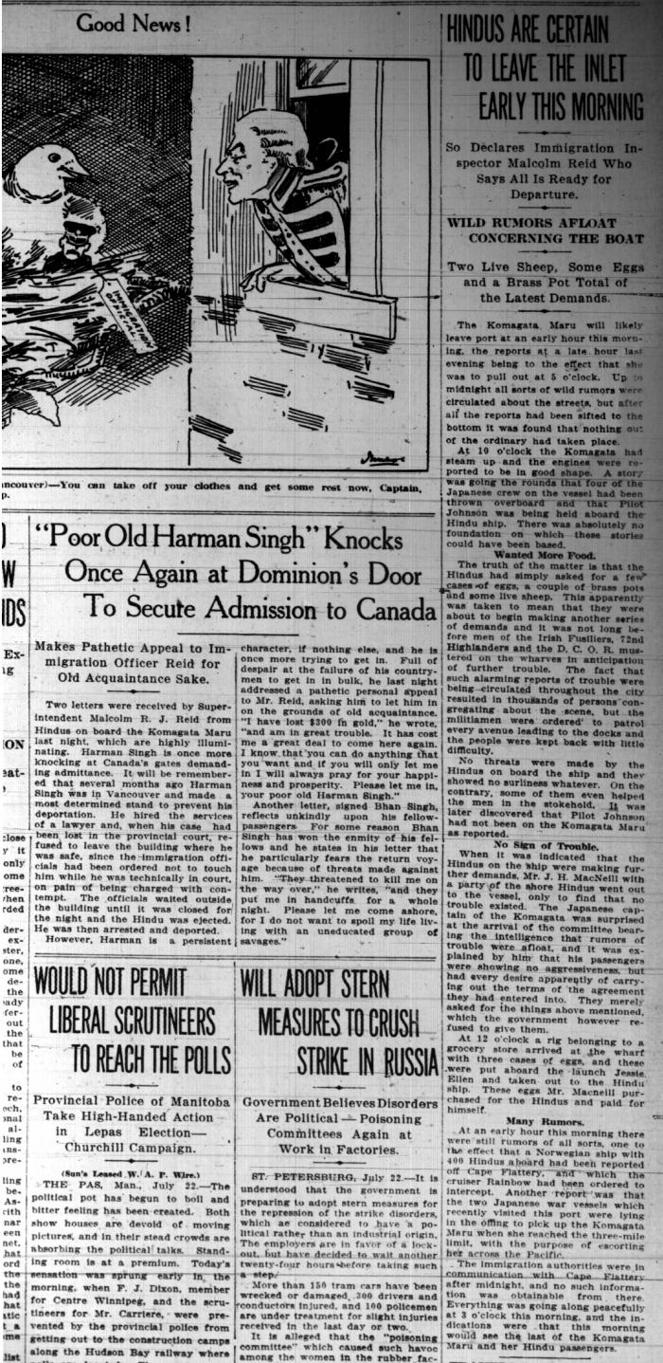
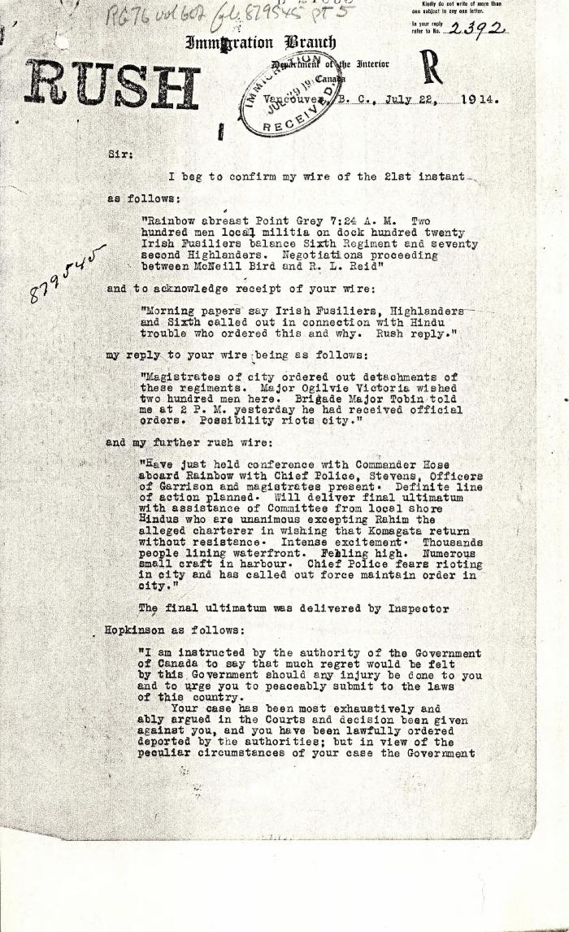
Image | Object | Description | Date
 | Newsclippings - Vancouver Sun: Hindus are certain to leave the inlet early this morning; 'Poor old Harnam Singh' knocks once again at Dominion's door to secure admission to Canada; Never too late to mend (2021_07_5380)
 | [Malcolm R. J. Reid, Dominion Immigration Agent, to William D. Scott, Superintendent of Immigration. Original] (2021_07_4734) | Library and Archives Canada. RG76, Vol. 601, File 879545, pt. 5

