Results
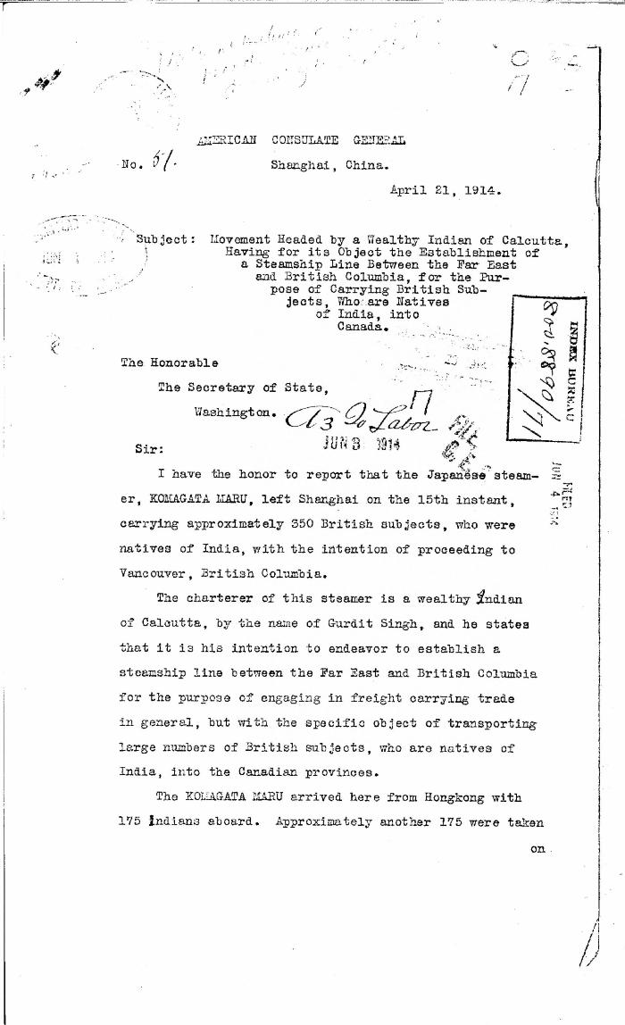

Image | Object | Description | Date
 | [American Consul General, Shanghai, to William J. Bryan, Secretary of State, Washington] (2021_07_4585) | National Archives and Records Administration. Central Decimal File (CDF), 1910-1929; Decimal number 800.8890/71, box 7271; General Records of the Department of State, Record Group 59; National Archives II, College Park, MD:250/23/26/01
 | Canadian Sikhs (Part One) and Komagata Maru Massacre (2021_07_6295)
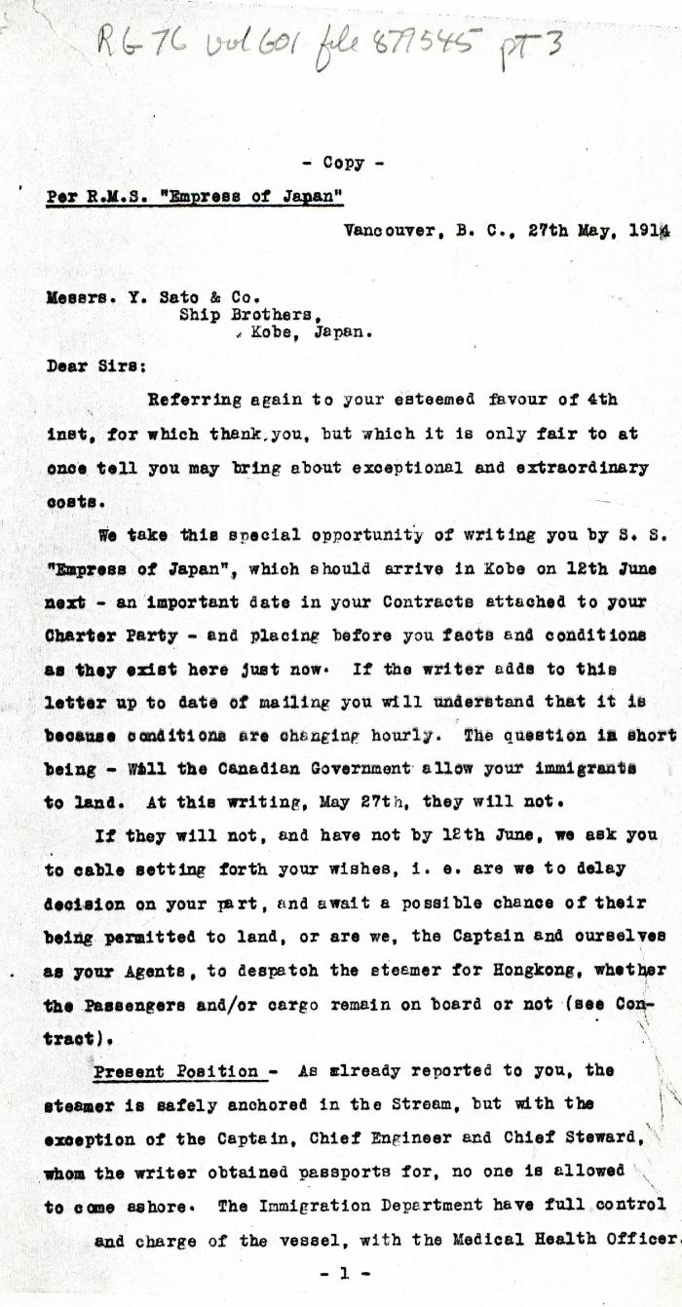
 | [Charles Gardner Johnson, Shipping Agent, Vancouver, to Y. Sato & Co., Kobe, Japan. Copy] (2021_07_4607) | Library and Archives Canada. RG76, Vol. 601, File 877545, pt. 3
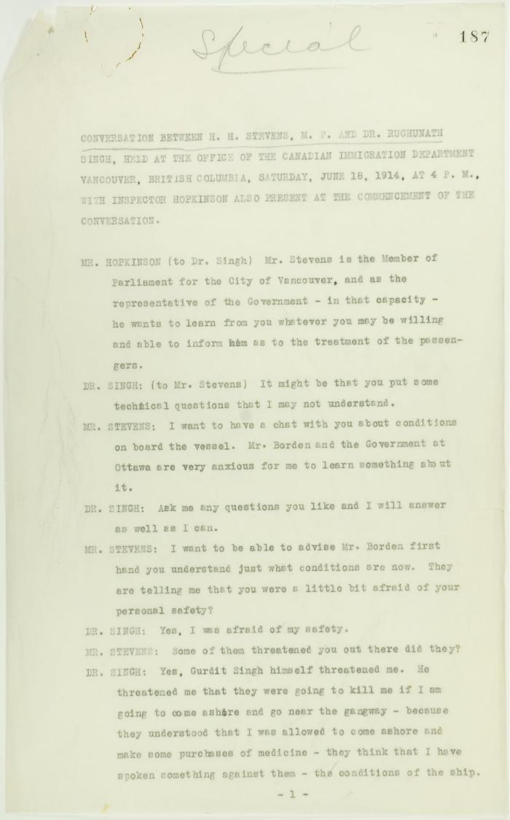
 | Conversation between H. H. Stevens, M.P., and Dr. Rughunath Singh, held at the Office of the Canadian Immigration Department, Vancouver, with Inspector Hopkinson also present at the commencement of the conversation. Page 1-11 (2021_07_9462) | Page 187-219
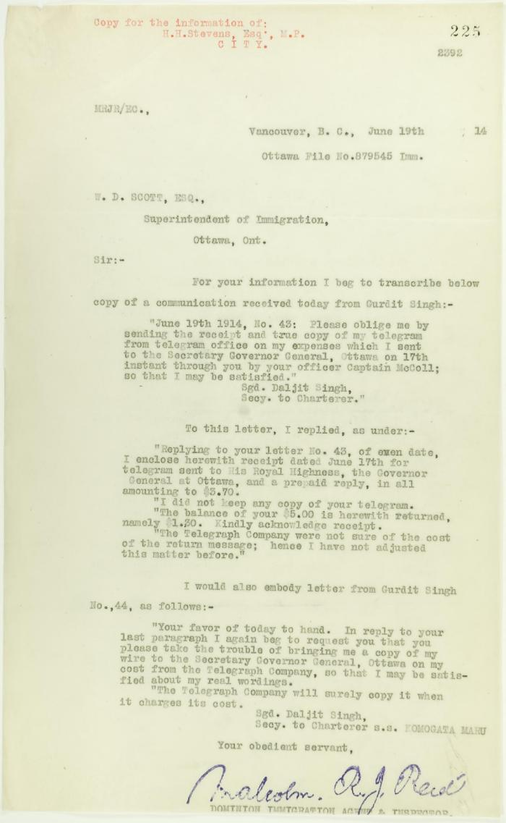
 | Copy of Communications received by Reid from Gurdit Singh, sent to W. D. Scott (2021_07_10696) | Page 225
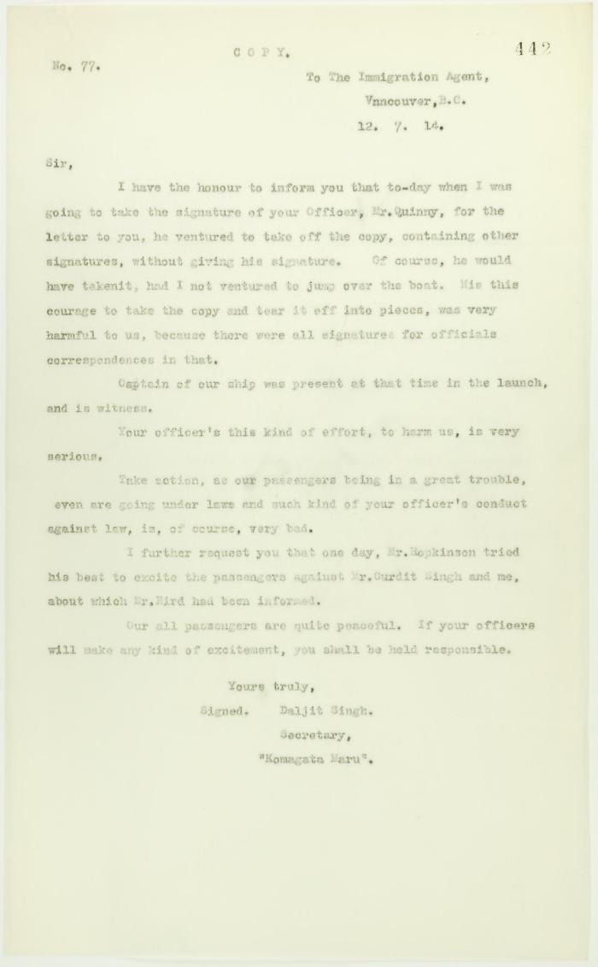
 | Copy of letter from Daljit Singh to the Immigration Agent, complaining about actions of Department Officer (2021_07_10731) | Page 442
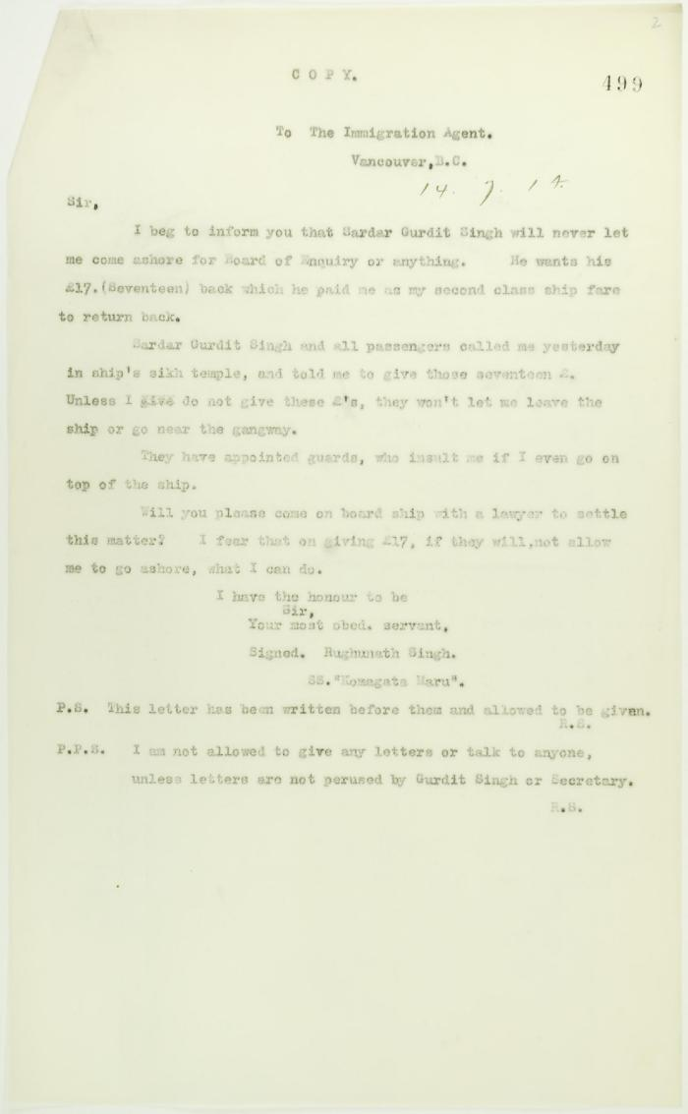
 | Copy of letter from Dr. Rughunath Singh to the Immigration Agent (2021_07_10758) | Page 499

 | Copy of letter from Dr. Singh to Reid (see p. 437) (2021_07_10727) | Page 438
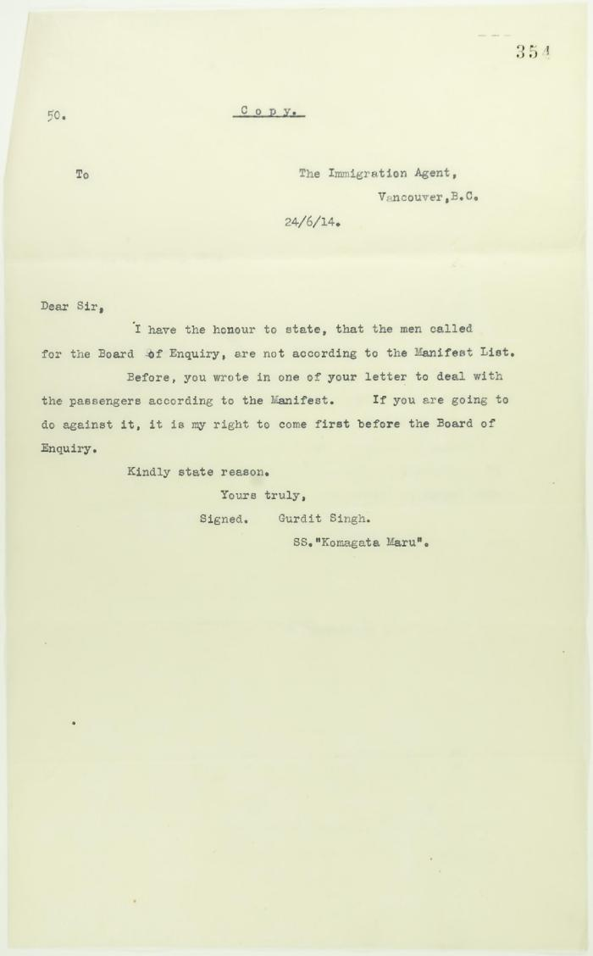
 | Copy of letter from Gurdit Singh to the Immigration Agent re calling before the Board of Enquiry (2021_07_10701) | Page 354
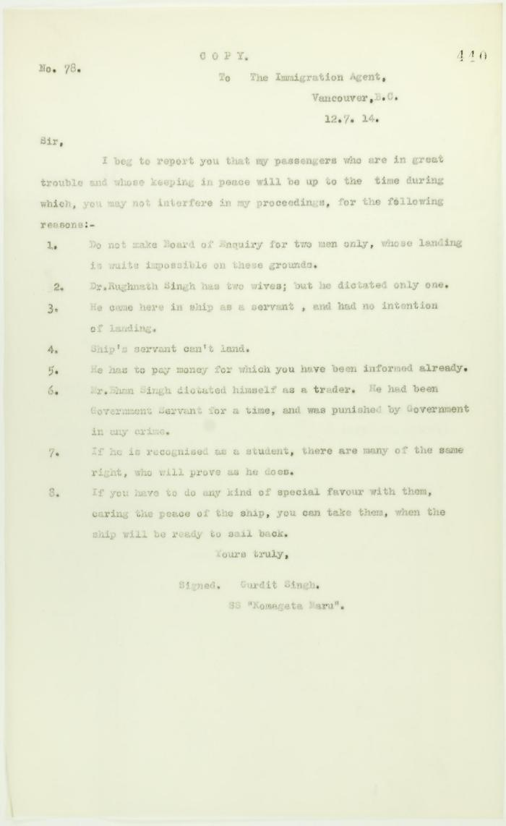
 | Copy of letter from Gurdit Singh to the Immigration Agent re special favours allegedly granted certain passengers (2021_07_10729) | Page 440
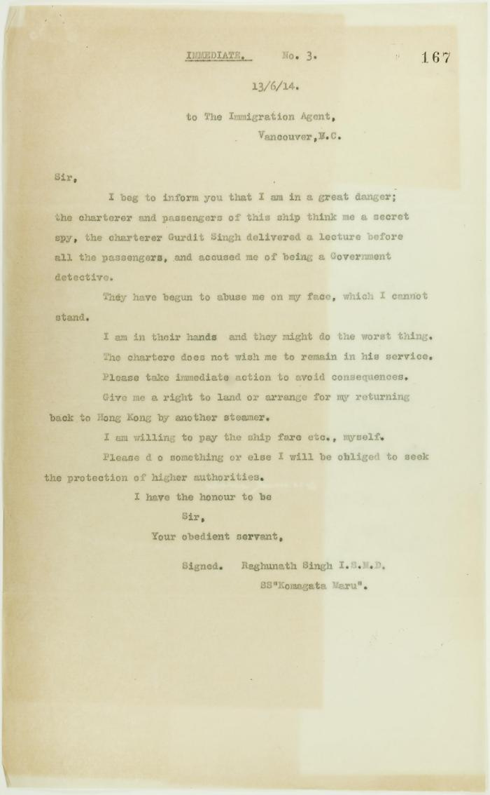
 | Copy of letter from Raghunath Singh requesting to be taken off the Komagatu Maru (2021_07_10707) | Page 167
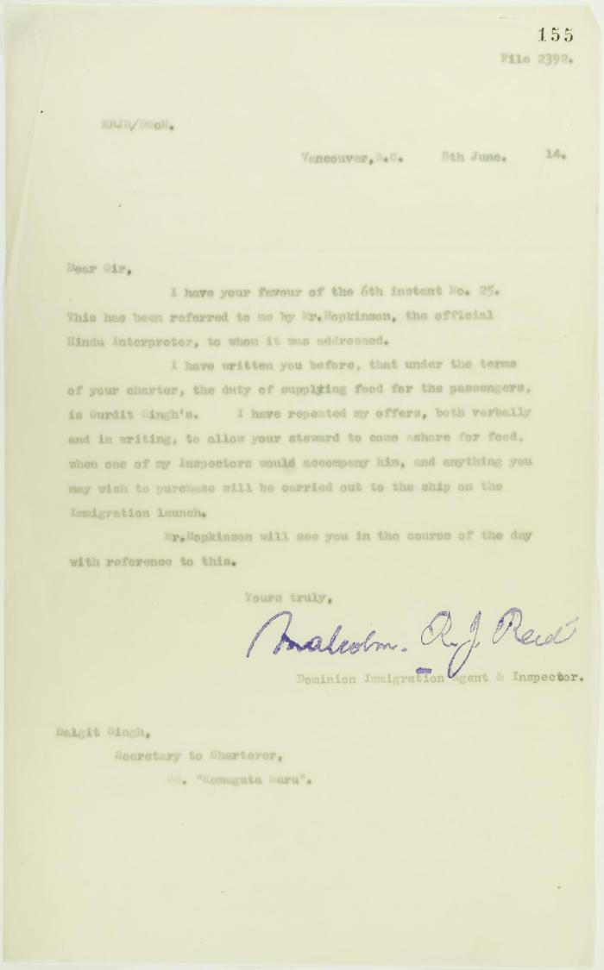
 | Copy of letter from Reid to Daljit Singh re responsibility for supplying food (2021_07_10682) | Page 155
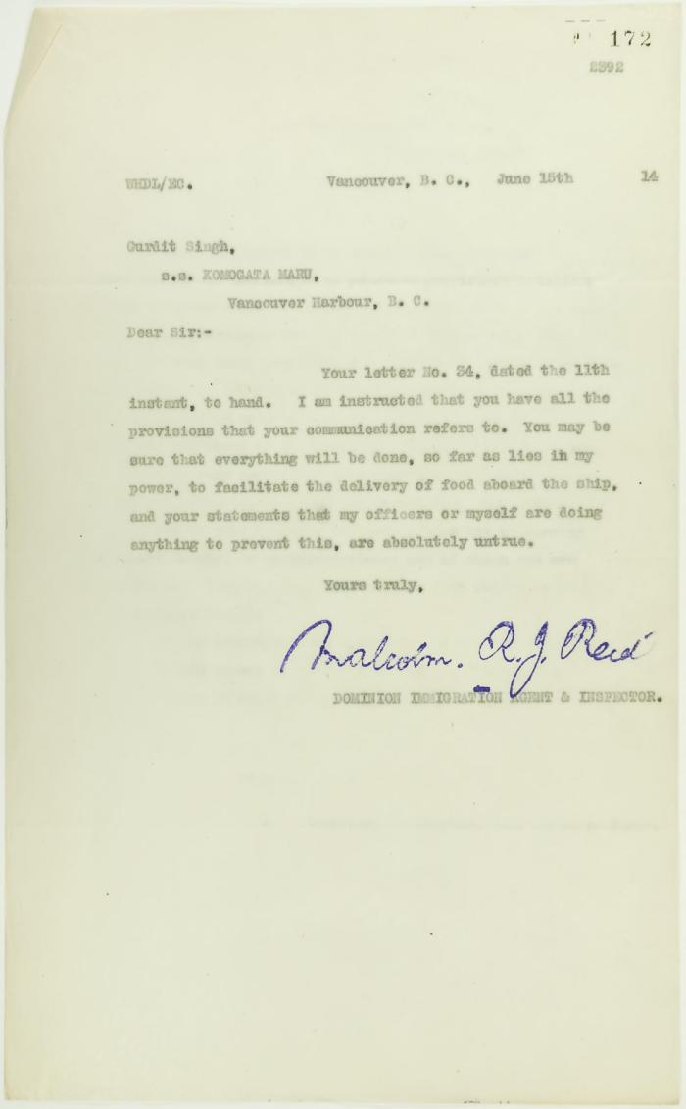
 | Copy of letter from Reid to Gurdit Singh re provisioning (2021_07_10690) | Page 172
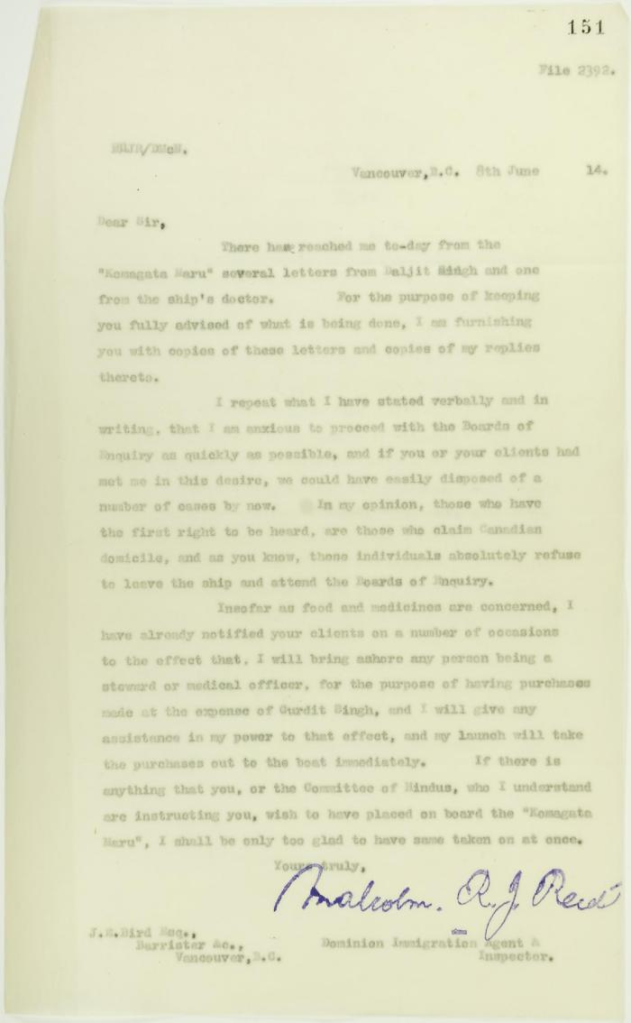
 | Copy of letter from Reid to J. E. Bird, council for the Hindus, re need for Board of Inquiry (2021_07_10678) | Page 151
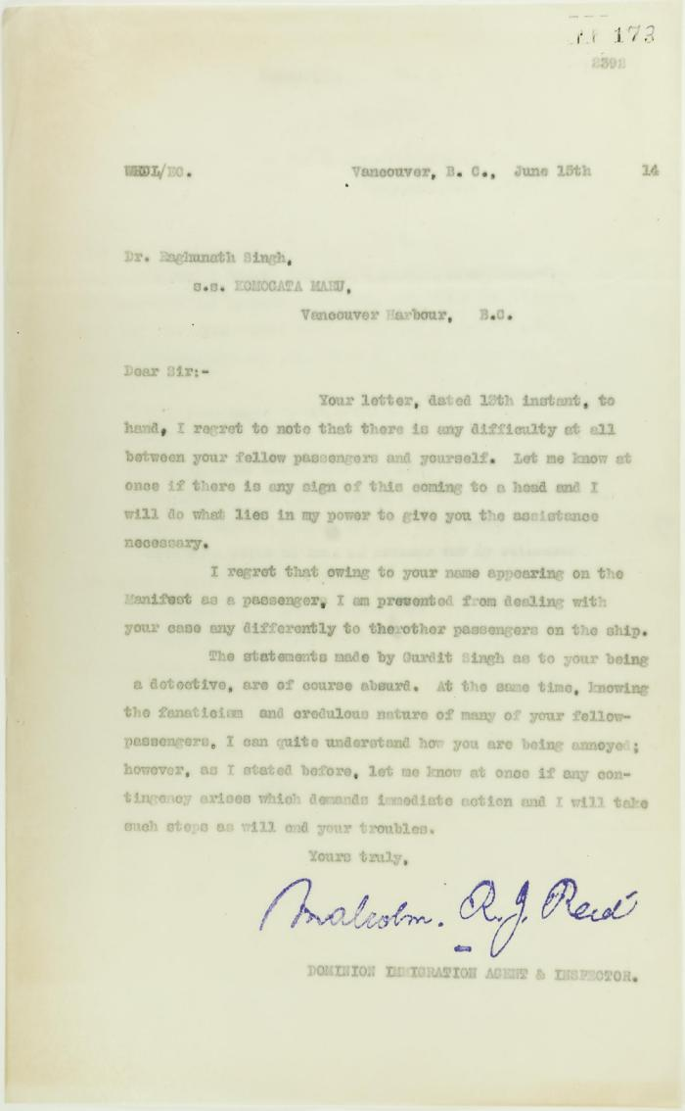
 | Copy of letter from Reid to Raghunath Singh (see p. 167) (2021_07_10691) | Page 173
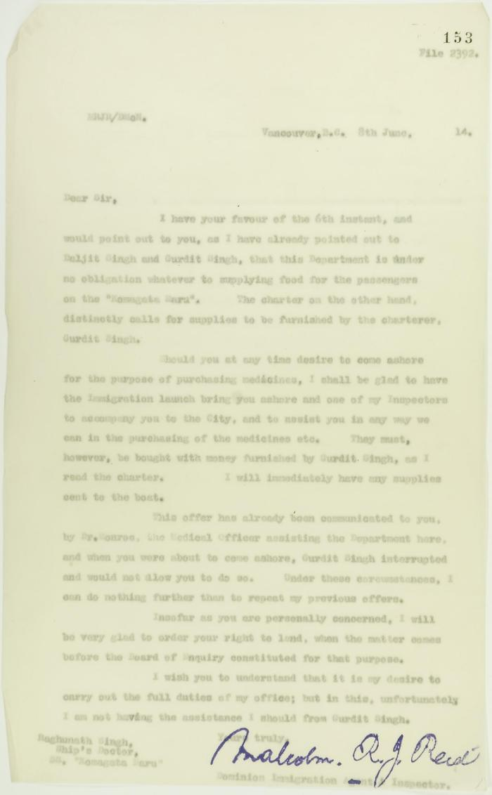
 | Copy of letter from Reid to Raghunath Singh, Ship's doctor, S. S. Komagatu Maru, re supplying of food and medicine (2021_07_10680) | Page 153
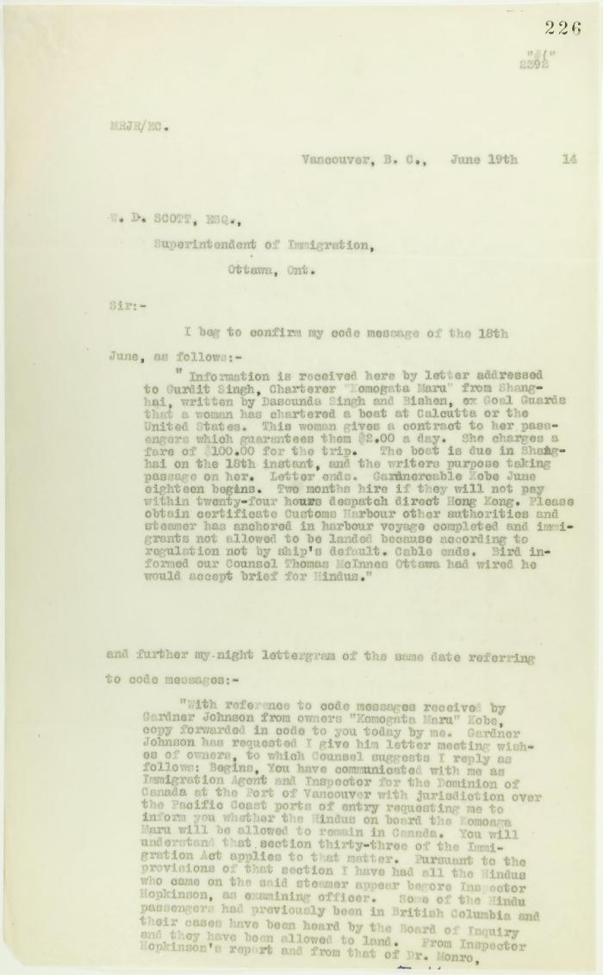
 | Copy of letter from Reid to W. D. Scott confirming wires. Page 1-2 (2021_07_9471) | Page 226-227
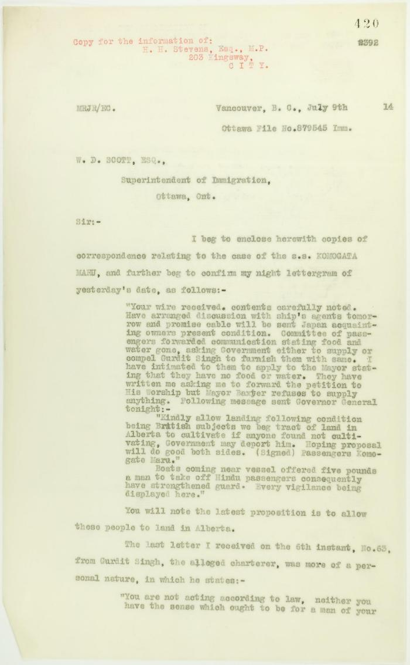
 | Copy of letter from Reid to W. D. Scott enclosing recent correspondence. Page 1-2 (2021_07_681) | Page 420-421

 | Copy of letter from Reid to W. D. Scott re activities of J. E. Bird. Page 1-3 (2021_07_324) | Page 409-411
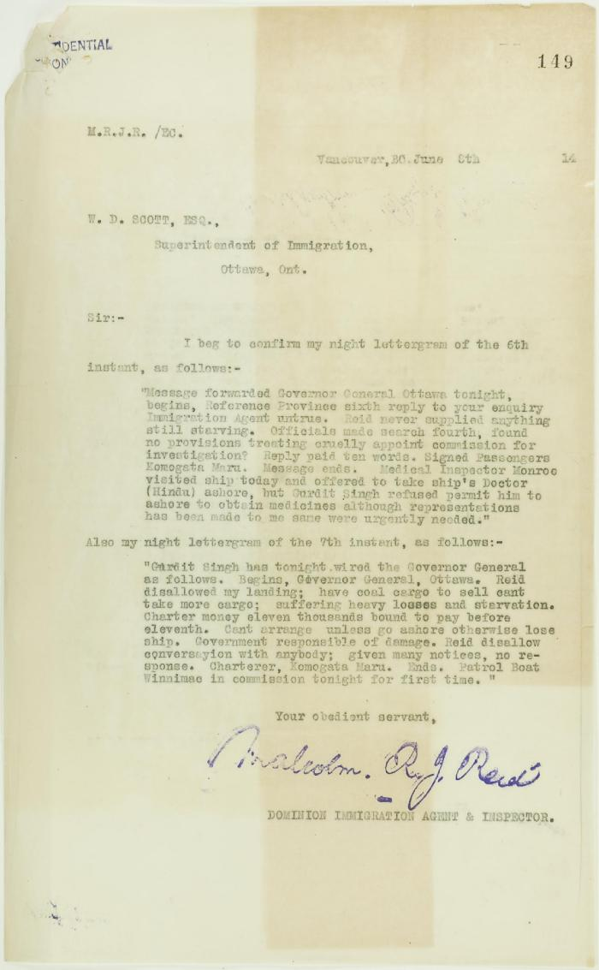
 | Copy of letter from Reid to W. D. Scott re allegations made by Daljit Singh (2021_07_10676) | Page 149
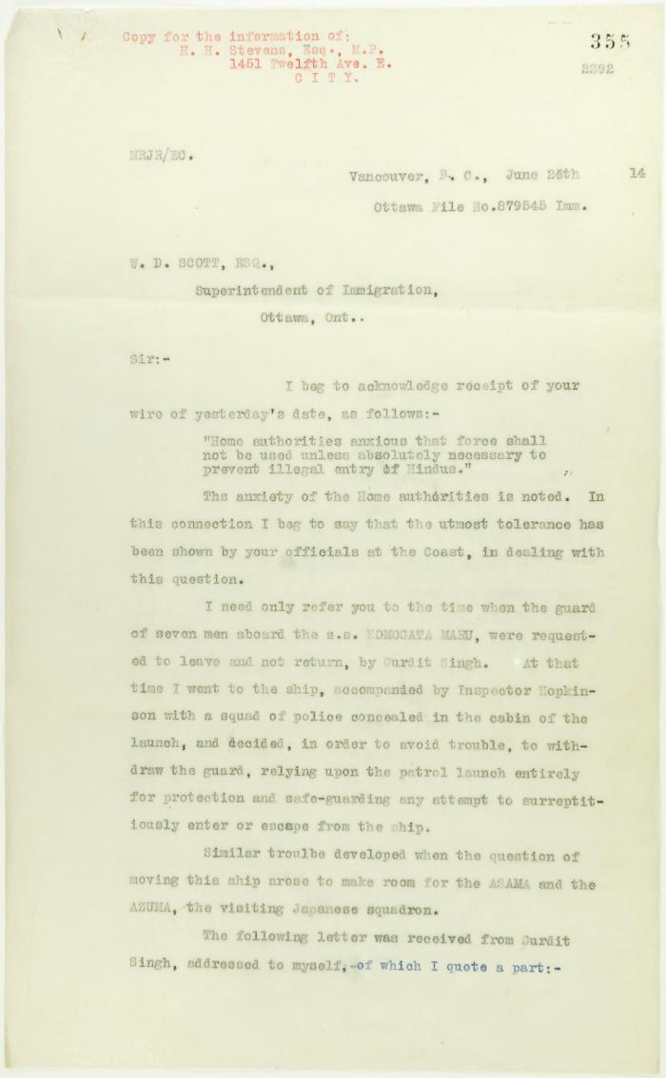
 | Copy of letter from Reid to W. D. Scott re inadvisability of use of force. Page 1-2 (2021_07_3) | Page 355-356
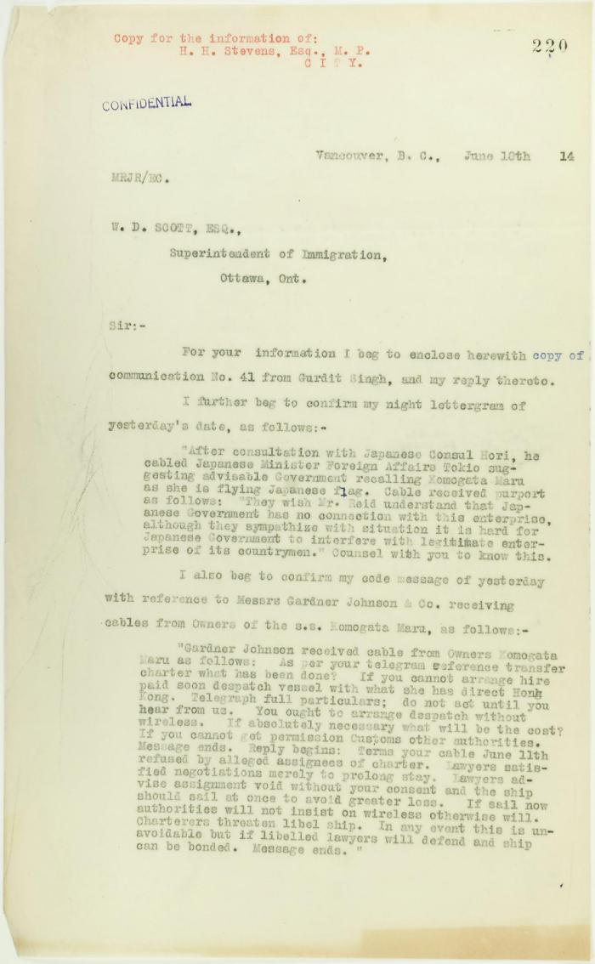
 | Copy of letter from Reid to W. D. Scott re Japanese Government's disclaiming of any connection with the Komagata Maru enterprise, also re possible attempt to set fire to the ship. Page 1-2 (2021_07_9465) | Page 220-221

 | Copy of letter from Reid to W. D. Scott re Japanese insistence that they had no connection with the enterprise, and enclosing correspondence re recent incidents. Page 1-5 (2021_07_298) | Page 381-385
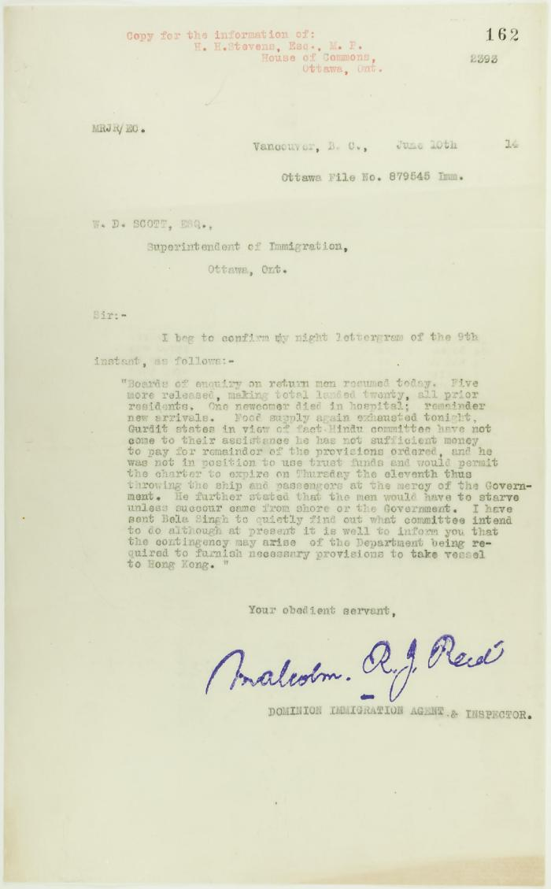
 | Copy of letter from Reid to W. D. Scott re landing of prior residents (2021_07_10686) | Page 162
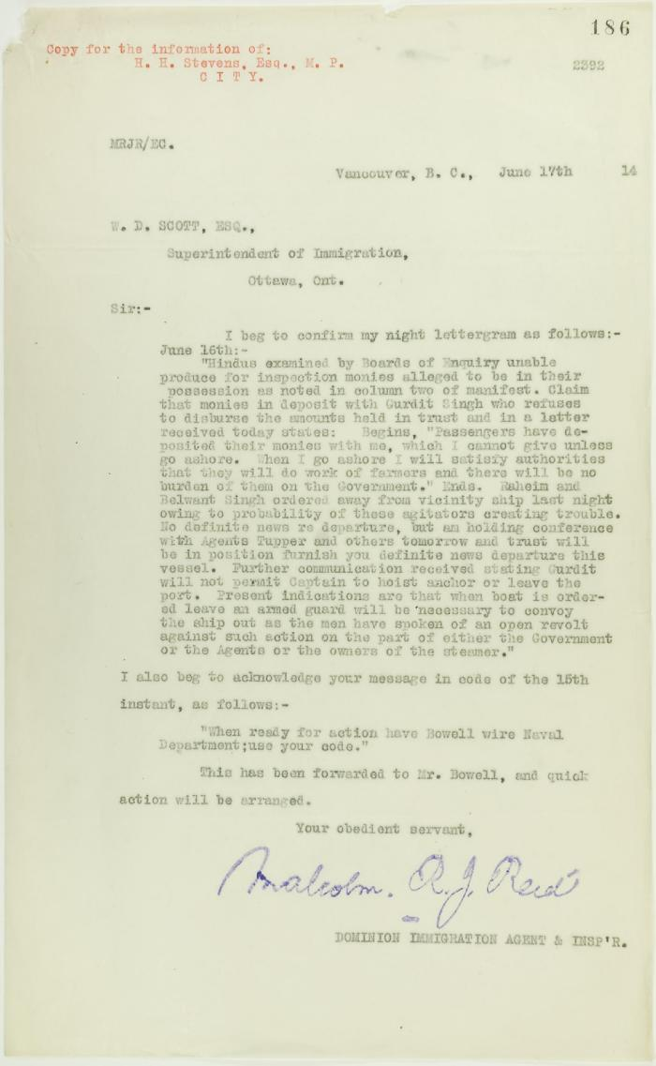
 | Copy of letter from Reid to W. D. Scott re money deposited with Gurdit Singh, and preparations to escort Komagatu Maru out of the port (2021_07_10693) | Page 186
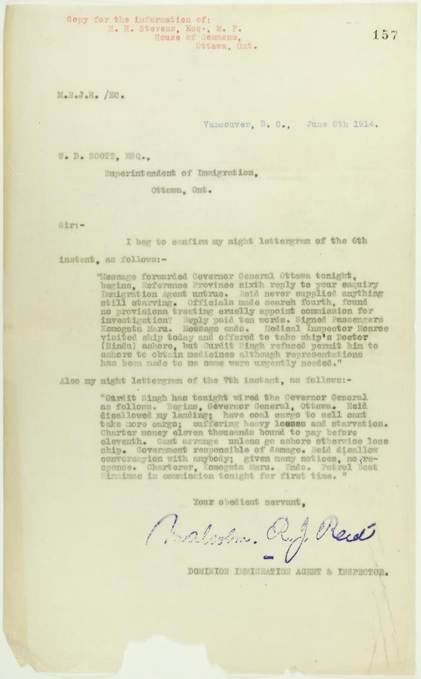
 | Copy of letter from Reid to W. D. Scott (see p. 149) (2021_07_10684) | Page 157
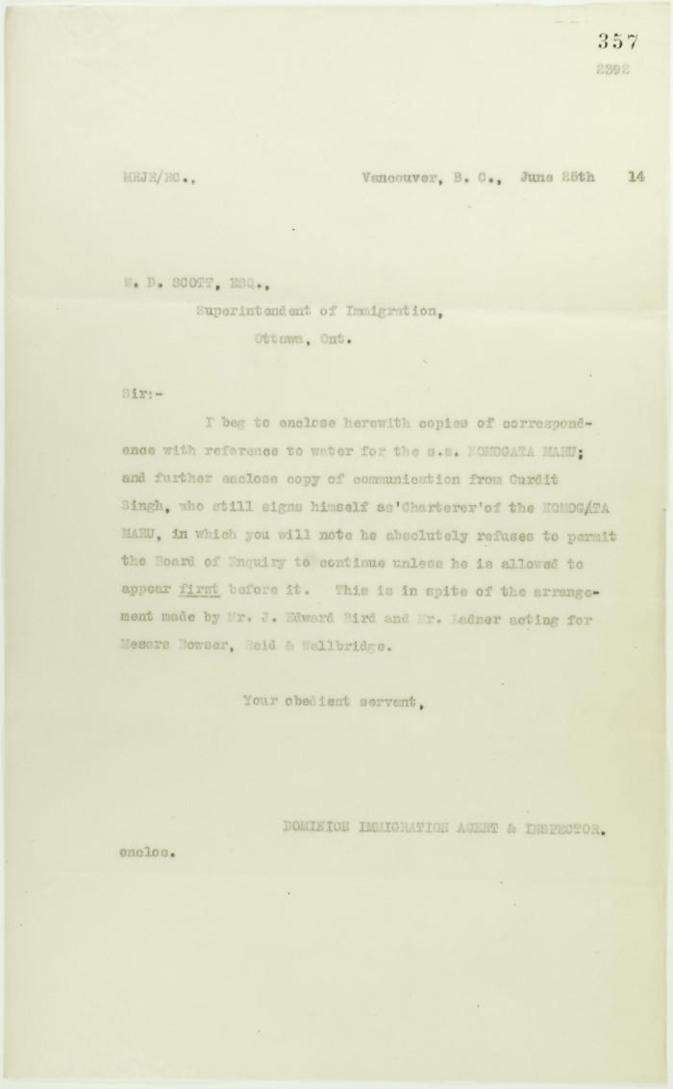
 | Copy of letter from Reid to W. D. Scott, sent with p. 353 and p. 354 (2021_07_10702) | Page 357
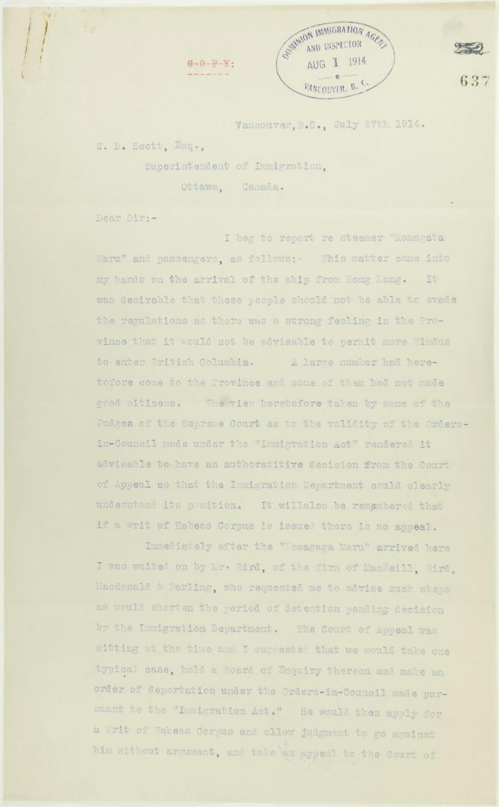
 | Copy of letter from R. L. Reid, Agent for the Minister of Justice, to W. D. Scott re procedure of the Boards of Enquiry, and the conduct of the officers of the Immigration Department. Page 1-6 (2021_07_2234) | Page 637-642
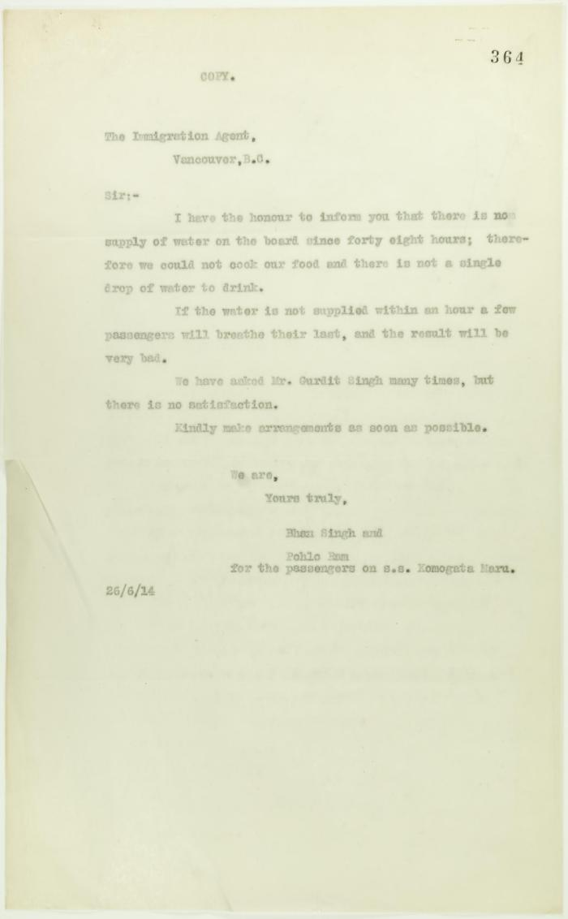
 | Copy of letter from the passengers on S. S. Komagatu Maru to the Immigration Agent re lack of water (2021_07_10708) | Page 364

 | [Copy of letters enclosed with pp. 409-411 - letter from Reid to W. D. Scott re activities of J. E. Bird] (2021_07_604) | Page 412-413
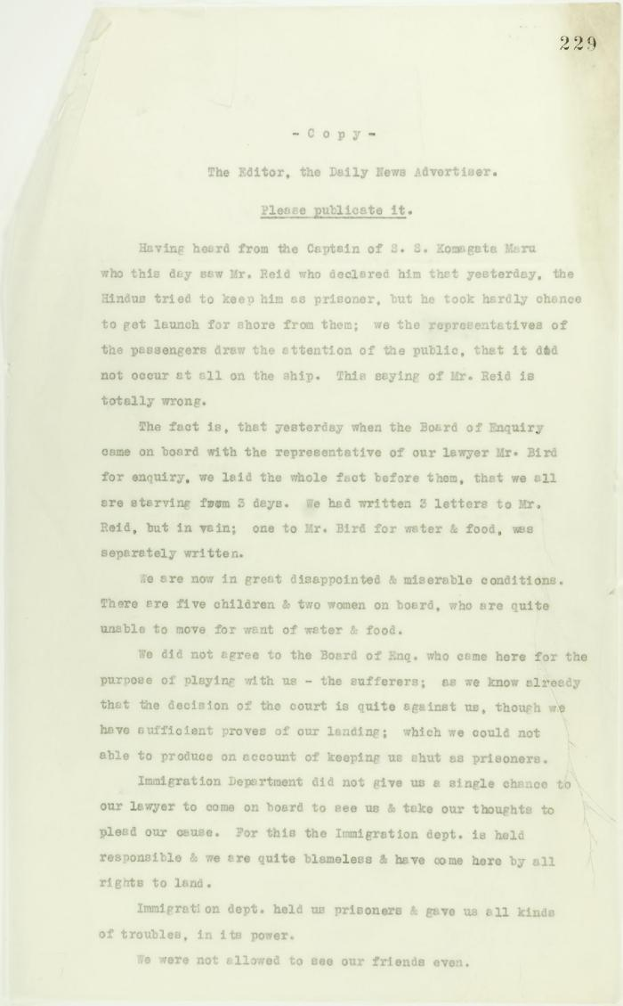
 | Copy of letter sent to Editor, The Daily News Advertiser, by passengers on board the Komagata Maru. Page 1-3 (2021_07_9475) | Page 229-231
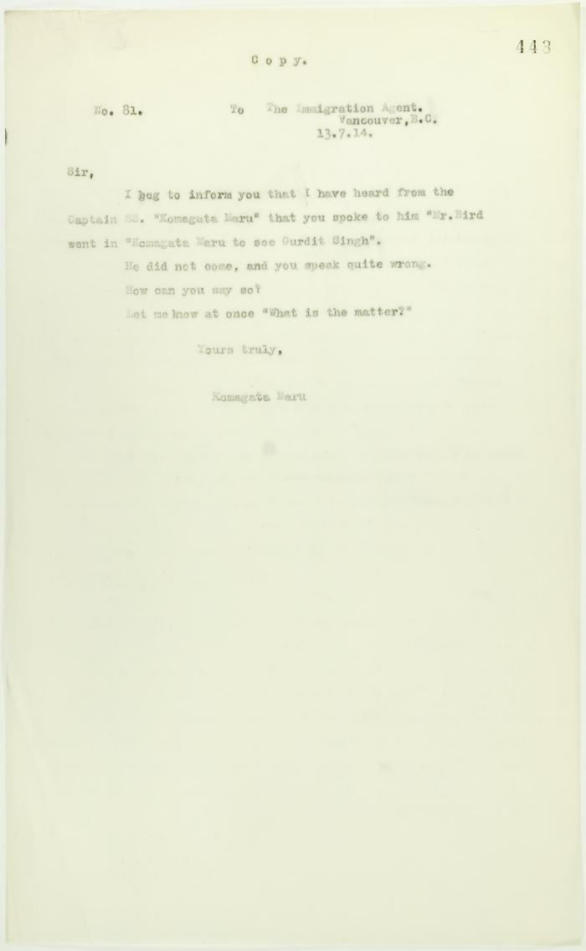
 | Copy of letter, unsigned, to the Immigration Agent (2021_07_10732) | Page 443
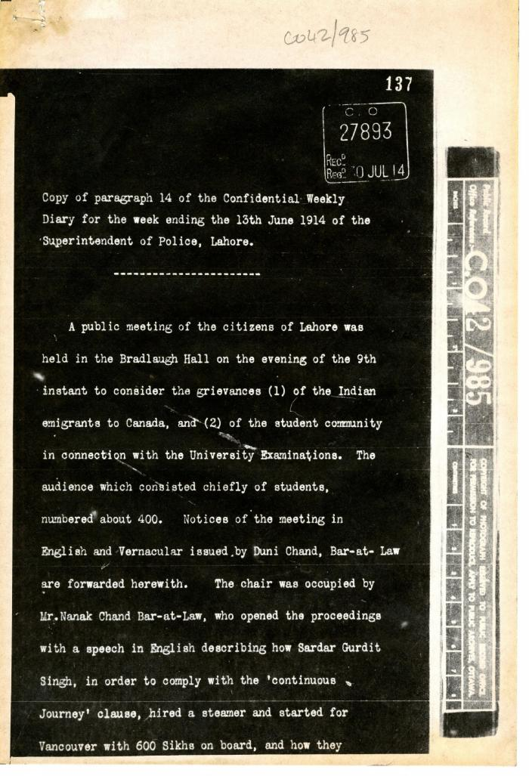
 | Copy of paragraph 14 of the Confidential Weekly Diary for the week ending the 13th June 1914 of the Superintendent of Police, Lahore (2021_07_4978) | The National Archives. CO 42/985

 | [Correspondence re recent incidents (see pp. 381-385)] Page 1-3 (2021_07_320) | Page 386-406
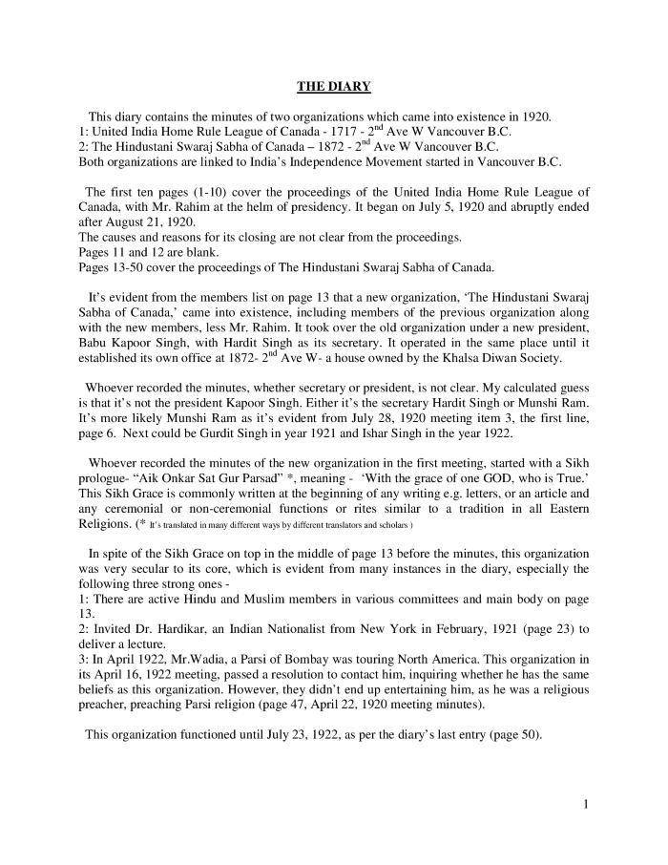
 | [Diary : United India Home Rule League of Canada and the Hindustani Swaraj Sabha - English translation] (2021_07_10919) | English translation of [Diary : United India Home Rule League of Canada and the Hindustani Swaraj Sabha], containing the minutes of two organizations which came into existence in 1920 in Vancouver: the United India Home Rule League of Canada and the Hindustani Swaraj Sabha of Canada. Both organizations are linked to India's Independence movement started in Vancouver, B.C.
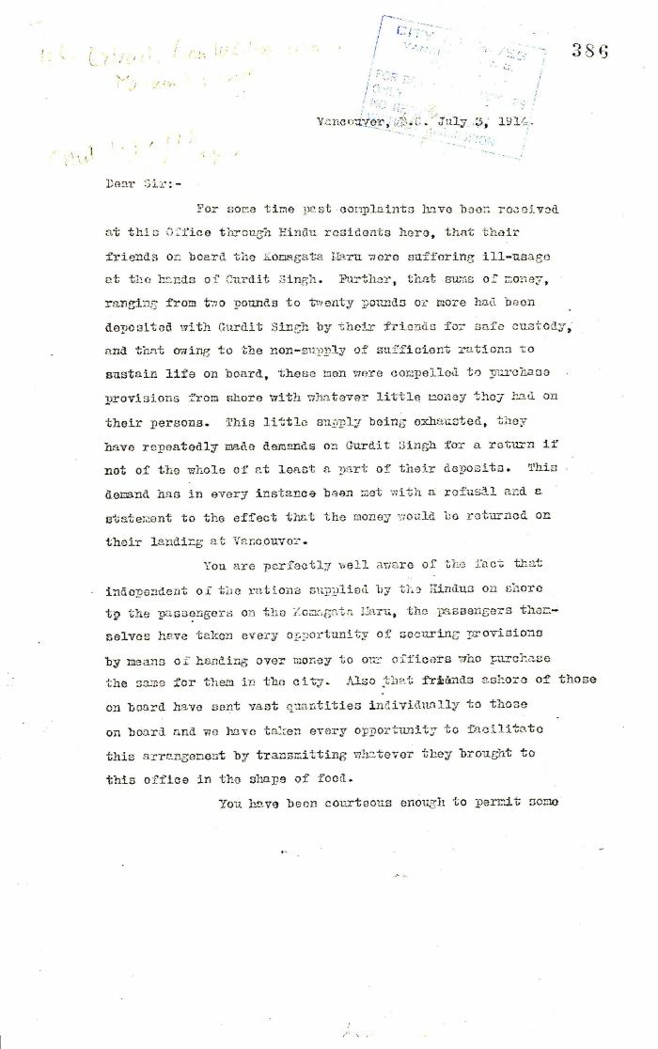
 | Extract from W. C. Hopkinson to Malcolm R. J. Reid (2021_07_5199) | Page 386-388

 | [Extract from William C. Hopkinson, Immigration Inspector, to William W. Cory, Deputy Minister of the Interior. Copy] (2021_07_4648) | Library and Archives Canada. RG7-G-21, Vol. 211, File 332 B
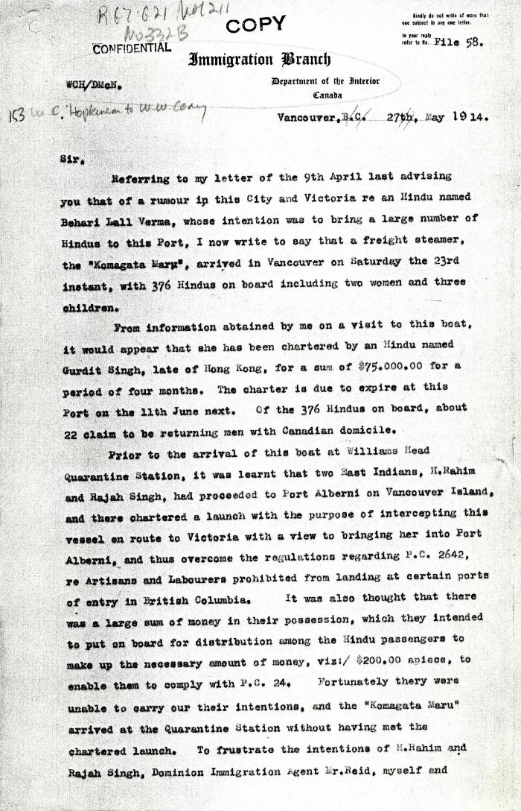
 | [Extract from William C. Hopkinson, Immigration Inspector, to William W. Cory, Deputy Minister of the Interior. Copy] (2021_07_4611) | Library and Archives Canada. RG7-G021, Vol. 211, File 332 B
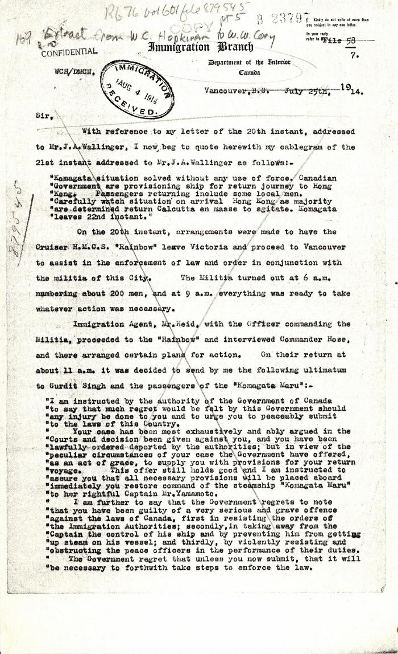
 | [Extract from William C. Hopkinson, Immigration Inspector, to William W. Cory, Deputy Minister of the Interior. Copy] (2021_07_4755) | Library and Archives Canada. RG76, File 879545, pt. 5
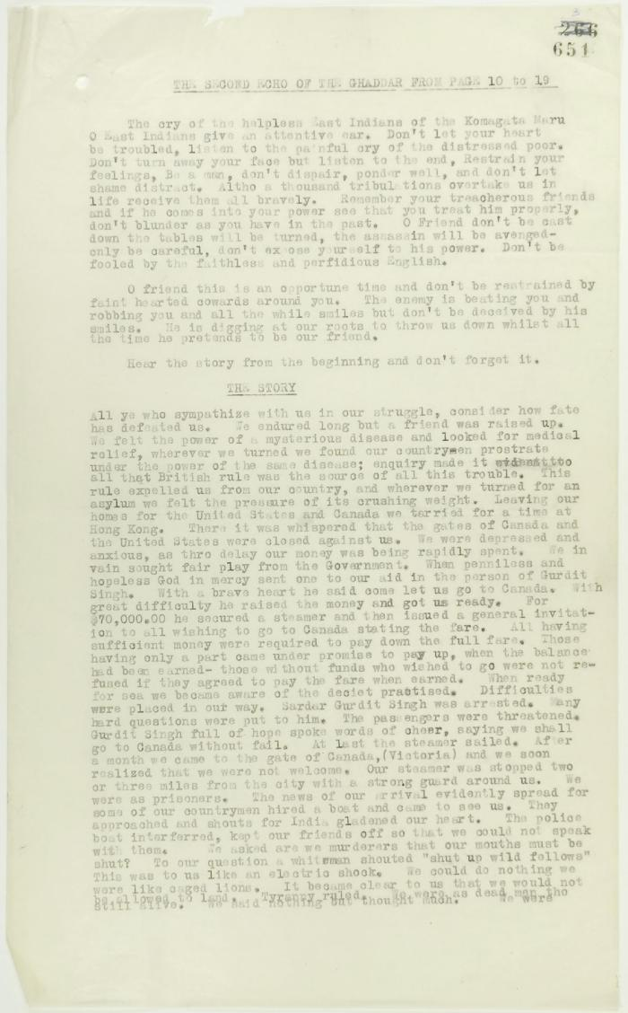
 | From the Second Echo of the Ghaddar (see p. 650). Page 1-3. Includes the message of the passengers of the Komagata Maru to their countrymen (2021_07_2300) | Page 651-655
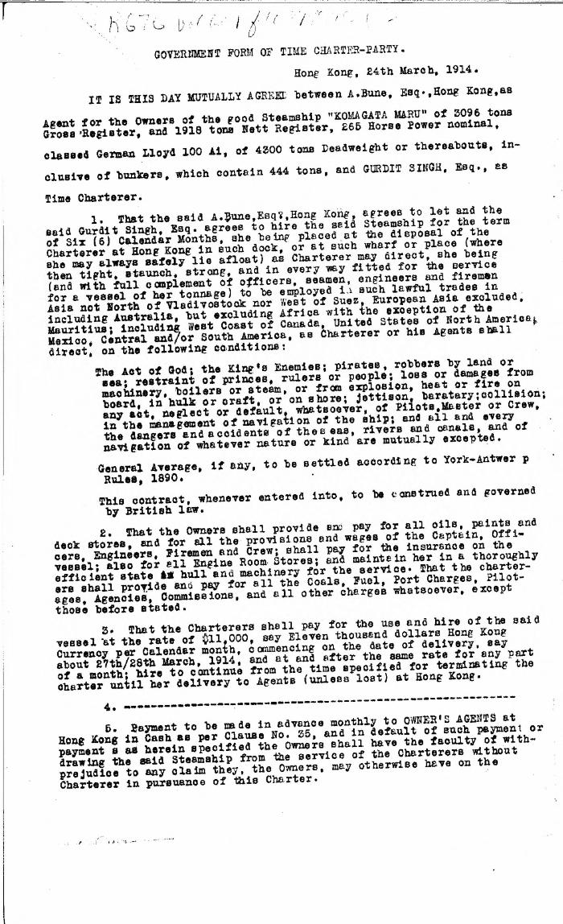
 | Government form of time charter-party, Hong Kong [Agreement between A. Bune, Agent for the Owners of the Komagata Maru, and Gurdit Singh, charterer] (2021_07_4568) | Library and Archives Canada. RG76, Vol. 601, File 879545, pt. 3
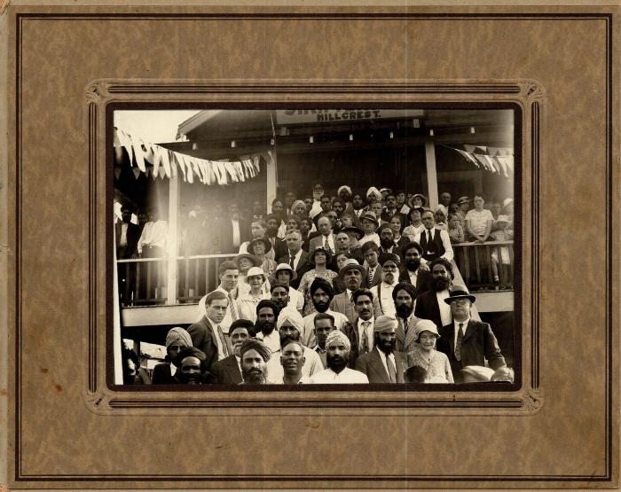 | [Group on the steps of Hillcrest Sikh Temple] (2021_07_10286)
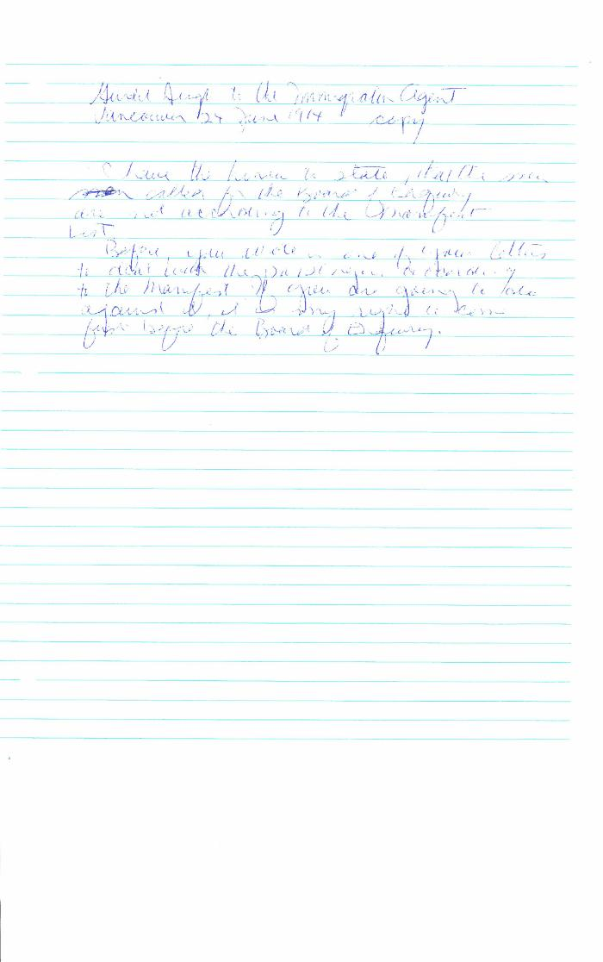
 | Gurdit Singh to the Immigration Agent, Vancouver (2021_07_10331) | Library and Archives Canada. RG76, Vol. 261, File 875456, pt. 3
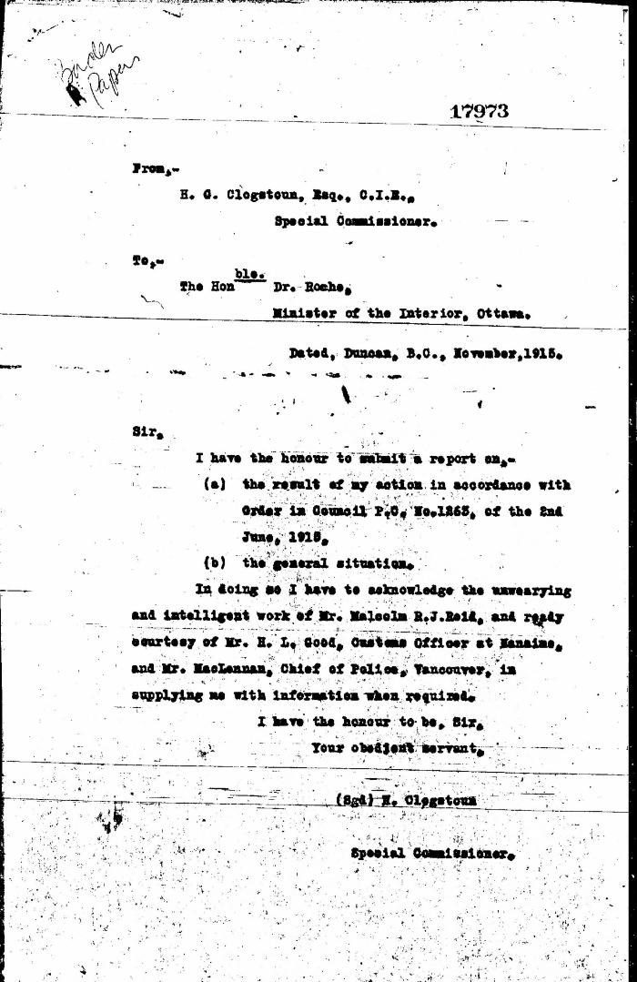
 | [Herbert C. Clogstoun, Special Commissioner. Report to Dr. William J. Roche, Minister of the Interior, on Mission to Vancouver re PC 1265 of 2 June, 1915, with respect to Komagata Maru] (2021_07_5377) | Library and Archives Canada. Borden Papers, 17838-17869, 17973-17978
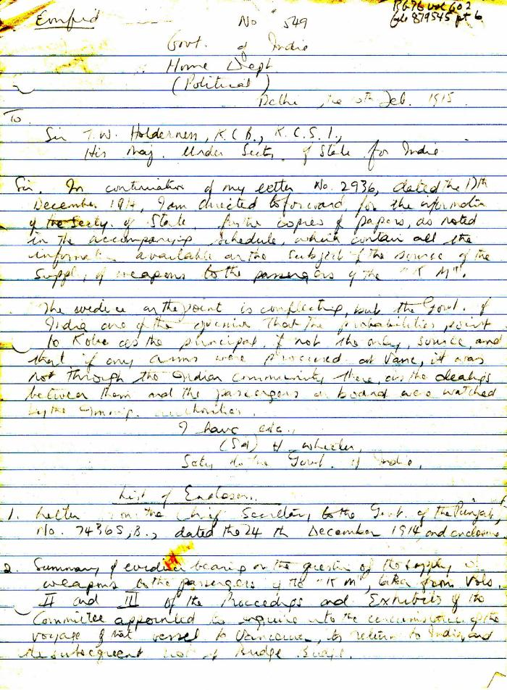
 | [H. Wheeler, Secretary to the Government of India, to T. W. Holderness, Under-Secretary of State for India] (2021_07_5034) | Library and Archives Canada. RG76, Vol. 602, File 879545, pt. 6. Handwritten transcript
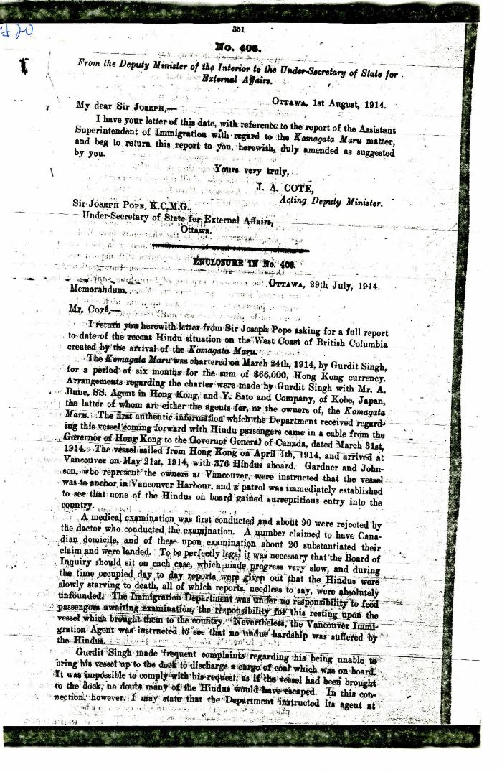
 | [J. A. Cote, Acting Deputy Minister of the Interior, to Sir Joseph Pope. Under-Secretary of State for External Affairs, enclosing Memorandum from E. Blake Robertson, Assistant Superintendent of Immigration, to Cote] (2021_07_4981)
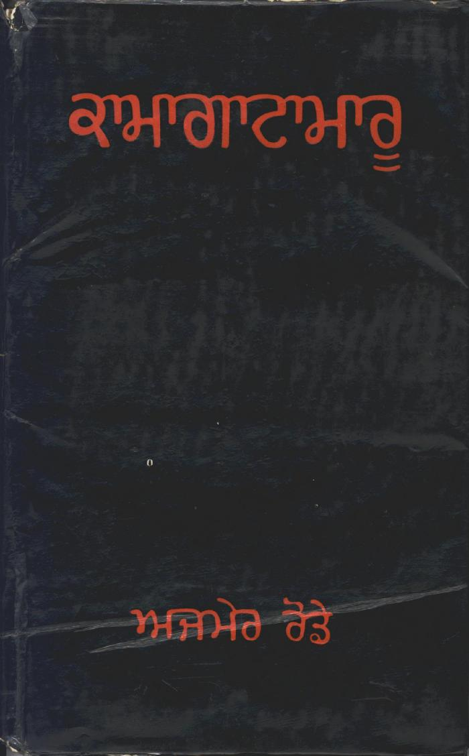
 | Kamagata Maru (full play) (2021_07_1495)
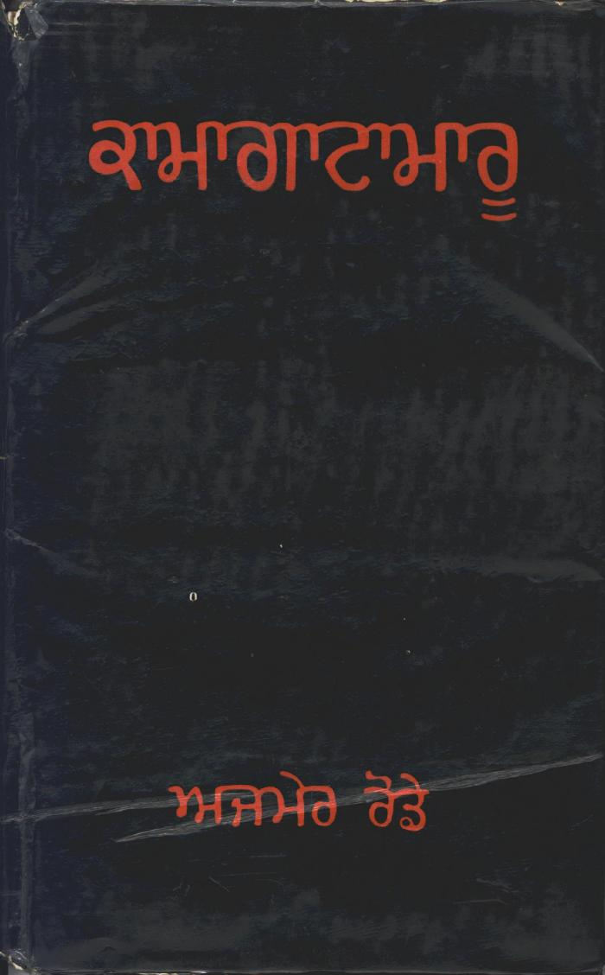
 | Kamagata Maru (full play) (2021_07_1878)
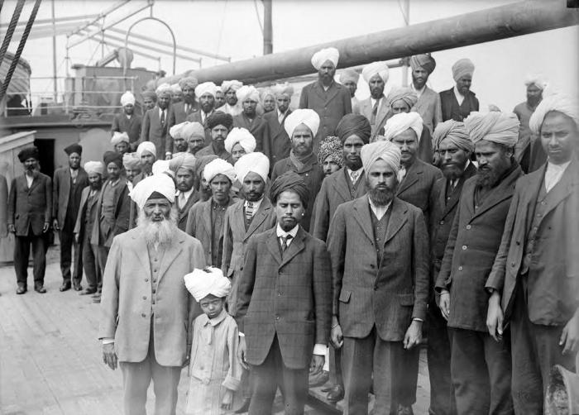 | Komagata Maru incident [Gurdit Singh with passengers] (2021_07_10537) | Vancouver Public Library. Accession number 6231,Frank, Leonard;Frank, Leonard
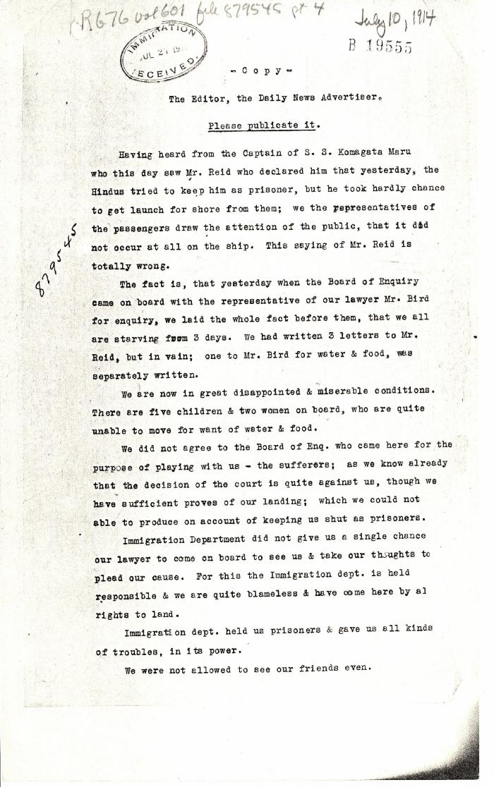
 | [Komagata Maru passengers committee to the Editor, the Daily News Advertiser, Vancouver] (2021_07_4682) | Library and Archives Canada. RG76, Vol. 601, File 879545, pt. 4

 | Letter from Daljit Singh to Reid re provisions (2021_07_10926) | Page 425

 | Letter from H. W. Gwyther, Interpreter, to Malcolm R. J. Reid re Gwyther's visit to the Komagata Maru (2021_07_10924) | Page 423

 | Letter from Passengers Committee to Reid re placement in Alberta (2021_07_10925) | Page 424

 | Letter from Passengers Committee to Reid re provisions (2021_07_10927) | Page 426
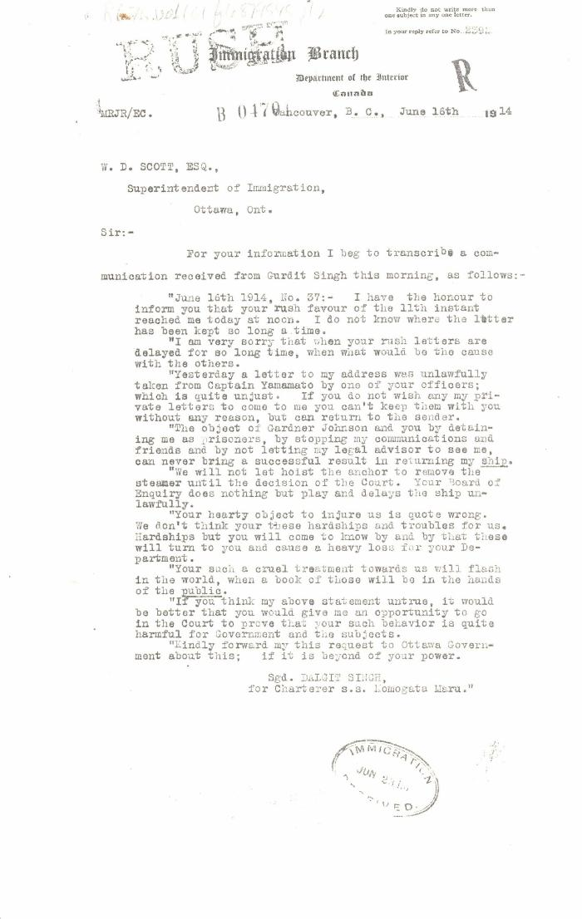
 | [Malcolm R. J. Reid, Dominion Immigration Agent, to William D. Scott, Superintendent of Immigration. Original] (2021_07_4652) | Library and Archives Canada. RG76, Vol. 601, File 879545, pt. 2
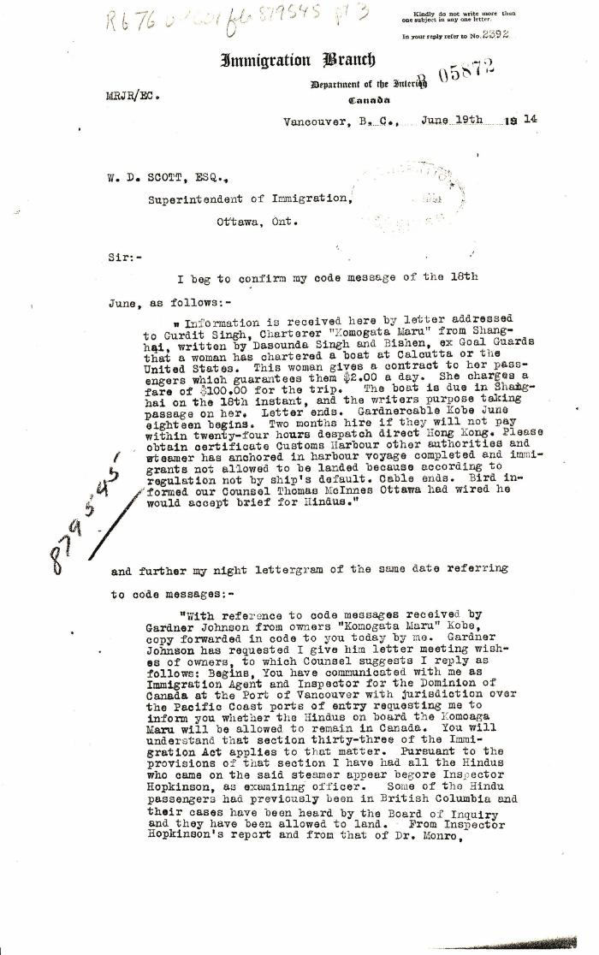
 | [Malcolm R. J. Reid, Dominion Immigration Agent, to William D. Scott, Superintendent of Immigration. Original] (2021_07_4659) | Library and Archives Canada. RG76, Vol. 601, File 879545, pt. 3
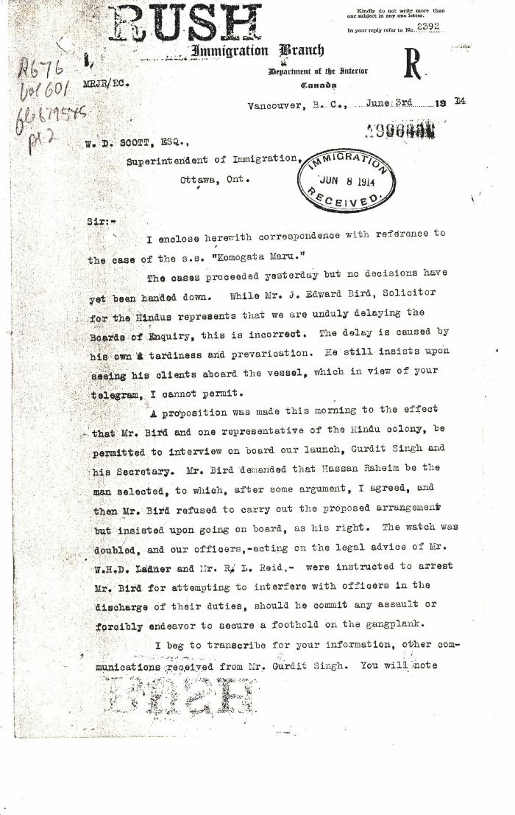
 | [Malcolm R. J. Reid, Dominion Immigration Agent, to William D. Scott, Superintendent of Immigration. Original] (2021_07_4624) | Library and Archives Canada. RG76, Vol. 601, File 879545, pt. 2
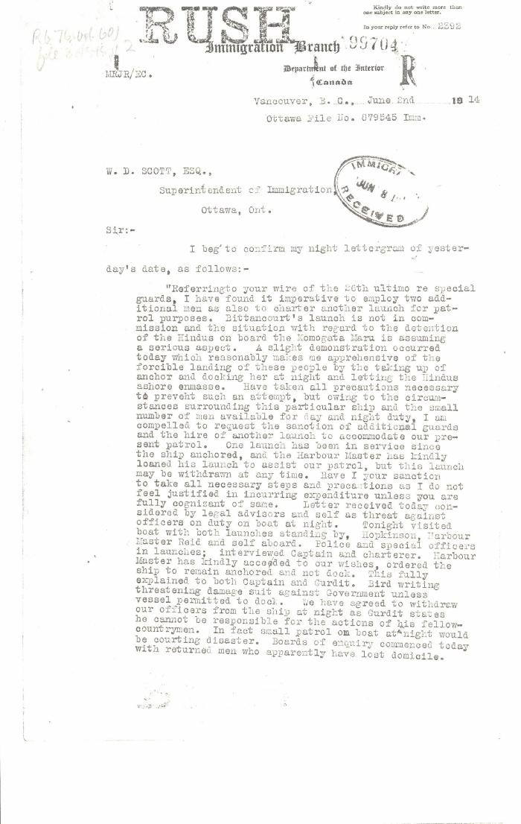
 | [Malcolm R. J. Reid, Dominion Immigration Agent, to William D. Scott, Superintendent of Immigration. Original] (2021_07_4620) | Library and Archives Canada. RG76, Vol. 601, File 879545, pt. 2

 | Minutes of a Hindu mass meeting held in Dominion Hall. Page 1-21 (2021_07_9506) | Page 238-259
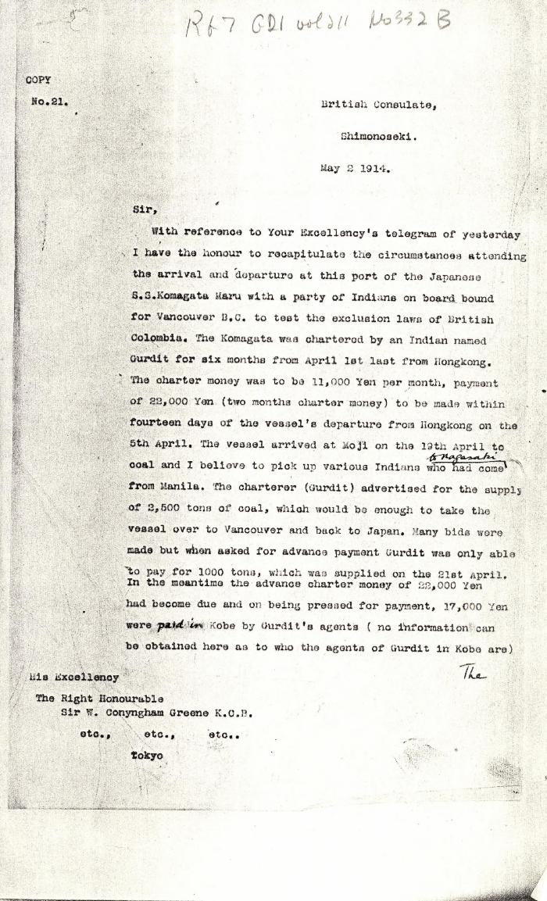
 | [M. Paske Smith, British Consulate, Shimonoseki, to Sir William Conyngham Greene, British Ambassador to Japan, Tokyo. Copy] (2021_07_4949) | Library and Archives Canada. RG7-G-21, Vol. 211, No. 332 B
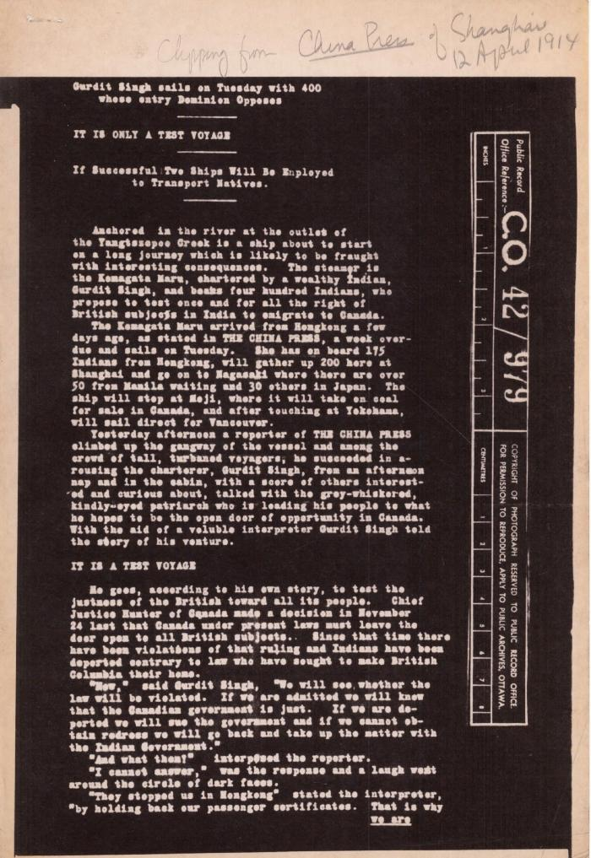
 | Newsclipping - China Press of Shanghai: Gurdit Singh sails on Tuesday with 400 whose entry Dominion opposes (2021_07_5506) | The National Archives, United Kingdom. CO 42/979
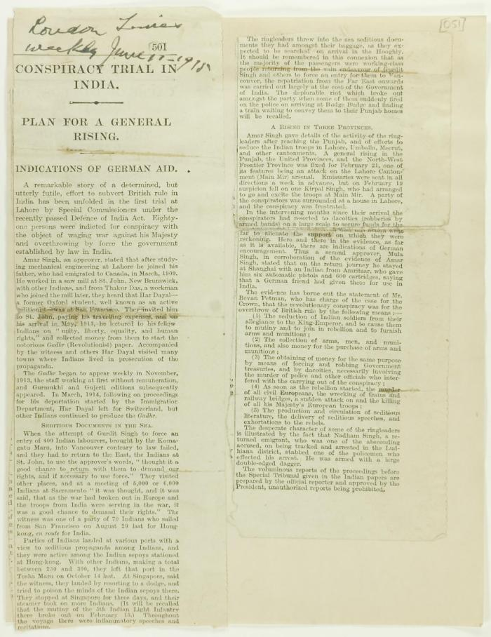
 | Newsclipping - Conspiracy trial in India (2021_07_10787)

 | Newsclipping: Hindus to try renewal of Canadian invasion (2021_07_10532) | US Immigration Department

 | Newsclipping - Komagata Maru leaves for here (2021_07_5055)

 | Newsclipping - Montreal Daily Star: Officials watch Japanese steamer; All precautions taken (2021_07_10426) | US Immigration Department

 | Newsclipping - Pioneer Mail: Current comments (2021_07_10441)

 | Newsclipping - Pioneer Mail: The Komagata Maru: how the ship was chartered (2021_07_10437) | Library and Archives Canada. Borden Papers

 | Newsclippings - Happily ended; Stevens speaks in defence of Dominion Gov't; Hindus' lawyer had suggestion of settlement (2021_07_10792)

 | Newsclippings - Vancouver Daily Province: Full instructions coming tomorrow; Against alien labor; Sang the doxology when license refused (2021_07_10784)

 | Newsclippings - Vancouver Daily Province: Hindus threw up their hands late today: ready to sail back and renew the fight in India; Found Hindus very active in London; Trouble occurs on Hindu liner (2021_07_5515) | The National Archives, United Kingdom. CO 42/979

 | Newsclipping - The Bengalee: The Budge-Budge riot: coroner's inquest (2021_07_5095)

 | Newsclipping - The Bengalee: The Budge-Budge riot: further details (2021_07_5085)

 | Newsclipping - The Bengalee: The Budge-Budge riot; Mr. Gurdit Singh's charter (2021_07_5082)

 | Newsclipping - The Bengalee: The lesson from Budge-Budge (2021_07_5091)

 | Newsclipping - The Japan Gazette: Ship full of Indians for Canada (2021_07_10433) | Library and Archives Canada. RG7-G-21, Vol. 211, No. 332 B
 | Newsclipping - Two attempts to get the five marooned Hindus back on the Komagata Maru (2021_07_10795)

 | Newsclipping - Vancouver Daily Province: Extra! Hindus finally replay they are ready to surrender rather than chance a fight (2021_07_5162)

 | Newsclipping - Vancouver Daily Province: Gurdit Singh decides to quit: will give up contest and go (2021_07_10494)

 | Newsclipping - Vancouver Daily Province: Gurdit Singh won't pay up: what will Komagata do now? Page 1 (2021_07_10479)

 | Newsclipping - Vancouver Daily Province: Hindus' ship can not show bill of health (2021_07_5132)

 | Newsclipping - Vancouver Daily Province: Is bound to feed seditious flames (2021_07_10481)

 | Newsclipping - Vancouver Daily Province: Lawyers engaged in Hindu tangle. Page 1 (2021_07_10484)

 | Newsclipping - Vancouver Daily Province: Live and let live (2021_07_10495)

 | Newsclipping - Vancouver Daily Province: Local Hindus offer the money. Page 1 (2021_07_10483)

 | Newsclipping - Vancouver Daily Province: Maru slips out of the harbor at the hour set (2021_07_5168)

 | Newsclipping - Vancouver Daily Province: [re Gurdit Singh] (2021_07_5512) | The National Archives, United Kingdom. CO 42/979
 | Newsclipping - Vancouver Daily Province: To keep Asiatics out of the Dominion (2021_07_5138)
 | Newsclipping - Vancouver Daily Province: Would not allow Hindus back on the vessel (2021_07_5153)
 | Newsclipping - Vancouver News-Advertiser: Hindus' case is before Premier. Page 1 (2021_07_10500)

 | Newsclipping - Vancouver News-Advertiser: To finally wind up Komagata Maru case. Page 1 (2021_07_10472)
 | Newsclipping - Vancouver World: Bluejackets will board S. S. Komagata (2021_07_5180)

 | Newsclipping - Vancouver World: Mutineers prepared to repel boarders with kerosene bombs (2021_07_5183)

 | Precis [Short precis of Dr. Rughunath Singh's report, by Lieut. Col. D. D. Phillott] (2021_07_4984) | The National Archives. CO 42/985

 | Rough notes of incidents re visit to the Maru, an incident at the Sikh Temple and damage to the Sea Lion. Page 1-4 (2021_07_2078) | Page 633-636
  | Sikh men and boy onboard the Komagata Maru (2021_05_040) | Image of Gurdit Singh (front) and his son Balwant, and other unidentified men aboard the Komagata Maru. To their left are Daljit Singh Kauni, Puran Singh Janetpur, and Baba Garmukh Singh Lalton.
 | So near and yet so far (2021_07_10815)
 | S. S. 'Komagata Maru' (2021_07_10612) | City of Vancouver Archives. Item number CVA 7-123
 | Statement to J. E. Bird waiving Boards of Inquiry signed by Gurdit Singh and Passengers Committee (2021_07_10929)

 | The Hindustanee. Vol. 1, no. IV (2021_07_2047) | Taken from a scrapbook created by Arjan Singh Chand.

 | The Hindustanee. Vol. 1, no. V (2021_07_2069) | Taken from a scrapbook created by Arjan Singh Chand.

 | The Voyage of the Komagata Maru: The Sikh Challenge to Canada's Colour Bar (2021_07_10930) | Hugh Johnston provided the first thoroughly researched study of the Komagata Maru event, basing his analysis on official accounts from both Canadian and Indian sources, as well as on the reminiscences of the only passenger still alive at the time the book was written. This book is still the landmark text on the Komagata Maru and diligently outlines the life for Indians at the turn of the 20th century, the reasons for chartering the Komagata Maru, revolutionary movements in North America, the riot at Budge Budge and the lives of many of the key players after the events of the Komagata Maru.

 | [Translation of a letter from Nanak Singh to Duleep Singh, and from Harnam Singh to Duleep Singh] (2021_07_10378) | Library and Archives Canada. RG7-G-21, No. 332 B, vol. 1 (a)

 | Voyage of Komagatamaru or India's Slavery Abroad (2021_07_8343)

 | [William C. Hopkinson, Immigration Inspector, to William W. Cory, Deputy Minister of the Interior. Copy] (2021_07_4641) | Library and Archives Canada. RG76, Vol. 601, File 879545, pt. 2

 | [William C. Hopkinson, Immigration Inspector, to William W. Cory, Deputy Minister of the Interior. Copy] (2021_07_4678) | Library and Archives Canada. RG76, Vol. 601, File 879545, pt. 3

 | [William D. Scott, Superintendent of Immigration, Memorandum to Mr. Mitchell] (2021_07_4630) | Library and Archives Canada. RG76, Vol. 601, File 879545, pt. 1

 | [William D. Scott, Superintendent of Immigration, Memorandum to William W. Cory, Deputy Minister of the Interior] (2021_07_4634) | Library and Archives Canada. RG76, Vol. 601, File 879545, pt. 2

