Results
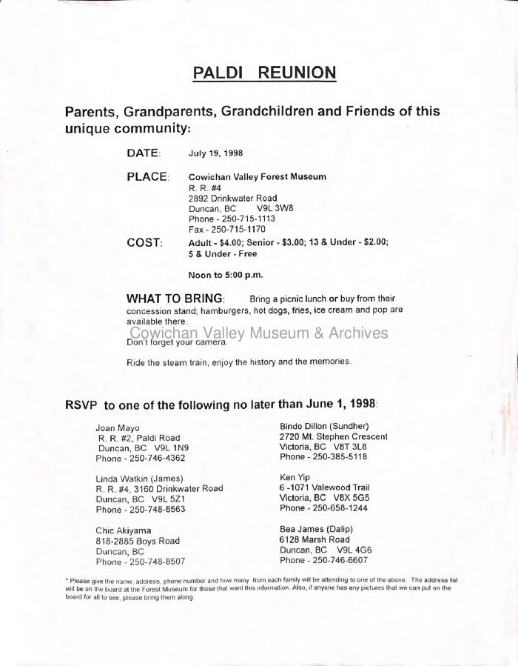
Image | Object | Description | Date
 | Paldi Reunion (2020_06_01_026) | This document is an open invitation to the Paldi reunion in 1998. Contents include date. place, cost, what to bring and how to RSVP for the event.
 | [Wedding invitation for Nona and Narendra] (2020_06_03_001) | Wedding invitation sent to Joan and Rajindi Mayo by Apjit and Paramjit Bassi on behalf of their daughter Nona.
 | [Wedding invitation for marriage of Dr. Sheila Manhas to Dr. Ravi Raj Parmer and Dr. Sharan Manhas to Dr. Neal Prakash] (2020_06_03_003) | Wedding sent to Rajindi and Joan Mayo for the marriage of Dr. Sheila Manhas to Dr. Ravi Raj Parmar and Dr. Sharan Manhas to Dr. Neal Prakash.
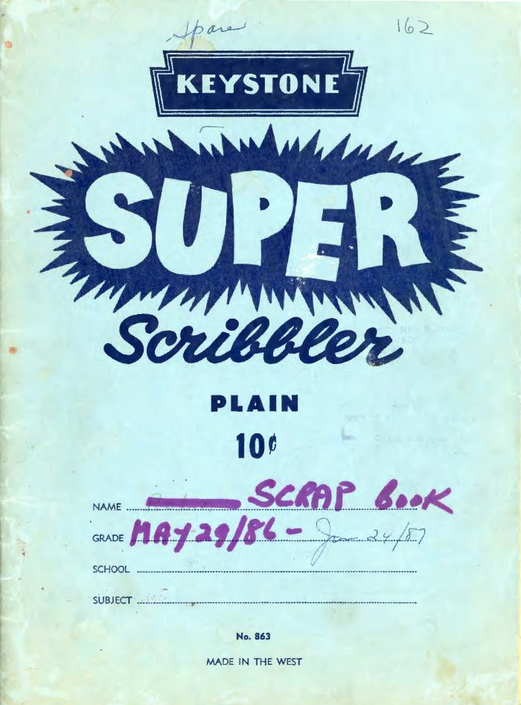
 | [Cover page of Joan Mayo's Scrapbook-1] (2020_06_07_01_001) | Cover page of Joan Mayo's Scrap book from May 29, 1986 to June 24, 1987.
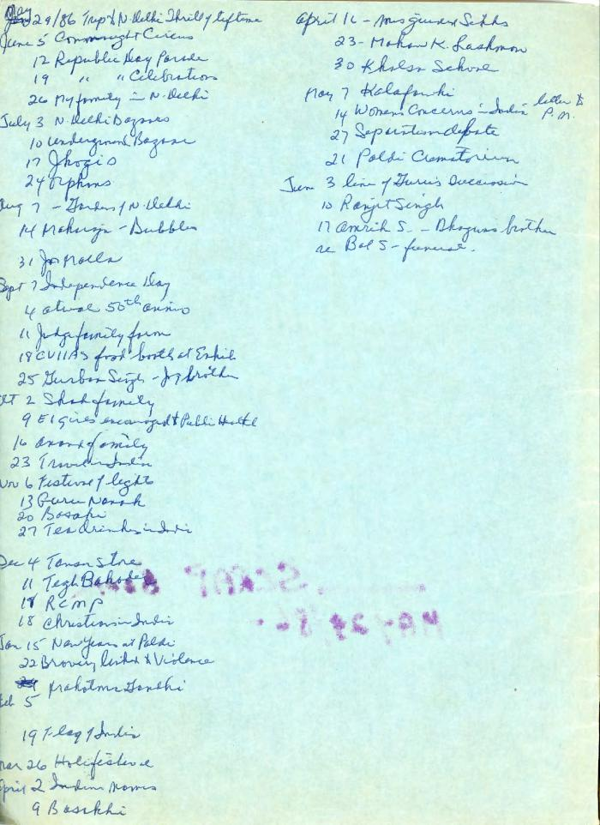
 | [Table of contents of Joan Mayo's Scrapbook-1] (2020_06_07_01_002) | Table of contents of Joan Mayo's Scrapbook from May 29, 1986 to June 24, 1987.
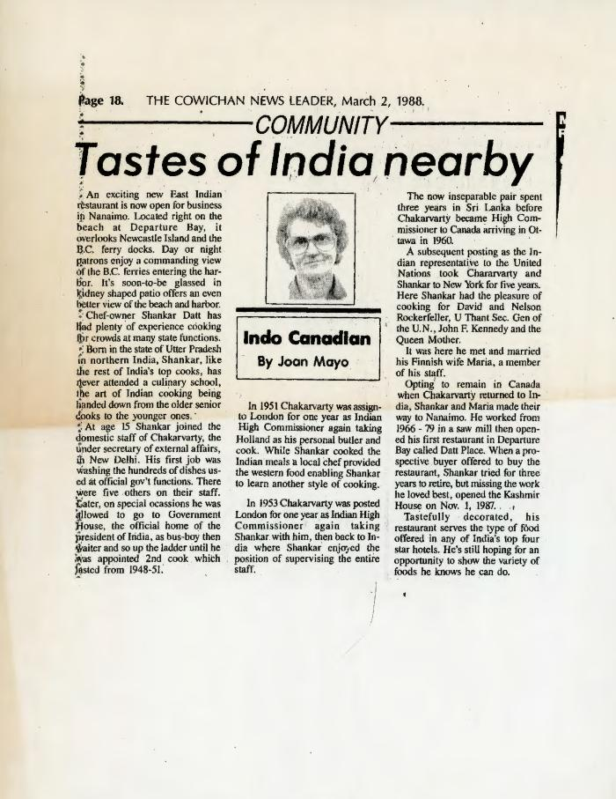
 | [Tastes of India nearby] (2020_06_07_01_003) | Newspaper clipping titled "Tastes of India nearby" from page 18 of The Cowichan News Leader, March 2, 1988 written by Joan Mayo. The article tells about a new East Indian restaurant open for business in Nanaimo, BC and the history of the Chef-owner Shankar Datt.
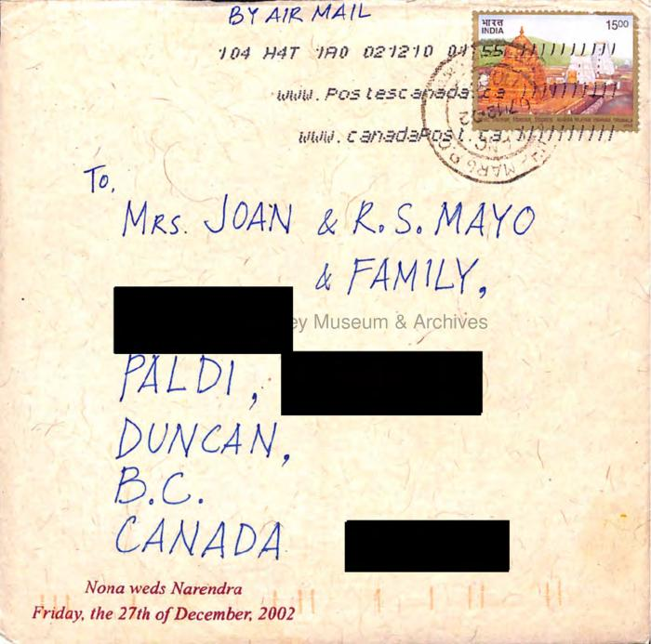 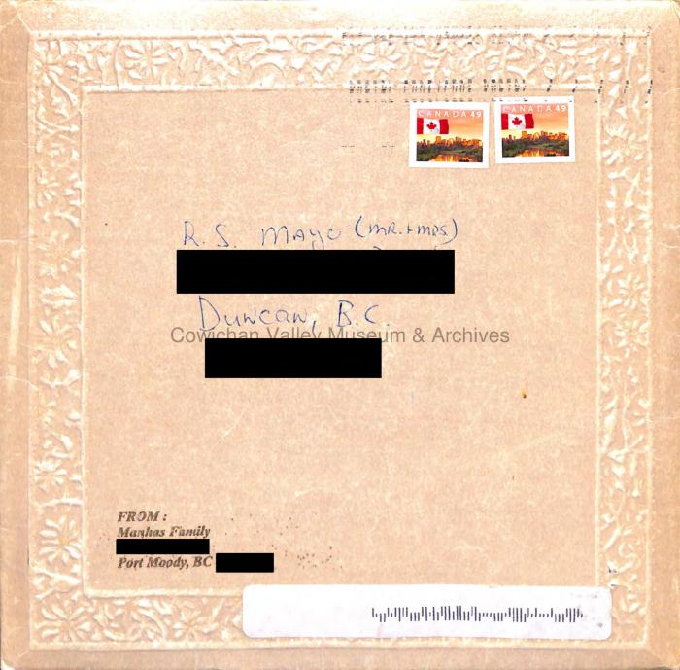 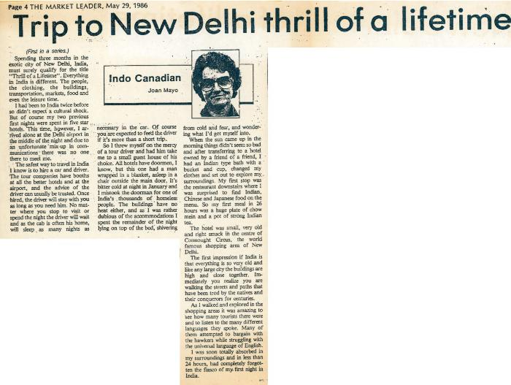 | [Trip to New Delhi thrill of a lifetime] (2020_06_07_01_004) | Newspaper clipping titled "Trip to New Delhi thrill of a lifetime" from page 4 of The Market Leader, May 29, 1986 written by Joan Mayo. The article shares Joan Mayo's experience from her 3 months visit to New Delhi, India.
 | [Armed forces parade draws New Delhi crowd] (2020_06_07_01_005) | Newspaper clipping titled "Armed forces parade draws New Delhi crowd" written by Joan Mayo. The article shares Joan Mayo's experience of witnessing the parade by armed forces of India marching through the streets in a full dress rehearsal for the Republic Day ceremonies on her last day in a downtown hotel.
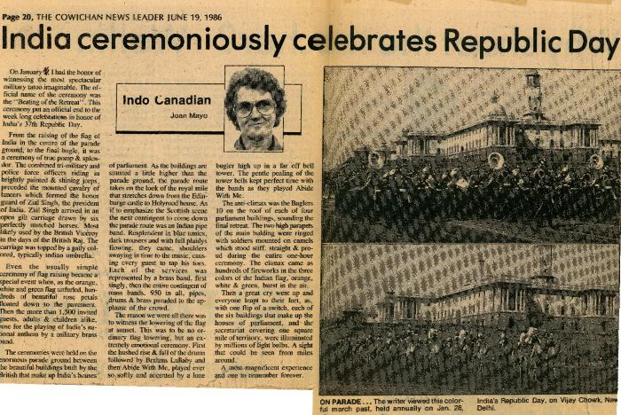 | [India ceremoniously celebrates Republic Day] (2020_06_07_01_006) | Newspaper clipping titled "India ceremoniously celebrates Republic Day" from page 20 of The Cowichan News Leader, June 19, 1986 written by Joan Mayo. The article shares Joan Mayo's experience of witnessing the Republic Day celebration by India.
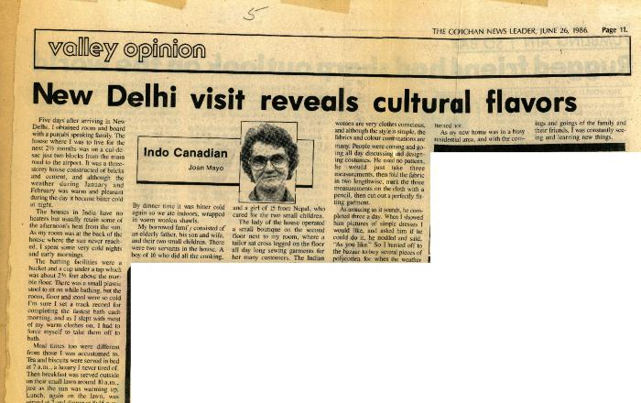 | [New Delhi visit reveals cultural flavors] (2020_06_07_01_007) | Newspaper clipping titled "New Delhi visit reveals cultural flavors" from page 11 of The Cowichan News Leader, June 26, 1986 written by Joan Mayo. The article shares Joan Mayo's experience of living with a Punjabi speaking familiy. She provides a detailed glimpse of her daily schedule and the Indian culture.
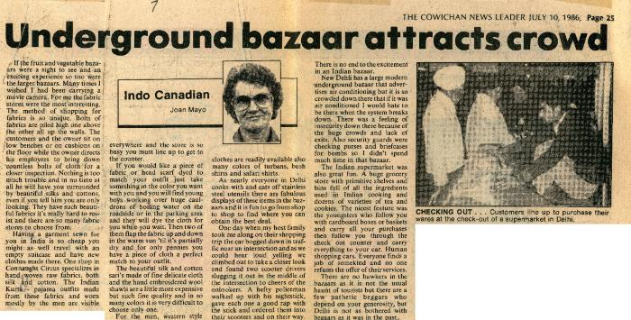 | [Underground bazaar attracts crowd] (2020_06_07_01_008) | Newspaper clipping titled "Underground bazaar attracts crowd" from page 25 of The Cowichan News Leader, July 10, 1986 written by Joan Mayo. In this article, Joan tells about the Indian bazaar, detailing the methods of shopping and variety of goods offered. The image at the right shows customers lined up to purchase their wares at the check-out of a supermarket in Delhi.
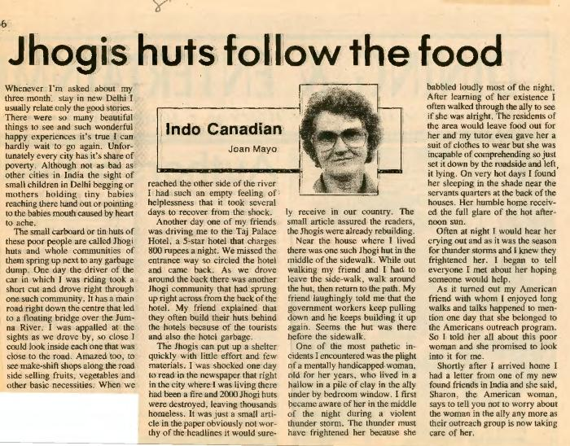 | [Jhogis huts follow the food] (2020_06_07_01_009) | Newspaper clipping titled "Jhogis huts follow the food" written by Joan Mayo. In this article, Joan Mayo tells about the issue of poverty in India, describing the small cardboard or tin huts of poor people struggling everyday for food and essentials.
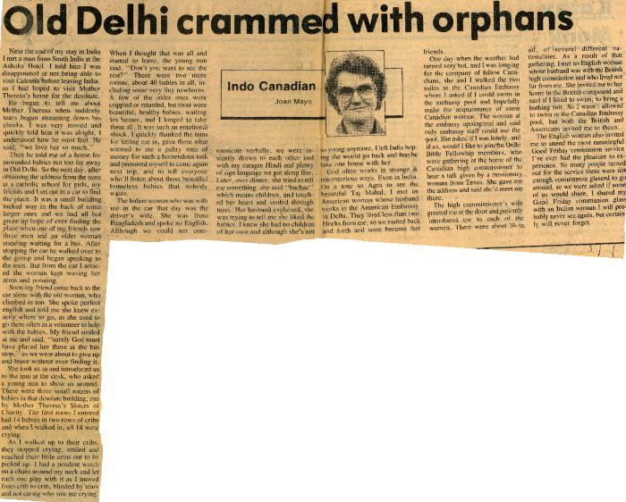 | [Old Delhi crammed with orphans] (2020_06_07_01_010) | Newspaper clipping titled "Old Delhi crammed with orphans" from page 22 of The Cowichan News Leader, July 24, 1986 written by Joan Mayo. In this article, Joan Mayo talks about the issue of orphans in Old Delhi. She visited a catholic schools for girls and descibes her insights from communication with the nuns.
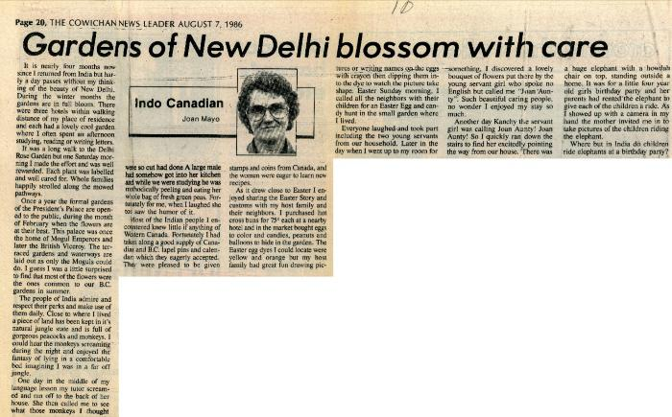 | [Gardens of New Delhi blossom with care] (2020_06_07_01_011) | Newspaper clipping titled "Gardens of New Delhi blossom with care" from page 20 of The Cowichan News Leader, August 7, 1986 written by Joan Mayo. In this article, Joan Mayo highlights the beauty of the gardens of the President's Palace which are opened to public once a year.
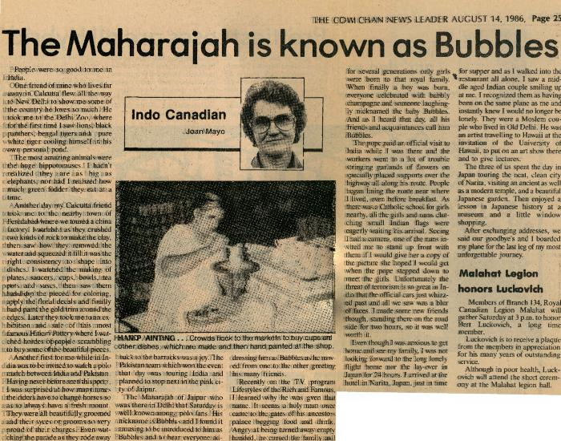 | [The Maharajah is known as Bubbles] (2020_06_07_01_012) | Newspaper clipping titled "The Maharajah is known as Bubbles" from page 25 of The Cowichan News Leader, August 14, 1986 written by Joan Mayo. In this article, she describes her experience of visiting Delhi Zoo.
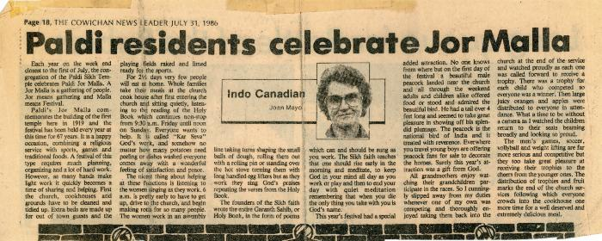 | [Paldi residents celebrate Jor Malla] (2020_06_07_01_013) | Newspaper clipping titled "Paldi residents celebrate Jor Malla" from page 18 of The Cowichan News Leader, July 31, 1986 written by Joan Mayo. In this article, Joan Mayo describes the celebration of Paldi Jor Malla, a festival, with the congregation of the Paldi Sikh Temple.
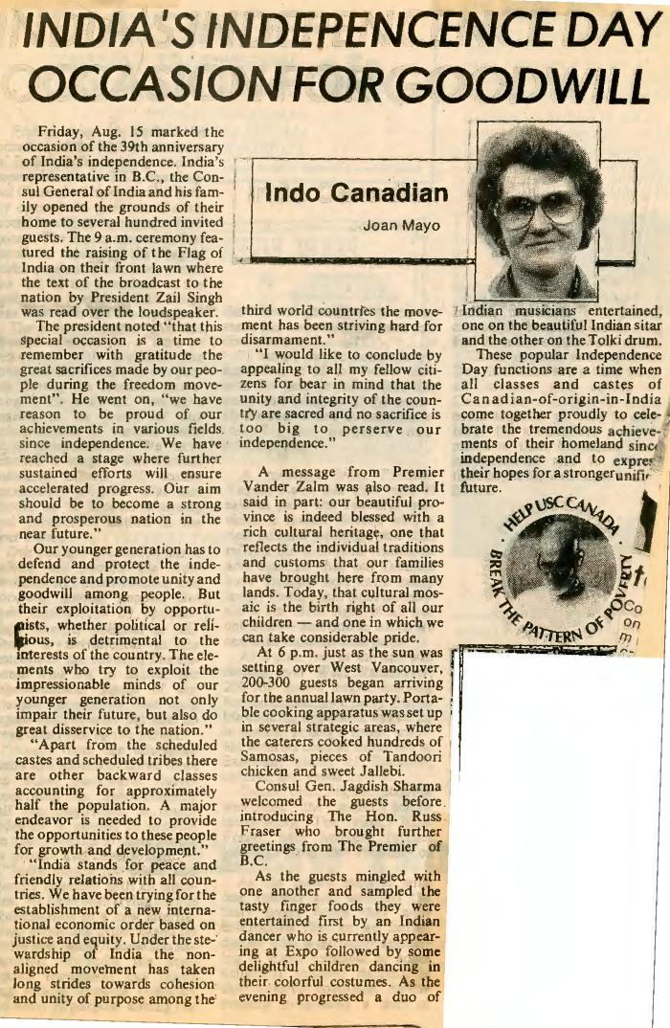
 | [India's Independence Day Occasion for Goodwill] (2020_06_07_01_014) | Newspaper clipping titled "India's Independence Day Occasion for Goodwill" written by Joan Mayo. In this article, Joan Mayo describes the celebration of the 39th anniversary of India's Independence (August 15, 1986) and mentions some keypoints from President Zail Singh's speech.
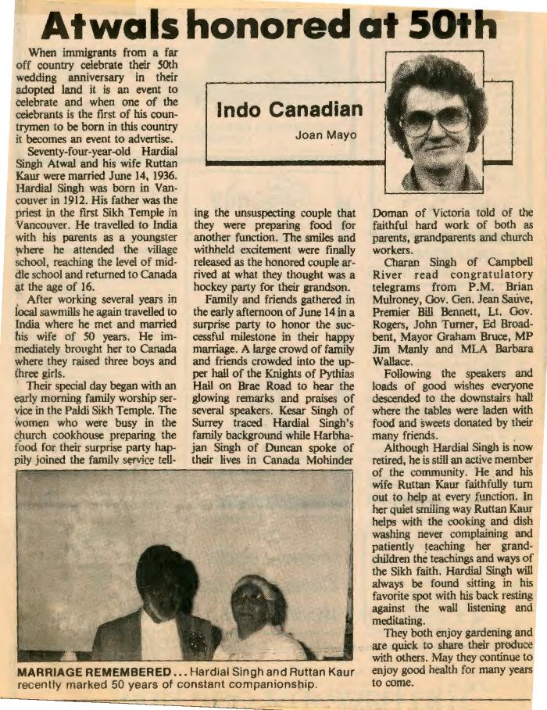
 | [Atwals honored at 50th] (2020_06_07_01_015) | Newspaper clipping titled "Atwals honored at 50th" written by Joan Mayo. In this article, Joan Mayo describes the celebration of the 50th wedding anniversary of Hardial Singh Atwal and his wife Ruttan Kaur. There is a photograph of Hardial and Ruttan at the bottom left.
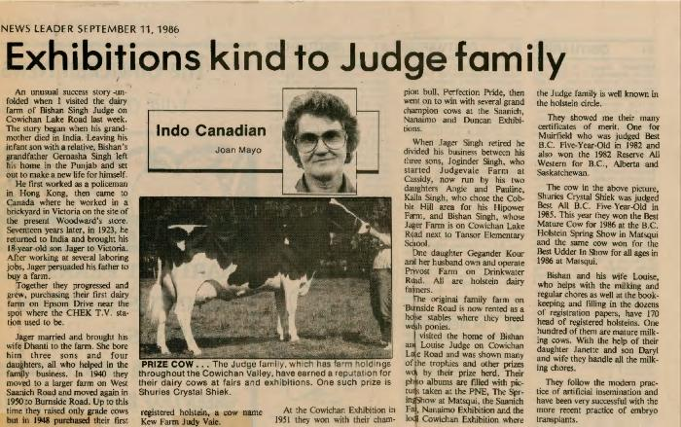 | [Exhibitions kind to Judge family] (2020_06_07_01_016) | Newspaper clipping titled "Exhibitions kind to Judge family" from The Cowichan News Leader, September 11, 1986, written by Joan Mayo. This article describes Joan's visit to the dairy farm of Bishan Singh Judge on Cowichan Lake Road.
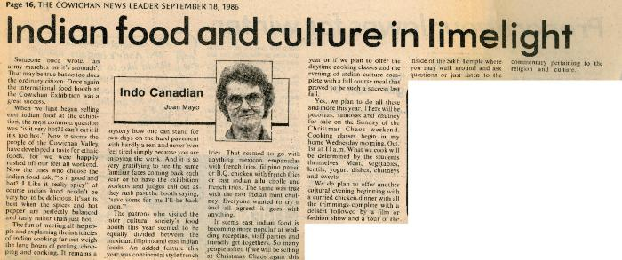 | [Indian food and culture in limelight] (2020_06_07_01_017) | Newspaper clipping titled "Indian food and culture in limelight" from page 16 of The Cowichan News Leader, September 18, 1986, written by Joan Mayo. This article describes the popularity of the Indian food and culture across the people of Cowichan Valley.
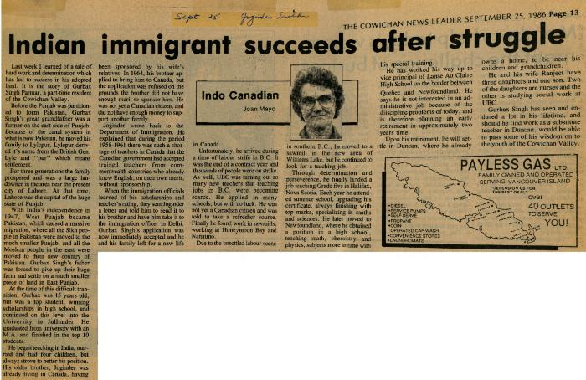 | [Indian immigrant succeeds after struggle] (2020_06_07_01_018) | Newspaper clipping titled "Indian immigrant succeeds after struggle" from page 13 of The Cowichan News Leader, September 25, 1986, written by Joan Mayo. This article describes the success story of Gurbax Singh Parmar, part-time resident of the Cowichan Valley. There is a small map of Payless Gas Ltd at the right bottom of article.
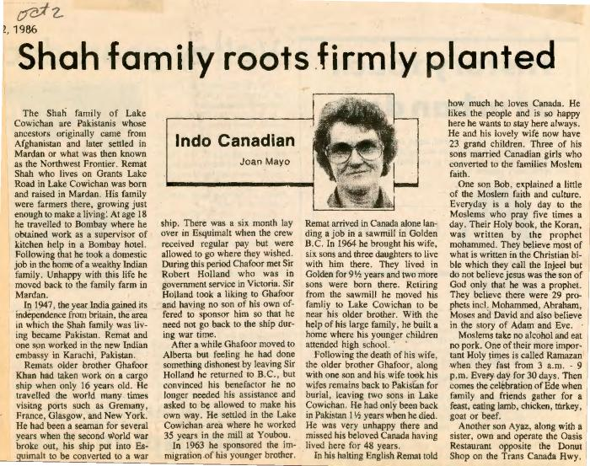 | [Shah family roots firmly planted] (2020_06_07_01_019) | Newspaper clipping titled "Shah family roots firmly planted" from The Cowichan News Leader, October 02, 1986, written by Joan Mayo. This article tells about the Shah family of Lake Cowichan and their ancestoral story.
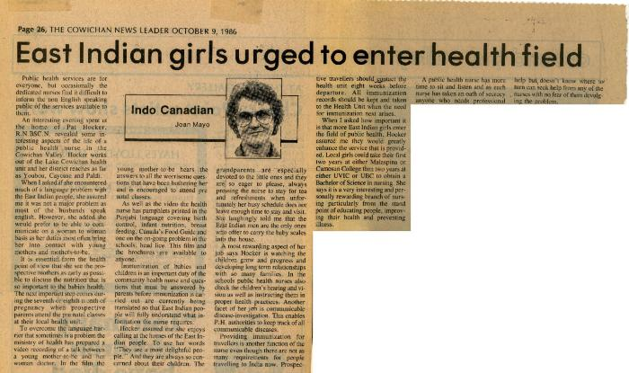 | [East Indian girls urged to enter health field] (2020_06_07_01_020) | Newspaper clipping titled "East Indian girls urged to enter health field" from page 26 of The Cowichan News Leader, October 09, 1986, written by Joan Mayo. This article tells about the enhancement that can be provided into the field of public health by East Indian girls.
 | [Fate draws families together] (2020_06_07_01_021) | Newspaper clipping titled "Fate draws families together" from page 34 of The Cowichan News Leader, October 16, 1986, written by Joan Mayo. This article highlights the friendship of two families created by fate.
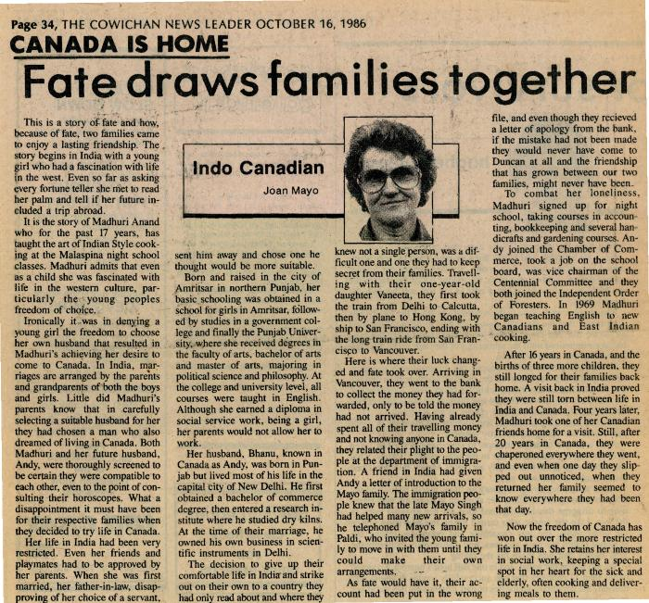 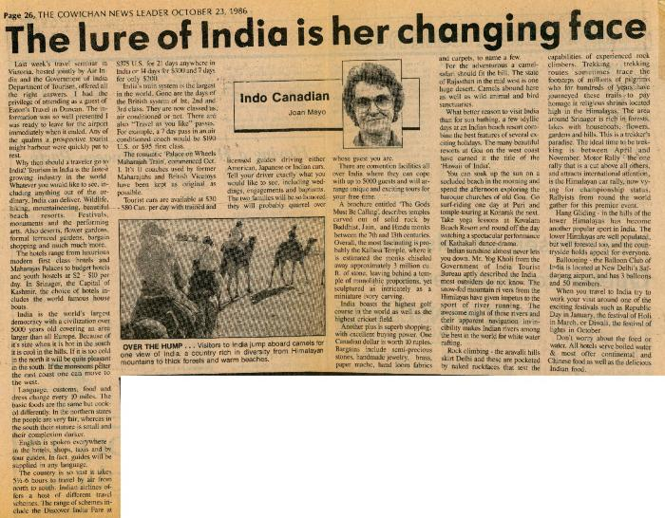 | [The lure of India is her changing face] (2020_06_07_01_022) | Newspaper clipping titled "The lure of India is her changing face" from page 26 of The Cowichan News Leader, October 23, 1986, written by Joan Mayo. This article highlights India's tourism industry, which is the fastest growing industry in the world. There is a image showing visitors to India riding camels.
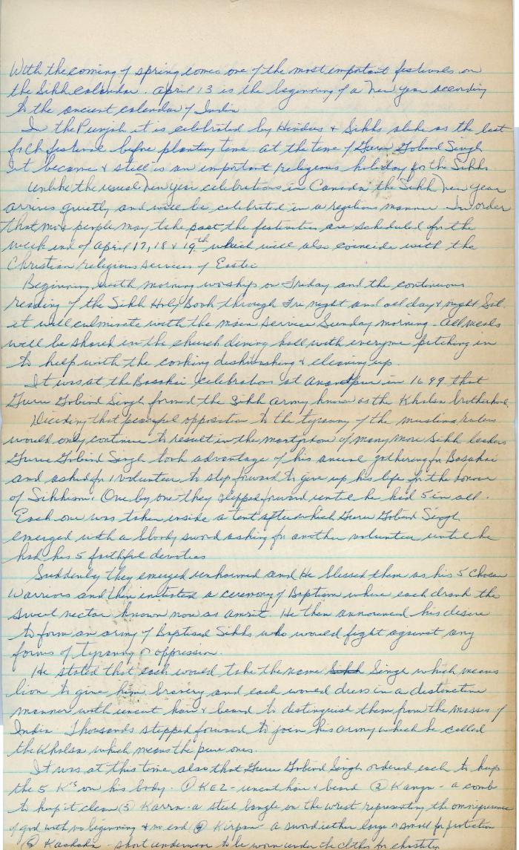
 | [Handwritten article on New Years as per the ancient Indian calendar by Joan Mayo] (2020_06_07_01_023) | Handwritten article on New Years as per the ancient Indian calendar by Joan Mayo. She describes it as the most important festival for Sikhs and gives a detailed routine of Sikh people for the celebration of this festival.
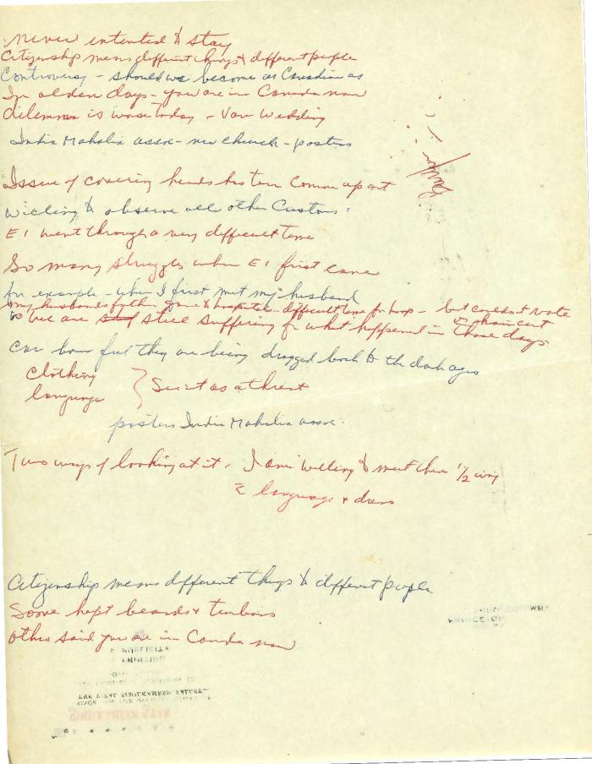
 | [Handwritten notes and thoughts by Joan Mayo] (2020_06_07_01_024) | Handwritten notes and thoughts on citizenship, language, struggle, and people's ideologies by Joan Mayo.
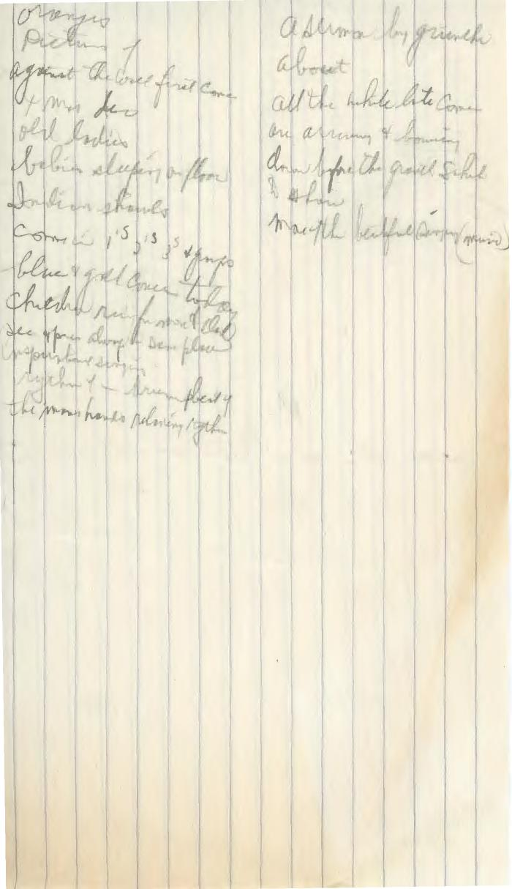
 | [Handwritten notes and thoughts by Joan Mayo] (2020_06_07_01_025) | Handwritten notes and thoughts on elderly ladies, Indian shawls, babies sleeping on the floor, and more by Joan Mayo from her conversations with others.
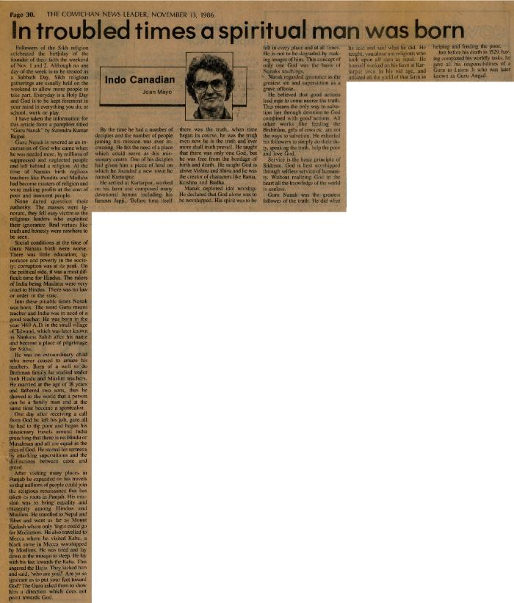
 | [In troubled times a spiritual man was born] (2020_06_07_01_026) | Newspaper clipping titled "In troubled times a spiritual man was born" from page 30 of The Cowichan News Leader, November 13, 1986, written by Joan Mayo. This article highlights the Guru Nank's, a religious figure for Sikhs, history and how this day is celebrated by Sikhs.
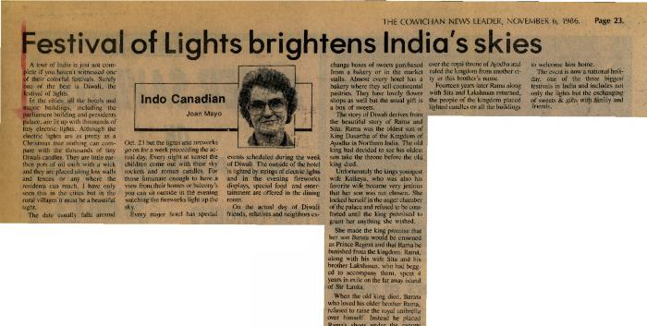 | [Festival of Lights brightens India's skies] (2020_06_07_01_027) | Newspaper clipping titled "Festival of Lights brightens India's skies" from page 23 of The Cowichan News Leader, November 06, 1986, written by Joan Mayo. This article describes Diwali, the festival of lights. Joan also tells the origins of Diwali: the story of Rama and Sita and their return from exile.
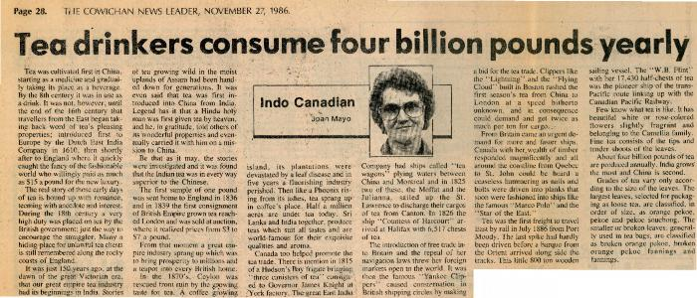 | [Tea drinkers consume four billion pounds yearly] (2020_06_07_01_028) | Newspaper clipping titled "Tea drinkers consume four billion pounds yearly" from page 28 of The Cowichan News Leader, November 27, 1986, written by Joan Mayo. This article describes the origins of tea from China as a medicine to becoming a beverage.
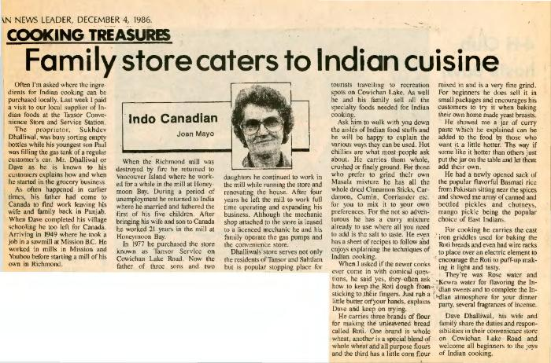 | [Family store caters to Indian cuisine] (2020_06_07_01_029) | Newspaper clipping titled "Family store caters to Indian cuisine" from The Cowichan News Leader, December 04, 1986, written by Joan Mayo. This article tells the story of Sukhdev Dhalliwal who started the business of a family store where ingredients for Indian cooking were made available.
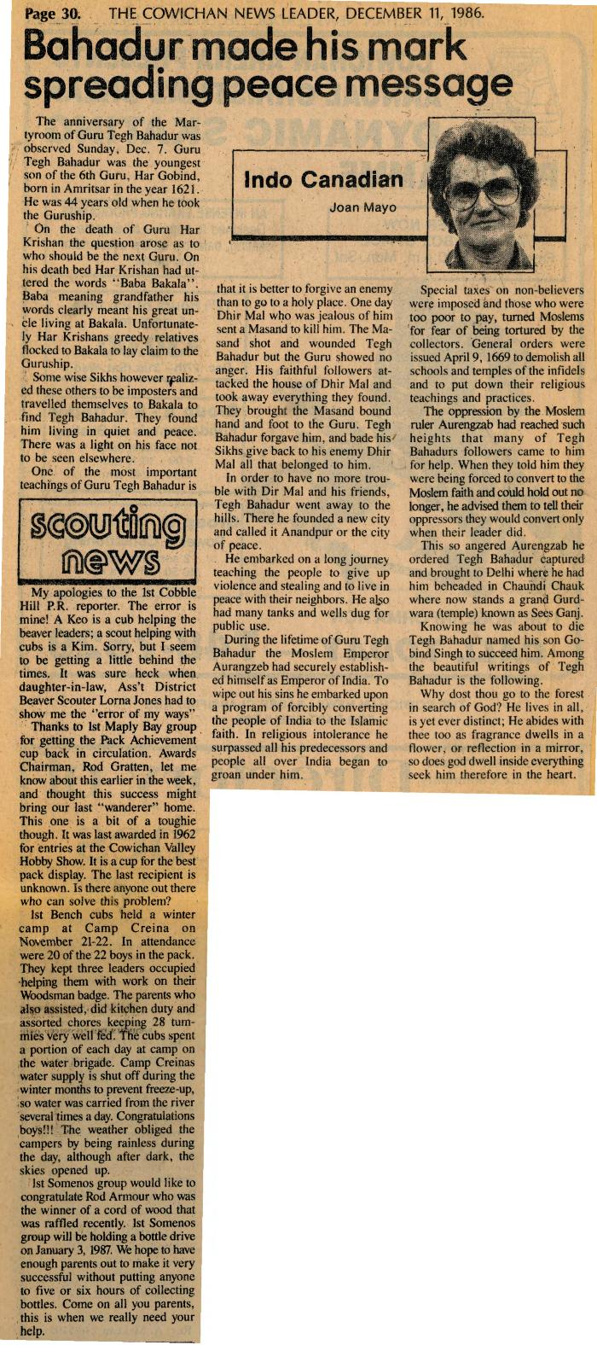
 | [Bahadur made his mark spreading peace message] (2020_06_07_01_030) | Newspaper clipping titled "Bahadur made his mark spreading peace message" from page 30 of The Cowichan News Leader, December 11, 1986, written by Joan Mayo. This article highlights the history of Guru Tegh Bahadur and the anniversary of his Martyrdom observed on December 07, 1986.
 | [Women alerted to family programs] (2020_06_07_01_031) | Newspaper clipping titled "Women alerted to family programs" from page 30 of The Cowichan News Leader, December 18, 1986, written by Joan Mayo. This article talks about the problems faced by police in the form of language barriers as most East Indians were not fluent in English.
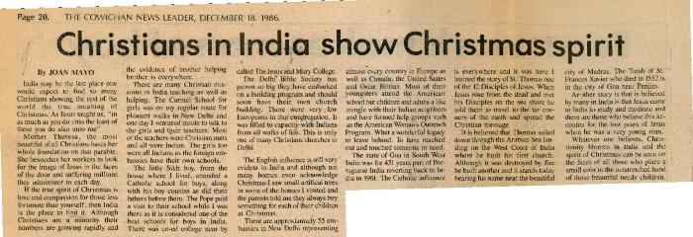 | [Christians in India show Christmas spirit] (2020_06_07_01_032) | Newspaper clipping titled "Christians in India show Christmas spirit" from page 20 of The Cowichan News Leader, December 18, 1986, written by Joan Mayo. This article talks about the increasing numbers of Christians in India and how they celebrate Christmas with enthusiasm.
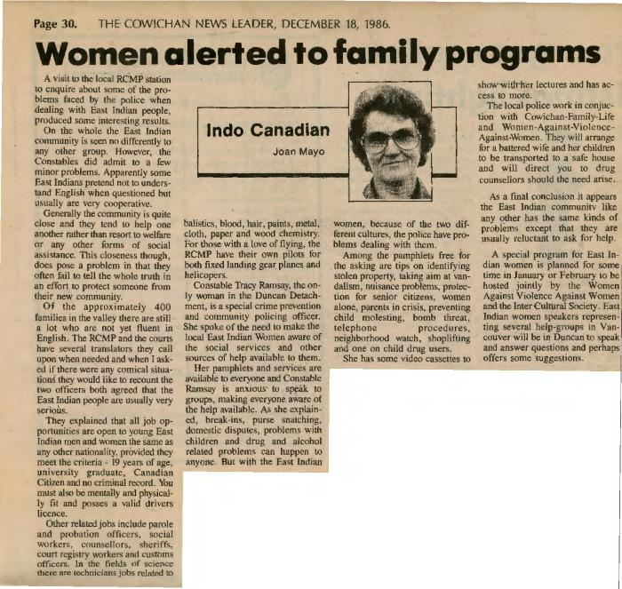 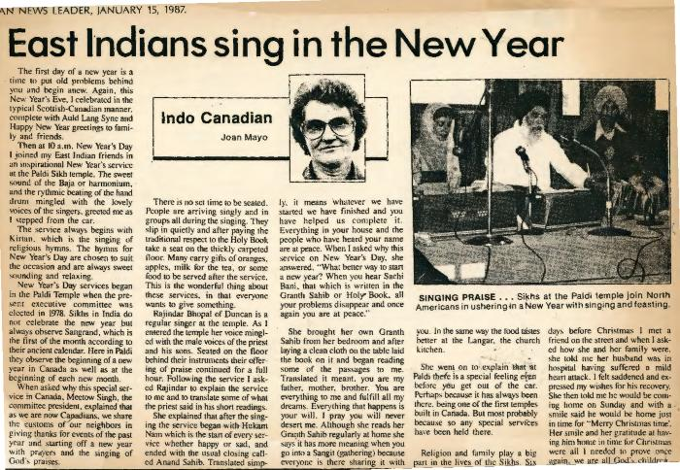 | [East Indians sing in the New Year] (2020_06_07_01_033) | Newspaper clipping titled "East Indians sing in the New Year" from The Cowichan News Leader, January 15, 1987, written by Joan Mayo. This article talks about Joan's way of celebrating New Years both in the typical Scottish-Canadian manner and with East Indian friends at the Paldi Sikh temple. There is an image of Ragis, Sikh musicians, at Paldi Temple.
 | [Ghandi's walk changed India] (2020_06_07_01_034) | Newspaper clipping titled "Ghandi's walk changed India" from The Cowichan News Leader, February 05, 1987, written by Joan Mayo. This article talks about Mahatma Gandhi's [portrait photo] efforts in liberalisation of India from colonial rule, racism, and discrimination.
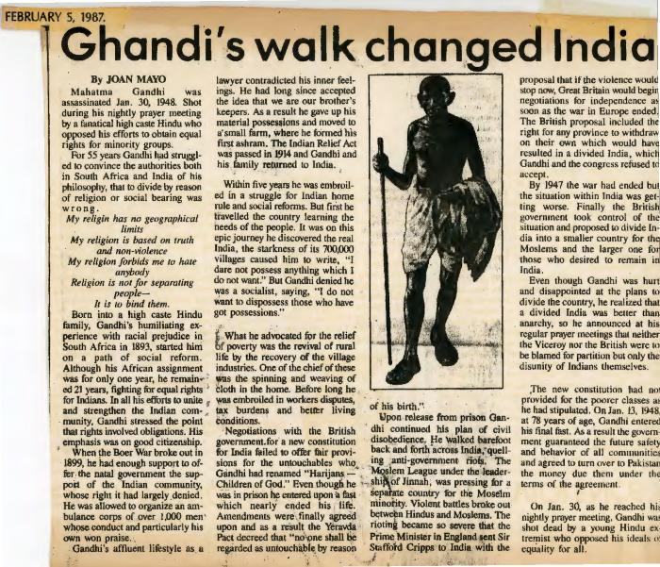 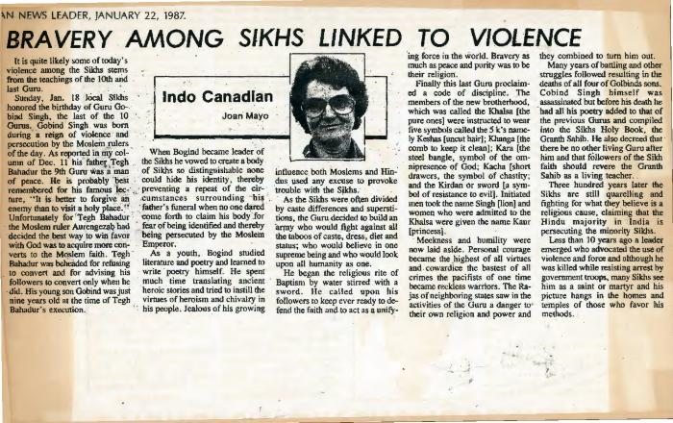 | [Bravery among Sikhs linked to violence] (2020_06_07_01_035) | Newspaper clipping titled "Bravery among Sikhs linked to violence" from The Cowichan News Leader, Januray 22, 1987, written by Joan Mayo. This article talks about the Sikh history related to the 10 Gurus of Sikhism and how their bravery is being used as an excuse for violence.
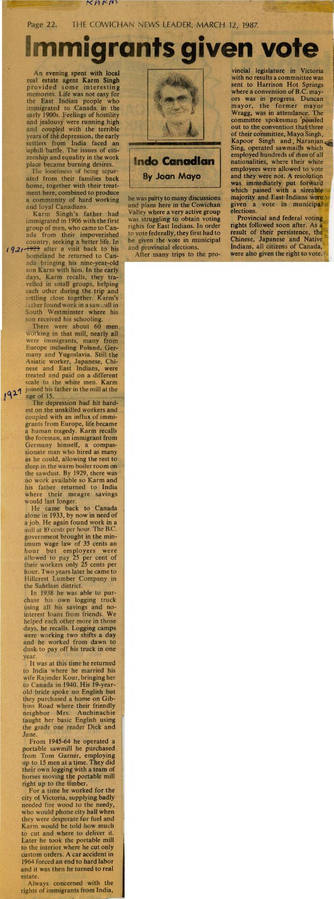
 | [Immigrants given vote] (2020_06_07_01_036) | Newspaper clipping titled "Immigrants given vote" from page 22 of The Cowichan News Leader, March 12, 1987, written by Joan Mayo. In this article, Joan shares her conversation with a local real estate agent Karm Singh about how East Indians were given the right to vote.
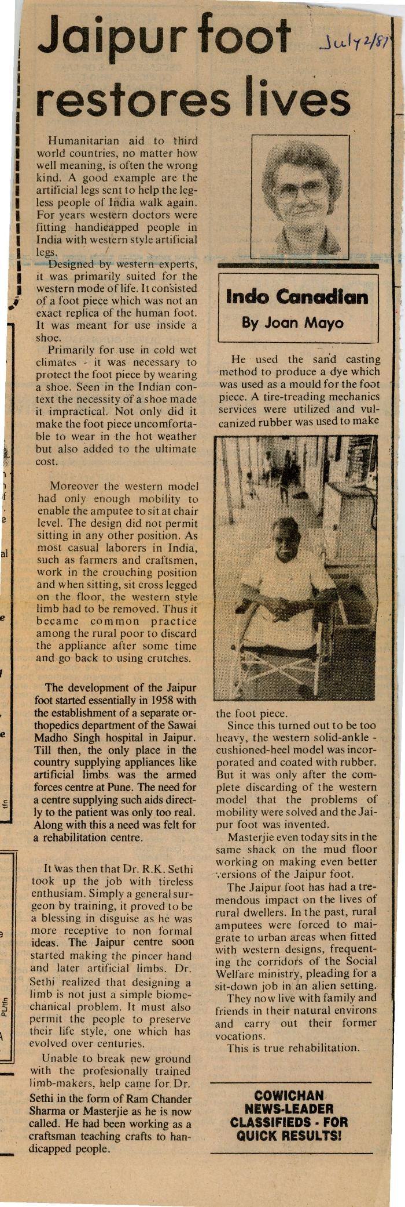
 | [Jaipur foot restores lives] (2020_06_07_01_037) | Newspaper clipping titled "Jaipur foot restores lives" from The Cowichan News Leader, July 2, 1987, written by Joan Mayo. This article talks about the impractical humanitarian aid given to third world countries like India. It further discusses the unparalled efforts by Dr. R.K. Sethi to open Jaipur center. There is a photo of a handicapped patient on the right.
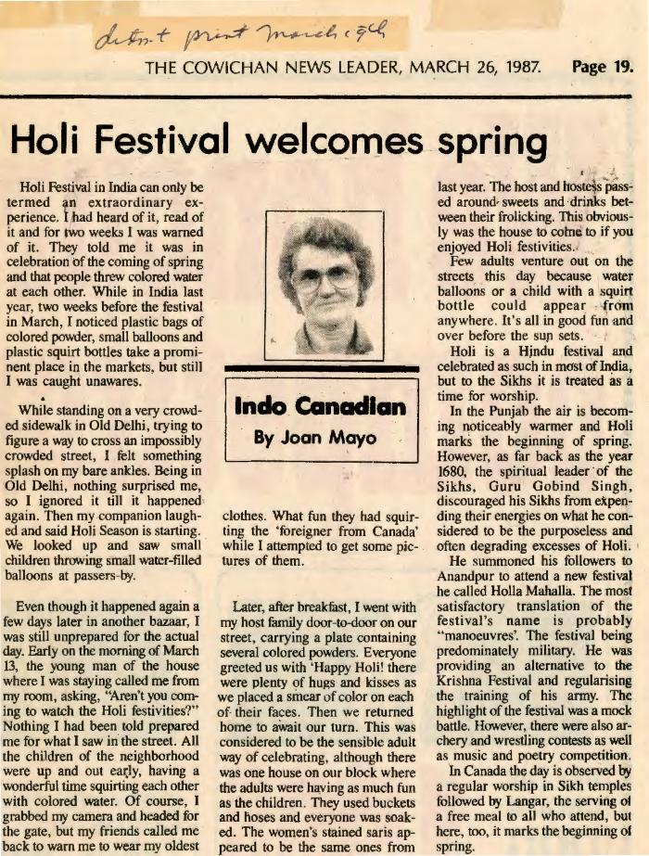
 | [Holi Festival welcomes spring] (2020_06_07_01_038) | Newspaper clipping titled "Holi Festival welcomes spring" from page 19 of The Cowichan News Leader, March 26, 1987, written by Joan Mayo. In this article, Joan talks about her experience with the Holi Festival in India.
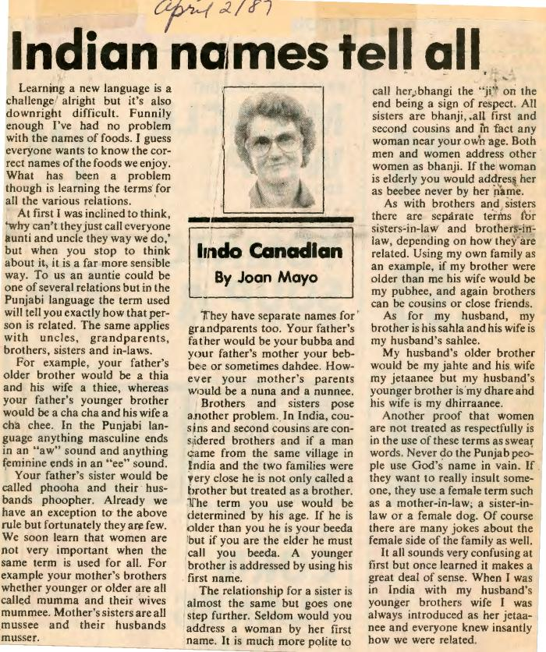
 | [Indian names tell all] (2020_06_07_01_039) | Newspaper clipping titled "Indian names tell all" from The Cowichan News Leader, April 02, 1987, written by Joan Mayo. This article talks about the special words used to address the family members and close friends in Indian tradition in Punjabi.
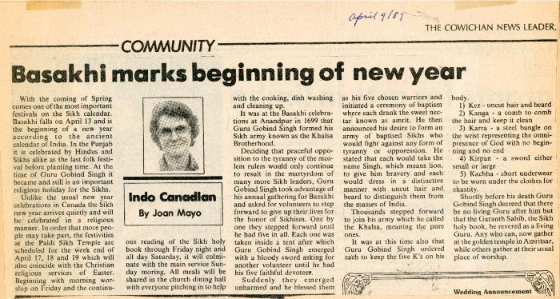 | [Basakhi marks beginning of new year] (2020_06_07_01_040) | Newspaper clipping titled "Basakhi marks beginning of new year" from The Cowichan News Leader, April 02, 1987, written by Joan Mayo. This article talks about Basakhi which is one of the most important festivals on the Sikh calendar.
 | [Misguided Sikhs hurt all others] (2020_06_07_01_041) | Newspaper clipping titled "Misguided Sikhs hurt all others" from The Cowichan News Leader, April 16, 1987, written by Joan Mayo. This article talks about the issue of the twisted use of the gurus' teachings for non-spiritual purpose by misguided Sikhs.
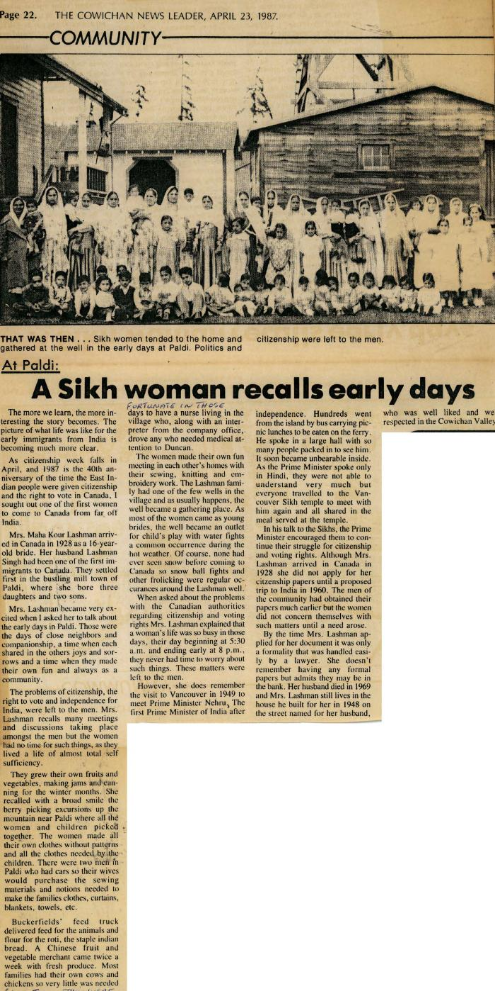
 | [A Sikh woman recalls early days] (2020_06_07_01_042) | Newspaper clipping titled "A Sikh woman recalls early days" from The Cowichan News Leader, April 23, 1987, written by Joan Mayo. This article tells the story of Mrs. Maha Kour Lashman's early days of immigration. The photo at the top shows that Sikh women tended to the home and gathered at the well in the early days at Paldi, and politics and citizenship were left to the men.
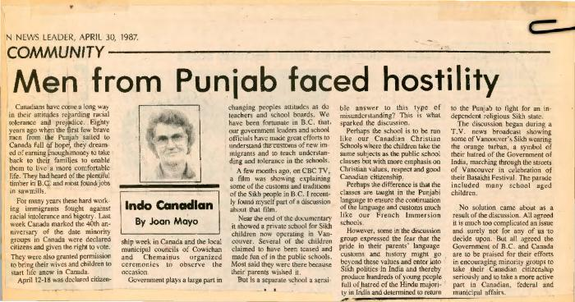 | [Men from Punjab faced hostility] (2020_06_07_01_043) | Newspaper clipping titled "Men from Punjab faced hostility" from The Cowichan News Leader, April 30, 1987, written by Joan Mayo. This article tells the story of a few brave men who sailed from Punjab to Canada in hope of a more comfortable life while fighting racial intolerance and bigotry.
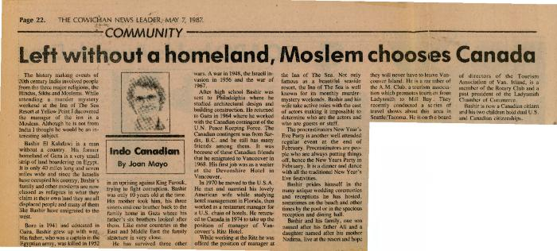 | [Left without a homeland, Moslem chooses Canada] (2020_06_07_01_044) | Newspaper clipping titled "Left without a homeland, Moslem chooses Canada" from page 22 of The Cowichan News Leader, May 07, 1987, written by Joan Mayo. This article tells the story of Bashir El Kalafawi whose land was occupied by Israelis and was therefore without a country to call home.
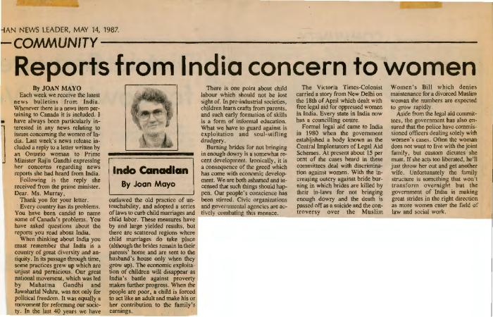 | [Reports from India concern to women] (2020_06_07_01_045) | Newspaper clipping titled "Reports from India concern to women" from The Cowichan News Leader, May 14, 1987, written by Joan Mayo. This article talks about the reply of Indian Prime Minister Rajiu Gandhi in response to a letter by an Ontario woman about her concerns about topics related to women.
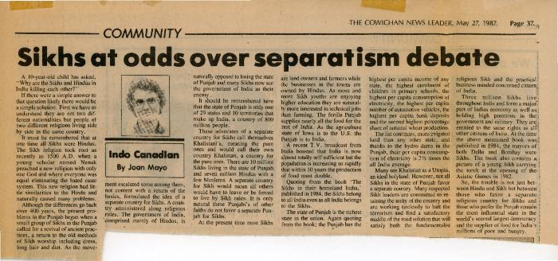 | [Sikhs at odds over separatism debate] (2020_06_07_01_046) | Newspaper clipping titled "Sikhs at odds over separatism debate" from page 37 of The Cowichan News Leader, May 27, 1987, written by Joan Mayo. This article tells the origins of Sikhism and the difference between Sikhs and Hindus in India.
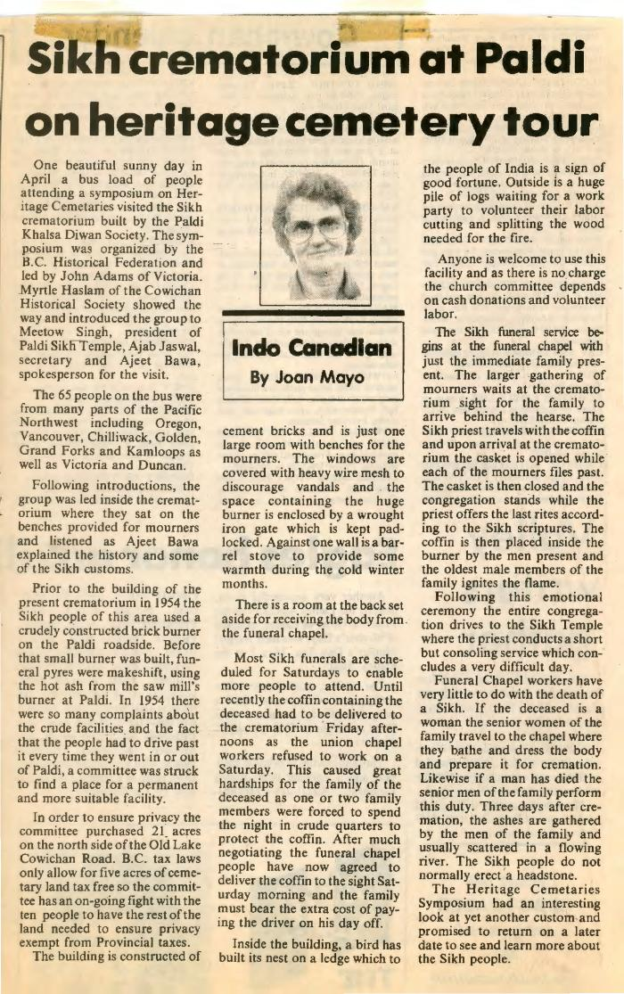
 | [Sikh crematorium at Paldi on heritage cementery tour] (2020_06_07_01_047) | Newspaper clipping titled "Sikh crematorium at Paldi on heritage cementery tour" from The Cowichan News Leader, written by Joan Mayo. In this article, Joan describes a day visit to Sikh crematorium built by Paldi Khalsa Diwan Society.
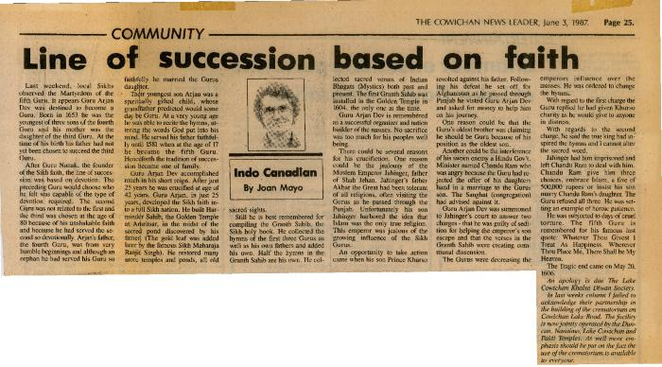 | [Line of succession based on faith] (2020_06_07_01_048) | Newspaper clipping titled "Line of succession based on faith" from page 25 of The Cowichan News Leader, June 03, 1987, written by Joan Mayo. This article tells the story of Martyrdom of the fifth Sikh Guru Arjan Dev.
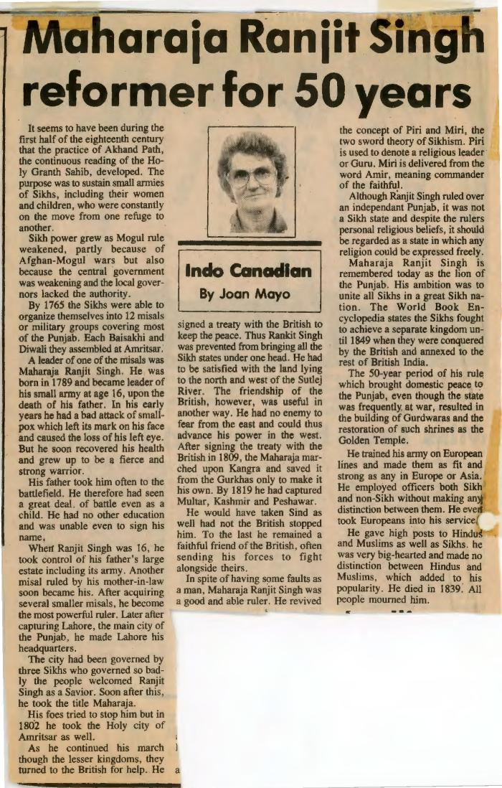
 | [Maharaja Ranjit Singh reformer for 50 years] (2020_06_07_01_049) | Newspaper clipping titled "Maharaja Ranjit Singh reformer for 50 years" from The Cowichan News Leader, written by Joan Mayo. This article tells the history of the emergence of Sikh power and Ranjit Singh's contributions for the same.

 | [Tribute paid Valley pioneer] (2020_06_07_01_050) | Newspaper clipping titled "Tribute paid Valley pioneer" from page 32 of The Cowichan News Leader, June 17, 1987, written by Joan Mayo. This article talks about the tribute paid to the late Bal Singh Mayer by the Cowichan Valley, who passed away at the age of 97.
 | [Amrik Singh fulfills family role] (2020_06_07_01_051) | Newspaper clipping titled "Amrik Singh fulfills family role" from The Cowichan News Leaderm, written by Joan Mayo. This article tells the story of Amrik Singh who fulfilled his role of being the son of Bal Singh Mayer at his funeral.

 | [End page of Joan Mayo's Scrapbook-1] (2020_06_07_01_052) | End page of Joan Mayo's Scrapbook
 | [Kapoor Singh, Basant Kour and Kapoor sisters posing infront of car] (2020_06_07_012) | Image of Kapoor Singh, wife and Kapoor sisters posing in front of a beige car.
 | [Kapoor Singh, Basant Kour, and Kapoor sisters posing infront of car] (2020_06_07_014) | Image of Kapoor Singh, Basant Kour and Kapoor sisters posing in front of a beige car.
    | He forged a strong legacy in an unfriendly land (2020_06_07_237) | This document contains a newspaper article about the history of Paldi. Written by Daphne Braham, the contents are about the height of the town of Paldi as a lumber town through an interview with Joan Mayo.

 | Clarence "Chuni" Martin (2020_06_07_240) | Image of Clarence Martin and Joan Mayo sitting on a chair indoors and reading a book.
 | Dr. Pandia, Rajindi and Joan Mayo (2020_06_11_078) | Image of Dr. Panida, Rajindi Mayo and Joan Mayo posing for a photograph.
 | Japanese Canadians from across Canada return to their former hometown (2020_06_11_107) | Image of Rajindi and Joan Mayo with a group of Japanese visitors in front of a white van.

 | Correction of names in the book Paldi Remembered (2020_06_16_001) | Correspondence from Tom Tagami to Joan Mayo with corrections for names that were misspelled in her book Paldi Remembered.

 | [Correspondence from San Sihota re: Paldi Remembered] (2020_06_16_002) | Correspondence from San Sihota to Joan Mayo about her book Paldi Remembered.
 | Sherris party = School sports day = Boys dancing (2020_06_18_008) | Film of Sherri Mayo's birthday party [00;00 to 00;37], sports day at the Paldi school [00;37 to 01;42] and children square dancing.

