Results

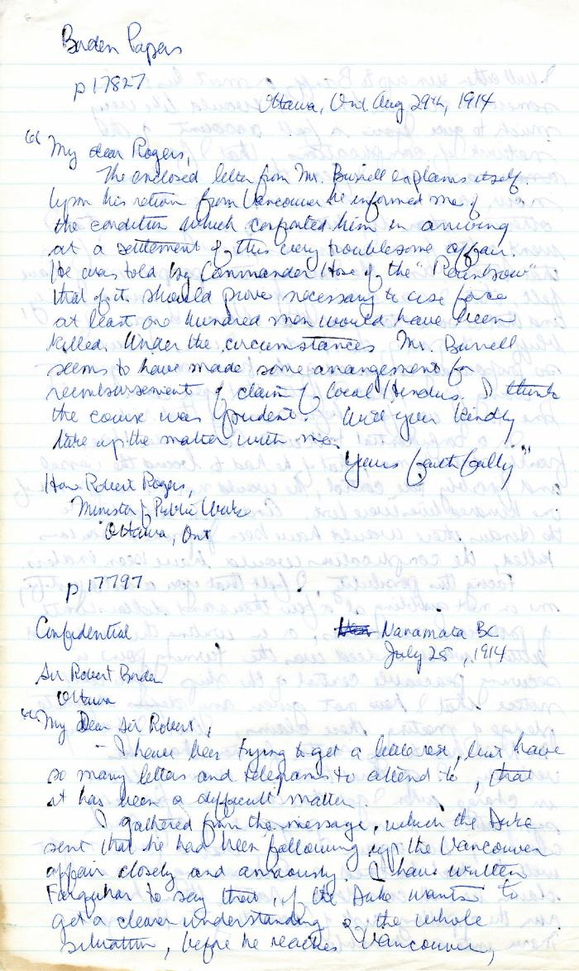
Image | Object | Description | Date
 | Newsclipping - Smoke is rising from the Maru, to leave at 5 a.m. tomorrow (2021_07_3951) | Page 058
 | [Robert L. Borden, Prime Minister, to Robert Rogers, Minister of Public Works, enclosing Martin W. Burrell, Minister of Agriculture, to Borden, 25 July 1914] (2021_07_4991) | Library and Archives Canada. Borden Papers 17827 and 17797. Handwritten transcript

