Results
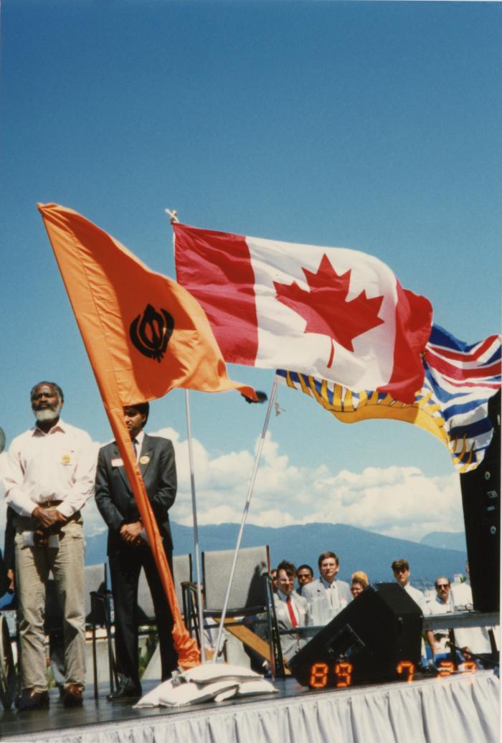
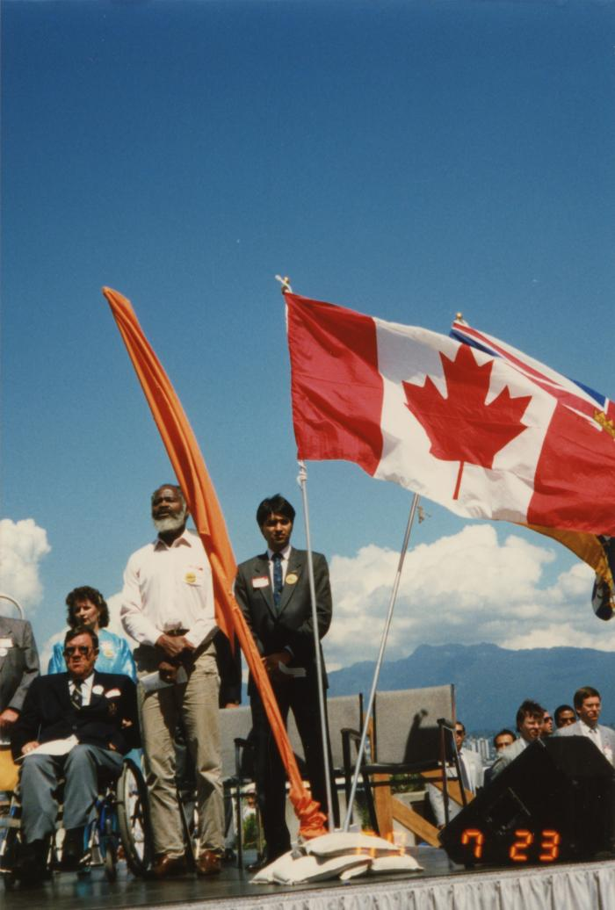
Image | Object | Description | Date
 | Flags on stage at the Canada Place gathering (2020_04_004_056) | A colour image taken at the historical gathering commemorating the 75th anniversary of the Komagata Maru tragedy. There are three flags in the photograph: the Canadian flag, the British Columbian flag, and the Nishan Sahib, a flag symbolizing the Sikh religion. Behind the flags, Moe Sihota and Emery Barnes are seen standing.
 | Flags on stage at the Canada Place gathering (2020_04_004_057) | A colour image taken at the historical gathering commemorating the 75th anniversary of the Komagata Maru tragedy. There are three flags in the photograph: the Canadian flag, the British Columbian flag, and the Nishan Sahib, a flag symbolizing the Sikh religion. Behind the flags, Moe Sihota and Emery Barnes are seen standing.
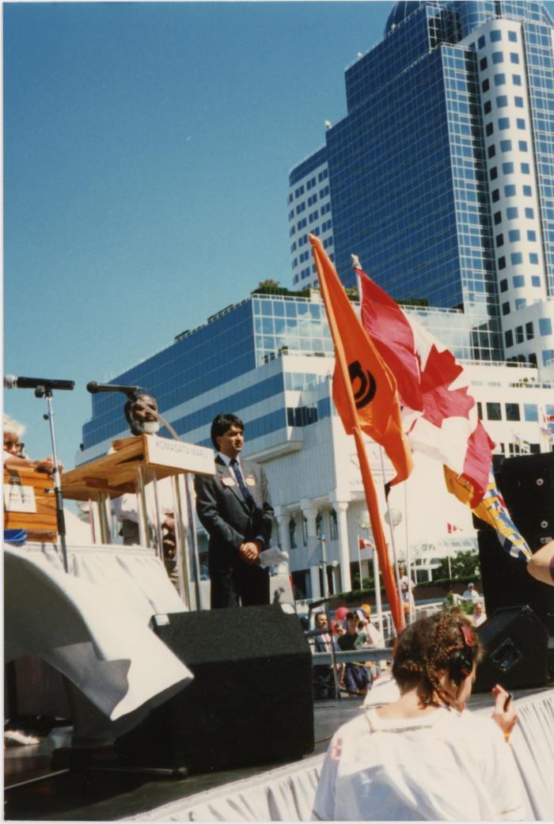
 | Stage at the Canada Place gathering (2020_04_004_058) | A colour image taken at the historical gathering commemorating the 75th anniversary of the Komagata Maru tragedy. The front of an outdoor stage is visible. There are three flags in the photograph: the Canadian flag, the British Columbian flag, and the Nishan Sahib, a flag symbolizing the Sikh religion. Behind the flags, Moe Sihota and Emery Barnes are seen standing. There is a podium with microphones visible. In the foreground is a woman facing away. In the background, Canada Place is seen.
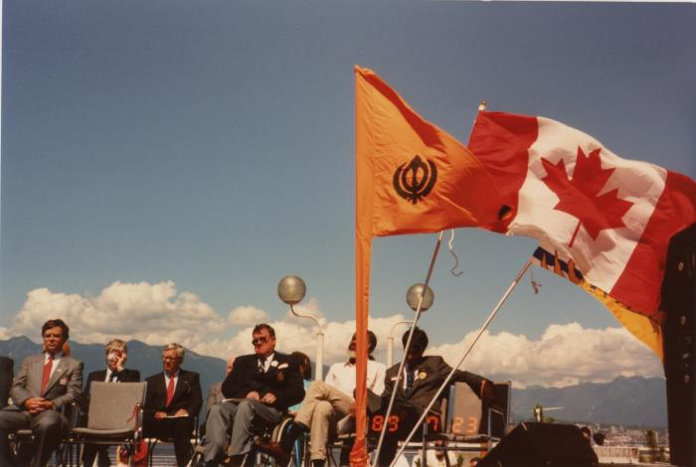 | Canada Place gathering (2020_04_004_071) | A colour image taken at the historical gathering commemorating the 75th anniversary of the Komagata Maru tragedy. A group of people are seen seated on top of a stage including Gordon Wilson, Doug Mowat, Emery Barnes, and Moe Sihota. There are three flags on the stage: the Canadian flag, the British Columbian flag, and the Nishan Sahib, a flag symbolizing the Sikh religion.
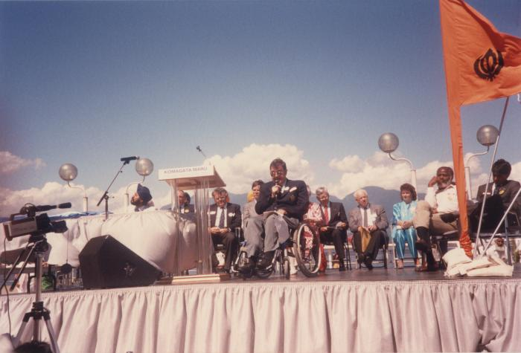 | Mr. Doug Mowat M.L.A (2020_04_004_075) | A colour image taken at the historical gathering commemorating the 75th anniversary of the Komagata Maru tragedy. A group of people are seen seated on top of a stage. On the left there is a table. Kanwal Singh Neel, John Fraser, Noël Kinsella, Margaret Mitchell, Gordon Wilson, Emery Barnes, Moe Sihota, Rosaline Stoddard, and Jim Young are seen on stage. There is a podium that reads "Komagata Maru 75th Anniversary 1914-1989." Doug Mowat, a Member of the Legislative Assembly of British Columbia, is seen giving a speech into a microphone.
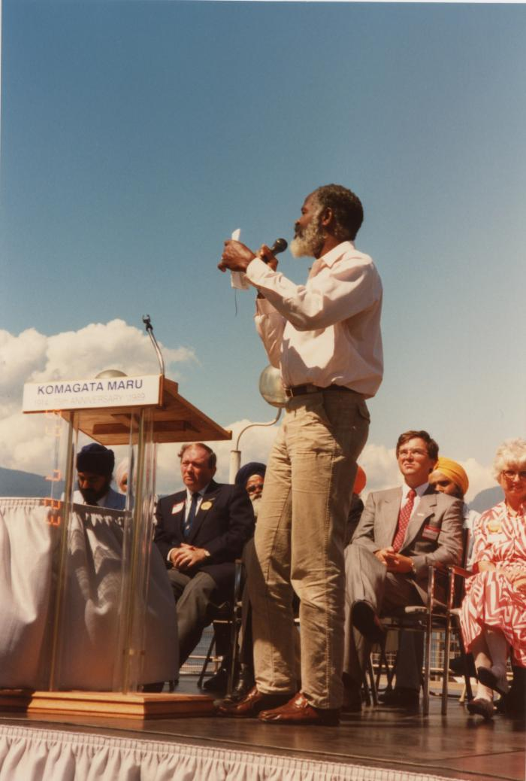
 | Mr. Emery Barnes M.L.A. (2020_04_004_076) | A colour image taken at the historical gathering commemorating the 75th anniversary of the Komagata Maru tragedy. A group of people are seen seated on top of a stage. On the left there is a table. Kanwal Singh Neel, John Fraser, Margaret Mitchell, and Gordon Wilson are seen on stage. There is a podium that "Komagata Maru 75th Anniversary 1914-1989." Emery Barnes is seen giving a speech into a microphone.
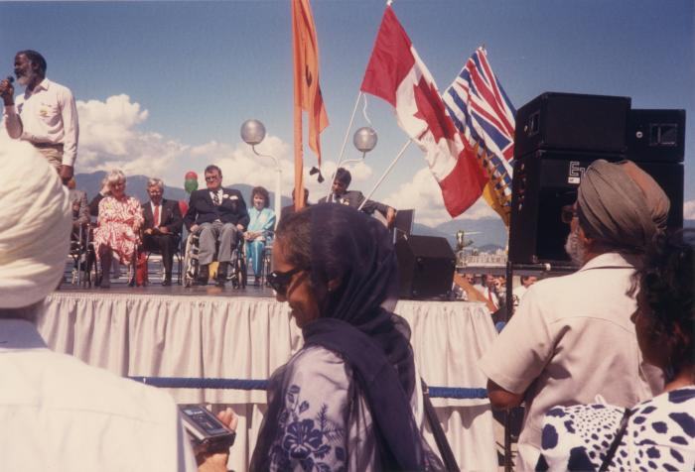 | Mr. Emery Barnes M.L.A. (2020_04_004_077) | A colour image taken at the historical gathering commemorating the 75th anniversary of the Komagata Maru tragedy. A group of people are seen seated on top of a stage. Margaret Mitchell, Doug Mowat, Rosaline Stoddard, and Moe Sihota are seen seated on stage. Emery Barnes is standing on the left of the image, giving a speech into a microphone. There are three flags visible on stage: the B.C. flag, the Canadian flag, and the Nishan Sahib, a flag symbolizing the Sikh religion. There is a crowd of people in the foreground, standing in front of the stage.
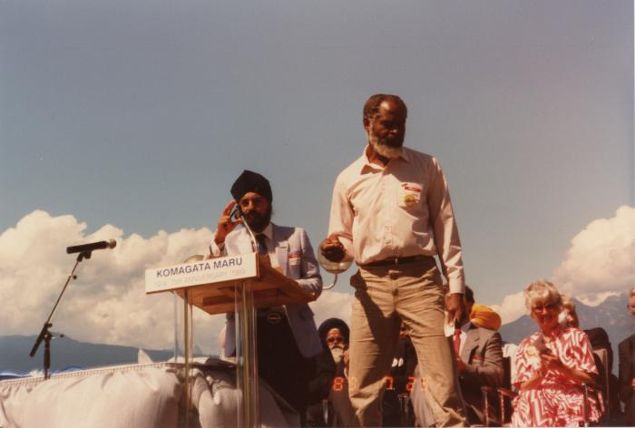 | Mr. Emery Barnes M.L.A. (2020_04_004_078) | A colour image taken at the historical gathering commemorating the 75th anniversary of the Komagata Maru tragedy. A group of people are seen seated on top of a stage. On the left there is a table. There is a podium that reads, "Komagata Maru 75th Anniversary 1914-1989." Kanwal Singh Neel is moving the microphone at the podium towards him and Emery Barnes is seen turning away from the podium, to the right of the image. Margaret Mitchell is seen seated in the background, clapping.
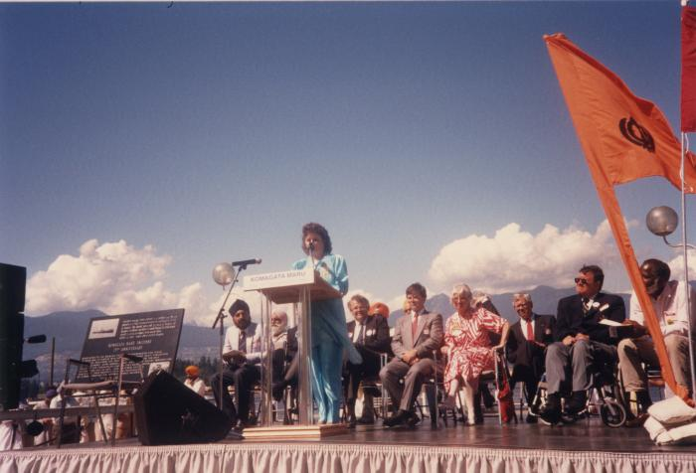 | Ms. Rosaline Stoddard (2020_04_004_088) | A colour image taken at the historical gathering commemorating the 75th anniversary of the Komagata Maru tragedy. A group of people are seen seated on top of a stage. On the left there is a chair holding a plaque and speakers. At the centre, there is a podium that reads, "Komagata Maru 75th Anniversary 1914-1989." Rosaline Stoddard is seen standing behind the podium speaking into the microphone. Kanwal Singh Neel, Noël Kinsella, Gordon Wilson, Margaret Mitchell, Doug Mowat, and Emery Barnes are visible in the background.

