Results


Image | Object | Description | Date
 | Copy of letter from Reid to W. D. Scott re final arrangements for ship's departure. Page 1-2 (2021_07_1016) | Page 530-531
 | Copy of letter from Reid to W. D. Scott re wires received and sent regarding final arrangements. Page 1-8 (2021_07_1540) | Page 573-580

 | Copy of letter from Mr. Hopkinson to Reid re his visit on board the Maru. Page 1-3 (2021_07_1571) | Page 588-590

 | Copy of letter from Reid to W. D. Scott confirming wires received and sent. Page 1-11 (2021_07_1900) | Page 603-613

 | Copy of letter from Reid to W. D. Scott re last details preceding departure. Page 1-5 (2021_07_1949) | Page 615-619
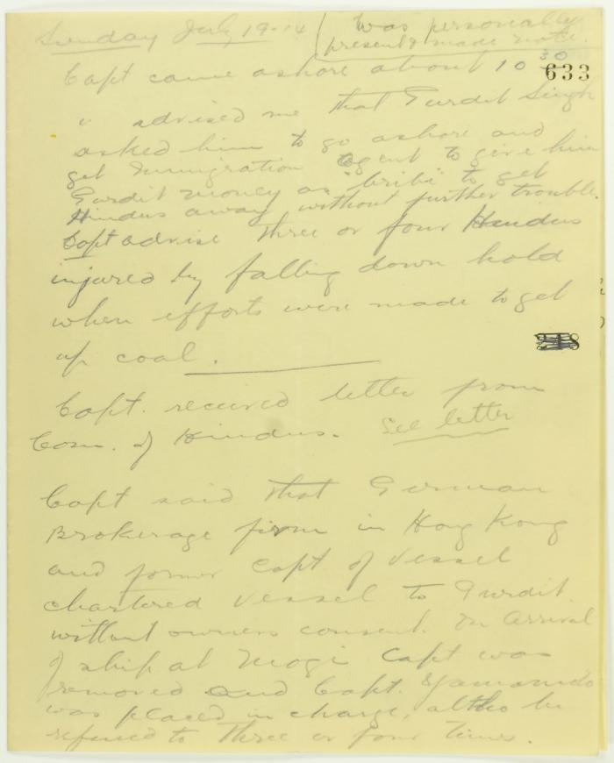
 | Rough notes of incidents re visit to the Maru, an incident at the Sikh Temple and damage to the Sea Lion. Page 1-4 (2021_07_2078) | Page 633-636

 | Statement by Mewa Singh (see p. 647). Page 1-2 (2021_07_2294) | Page 648-649

 | Newsclipping - Vancouver News-Advertiser: No revolt upon Komagata Maru (2021_07_3994) | Page 060
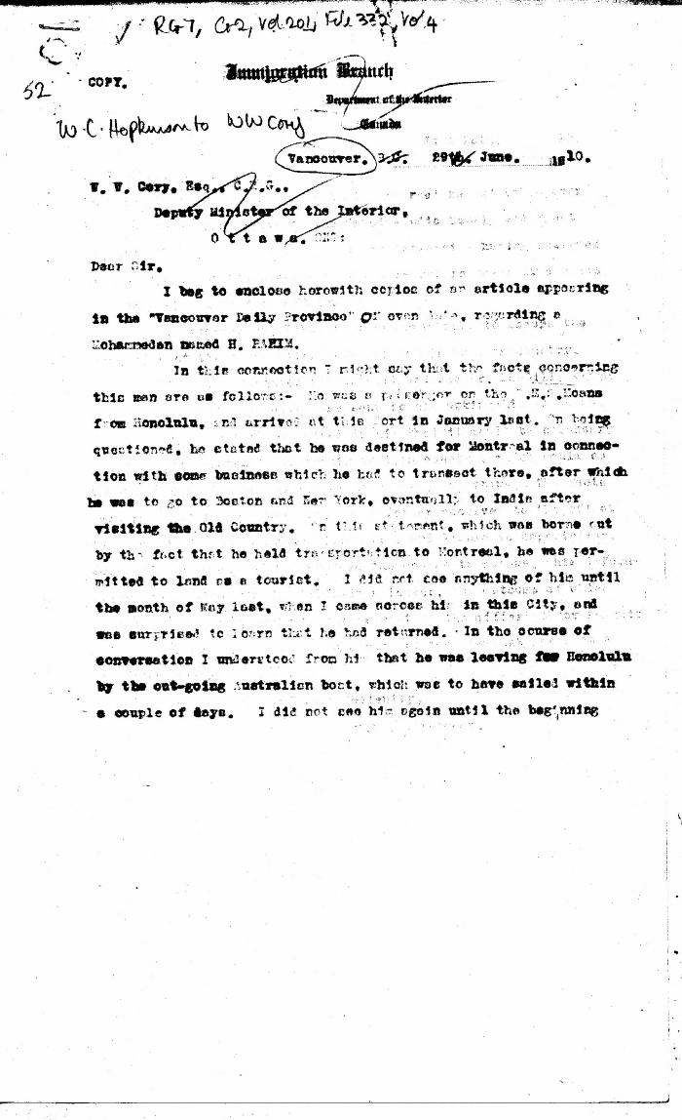
 | [William C. Hopkinson, Immigration Inspector, to William W. Cory, Deputy Minister of the Interior. Copy] (2021_07_4326) | Library and Archives Canada. RG7-G-21, Vol. 201, File 332, vol. 4
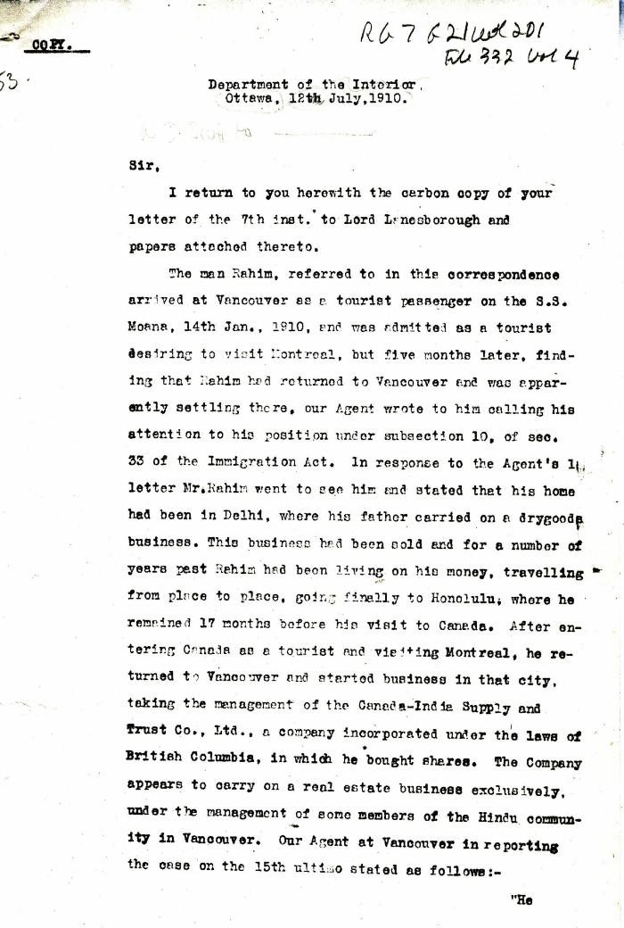
 | [William D. Scott, Superintendent of Immigration, to William W. Cory, Deputy Minister of the Interior. Copy] (2021_07_4329) | Library and Archives Canada. RG7-G-21, Vol. 200, File 332, vol. 3 (a)
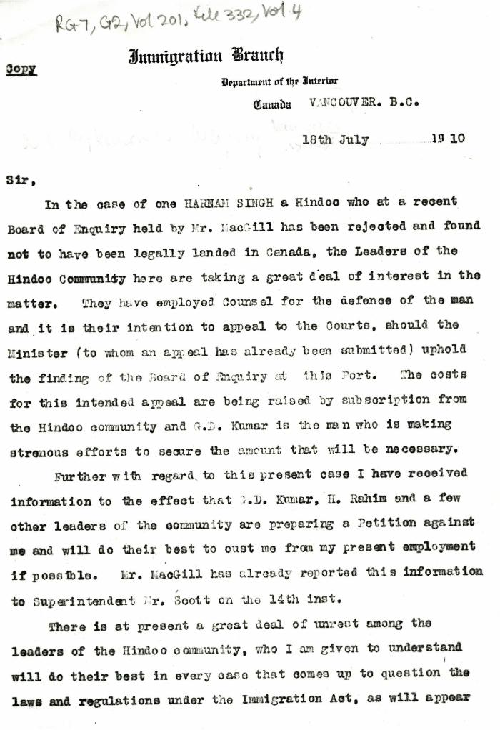
 | [William C. Hopkinson, Immigration Inspector, to William W. Cory, Deputy Minister of the Interior. Copy] (2021_07_4332) | Library and Archives Canada. RG7-G-21, Vol. 201, File 332, vol. 4

 | [William C. Hopkinson, Immigration Inspector, to William W. Cory, Deputy Minister of the Interior. Copy] (2021_07_4365) | Library and Archives Canada. RG76, Vol. 384, File 536999, pt. 3

 | [William C. Hopkinson, Immigration Inspector, to William W. Cory, Deputy Minister of the Interior. Copy] (2021_07_4368) | Library and Archives Canada. RG7-G-21, Vol. 201
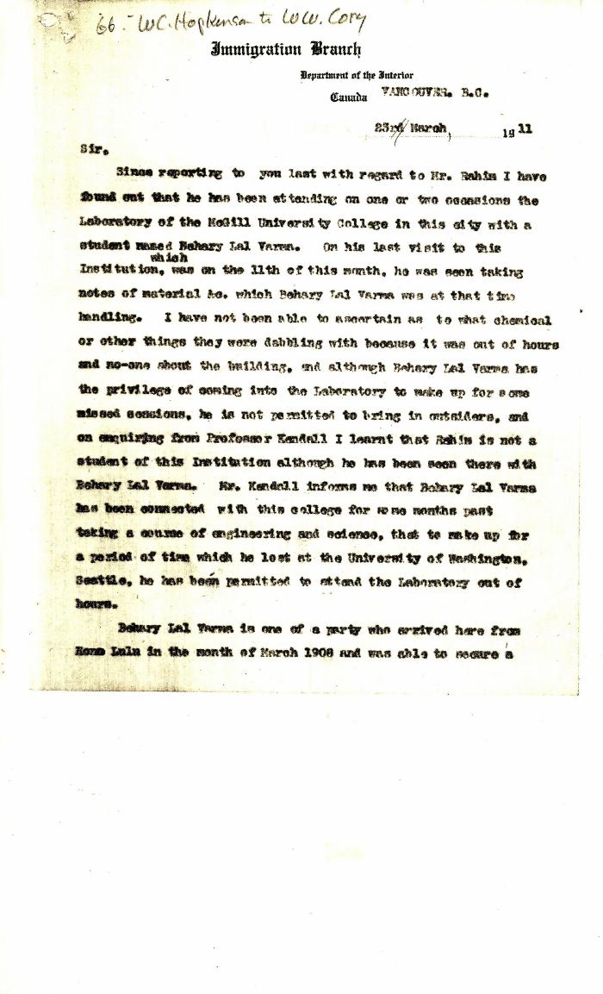
 | [Extract from William C. Hopkinson to William W. Cory. Copy] (2021_07_4372) | Library and Archives Canada. RG7-G-21, Vol. 201, File 332, vol. 4
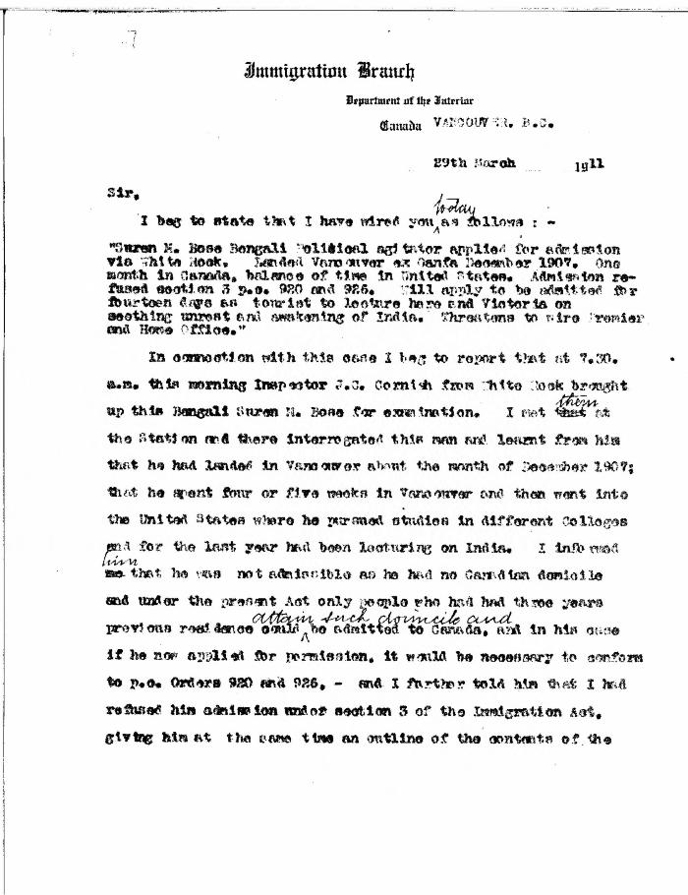
 | [William C. Hopkinson, Immigration Inspector, to William W. Cory, Deputy Minister of the Interior] (2021_07_4376) | Library and Archives Canada. RG7-G-21, Vol. 201, File 332, vol. 4

 | [William C. Hopkinson, Immigration Inspector, to William W. Cory, Deputy Minister of the Interior. Copy] (2021_07_4381) | Library and Archives Canada. RG7-G-21, Vol. 201, File 332, vol. 4
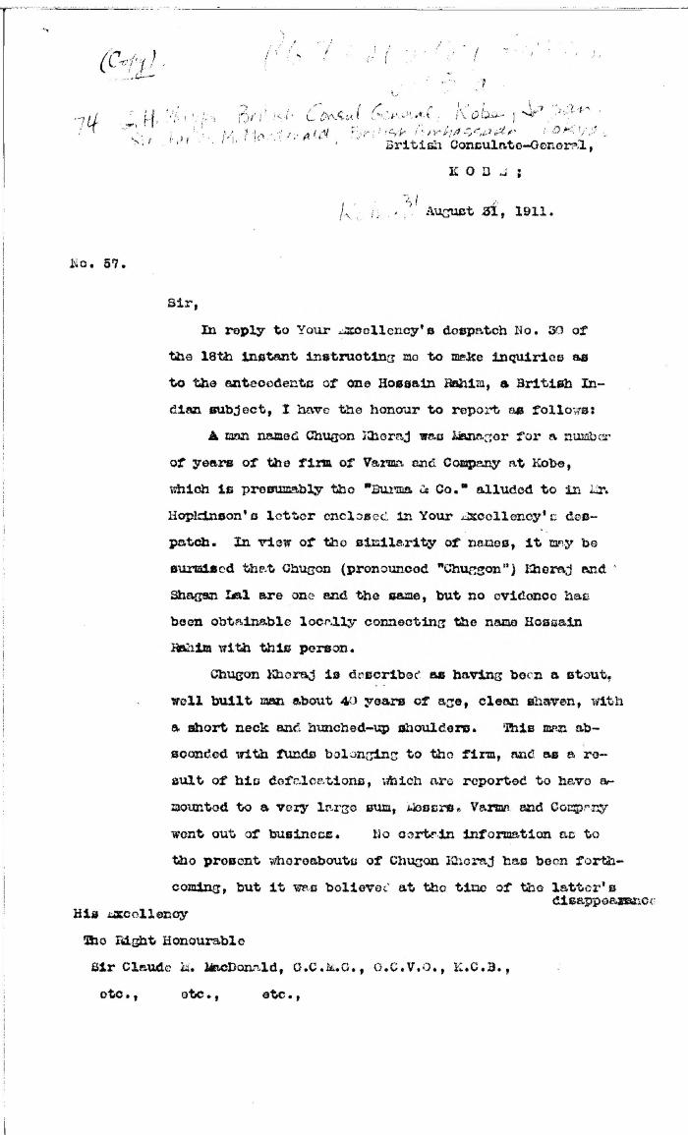
 | [G. H. Phipps, British Consul General, Kobe, Japan, to Sir Charles M. Macdonald, British Ambassador, Tokyo. Original] (2021_07_4399) | Library and Archives Canada. RG7-G-21, Vol. 201, File 332, vol. 5 (a)
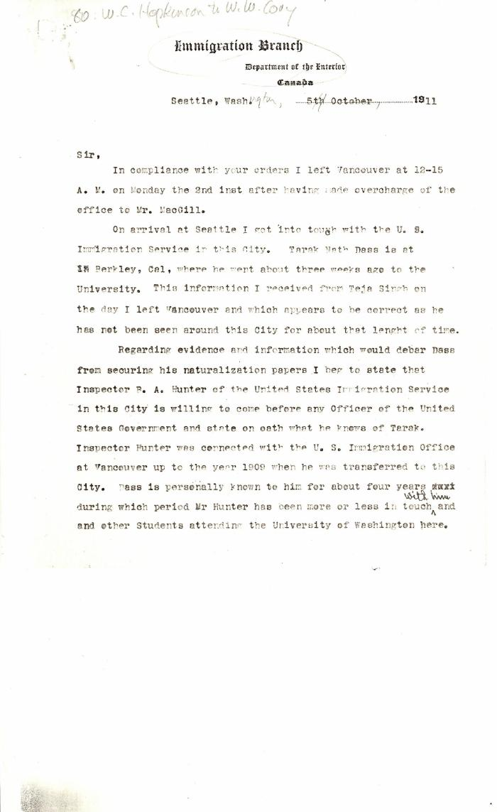
 | [Extract from William C. Hopkinson, Immigration Inspector, to William W. Cory, Deputy Minister of the Interior] (2021_07_4409) | Library and Archives Canada. RG7-G-21, Vol. 201, File 332, vol. 5 (a)
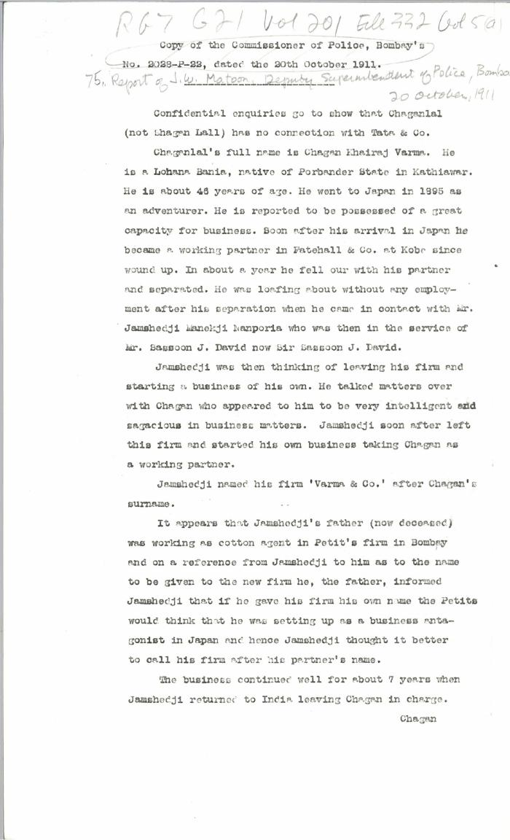
 | Copy of the Commissioner of Police, Bombay's No. 2028-P-22, dated the 20th October, 1911 [Report of J. W. Matoon, Deputy Superintendent of Police, Bombay. Copy] (2021_07_4431) | Library and Archives Canada. RG7-G-21, Vol. 201, File 332, vol. 5 (a)
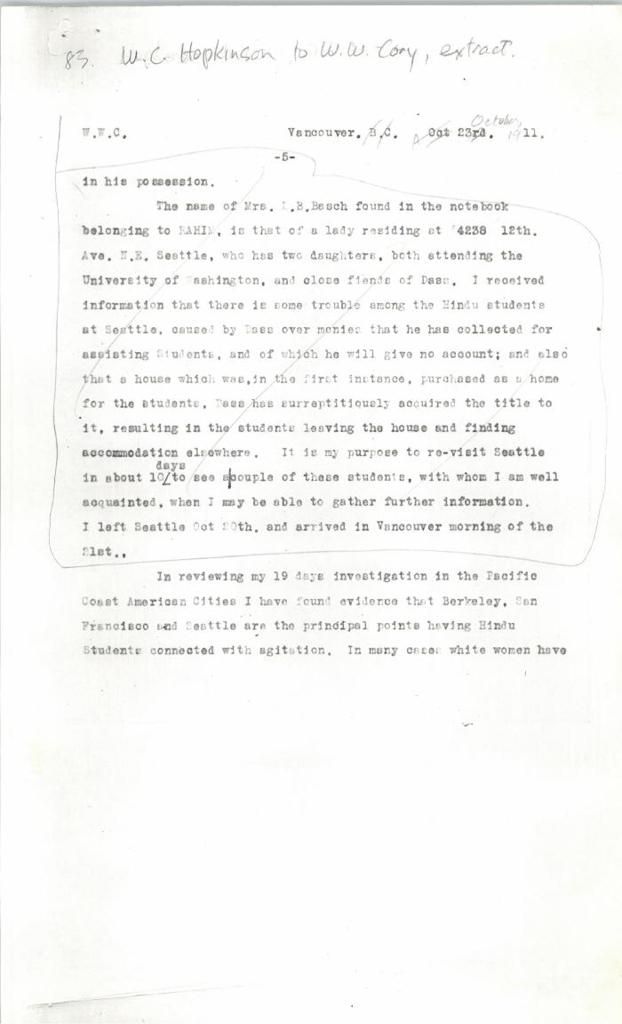
 | [Extract from William C. Hopkinson, Immigration Inspector, to William W. Cory, Deputy Minister of the Interior. Copy] (2021_07_4437) | Library and Archives Canada. RG7-G-21, Vol. 201, File 332, vol. 5 (a)
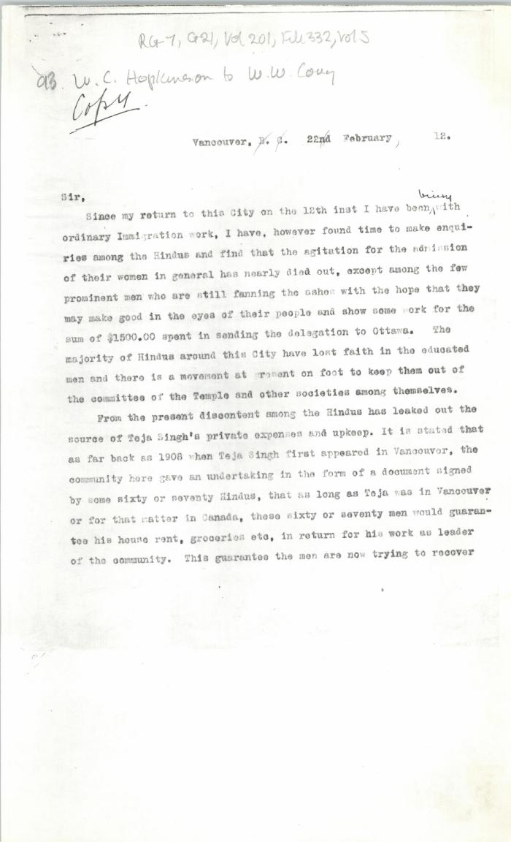
 | [William C. Hopkinson, Immigration Inspector, to William W. Cory, Deputy Minister of the Interior. Copy] (2021_07_4451) | Library and Archives Canada. RG7-G-21, Vol. 201, File 332, vol. 5
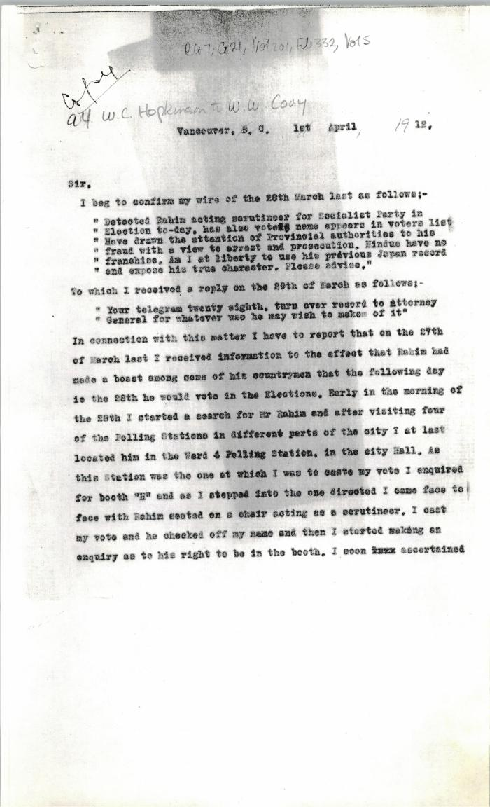
 | [Extract from William C. Hopkinson, Immigration Inspector, to William W. Cory, Deputy Minister of the Interior. Copy] (2021_07_4457) | Library and Archives Canada. RG7-G-21, Vol. 201, File 332, vol. 5
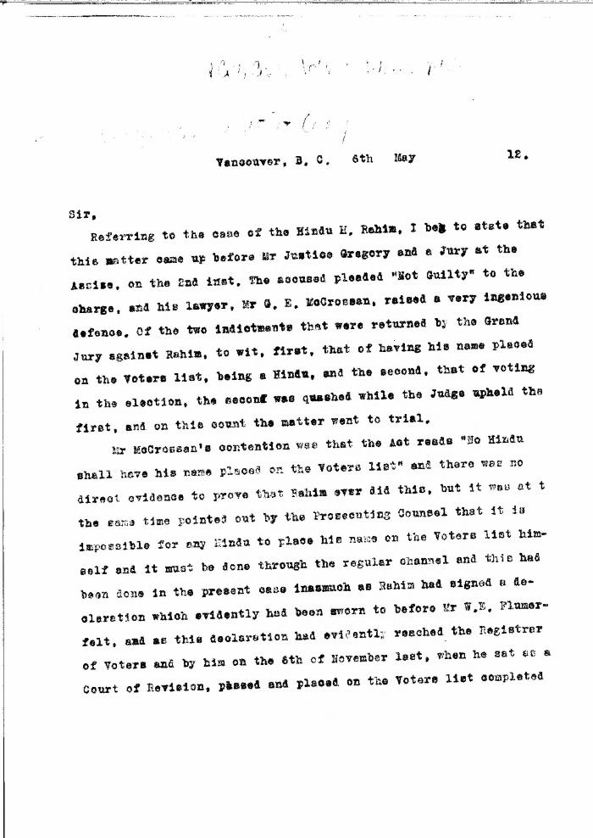
 | [William C. Hopkinson, Immigration Inspector, to William W. Cory, Deputy Minister of the Interior. Copy] (2021_07_4464) | Library and Archives Canada. RG7-G-21, Vol. 201, File 332, vol. 5

 | [William C. Hopkinson, Immigration Inspector, to William W. Cory, Deputy Minister of the Interior] (2021_07_4512) | Library and Archives Canada. RG7-G-21, Vol. 203, File 332, vol. 8
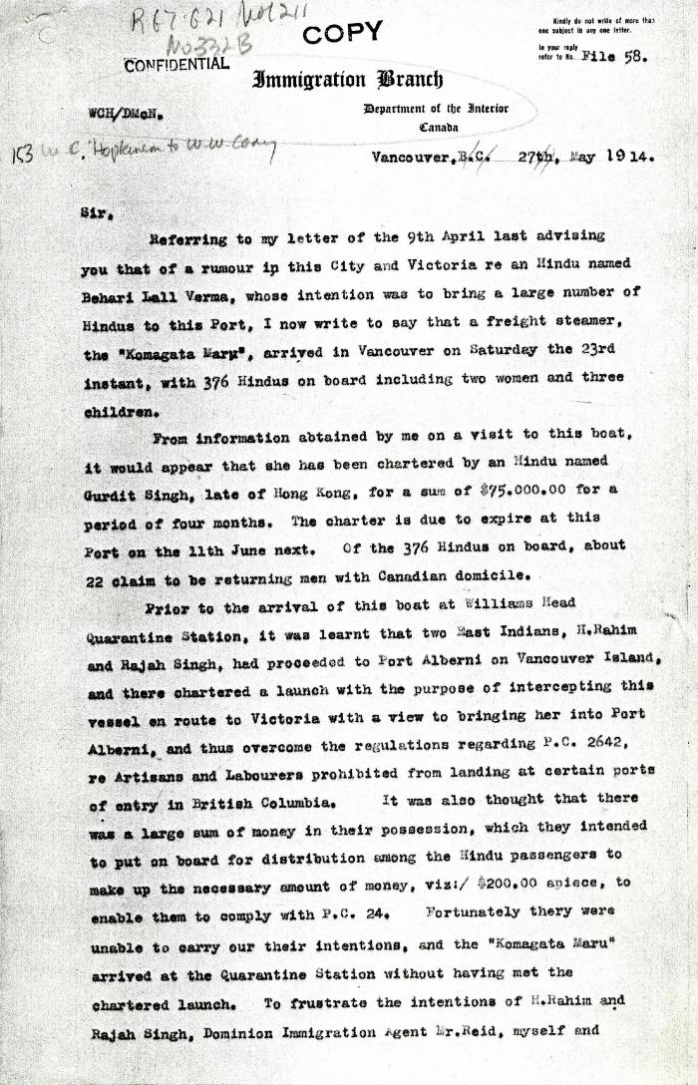
 | [Extract from William C. Hopkinson, Immigration Inspector, to William W. Cory, Deputy Minister of the Interior. Copy] (2021_07_4611) | Library and Archives Canada. RG7-G021, Vol. 211, File 332 B
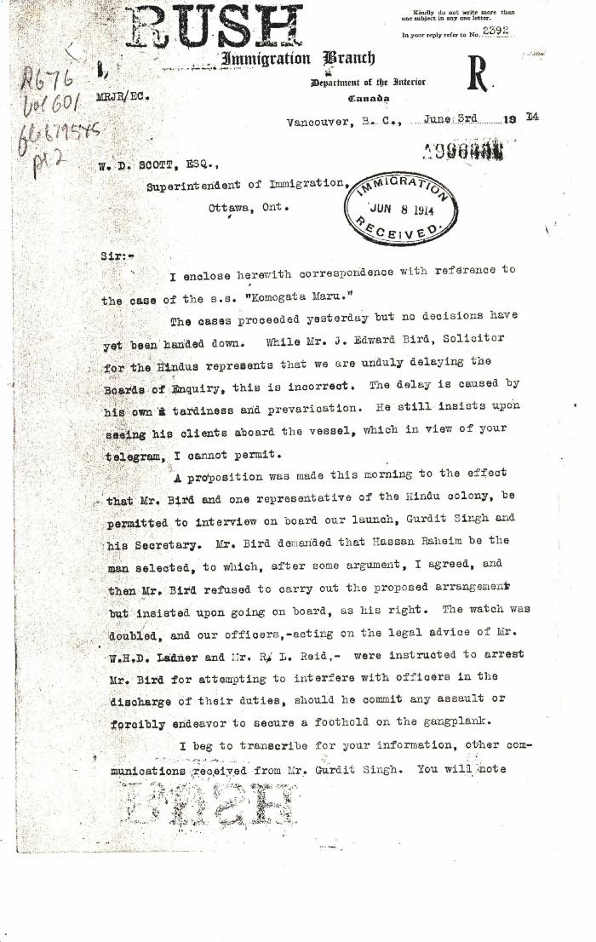
 | [Malcolm R. J. Reid, Dominion Immigration Agent, to William D. Scott, Superintendent of Immigration. Original] (2021_07_4624) | Library and Archives Canada. RG76, Vol. 601, File 879545, pt. 2
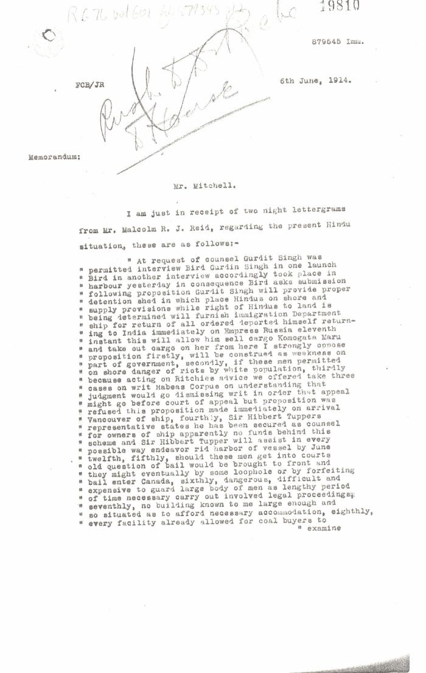
 | [William D. Scott, Superintendent of Immigration, Memorandum to Mr. Mitchell] (2021_07_4630) | Library and Archives Canada. RG76, Vol. 601, File 879545, pt. 1
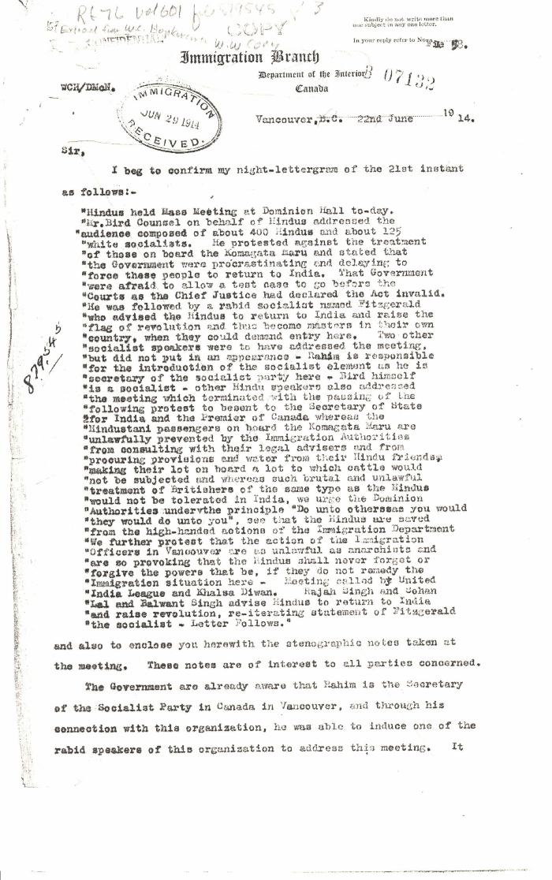
 | [Extract from William C. Hopkinson, Immigration Inspector, to William W. Cory, Deputy Minister of the Interior. Copy] (2021_07_4668) | Library and Archives Canada. RG76, Vol. 601, File 879545, pt. 3

 | [Malcolm R. J. Reid, Dominion Immigration Agent, to William D. Scott, Superintendent of Immigration. Original] (2021_07_4714) | Library and Archives Canada. RG76, Vol. 601, File 879545, pt. 4
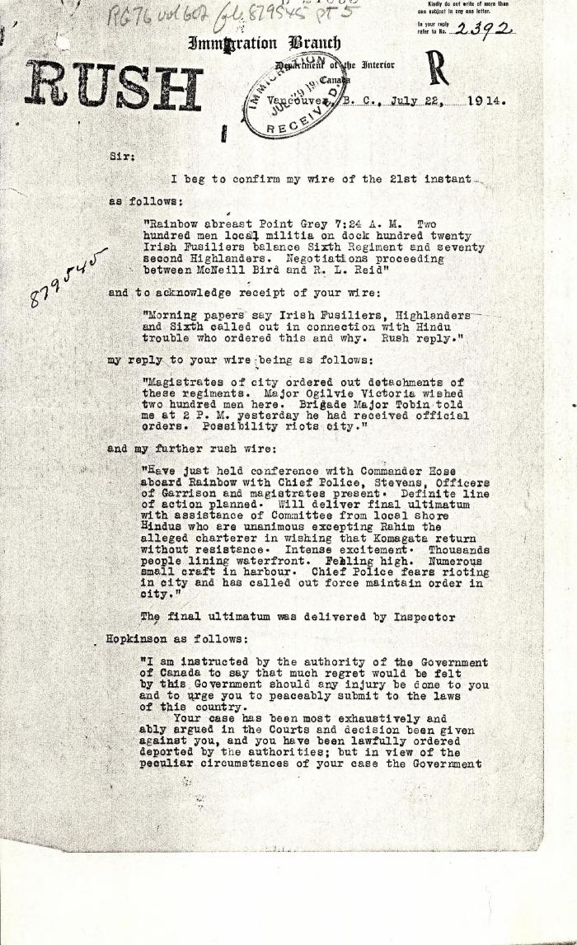
 | [Malcolm R. J. Reid, Dominion Immigration Agent, to William D. Scott, Superintendent of Immigration. Original] (2021_07_4734) | Library and Archives Canada. RG76, Vol. 601, File 879545, pt. 5
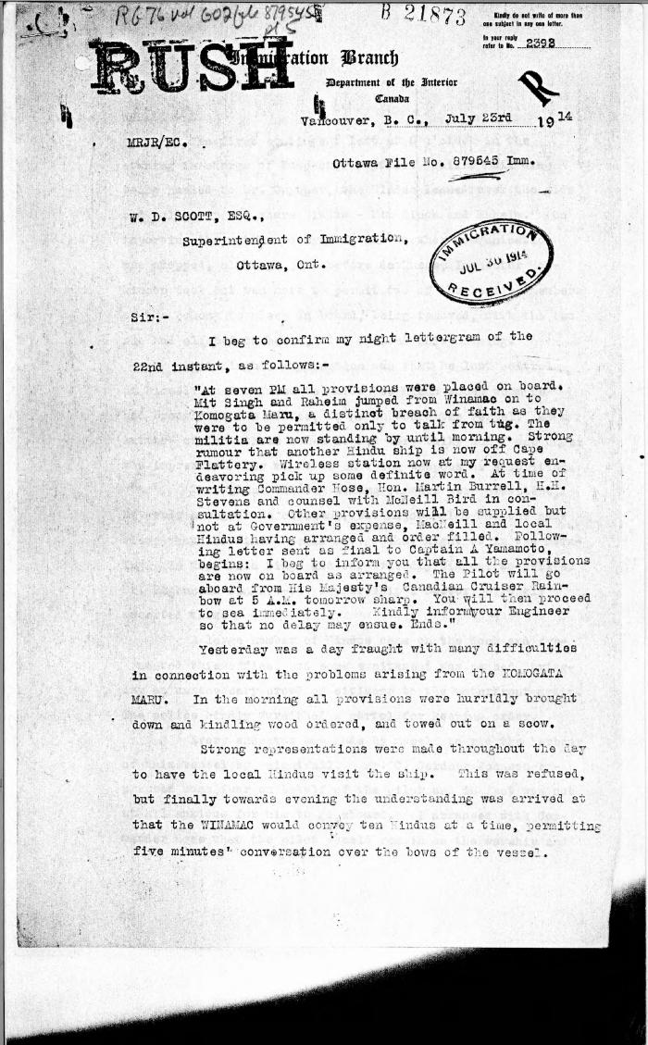
 | [Malcolm R. J. Reid, Dominion Immigration Agent, to William D. Scott, Superintendent of Immigration. Original] (2021_07_4746) | Library and Archives Canada. RG76, Vol. 601, File 879545, pt. 5

 | [Henry W. Gwyther, Hindu interpreter, to Malcolm R. J. Reid, Dominion Immigration Agent] (2021_07_4913) | Library and Archives Canada. RG76, Vol. 385, File 536999, pt. 5
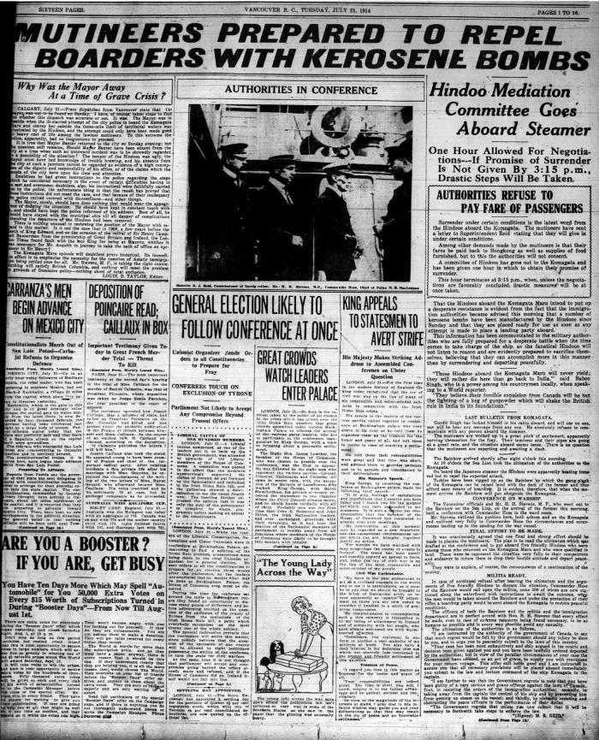
 | Newsclipping - Vancouver World: Mutineers prepared to repel boarders with kerosene bombs (2021_07_5183)
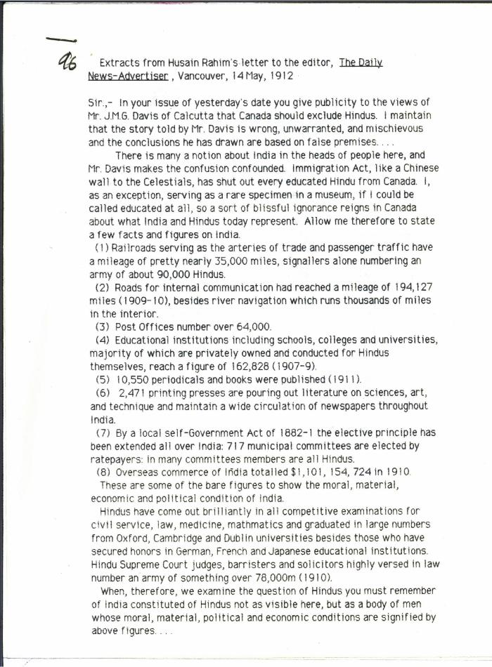
 | [Extracts from Husain Rahim's letter to the Editor, The Daily News-Advertiser] (2021_07_5192)
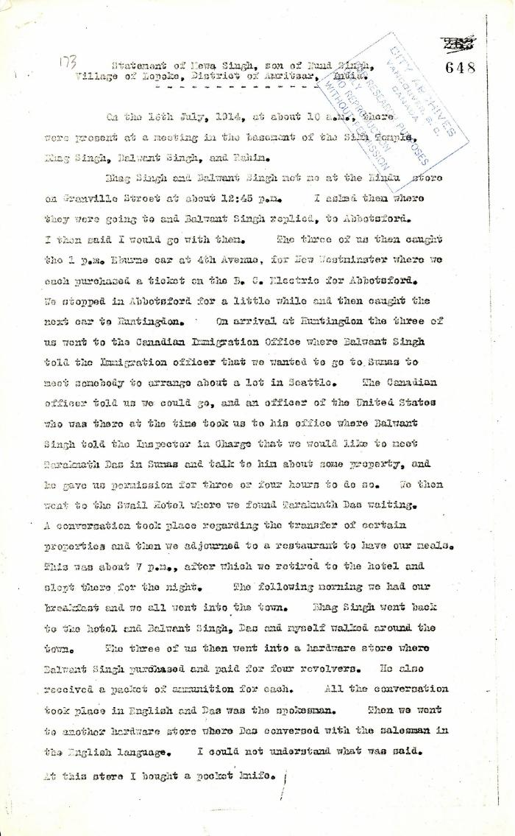
 | Statement of Mewa Singh, son of Nand Singh, Village of Lopoke, District of Amritsar, India (2021_07_5211) | Pages 648-649

 | Note on the Hindu Revolutionary Movement in Canada (2021_07_5232) | Library and Archives Canada. RG76, Vol. 386, File 536999, pt. 11
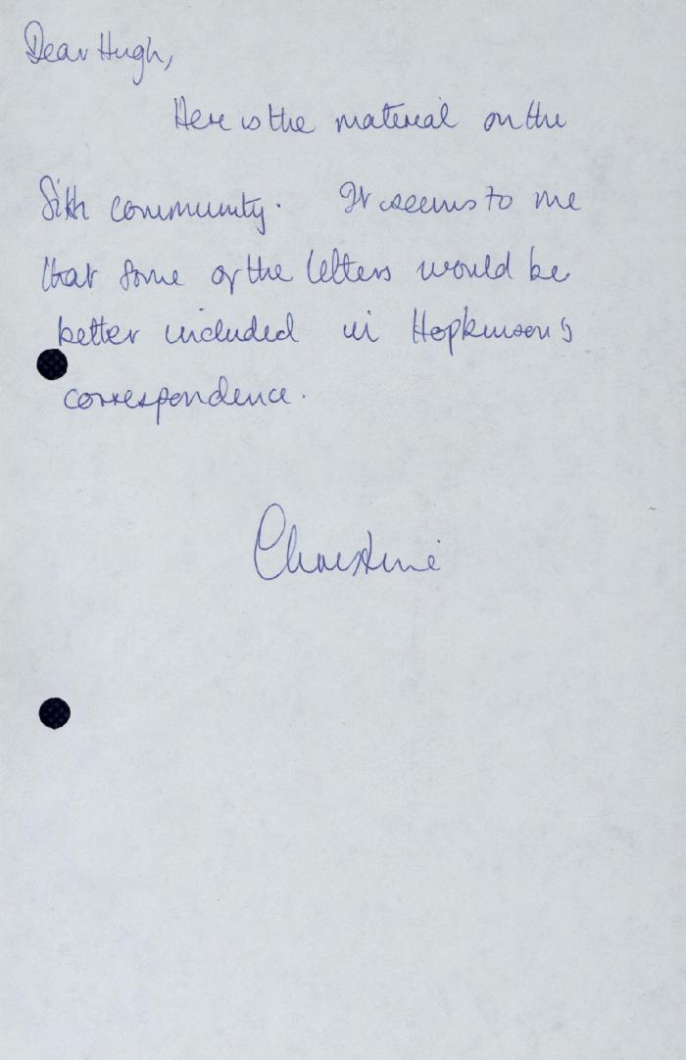
 | Correspondence - Rahim, Kumar, Taraknath Das, 1910-1913 [Hugh Johnston's notes] (2021_07_5265)
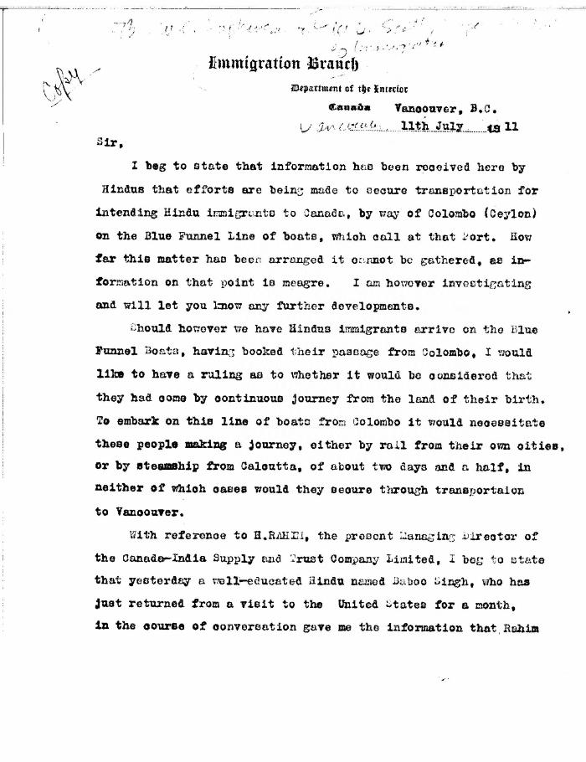
 | [Extract from William C. Hopkinson, Immigration Inspector, to William D. Scott, Superintendent of Immigration. Copy] (2021_07_5286) | Library and Archives Canada. RG7-G-21, Vol. 201, File 332, vol. 4
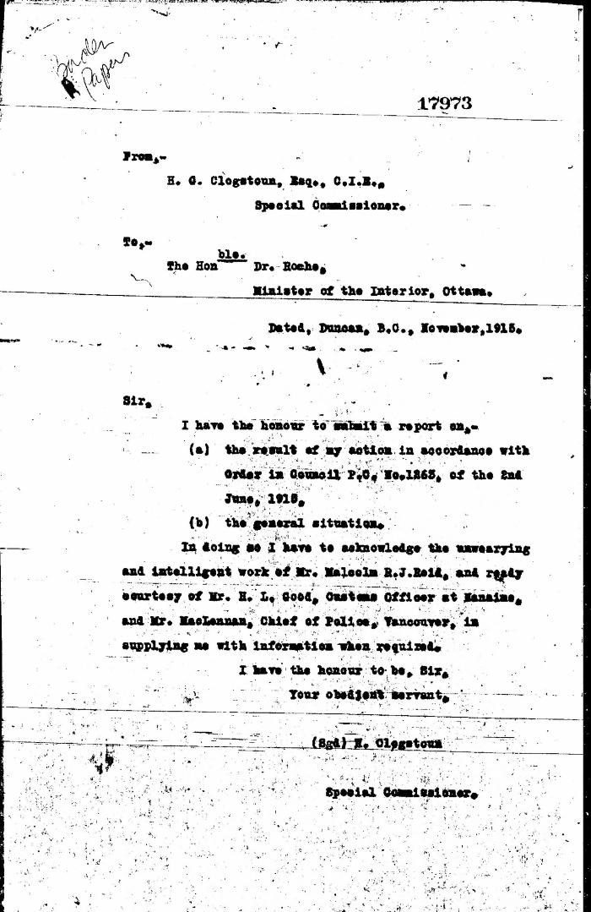
 | [Herbert C. Clogstoun, Special Commissioner. Report to Dr. William J. Roche, Minister of the Interior, on Mission to Vancouver re PC 1265 of 2 June, 1915, with respect to Komagata Maru] (2021_07_5377) | Library and Archives Canada. Borden Papers, 17838-17869, 17973-17978
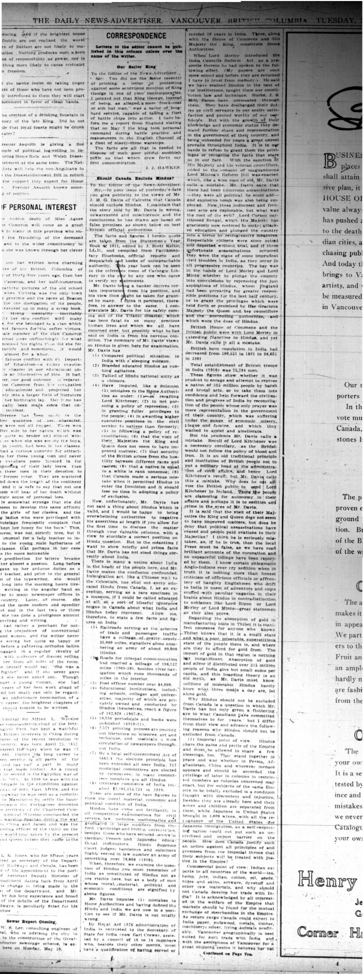
 | Newsclipping - Vancouver News-Advertiser: Correspondence: Should Canada exclude Hindus? (2021_07_5396)

 | Canadian Sikhs (Part One) and Komagata Maru Massacre (2021_07_6295)

 | Copy of letter from Reid to W. D. Scott confirming wires and night-letters. Page 1-4 (2021_07_9483) | Page 234-237

 | Minutes of a Hindu mass meeting held in Dominion Hall. Page 1-21 (2021_07_9506) | Page 238-259
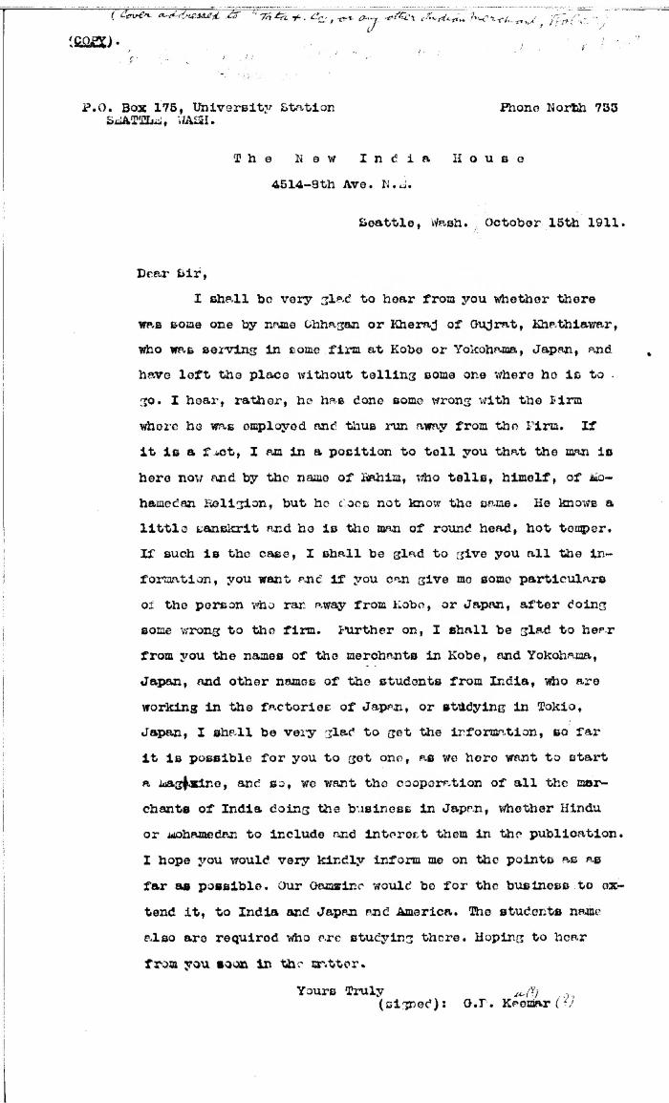
 | [Guran Ditt Kumar, Editor, The Swadesh Sevak, to Tata & Co., or any other Indian Merchant, Kobe, Japan, re Husain Rahim's whereabouts. Copy] (2021_07_10307) | Library and Archives Canada. RG7-G-21, Vol. 201, File 332, vol. 5 (a)
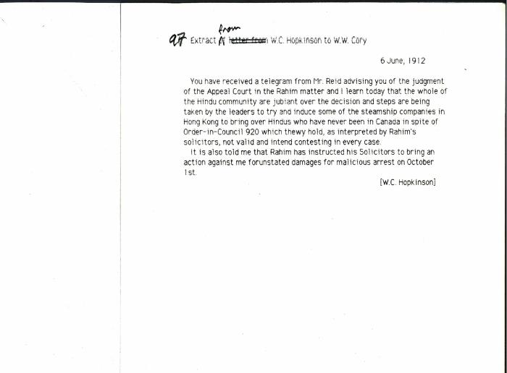 | [Extract from William C. Hopkinson, Immigration Inspector, to William W. Cory, Deputy Minister of the Interior, re Rahim court decision. Copy] (2021_07_10309) | Library and Archives Canada. RG7-G-21, Vol. 202, File 332, vol. 6 (b)
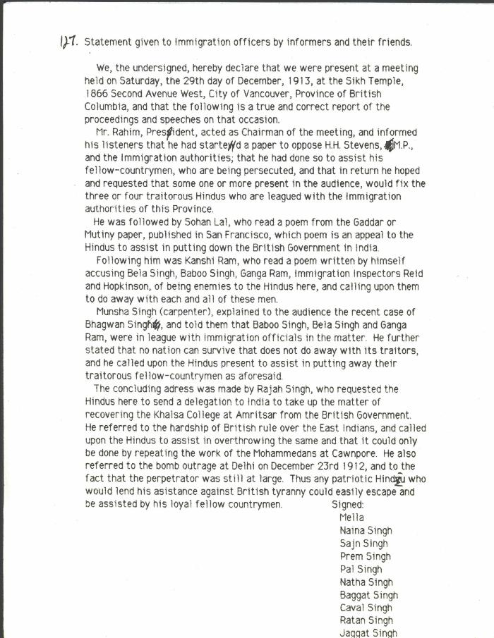
 | Statement given to Immigration officers by informers and their friends [re meeting by Husain Rahim and Sohan Lal] (2021_07_10323) | City of Vancouver Archives. Add. Mss. No. 69, Vol. 1
 | Newsclipping - Vancouver Sun: Hindus hold mass meeting and preach sedition and treason (2021_07_10490)
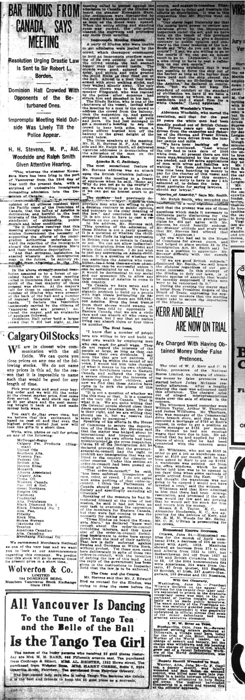
 | Newsclipping - Vancouver Daily Province: Bar Hindus from Canada, says meeting (2021_07_10492)
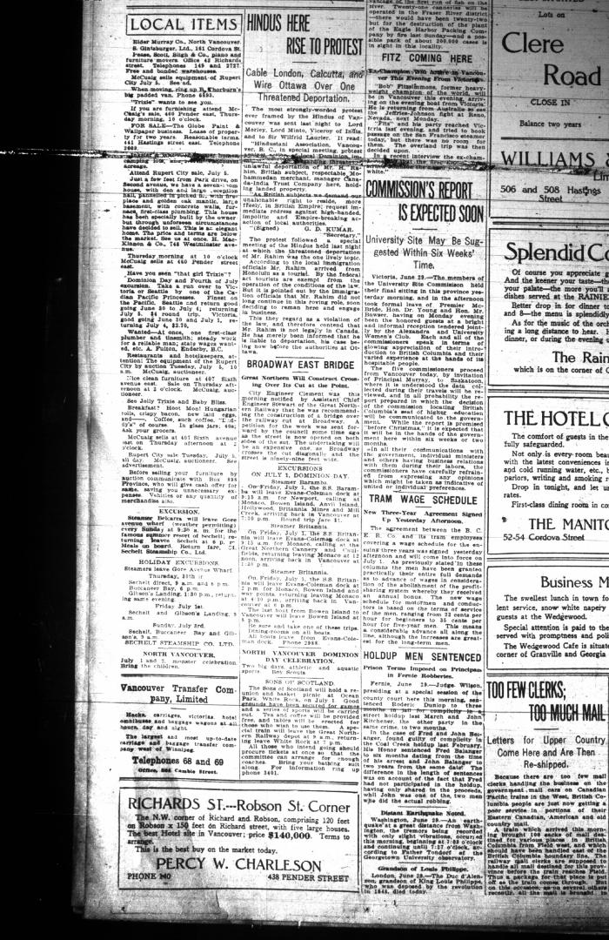
 | Newsclipping - Vancouver Daily Province: Hindus here rise to protest. Page 24 (2021_07_10511)
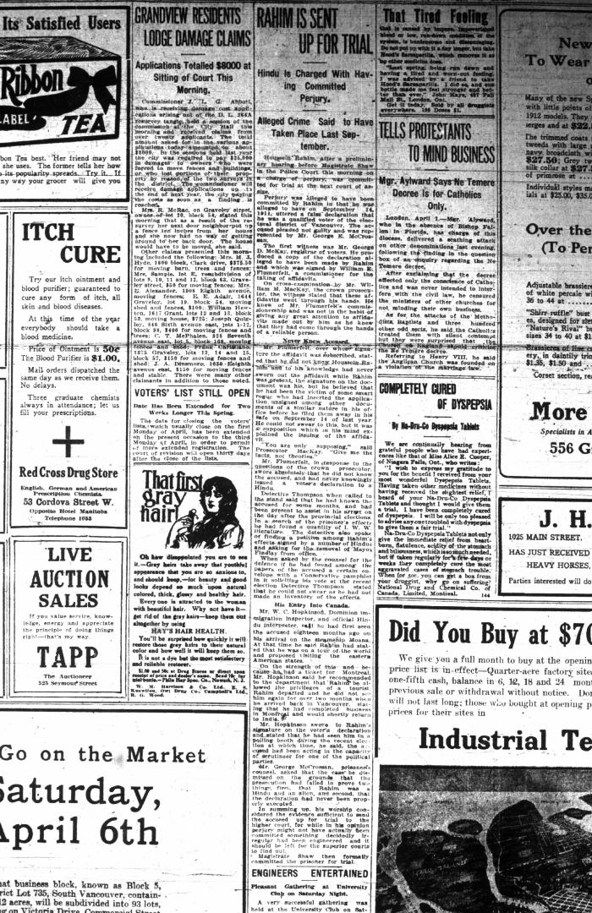
 | Newsclipping - Vancouver Daily Province: Rahim is sent up for trial. Page 3 (2021_07_10512)
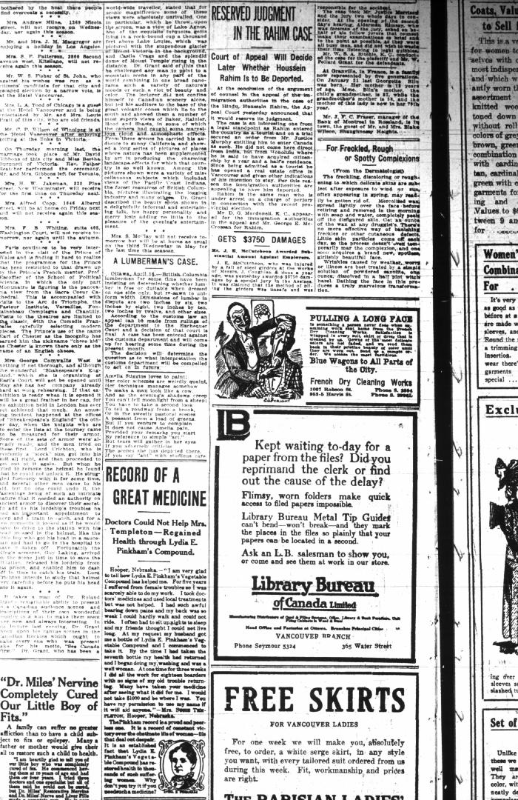
 | Newsclipping - Vancouver Daily Province: Reserved judgment in the Rahim case. Page 8 (2021_07_10513)
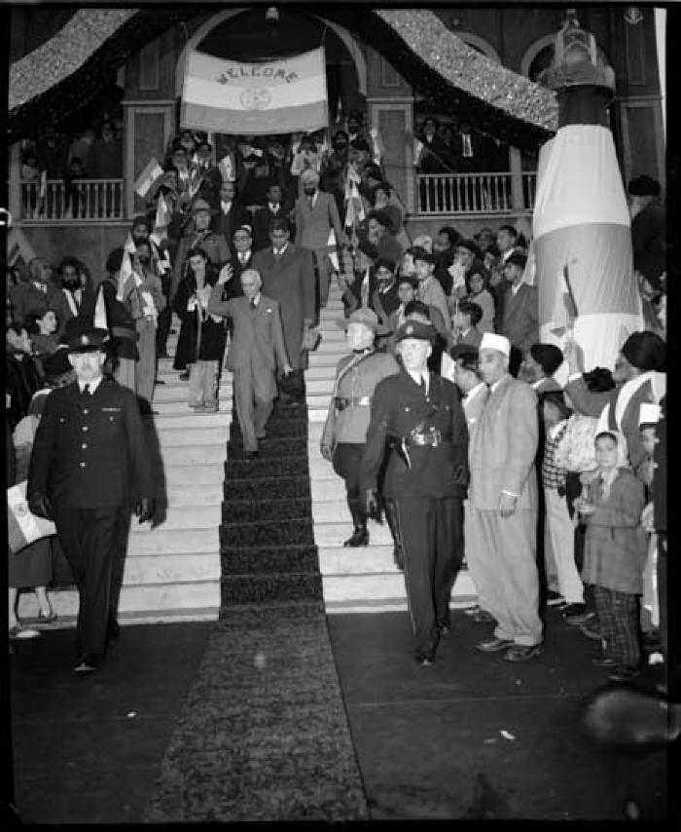
 | Nehru with daughter Indira Gandhi at the Sikh Temple in Vancouver (2021_07_10520) | Vancouver Public Library. Accession number 46225

 | Copy of letter from Malcolm Reid to the deputy Minister of the Interior re publication of the 'Hindustani,' and its connection with the International Congress of India (2021_07_10673) | Page 119

 | Copy of letter from Reid to W. D. Scott re transfer of charter from Gurdit Singh to two local Hindus (2021_07_10689) | Page 171
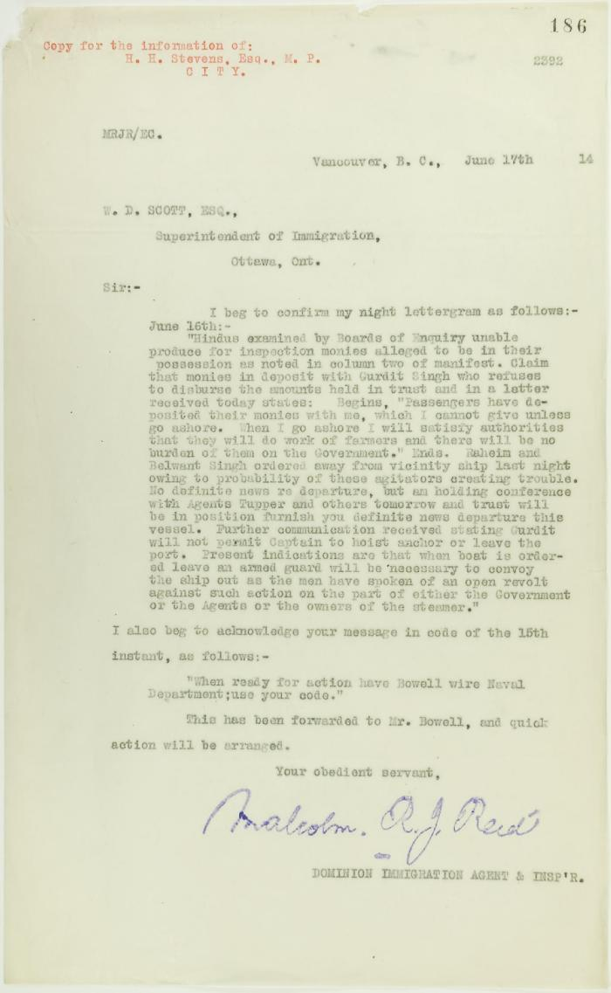
 | Copy of letter from Reid to W. D. Scott re money deposited with Gurdit Singh, and preparations to escort Komagatu Maru out of the port (2021_07_10693) | Page 186

 | Copy of letter from Reid to W. D. Scott re work of Boards of Enquiry and re responsibility to provision the ship (2021_07_10695) | Page 166

 | Copy of letter from Reid to Daljit Singh re supply of fresh water and re telegram (see p. 358) (2021_07_10704) | Page 359
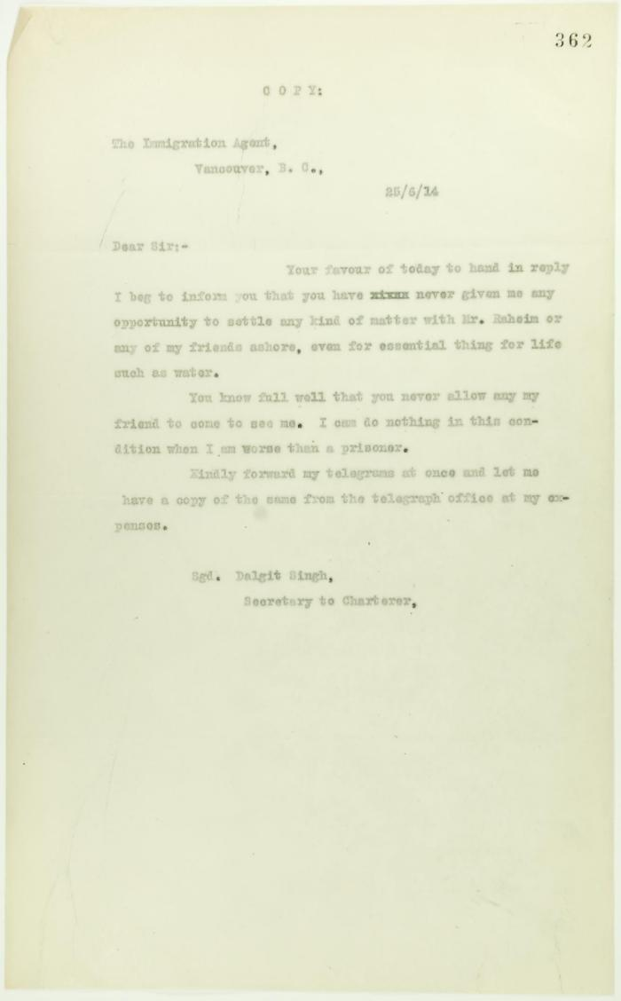
 | Copy of letter from Daljit Singh to the Immigration Agent (2021_07_10705) | Page 362
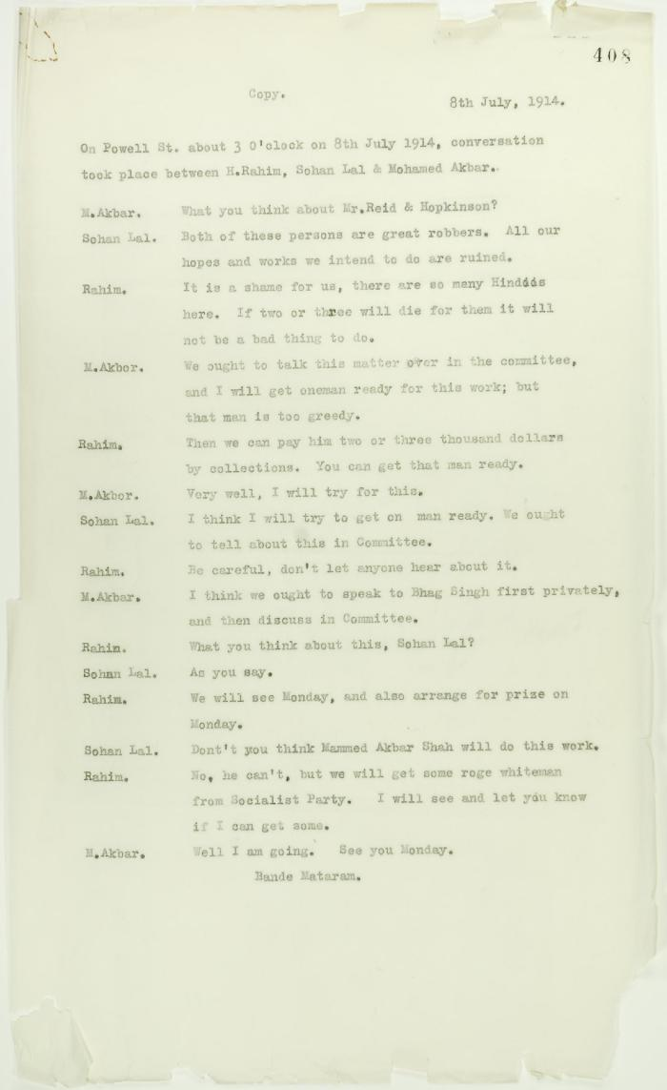
 | Copy of conversation between Hindus re Reid and Hopkinson (2021_07_10717) | Page 408
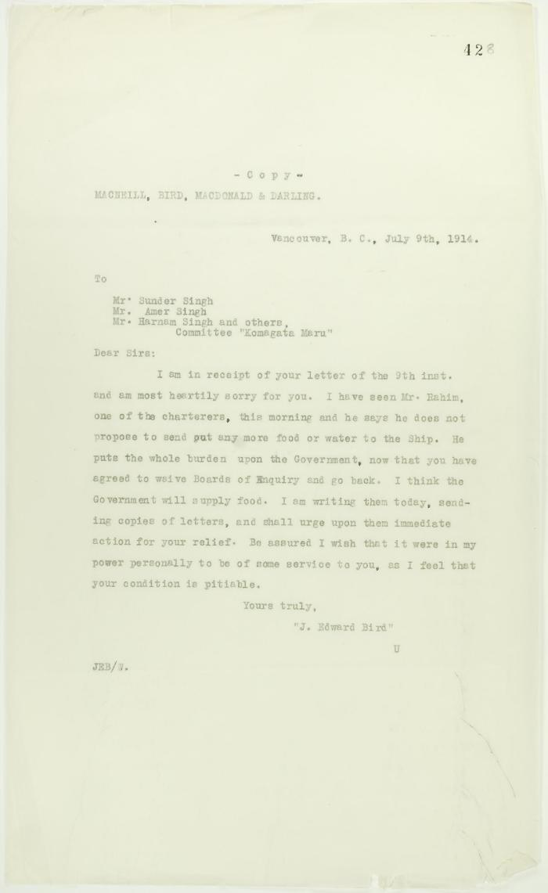
 | Copy of reply from J. E. Bird to passengers (see p. 427) (2021_07_10721) | Page 428

 | Copy of letter from J. E. Bird to C. Gardner Johnson re preparation for departure of ship (2021_07_10741) | Page 507
 | Newsclipping - Vancouver News-Advertiser: Mr. MacNeill's views (2021_07_10794)

 | Newsclippings - Lawyer warned he is to be killed; Jury charges Hopkinson's death to Mewa (2021_07_10797)

 | Newsclippings - Serious charge against Hindus; Charge of murder laid against Hindu; Hindu sues bank, queer story told; Three more Hindus (2021_07_10803)

 | Newsclipping - Rahim suggested the murders say witnesses (2021_07_10806)

 | Khalsa Diwan Society [Diary], Vancouver, B.C. [: Volume 1 - English translation] (2021_07_10918) | The diary, volume one of two volumes, contains information on the activities of the Vancouver Khalsa Diwan Society between 1906 and 1924, as recorded by Secretary Arjan Singh Brar (Chand).
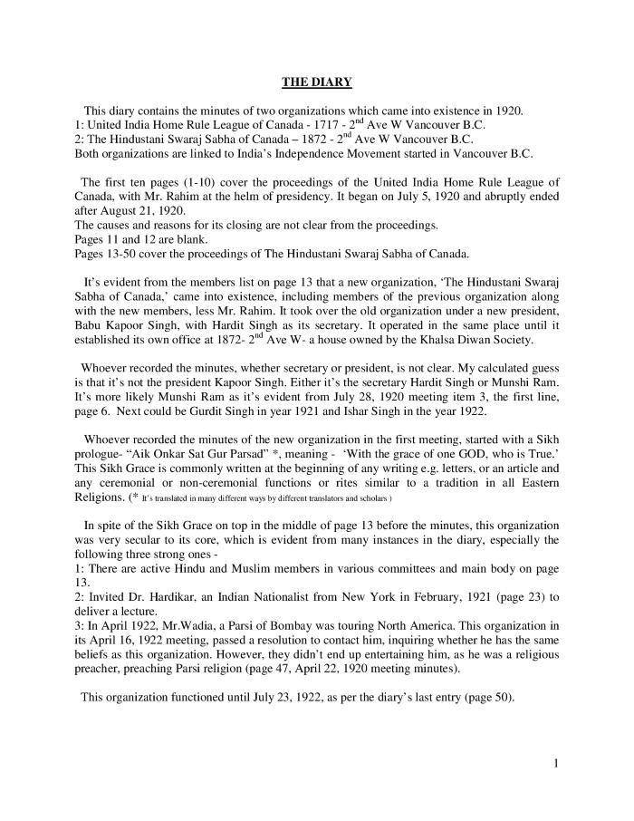
 | [Diary : United India Home Rule League of Canada and the Hindustani Swaraj Sabha - English translation] (2021_07_10919) | English translation of [Diary : United India Home Rule League of Canada and the Hindustani Swaraj Sabha], containing the minutes of two organizations which came into existence in 1920 in Vancouver: the United India Home Rule League of Canada and the Hindustani Swaraj Sabha of Canada. Both organizations are linked to India's Independence movement started in Vancouver, B.C.
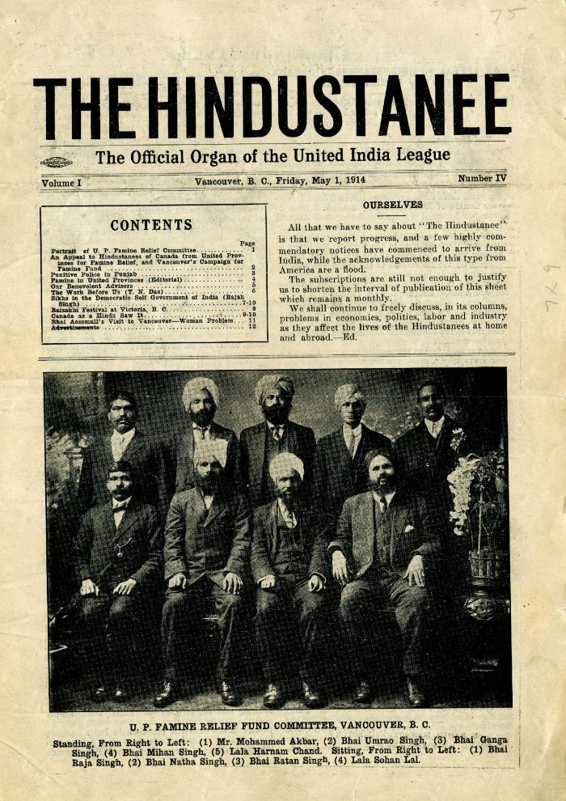
 | The Hindustanee: The Official Organ of the United India League. Volume 1, Number 3 (2021_07_10923) | Contains an article pertaining to the death of Haranam Koor, wife of Bhag Singh.

 | The Voyage of the Komagata Maru: The Sikh Challenge to Canada's Colour Bar (2021_07_10930) | Hugh Johnston provided the first thoroughly researched study of the Komagata Maru event, basing his analysis on official accounts from both Canadian and Indian sources, as well as on the reminiscences of the only passenger still alive at the time the book was written. This book is still the landmark text on the Komagata Maru and diligently outlines the life for Indians at the turn of the 20th century, the reasons for chartering the Komagata Maru, revolutionary movements in North America, the riot at Budge Budge and the lives of many of the key players after the events of the Komagata Maru.
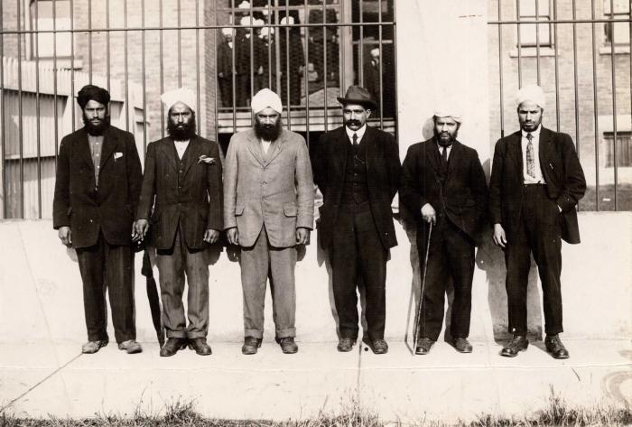 | [Group photo of Husain Rahim and five unidentified individuals in front of the Immigrational Hall in Victoria, BC] (2021_08_01_040) | Group photo of Husain Rahim and five unidentified individuals in front of the Immigrational Hall in Victoria, BC.
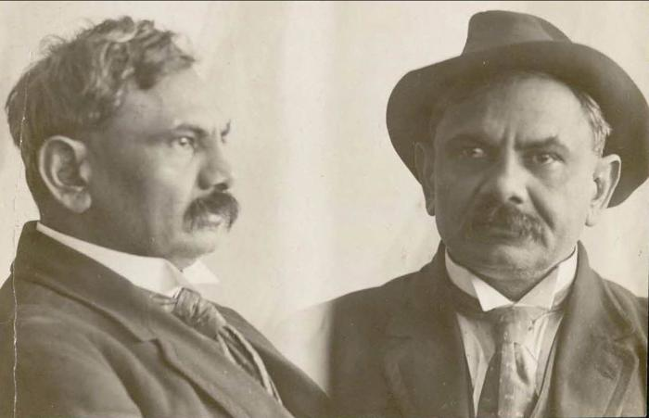 | [Mugshot of Husain Rahim] (2021_08_01_041) | Mugshot of Husain Rahim.

