Results

Image | Object | Description | Date
 | Newsclipping - Vancouver News-Advertiser: Order deporting Hindus is issued (2021_07_3991) | Page 059
 | Newsclipping - Vancouver News-Advertiser: No revolt upon Komagata Maru (2021_07_3994) | Page 060
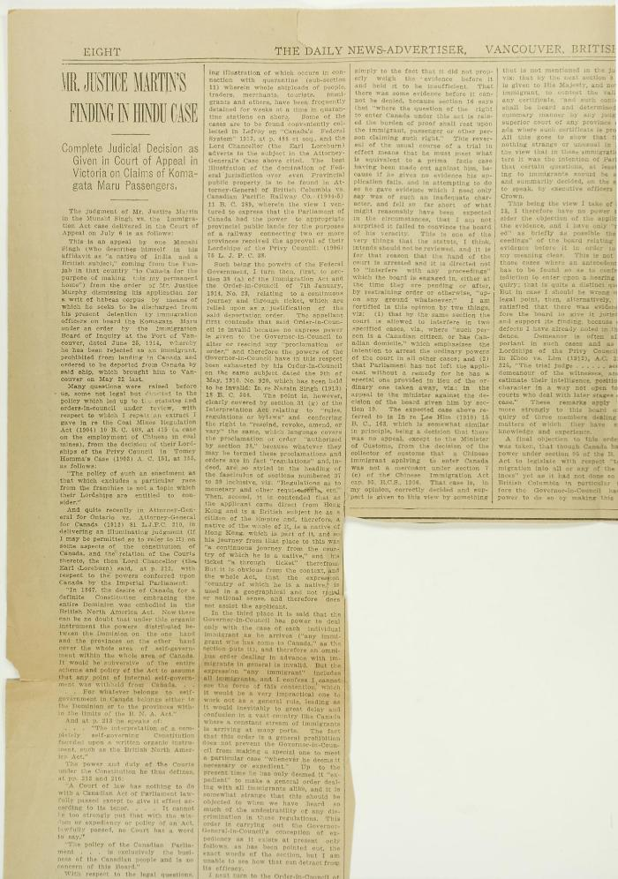
 | Newsclippings - Vancouver News-Advertiser: Mr. Justice Martin's finding in Hindu case; Freedom is price of India's loyalty (2021_07_4042) | Page 063
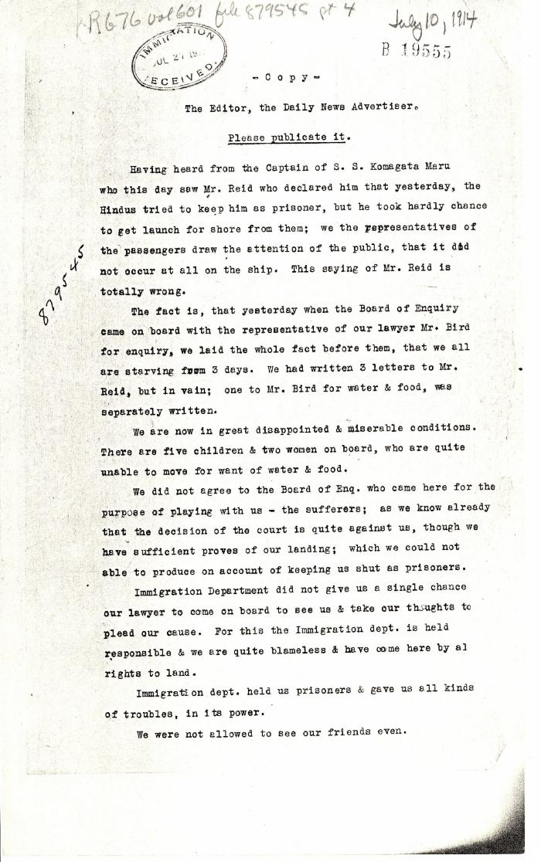
 | [Komagata Maru passengers committee to the Editor, the Daily News Advertiser, Vancouver] (2021_07_4682) | Library and Archives Canada. RG76, Vol. 601, File 879545, pt. 4
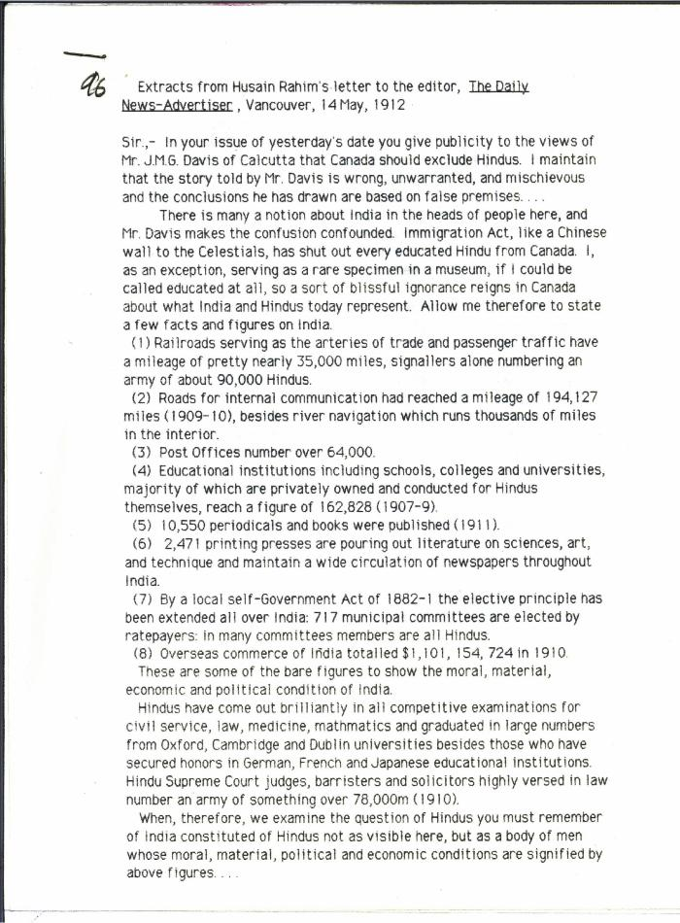
 | [Extracts from Husain Rahim's letter to the Editor, The Daily News-Advertiser] (2021_07_5192)
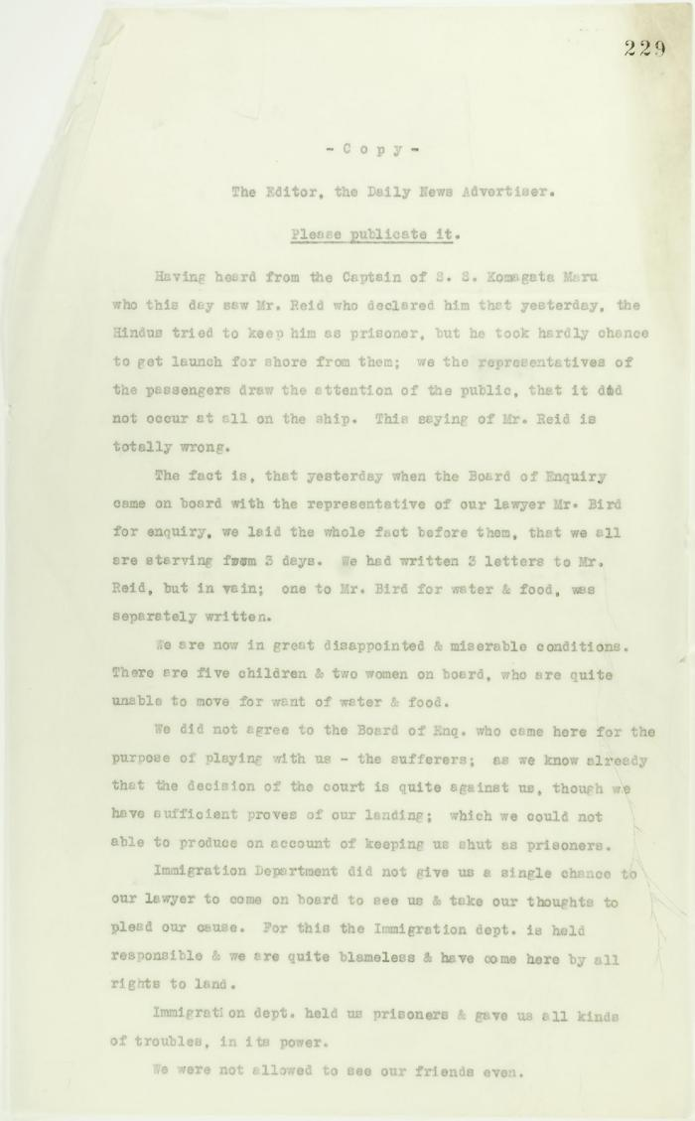
 | Copy of letter sent to Editor, The Daily News Advertiser, by passengers on board the Komagata Maru. Page 1-3 (2021_07_9475) | Page 229-231

 | Letter from Reid to Stevens re censorship of Kumar's correspondence in the Province and the News Advertiser (2021_07_10783) | Page 704
 | Newsclipping - Vancouver News-Advertiser: Mr. MacNeill's views (2021_07_10794)

