Results
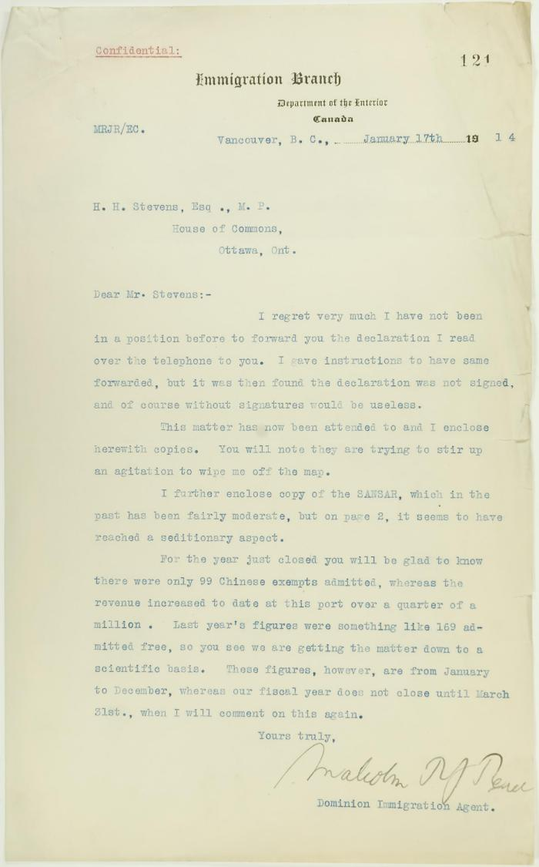
Image | Object | Description | Date
 | Letter from Malcolm Reid to Stevens enclosing declarations of Sikhs re tyranny, and including immigration statistics (2021_07_10688) | Page 121
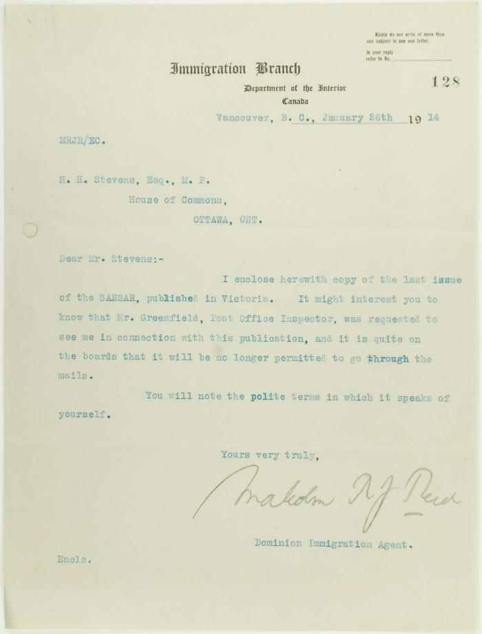
 | Letter from Malcolm Reid to Stevens, enclosing a copy of the Sansar: Vol 2 No. 7 Page 1-8, 5 Jan. 1914 (2021_07_10922)

