Results
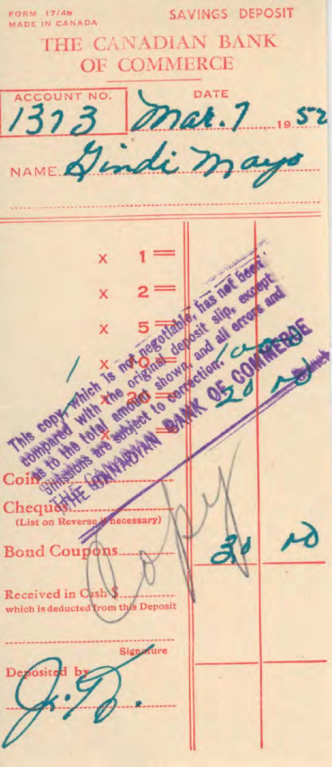
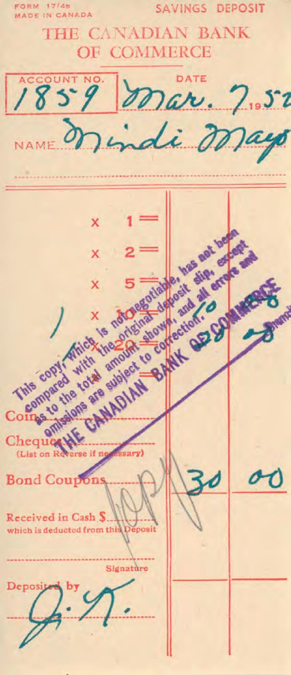
Image | Object | Description | Date
 | [Bank receipt from the Canadian Bank of Commerce to Mindi Mayo] (2020_05_01_06_228) | Bank receipt from the Canadian Bank of Commerce to Mindi Mayo of a total amount of $30.
 | [Bank receipt from the Canadian Bank of Commerce to Mindi Mayo] (2020_05_01_06_229) | Bank receipt from the Canadian Bank of Commerce to Mindi Mayo of a total amount of $30.
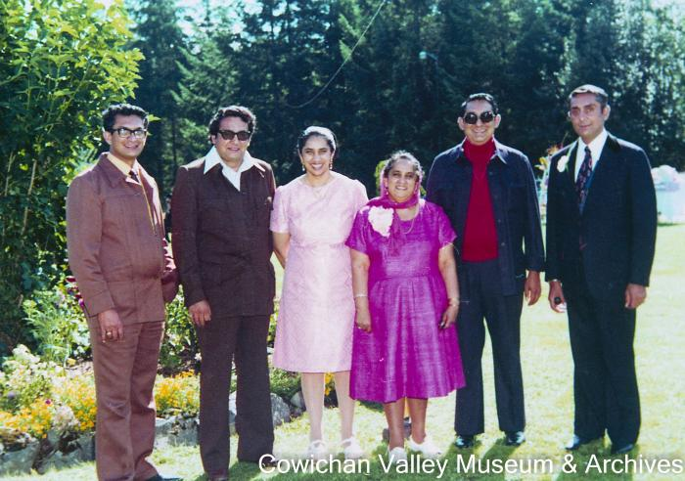 | [Mayo siblings posing in a park] (2020_06_07_081) | Image of Rajindi, Gindi, Jindo, Gloria, Mike, and Mindi posing in a park wearing suits and dresses.
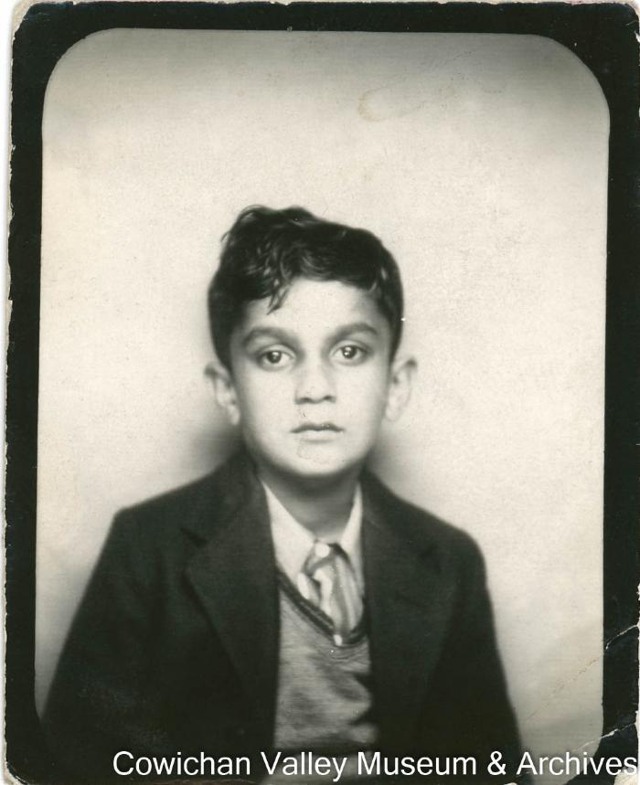
 | Mr. Mindi Mayo (2020_06_11_028) | Image of Mindi Mayo as a child posing for a photo.

